Daily Power Station Chart_14-01
Plant_01/01/2025Chart

Plant:odco1 |  |  | Installed Capacity:111.180kWp
Today Yield(kWh):61.300kWh |  | Today Earning:24520.000TND |  | Today Full Load Hours(h):0.55h

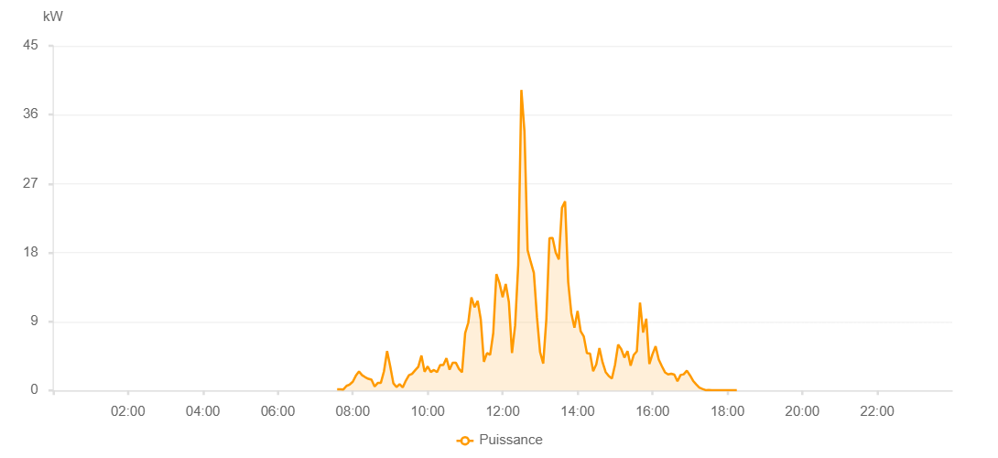

Number | Time | Working State | PV(W) | Instantaneous Radiation(W/㎡)
1 | 07:35:00 | Online | 150.00000 | 0
2 | 07:40:00 | Online | 150.00000 | 0
3 | 07:45:00 | Online | 130.00000 | 1.00000
4 | 07:50:00 | Online | 600.00000 | 3.00000
5 | 07:55:00 | Online | 770.00000 | 5.00000
6 | 08:00:00 | Online | 1130.00000 | 13.00000
7 | 08:05:00 | Online | 1930.00000 | 12.00000
8 | 08:10:00 | Online | 2470.00000 | 17.00000
9 | 08:15:00 | Online | 1990.00000 | 18.00000
10 | 08:20:00 | Online | 1730.00000 | 12.00000
11 | 08:25:00 | Online | 1520.00000 | 6.00000
12 | 08:30:00 | Online | 1400.00000 | 9.00000
13 | 08:35:00 | Online | 520.00000 | 5.00000
14 | 08:40:00 | Online | 980.00000 | 3.00000
15 | 08:45:00 | Online | 1000.00000 | 11.00000
16 | 08:50:00 | Online | 2510.00000 | 10.00000
17 | 08:55:00 | Online | 5150.00000 | 28.00000
18 | 09:00:00 | Online | 3150.00000 | 55.00000
19 | 09:05:00 | Online | 940.00000 | 27.00000
20 | 09:10:00 | Online | 440.00000 | 4.00000
21 | 09:15:00 | Online | 820.00000 | 10.00000
22 | 09:20:00 | Online | 400.00000 | 2.00000
23 | 09:25:00 | Online | 1280.00000 | 11.00000
24 | 09:30:00 | Online | 1980.00000 | 20.00000
25 | 09:35:00 | Online | 2170.00000 | 24.00000
26 | 09:40:00 | Online | 2640.00000 | 21.00000
27 | 09:45:00 | Online | 3090.00000 | 20.00000
28 | 09:50:00 | Online | 4560.00000 | 43.00000
29 | 09:55:00 | Online | 2450.00000 | 15.00000
30 | 10:00:00 | Online | 3140.00000 | 28.00000
31 | 10:05:00 | Online | 2410.00000 | 20.00000
32 | 10:10:00 | Online | 2670.00000 | 29.00000
33 | 10:15:00 | Online | 2400.00000 | 18.00000
34 | 10:20:00 | Online | 3320.00000 | 37.00000
35 | 10:25:00 | Online | 3320.00000 | 38.00000
36 | 10:30:00 | Online | 4220.00000 | 48.00000
37 | 10:35:00 | Online | 2710.00000 | 45.00000
38 | 10:40:00 | Online | 3630.00000 | 36.00000
39 | 10:45:00 | Online | 3630.00000 | 45.00000
40 | 10:50:00 | Online | 2830.00000 | 26.00000
41 | 10:55:00 | Online | 2360.00000 | 21.00000
42 | 11:00:00 | Online | 7480.00000 | 28.00000
43 | 11:05:00 | Online | 8850.00000 | 67.00000
44 | 11:10:00 | Online | 12140.00000 | 63.00000
45 | 11:15:00 | Online | 10870.00000 | 112.00000
46 | 11:20:00 | Online | 11690.00000 | 94.00000
47 | 11:25:00 | Online | 9260.00000 | 71.00000
48 | 11:30:00 | Online | 3740.00000 | 37.00000
49 | 11:35:00 | Online | 4890.00000 | 45.00000
50 | 11:40:00 | Online | 4650.00000 | 47.00000
51 | 11:45:00 | Online | 7500.00000 | 66.00000
52 | 11:50:00 | Online | 15190.00000 | 109.00000
53 | 11:55:00 | Online | 14010.00000 | 151.00000
54 | 12:00:00 | Online | 12180.00000 | 94.00000
55 | 12:05:00 | Online | 13910.00000 | 87.00000
56 | 12:10:00 | Online | 11540.00000 | 96.00000
57 | 12:15:00 | Online | 4890.00000 | 39.00000
58 | 12:20:00 | Online | 8470.00000 | 89.00000
59 | 12:25:00 | Online | 16410.00000 | 129.00000
60 | 12:30:00 | Online | 39240.00000 | 301.00000
61 | 12:35:00 | Online | 33770.00000 | 343.00000
62 | 12:40:00 | Online | 18320.00000 | 157.00000
63 | 12:45:00 | Online | 16780.00000 | 132.00000
64 | 12:50:00 | Online | 15350.00000 | 129.00000
65 | 12:55:00 | Online | 9580.00000 | 86.00000
66 | 13:00:00 | Online | 4990.00000 | 61.00000
67 | 13:05:00 | Online | 3510.00000 | 31.00000
68 | 13:10:00 | Online | 9290.00000 | 34.00000
69 | 13:15:00 | Online | 19880.00000 | 181.00000
70 | 13:20:00 | Online | 19920.00000 | 221.00000
71 | 13:25:00 | Online | 18000.00000 | 175.00000
72 | 13:30:00 | Online | 17120.00000 | 168.00000
73 | 13:35:00 | Online | 23850.00000 | 151.00000
74 | 13:40:00 | Online | 24690.00000 | 227.00000
75 | 13:45:00 | Online | 14160.00000 | 155.00000
76 | 13:50:00 | Online | 10080.00000 | 86.00000
77 | 13:55:00 | Online | 8200.00000 | 74.00000
78 | 14:00:00 | Online | 10380.00000 | 117.00000
79 | 14:05:00 | Online | 7720.00000 | 66.00000
80 | 14:10:00 | Online | 7030.00000 | 68.00000
81 | 14:15:00 | Online | 4860.00000 | 30.00000
82 | 14:20:00 | Online | 4820.00000 | 36.00000
83 | 14:25:00 | Online | 2510.00000 | 26.00000
84 | 14:30:00 | Online | 3410.00000 | 28.00000
85 | 14:35:00 | Online | 5530.00000 | 37.00000
86 | 14:40:00 | Online | 3690.00000 | 37.00000
87 | 14:45:00 | Online | 2400.00000 | 25.00000
88 | 14:50:00 | Online | 1880.00000 | 21.00000
89 | 14:55:00 | Online | 1560.00000 | 10.00000
90 | 15:00:00 | Online | 3350.00000 | 15.00000
91 | 15:05:00 | Online | 5990.00000 | 52.00000
92 | 15:10:00 | Online | 5380.00000 | 56.00000
93 | 15:15:00 | Online | 4290.00000 | 33.00000
94 | 15:20:00 | Online | 5130.00000 | 57.00000
95 | 15:25:00 | Online | 3240.00000 | 37.00000
96 | 15:30:00 | Online | 4640.00000 | 41.00000
97 | 15:35:00 | Online | 5120.00000 | 61.00000
98 | 15:40:00 | Online | 11460.00000 | 85.00000
99 | 15:45:00 | Online | 7560.00000 | 45.00000
100 | 15:50:00 | Online | 9370.00000 | 61.00000
101 | 15:55:00 | Online | 3440.00000 | 22.00000
102 | 16:00:00 | Online | 4740.00000 | 38.00000
103 | 16:05:00 | Online | 5780.00000 | 47.00000
104 | 16:10:00 | Online | 4040.00000 | 41.00000
105 | 16:15:00 | Online | 3170.00000 | 25.00000
106 | 16:20:00 | Online | 2370.00000 | 11.00000
107 | 16:25:00 | Online | 2100.00000 | 6.00000
108 | 16:30:00 | Online | 2180.00000 | 6.00000
109 | 16:35:00 | Online | 2060.00000 | 7.00000
110 | 16:40:00 | Online | 1190.00000 | 9.00000
111 | 16:45:00 | Online | 2020.00000 | 17.00000
112 | 16:50:00 | Online | 2110.00000 | 19.00000
113 | 16:55:00 | Online | 2590.00000 | 22.00000
114 | 17:00:00 | Online | 1980.00000 | 16.00000
115 | 17:05:00 | Online | 1260.00000 | 10.00000
116 | 17:10:00 | Online | 790.00000 | 9.00000
117 | 17:15:00 | Online | 380.00000 | 6.00000
118 | 17:20:00 | Online | 200.00000 | 2.00000
119 | 17:25:00 | Online | 40.00000 | 0
120 | 17:30:00 | Online | 50.00000 | 0
121 | 17:35:00 | Online | 40.00000 | 0
122 | 17:40:00 | Online | 40.00000 | 0
123 | 17:45:00 | Online | 40.00000 | 0
124 | 17:50:00 | Online | 40.00000 | 0
125 | 17:55:00 | Online | 40.00000 | 0
126 | 18:00:00 | Online | 40.00000 | 0
127 | 18:05:00 | Online | 40.00000 | 0
128 | 18:10:00 | Online | 40.00000 | 0
129 | 18:15:00 | Online | 40.00000 | 0
130 | 18:35:00 | Online | 0.00001 | 0.00001

