Sheet1
Step | Teststep | Testdata | Expected | Actual | Status | Screenshot
1 | login credentials(invalid) | Invalid username, invalid password | error | error | fail | 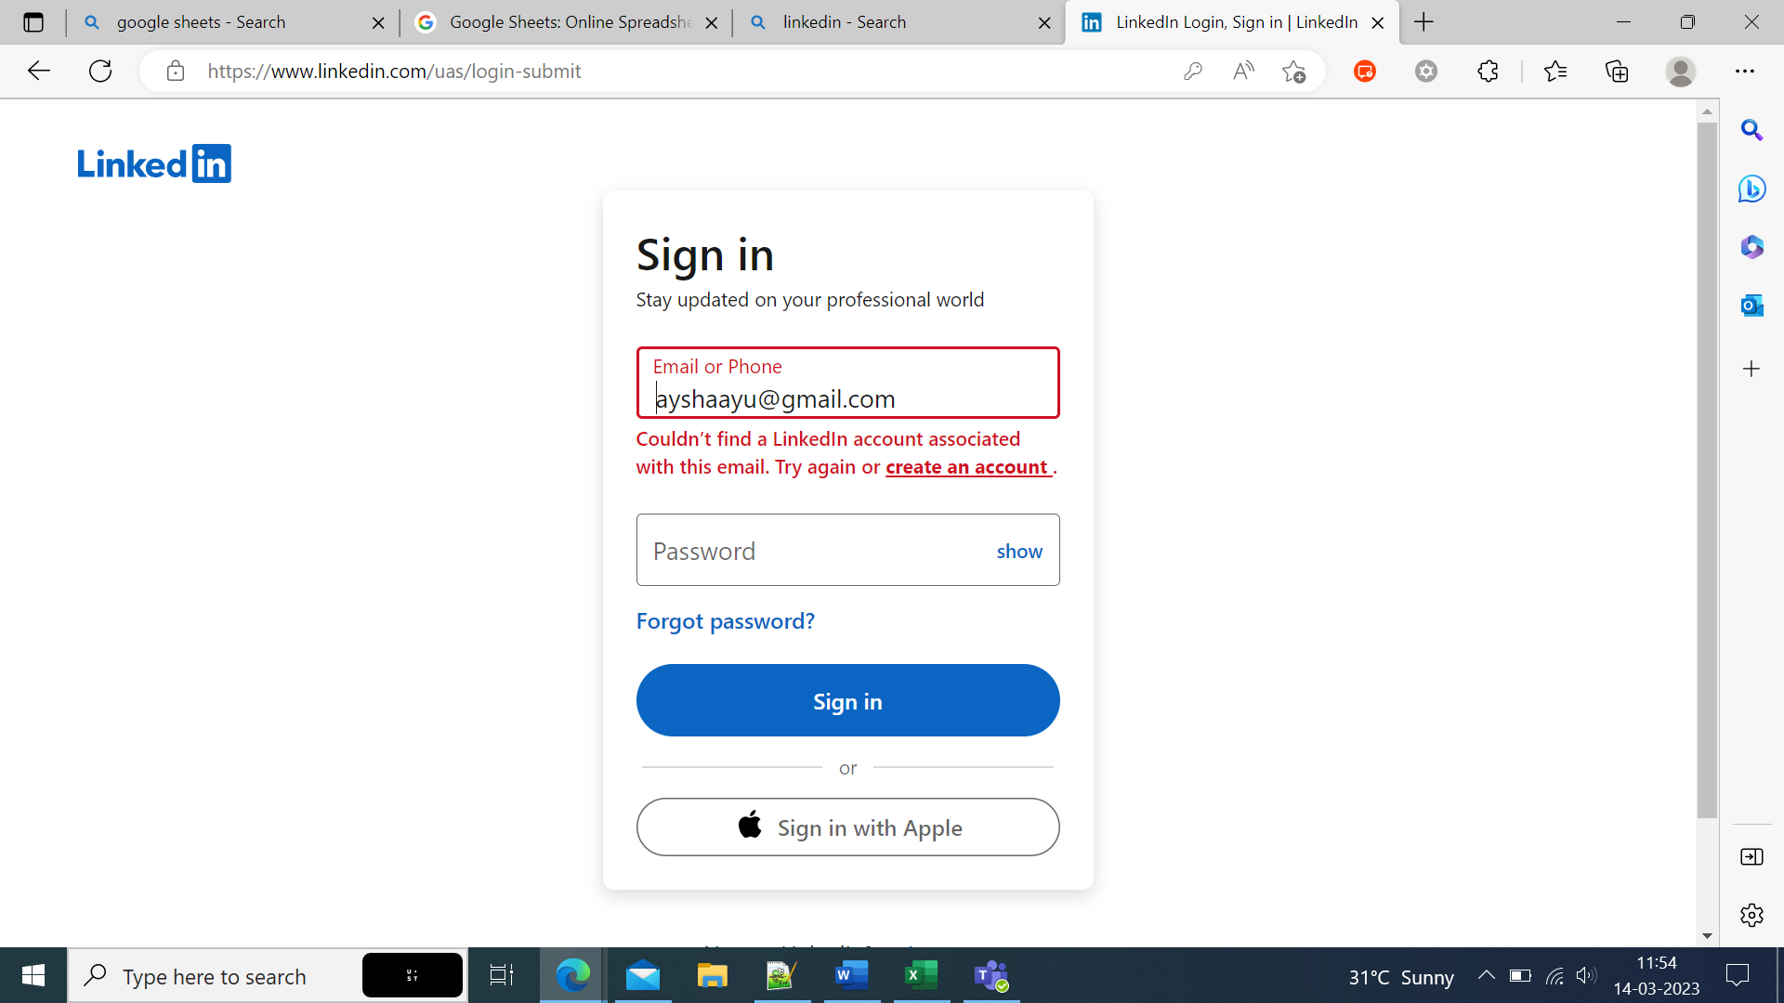
2 | login credentials(invalid) | Invalid username, valid password | error | error | fail | 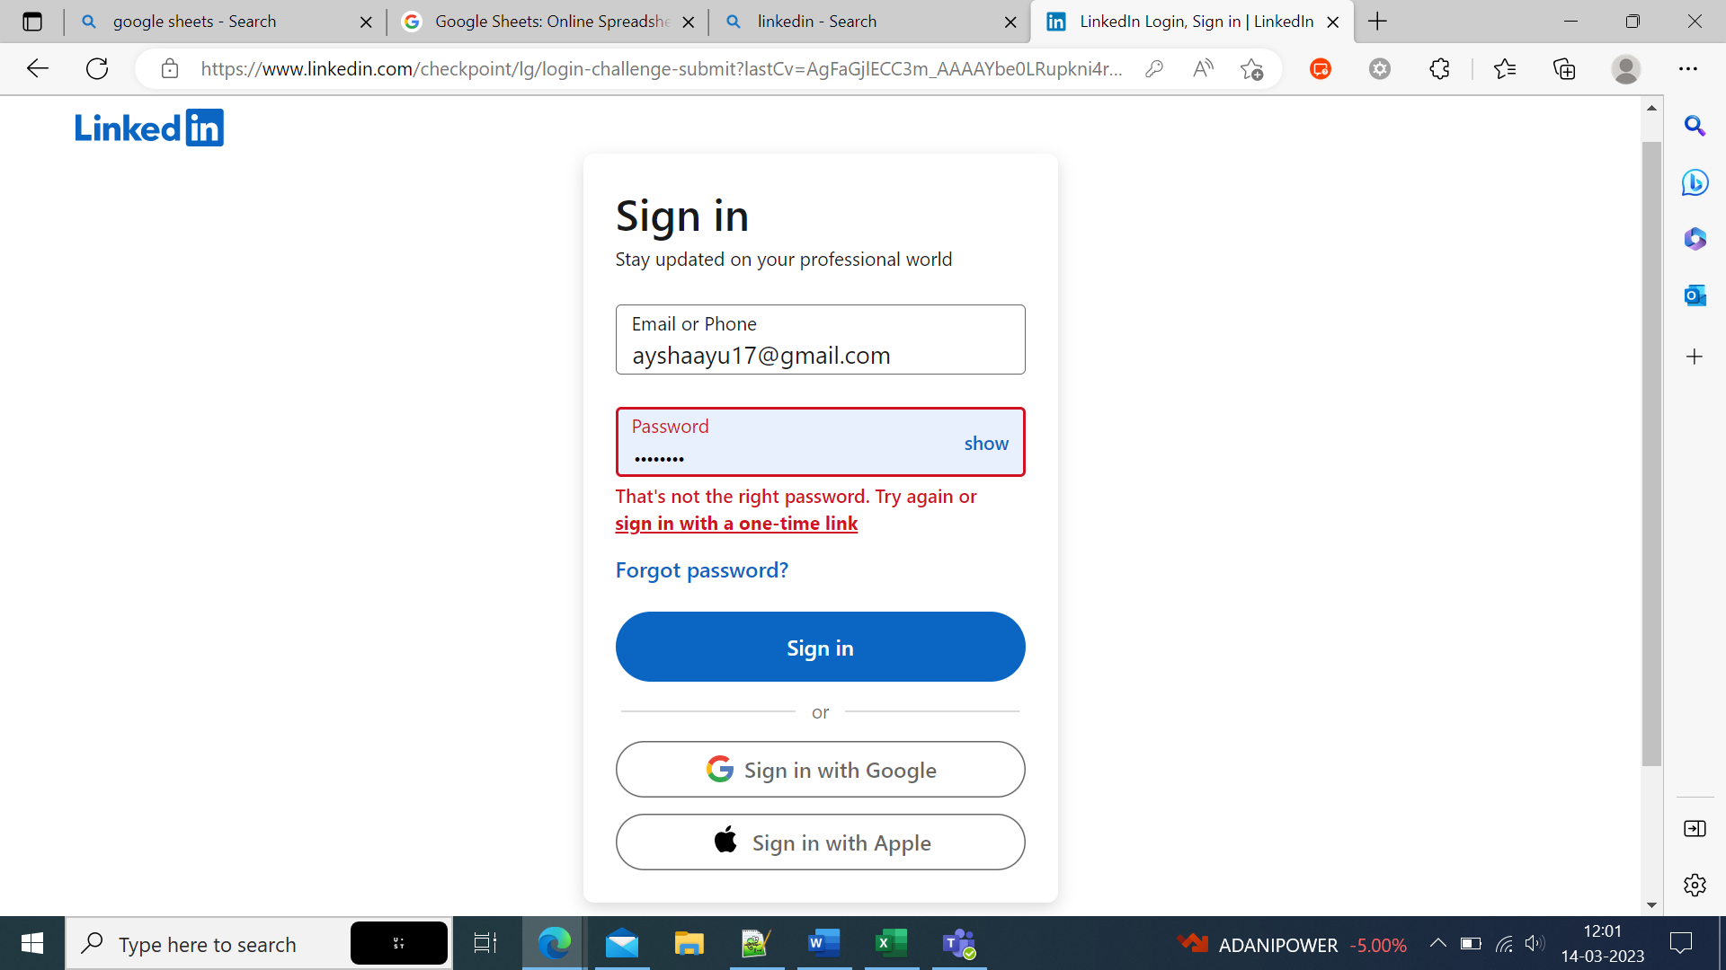
3 | login credentials(invalid) | valid username, Invalid password | error | error | fail | 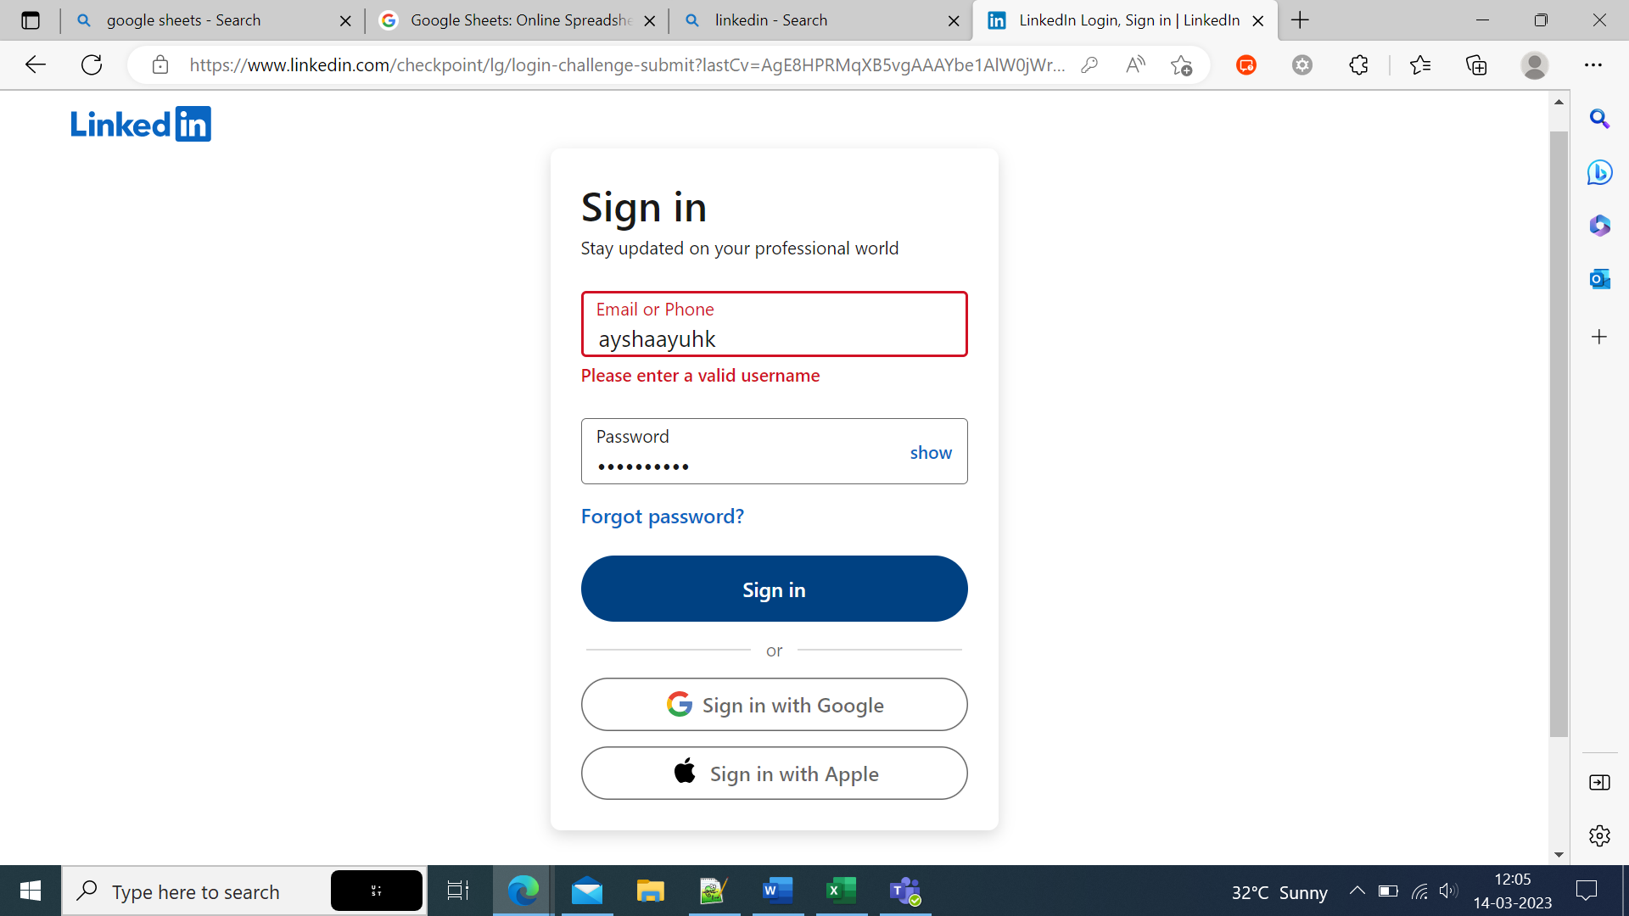
4 | login credentials(valid) | valid username, valid password | success | success | pass | 

