Sheet1
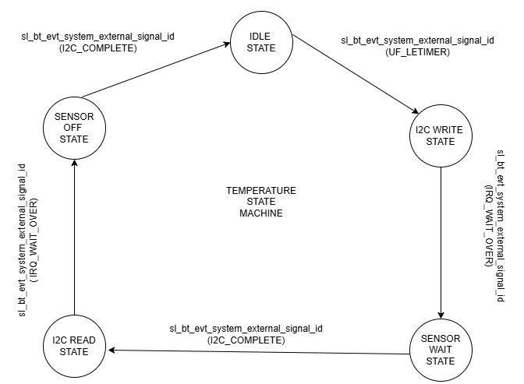
 | Client Command Table for A8

 | Use this table to help you design your program. Add rows as needed. | Use this column to describe when and what your LCD display changes to for rows like DISPLAY_ROW_CONNECTION | Use this column to denote if BT stack events cause your state machine to advance, you can put an X in the cell to note this. Drawing a bubble diagram of your state machine might also be a good idea 👍.
 | Event | LCD Display State | Advances State Machine | Commands called in response to event | Notes
Events Common to Slaves/Clients
 | sl_bt_evt_system_boot_id | Advertising-Server |  | sl_bt_system_get_identity_address() | This event is generated on stack boot up
 |  |  |  | sl_bt_sm_configure()
 |  | Display BT address and assignment number | BLE address
 |  |  |  |  | This function configures the security manager requirements and io capabilities
 |  |  |  | sl_bt_sm_delete_bondings() | Delete the bondings
 |  |  |  | sl_bt_advertiser_create_set() | Create advertising data
 |  |  |  | sl_bt_advertiser_set_timing()
 |  |  |  | sl_bt_legacy_advertiser_generate_data()
 |  |  |  | sl_bt_legacy_advertiser_start() | Start advertising

 | sl_bt_evt_connection_opened_id | Connected - Server |  | sl_bt_advertiser_stop() | This event indicates that a new connection was opened.
 |  |  | Save connection Handle | sl_bt_connection_set_parameters() | Stop advertising and set the connection parameters

 | sl_bt_evt_connection_closed_id | Advertising-Server |  | sl_bt_sm_delete_bondings() | This event indicates that a connection was closed.
 |  | Clear Temperature |  | sl_bt_legacy_advertiser_generate_data () | Delete the bondings and start advertising again
 |  |  |  | sl_bt_legacy_advertiser_start()

 | sl_bt_evt_system_soft_timer_id |  |  | displayupdate() | refresh the display to avoid charge accumalation

Events only for Masters /Clients
 | sl_bt_evt_connection_parameters_id |  |  | Triggered whenever the connection parameters are changed and at any time a connection is established

 | sl_bt_evt_gatt_server_characteristic_status_id |  |  |  | Indicates either:A local Client Characteristic Configuration descriptor (CCCD) was changed by the remote GATT client, or that a confirmation from the remote GATT Client was received upon a successful reception of the indication I.e. we sent an indication from our server to the client with sl_bt_gatt_server_send_indication()
 |  |  |  | sl_bt_gatt_server_send_indication() | Send indications to the client if the characterictics are enabled
 | sl_bt_evt_system_external_signal_id | Button Pressed/Released --Server | X |  | This event indicates that an external signal has been received
 |  | Clear passkey and action |  | sl_bt_sm_passkey_confirm() | The passkey confirm function is called if the external PB0 button press triggers this event.This function is called to accept or reject the passkey displayed

 | sl_bt_evt_sm_confirm_passkey_id | Display Passkey and Confirm with PB0--server |  |  | The event indicates a request for passkey display and confirmation by the user.This function displays the passkey

 | sl_bt_evt_sm_confirm_bonding_id
 |  |  |  | sl_bt_sm_bonding_confirm() | This event indicates that a new bonding request is received. This function can be called to accept or reject the bonding
 | sl_bt_evt_sm_bonded_id | Bonded--Server ;clear passkey and action |  |  | This event is trigerred when a pairing or bonding is successful.Set bonding handle to 1
 | sl_bt_evt_sm_bonding_failed_id | Bonding failed--Server |  |  | This event is trigerred when a pairing or bonding failed.Set bonding handle to 0

 | sl_bt_evt_gatt_server_indication_timeout_id |  |  |  | Possible event from calling sl_bt_gatt_server_send_indication() - i.e. we never received a confirmation for a previously transmitted indication.

