Funnel Metrics
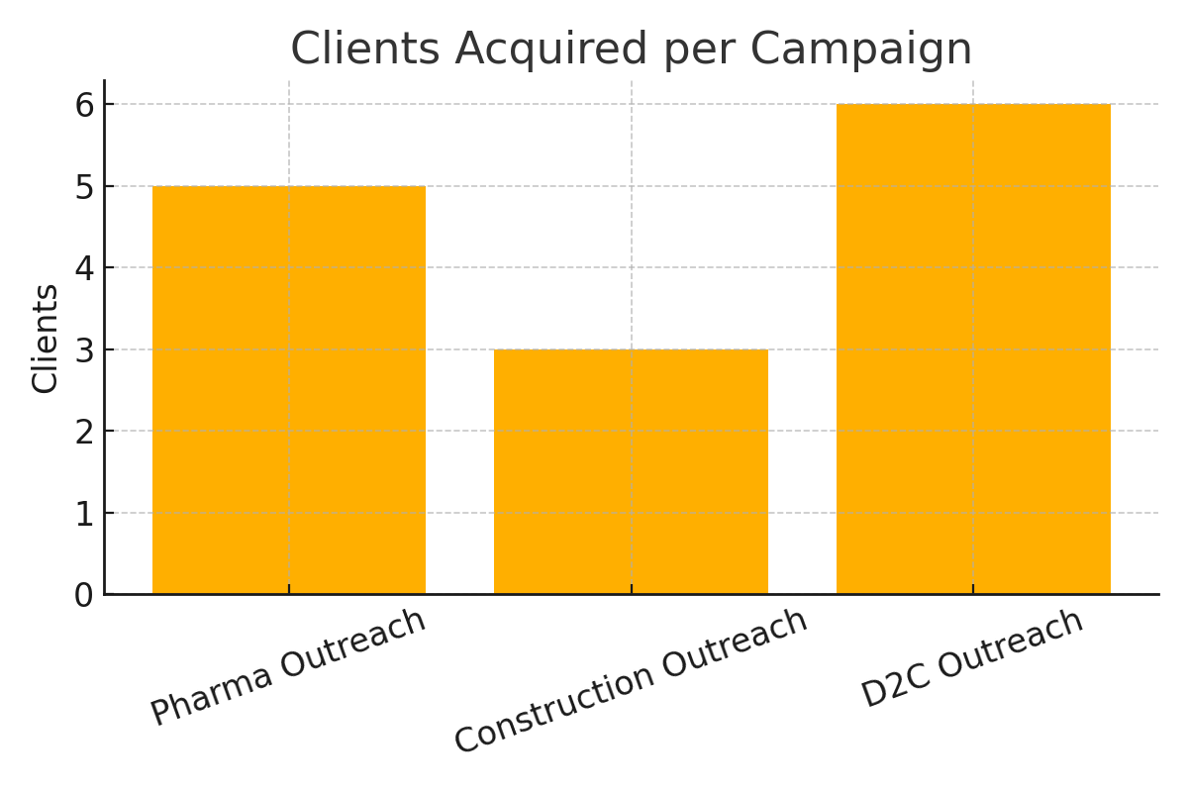
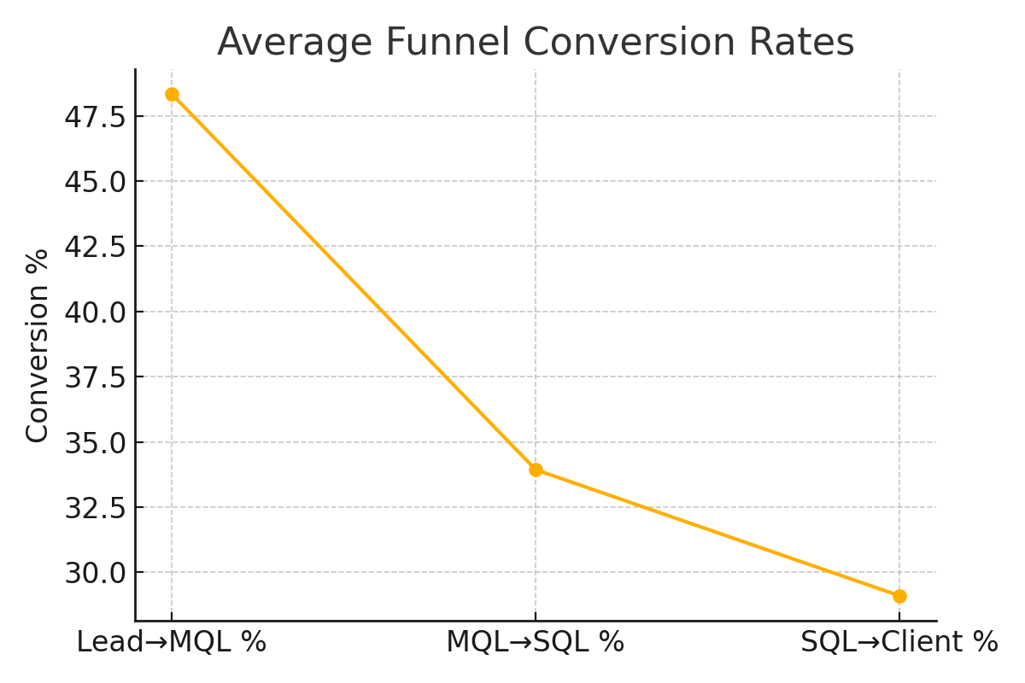
Campaign | Leads | MQLs | SQLs | Clients | Lead→MQL % | MQL→SQL % | SQL→Client %
Pharma Outreach | 100 | 60 | 15 | 5 | 60 | 25 | 33.3
Construction Outreach | 120 | 70 | 10 | 3 | 58.3 | 14.3 | 30
D2C Outreach | 150 | 40 | 25 | 6 | 26.7 | 62.5 | 24

