Sheet1
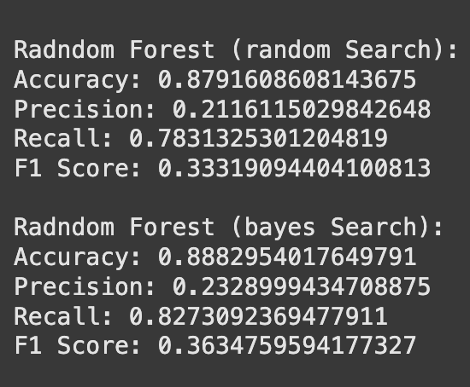
Changing Parameters for Hypertuning |  |  |  |  |  |  |  | Changing Parameters for Hypertuning
Mdoel Name |  | Hyperparameter
 |  | min_samples_leaf | max_depth | criterion | min_samples_split | max_features | Accuarcy |  | min_samples_leaf | max_depth | 'n_estimators' | max_features | Accuarcy
Original Decision tree |  | range(10,300,10) | range(5,30,2) | ['gini','entropy'] |  |  | 0.769624 | Original Random Forest | range(10,100,10) | range(5,30,2 | [20,30,40] | [5,30,2] | 0.807091
Change Decision Tree |  | range(1, 50, 5) | range(1, 20, 2) | ['gini','entropy'] | range(2, 10, 2) | ['sqrt', 'log2', None] | 0.848583 | Changed Random Forest | range(20,200,20) | range(10,40,8) | [20,30,40] | [5,30,2] | 0.79277

 |  |  |  |  |  |  |  |  | Model created by best parameters and their comparison using accuracy and precison score

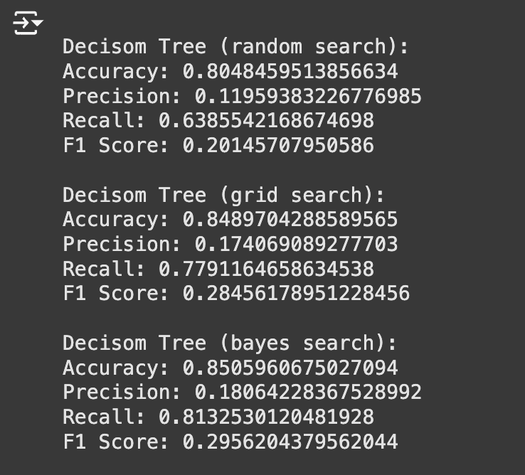

Model Name |  |  | Best Parameter
 |  | Criterion | max_depth | max_features | min_samples_leaf | min_sample-split | CV-Accuracy | Accuracy
Decision Tree | Grid Search | entropy | 19 | None | 1 | 4 | 0.873 | 0.85167
 | Bayes Search | entropy | 19 | Nome | 1 | 4 | 0.87355 | 0.8498

Random Forest | Randomized | entropy | 13 | None | 21 | 8 | 0.8058 | 0.8054
 | Bayes Search | entropy | 19 | None | 1 | 2 | 0.87355 | 0.8498

