Price screenshots
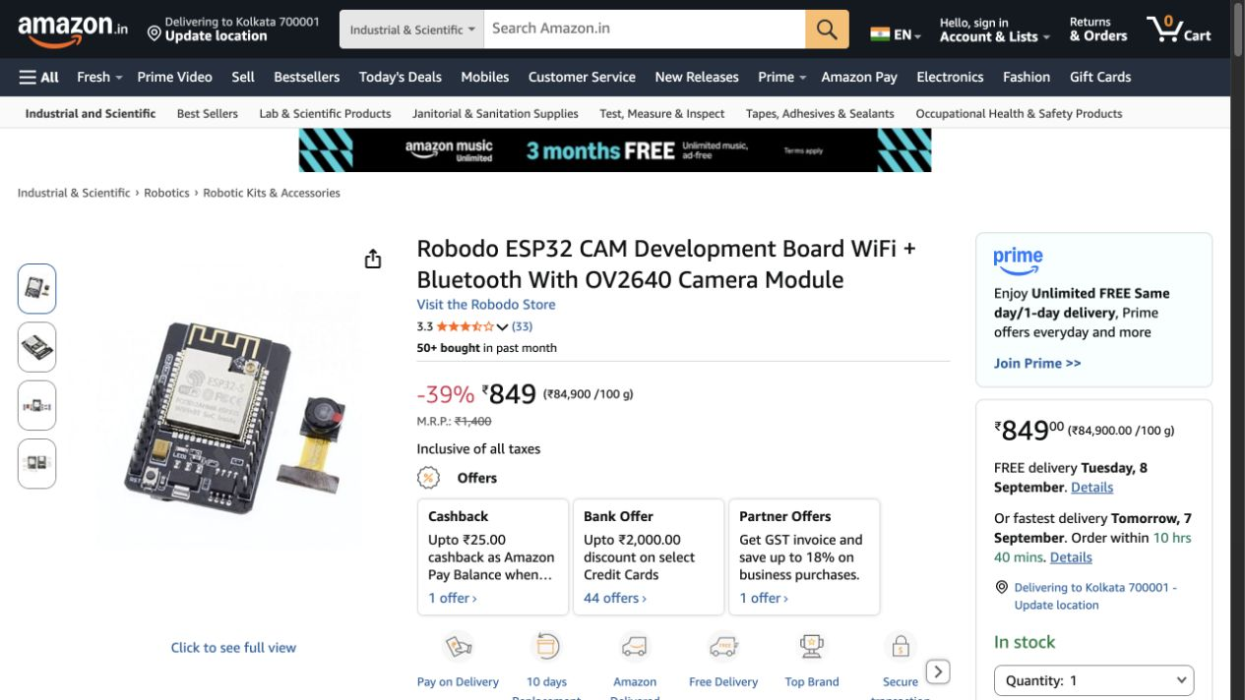
Amazon product and price screenshots
Captured 5–6 September 2026. See Shopping list for quantities, differences and source URLs.

1. KITS GURU MY1016Z3 24V 350W geared motor — INR 5,199 / pack
https://www.amazon.in/dp/B01MV8VAJD
300 rpm geared output specified; ₹85 delivery shown, excluded from subtotal.

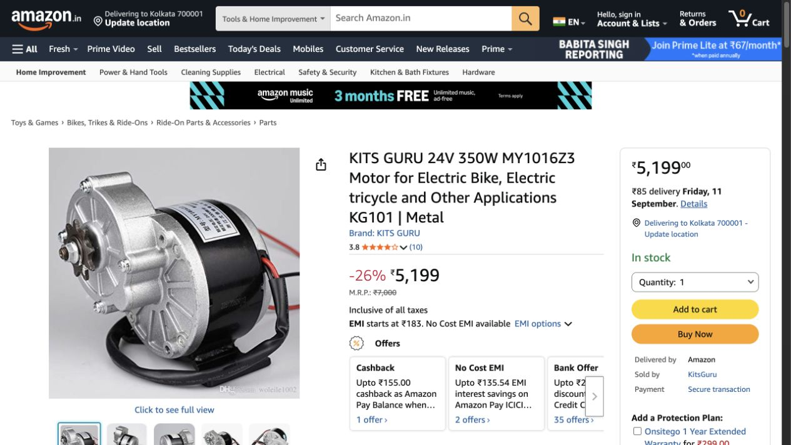

2. KITS GURU Double BTS7960B H-bridge module — INR 377 / pack
https://www.amazon.in/dp/B071JDM8RK
One module per motor; 43 A is advertised peak, not verified continuous current. ₹85 delivery shown.

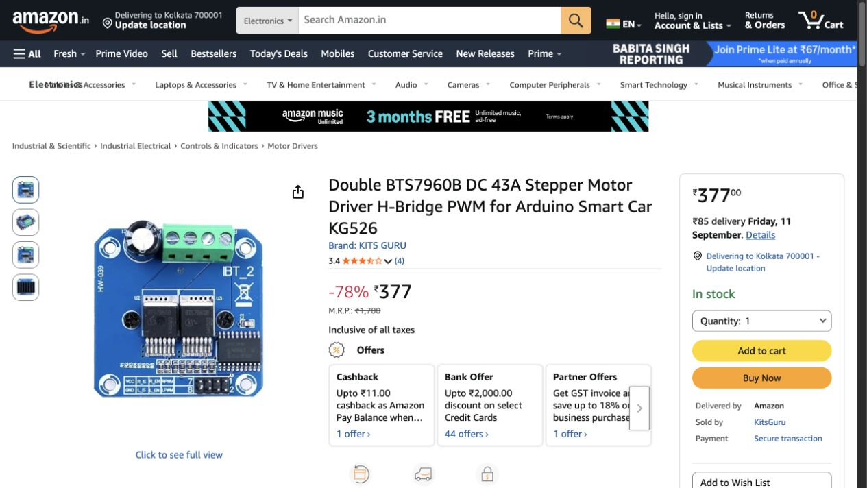

3. xcluma AS5600 12-bit magnetic encoder — INR 293 / pack
https://www.amazon.in/dp/B0B8CMY3HP
AS5600 matches the requested sensor family; check magnet inclusion.

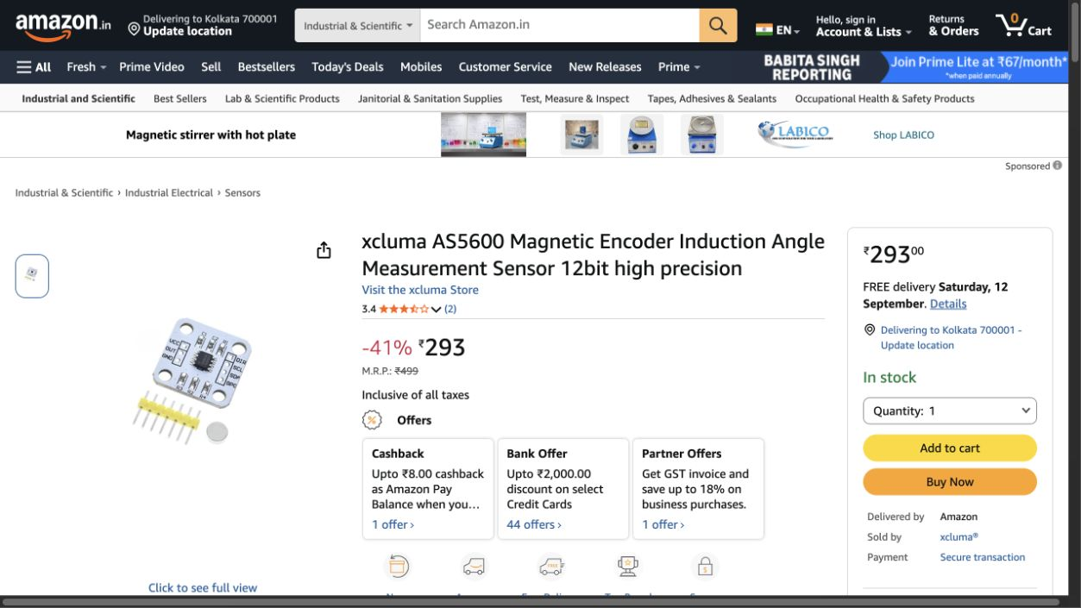

4. SPOINKKY MPU-6050 gyroscope and accelerometer module — INR 249 / pack
https://www.amazon.in/dp/B09Q3BNY63
Same MPU6050 sensor family; use multiplexer for three modules.

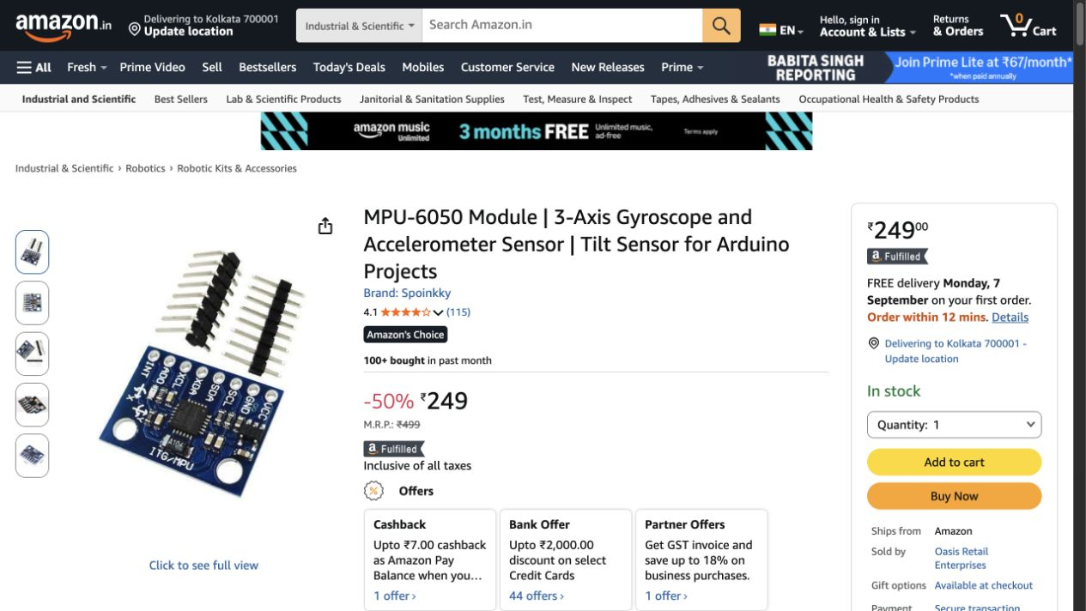

5. ROBOWAY FSR402 circular pressure sensor, pack of 4 — INR 810 / pack
https://www.amazon.in/dp/B0D11RQPY3?th=1
One pack supplies all four requested foot sensors.

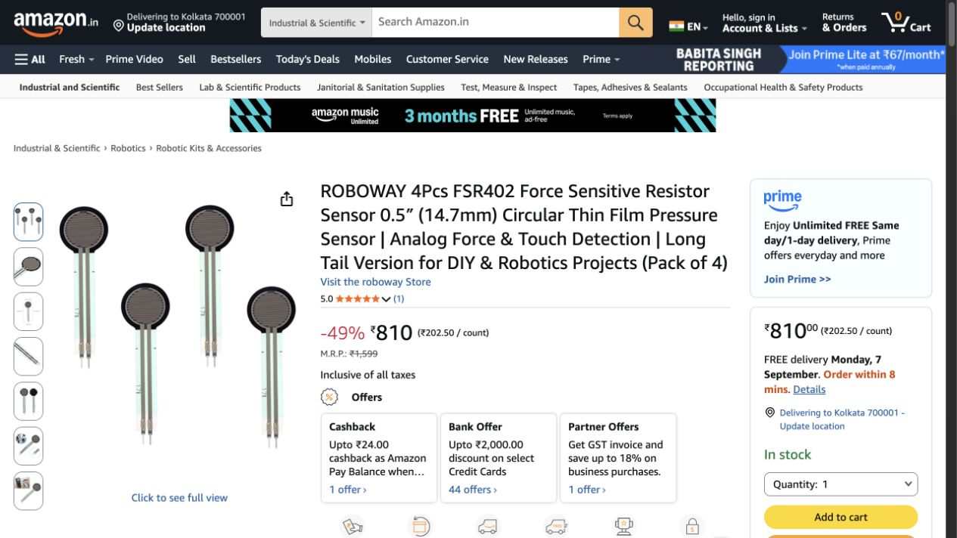

6. Robocraze ADS1115 16-bit 4-channel ADC, pack of 1 — INR 339 / pack
https://www.amazon.in/dp/B077QXWCW1?th=1
Matches 16-bit, 4-channel I2C ADC specification.

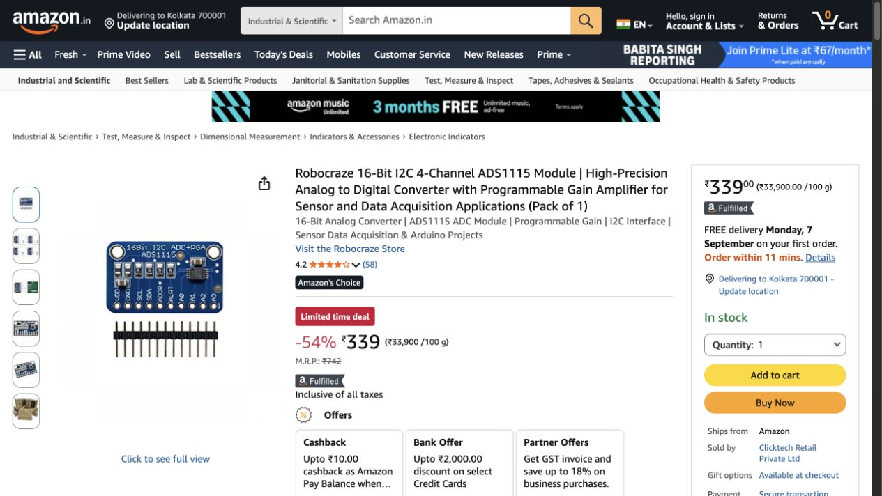

7. TRIDEV TRADERS 24V 41A 1000W SMPS — INR 6,999 / pack
https://www.amazon.in/dp/B0BR87VXHJ
Close equivalent: 41 A advertised versus required 40 A; verify real sustained output under motor load.

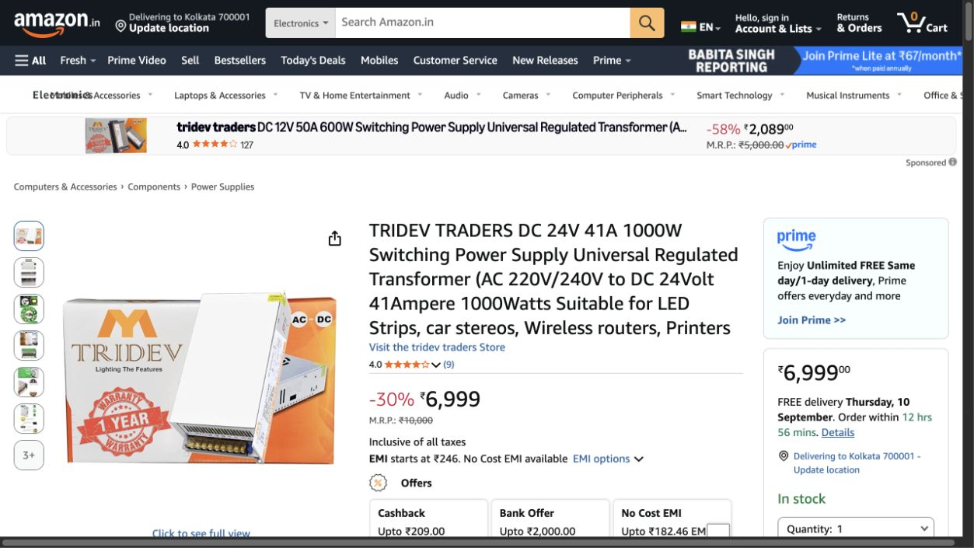

8. Yokins EB2M-A-11-ZS emergency stop, 1NO + 1NC — INR 299 / pack
https://www.amazon.in/dp/B0FT16TQNR?th=1
Matches requested contact arrangement; operates contactor coil rather than carrying motor current.

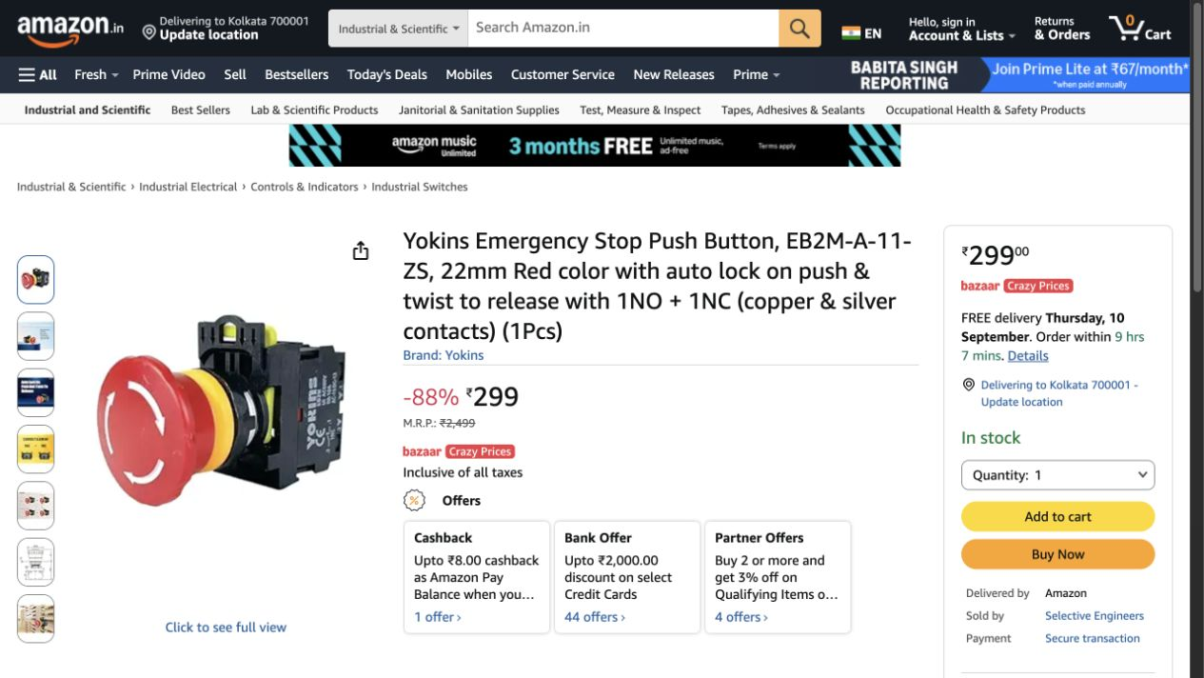

9. OLEIO inline DC fuse holder + 60A blade fuse, 8AWG — INR 599 / pack
https://www.amazon.in/dp/B0F3J6JVM3
Close reference kit; included 60 A fuse is provisional. Select final fuse from measured current and wire rating; verify DC voltage rating.

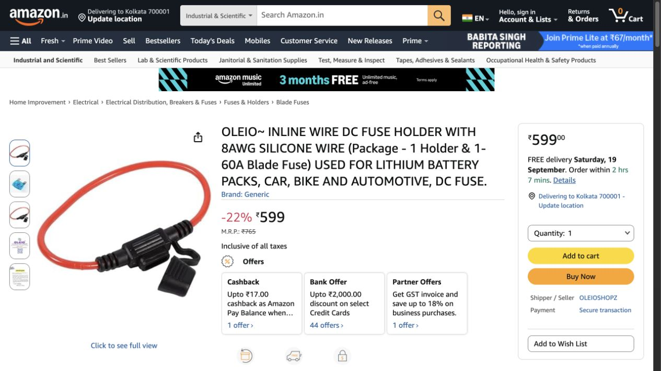

10. xcluma XY-3606 24V/12V to 5V 5A buck converter — INR 275 / pack
https://www.amazon.in/dp/B0FVSHBGV6
Matches nominal input/output; measure output voltage and thermal performance before connecting electronics.

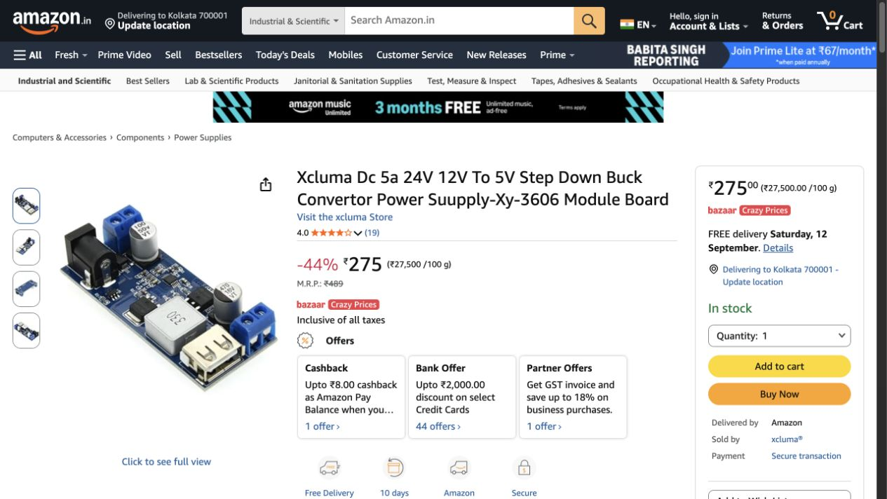

11. Serplex 20T/60T GT2 pulley + 200mm belt kit — INR 591 / pack
https://www.amazon.in/dp/B0CQBZL3ZH?th=1
Visual/reference example only: 3:1, 5mm bore, 6mm belt. Does not provide 15:1 knee or 25:1 ankle reduction and is not a rated replacement for this motor. Excluded from procurement subtotal.

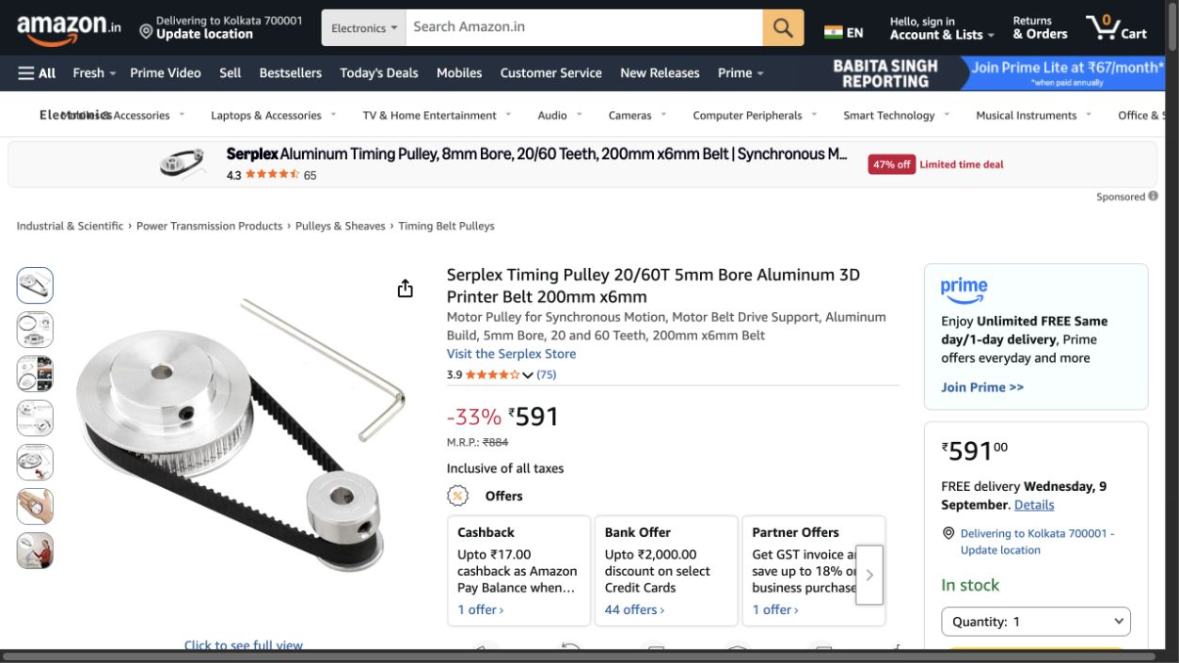

12. XT60 male/female panel-mount set with 12AWG leads — INR 397 / pack
https://www.amazon.in/dp/B0FYFH62L9
Partial wiring reference: one connector set and short leads. Additional motor/signal wire, ferrules, heat-shrink and ties are not included. Final wire sizing required.

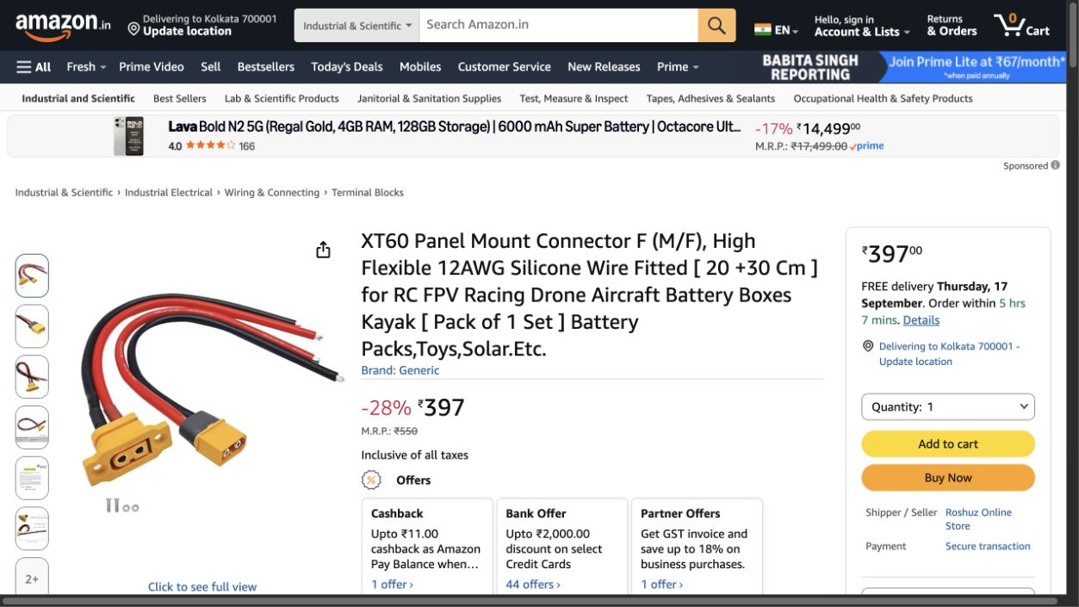

13. xcluma TCA9548A 8-channel I2C expansion board — INR 247 / pack
https://www.amazon.in/dp/B0B2PCPD8Z
Matches requested TCA9548A 8-channel multiplexer.

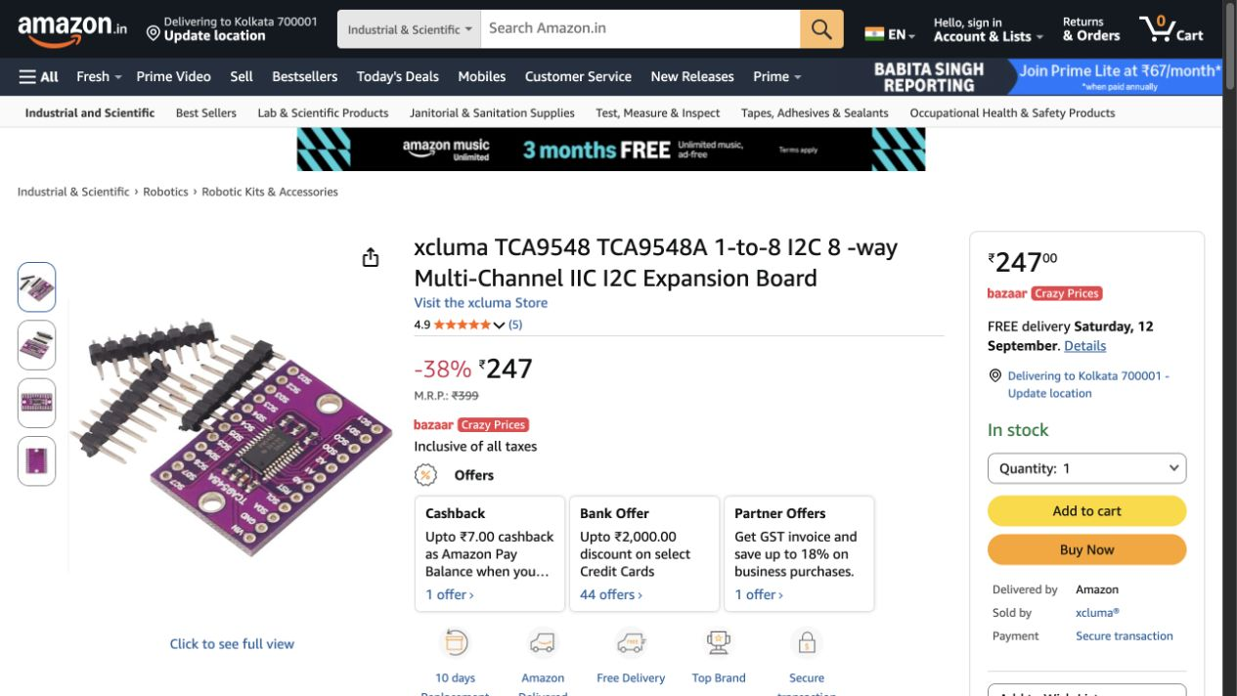

14. CLUB BOLLYWOOD 24V DC 4-pin automotive relay, advertised 100A — INR 1,680 / pack
https://www.amazon.in/dp/B0BYNM8F26
Close budget equivalent to contactor/relay row; 24 V coil and 100 A advertised. Confirm continuous duty and DC inductive-load breaking rating before using as power cut.

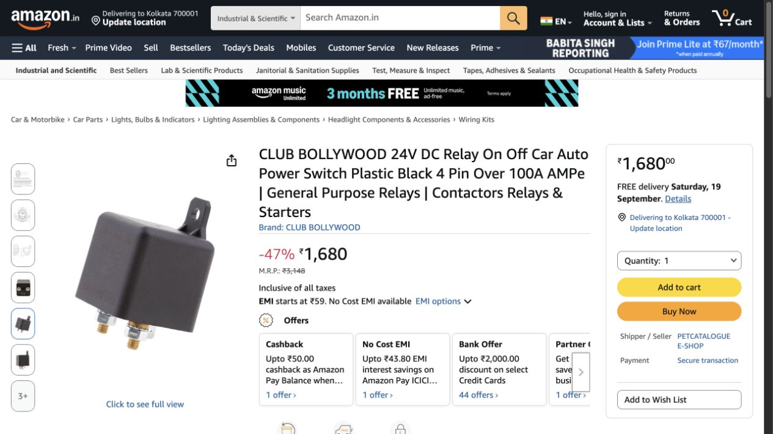

15. Robocraze ESP32 NodeMCU 30 Pin WiFi Bluetooth Development Board — INR 549 / pack
https://www.amazon.in/dp/B0D6GDV77P
Close match for ESP32 DevKit / ESP32-WROOM-32: 30-pin NodeMCU board with WiFi, Bluetooth and CP2102 USB interface.

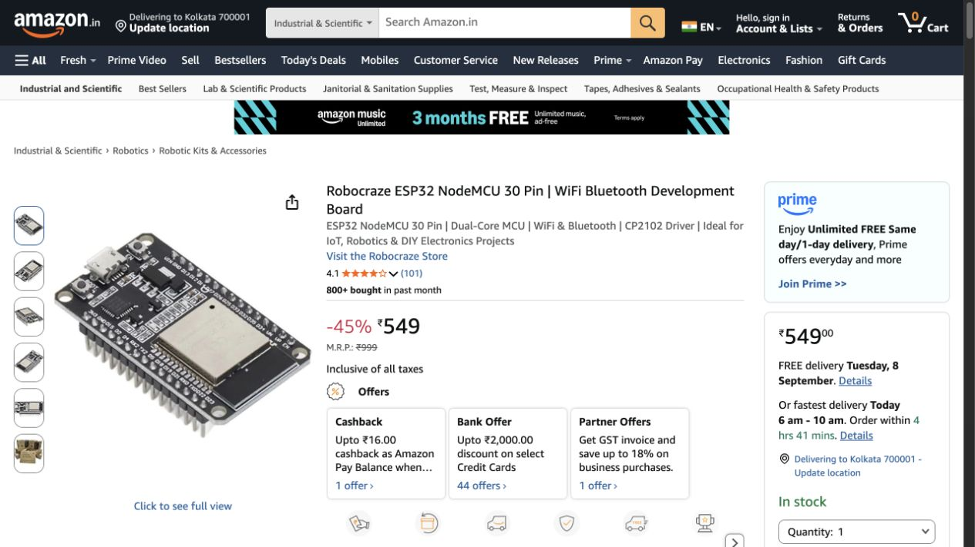

16. Robodo ESP32-CAM WiFi + Bluetooth Board with OV2640 Camera — INR 849 / pack
https://www.amazon.in/dp/B0D8TJRWZ5
Matches the requested ESP32-CAM board and includes an OV2640 camera module.

