DNA Test kit boxes
Uniform | Test validity | Refresh button
0.9658563808 | ❌INVALID | FALSE
0.36982205611 | ✅VALID
0.21396675655 | ✅VALID
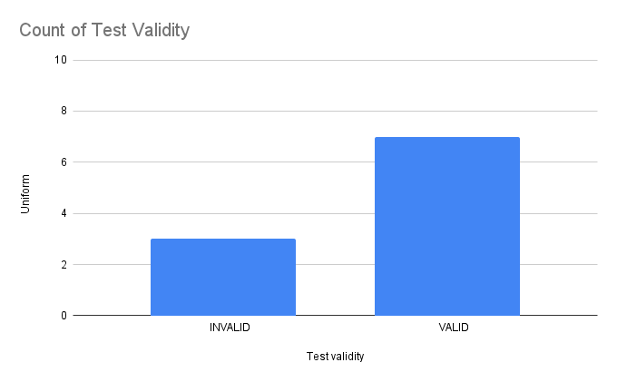
0.84032664334 | ❌INVALID
0.67842884442 | ✅VALID
0.9203324011 | ❌INVALID
0.030935723348 | ✅VALID
0.67290960436 | ✅VALID
0.42390628153 | ✅VALID
0.33156870787 | ✅VALID

Subscribers
Uniform | Subscriber outcome | Refresh button
0.01354415765 | ⚫️ Basic | FALSE
0.10015878966 | ⚫️ Basic
0.27150673828 | ⚫️ Basic
0.53974951616 | ❌ Canceled
0.41248049168 | 💎 Premium
0.54563352194 | ❌ Canceled
0.72801925421 | ❌ Canceled
0.61428460954 | ❌ Canceled
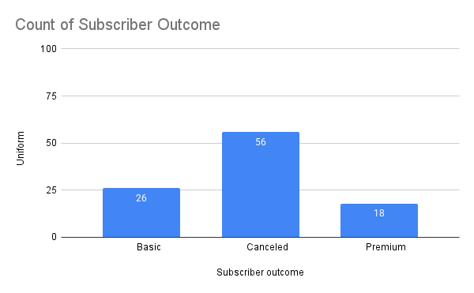
0.6023700176 | ❌ Canceled
0.25072186089 | ⚫️ Basic
0.41945777773 | 💎 Premium
0.56582937948 | ❌ Canceled
0.07417518975 | ⚫️ Basic
0.56393808513 | ❌ Canceled
0.0010615652 | ⚫️ Basic
0.99278710707 | ❌ Canceled
0.41292571463 | 💎 Premium
0.91163105315 | ❌ Canceled
0.36773553315 | 💎 Premium
0.30979330356 | 💎 Premium
0.74186482345 | ❌ Canceled
0.38538785977 | 💎 Premium
0.52237026536 | ❌ Canceled
0.75838157087 | ❌ Canceled
0.58431733384 | ❌ Canceled
0.55789687084 | ❌ Canceled
0.2883519418 | ⚫️ Basic
0.18305016951 | ⚫️ Basic
0.51892033526 | ❌ Canceled
0.61018645767 | ❌ Canceled
0.83809388981 | ❌ Canceled
0.50574366546 | ❌ Canceled
0.11030261694 | ⚫️ Basic
0.52991328608 | ❌ Canceled
0.56899288039 | ❌ Canceled
0.086645800745 | ⚫️ Basic
0.85999448019 | ❌ Canceled
0.22338219334 | ⚫️ Basic
0.074032711474 | ⚫️ Basic
0.32031375332 | 💎 Premium
0.34129457903 | 💎 Premium
0.87323752587 | ❌ Canceled
0.82632849197 | ❌ Canceled
0.88356548031 | ❌ Canceled
0.2570160167 | ⚫️ Basic
0.76927299912 | ❌ Canceled
0.72522492211 | ❌ Canceled
0.025165986719 | ⚫️ Basic
0.89047901807 | ❌ Canceled
0.14156586796 | ⚫️ Basic
0.83613276852 | ❌ Canceled
0.16723989893 | ⚫️ Basic
0.30781317174 | 💎 Premium
0.23314813972 | ⚫️ Basic
0.49710728711 | 💎 Premium
0.87447159535 | ❌ Canceled
0.71357692688 | ❌ Canceled
0.96368620798 | ❌ Canceled
0.46224337005 | 💎 Premium
0.93953615421 | ❌ Canceled
0.56189798768 | ❌ Canceled
0.056147237033 | ⚫️ Basic
0.90528195708 | ❌ Canceled
0.93183773853 | ❌ Canceled
0.3817832383 | 💎 Premium
0.42518914759 | 💎 Premium
0.91639303744 | ❌ Canceled
0.061514694669 | ⚫️ Basic
0.78794219405 | ❌ Canceled
0.9590185209 | ❌ Canceled
0.59092037799 | ❌ Canceled
0.62180308588 | ❌ Canceled
0.81741309972 | ❌ Canceled
0.56571852254 | ❌ Canceled
0.93094391514 | ❌ Canceled
0.59023385132 | ❌ Canceled
0.5574766363 | ❌ Canceled
0.50055707758 | ❌ Canceled
0.55883569251 | ❌ Canceled
0.19277123455 | ⚫️ Basic
0.011786831893 | ⚫️ Basic
0.54254278518 | ❌ Canceled
0.67655580566 | ❌ Canceled
0.36488263452 | 💎 Premium
0.28934471827 | ⚫️ Basic
0.54650458664 | ❌ Canceled
0.79525482014 | ❌ Canceled
0.079663640962 | ⚫️ Basic
0.494885014 | 💎 Premium
0.26122833163 | ⚫️ Basic
0.50681991792 | ❌ Canceled
0.45552383362 | 💎 Premium
0.14944185345 | ⚫️ Basic
0.074691668446 | ⚫️ Basic
0.97232157145 | ❌ Canceled
0.40457280997 | 💎 Premium
0.57630478297 | ❌ Canceled
0.52419631483 | ❌ Canceled
0.86188907909 | ❌ Canceled
0.33772774685 | 💎 Premium

Male heights
uniform | height | Refresh button | Mean | Standard deviation
0.4502714337 | 171.1126732 | FALSE | 172 | 7.1
0.99220438502 | 189.17025888 |  | Sample mean | Sample standard deviation
0.19636185743 | 165.93171289 |  | 172.1768405 | 7.195983008
0.10369726311 | 163.04858819
0.62704863254 | 174.30073104
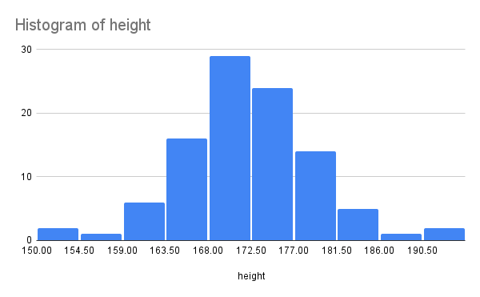
0.99794389215 | 192.37290262
0.91313584544 | 181.65828037
0.90637876548 | 181.36334231
0.44484927358 | 171.01533179
0.89035550237 | 180.72178859
0.0069424460807 | 154.53238386
0.41883964719 | 170.54547389
0.92167706074 | 182.05674442
0.54971118795 | 172.88701505
0.7808696979 | 177.50344993
0.69193516184 | 175.55953602
0.65948723941 | 174.91855523
0.91324261583 | 181.66307576
0.08375434963 | 162.20020228
0.74174882677 | 176.60609902
0.81035610549 | 178.24238621
0.75437550843 | 176.88709801
0.40714448212 | 170.33223392
0.89242396999 | 180.80060977
0.15998764218 | 164.9389884
0.1656736199 | 165.10303306
0.36835230199 | 169.61283454
0.049587731644 | 160.29306435
0.24033128841 | 166.99281522
0.62235372403 | 174.21284558
0.41568750971 | 170.48813744
0.084451942092 | 162.23228591
0.39577940843 | 170.12356267
0.33624137827 | 168.99852448
0.55778122349 | 173.0319579
0.41980772101 | 170.56306367
0.89635904356 | 180.95363079
0.84929423008 | 179.33721903
0.54098151775 | 172.73063807
0.72651377609 | 176.27635148
0.51652752589 | 172.29422557
0.46132827648 | 171.31067558
0.17712140819 | 165.42262386
0.36271107887 | 169.50632713
0.47962681628 | 171.63725947
0.1383396468 | 164.27655381
0.45853067222 | 171.2606337
0.817879127 | 178.44191633
0.30574681595 | 168.39360788
0.0058225207485 | 154.08867366
0.68798318932 | 175.48000618
0.95998267798 | 184.42844418
0.89469328851 | 180.88835131
0.39574179611 | 170.12286948
0.098341790147 | 162.83348849
0.32633926201 | 168.80468572
0.12595128348 | 163.8652429
0.68632676818 | 175.44680221
0.33998267656 | 169.0711761
0.047472166205 | 160.14389594
0.36397989356 | 169.5303307
0.85060963193 | 179.37726641
0.77365237586 | 177.33159752
0.2480950281 | 167.16847394
0.5198705209 | 172.35378321
0.71264101909 | 175.98392881
0.7222297155 | 176.18529483
0.930507884 | 182.50504819
0.73934471166 | 176.55341814
0.39957204149 | 170.19336967
0.70693635557 | 175.86564204
0.41306705966 | 170.44039723
0.36226415601 | 169.49786541
0.3733004387 | 169.70581531
0.2218592086 | 166.56190253
0.37002376991 | 169.64428822
0.53027022948 | 172.53923908
0.72713621667 | 176.28963966
0.78521878532 | 177.60857862
0.39890969341 | 170.1811913
0.70686561971 | 175.86418211
0.1409497184 | 164.35995833
0.8466372535 | 179.25703123
0.82778039573 | 178.71255556
0.41819624144 | 170.53377835
0.0025232669407 | 152.0912568
0.62673115417 | 174.29477709
0.1670096448 | 165.1410468
0.7229867816 | 176.20133566
0.72333506863 | 176.20872243
0.11867314103 | 163.61031499
0.2089617833 | 166.24879482
0.27652868287 | 167.78838666
0.20376192961 | 166.11936139
0.29093805835 | 168.09041078
0.28375083143 | 167.940683
0.36631423043 | 169.57441854
0.73569520765 | 176.47392244
0.99626864643 | 190.99575666
0.59042860047 | 173.6233982

