Bandhan ON
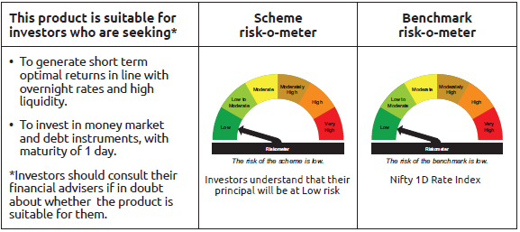
IDF265 | Portfolio Statement as on September 30,2026
 | Bandhan Overnight Fund

 | Name of the Instrument | ISIN | Industry / Rating | Quantity | Market/Fair Value ( Rs. in Lacs) | % to NAV | YTM
 | Money Market Instruments
 | Certificate of Deposit
CANB1121 | Canara Bank | INE476A16K30 | CRISIL A1+ | 5,000,000 | 5,000.00 | 4.12% | 5.19%
 | Commercial Paper
NBAR918 | National Bank For Agriculture and Rural Development | INE261F14PX2 | CRISIL A1+ | 15,000,000 | 15,000.00 | 12.36% | 5.18%
 | Treasury Bill
TBIL2679 | 91 Days Tbill (MD 08/10/2026) | IN002026X149 | SOVEREIGN | 3,500,000 | 3,496.51 | 2.88% | 5.20%
TBIL2572 | 364 Days Tbill (MD 08/10/2026) | IN002025Z286 | SOVEREIGN | 2,500,000 | 2,497.51 | 2.06% | 5.20%
TBIL2682 | 91 Days Tbill (MD 22/10/2026) | IN002026X164 | SOVEREIGN | 2,000,000 | 1,994.03 | 1.64% | 5.20%
TBIL2677 | 91 Days Tbill (MD 01/10/2026) | IN002026X131 | SOVEREIGN | 1,500,000 | 1,500.00 | 1.24% | 5.30%
 | TREPS / Reverse Repo Instrument
 | Reverse Repo |  |  |  | 55,530.96 | 45.77% | 5.15%
 | Reverse Repo |  |  |  | 17,999.71 | 14.83% | 5.15%
 | AMC Repo Clearing Limited |  |  |  | 19,497.20 | 16.07% | 5.25%
TRP_011026 | Triparty Repo TRP_011026 |  |  |  | 1,010.25 | 0.83% | 5.10%
 | Total |  |  |  | 123,526.17 | 101.80%
 | OTHERS
 | Cash Margin - CCIL |  |  |  | 415.63 | 0.34%
 | Subtotal |  |  |  | 415.63 | 0.34%
 | Net Current Assets |  |  |  | (2,603.99) | -2.14%
 | GRAND TOTAL |  |  |  | 121,337.81 | 100.00%

 | As per the requirement of regulation 43A of SEBI (Mutual Funds) Regulations, 1996, SEBI circular no. SEBI/HO/IMD/PoD2/P/CIR/2023/128 dated July 27, 2023 on framework for Corporate Debt Market Development Fund and SEBI circular no. SEBI/HO/IMD/PoD2 /P/CIR/2023/129 dated July 27, 2023 on investment by mutual fund schemes and Asset Management Companies (AMCs) in units of Corporate Debt Market Development Fund (“CDMDF”), specified open ended debt-oriented schemes of Bandhan Mutual Fund and Bandhan AMC Limited (‘AMC’) shall invest percentage of net assets in the units of the CDMDF.

Bandhan LF
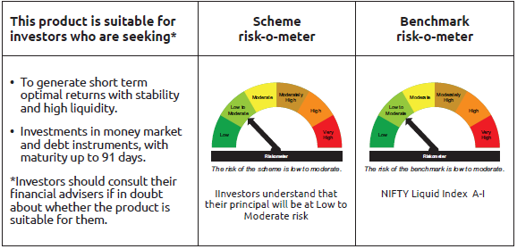
IDF001 | Portfolio Statement as on September 30,2026
 | Bandhan Liquid Fund

 | Name of the Instrument | ISIN | Industry / Rating | Quantity | Market/Fair Value ( Rs. in Lacs) | % to NAV | YTM
 | Debt Instruments
 | (a) Listed / awaiting listing on Stock Exchange
 | Government Securities
GOI3639 | 5.74% GOI (MD 15/11/2026) | IN0020210186 | SOVEREIGN | 107,160,000 | 107,191.51 | 6.59% | 5.33%
GOI5398 | 7.33% GOI (MD 30/10/2026) | IN0020230119 | SOVEREIGN | 15,000,000 | 15,022.31 | 0.92% | 5.39%
GOI5410 | 7.58% Gujarat SDL (MD 29/11/2026) | IN1520230104 | SOVEREIGN | 5,000,000 | 5,014.34 | 0.31% | 5.62%
 | Non Convertible Debentures
IRLY371 | 7.23% Indian Railway Finance Corporation Limited ** | INE053F08304 | CRISIL AAA | 35,000,000 | 35,011.31 | 2.15% | 6.18%
RECL462 | 7.55% REC Limited ** | INE020B08FH7 | CRISIL AAA | 10,000,000 | 10,006.44 | 0.62% | 6.32%
NBAR723 | 7.49% National Bank For Agriculture and Rural Development ** | INE261F08EB4 | CRISIL AAA | 7,500,000 | 7,501.97 | 0.46% | 6.35%
IRLY375 | 7.68% Indian Railway Finance Corporation Limited ** | INE053F08338 | CRISIL AAA | 5,000,000 | 5,009.99 | 0.31% | 6.38%
RECL308 | 7.52% REC Limited ** | INE020B08AA3 | CRISIL AAA | 3,100,000 | 3,102.38 | 0.19% | 6.36%
TCFS670 | 7.905% Tata Capital Limited ** | INE306N07NO7 | ICRA AAA | 2,500,000 | 2,502.91 | 0.15% | 7.13%
SUFI741 | 8.04% Sundaram Finance Limited ** | INE660A07RQ0 | CRISIL AAA | 200,000 | 200.07 | 0.01% | 6.99%
 | Subtotal |  |  |  | 190,563.23 | 11.71%
 | (b) Privately placed / Unlisted |  |  |  | NIL | NIL | NIL
 | Subtotal |  |  |  | NIL | NIL | NIL
 | Total |  |  |  | 190,563.23 | 11.71%
 | Money Market Instruments
 | Certificate of Deposit
HDFB1074 | HDFC Bank Limited ** | INE040A16KB3 | ICRA A1+ | 65,000,000 | 64,287.28 | 3.95% | 6.32%
CANB1128 | Canara Bank ** | INE476A16L13 | CRISIL A1+ | 55,000,000 | 54,489.93 | 3.35% | 6.21%
UNBI519 | Union Bank of India | INE692A16NG4 | ICRA A1+ | 40,000,000 | 39,565.72 | 2.43% | 6.26%
HDFB1021 | HDFC Bank Limited ** | INE040A16HU9 | CARE A1+ | 32,500,000 | 32,302.17 | 1.99% | 6.21%
UTIB1398 | Axis Bank Limited | INE238AD6CN6 | CRISIL A1+ | 32,500,000 | 32,130.22 | 1.97% | 6.27%
UNBI517 | Union Bank of India ** | INE692A16MY9 | ICRA A1+ | 30,000,000 | 29,694.69 | 1.83% | 6.26%
UTIB1389 | Axis Bank Limited ** | INE238AD6CB1 | CRISIL A1+ | 27,500,000 | 27,138.18 | 1.67% | 6.32%
INBK547 | Indian Bank ** | INE562A16RN6 | CRISIL A1+ | 25,000,000 | 24,836.28 | 1.53% | 6.17%
CANB1125 | Canara Bank ** | INE476A16K97 | CRISIL A1+ | 25,000,000 | 24,776.50 | 1.52% | 6.21%
BKBA545 | Bank of Baroda ** | INE028A16KI3 | FITCH A1+ | 22,500,000 | 22,363.92 | 1.37% | 6.17%
PUBA1138 | Punjab National Bank ** | INE160A16TZ9 | CRISIL A1+ | 22,500,000 | 22,213.28 | 1.37% | 6.28%
INBK521 | Indian Bank | INE562A16QM0 | CRISIL A1+ | 20,000,000 | 19,782.86 | 1.22% | 6.26%
BKBA595 | Bank of Baroda ** | INE028A16MQ2 | FITCH A1+ | 17,500,000 | 17,300.68 | 1.06% | 6.28%
HDFB1039 | HDFC Bank Limited ** | INE040A16IJ0 | CARE A1+ | 17,500,000 | 17,278.56 | 1.06% | 6.32%
UTIB1388 | Axis Bank Limited ** | INE238AD6CA3 | CRISIL A1+ | 17,500,000 | 17,272.71 | 1.06% | 6.32%
FEBA375 | The Federal Bank Limited ** | INE171A16OC6 | CRISIL A1+ | 10,000,000 | 9,929.29 | 0.61% | 6.34%
SIDB638 | Small Industries Dev Bank of India ** | INE556F16BS0 | CARE A1+ | 10,000,000 | 9,889.88 | 0.61% | 6.35%
HDFB1022 | HDFC Bank Limited ** | INE040A16HW5 | CARE A1+ | 7,500,000 | 7,445.54 | 0.46% | 6.21%
BKBA551 | Bank of Baroda ** | INE028A16KO1 | CARE A1+ | 7,500,000 | 7,418.36 | 0.46% | 6.28%
INBK524 | Indian Bank ** | INE562A16QO6 | CRISIL A1+ | 7,500,000 | 7,411.03 | 0.46% | 6.26%
CANB1120 | Canara Bank | INE476A16J90 | CRISIL A1+ | 5,000,000 | 4,942.00 | 0.30% | 6.30%
HDFB1071 | HDFC Bank Limited ** | INE040A16JY7 | CARE A1+ | 3,000,000 | 2,982.75 | 0.18% | 6.21%
HDFB1069 | HDFC Bank Limited ** | INE040A16JX9 | CARE A1+ | 2,500,000 | 2,486.46 | 0.15% | 6.21%
HDFB1024 | HDFC Bank Limited ** | INE040A16HY1 | CARE A1+ | 2,500,000 | 2,479.11 | 0.15% | 6.28%
UTIB1380 | Axis Bank Limited ** | INE238AD6BO6 | CRISIL A1+ | 2,500,000 | 2,476.16 | 0.15% | 6.27%
UTIB1381 | Axis Bank Limited ** | INE238AD6BP3 | CRISIL A1+ | 2,500,000 | 2,475.74 | 0.15% | 6.27%
INBK523 | Indian Bank ** | INE562A16QN8 | CRISIL A1+ | 2,500,000 | 2,468.25 | 0.15% | 6.26%
BKBA559 | Bank of Baroda ** | INE028A16KW4 | FITCH A1+ | 2,500,000 | 2,468.17 | 0.15% | 6.28%
KMBK893 | Kotak Mahindra Bank Limited ** | INE237AD6109 | CRISIL A1+ | 1,500,000 | 1,480.20 | 0.09% | 6.26%
 | Commercial Paper
EXIM833 | Export Import Bank of India ** | INE514E14TR1 | CRISIL A1+ | 60,000,000 | 59,277.06 | 3.64% | 6.27%
NTPC268 | NTPC Limited ** | INE733E14CE1 | CRISIL A1+ | 50,000,000 | 49,967.95 | 3.07% | 5.86%
RRVL226 | Reliance Retail Ventures Limited ** | INE929O14FJ6 | CRISIL A1+ | 50,000,000 | 49,443.00 | 3.04% | 6.42%
NTPC271 | NTPC Limited ** | INE733E14CH4 | CRISIL A1+ | 47,500,000 | 47,210.16 | 2.90% | 6.23%
TCFS690 | Tata Capital Limited ** | INE976I14RS5 | CRISIL A1+ | 47,500,000 | 47,133.40 | 2.90% | 6.92%
HDFS378 | HDFC Securities Limited ** | INE700G14VC9 | CRISIL A1+ | 35,000,000 | 34,818.67 | 2.14% | 6.79%
EXIM837 | Export Import Bank of India ** | INE514E14TW1 | CRISIL A1+ | 35,000,000 | 34,584.17 | 2.13% | 6.27%
BAFL1069 | Bajaj Finance Limited ** | INE296A14J90 | ICRA A1+ | 35,000,000 | 34,579.83 | 2.13% | 6.93%
TCAL557 | Tata Capital Limited ** | INE976I14RX5 | CRISIL A1+ | 30,000,000 | 29,636.25 | 1.82% | 7.00%
BAFL1065 | Bajaj Finance Limited ** | INE296A14J25 | ICRA A1+ | 27,500,000 | 27,289.57 | 1.68% | 6.87%
RRVL230 | Reliance Retail Ventures Limited ** | INE929O14FN8 | CRISIL A1+ | 25,000,000 | 24,881.30 | 1.53% | 6.01%
RRVL234 | Reliance Retail Ventures Limited ** | INE929O14FQ1 | CRISIL A1+ | 25,000,000 | 24,813.65 | 1.53% | 6.38%
RECL492 | REC Limited ** | INE020B14722 | CRISIL A1+ | 25,000,000 | 24,776.95 | 1.52% | 6.20%
NBAR925 | National Bank For Agriculture and Rural Development ** | INE261F14QC4 | ICRA A1+ | 25,000,000 | 24,770.90 | 1.52% | 6.37%
NBAR929 | National Bank For Agriculture and Rural Development ** | INE261F14QF7 | CRISIL A1+ | 25,000,000 | 24,730.53 | 1.52% | 6.41%
RIND487 | Reliance Industries Limited ** | INE002A14LS0 | CRISIL A1+ | 25,000,000 | 24,701.15 | 1.52% | 6.40%
HDFS383 | HDFC Securities Limited ** | INE700G14VK2 | CRISIL A1+ | 20,000,000 | 19,835.26 | 1.22% | 7.05%
LTFL731 | L&T Finance Limited ** | INE498L14GL2 | CRISIL A1+ | 20,000,000 | 19,764.98 | 1.21% | 7.00%
KOSE438 | Kotak Securities Limited ** | INE028E14YA8 | CRISIL A1+ | 20,000,000 | 19,761.52 | 1.21% | 7.10%
EXIM832 | Export Import Bank of India ** | INE514E14TQ3 | CRISIL A1+ | 17,500,000 | 17,280.34 | 1.06% | 6.27%
TWAT44 | Titan Company Limited ** | INE280A14617 | ICRA A1+ | 15,000,000 | 14,890.68 | 0.92% | 6.38%
KOSE430 | Kotak Securities Limited ** | INE028E14XQ6 | ICRA A1+ | 15,000,000 | 14,879.90 | 0.91% | 7.02%
RRVL229 | Reliance Retail Ventures Limited ** | INE929O14FM0 | CRISIL A1+ | 15,000,000 | 14,851.56 | 0.91% | 6.40%
SUFI770 | Sundaram Finance Limited ** | INE660A14YU4 | CRISIL A1+ | 12,500,000 | 12,387.36 | 0.76% | 6.91%
LTFL729 | L&T Finance Limited ** | INE498L14GG2 | CRISIL A1+ | 10,000,000 | 9,934.27 | 0.61% | 6.90%
PHFP257 | PNB Housing Finance Limited ** | INE572E14KU2 | CRISIL A1+ | 10,000,000 | 9,899.46 | 0.61% | 6.62%
AXSL151 | Axis Securities Limited ** | INE110O14JT4 | CARE A1+ | 10,000,000 | 9,850.69 | 0.61% | 7.19%
HIFS85 | HSBC InvestDirect Financial Services (India) Limited ** | INE790I14IL4 | CRISIL A1+ | 8,000,000 | 7,973.54 | 0.49% | 6.73%
BAFL1075 | Bajaj Finance Limited ** | INE296A14I75 | ICRA A1+ | 7,500,000 | 7,463.54 | 0.46% | 6.60%
MFPL252 | Infina Finance Private Limited ** | INE879F14NL1 | ICRA A1+ | 7,500,000 | 7,462.74 | 0.46% | 7.01%
BAFS155 | Bajaj Financial Securities Limited ** | INE01C314HG7 | CRISIL A1+ | 7,500,000 | 7,403.18 | 0.46% | 7.13%
BGFL1202 | Aditya Birla Capital Limited ** | INE674K14CR6 | CRISIL A1+ | 5,000,000 | 4,977.20 | 0.31% | 6.69%
BAFL1012 | Bajaj Finance Limited ** | INE296A14D13 | ICRA A1+ | 5,000,000 | 4,968.23 | 0.31% | 6.86%
KOSE432 | Kotak Securities Limited | INE028E14XW4 | ICRA A1+ | 5,000,000 | 4,949.48 | 0.30% | 7.03%
ICBR709 | ICICI Securities Limited ** | INE763G14M93 | CRISIL A1+ | 5,000,000 | 4,949.33 | 0.30% | 7.05%
ICBR712 | ICICI Securities Limited ** | INE763G14N27 | CRISIL A1+ | 5,000,000 | 4,940.38 | 0.30% | 7.10%
KOMP1767 | Kotak Mahindra Prime Limited ** | INE916D146S5 | CRISIL A1+ | 2,500,000 | 2,469.69 | 0.15% | 7.00%
 | Treasury Bill
TBIL2704 | 182 Days Tbill (MD 27/11/2026) | IN002026Y089 | SOVEREIGN | 35,000,000 | 34,710.24 | 2.13% | 5.35%
TBIL2572 | 364 Days Tbill (MD 08/10/2026) | IN002025Z286 | SOVEREIGN | 7,000,000 | 6,993.03 | 0.43% | 5.20%
 | TREPS / Reverse Repo Instrument
TRP_011026 | Triparty Repo TRP_011026 |  |  |  | 141,711.29 | 8.71% | 5.10%
 | Total |  |  |  | 1,478,708.35 | 90.88%
 | Corporate Debt Market Development Fund
CDMD50ME | Corporate Debt Market Development Fund Class A2 | INF0RQ622028 |  | 38,037.187 | 4,566.89 | 0.28%
 | Total |  |  |  | 4,566.89 | 0.28%
 | OTHERS
 | Cash Margin - CCIL |  |  |  | 63.65 | $
 | Subtotal |  |  |  | 63.65 | $
 | Net Current Assets |  |  |  | (46,962.28) | -2.87%
 | GRAND TOTAL |  |  |  | 1,626,939.84 | 100.00%

 | $ Less Than 0.01% of NAV
 | ** Thinly Traded/Non Traded Securities/Illiquid Securities

 | As per the requirement of regulation 43A of SEBI (Mutual Funds) Regulations, 1996, SEBI circular no. SEBI/HO/IMD/PoD2/P/CIR/2023/128 dated July 27, 2023 on framework for Corporate Debt Market Development Fund and SEBI circular no. SEBI/HO/IMD/PoD2 /P/CIR/2023/129 dated July 27, 2023 on investment by mutual fund schemes and Asset Management Companies (AMCs) in units of Corporate Debt Market Development Fund (“CDMDF”), specified open ended debt-oriented schemes of Bandhan Mutual Fund and Bandhan AMC Limited (‘AMC’) shall invest percentage of net assets in the units of the CDMDF.

Bandhan LDF
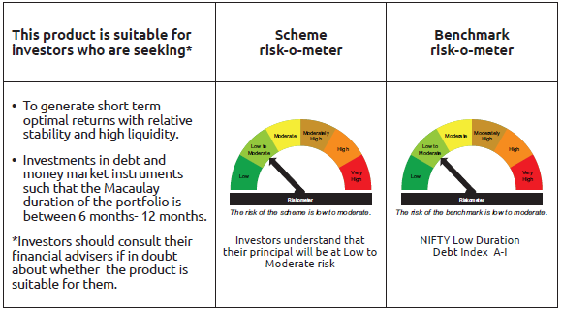
IDF002 | Portfolio Statement as on September 30,2026
 | Bandhan Ultra Short to Short Term Fund

 | Name of the Instrument | ISIN | Industry / Rating | Quantity | Market/Fair Value ( Rs. in Lacs) | % to NAV | YTM
 | Debt Instruments
 | (a) Listed / awaiting listing on Stock Exchange
 | Government Securities
GOI2019 | 8.28% Rajasthan SDL (MD 14/03/2028) | IN2920170197 | SOVEREIGN | 2,000,000 | 2,035.22 | 0.32% | 7.10%
GOI3521 | 6.95% Maharashtra SDL (MD 30/06/2032) | IN2220210164 | SOVEREIGN | 1,945,200 | 1,888.59 | 0.30% | 7.72%
GOI2115 | 8.63% Rajasthan SDL (MD 03/09/2028) | IN2920180188 | SOVEREIGN | 1,500,000 | 1,536.51 | 0.24% | 7.38%
GOI2445 | 7.73% Gujarat SDL (MD 08/04/2029) | IN1520200016 | SOVEREIGN | 1,500,000 | 1,516.96 | 0.24% | 7.36%
GOI1996 | 8.28% Rajasthan SDL (MD 21/02/2028) | IN2920170155 | SOVEREIGN | 1,000,000 | 1,016.81 | 0.16% | 7.10%
GOI1880 | 7.59% Haryana SDL (MD 15/02/2027) | IN1620160268 | SOVEREIGN | 1,000,000 | 1,004.90 | 0.16% | 6.13%
GOI4485 | 7.38% GOI (MD 20/06/2027) | IN0020220037 | SOVEREIGN | 700,000 | 705.95 | 0.11% | 6.23%
GOI2125 | 8.79% Gujarat SDL (MD 12/09/2028) | IN1520180101 | SOVEREIGN | 500,000 | 514.63 | 0.08% | 7.28%
GOI1974 | 8% Karnataka SDL (MD 17/01/2028) | IN1920170157 | SOVEREIGN | 505,800 | 512.43 | 0.08% | 7.03%
GOI4096 | 8.16% Rajasthan SDL (MD 09/05/2028) | IN2920180030 | SOVEREIGN | 500,000 | 508.47 | 0.08% | 7.14%
GOI2161 | 8.18% Tamilnadu SDL (MD 19/12/2028) | IN3120180192 | SOVEREIGN | 430,000 | 438.51 | 0.07% | 7.32%
GOI2212 | 8.37% Tamilnadu SDL (MD 06/03/2029) | IN3120180226 | SOVEREIGN | 400,000 | 409.91 | 0.06% | 7.37%
GOI2192 | 8.32% Karnataka SDL (MD 06/02/2029) | IN1920180164 | SOVEREIGN | 200,000 | 204.57 | 0.03% | 7.37%
GOI3379 | 8.44% Rajasthan SDL (MD 27/02/2029) | IN2920180311 | SOVEREIGN | 150,000 | 153.66 | 0.02% | 7.44%
GOI2211 | 8.35% Gujarat SDL (MD 06/03/2029) | IN1520180317 | SOVEREIGN | 150,000 | 153.65 | 0.02% | 7.37%
GOI3899 | 7.88% Madhya Pradesh SDL (MD 24/01/2028) | IN2120170070 | SOVEREIGN | 100,000 | 101.08 | 0.02% | 7.12%
GOI4847 | 7.57% Gujarat SDL (MD 09/11/2026) | IN1520220154 | SOVEREIGN | 200 | 0.20 | $ | 5.62%
 | Non Convertible Debentures
POWF546 | 7.45% Power Finance Corporation Limited ** | INE134E08NP7 | CRISIL AAA | 33,500,000 | 33,358.63 | 5.26% | 7.70%
TCHF401 | 8.1% Tata Capital Housing Finance Limited ** | INE033L07IE2 | CRISIL AAA | 27,500,000 | 27,537.90 | 4.34% | 7.37%
BHFL165 | 7.83% Bajaj Housing Finance Limited ** | INE377Y07649 | CRISIL AAA | 27,500,000 | 27,216.89 | 4.29% | 8.25%
SIDB539 | 7.79% Small Industries Dev Bank of India | INE556F08KM1 | CRISIL AAA | 22,500,000 | 22,530.67 | 3.55% | 7.58%
BHFL147 | 7.1% Bajaj Housing Finance Limited ** | INE377Y07607 | CRISIL AAA | 17,628,000 | 17,295.15 | 2.73% | 8.14%
NBAR860 | 6.66% National Bank For Agriculture and Rural Development ** | INE261F08EP4 | ICRA AAA | 17,500,000 | 17,133.87 | 2.70% | 7.81%
BAFL906 | 8.1167% Bajaj Finance Limited | INE296A07SX7 | CRISIL AAA | 17,000,000 | 16,997.25 | 2.68% | 7.89%
SIDB614 | 6.66% Small Industries Dev Bank of India ** | INE556F08KZ3 | CRISIL AAA | 11,000,000 | 10,757.26 | 1.70% | 7.86%
LICH666 | 7.835% LIC Housing Finance Limited ** | INE115A07QO2 | CRISIL AAA | 7,700,000 | 7,698.69 | 1.21% | 7.63%
SIDB534 | 7.79% Small Industries Dev Bank of India | INE556F08KK5 | CRISIL AAA | 7,500,000 | 7,513.42 | 1.18% | 7.55%
SIDB543 | 7.75% Small Industries Dev Bank of India ** | INE556F08KN9 | CRISIL AAA | 7,500,000 | 7,508.55 | 1.18% | 7.58%
CHOL1108 | 7.83% Cholamandalam Investment and Finance Company Ltd ** | INE121A07SR9 | ICRA AA+ | 7,000,000 | 6,942.85 | 1.09% | 8.32%
MUFL464 | 8.05% Muthoot Finance Limited | INE414G07JQ6 | CRISIL AA+ | 6,500,000 | 6,454.10 | 1.02% | 8.68%
NBAR732 | 7.83% National Bank For Agriculture and Rural Development ** | INE261F08ED0 | CRISIL AAA | 6,000,000 | 6,011.78 | 0.95% | 6.63%
TCHF397 | 8.0409% Tata Capital Housing Finance Limited ** | INE033L07ID4 | CRISIL AAA | 5,200,000 | 5,208.90 | 0.82% | 7.35%
MUFL421 | 8.95% Muthoot Finance Limited ** | INE414G07JD4 | CRISIL AA+ | 5,000,000 | 5,012.89 | 0.79% | 8.19%
POWF368 | 7.18% Power Finance Corporation Limited ** | INE134E08IR3 | CRISIL AAA | 5,000,000 | 5,000.67 | 0.79% | 7.03%
NBAR805 | 7.53% National Bank For Agriculture and Rural Development | INE261F08EM1 | ICRA AAA | 5,000,000 | 4,981.14 | 0.79% | 7.76%
TCHF414 | 7.712% Tata Capital Housing Finance Limited ** | INE033L07IK9 | CRISIL AAA | 5,000,000 | 4,971.69 | 0.78% | 8.14%
SIDB573 | 7.34% Small Industries Dev Bank of India ** | INE556F08KS8 | CRISIL AAA | 5,000,000 | 4,945.49 | 0.78% | 7.88%
BAFL1030 | 7.31% Bajaj Finance Limited ** | INE296A07TT3 | CRISIL AAA | 5,000,000 | 4,942.29 | 0.78% | 8.18%
BAFL943 | 7.7951% Bajaj Finance Limited | INE296A07TF2 | CRISIL AAA | 4,500,000 | 4,485.32 | 0.71% | 8.05%
RECL476 | 6.37% REC Limited ** | INE020B08FX4 | ICRA AAA | 4,500,000 | 4,477.91 | 0.71% | 7.16%
POWF374 | 7.1% Power Finance Corporation Limited ** | INE134E08IP7 | CRISIL AAA | 3,500,000 | 3,499.51 | 0.55% | 7.04%
TCAL542 | 8.3% Tata Capital Limited | INE976I07DC3 | ICRA AAA | 2,500,000 | 2,504.26 | 0.39% | 7.57%
LICH612 | 6.65% LIC Housing Finance Limited ** | INE115A07PR7 | CRISIL AAA | 2,500,000 | 2,492.39 | 0.39% | 7.19%
NBAR867 | 6.85% National Bank For Agriculture and Rural Development | INE261F08EQ2 | ICRA AAA | 2,500,000 | 2,448.80 | 0.39% | 7.83%
RECL341 | 8.09% REC Limited ** | INE020B08AX5 | CRISIL AAA | 2,000,000 | 2,015.42 | 0.32% | 7.67%
TCHF371 | 7.75% Tata Capital Housing Finance Limited ** | INE033L07HQ8 | CRISIL AAA | 2,000,000 | 1,999.05 | 0.32% | 7.61%
RECL342 | 8.06% REC Limited ** | INE020B08AZ0 | CRISIL AAA | 1,500,000 | 1,511.10 | 0.24% | 7.67%
CHOL1081 | 8.2% Cholamandalam Investment and Finance Company Ltd ** | INE121A07SL2 | ICRA AA+ | 1,500,000 | 1,496.96 | 0.24% | 8.30%
BAFL967 | 7.7215% Bajaj Finance Limited ** | INE296A07TG0 | CRISIL AAA | 1,000,000 | 999.56 | 0.16% | 7.51%
 | Subtotal |  |  |  | 290,652.41 | 45.82%
 | (b) Privately placed / Unlisted |  |  |  | NIL | NIL | NIL
 | Subtotal |  |  |  | NIL | NIL | NIL
 | Total |  |  |  | 290,652.41 | 45.82%
 | Money Market Instruments
 | Certificate of Deposit
HDFB1034 | HDFC Bank Limited ** | INE040A16IK8 | CARE A1+ | 30,000,000 | 29,385.90 | 4.63% | 6.75%
NBAR873 | National Bank For Agriculture and Rural Development ** | INE261F16AG4 | CRISIL A1+ | 25,000,000 | 24,456.05 | 3.86% | 6.88%
UTIB1385 | Axis Bank Limited ** | INE238AD6BW9 | CRISIL A1+ | 20,000,000 | 19,619.88 | 3.09% | 6.74%
HDFB1041 | HDFC Bank Limited ** | INE040A16IO0 | CARE A1+ | 16,000,000 | 15,577.23 | 2.46% | 6.79%
BKBA561 | Bank of Baroda | INE028A16KY0 | CARE A1+ | 10,000,000 | 9,821.53 | 1.55% | 6.70%
CANB1080 | Canara Bank | INE476A16F94 | CRISIL A1+ | 10,000,000 | 9,821.25 | 1.55% | 6.71%
CANB1082 | Canara Bank | INE476A16G28 | CRISIL A1+ | 10,000,000 | 9,785.11 | 1.54% | 6.74%
SIDB648 | Small Industries Dev Bank of India ** | INE556F16BX0 | CRISIL A1+ | 10,000,000 | 9,778.34 | 1.54% | 6.90%
HDFB1044 | HDFC Bank Limited | INE040A16IU7 | CARE A1+ | 10,000,000 | 9,715.73 | 1.53% | 6.89%
PUBA1144 | Punjab National Bank ** | INE160A16UE2 | CRISIL A1+ | 9,500,000 | 9,282.27 | 1.46% | 6.74%
HDFB1076 | HDFC Bank Limited | INE040A16KD9 | ICRA A1+ | 7,500,000 | 7,355.81 | 1.16% | 6.75%
NBAR872 | National Bank For Agriculture and Rural Development ** | INE261F16AF6 | ICRA A1+ | 7,500,000 | 7,343.59 | 1.16% | 6.88%
HDFB1051 | HDFC Bank Limited ** | INE040A16JC3 | CARE A1+ | 7,500,000 | 7,313.75 | 1.15% | 6.79%
UTIB1399 | Axis Bank Limited ** | INE238AD6CO4 | CRISIL A1+ | 5,500,000 | 5,366.71 | 0.85% | 6.77%
UTIB1390 | Axis Bank Limited ** | INE238AD6BV1 | CRISIL A1+ | 5,000,000 | 4,905.86 | 0.77% | 6.73%
SIDB645 | Small Industries Dev Bank of India ** | INE556F16BV4 | CRISIL A1+ | 5,000,000 | 4,902.76 | 0.77% | 6.90%
BKBA564 | Bank of Baroda ** | INE028A16LC4 | CARE A1+ | 5,000,000 | 4,894.20 | 0.77% | 6.69%
NBAR874 | National Bank For Agriculture and Rural Development ** | INE261F16AH2 | CRISIL A1+ | 5,000,000 | 4,890.31 | 0.77% | 6.88%
PUBA1142 | Punjab National Bank ** | INE160A16UD4 | CRISIL A1+ | 3,500,000 | 3,420.40 | 0.54% | 6.74%
NBAR871 | National Bank For Agriculture and Rural Development ** | INE261F16AE9 | ICRA A1+ | 2,500,000 | 2,449.22 | 0.39% | 6.88%
EXIM816 | Export Import Bank of India ** | INE514E16CO9 | CRISIL A1+ | 2,500,000 | 2,446.24 | 0.39% | 6.69%
 | Commercial Paper
MMFS1227 | Mahindra & Mahindra Financial Services Limited ** | INE774D14TW3 | CRISIL A1+ | 10,000,000 | 9,715.73 | 1.53% | 7.26%
RECL497 | REC Limited | INE020B14748 | CRISIL A1+ | 8,000,000 | 7,753.02 | 1.22% | 6.88%
MMFS1224 | Mahindra & Mahindra Financial Services Limited ** | INE774D14TU7 | CRISIL A1+ | 7,500,000 | 7,405.46 | 1.17% | 6.95%
BACR25 | Bajaj Auto Credit Limited ** | INE18UV14083 | CRISIL A1+ | 5,000,000 | 4,859.20 | 0.77% | 7.35%
BAFL1060 | Bajaj Finance Limited ** | INE296A14G69 | ICRA A1+ | 5,000,000 | 4,781.53 | 0.75% | 7.65%
NBAR923 | National Bank For Agriculture and Rural Development | INE261F14QB6 | ICRA A1+ | 2,500,000 | 2,481.44 | 0.39% | 6.35%
BAFL1055 | Bajaj Finance Limited ** | INE296A14H43 | ICRA A1+ | 2,500,000 | 2,377.90 | 0.37% | 7.65%
 | Treasury Bill
TBIL2677 | 91 Days Tbill (MD 01/10/2026) | IN002026X131 | SOVEREIGN | 29,500,000 | 29,500.00 | 4.65% | 5.30%
TBIL2679 | 91 Days Tbill (MD 08/10/2026) | IN002026X149 | SOVEREIGN | 25,000,000 | 24,975.10 | 3.94% | 5.20%
 | TREPS / Reverse Repo Instrument
TRP_011026 | Triparty Repo TRP_011026 |  |  |  | 12,556.65 | 1.98% | 5.10%
 | Total |  |  |  | 308,938.17 | 48.70%
 | Interest Rate Swaps
IRS1278FL | Interest Rate Swaps (28/05/2027) Receive Floating |  |  | 25,000,000 | 25,000.00 | 3.94% | 5.28%
IRS1278FX | Interest Rate Swaps (28/05/2027) Pay Fixed |  |  | -25,000,000 | (24,964.25) | -3.94% | 5.95%
 | Total |  |  |  | 35.75 | 0.00%
 | Corporate Debt Market Development Fund
CDMD50ME | Corporate Debt Market Development Fund Class A2 | INF0RQ622028 |  | 17,342.405 | 2,082.20 | 0.33%
 | Total |  |  |  | 2,082.20 | 0.33%
 | OTHERS
 | Cash Margin - CCIL |  |  |  | 0.26 | $
 | Subtotal |  |  |  | 0.26 | $
 | Net Current Assets |  |  |  | 32,521.48 | 5.15%
 | GRAND TOTAL |  |  |  | 634,230.27 | 100.00%

 | $ Less Than 0.01% of NAV
 | ** Thinly Traded/Non Traded Securities/Illiquid Securities

 | “This scheme has exposure to floating rate instruments and / or interest rate derivatives. The duration of these instruments is linked to the interest rate reset period. The interest rate risk in a floating rate instrument or in a fixed rate instrument hedged with derivatives is likely to be lesser than that in an equivalent maturity fixed rate instrument. Under some market circumstances the volatility may be of an order greater than what may ordinarily be expected considering only its duration. Hence investors are recommended to consider the unadjusted portfolio maturity of the scheme as well and exercise adequate due diligence when deciding to make their investments”.

 | As per the requirement of regulation 43A of SEBI (Mutual Funds) Regulations, 1996, SEBI circular no. SEBI/HO/IMD/PoD2/P/CIR/2023/128 dated July 27, 2023 on framework for Corporate Debt Market Development Fund and SEBI circular no. SEBI/HO/IMD/PoD2 /P/CIR/2023/129 dated July 27, 2023 on investment by mutual fund schemes and Asset Management Companies (AMCs) in units of Corporate Debt Market Development Fund (“CDMDF”), specified open ended debt-oriented schemes of Bandhan Mutual Fund and Bandhan AMC Limited (‘AMC’) shall invest percentage of net assets in the units of the CDMDF.

Bandhan MMF
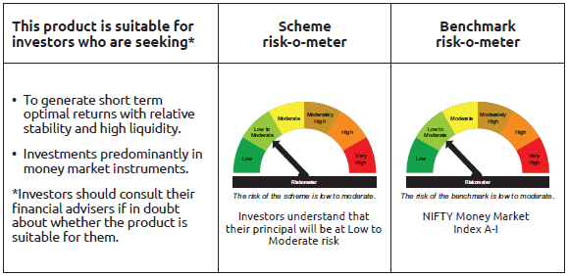
IDF003 | Portfolio Statement as on September 30,2026
 | Bandhan Money Market Fund

 | Name of the Instrument | ISIN | Industry / Rating | Quantity | Market/Fair Value ( Rs. in Lacs) | % to NAV | YTM
 | Debt Instruments
 | (a) Listed / awaiting listing on Stock Exchange
 | Government Securities
GOI3639 | 5.74% GOI (MD 15/11/2026) | IN0020210186 | SOVEREIGN | 22,292,500 | 22,299.05 | 1.70% | 5.33%
GOI1761 | 7.78% Bihar SDL (MD 01/03/2027) | IN1320160170 | SOVEREIGN | 10,900,000 | 10,971.20 | 0.84% | 6.18%
GOI4224 | GOVT. STOCK 12DEC2026C STRP | IN001226C041 | SOVEREIGN | 9,367,500 | 9,264.40 | 0.71% | 5.64%
GOI1880 | 7.59% Haryana SDL (MD 15/02/2027) | IN1620160268 | SOVEREIGN | 6,500,000 | 6,531.84 | 0.50% | 6.13%
GOI5209 | 7.12% Bihar SDL (MD 11/01/2027) | IN1320160147 | SOVEREIGN | 5,500,000 | 5,512.83 | 0.42% | 6.13%
GOI4549 | 7.61% Rajasthan SDL (MD 29/03/2027) | IN2920160446 | SOVEREIGN | 2,500,000 | 2,518.07 | 0.19% | 6.15%
GOI1715 | 7.59% Gujarat SDL (MD 15/02/2027) | IN1520160194 | SOVEREIGN | 2,500,000 | 2,512.60 | 0.19% | 6.10%
GOI1878 | 7.6% Madhya Pradesh SDL (MD 15/02/2027) | IN2120160097 | SOVEREIGN | 2,500,000 | 2,512.09 | 0.19% | 6.16%
GOI3085 | 6.72% Kerala SDL (MD 24/03/2027) | IN2020200290 | SOVEREIGN | 2,500,000 | 2,506.64 | 0.19% | 6.19%
GOI5398 | 7.33% GOI (MD 30/10/2026) | IN0020230119 | SOVEREIGN | 2,500,000 | 2,503.72 | 0.19% | 5.39%
GOI4298 | 7.87% Uttar Pradesh SDL (MD 15/03/2027) | IN3320160341 | SOVEREIGN | 2,000,000 | 2,015.28 | 0.15% | 6.17%
GOI1785 | 7.86% Karnataka SDL (MD 15/03/2027) | IN1920160117 | SOVEREIGN | 1,500,000 | 1,511.78 | 0.12% | 6.12%
GOI1252 | 8.15% GOI (MD 24/11/2026) | IN0020140060 | SOVEREIGN | 1,500,000 | 1,505.85 | 0.11% | 5.30%
GOI1840 | 7.78% Uttarpradesh SDL (MD 01/03/2027) | IN3320160325 | SOVEREIGN | 1,000,000 | 1,006.55 | 0.08% | 6.17%
GOI4512 | 7.62% Uttar Pradesh SDL (MD 15/02/2027) | IN3320160317 | SOVEREIGN | 1,000,000 | 1,005.11 | 0.08% | 6.11%
GOI4857 | 6.83% Karnataka SDL (MD 23/11/2026) | IN1920160042 | SOVEREIGN | 1,000,000 | 1,001.51 | 0.08% | 5.61%
GOI1879 | 7.73% Rajasthan SDL (MD 01/03/2027) | IN2920160420 | SOVEREIGN | 500,000 | 503.22 | 0.04% | 6.15%
 | Subtotal |  |  |  | 75,681.74 | 5.78%
 | (b) Privately placed / Unlisted |  |  |  | NIL | NIL | NIL
 | Subtotal |  |  |  | NIL | NIL | NIL
 | Total |  |  |  | 75,681.74 | 5.78%
 | Money Market Instruments
 | Certificate of Deposit
HDFB1051 | HDFC Bank Limited ** | INE040A16JC3 | CARE A1+ | 60,000,000 | 58,509.96 | 4.46% | 6.79%
BKBA565 | Bank of Baroda ** | INE028A16LE0 | CARE A1+ | 55,000,000 | 53,759.15 | 4.09% | 6.74%
HDFB1041 | HDFC Bank Limited ** | INE040A16IO0 | CARE A1+ | 47,500,000 | 46,244.91 | 3.52% | 6.79%
SIDB647 | Small Industries Dev Bank of India ** | INE556F16BW2 | CRISIL A1+ | 35,000,000 | 34,230.53 | 2.61% | 6.90%
PUBA1156 | Punjab National Bank | INE160A16UV6 | CRISIL A1+ | 35,000,000 | 33,965.86 | 2.59% | 6.86%
CANB1084 | Canara Bank ** | INE476A16G44 | CRISIL A1+ | 32,500,000 | 31,772.49 | 2.42% | 6.74%
IBCL1180 | ICICI Bank Limited ** | INE090AD6279 | ICRA A1+ | 31,500,000 | 30,835.26 | 2.35% | 6.67%
KMBK895 | Kotak Mahindra Bank Limited ** | INE237AD6125 | CRISIL A1+ | 30,000,000 | 29,358.15 | 2.24% | 6.65%
CANB1082 | Canara Bank | INE476A16G28 | CRISIL A1+ | 30,000,000 | 29,355.33 | 2.24% | 6.74%
NABA33 | National Bank For Financing Infrastructure And Development ** | INE0KUG16012 | FITCH A1+ | 30,000,000 | 29,164.56 | 2.22% | 6.88%
BKBA579 | Bank of Baroda | INE028A16LW2 | CARE A1+ | 30,000,000 | 29,126.37 | 2.22% | 6.80%
CANB1083 | Canara Bank ** | INE476A16G36 | CRISIL A1+ | 25,000,000 | 24,461.80 | 1.86% | 6.69%
NBAR873 | National Bank For Agriculture and Rural Development ** | INE261F16AG4 | CRISIL A1+ | 25,000,000 | 24,456.05 | 1.86% | 6.88%
BKBA566 | Bank of Baroda ** | INE028A16LF7 | CARE A1+ | 25,000,000 | 24,431.55 | 1.86% | 6.74%
SIDB653 | Small Industries Dev Bank of India ** | INE556F16CA6 | CRISIL A1+ | 25,000,000 | 24,392.00 | 1.86% | 6.95%
SIDB660 | Small Industries Dev Bank of India ** | INE556F16CC2 | CRISIL A1+ | 25,000,000 | 24,315.28 | 1.85% | 6.95%
UTIB1401 | Axis Bank Limited ** | INE238AD6CP1 | CRISIL A1+ | 24,200,000 | 23,553.91 | 1.79% | 6.77%
NBAR900 | National Bank For Agriculture and Rural Development | INE261F16AQ3 | CRISIL A1+ | 22,500,000 | 21,795.77 | 1.66% | 7.02%
NBAR870 | National Bank For Agriculture and Rural Development ** | INE261F16AD1 | CRISIL A1+ | 20,000,000 | 19,611.86 | 1.49% | 6.88%
SIDB649 | Small Industries Dev Bank of India ** | INE556F16BY8 | CRISIL A1+ | 20,000,000 | 19,531.74 | 1.49% | 6.95%
IBCL1185 | ICICI Bank Limited ** | INE090AD6337 | ICRA A1+ | 20,000,000 | 19,368.24 | 1.48% | 6.80%
INBK518 | Indian Bank ** | INE562A16QJ6 | CRISIL A1+ | 17,500,000 | 17,086.53 | 1.30% | 6.74%
HDFB1050 | HDFC Bank Limited ** | INE040A16IZ6 | CARE A1+ | 17,500,000 | 16,980.72 | 1.29% | 6.89%
FEBA375 | The Federal Bank Limited ** | INE171A16OC6 | CRISIL A1+ | 15,000,000 | 14,893.94 | 1.13% | 6.34%
PUBA1144 | Punjab National Bank ** | INE160A16UE2 | CRISIL A1+ | 15,000,000 | 14,656.22 | 1.12% | 6.74%
UNBI520 | Union Bank of India | INE692A16NK6 | ICRA A1+ | 15,000,000 | 14,642.91 | 1.12% | 6.74%
KMBK897 | Kotak Mahindra Bank Limited ** | INE237AD6141 | CRISIL A1+ | 14,000,000 | 13,665.37 | 1.04% | 6.67%
IBCL1181 | ICICI Bank Limited ** | INE090AD6287 | ICRA A1+ | 14,000,000 | 13,664.64 | 1.04% | 6.68%
UTIB1403 | Axis Bank Limited ** | INE238AD6CG0 | CRISIL A1+ | 12,500,000 | 12,145.66 | 0.93% | 6.87%
FEBA361 | The Federal Bank Limited ** | INE171A16NJ3 | CRISIL A1+ | 10,000,000 | 9,779.75 | 0.74% | 6.85%
NBAR887 | National Bank For Agriculture and Rural Development ** | INE261F16AN0 | CRISIL A1+ | 10,000,000 | 9,710.52 | 0.74% | 7.02%
UTIB1404 | Axis Bank Limited | INE238AD6CH8 | CRISIL A1+ | 10,000,000 | 9,693.49 | 0.74% | 6.87%
NBAR872 | National Bank For Agriculture and Rural Development ** | INE261F16AF6 | ICRA A1+ | 7,500,000 | 7,343.59 | 0.56% | 6.88%
SIDB648 | Small Industries Dev Bank of India ** | INE556F16BX0 | CRISIL A1+ | 7,500,000 | 7,333.76 | 0.56% | 6.90%
BKBA567 | Bank of Baroda ** | INE028A16LG5 | CARE A1+ | 7,500,000 | 7,332.11 | 0.56% | 6.74%
UTIB1399 | Axis Bank Limited ** | INE238AD6CO4 | CRISIL A1+ | 7,500,000 | 7,318.25 | 0.56% | 6.77%
UNBI516 | Union Bank of India ** | INE692A16NC3 | ICRA A1+ | 7,500,000 | 7,304.38 | 0.56% | 6.74%
HDFB1044 | HDFC Bank Limited | INE040A16IU7 | CARE A1+ | 7,500,000 | 7,286.80 | 0.56% | 6.89%
NBAR894 | National Bank For Agriculture and Rural Development ** | INE261F16AP5 | CRISIL A1+ | 7,500,000 | 7,266.61 | 0.55% | 7.02%
SIDB681 | Small Industries Dev Bank of India | INE556F16CF5 | CRISIL A1+ | 7,500,000 | 7,039.74 | 0.54% | 7.60%
UTIB1390 | Axis Bank Limited ** | INE238AD6BV1 | CRISIL A1+ | 5,000,000 | 4,905.86 | 0.37% | 6.73%
CANB1099 | Canara Bank ** | INE476A16I00 | CRISIL A1+ | 5,000,000 | 4,866.99 | 0.37% | 6.74%
CANB1094 | Canara Bank | INE476A16H43 | CRISIL A1+ | 5,000,000 | 4,859.21 | 0.37% | 6.87%
PUBA1155 | Punjab National Bank ** | INE160A16UQ6 | CARE A1+ | 5,000,000 | 4,855.23 | 0.37% | 6.85%
HDFB1076 | HDFC Bank Limited | INE040A16KD9 | ICRA A1+ | 4,000,000 | 3,923.10 | 0.30% | 6.75%
BKBA560 | Bank of Baroda ** | INE028A16KX2 | FITCH A1+ | 2,500,000 | 2,456.58 | 0.19% | 6.65%
BKBA561 | Bank of Baroda | INE028A16KY0 | CARE A1+ | 2,500,000 | 2,455.38 | 0.19% | 6.70%
BKBA571 | Bank of Baroda | INE028A16LD2 | CARE A1+ | 2,500,000 | 2,447.91 | 0.19% | 6.70%
INBK517 | Indian Bank ** | INE562A16QI8 | CRISIL A1+ | 2,500,000 | 2,442.70 | 0.19% | 6.74%
HDFB1035 | HDFC Bank Limited ** | INE040A16IM4 | CARE A1+ | 2,500,000 | 2,442.34 | 0.19% | 6.79%
NBAR876 | National Bank For Agriculture and Rural Development ** | INE261F16AJ8 | CRISIL A1+ | 2,500,000 | 2,441.59 | 0.19% | 6.93%
SIDB651 | Small Industries Dev Bank of India ** | INE556F16BZ5 | CRISIL A1+ | 2,500,000 | 2,441.01 | 0.19% | 6.95%
PUBA1152 | Punjab National Bank ** | INE160A16UM5 | CRISIL A1+ | 2,500,000 | 2,429.83 | 0.19% | 6.85%
CANB1097 | Canara Bank ** | INE476A16H84 | CRISIL A1+ | 2,500,000 | 2,426.66 | 0.18% | 6.85%
NBAR890 | National Bank For Agriculture and Rural Development ** | INE261F16AO8 | CRISIL A1+ | 2,500,000 | 2,425.37 | 0.18% | 7.02%
UTIB1385 | Axis Bank Limited ** | INE238AD6BW9 | CRISIL A1+ | 1,500,000 | 1,471.49 | 0.11% | 6.74%
 | Commercial Paper
PHFP253 | PNB Housing Finance Limited ** | INE572E14KN7 | CRISIL A1+ | 27,500,000 | 26,743.50 | 2.04% | 7.17%
BAFL1037 | Bajaj Finance Limited ** | INE296A14G28 | ICRA A1+ | 27,500,000 | 26,655.83 | 2.03% | 7.27%
MUFL484 | Muthoot Finance Limited ** | INE414G14VK0 | CRISIL A1+ | 22,500,000 | 21,899.14 | 1.67% | 7.64%
KOSE383 | Kotak Securities Limited ** | INE028E14UV2 | CRISIL A1+ | 20,000,000 | 19,472.08 | 1.48% | 7.39%
CHOL1106 | Cholamandalam Investment and Finance Company Ltd ** | INE121A14YF8 | ICRA A1+ | 17,500,000 | 17,100.56 | 1.30% | 7.54%
CHOL1110 | Cholamandalam Investment and Finance Company Ltd ** | INE121A14YI2 | CRISIL A1+ | 17,500,000 | 17,055.78 | 1.30% | 7.55%
KOSE391 | Kotak Securities Limited ** | INE028E14VC0 | CRISIL A1+ | 17,500,000 | 16,997.89 | 1.29% | 7.39%
JOIC26 | JIO Credit Limited ** | INE282H14105 | CRISIL A1+ | 17,500,000 | 16,935.50 | 1.29% | 7.51%
SIDB680 | Small Industries Dev Bank of India ** | INE556F14MP8 | CRISIL A1+ | 15,000,000 | 14,267.12 | 1.09% | 7.47%
CHOL1114 | Cholamandalam Investment and Finance Company Ltd ** | INE121A14YK8 | CRISIL A1+ | 14,000,000 | 13,625.40 | 1.04% | 7.55%
ICBR663 | ICICI Securities Limited ** | INE763G14G18 | CRISIL A1+ | 12,500,000 | 12,119.06 | 0.92% | 7.45%
BAFL1028 | Bajaj Finance Limited ** | INE296A14F11 | ICRA A1+ | 10,000,000 | 9,756.82 | 0.74% | 7.22%
BACR25 | Bajaj Auto Credit Limited ** | INE18UV14083 | CRISIL A1+ | 10,000,000 | 9,718.39 | 0.74% | 7.35%
EXIM836 | Export Import Bank of India | INE514E14TU5 | CRISIL A1+ | 10,000,000 | 9,703.27 | 0.74% | 6.89%
LICH705 | LIC Housing Finance Limited ** | INE115A14FT0 | CRISIL A1+ | 10,000,000 | 9,700.28 | 0.74% | 7.01%
CHOL1115 | Cholamandalam Investment and Finance Company Ltd ** | INE121A14YL6 | ICRA A1+ | 7,500,000 | 7,293.46 | 0.56% | 7.55%
MUFL489 | Muthoot Finance Limited ** | INE414G14VL8 | CRISIL A1+ | 7,500,000 | 7,278.94 | 0.55% | 7.64%
CHOL1109 | Cholamandalam Investment and Finance Company Ltd ** | INE121A14YG6 | CRISIL A1+ | 5,000,000 | 4,882.92 | 0.37% | 7.55%
INBS526 | Reliance Jio Infocomm Limited ** | INE110L14US9 | CRISIL A1+ | 5,000,000 | 4,855.76 | 0.37% | 7.00%
BHFL158 | Bajaj Housing Finance Limited ** | INE377Y14CA3 | CRISIL A1+ | 5,000,000 | 4,848.51 | 0.37% | 7.04%
SUFI781 | Sundaram Finance Limited ** | INE660A14ZB1 | CRISIL A1+ | 5,000,000 | 4,779.35 | 0.36% | 7.63%
LICH704 | LIC Housing Finance Limited ** | INE115A14FR4 | CRISIL A1+ | 3,500,000 | 3,406.56 | 0.26% | 6.91%
TCAL540 | Tata Capital Limited ** | INE976I14RA3 | CRISIL A1+ | 2,500,000 | 2,423.11 | 0.18% | 7.29%
 | Treasury Bill
TBIL2693 | 91 Days Tbill (MD 12/11/2026) | IN002026X198 | SOVEREIGN | 25,000,000 | 24,849.03 | 1.89% | 5.28%
TBIL2572 | 364 Days Tbill (MD 08/10/2026) | IN002025Z286 | SOVEREIGN | 10,000,000 | 9,990.04 | 0.76% | 5.20%
 | TREPS / Reverse Repo Instrument
TRP_011026 | Triparty Repo TRP_011026 |  |  |  | 57,987.05 | 4.42% | 5.10%
 | Total |  |  |  | 1,261,022.36 | 96.07%
 | Corporate Debt Market Development Fund
CDMD50ME | Corporate Debt Market Development Fund Class A2 | INF0RQ622028 |  | 33,471.268 | 4,018.69 | 0.31%
 | Total |  |  |  | 4,018.69 | 0.31%
 | OTHERS
 | Cash Margin - CCIL |  |  |  | 102.92 | 0.01%
 | Subtotal |  |  |  | 102.92 | 0.01%
 | Net Current Assets |  |  |  | (27,964.75) | -2.17%
 | GRAND TOTAL |  |  |  | 1,312,860.96 | 100.00%

 | ** Thinly Traded/Non Traded Securities/Illiquid Securities

 | As per the requirement of regulation 43A of SEBI (Mutual Funds) Regulations, 1996, SEBI circular no. SEBI/HO/IMD/PoD2/P/CIR/2023/128 dated July 27, 2023 on framework for Corporate Debt Market Development Fund and SEBI circular no. SEBI/HO/IMD/PoD2 /P/CIR/2023/129 dated July 27, 2023 on investment by mutual fund schemes and Asset Management Companies (AMCs) in units of Corporate Debt Market Development Fund (“CDMDF”), specified open ended debt-oriented schemes of Bandhan Mutual Fund and Bandhan AMC Limited (‘AMC’) shall invest percentage of net assets in the units of the CDMDF.

Bandhan USTF
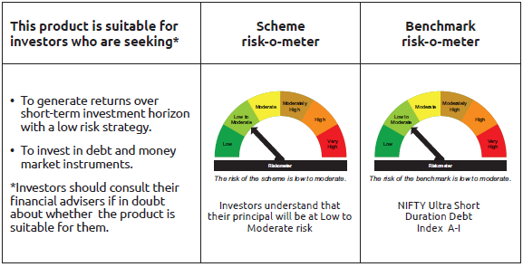
IDF255 | Portfolio Statement as on September 30,2026
 | Bandhan Ultra Short Term Fund

 | Name of the Instrument | ISIN | Industry / Rating | Quantity | Market/Fair Value ( Rs. in Lacs) | % to NAV | YTM
 | Debt Instruments
 | (a) Listed / awaiting listing on Stock Exchange
 | Government Securities
GOI7093 | 6.87% Uttar Pradesh SDL (MD 30/11/2026) | IN3320160283 | SOVEREIGN | 2,000,000 | 2,003.61 | 0.49% | 5.61%
GOI2089 | 8.15% Tamil Nadu SDL (MD 09/05/2028) | IN3120180036 | SOVEREIGN | 500,000 | 508.96 | 0.12% | 7.06%
GOI1875 | 7.61% Tamil Nadu SDL (MD 15/02/2027) | IN3120160194 | SOVEREIGN | 500,000 | 502.56 | 0.12% | 6.10%
GOI2070 | 7.27% Karnataka SDL (MD 28/12/2026) | IN1920160067 | SOVEREIGN | 500,000 | 501.77 | 0.12% | 5.69%
GOI1686 | 7.25% Maharashtra SDL (MD 28/12/2026) | IN2220160120 | SOVEREIGN | 500,000 | 501.75 | 0.12% | 5.69%
GOI3816 | 7.2% Bihar SDL (MD 25/01/2027) | IN1320160154 | SOVEREIGN | 500,000 | 501.50 | 0.12% | 6.13%
GOI6974 | 6.86% Haryana SDL (MD 23/11/2026) | IN1620160235 | SOVEREIGN | 500,000 | 500.73 | 0.12% | 5.67%
GOI1957 | 7.82% Karnataka SDL (MD 27/12/2027) | IN1920170132 | SOVEREIGN | 250,000 | 252.97 | 0.06% | 6.91%
 | Non Convertible Debentures
SIDB539 | 7.79% Small Industries Dev Bank of India | INE556F08KM1 | CRISIL AAA | 20,000,000 | 20,027.26 | 4.89% | 7.58%
TCHF401 | 8.1% Tata Capital Housing Finance Limited ** | INE033L07IE2 | CRISIL AAA | 19,500,000 | 19,526.87 | 4.77% | 7.37%
TCAL542 | 8.3% Tata Capital Limited | INE976I07DC3 | ICRA AAA | 9,000,000 | 9,015.34 | 2.20% | 7.57%
BHFL125 | 7.66% Bajaj Housing Finance Limited ** | INE377Y07532 | CRISIL AAA | 8,000,000 | 7,949.31 | 1.94% | 8.08%
BHFL114 | 8.04% Bajaj Housing Finance Limited ** | INE377Y07441 | CRISIL AAA | 7,500,000 | 7,508.60 | 1.83% | 7.24%
BHFL88 | 7.7% Bajaj Housing Finance Limited | INE377Y07300 | CRISIL AAA | 6,000,000 | 5,987.79 | 1.46% | 7.82%
NBAR732 | 7.83% National Bank For Agriculture and Rural Development ** | INE261F08ED0 | CRISIL AAA | 5,700,000 | 5,711.19 | 1.39% | 6.63%
TCHF397 | 8.0409% Tata Capital Housing Finance Limited ** | INE033L07ID4 | CRISIL AAA | 5,000,000 | 5,008.56 | 1.22% | 7.35%
BAFL906 | 8.1167% Bajaj Finance Limited | INE296A07SX7 | CRISIL AAA | 5,000,000 | 4,999.19 | 1.22% | 7.89%
RECL476 | 6.37% REC Limited ** | INE020B08FX4 | ICRA AAA | 5,000,000 | 4,975.46 | 1.21% | 7.16%
RECL355 | 8.37% REC Limited ** | INE020B08BH6 | CRISIL AAA | 2,500,000 | 2,538.79 | 0.62% | 7.72%
LICH666 | 7.835% LIC Housing Finance Limited ** | INE115A07QO2 | CRISIL AAA | 2,500,000 | 2,499.58 | 0.61% | 7.63%
BAFL824 | 7.95% Bajaj Finance Limited ** | INE296A07SE7 | CRISIL AAA | 2,500,000 | 2,497.06 | 0.61% | 8.05%
CHOL1081 | 8.2% Cholamandalam Investment and Finance Company Ltd ** | INE121A07SL2 | ICRA AA+ | 2,500,000 | 2,494.93 | 0.61% | 8.30%
BAFL943 | 7.7951% Bajaj Finance Limited | INE296A07TF2 | CRISIL AAA | 2,500,000 | 2,491.85 | 0.61% | 8.05%
MUFL464 | 8.05% Muthoot Finance Limited | INE414G07JQ6 | CRISIL AA+ | 2,500,000 | 2,482.35 | 0.61% | 8.68%
BHFL135 | 7.02% Bajaj Housing Finance Limited ** | INE377Y07565 | CRISIL AAA | 2,500,000 | 2,457.16 | 0.60% | 8.13%
SIDB614 | 6.66% Small Industries Dev Bank of India ** | INE556F08KZ3 | CRISIL AAA | 2,500,000 | 2,444.83 | 0.60% | 7.86%
MUFL413 | 8.78% Muthoot Finance Limited ** | INE414G07IR6 | CRISIL AA+ | 2,000,000 | 2,003.97 | 0.49% | 8.19%
POWF368 | 7.18% Power Finance Corporation Limited ** | INE134E08IR3 | CRISIL AAA | 1,500,000 | 1,500.20 | 0.37% | 7.03%
TCHF381 | 8% Tata Capital Housing Finance Limited ** | INE033L07HY2 | CRISIL AAA | 1,000,000 | 999.80 | 0.24% | 7.99%
IRLY375 | 7.68% Indian Railway Finance Corporation Limited ** | INE053F08338 | CRISIL AAA | 700,000 | 701.40 | 0.17% | 6.38%
LICH687 | 7.69% LIC Housing Finance Limited ** | INE115A07RA9 | CRISIL AAA | 700,000 | 700.83 | 0.17% | 6.66%
CHOL1092 | 7.38% Cholamandalam Investment and Finance Company Ltd ** | INE121A07SN8 | ICRA AA+ | 500,000 | 497.45 | 0.12% | 8.00%
 | Subtotal |  |  |  | 122,293.62 | 29.83%
 | (b) Privately placed / Unlisted |  |  |  | NIL | NIL | NIL
 | Subtotal |  |  |  | NIL | NIL | NIL
 | Total |  |  |  | 122,293.62 | 29.83%
 | Money Market Instruments
 | Certificate of Deposit
HDFB1034 | HDFC Bank Limited ** | INE040A16IK8 | CARE A1+ | 27,500,000 | 26,937.08 | 6.57% | 6.75%
CANB1082 | Canara Bank | INE476A16G28 | CRISIL A1+ | 25,000,000 | 24,462.78 | 5.97% | 6.74%
NBAR872 | National Bank For Agriculture and Rural Development ** | INE261F16AF6 | ICRA A1+ | 22,500,000 | 22,030.76 | 5.38% | 6.88%
NBAR870 | National Bank For Agriculture and Rural Development ** | INE261F16AD1 | CRISIL A1+ | 17,500,000 | 17,160.38 | 4.19% | 6.88%
EXIM816 | Export Import Bank of India ** | INE514E16CO9 | CRISIL A1+ | 15,000,000 | 14,677.43 | 3.58% | 6.69%
SIDB648 | Small Industries Dev Bank of India ** | INE556F16BX0 | CRISIL A1+ | 10,000,000 | 9,778.34 | 2.39% | 6.90%
UTIB1390 | Axis Bank Limited ** | INE238AD6BV1 | CRISIL A1+ | 7,500,000 | 7,358.79 | 1.80% | 6.73%
BKBA571 | Bank of Baroda | INE028A16LD2 | CARE A1+ | 7,500,000 | 7,343.72 | 1.79% | 6.70%
PUBA1142 | Punjab National Bank ** | INE160A16UD4 | CRISIL A1+ | 6,500,000 | 6,352.17 | 1.55% | 6.74%
HDFB1076 | HDFC Bank Limited | INE040A16KD9 | ICRA A1+ | 6,000,000 | 5,884.64 | 1.44% | 6.75%
BKBA562 | Bank of Baroda | INE028A16KZ7 | FITCH A1+ | 5,000,000 | 4,908.65 | 1.20% | 6.66%
UTIB1385 | Axis Bank Limited ** | INE238AD6BW9 | CRISIL A1+ | 5,000,000 | 4,904.97 | 1.20% | 6.74%
SIDB645 | Small Industries Dev Bank of India ** | INE556F16BV4 | CRISIL A1+ | 5,000,000 | 4,902.76 | 1.20% | 6.90%
BKBA565 | Bank of Baroda ** | INE028A16LE0 | CARE A1+ | 5,000,000 | 4,887.20 | 1.19% | 6.74%
PUBA1144 | Punjab National Bank ** | INE160A16UE2 | CRISIL A1+ | 5,000,000 | 4,885.41 | 1.19% | 6.74%
PUBA1149 | Punjab National Bank | INE160A16UI3 | CARE A1+ | 5,000,000 | 4,880.97 | 1.19% | 6.74%
HDFB1051 | HDFC Bank Limited ** | INE040A16JC3 | CARE A1+ | 5,000,000 | 4,875.83 | 1.19% | 6.79%
NBAR894 | National Bank For Agriculture and Rural Development ** | INE261F16AP5 | CRISIL A1+ | 5,000,000 | 4,844.41 | 1.18% | 7.02%
INBK524 | Indian Bank ** | INE562A16QO6 | CRISIL A1+ | 2,500,000 | 2,470.34 | 0.60% | 6.26%
CANB1083 | Canara Bank ** | INE476A16G36 | CRISIL A1+ | 2,500,000 | 2,446.18 | 0.60% | 6.69%
CANB1084 | Canara Bank ** | INE476A16G44 | CRISIL A1+ | 2,500,000 | 2,444.04 | 0.60% | 6.74%
BKBA568 | Bank of Baroda ** | INE028A16LH3 | CARE A1+ | 2,500,000 | 2,442.72 | 0.60% | 6.74%
BKBA595 | Bank of Baroda ** | INE028A16MQ2 | FITCH A1+ | 500,000 | 494.31 | 0.12% | 6.28%
 | Commercial Paper
ICBR702 | ICICI Securities Limited ** | INE763G14M28 | CRISIL A1+ | 15,000,000 | 14,756.85 | 3.60% | 7.16%
MMFS1224 | Mahindra & Mahindra Financial Services Limited ** | INE774D14TU7 | CRISIL A1+ | 7,500,000 | 7,405.46 | 1.81% | 6.95%
BAFL1055 | Bajaj Finance Limited ** | INE296A14H43 | ICRA A1+ | 7,500,000 | 7,133.69 | 1.74% | 7.65%
MMFS1222 | Mahindra & Mahindra Financial Services Limited ** | INE774D14TS1 | CRISIL A1+ | 5,000,000 | 4,930.48 | 1.20% | 6.96%
BACR25 | Bajaj Auto Credit Limited ** | INE18UV14083 | CRISIL A1+ | 5,000,000 | 4,859.20 | 1.19% | 7.35%
EXIM836 | Export Import Bank of India | INE514E14TU5 | CRISIL A1+ | 5,000,000 | 4,851.64 | 1.18% | 6.89%
TCAL540 | Tata Capital Limited ** | INE976I14RA3 | CRISIL A1+ | 2,500,000 | 2,423.11 | 0.59% | 7.29%
RECL497 | REC Limited | INE020B14748 | CRISIL A1+ | 2,500,000 | 2,422.82 | 0.59% | 6.88%
BAFL1060 | Bajaj Finance Limited ** | INE296A14G69 | ICRA A1+ | 2,500,000 | 2,390.77 | 0.58% | 7.65%
BGFL1178 | Aditya Birla Capital Limited ** | INE674K14BS6 | ICRA A1+ | 500,000 | 487.30 | 0.12% | 7.26%
 | Treasury Bill
TBIL2677 | 91 Days Tbill (MD 01/10/2026) | IN002026X131 | SOVEREIGN | 20,000,000 | 20,000.00 | 4.88% | 5.30%
TBIL2708 | 91 Days Tbill (MD 17/12/2026) | IN002026X248 | SOVEREIGN | 3,479,100 | 3,439.20 | 0.84% | 5.50%
TBIL2670 | 182 Days Tbill (MD 17/12/2026) | IN002026Y113 | SOVEREIGN | 2,500,000 | 2,471.33 | 0.60% | 5.50%
 | TREPS / Reverse Repo Instrument
TRP_011026 | Triparty Repo TRP_011026 |  |  |  | 22,562.75 | 5.51% | 5.10%
 | Total |  |  |  | 291,508.48 | 71.15%
 | Corporate Debt Market Development Fund
CDMD50ME | Corporate Debt Market Development Fund Class A2 | INF0RQ622028 |  | 11,243.587 | 1,349.95 | 0.33%
 | Total |  |  |  | 1,349.95 | 0.33%
 | OTHERS
 | Cash Margin - CCIL |  |  |  | 91.38 | 0.02%
 | Subtotal |  |  |  | 91.38 | 0.02%
 | Net Current Assets |  |  |  | (5,464.12) | -1.33%
 | GRAND TOTAL |  |  |  | 409,779.31 | 100.00%

 | ** Thinly Traded/Non Traded Securities/Illiquid Securities

 | As per the requirement of regulation 43A of SEBI (Mutual Funds) Regulations, 1996, SEBI circular no. SEBI/HO/IMD/PoD2/P/CIR/2023/128 dated July 27, 2023 on framework for Corporate Debt Market Development Fund and SEBI circular no. SEBI/HO/IMD/PoD2 /P/CIR/2023/129 dated July 27, 2023 on investment by mutual fund schemes and Asset Management Companies (AMCs) in units of Corporate Debt Market Development Fund (“CDMDF”), specified open ended debt-oriented schemes of Bandhan Mutual Fund and Bandhan AMC Limited (‘AMC’) shall invest percentage of net assets in the units of the CDMDF.

Bandhan DBF
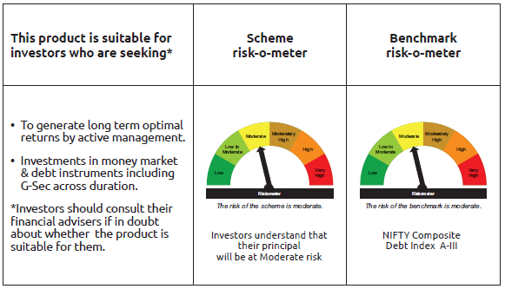
IDF006 | Portfolio Statement as on September 30,2026
 | Bandhan Dynamic Term Fund

 | Name of the Instrument | ISIN | Industry / Rating | Quantity | Market/Fair Value ( Rs. in Lacs) | % to NAV | YTM
 | Debt Instruments
 | (a) Listed / awaiting listing on Stock Exchange
 | Government Securities
GOI4639 | 7.36% GOI (MD 12/09/2052) | IN0020220086 | SOVEREIGN | 2,500,000 | 2,418.22 | 1.27% | 7.80%
GOI6960 | 7.24% GOI (MD 18/08/2055) | IN0020250075 | SOVEREIGN | 500,000 | 474.50 | 0.25% | 7.83%
 | Non Convertible Debentures
TCHF429 | 7.685% Tata Capital Housing Finance Limited ** | INE033L07IL7 | CRISIL AAA | 6,000,000 | 5,952.46 | 3.12% | 8.15%
BHFL147 | 7.1% Bajaj Housing Finance Limited ** | INE377Y07607 | CRISIL AAA | 3,000,000 | 2,943.35 | 1.54% | 8.14%
 | Subtotal |  |  |  | 11,788.53 | 6.18%
 | (b) Privately placed / Unlisted |  |  |  | NIL | NIL | NIL
 | Subtotal |  |  |  | NIL | NIL | NIL
 | Total |  |  |  | 11,788.53 | 6.18%
 | Money Market Instruments
 | Certificate of Deposit
PUBA1144 | Punjab National Bank ** | INE160A16UE2 | CRISIL A1+ | 15,000,000 | 14,656.22 | 7.67% | 6.74%
CANB1084 | Canara Bank ** | INE476A16G44 | CRISIL A1+ | 12,500,000 | 12,220.19 | 6.40% | 6.74%
SIDB681 | Small Industries Dev Bank of India | INE556F16CF5 | CRISIL A1+ | 12,500,000 | 11,732.90 | 6.14% | 7.60%
CANB1081 | Canara Bank | INE476A16G02 | CRISIL A1+ | 7,500,000 | 7,361.65 | 3.85% | 6.66%
INBK515 | Indian Bank | INE562A16QE7 | CRISIL A1+ | 5,000,000 | 4,907.45 | 2.57% | 6.68%
BKBA571 | Bank of Baroda | INE028A16LD2 | CARE A1+ | 5,000,000 | 4,895.81 | 2.56% | 6.70%
UNBI466 | Union Bank of India | INE692A16KU1 | ICRA A1+ | 2,500,000 | 2,450.38 | 1.28% | 6.72%
BKBA567 | Bank of Baroda ** | INE028A16LG5 | CARE A1+ | 2,500,000 | 2,444.04 | 1.28% | 6.74%
INBK517 | Indian Bank ** | INE562A16QI8 | CRISIL A1+ | 2,500,000 | 2,442.70 | 1.28% | 6.74%
 | TREPS / Reverse Repo Instrument
TRP_011026 | Triparty Repo TRP_011026 |  |  |  | 114,803.73 | 60.11% | 5.10%
 | Total |  |  |  | 177,915.07 | 93.14%
 | Corporate Debt Market Development Fund
CDMD50ME | Corporate Debt Market Development Fund Class A2 | INF0RQ622028 |  | 7,533.694 | 904.52 | 0.47%
 | Total |  |  |  | 904.52 | 0.47%
 | OTHERS
 | Cash Margin - CCIL |  |  |  | 104.97 | 0.05%
 | Subtotal |  |  |  | 104.97 | 0.05%
 | Net Current Assets |  |  |  | 278.85 | 0.16%
 | GRAND TOTAL |  |  |  | 190,991.94 | 100.00%

 | ** Thinly Traded/Non Traded Securities/Illiquid Securities

 | As per the requirement of regulation 43A of SEBI (Mutual Funds) Regulations, 1996, SEBI circular no. SEBI/HO/IMD/PoD2/P/CIR/2023/128 dated July 27, 2023 on framework for Corporate Debt Market Development Fund and SEBI circular no. SEBI/HO/IMD/PoD2 /P/CIR/2023/129 dated July 27, 2023 on investment by mutual fund schemes and Asset Management Companies (AMCs) in units of Corporate Debt Market Development Fund (“CDMDF”), specified open ended debt-oriented schemes of Bandhan Mutual Fund and Bandhan AMC Limited (‘AMC’) shall invest percentage of net assets in the units of the CDMDF.

Bandhan Medium to Long Term
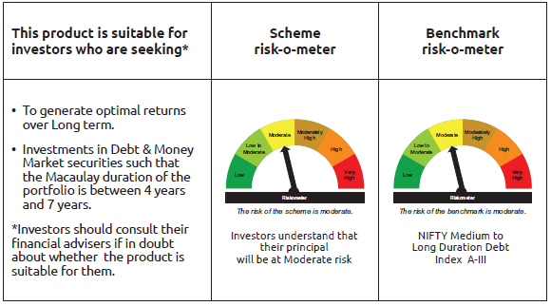
IDF010 | Portfolio Statement as on September 30,2026
 | Bandhan Medium to Long Term Fund

 | Name of the Instrument | ISIN | Industry / Rating | Quantity | Market/Fair Value ( Rs. in Lacs) | % to NAV | YTM
 | Debt Instruments
 | (a) Listed / awaiting listing on Stock Exchange
 | Government Securities
GOI5152 | 7.3% GOI (MD 19/06/2053) | IN0020230051 | SOVEREIGN | 700,000 | 672.11 | 1.57% | 7.80%
GOI4639 | 7.36% GOI (MD 12/09/2052) | IN0020220086 | SOVEREIGN | 400,000 | 386.92 | 0.90% | 7.80%
GOI6960 | 7.24% GOI (MD 18/08/2055) | IN0020250075 | SOVEREIGN | 300,000 | 284.70 | 0.67% | 7.83%
GOI1864 | 6.79% GOI (MD 15/05/2027) | IN0020170026 | SOVEREIGN | 100,000 | 100.40 | 0.23% | 6.20%
GOI1364 | 7.73% GOI (MD 19/12/2034) | IN0020150051 | SOVEREIGN | 37,500 | 38.81 | 0.09% | 7.29%
 | Non Convertible Debentures
IRLY380 | 7.46% Indian Railway Finance Corporation Limited ** | INE053F08387 | CRISIL AAA | 2,500,000 | 2,487.08 | 5.81% | 7.70%
NBAR838 | 7.48% National Bank For Agriculture and Rural Development | INE261F08EO7 | CRISIL AAA | 2,500,000 | 2,486.13 | 5.81% | 7.79%
BAFL863 | 7.85% Bajaj Finance Limited ** | INE296A07SO6 | CRISIL AAA | 2,500,000 | 2,484.23 | 5.81% | 8.21%
EXIM792 | 7.14% Export Import Bank of India | INE514E08GD0 | CRISIL AAA | 2,500,000 | 2,463.92 | 5.76% | 7.65%
BAFL830 | 7.88% Bajaj Finance Limited ** | INE296A07SG2 | CRISIL AAA | 1,000,000 | 995.72 | 2.33% | 8.18%
TCHF429 | 7.685% Tata Capital Housing Finance Limited ** | INE033L07IL7 | CRISIL AAA | 1,000,000 | 992.08 | 2.32% | 8.15%
BHFL147 | 7.1% Bajaj Housing Finance Limited ** | INE377Y07607 | CRISIL AAA | 1,000,000 | 981.12 | 2.29% | 8.14%
LICH701 | 6.9% LIC Housing Finance Limited | INE115A07RH4 | CRISIL AAA | 500,000 | 495.88 | 1.16% | 7.80%
TCFS680 | 8.098% Tata Capital Limited ** | INE306N07NS8 | CRISIL AAA | 200,000 | 200.36 | 0.47% | 7.47%
 | Subtotal |  |  |  | 15,069.46 | 35.22%
 | (b) Privately placed / Unlisted |  |  |  | NIL | NIL | NIL
 | Subtotal |  |  |  | NIL | NIL | NIL
 | Total |  |  |  | 15,069.46 | 35.22%
 | Money Market Instruments
 | Certificate of Deposit
CANB1081 | Canara Bank | INE476A16G02 | CRISIL A1+ | 2,500,000 | 2,453.88 | 5.74% | 6.66%
SIDB681 | Small Industries Dev Bank of India | INE556F16CF5 | CRISIL A1+ | 2,500,000 | 2,346.58 | 5.49% | 7.60%
PUBA1142 | Punjab National Bank ** | INE160A16UD4 | CRISIL A1+ | 2,000,000 | 1,954.51 | 4.57% | 6.74%
UTIB1398 | Axis Bank Limited | INE238AD6CN6 | CRISIL A1+ | 1,500,000 | 1,482.93 | 3.47% | 6.27%
SIDB671 | Small Industries Dev Bank of India | INE556F16CE8 | CRISIL A1+ | 500,000 | 475.45 | 1.11% | 7.45%
SIDB682 | Small Industries Dev Bank of India ** | INE556F16CG3 | CRISIL A1+ | 500,000 | 468.49 | 1.10% | 7.60%
 | TREPS / Reverse Repo Instrument
TRP_011026 | Triparty Repo TRP_011026 |  |  |  | 17,678.70 | 41.33% | 5.10%
 | Total |  |  |  | 26,860.54 | 62.81%
 | Corporate Debt Market Development Fund
CDMD50ME | Corporate Debt Market Development Fund Class A2 | INF0RQ622028 |  | 1,254.137 | 150.58 | 0.35%
 | Total |  |  |  | 150.58 | 0.35%
 | OTHERS
 | Cash Margin - CCIL |  |  |  | 47.18 | 0.11%
 | Subtotal |  |  |  | 47.18 | 0.11%
 | Net Current Assets |  |  |  | 650.08 | 1.51%
 | GRAND TOTAL |  |  |  | 42,777.84 | 100.00%

 | ** Thinly Traded/Non Traded Securities/Illiquid Securities

 | As per the requirement of regulation 43A of SEBI (Mutual Funds) Regulations, 1996, SEBI circular no. SEBI/HO/IMD/PoD2/P/CIR/2023/128 dated July 27, 2023 on framework for Corporate Debt Market Development Fund and SEBI circular no. SEBI/HO/IMD/PoD2 /P/CIR/2023/129 dated July 27, 2023 on investment by mutual fund schemes and Asset Management Companies (AMCs) in units of Corporate Debt Market Development Fund (“CDMDF”), specified open ended debt-oriented schemes of Bandhan Mutual Fund and Bandhan AMC Limited (‘AMC’) shall invest percentage of net assets in the units of the CDMDF.

Bandhan Medium Term Fund
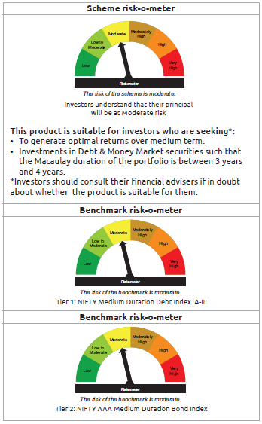
IDF011 | Portfolio Statement as on September 30,2026
 | Bandhan Medium Term Fund

 | Name of the Instrument | ISIN | Industry / Rating | Quantity | Market/Fair Value ( Rs. in Lacs) | % to NAV | YTM
 | Debt Instruments
 | (a) Listed / awaiting listing on Stock Exchange
 | Government Securities
GOI5152 | 7.3% GOI (MD 19/06/2053) | IN0020230051 | SOVEREIGN | 2,200,000 | 2,112.35 | 1.70% | 7.80%
GOI6960 | 7.24% GOI (MD 18/08/2055) | IN0020250075 | SOVEREIGN | 700,000 | 664.30 | 0.53% | 7.83%
GOI4986 | 7.68% Gujarat SDL (MD 15/02/2030) | IN1520220238 | SOVEREIGN | 500,000 | 504.60 | 0.41% | 7.50%
GOI2153 | 8.37% Tamil Nadu SDL (MD 05/12/2028) | IN3120180176 | SOVEREIGN | 194,600 | 199.12 | 0.16% | 7.32%
GOI1864 | 6.79% GOI (MD 15/05/2027) | IN0020170026 | SOVEREIGN | 20,000 | 20.08 | 0.02% | 6.20%
GOI536 | 8.24% GOI (MD 15/02/2027) | IN0020060078 | SOVEREIGN | 11,000 | 11.08 | 0.01% | 6.01%
 | Non Convertible Debentures
TCHF371 | 7.75% Tata Capital Housing Finance Limited ** | INE033L07HQ8 | CRISIL AAA | 10,500,000 | 10,494.99 | 8.44% | 7.61%
BHFL114 | 8.04% Bajaj Housing Finance Limited ** | INE377Y07441 | CRISIL AAA | 10,000,000 | 10,011.46 | 8.05% | 7.24%
NBAR805 | 7.53% National Bank For Agriculture and Rural Development | INE261F08EM1 | ICRA AAA | 7,500,000 | 7,471.70 | 6.01% | 7.76%
EXIM794 | 7.35% Export Import Bank of India ** | INE514E08GE8 | CRISIL AAA | 5,000,000 | 4,981.91 | 4.00% | 7.57%
IRLY383 | 7.37% Indian Railway Finance Corporation Limited ** | INE053F08411 | CRISIL AAA | 5,000,000 | 4,958.93 | 3.99% | 7.70%
NBAR838 | 7.48% National Bank For Agriculture and Rural Development | INE261F08EO7 | CRISIL AAA | 4,000,000 | 3,977.81 | 3.20% | 7.79%
IRLY377 | 7.57% Indian Railway Finance Corporation Limited ** | INE053F08353 | CRISIL AAA | 2,500,000 | 2,494.21 | 2.00% | 7.70%
POWF546 | 7.45% Power Finance Corporation Limited ** | INE134E08NP7 | CRISIL AAA | 2,500,000 | 2,489.45 | 2.00% | 7.70%
RECL457 | 7.58% REC Limited ** | INE020B08FD6 | ICRA AAA | 2,500,000 | 2,487.09 | 2.00% | 7.78%
SIDB573 | 7.34% Small Industries Dev Bank of India ** | INE556F08KS8 | CRISIL AAA | 2,500,000 | 2,472.75 | 1.99% | 7.88%
BAFL974 | 7.3763% Bajaj Finance Limited | INE296A07TJ4 | CRISIL AAA | 2,500,000 | 2,468.45 | 1.98% | 8.15%
BHFL147 | 7.1% Bajaj Housing Finance Limited ** | INE377Y07607 | CRISIL AAA | 2,500,000 | 2,452.80 | 1.97% | 8.14%
BHFL167 | 7.53% Bajaj Housing Finance Limited | INE377Y07672 | CRISIL AAA | 1,000,000 | 981.55 | 0.79% | 8.25%
TCFS680 | 8.098% Tata Capital Limited ** | INE306N07NS8 | CRISIL AAA | 300,000 | 300.54 | 0.24% | 7.47%
 | Subtotal |  |  |  | 61,555.17 | 49.49%
 | (b) Privately placed / Unlisted |  |  |  | NIL | NIL | NIL
 | Subtotal |  |  |  | NIL | NIL | NIL
 | Total |  |  |  | 61,555.17 | 49.49%
 | Money Market Instruments
 | Certificate of Deposit
HDFB1077 | HDFC Bank Limited ** | INE040A16KF4 | CARE A1+ | 10,000,000 | 9,802.41 | 7.88% | 6.75%
SIDB682 | Small Industries Dev Bank of India ** | INE556F16CG3 | CRISIL A1+ | 6,500,000 | 6,090.40 | 4.90% | 7.60%
UTIB1398 | Axis Bank Limited | INE238AD6CN6 | CRISIL A1+ | 5,500,000 | 5,437.42 | 4.37% | 6.27%
PUBA1142 | Punjab National Bank ** | INE160A16UD4 | CRISIL A1+ | 3,000,000 | 2,931.77 | 2.36% | 6.74%
CANB1078 | Canara Bank ** | INE476A16F78 | CRISIL A1+ | 2,500,000 | 2,466.79 | 1.98% | 6.30%
CANB1081 | Canara Bank | INE476A16G02 | CRISIL A1+ | 2,500,000 | 2,453.88 | 1.97% | 6.66%
BKBA571 | Bank of Baroda | INE028A16LD2 | CARE A1+ | 2,500,000 | 2,447.91 | 1.97% | 6.70%
CANB1082 | Canara Bank | INE476A16G28 | CRISIL A1+ | 2,500,000 | 2,446.28 | 1.97% | 6.74%
BKBA598 | Bank of Baroda ** | INE028A16MV2 | FITCH A1+ | 2,500,000 | 2,378.90 | 1.91% | 7.23%
SIDB681 | Small Industries Dev Bank of India | INE556F16CF5 | CRISIL A1+ | 2,500,000 | 2,346.58 | 1.89% | 7.60%
SIDB683 | Small Industries Dev Bank of India ** | INE556F16CH1 | CRISIL A1+ | 2,500,000 | 2,339.27 | 1.88% | 7.60%
CANB1084 | Canara Bank ** | INE476A16G44 | CRISIL A1+ | 2,000,000 | 1,955.23 | 1.57% | 6.74%
UTIB1388 | Axis Bank Limited ** | INE238AD6CA3 | CRISIL A1+ | 1,500,000 | 1,480.52 | 1.19% | 6.32%
PUBA1145 | Punjab National Bank ** | INE160A16UH5 | CRISIL A1+ | 1,500,000 | 1,464.56 | 1.18% | 6.74%
 | TREPS / Reverse Repo Instrument
TRP_011026 | Triparty Repo TRP_011026 |  |  |  | 13,794.75 | 11.09% | 5.10%
 | Total |  |  |  | 59,836.67 | 48.11%
 | Corporate Debt Market Development Fund
CDMD50ME | Corporate Debt Market Development Fund Class A2 | INF0RQ622028 |  | 5,086.246 | 610.67 | 0.49%
 | Total |  |  |  | 610.67 | 0.49%
 | OTHERS
 | Cash Margin - CCIL |  |  |  | 24.88 | 0.02%
 | Subtotal |  |  |  | 24.88 | 0.02%
 | Net Current Assets |  |  |  | 2,380.48 | 1.89%
 | GRAND TOTAL |  |  |  | 124,407.87 | 100.00%

 | ** Thinly Traded/Non Traded Securities/Illiquid Securities

 | As per the requirement of regulation 43A of SEBI (Mutual Funds) Regulations, 1996, SEBI circular no. SEBI/HO/IMD/PoD2/P/CIR/2023/128 dated July 27, 2023 on framework for Corporate Debt Market Development Fund and SEBI circular no. SEBI/HO/IMD/PoD2 /P/CIR/2023/129 dated July 27, 2023 on investment by mutual fund schemes and Asset Management Companies (AMCs) in units of Corporate Debt Market Development Fund (“CDMDF”), specified open ended debt-oriented schemes of Bandhan Mutual Fund and Bandhan AMC Limited (‘AMC’) shall invest percentage of net assets in the units of the CDMDF.

Bandhan STP
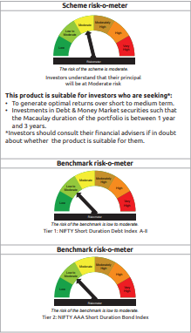
IDF012 | Portfolio Statement as on September 30,2026
 | Bandhan Short Term Fund

 | Name of the Instrument | ISIN | Industry / Rating | Quantity | Market/Fair Value ( Rs. in Lacs) | % to NAV | YTM
 | Debt Instruments
 | (a) Listed / awaiting listing on Stock Exchange
 | Government Securities
GOI2230 | 8.06% Karnataka SDL (MD 27/03/2029) | IN1920180222 | SOVEREIGN | 3,500,000 | 3,564.53 | 0.41% | 7.37%
GOI2255 | 7.39% Maharashtra SDL (MD 03/07/2030) | IN2220190036 | SOVEREIGN | 3,500,000 | 3,498.37 | 0.40% | 7.54%
GOI5152 | 7.3% GOI (MD 19/06/2053) | IN0020230051 | SOVEREIGN | 1,600,000 | 1,536.26 | 0.18% | 7.80%
GOI536 | 8.24% GOI (MD 15/02/2027) | IN0020060078 | SOVEREIGN | 100,000 | 100.77 | 0.01% | 6.01%
GOI1864 | 6.79% GOI (MD 15/05/2027) | IN0020170026 | SOVEREIGN | 85,000 | 85.34 | 0.01% | 6.20%
 | Non Convertible Debentures
NBAR838 | 7.48% National Bank For Agriculture and Rural Development | INE261F08EO7 | CRISIL AAA | 40,000,000 | 39,778.08 | 4.58% | 7.79%
BAFL990 | 7.07% Bajaj Finance Limited ** | INE296A07TN6 | CRISIL AAA | 27,500,000 | 26,950.00 | 3.10% | 8.21%
TCHF375 | 7.8% Tata Capital Housing Finance Limited ** | INE033L07HU0 | CRISIL AAA | 25,000,000 | 24,981.23 | 2.88% | 7.80%
TCAL552 | 8.15% Tata Capital Limited ** | INE976I07DF6 | CRISIL AAA | 20,000,000 | 19,965.96 | 2.30% | 8.19%
IRLY333 | 7.5% Indian Railway Finance Corporation Limited ** | INE053F07BW9 | CRISIL AAA | 20,000,000 | 19,897.80 | 2.29% | 7.70%
BHFL165 | 7.83% Bajaj Housing Finance Limited ** | INE377Y07649 | CRISIL AAA | 20,000,000 | 19,794.10 | 2.28% | 8.25%
RECL365 | 8.3% REC Limited ** | INE020B08BO2 | CRISIL AAA | 18,500,000 | 18,788.53 | 2.16% | 7.74%
LICH680 | 7.74% LIC Housing Finance Limited ** | INE115A07QW5 | CRISIL AAA | 17,000,000 | 16,964.05 | 1.95% | 7.86%
SUFI736 | 7.75% Sundaram Finance Limited ** | INE660A07RN7 | CRISIL AAA | 15,000,000 | 14,901.83 | 1.72% | 8.12%
POWF543 | 7.44% Power Finance Corporation Limited ** | INE134E08NO0 | CRISIL AAA | 12,500,000 | 12,343.84 | 1.42% | 7.87%
BHFL148 | 6.95% Bajaj Housing Finance Limited ** | INE377Y07615 | CRISIL AAA | 12,500,000 | 12,321.40 | 1.42% | 8.08%
IRLY377 | 7.57% Indian Railway Finance Corporation Limited ** | INE053F08353 | CRISIL AAA | 11,500,000 | 11,473.35 | 1.32% | 7.70%
LICH637 | 7.8% LIC Housing Finance Limited ** | INE115A07QC7 | CRISIL AAA | 10,000,000 | 9,988.07 | 1.15% | 7.86%
IRLY380 | 7.46% Indian Railway Finance Corporation Limited ** | INE053F08387 | CRISIL AAA | 10,000,000 | 9,948.33 | 1.15% | 7.70%
IRLY330 | 7.48% Indian Railway Finance Corporation Limited ** | INE053F07BU3 | CRISIL AAA | 10,000,000 | 9,942.08 | 1.15% | 7.71%
BHFL141 | 6.97% Bajaj Housing Finance Limited ** | INE377Y07599 | CRISIL AAA | 10,000,000 | 9,808.29 | 1.13% | 8.14%
BHFL167 | 7.53% Bajaj Housing Finance Limited | INE377Y07672 | CRISIL AAA | 9,000,000 | 8,833.94 | 1.02% | 8.25%
LICH437 | 7.75% LIC Housing Finance Limited ** | INE115A07MQ6 | CRISIL AAA | 7,500,000 | 7,488.53 | 0.86% | 7.86%
BHFL125 | 7.66% Bajaj Housing Finance Limited ** | INE377Y07532 | CRISIL AAA | 7,500,000 | 7,452.48 | 0.86% | 8.08%
IRLY383 | 7.37% Indian Railway Finance Corporation Limited ** | INE053F08411 | CRISIL AAA | 7,500,000 | 7,438.39 | 0.86% | 7.70%
BHFL147 | 7.1% Bajaj Housing Finance Limited ** | INE377Y07607 | CRISIL AAA | 7,500,000 | 7,358.39 | 0.85% | 8.14%
BAFL1022 | 7.24% Bajaj Finance Limited ** | INE296A07TP1 | CRISIL AAA | 7,500,000 | 7,354.17 | 0.85% | 8.21%
IRLY324 | 8.3% Indian Railway Finance Corporation Limited ** | INE053F07BD9 | CRISIL AAA | 7,000,000 | 7,098.12 | 0.82% | 7.68%
RECL478 | 6.6% REC Limited | INE020B08FZ9 | ICRA AAA | 6,500,000 | 6,449.22 | 0.74% | 7.58%
TCHF397 | 8.0409% Tata Capital Housing Finance Limited ** | INE033L07ID4 | CRISIL AAA | 5,000,000 | 5,008.56 | 0.58% | 7.35%
LICH697 | 7.73% LIC Housing Finance Limited ** | INE115A07RE1 | CRISIL AAA | 5,000,000 | 5,003.15 | 0.58% | 7.28%
TCHF371 | 7.75% Tata Capital Housing Finance Limited ** | INE033L07HQ8 | CRISIL AAA | 5,000,000 | 4,997.62 | 0.58% | 7.61%
RECL457 | 7.58% REC Limited ** | INE020B08FD6 | ICRA AAA | 5,000,000 | 4,974.18 | 0.57% | 7.78%
BAFL974 | 7.3763% Bajaj Finance Limited | INE296A07TJ4 | CRISIL AAA | 5,000,000 | 4,936.90 | 0.57% | 8.15%
BAFL991 | 7.11% Bajaj Finance Limited ** | INE296A07TM8 | CRISIL AAA | 5,000,000 | 4,910.51 | 0.57% | 8.21%
LICH701 | 6.9% LIC Housing Finance Limited | INE115A07RH4 | CRISIL AAA | 4,500,000 | 4,462.94 | 0.51% | 7.80%
TCFS549 | 8.65% Tata Capital Limited ** | INE306N07LM5 | CRISIL AAA | 2,500,000 | 2,511.75 | 0.29% | 8.02%
LICH686 | 7.74% LIC Housing Finance Limited ** | INE115A07QZ8 | CRISIL AAA | 2,500,000 | 2,496.67 | 0.29% | 7.86%
NBAR805 | 7.53% National Bank For Agriculture and Rural Development | INE261F08EM1 | ICRA AAA | 2,500,000 | 2,490.57 | 0.29% | 7.76%
RECL437 | 7.46% REC Limited ** | INE020B08EK4 | CRISIL AAA | 2,500,000 | 2,490.02 | 0.29% | 7.68%
POWF546 | 7.45% Power Finance Corporation Limited ** | INE134E08NP7 | CRISIL AAA | 2,500,000 | 2,489.45 | 0.29% | 7.70%
BAFL915 | 8.06% Bajaj Finance Limited ** | INE296A07SZ2 | CRISIL AAA | 2,500,000 | 2,484.58 | 0.29% | 8.30%
JOIC20 | 7.19% JIO Credit Limited ** | INE282H07018 | CRISIL AAA | 2,500,000 | 2,463.80 | 0.28% | 8.24%
KOMP1745 | 7.299% Kotak Mahindra Prime Limited ** | INE916DA7TD8 | CRISIL AAA | 2,500,000 | 2,461.75 | 0.28% | 8.17%
KOMP1746 | 7.288% Kotak Mahindra Prime Limited ** | INE916DA7TE6 | CRISIL AAA | 2,500,000 | 2,459.43 | 0.28% | 8.17%
BHFL114 | 8.04% Bajaj Housing Finance Limited ** | INE377Y07441 | CRISIL AAA | 1,500,000 | 1,501.72 | 0.17% | 7.24%
BAFL830 | 7.88% Bajaj Finance Limited ** | INE296A07SG2 | CRISIL AAA | 1,500,000 | 1,493.58 | 0.17% | 8.18%
 | Subtotal |  |  |  | 405,742.63 | 46.75%
 | (b) Privately placed / Unlisted |  |  |  | NIL | NIL | NIL
 | Subtotal |  |  |  | NIL | NIL | NIL
 | Total |  |  |  | 405,742.63 | 46.75%
 | Money Market Instruments
 | Certificate of Deposit
SIDB682 | Small Industries Dev Bank of India ** | INE556F16CG3 | CRISIL A1+ | 43,000,000 | 40,290.31 | 4.64% | 7.60%
CANB1084 | Canara Bank ** | INE476A16G44 | CRISIL A1+ | 35,500,000 | 34,705.33 | 4.00% | 6.74%
HDFB1077 | HDFC Bank Limited ** | INE040A16KF4 | CARE A1+ | 35,000,000 | 34,308.44 | 3.95% | 6.75%
HDFB1050 | HDFC Bank Limited ** | INE040A16IZ6 | CARE A1+ | 27,500,000 | 26,683.99 | 3.07% | 6.89%
SIDB681 | Small Industries Dev Bank of India | INE556F16CF5 | CRISIL A1+ | 25,000,000 | 23,465.80 | 2.70% | 7.60%
CANB1081 | Canara Bank | INE476A16G02 | CRISIL A1+ | 22,500,000 | 22,084.94 | 2.54% | 6.66%
SIDB683 | Small Industries Dev Bank of India ** | INE556F16CH1 | CRISIL A1+ | 17,500,000 | 16,374.86 | 1.89% | 7.60%
UNBI488 | Union Bank of India ** | INE692A16LR5 | ICRA A1+ | 15,000,000 | 14,582.51 | 1.68% | 6.83%
UTIB1403 | Axis Bank Limited ** | INE238AD6CG0 | CRISIL A1+ | 15,000,000 | 14,574.80 | 1.68% | 6.87%
UTIB1398 | Axis Bank Limited | INE238AD6CN6 | CRISIL A1+ | 10,500,000 | 10,380.53 | 1.20% | 6.27%
KMBK897 | Kotak Mahindra Bank Limited ** | INE237AD6141 | CRISIL A1+ | 10,000,000 | 9,760.98 | 1.12% | 6.67%
PUBA1166 | Punjab National Bank ** | INE160A16UX2 | CRISIL A1+ | 10,000,000 | 9,694.57 | 1.12% | 6.85%
KMBK898 | Kotak Mahindra Bank Limited | INE237AD6158 | CRISIL A1+ | 7,500,000 | 7,397.24 | 0.85% | 6.26%
PUBA1144 | Punjab National Bank ** | INE160A16UE2 | CRISIL A1+ | 7,500,000 | 7,328.11 | 0.84% | 6.74%
UTIB1399 | Axis Bank Limited ** | INE238AD6CO4 | CRISIL A1+ | 7,500,000 | 7,318.25 | 0.84% | 6.77%
BKBA577 | Bank of Baroda | INE028A16LS0 | CARE A1+ | 7,500,000 | 7,283.57 | 0.84% | 6.86%
BKBA598 | Bank of Baroda ** | INE028A16MV2 | FITCH A1+ | 7,500,000 | 7,136.69 | 0.82% | 7.23%
INBK541 | Indian Bank ** | INE562A16RH8 | CRISIL A1+ | 7,500,000 | 7,129.37 | 0.82% | 7.22%
INBK543 | Indian Bank ** | INE562A16RI6 | CRISIL A1+ | 7,500,000 | 7,125.35 | 0.82% | 7.22%
UTIB1402 | Axis Bank Limited ** | INE238AD6BY5 | CRISIL A1+ | 5,000,000 | 4,924.96 | 0.57% | 6.32%
IBCL1181 | ICICI Bank Limited ** | INE090AD6287 | ICRA A1+ | 5,000,000 | 4,880.23 | 0.56% | 6.68%
HDFB1045 | HDFC Bank Limited ** | INE040A16IT9 | CARE A1+ | 5,000,000 | 4,854.31 | 0.56% | 6.89%
BKBA571 | Bank of Baroda | INE028A16LD2 | CARE A1+ | 2,500,000 | 2,447.91 | 0.28% | 6.70%
SIDB648 | Small Industries Dev Bank of India ** | INE556F16BX0 | CRISIL A1+ | 2,500,000 | 2,444.59 | 0.28% | 6.90%
BKBA566 | Bank of Baroda ** | INE028A16LF7 | CARE A1+ | 2,500,000 | 2,443.16 | 0.28% | 6.74%
BKBA568 | Bank of Baroda ** | INE028A16LH3 | CARE A1+ | 2,500,000 | 2,442.72 | 0.28% | 6.74%
HDFB1035 | HDFC Bank Limited ** | INE040A16IM4 | CARE A1+ | 2,500,000 | 2,442.34 | 0.28% | 6.79%
HDFB1051 | HDFC Bank Limited ** | INE040A16JC3 | CARE A1+ | 2,500,000 | 2,437.92 | 0.28% | 6.79%
KMBK900 | Kotak Mahindra Bank Limited ** | INE237AD6166 | CRISIL A1+ | 2,500,000 | 2,430.19 | 0.28% | 6.76%
...
 | Name of the Instrument | ISIN | Industry / Rating | Quantity | Market/Fair Value ( Rs. in Lacs) | % to NAV | YTM
 | GRAND TOTAL |  |  |  | 868,021.54 | 100.00%

 | ** Thinly Traded/Non Traded Securities/Illiquid Securities

 | As per the requirement of regulation 43A of SEBI (Mutual Funds) Regulations, 1996, SEBI circular no. SEBI/HO/IMD/PoD2/P/CIR/2023/128 dated July 27, 2023 on framework for Corporate Debt Market Development Fund and SEBI circular no. SEBI/HO/IMD/PoD2 /P/CIR/2023/129 dated July 27, 2023 on investment by mutual fund schemes and Asset Management Companies (AMCs) in units of Corporate Debt Market Development Fund (“CDMDF”), specified open ended debt-oriented schemes of Bandhan Mutual Fund and Bandhan AMC Limited (‘AMC’) shall invest percentage of net assets in the units of the CDMDF.

Bandhan Banking & PSU
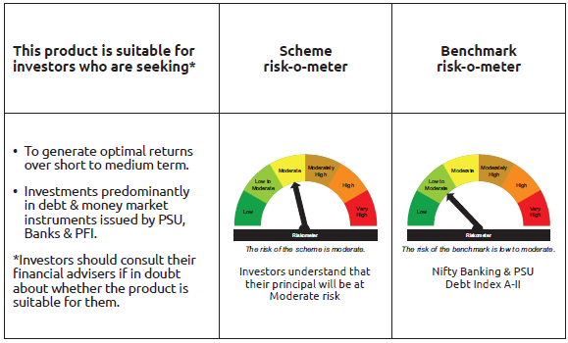
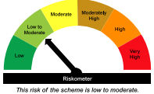
...
Name of the Instrument | ISIN | Industry / Rating | Quantity | Market/Fair Value ( Rs. in Lacs) | % to NAV | YTM
GRAND TOTAL |  |  |  | 1,189,331.51 | 100.00%

** Thinly Traded/Non Traded Securities/Illiquid Securities

As per the requirement of regulation 43A of SEBI (Mutual Funds) Regulations, 1996, SEBI circular no. SEBI/HO/IMD/PoD2/P/CIR/2023/128 dated July 27, 2023 on framework for Corporate Debt Market Development Fund and SEBI circular no. SEBI/HO/IMD/PoD2 /P/CIR/2023/129 dated July 27, 2023 on investment by mutual fund schemes and Asset Management Companies (AMCs) in units of Corporate Debt Market Development Fund (“CDMDF”), specified open ended debt-oriented schemes of Bandhan Mutual Fund and Bandhan AMC Limited (‘AMC’) shall invest percentage of net assets in the units of the CDMDF.

Bandhan CBF
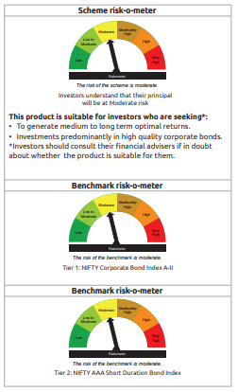
...
Name of the Instrument | ISIN | Industry / Rating | Quantity | Market/Fair Value ( Rs. in Lacs) | % to NAV | YTM
GRAND TOTAL |  |  |  | 1,351,150.33 | 100.00%

** Thinly Traded/Non Traded Securities/Illiquid Securities

As per the requirement of regulation 43A of SEBI (Mutual Funds) Regulations, 1996, SEBI circular no. SEBI/HO/IMD/PoD2/P/CIR/2023/128 dated July 27, 2023 on framework for Corporate Debt Market Development Fund and SEBI circular no. SEBI/HO/IMD/PoD2 /P/CIR/2023/129 dated July 27, 2023 on investment by mutual fund schemes and Asset Management Companies (AMCs) in units of Corporate Debt Market Development Fund (“CDMDF”), specified open ended debt-oriented schemes of Bandhan Mutual Fund and Bandhan AMC Limited (‘AMC’) shall invest percentage of net assets in the units of the CDMDF.

Bandhan CRF
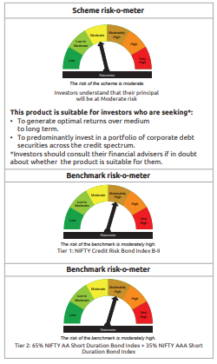
...
Name of the Instrument | ISIN | Industry / Rating | Quantity | Market/Fair Value ( Rs. in Lacs) | % to NAV | YTM
OTHERS
Cash Margin - CCIL |  |  |  | 0.07 | $
Subtotal |  |  |  | 0.07 | $
Net Current Assets |  |  |  | 430.93 | 1.96%
GRAND TOTAL |  |  |  | 22,084.34 | 100.00%

$ Less Than 0.01% of NAV
** Thinly Traded/Non Traded Securities/Illiquid Securities

Bandhan Floating Fund
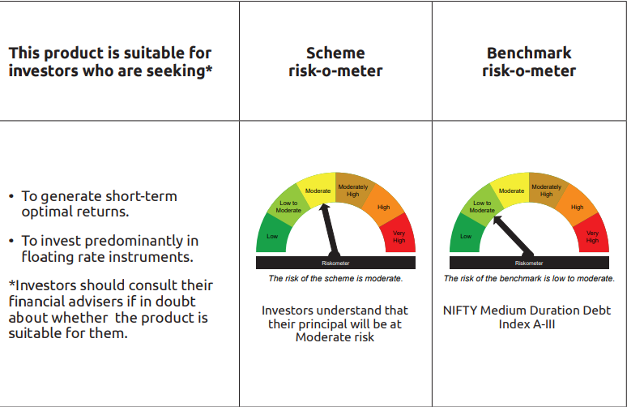
...
** Thinly Traded/Non Traded Securities/Illiquid Securities

“This scheme has exposure to floating rate instruments and / or interest rate derivatives. The duration of these instruments is linked to the interest rate reset period. The interest rate risk in a floating rate instrument or in a fixed rate instrument hedged with derivatives is likely to be lesser than that in an equivalent maturity fixed rate instrument. Under some market circumstances the volatility may be of an order greater than what may ordinarily be expected considering only its duration. Hence investors are recommended to consider the unadjusted portfolio maturity of the scheme as well and exercise adequate due diligence when deciding to make their investments”.

As per the requirement of regulation 43A of SEBI (Mutual Funds) Regulations, 1996, SEBI circular no. SEBI/HO/IMD/PoD2/P/CIR/2023/128 dated July 27, 2023 on framework for Corporate Debt Market Development Fund and SEBI circular no. SEBI/HO/IMD/PoD2 /P/CIR/2023/129 dated July 27, 2023 on investment by mutual fund schemes and Asset Management Companies (AMCs) in units of Corporate Debt Market Development Fund (“CDMDF”), specified open ended debt-oriented schemes of Bandhan Mutual Fund and Bandhan AMC Limited (‘AMC’) shall invest percentage of net assets in the units of the CDMDF.

Bandhan Gilt Fund
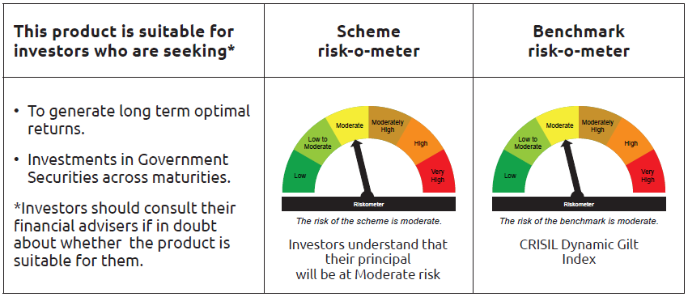
...
 | Name of the Instrument | ISIN | Industry / Rating | Quantity | Market/Fair Value ( Rs. in Lacs) | % to NAV | YTM
 | TREPS / Reverse Repo Instrument
TRP_011026 | Triparty Repo TRP_011026 |  |  |  | 155,634.58 | 92.30% | 5.10%
 | Total |  |  |  | 155,634.58 | 92.30%
 | OTHERS
 | Cash Margin - CCIL |  |  |  | 578.72 | 0.34%
 | Subtotal |  |  |  | 578.72 | 0.34%
 | Net Current Assets |  |  |  | 703.85 | 0.42%
 | GRAND TOTAL |  |  |  | 168,614.22 | 100.00%

Bandhan 10 Year CM Gilt Fund
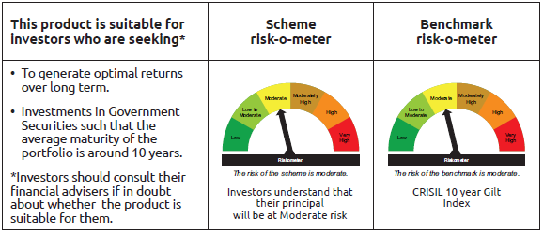
...
Name of the Instrument | ISIN | Industry / Rating | Quantity | Market/Fair Value ( Rs. in Lacs) | % to NAV | YTM
Total |  |  |  | 595.94 | 2.09%
OTHERS
Cash Margin - CCIL |  |  |  | 0.02 | $
Subtotal |  |  |  | 0.02 | $
Net Current Assets |  |  |  | 647.89 | 2.27%
GRAND TOTAL |  |  |  | 28,501.57 | 100.00%

$ Less Than 0.01% of NAV

Bandhan Long Term Fund
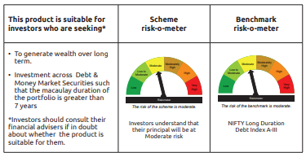
...
Name of the Instrument | ISIN | Industry / Rating | Quantity | Market/Fair Value ( Rs. in Lacs) | % to NAV | YTM
GRAND TOTAL |  |  |  | 4,623.68 | 100.00%

$ Less Than 0.01% of NAV

As per the requirement of regulation 43A of SEBI (Mutual Funds) Regulations, 1996, SEBI circular no. SEBI/HO/IMD/PoD2/P/CIR/2023/128 dated July 27, 2023 on framework for Corporate Debt Market Development Fund and SEBI circular no. SEBI/HO/IMD/PoD2 /P/CIR/2023/129 dated July 27, 2023 on investment by mutual fund schemes and Asset Management Companies (AMCs) in units of Corporate Debt Market Development Fund (“CDMDF”), specified open ended debt-oriented schemes of Bandhan Mutual Fund and Bandhan AMC Limited (‘AMC’) shall invest percentage of net assets in the units of the CDMDF.

Bandhan CRISIL IBX June 2027
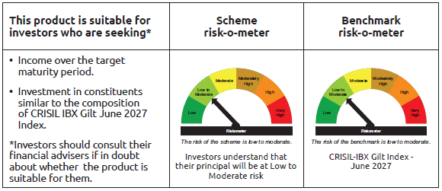
...
Name of the Instrument | ISIN | Industry / Rating | Quantity | Market/Fair Value ( Rs. in Lacs) | % to NAV | YTM
Total |  |  |  | 4,874.33 | 0.94%
OTHERS
Cash Margin - CCIL |  |  |  | 0.11 | $
Subtotal |  |  |  | 0.11 | $
Net Current Assets |  |  |  | 10,148.38 | 1.96%
GRAND TOTAL |  |  |  | 518,154.62 | 100.00%

$ Less Than 0.01% of NAV

Bandhan CRISIL IBX April 2028
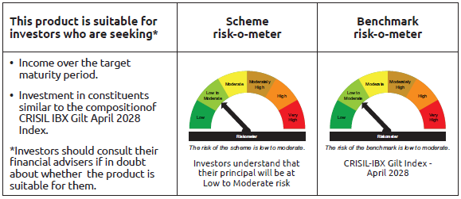
...
Name of the Instrument | ISIN | Industry / Rating | Quantity | Market/Fair Value ( Rs. in Lacs) | % to NAV | YTM
Total |  |  |  | 2,687.86 | 0.80%
OTHERS
Cash Margin - CCIL |  |  |  | 0.06 | $
Subtotal |  |  |  | 0.06 | $
Net Current Assets |  |  |  | 4,349.05 | 1.30%
GRAND TOTAL |  |  |  | 336,716.38 | 100.00%

$ Less Than 0.01% of NAV

BANDHAN CRISIL IBX SDL APR 2032
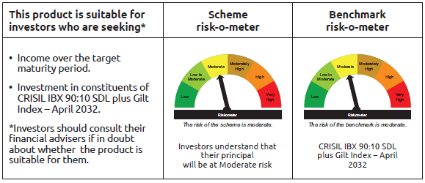
...
Name of the Instrument | ISIN | Industry / Rating | Quantity | Market/Fair Value ( Rs. in Lacs) | % to NAV | YTM
Total |  |  |  | 729.92 | 1.91%
OTHERS
Cash Margin - CCIL |  |  |  | 0.02 | $
Subtotal |  |  |  | 0.02 | $
Net Current Assets |  |  |  | 311.45 | 0.84%
GRAND TOTAL |  |  |  | 38,183.06 | 100.00%

$ Less Than 0.01% of NAV

BANDHAN CRISIL IBX SDL NOV 2026
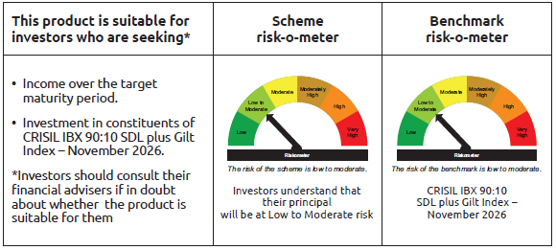
...
 | Name of the Instrument | ISIN | Industry / Rating | Quantity | Market/Fair Value ( Rs. in Lacs) | % to NAV | YTM
 | TREPS / Reverse Repo Instrument
TRP_011026 | Triparty Repo TRP_011026 |  |  |  | 2,115.21 | 23.50% | 5.10%
 | Total |  |  |  | 6,095.64 | 67.73%
 | OTHERS
 | Cash Margin - CCIL |  |  |  | 6.96 | 0.08%
 | Subtotal |  |  |  | 6.96 | 0.08%
 | Net Current Assets |  |  |  | (1,859.61) | -20.66%
 | GRAND TOTAL |  |  |  | 8,999.31 | 100.00%

BANDHAN CRISIL IBX SDL SEP 2027
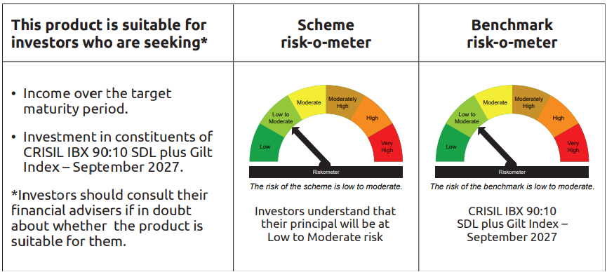
...
Name of the Instrument | ISIN | Industry / Rating | Quantity | Market/Fair Value ( Rs. in Lacs) | % to NAV | YTM
Total |  |  |  | 478.98 | 3.33%
OTHERS
Cash Margin - CCIL |  |  |  | 0.02 | $
Subtotal |  |  |  | 0.02 | $
Net Current Assets |  |  |  | 135.41 | 0.95%
GRAND TOTAL |  |  |  | 14,380.01 | 100.00%

$ Less Than 0.01% of NAV

Bandhan Index April 2032
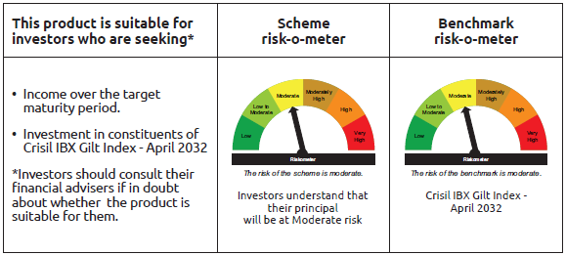
...
Name of the Instrument | ISIN | Industry / Rating | Quantity | Market/Fair Value ( Rs. in Lacs) | % to NAV | YTM
Total |  |  |  | 858.92 | 2.11%
OTHERS
Cash Margin - CCIL |  |  |  | 0.02 | $
Subtotal |  |  |  | 0.02 | $
Net Current Assets |  |  |  | 564.55 | 1.38%
GRAND TOTAL |  |  |  | 40,796.78 | 100.00%

$ Less Than 0.01% of NAV

BANDHAN CRISIL IBX Fin Serv3-6M
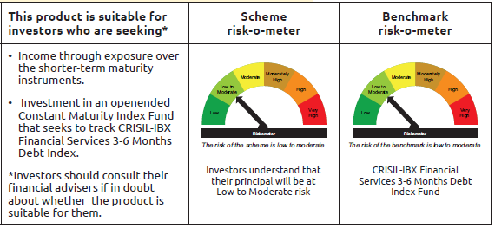
...
Name of the Instrument | ISIN | Industry / Rating | Quantity | Market/Fair Value ( Rs. in Lacs) | % to NAV | YTM
Total |  |  |  | 31,050.61 | 80.30%
OTHERS
Cash Margin - CCIL |  |  |  | 3.57 | 0.01%
Subtotal |  |  |  | 3.57 | 0.01%
Net Current Assets |  |  |  | 113.91 | 0.30%
GRAND TOTAL |  |  |  | 38,666.23 | 100.00%

** Thinly Traded/Non Traded Securities/Illiquid Securities

