NIFTYJBLK
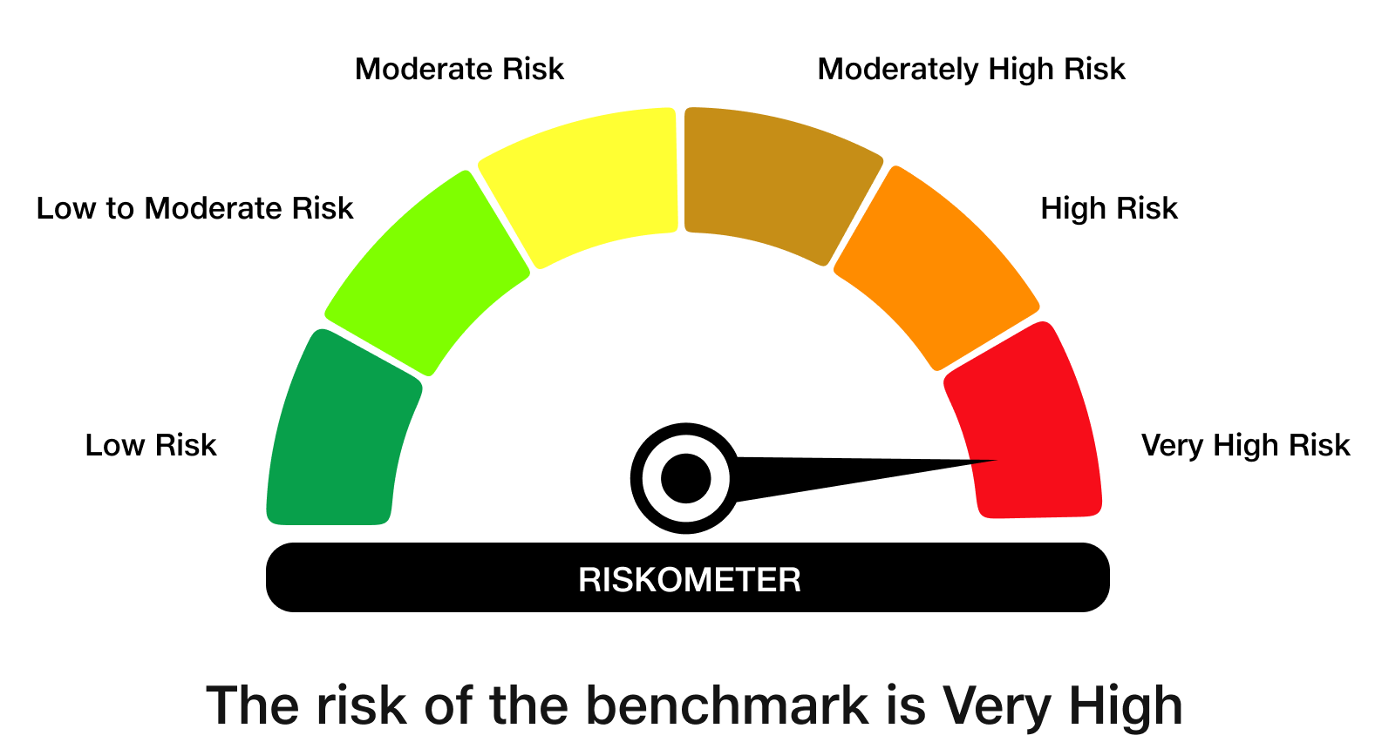
 | JioBlackRock Nifty 50 ETF
-
 | Monthly Portfolio Statement as on September 30, 2026
 | Name of the Instrument | ISIN | Industry Classification | Quantity | Market/Fair Value (Rs. in Lakhs) | % to Net Assets | Yield to Maturity
 | Equity & Equity related
 | (a) Listed / awaiting listing on Stock Exchanges
 | HDFC Bank Ltd | INE040A01034 | Banks | 112,114 | 794.55 | 10.37
 | ICICI Bank Ltd | INE090A01021 | Banks | 52,427 | 692.93 | 9.05
 | Reliance Industries Ltd | INE002A01018 | Petroleum Products | 48,907 | 580.53 | 7.58
 | Bharti Airtel Ltd | INE397D01024 | Telecom - Services | 22,244 | 390.83 | 5.10
 | Larsen & Toubro Ltd | INE018A01030 | Construction | 8,561 | 321.89 | 4.20
 | State Bank of India | INE062A01020 | Banks | 30,229 | 290.05 | 3.79
 | Axis Bank Ltd | INE238A01034 | Banks | 21,028 | 257.80 | 3.37
 | Infosys Ltd | INE009A01021 | IT - Software | 25,833 | 256.81 | 3.35
 | Kotak Mahindra Bank Ltd | INE237A01036 | Banks | 53,862 | 224.60 | 2.93
 | Mahindra & Mahindra Ltd | INE101A01026 | Automobiles | 6,535 | 192.78 | 2.52
 | Bajaj Finance Ltd | INE296A01032 | Finance | 19,958 | 191.48 | 2.50
 | ITC Ltd | INE154A01025 | Diversified FMCG | 70,517 | 185.28 | 2.42
 | Eternal Ltd | INE758T01015 | Retailing | 53,002 | 169.61 | 2.21
 | Tata Consultancy Services Ltd | INE467B01029 | IT - Software | 7,467 | 153.12 | 2.00
 | Sun Pharmaceutical Industries Ltd | INE044A01036 | Pharmaceuticals & Biotechnology | 7,745 | 140.70 | 1.84
 | Titan Co Ltd | INE280A01028 | Consumer Durables | 3,023 | 138.67 | 1.81
 | Hindustan Unilever Ltd | INE030A01027 | Diversified FMCG | 6,490 | 121.95 | 1.59
 | Maruti Suzuki India Ltd | INE585B01010 | Automobiles | 951 | 113.81 | 1.49
 | NTPC Ltd | INE733E01010 | Power | 34,759 | 112.18 | 1.46
 | Tata Steel Ltd | INE081A01020 | Ferrous Metals | 60,689 | 111.85 | 1.46
 | Adani Ports and Special Economic Zone Ltd | INE742F01042 | Transport Infrastructure | 5,732 | 103.08 | 1.35
 | Bharat Electronics Ltd | INE263A01024 | Aerospace & Defense | 26,196 | 101.72 | 1.33
 | Shriram Finance Ltd | INE721A01047 | Finance | 10,246 | 100.69 | 1.31
 | Hindalco Industries Ltd | INE038A01020 | Non - Ferrous Metals | 10,590 | 99.74 | 1.30
 | Ultratech Cement Ltd | INE481G01011 | Cement & Cement Products | 866 | 94.88 | 1.24
 | HCL Technologies Ltd | INE860A01027 | IT - Software | 7,706 | 94.78 | 1.24
 | BSE Ltd | INE118H01025 | Capital Markets | 2,989 | 92.42 | 1.21
 | JSW Steel Ltd | INE019A01038 | Ferrous Metals | 7,042 | 88.26 | 1.15
 | Bajaj Auto Ltd | INE917I01010 | Automobiles | 798 | 86.77 | 1.13
 | Power Grid Corporation of India Ltd | INE752E01010 | Power | 33,121 | 86.28 | 1.13
 | Grasim Industries Ltd | INE047A01021 | Cement & Cement Products | 2,760 | 84.51 | 1.10
 | Interglobe Aviation Ltd | INE646L01027 | Transport Services | 1,656 | 82.54 | 1.08
 | Asian Paints Ltd | INE021A01026 | Consumer Durables | 3,306 | 79.43 | 1.04
 | Coal India Ltd | INE522F01014 | Consumable Fuels | 17,522 | 74.47 | 0.97
 | Bajaj Finserv Ltd | INE918I01026 | Finance | 4,252 | 73.60 | 0.96
 | Eicher Motors Ltd | INE066A01021 | Automobiles | 1,009 | 72.14 | 0.94
 | Adani Enterprises Ltd | INE423A01024 | Metals & Minerals Trading | 2,480 | 72.00 | 0.94
 | Tech Mahindra Ltd | INE669C01036 | IT - Software | 4,646 | 70.81 | 0.92
 | Nestle India Ltd | INE239A01024 | Food Products | 5,245 | 68.71 | 0.90
 | Oil & Natural Gas Corporation Ltd | INE213A01029 | Oil | 28,411 | 64.15 | 0.84
 | Trent Ltd | INE849A01020 | Retailing | 2,434 | 63.81 | 0.83
 | Apollo Hospitals Enterprise Ltd | INE437A01024 | Healthcare Services | 753 | 61.49 | 0.80
 | SBI Life Insurance Co Ltd | INE123W01016 | Insurance | 3,288 | 55.78 | 0.73
 | Cipla Ltd | INE059A01026 | Pharmaceuticals & Biotechnology | 4,116 | 55.40 | 0.72
 | Dr. Reddy's Laboratories Ltd | INE089A01031 | Pharmaceuticals & Biotechnology | 4,461 | 55.00 | 0.72
 | Jio Financial Services Ltd | INE758E01017 | Finance | 24,007 | 52.07 | 0.68
 | Max Healthcare Institute Ltd | INE027H01010 | Healthcare Services | 5,444 | 50.62 | 0.66
 | Tata Consumer Products Ltd | INE192A01025 | Agricultural Food & Other Products | 4,763 | 45.22 | 0.59
 | Tata Motors Passenger Vehicles Ltd | INE155A01022 | Automobiles | 15,304 | 43.39 | 0.57
 | HDFC Life Insurance Co Ltd | INE795G01014 | Insurance | 7,869 | 41.01 | 0.54
 | Sub Total |  |  |  | 7,656.18 | 99.97
 | (b) Unlisted |  |  |  | NIL | NIL
 | Sub Total |  |  |  | NIL | NIL
 | Total |  |  |  | 7,656.18 | 99.97
 | TREPS |  |  |  | 2.33 | 0.03 | 5.16%

 | Net Receivables / (Payables) |  |  |  | (0.09) | (0.00)
 | Grand Total |  |  |  | 7,658.43 | 100.00

 | * Less Than 0.01% of Net Asset Value

 | Notes

 | (1) There is no security which is in default beyond its maturity/ interest payment date.
 | (2) Aggregate value of illiquid equity shares of the fund amounts to Rs. Nil and their percentage to net asset value is Nil.
 | (3) Plan/ Option wise per unit net asset value are as follows:

 | Scheme name | As on August 31, 2026 | As on September 30, 2026
 | JioBlackRock Nifty 50 ETF | 12.3448 | 11.5998

 | (4) There was no distribution (of income and capital) during the month ended September 30, 2026.
 | (5) Total outstanding exposure in derivative instruments as on September 30, 2026 is Rs. Nil.
 | (6) Total market value of investments in foreign securities/ American Depository Receipts/ Global Depository Receipts as at September 30, 2026 is Rs. Nil.
 | (7) During the period, the portfolio turnover ratio is 0.01 times.
 | (8) Repo transactions in corporate debt securities as on September 30, 2026 is Rs. Nil.

 | Scheme Risk-O-Meter

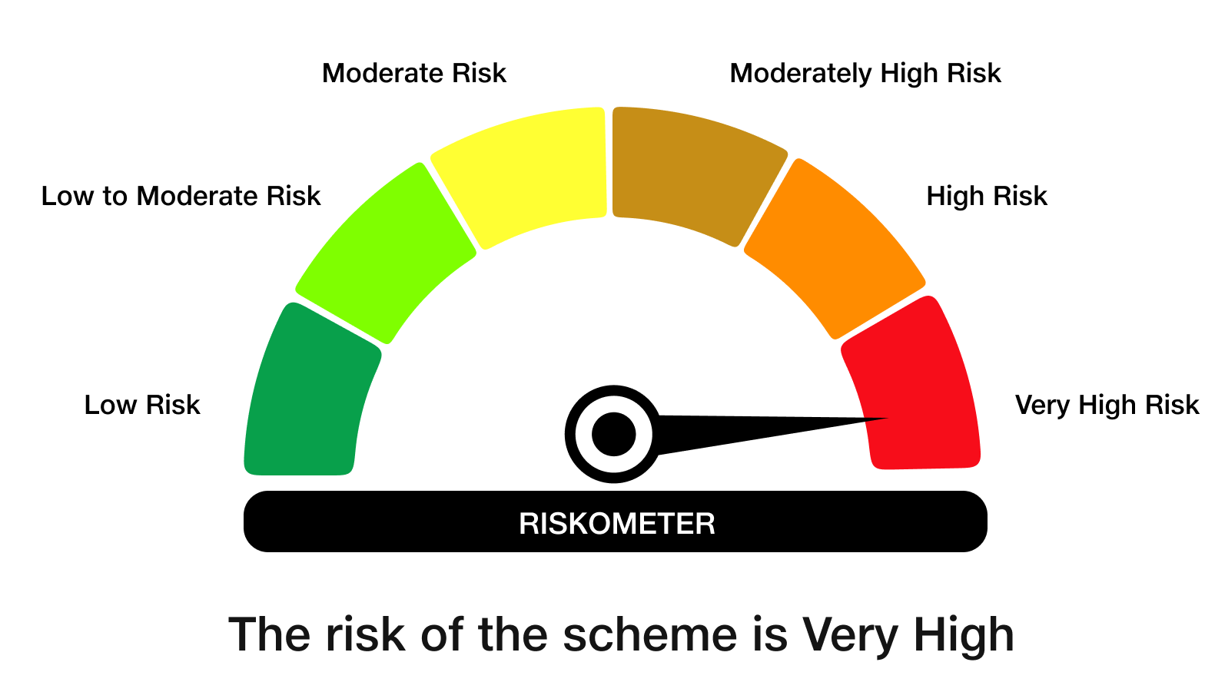

 | Benchmark Risk-O-Meter
 | Benchmark Name - NIFTY 50 Index (TRI)

JBMMF
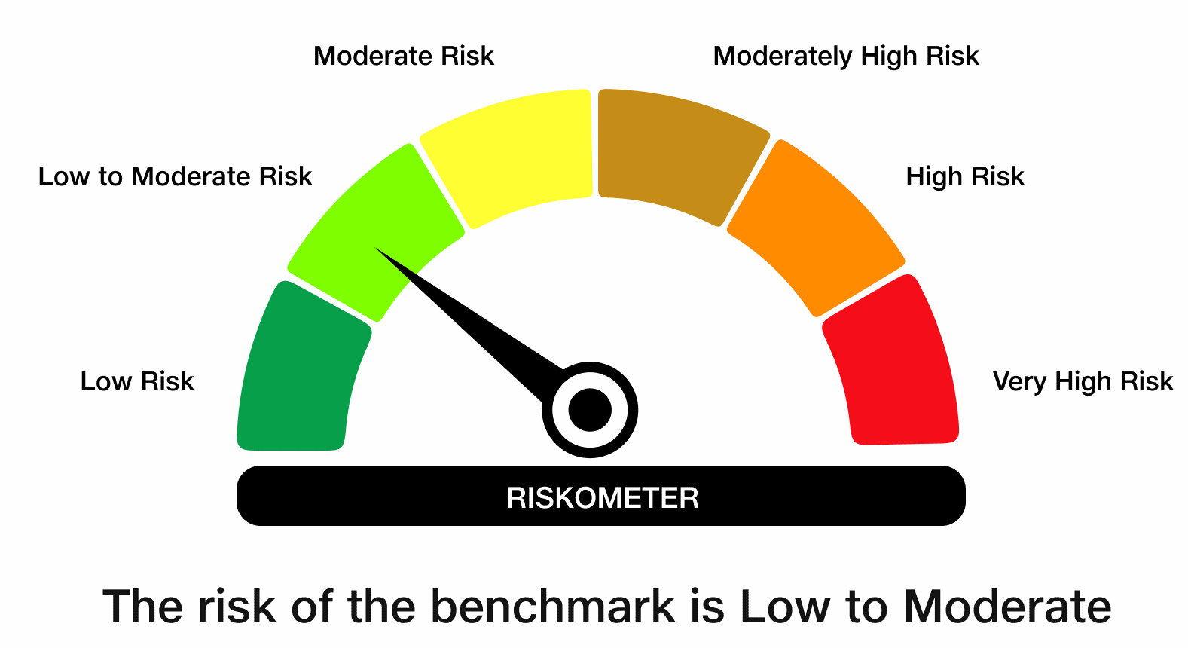
 | JioBlackRock Money Market Fund
-
 | Monthly Portfolio Statement as on September 30, 2026
 | Name of the Instrument | ISIN | Rating | Quantity | Market/Fair Value (Rs. in Lakhs) | % to Net Assets | Yield to Maturity | Yield to Call ^
 | Money Market Instruments
 | Certificate of Deposit
 | Canara Bank (12-Mar-2027) ** | INE476A16H92 | ICRA A1+ | 6,960 | 33,772.95 | 7.24 | 6.85%
 | Bank of Baroda (05-Mar-2027) ** | INE028A16LR2 | CRISIL A1+ | 6,500 | 31,582.33 | 6.77 | 6.84%
 | HDFC Bank Ltd (15-Jan-2027) | INE040A16KD9 | CARE A1+ | 4,000 | 19,615.48 | 4.21 | 6.75%
 | Punjab National Bank (12-Mar-2027) | INE160A16UV6 | CRISIL A1+ | 4,000 | 19,409.06 | 4.16 | 6.86%
 | National Bank For Agriculture & Rural Development (17-Mar-2027) ** | INE261F16AP5 | ICRA A1+ | 4,000 | 19,377.62 | 4.16 | 7.02%
 | Punjab National Bank (10-Feb-2027) | INE160A16UI3 | CRISIL A1+ | 2,500 | 12,202.43 | 2.62 | 6.74%
 | Union Bank of India (16-Mar-2027) | INE692A16LS3 | ICRA A1+ | 2,500 | 12,123.41 | 2.60 | 6.83%
 | Small Industries Development Bank of India (16-Dec-2026) ** | INE556F16BT8 | CRISIL A1+ | 2,000 | 9,869.10 | 2.12 | 6.37%
 | HDFC Bank Ltd (18-Jan-2027) ** | INE040A16KF4 | CARE A1+ | 2,000 | 9,802.41 | 2.10 | 6.75%
 | Export-Import Bank Of India (01-Mar-2027) ** | INE514E16CP6 | CRISIL A1+ | 2,000 | 9,725.41 | 2.09 | 6.83%
 | Bank of Baroda (08-Mar-2027) | INE028A16LS0 | CARE A1+ | 2,000 | 9,711.42 | 2.08 | 6.86%
 | HDFC Bank Ltd (09-Mar-2027) ** | INE040A16IT9 | CRISIL A1+ | 2,000 | 9,708.61 | 2.08 | 6.89%
 | Union Bank of India (15-Mar-2027) ** | INE692A16LP9 | CRISIL A1+ | 2,000 | 9,700.50 | 2.08 | 6.83%
 | Small Industries Development Bank of India (11-Jun-2027) | INE556F16CE8 | CRISIL A1+ | 2,000 | 9,508.95 | 2.04 | 7.45%
 | National Bank For Agriculture & Rural Development (02-Mar-2027) ** | INE261F16AM2 | CRISIL A1+ | 1,800 | 8,744.37 | 1.88 | 7.02%
 | HDFC Bank Ltd (12-Mar-2027) ** | INE040A16IZ6 | CRISIL A1+ | 1,500 | 7,277.45 | 1.56 | 6.89%
 | Small Industries Development Bank of India (11-Aug-2027) | INE556F16CF5 | CRISIL A1+ | 1,500 | 7,039.74 | 1.51 | 7.60%
 | Punjab National Bank (09-Mar-2027) ** | INE160A16UQ6 | CRISIL A1+ | 1,300 | 6,311.80 | 1.35 | 6.85%
 | Canara Bank (02-Mar-2027) | INE476A16H35 | CRISIL A1+ | 1,000 | 4,860.54 | 1.04 | 6.89%
 | HDFC Bank Ltd (05-Mar-2027) | INE040A16IU7 | CRISIL A1+ | 1,000 | 4,857.87 | 1.04 | 6.89%
 | Kotak Mahindra Bank Ltd (09-Mar-2027) | INE237AD6174 | CRISIL A1+ | 1,000 | 4,857.39 | 1.04 | 6.74%
 | ICICI Bank Ltd (08-Mar-2027) ** | INE090AD6295 | CRISIL A1+ | 1,000 | 4,856.97 | 1.04 | 6.80%
 | Canara Bank (11-Mar-2027) ** | INE476A16H84 | ICRA A1+ | 1,000 | 4,853.32 | 1.04 | 6.85%
 | Canara Bank (25-Mar-2027) ** | INE476A16I26 | ICRA A1+ | 1,000 | 4,840.97 | 1.04 | 6.85%
 | Union Bank of India (12-Mar-2027) | INE692A16LU9 | ICRA A1+ | 800 | 3,882.31 | 0.83 | 6.83%
 | Sub Total |  |  |  | 278,492.40 | 59.72
 | Commercial Paper
 | Aditya Birla Capital Ltd (15-Dec-2026) ** | INE674K14DC6 | CRISIL A1+ | 9,000 | 44,359.70 | 9.51 | 7.03%
 | ICICI Home Finance Co Ltd (24-Jun-2027) ** | INE071G14IA6 | CRISIL A1+ | 6,000 | 28,456.08 | 6.10 | 7.44%
 | Cholamandalam Investment and Finance Co Ltd (15-Feb-2027) ** | INE121A14YL6 | CRISIL A1+ | 2,000 | 9,724.61 | 2.09 | 7.55%
 | REC Ltd (08-Mar-2027) ** | INE020B14730 | CRISIL A1+ | 2,000 | 9,710.79 | 2.08 | 6.88%
 | Cholamandalam Investment and Finance Co Ltd (10-Mar-2027) ** | INE121A14YN2 | ICRA A1+ | 2,000 | 9,677.80 | 2.08 | 7.60%
 | Kotak Mahindra Prime Ltd (25-Jun-2027) ** | INE916D146U1 | CRISIL A1+ | 2,000 | 9,472.02 | 2.03 | 7.62%
 | Bajaj Finance Ltd (03-Feb-2027) ** | INE296A14F03 | CRISIL A1+ | 1,300 | 6,343.16 | 1.36 | 7.22%
 | L&T Finance Ltd (17-Jun-2027) ** | INE498L14FZ4 | CRISIL A1+ | 1,000 | 4,742.56 | 1.02 | 7.65%
 | Mahindra & Mahindra Financial Services Ltd (25-Feb-2027) ** | INE774D14TW3 | CRISIL A1+ | 800 | 3,886.29 | 0.83 | 7.26%
 | Sub Total |  |  |  | 126,373.01 | 27.10
 | Treasury Bill
 | 364 DTB (04-FEB-2027) | IN002025Z443 | SOVEREIGN | 15,000,000 | 14,708.06 | 3.15 | 5.75%
 | 182 DTB (18-MAR-2027) | IN002026Y246 | SOVEREIGN | 15,000,000 | 14,609.33 | 3.13 | 5.81%
 | 364 DTB (23-SEP-2027) | IN002026Z250 | SOVEREIGN | 12,500,000 | 11,789.68 | 2.53 | 6.16%
 | Sub Total |  |  |  | 41,107.06 | 8.81
 | Total |  |  |  | 445,972.46 | 95.63
 | Government Securities
 | 5.74% GOI 2026 (15-NOV-2026) | IN0020210186 | SOVEREIGN | 25,500,000 | 25,507.50 | 5.47 | 5.33%
 | Total |  |  |  | 25,507.50 | 5.47
 | Alternative Investment Fund
 | Corporate Debt Market Development Fund Class A2 | INF0RQ622028 |  | 6,927 | 831.63 | 0.18
 | Sub Total |  |  |  | 831.63 | 0.18

 | TREPS |  |  |  | 6,785.07 | 1.45 | 5.16%

 | Reverse Repo
 | Reverse Repo (01-Oct-2026) |  |  |  | 49,935.73 | 10.71 | 5.15%
 | Reverse Repo (01-Oct-2026) |  |  |  | 9,824.66 | 2.11 | 5.25%
 | Reverse Repo (01-Oct-2026) |  |  |  | 4,840.33 | 1.04 | 5.25%
 | Reverse Repo (01-Oct-2026) |  |  |  | 2,942.09 | 0.63 | 5.25%
 | Reverse Repo (01-Oct-2026) |  |  |  | 1,039.78 | 0.22 | 5.20%
 | Reverse Repo (01-Oct-2026) |  |  |  | 522.01 | 0.11 | 5.20%
 | Total |  |  |  | 69,104.60 | 14.82

 | Net Receivables / (Payables) |  |  |  | (81,845.73) | (17.55)
 | Grand Total |  |  |  | 466,355.52 | 100.00

 | ** Non Traded Security
 | ^ It is disclosed for Perpetual Bond issued by Banks (i.e. AT-1 Bond / Tier 1 Bond / Tier 2 Bond), as per AMFI Best Practices Guidelines Circular no. 91/2020-21 dated March 24, 2021 on Valuation of AT-1 Bonds and Tier 2 Bonds. As per SEBI Circular SEBI/HO/IMD/PoD1/CIR/P/2024/106 dated August 05, 2024, valuation of AT-1 Bonds are done on Yield to Call basis w.e.f. August 07, 2024. YTC of AT-1 Bonds are now same as it’s YTM% and hence it is not disclosed separately under YTC%.

 | Aggregate Investments by other schemes (at NAV) as on September 30, 2026, is Rs.6,230.99 Lakh's.

 | Notes

 | (1) There is no security which is in default beyond its maturity/ interest payment date.
 | (2) Plan/ Option wise per unit net asset value are as follows:

 | Plan/ Option | As on August 31, 2026 | As on September 30, 2026
 | Direct Plan - Growth Option | 1073.8003 | 1079.2842
 | Regular Plan - Growth Option | 1002.3902 | 1007.3423

 | (3) There was no distribution (of income and capital) during the month ended September 30, 2026.
 | (4) Total outstanding exposure in derivative instruments as on September 30, 2026 is Rs. Nil.
 | (5) Total market value of investments in foreign securities/ American Depository Receipts/ Global Depository Receipts as at September 30, 2026 is Rs. Nil.
 | (6) The average maturity period of the portfolio is 0.44 years.
 | (7) Repo transactions in corporate debt securities as on September 30, 2026 is Rs. Nil.

 | Scheme Risk-O-Meter

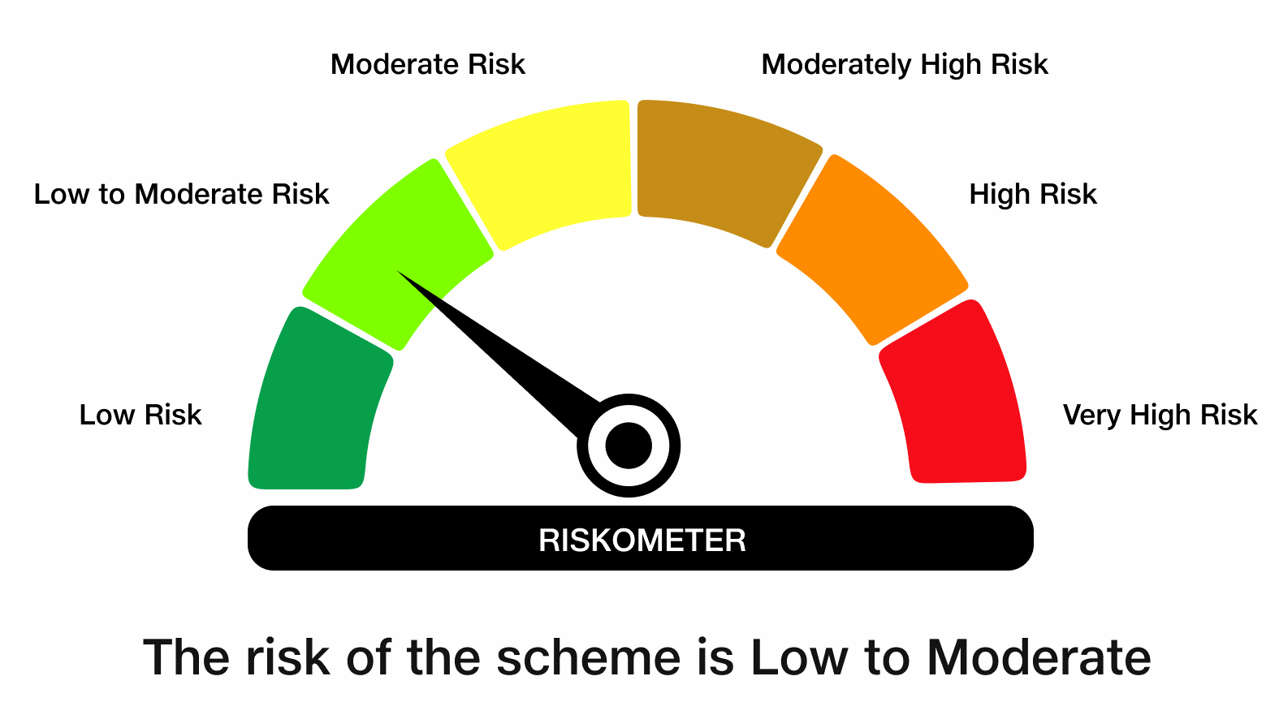

 | Benchmark Risk-O-Meter
 | Benchmark Name - NIFTY Money Market Index A-I

JBOF
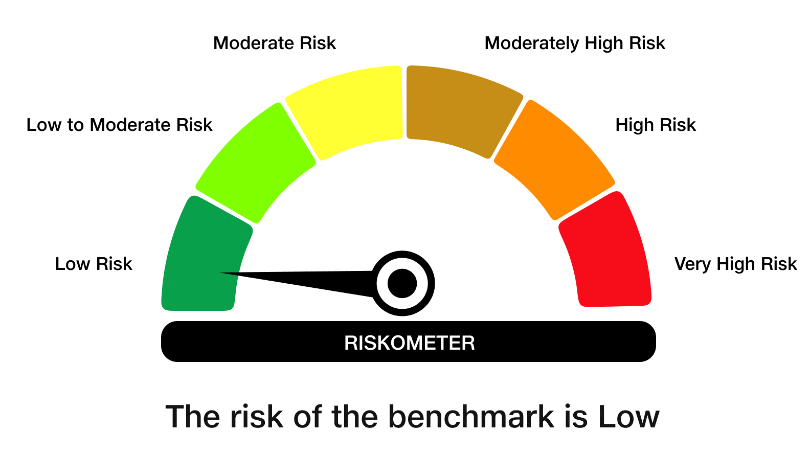
 | JioBlackRock Overnight Fund
-
 | Monthly Portfolio Statement as on September 30, 2026
 | Name of the Instrument | ISIN | Rating | Quantity | Market/Fair Value (Rs. in Lakhs) | % to Net Assets | Yield to Maturity | Yield to Call ^
 | Money Market Instruments
 | Treasury Bill
 | 91 DTB (01-OCT-2026) | IN002026X131 | SOVEREIGN | 3,000,000 | 3,000.00 | 3.45 | 5.30%
 | 91 DTB (08-OCT-2026) | IN002026X149 | SOVEREIGN | 2,000,000 | 1,998.01 | 2.30 | 5.20%
 | Sub Total |  |  |  | 4,998.01 | 5.75
 | Total |  |  |  | 4,998.01 | 5.75

 | TREPS |  |  |  | 1.33 | 0.00 | 5.16%

 | Reverse Repo
 | Reverse Repo (01-Oct-2026) |  |  |  | 80,272.42 | 92.27 | 5.20%
 | Reverse Repo (01-Oct-2026) |  |  |  | 1,659.23 | 1.91 | 5.25%
 | Total |  |  |  | 81,931.64 | 94.18

 | Net Receivables / (Payables) |  |  |  | 65.18 | 0.07
 | Grand Total |  |  |  | 86,996.16 | 100.00

 | ^ It is disclosed for Perpetual Bond issued by Banks (i.e. AT-1 Bond / Tier 1 Bond / Tier 2 Bond), as per AMFI Best Practices Guidelines Circular no. 91/2020-21 dated March 24, 2021 on Valuation of AT-1 Bonds and Tier 2 Bonds. As per SEBI Circular SEBI/HO/IMD/PoD1/CIR/P/2024/106 dated August 05, 2024, valuation of AT-1 Bonds are done on Yield to Call basis w.e.f. August 07, 2024. YTC of AT-1 Bonds are now same as it’s YTM% and hence it is not disclosed separately under YTC%.

 | Notes

 | (1) There is no security which is in default beyond its maturity/ interest payment date.
 | (2) Plan/ Option wise per unit net asset value are as follows:

 | Plan/ Option | As on August 31, 2026 | As on September 30, 2026
 | Direct Plan - Growth Option | 1062.4999 | 1066.7629
 | Unclaimed Redemption - Upto 3 years - Growth Option | 1038.9713 | 1043.1393
 | Regular Plan - Growth Option | 1001.0935 | 1005.0462

 | (3) There was no distribution (of income and capital) during the month ended September 30, 2026.
 | (4) Total outstanding exposure in derivative instruments as on September 30, 2026 is Rs. Nil.
 | (5) Total market value of investments in foreign securities/ American Depository Receipts/ Global Depository Receipts as at September 30, 2026 is Rs. Nil.
 | (6) The average maturity period of the portfolio is 0.00 years.
 | (7) Repo transactions in corporate debt securities as on September 30, 2026 is Rs. Nil.

 | Scheme Risk-O-Meter

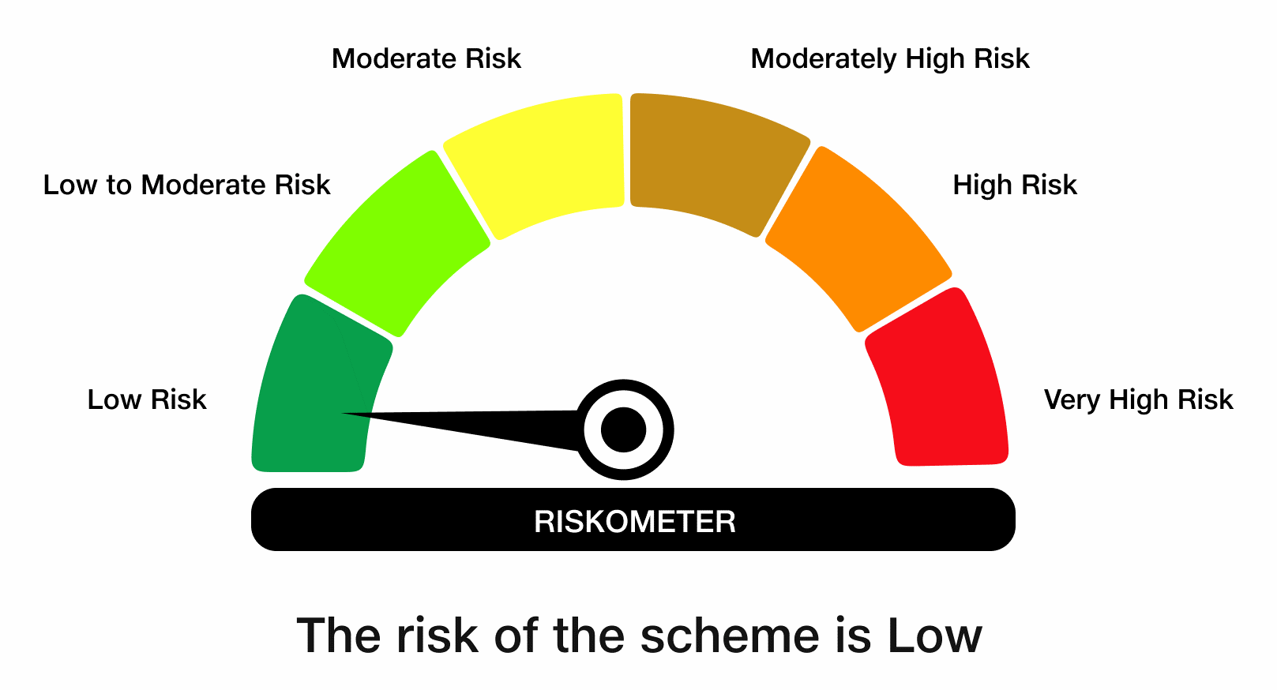

 | Benchmark Risk-O-Meter
 | Benchmark Name - NIFTY 1D Rate Index

JBN8-13
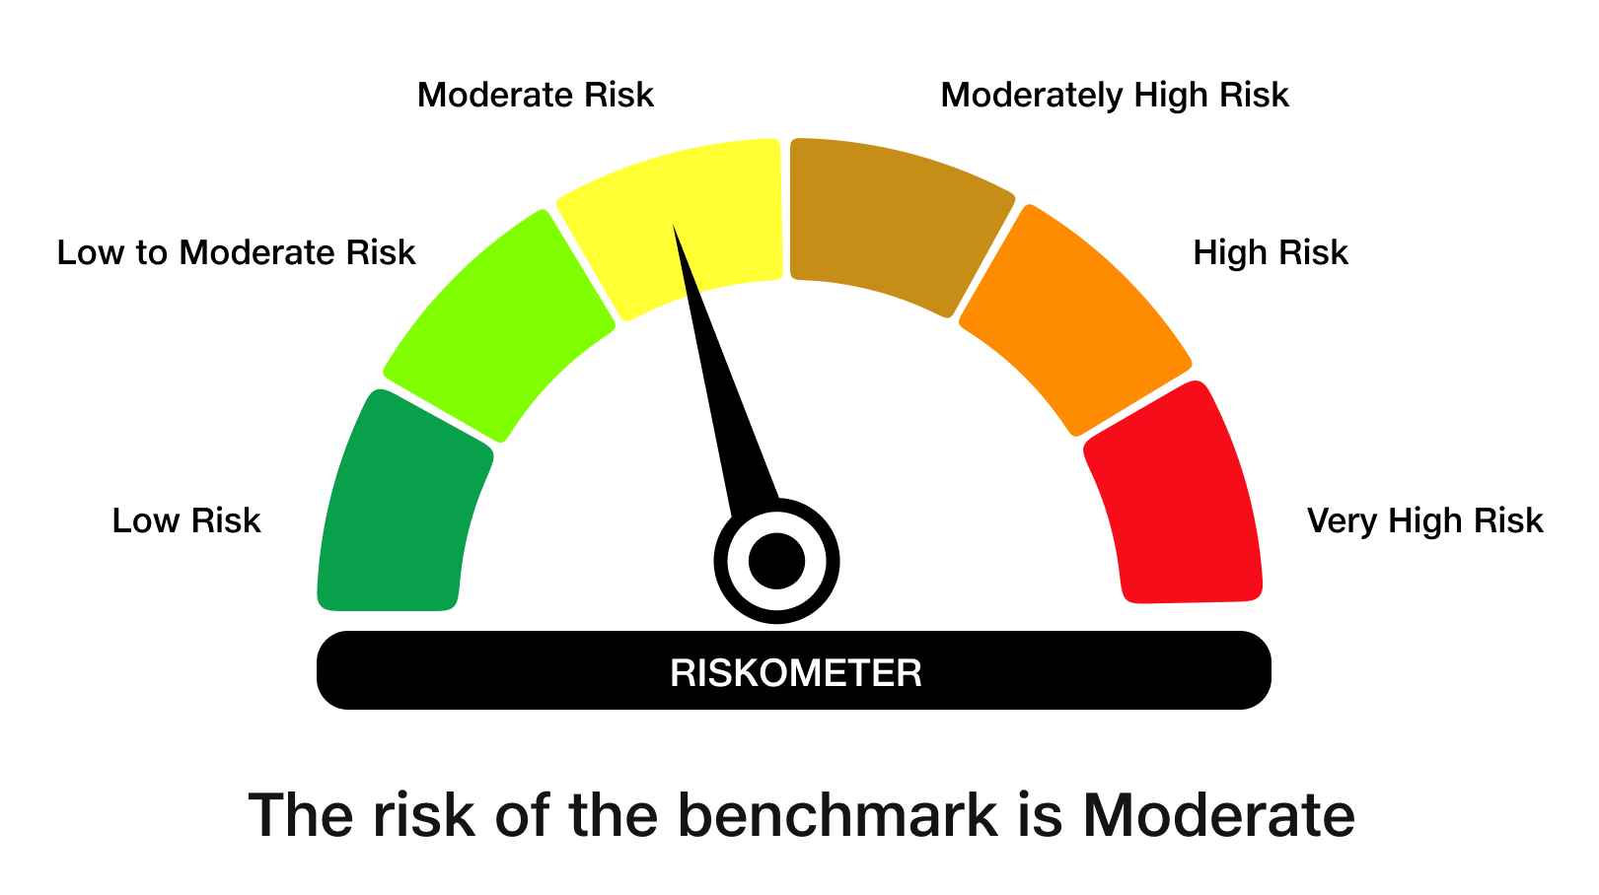
 | JioBlackRock Nifty 8-13 yr G-Sec Index Fund
-
 | Monthly Portfolio Statement as on September 30, 2026
 | Name of the Instrument | ISIN | Rating | Quantity | Market/Fair Value (Rs. in Lakhs) | % to Net Assets | Yield to Maturity | Yield to Call ^
 | Government Securities
 | 6.94% GOI 2036 (11-MAY-2036) | IN0020260025 | SOVEREIGN | 1,728,000 | 1,699.67 | 55.15 | 7.31%
 | 6.48% GOI 2035 (06-OCT-2035) | IN0020250091 | SOVEREIGN | 768,100 | 733.69 | 23.81 | 7.29%
 | 7.18% GOI 2037 (24-JUL-2037) | IN0020230077 | SOVEREIGN | 562,000 | 560.03 | 18.17 | 7.36%
 | Total |  |  |  | 2,993.40 | 97.13

 | TREPS |  |  |  | 9.71 | 0.32 | 5.16%

 | Net Receivables / (Payables) |  |  |  | 78.86 | 2.56
 | Grand Total |  |  |  | 3,081.97 | 100.00

 | ^ It is disclosed for Perpetual Bond issued by Banks (i.e. AT-1 Bond / Tier 1 Bond / Tier 2 Bond), as per AMFI Best Practices Guidelines Circular no. 91/2020-21 dated March 24, 2021 on Valuation of AT-1 Bonds and Tier 2 Bonds. As per SEBI Circular SEBI/HO/IMD/PoD1/CIR/P/2024/106 dated August 05, 2024, valuation of AT-1 Bonds are done on Yield to Call basis w.e.f. August 07, 2024. YTC of AT-1 Bonds are now same as it’s YTM% and hence it is not disclosed separately under YTC%.

 | Debt Index Replication Factor (DIRF) : 97.13%

 | Notes

 | (1) There is no security which is in default beyond its maturity/ interest payment date.
 | (2) Plan/ Option wise per unit net asset value are as follows:

 | Plan/ Option | As on August 31, 2026 | As on September 30, 2026
 | Direct Plan - Growth Option | 10.3974 | 10.2938
 | Regular Plan - Growth Option | 9.9366 | 9.8367

 | (3) There was no distribution (of income and capital) during the month ended September 30, 2026.
 | (4) Total outstanding exposure in derivative instruments as on September 30, 2026 is Rs. Nil.
 | (5) Total market value of investments in foreign securities/ American Depository Receipts/ Global Depository Receipts as at September 30, 2026 is Rs. Nil.
 | (6) The average maturity period of the portfolio is 9.66 years.
 | (7) Repo transactions in corporate debt securities as on September 30, 2026 is Rs. Nil.

 | Scheme Risk-O-Meter

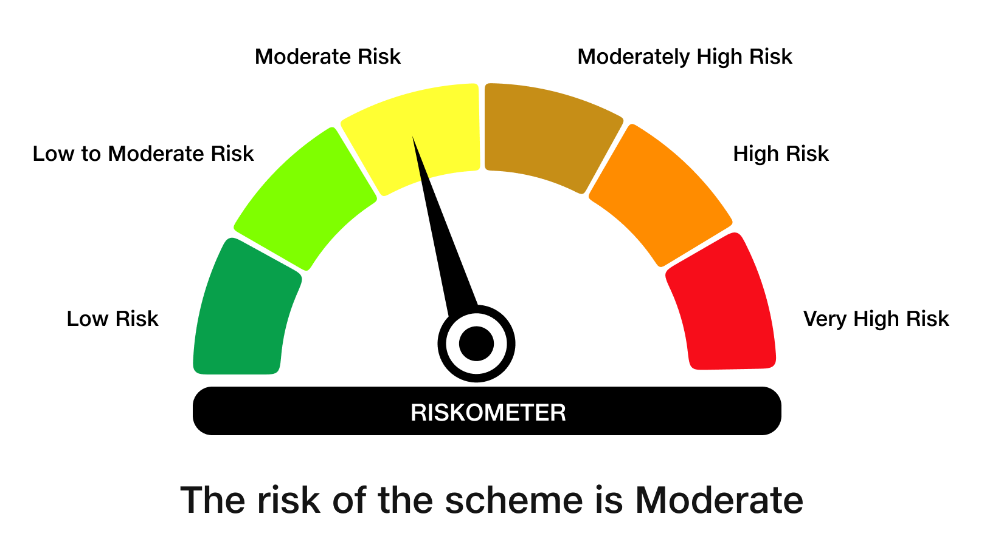

 | Benchmark Risk-O-Meter
 | Benchmark Name - NIFTY 8-13 yr G-Sec

