LDBOND
LIC MF MEDIUM TO LONG TERM FUND ( Erstwhile LIC MF Medium to Long Duration Fund ) |  |  |  |  | Index

Monthly Portfolio Statement as on September 30,2026
Name of the Instrument | ISIN | Industry / Rating | Quantity | Market/Fair Value (Rounded, Rs. In Lacs) | Rounded, % to Net Assets | Yield

Debt Instruments
(a)Listed / Awaiting listing on stock Exchanges
7.48% National Bk for Agriculture & Rural Dev. | INE261F08EO7 | CRISIL AAA | 1,500.000 | 1,496.60 | 8.65% | 7.79%
7.3% Government of India | IN0020230051 | SOVEREIGN | 1,500,000.000 | 1,471.27 | 8.50% | 7.80%
7.42% Power Finance Corporation Ltd. ** | INE134E08NL6 | CRISIL AAA | 1,000.000 | 1,041.07 | 6.02% | 7.70%
7.43% Jamnagar Utilities & Power Pvt. Ltd. | INE936D07190 | CRISIL AAA | 1,000.000 | 1,036.56 | 5.99% | 8.00%
7.65% State Government of Karnataka | IN1920170090 | SOVEREIGN | 1,000,000.000 | 1,035.23 | 5.98% | 6.91%
7.33% Government of India | IN0020230119 | SOVEREIGN | 1,000,000.000 | 1,032.23 | 5.97% | 5.46%
7.71% Government of India | IN0020260033 | SOVEREIGN | 1,000,000.000 | 1,028.28 | 5.94% | 7.86%
6.9% Government of India | IN0020250018 | SOVEREIGN | 1,000,000.000 | 928.87 | 5.37% | 7.89%
7.92% National Highways Authority of India ** | INE906B07HE2 | CRISIL AAA | 50.000 | 517.73 | 2.99% | 7.47%
6.94% Government of India | IN0020260025 | SOVEREIGN | 500,000.000 | 505.30 | 2.92% | 7.31%
7.39% Indian Railway Finance Corporation Ltd. ** | INE053F08403 | CRISIL AAA | 500.000 | 504.99 | 2.92% | 7.81%
7.79% Bajaj Finance Ltd. ** | INE296A07UC7 | CRISIL AAA | 500.000 | 490.02 | 2.83% | 8.38%
7.24% Government of India | IN0020250075 | SOVEREIGN | 500,000.000 | 478.83 | 2.77% | 7.83%
Sub Total |  |  |  | 11,566.98 | 66.85%

(b)Privately Placed/Unlisted
Sub Total |  |  |  | NIL | NIL

(c)Securitised Debt Instruments
Sub Total |  |  |  | NIL | NIL

TOTAL |  |  |  | 11,566.98 | 66.85%

Money Market Instruments

Certificate of Deposit
HDFC Bank Ltd. # | INE040A16IU7 | CRISIL A1+ | 300.000 | 1,457.36 | 8.42% | 6.89%
Canara Bank ** # | INE476A16K22 | CRISIL A1+ | 300.000 | 1,423.58 | 8.23% | 7.23%
Indian Bank # | INE562A16QE7 | FITCH A1+ | 200.000 | 981.49 | 5.67% | 6.68%
Small Industries Development Bk of India # | INE556F16CF5 | CRISIL A1+ | 200.000 | 938.63 | 5.42% | 7.60%
Punjab National Bank # | INE160A16UV6 | CRISIL A1+ | 100.000 | 485.23 | 2.80% | 6.86%
Sub Total |  |  |  | 5,286.29 | 30.55%

TOTAL |  |  |  | 5,286.29 | 30.55%

Others
Investment in Mutual fund
SBI CDMDF--A2 | INF0RQ622028 |  | 503.670 | 60.47 | 0.35%

TOTAL |  |  |  | 60.47 | 0.35%

Treps / Reverse Repo
Treps |  |  |  | 320.41 | 1.85%
Sub Total |  |  |  | 320.41 | 1.85%

TOTAL |  |  |  | 320.41 | 1.85%
Net Receivables / (Payables) |  |  |  | 69.87 | 0.40%
GRAND TOTAL |  |  |  | 17,304.02 | 100.00%

# Unlisted Security
** Non Traded Security

i) Securities in default beyond its maturity date: Nil
ii) Total value and percentage of illiquid equity shares as on September 30, 2026: Nil
iii)
 | 2026-09-30 | 2026-08-31
NAV
Regular Plan - Growth Option | 75.6375 | 75.5945
Regular Plan - IDCW Option | 16.5794 | 16.5700
Regular Plan - Quarterly IDCW Option | 16.0787 | 16.3198
Regular Plan - Annual IDCW Option | 16.5793 | 16.5699
Direct Plan - Growth Option | 82.1858 | 82.1119
Direct Plan - IDCW Option | 19.8565 | 19.8387
Direct Plan - Quarterly IDCW Option | 19.8567 | 19.8388
Direct Plan - Annual IDCW Option | 19.8564 | 19.8386
iv) Dividend declared during the month September 30, 2026 under the IDCW Option of the Scheme is as follows:
Option | Month | Rate of dividend per unit | Rate of dividend per unit
 |  | Individual/ HUF | Others
Regular Plan - Quarterly IDCW Option | Sep-2026 | 0.2500 | 0.2500
v) No bonus declared during the period ended September 30, 2026.
vi) Total outstanding exposure in derivative instruments as on September 30, 2026 is Nil.
vii) Total market value of investments in Foreign Securities/ American Depositary Receipts/ Global Depositary Receipts/ Overseas ETFs as at September 30, 2026 is Nil.
viii) Average maturity period: 9 Years
ix) Funds parked in short term deposit as on September 30, 2026: Nil
x) The details of repo transactions of the scheme in corporate debt securities: Nil

The product is suitable for investors who are seeking* | Scheme Riskometer# | Benchmark Riskometer (as applicable) #
•Income Over Medium to long term | 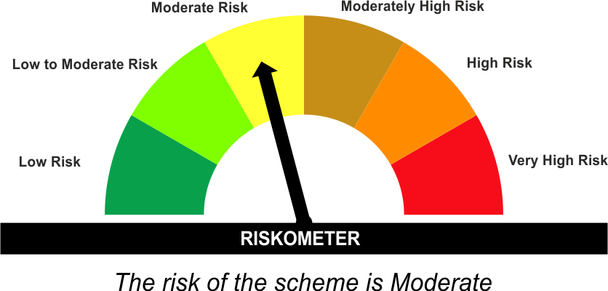 | As per AMFI Tier I Benchmark i . e . CRISIL Medium to Long Duration Debt A-III Index
•To generate income/capital appreciation through investments in Debt / Money Market Instruments |  | 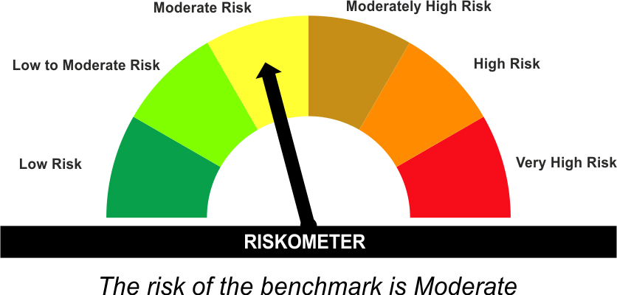

*Investors should consult their financial advisers if in doubt about whether the product is suitable for them.
#The Scheme and Benchmark riskometer disclosed above is latest available riskometer, for any updates please visit the AMC’s website (https://www.licmf.com/downloads/risk-o-meter-disclosure).
Mutual Fund investments are subject to market risks, read all scheme related documents carefully.

Potential Risk Class
Credit Risk | Relatively Low (Class A) | Moderate (Class B) | Relatively High (Class C)
Interest Rate Risk
Relatively Low (Class I)
Moderate (Class II)
Relatively High (Class III) |  | B-III*
*B-III - A Relatively High Interest Rate Risk and Moderate Credit Risk.

 | Portfolio Information
Scheme Name : | LIC MF Medium to Long Term Fund
Description (if any) | Medium to Long Term Fund
Annualised Portfolio YTM* : | 7.25
Macaulay Duration | 4.22 Years
Residual Maturity | 9 Years
As on (Date) | 30 September 2026
* in case of semi annual YTM, it will be annualised
As the Regular and Direct plans have a common portfolio, the Portfolio yield given above is at the Scheme level

LDINPF
LIC MF BANKING & PSU DEBT FUND ( Erstwhile LIC MF Banking & PSU Fund ) |  |  |  |  | Index

Monthly Portfolio Statement as on September 30,2026
Name of the Instrument | ISIN | Industry / Rating | Quantity | Market/Fair Value (Rounded, Rs. In Lacs) | Rounded, % to Net Assets | Yield

Debt Instruments
(a)Listed / Awaiting listing on stock Exchanges
8.09% NLC India Ltd. ** | INE589A07037 | ICRA AAA | 600.000 | 6,211.65 | 3.89% | 7.74%
8.14% Nuclear Power Corporation ** | INE206D08287 | CRISIL AAA | 600.000 | 6,065.44 | 3.80% | 7.58%
8.37% National Highways Authority of India ** | INE906B07GN5 | CRISIL AAA | 500.000 | 5,381.12 | 3.37% | 7.45%
7.83% Small Industries Development Bk of India ** | INE556F08KL3 | CRISIL AAA | 5,000.000 | 5,332.18 | 3.34% | 7.83%
7.75% Bharti Telecom Ltd. ** | INE403D08314 | CRISIL AAA | 5,000.000 | 5,176.76 | 3.24% | 8.30%
7.37% Indian Railway Finance Corporation Ltd. ** | INE053F08411 | CRISIL AAA | 5,000.000 | 5,129.55 | 3.21% | 7.70%
7.62% National Bk for Agriculture & Rural Dev. ** | INE261F08EH1 | CRISIL AAA | 5,000.000 | 5,121.27 | 3.21% | 7.85%
7.46% REC Ltd. ** | INE020B08EK4 | CRISIL AAA | 5,000.000 | 5,075.08 | 3.18% | 7.68%
7.42% Power Finance Corporation Ltd. ** | INE134E08NL6 | CRISIL AAA | 4,000.000 | 4,164.26 | 2.61% | 7.70%
7.43% Jamnagar Utilities & Power Pvt. Ltd. | INE936D07190 | CRISIL AAA | 4,000.000 | 4,146.22 | 2.60% | 8.00%
8.83% Export Import Bank of India ** | INE514E08EE3 | CRISIL AAA | 350.000 | 3,890.15 | 2.43% | 7.65%
7.39% Indian Railway Finance Corporation Ltd. ** | INE053F08403 | CRISIL AAA | 3,000.000 | 3,029.95 | 1.90% | 7.81%
7.05% Jio Credit Ltd. ** | INE282H07034 | CRISIL AAA | 2,500.000 | 2,643.89 | 1.65% | 8.16%
8.54% REC Ltd. ** | INE020B08BE3 | CRISIL AAA | 250.000 | 2,627.37 | 1.64% | 7.72%
6.66% National Bk for Agriculture & Rural Dev. ** | INE261F08EP4 | ICRA AAA | 2,500.000 | 2,609.18 | 1.63% | 7.81%
7.28% REC Ltd. ** | INE020B08GI3 | CRISIL AAA | 2,556.000 | 2,548.88 | 1.60% | 7.78%
7.4% Power Finance Corporation Ltd. ** | INE134E08KQ1 | CRISIL AAA | 250.000 | 2,536.69 | 1.59% | 7.87%
7.49% Small Industries Development Bk of India ** | INE556F08KX8 | CRISIL AAA | 2,500.000 | 2,533.75 | 1.59% | 7.87%
7.43% National Bk for Agriculture & Rural Dev. ** | INE261F08BX4 | ICRA AAA | 250.000 | 2,507.69 | 1.57% | 7.91%
7.23% Housing & Urban Development Corp Ltd. ** | INE031A08AC8 | ICRA AAA | 2,500.000 | 2,505.07 | 1.57% | 7.74%
7.7% Small Industries Development Bk of India ** | INE556F08LH9 | CRISIL AAA | 2,500.000 | 2,502.31 | 1.57% | 7.89%
6.64% Housing & Urban Development Corp Ltd. ** | INE031A08996 | ICRA AAA | 2,500.000 | 2,491.32 | 1.56% | 7.69%
6.73% Power Finance Corporation Ltd. ** | INE134E08NW3 | CRISIL AAA | 2,500.000 | 2,482.23 | 1.55% | 7.59%
6.87% REC Ltd. ** | INE020B08FU0 | ICRA AAA | 2,500.000 | 2,481.53 | 1.55% | 7.84%
Government of India | IN000532C043 | SOVEREIGN | 2,544,300.000 | 1,695.20 | 1.06% | 7.48%
7.71% Government of India | IN0020260033 | SOVEREIGN | 1,603,400.000 | 1,648.75 | 1.03% | 7.86%
6.47% Indian Railway Finance Corporation Ltd. ** | INE053F08510 | CRISIL AAA | 1,500.000 | 1,518.18 | 0.95% | 7.63%
8.13% Nuclear Power Corporation ** | INE206D08378 | CRISIL AAA | 150.000 | 1,515.24 | 0.95% | 7.58%
6.61% Power Finance Corporation Ltd. ** | INE134E08NS1 | CRISIL AAA | 1,500.000 | 1,509.01 | 0.94% | 7.70%
7.79% Bajaj Finance Ltd. ** | INE296A07UC7 | CRISIL AAA | 1,500.000 | 1,470.05 | 0.92% | 8.38%
7.45% Export Import Bank of India ** | INE514E08GB4 | CRISIL AAA | 1,000.000 | 1,045.31 | 0.65% | 7.56%
7.63% Government of India | IN0020260082 | SOVEREIGN | 1,000,000.000 | 999.40 | 0.63% | 7.81%
7.34% Small Industries Development Bk of India ** | INE556F08KS8 | CRISIL AAA | 500.000 | 495.05 | 0.31% | 7.88%
Sub Total |  |  |  | 101,089.73 | 63.29%

(b)Privately Placed/Unlisted
Sub Total |  |  |  | NIL | NIL

(c)Securitised Debt Instruments
Sub Total |  |  |  | NIL | NIL

TOTAL |  |  |  | 101,089.73 | 63.29%

Money Market Instruments

Certificate of Deposit
HDFC Bank Ltd. ** # | INE040A16II2 | CRISIL A1+ | 1,000.000 | 4,931.05 | 3.09% | 6.30%
Kotak Mahindra Bank Ltd. ** # | INE237AD6117 | CRISIL A1+ | 1,000.000 | 4,911.42 | 3.07% | 6.65%
Bank of Baroda # | INE028A16KZ7 | FITCH A1+ | 1,000.000 | 4,908.65 | 3.07% | 6.66%
ICICI Bank Ltd. ** # | INE090AD6279 | CRISIL A1+ | 1,000.000 | 4,894.49 | 3.06% | 6.67%
Canara Bank # | INE476A16G28 | CRISIL A1+ | 1,000.000 | 4,892.56 | 3.06% | 6.74%
National Bk for Financing Infra and Dev ** # | INE0KUG16012 | FITCH A1+ | 1,000.000 | 4,860.76 | 3.04% | 6.88%
Indian Bank ** # | INE562A16RH8 | CRISIL A1+ | 1,000.000 | 4,752.91 | 2.97% | 7.22%
Canara Bank ** # | INE476A16K22 | CRISIL A1+ | 700.000 | 3,321.69 | 2.08% | 7.23%
Punjab National Bank ** # | INE160A16UE2 | CRISIL A1+ | 500.000 | 2,442.70 | 1.53% | 6.74%
Small Industries Development Bk of India # | INE556F16CF5 | CRISIL A1+ | 300.000 | 1,407.95 | 0.88% | 7.60%
Sub Total |  |  |  | 41,324.18 | 25.85%

Treasury Bill
91 DAYS TBILL RED 29-10-2026 | IN002026X172 | SOVEREIGN | 5,000,000.000 | 4,980.33 | 3.12% | 5.15%
91 DAYS TBILL RED 03-12-2026 | IN002026X222 | SOVEREIGN | 2,500,000.000 | 2,477.06 | 1.55% | 5.37%
182 DAYS TBILL RED 18-02-2027 | IN002026Y204 | SOVEREIGN | 1,000,000.000 | 978.24 | 0.61% | 5.80%
Sub Total |  |  |  | 8,435.63 | 5.28%

TOTAL |  |  |  | 49,759.81 | 31.13%

Others
Investment in Mutual fund
SBI CDMDF--A2 | INF0RQ622028 |  | 4,575.869 | 549.40 | 0.34%

TOTAL |  |  |  | 549.40 | 0.34%

Treps / Reverse Repo
Treps |  |  |  | 5,000.00 | 3.13%
Treps |  |  |  | 3,078.35 | 1.93%
Sub Total |  |  |  | 8,078.35 | 5.06%

TOTAL |  |  |  | 8,078.35 | 5.06%
Net Receivables / (Payables) |  |  |  | 294.58 | 0.18%
GRAND TOTAL |  |  |  | 159,771.87 | 100.00%

# Unlisted Security
** Non Traded Security

INTEREST RATE SWAPS (At Notional Value) |  |  |  | 2500 | 1.56%
IRSPayFix6.12/RecFloatM+0 13/8/29 IDFCBK |  |  |  | 2,500.00 | 1.56%

i) Securities in default beyond its maturity date: Nil
ii) Total value and percentage of illiquid equity shares as on September 30, 2026: Nil
iii)
 | 2026-09-30 | 2026-08-31
NAV
Regular Plan - Growth Option | 36.9704 | 36.8800
Regular Plan - Daily IDCW Option | 11.8615 | 11.8325
Regular Plan - Weekly IDCW Option | 10.3760 | 10.3695
Regular Plan - Monthly IDCW Option | 13.8367 | 13.8028
Direct Plan - Growrh Option | 40.0893 | 39.9789
Direct Plan - Daily IDCW Option | 14.3050 | 14.2866
Direct Plan - Weekly IDCW Option | 10.0471 | 10.0401
Direct Plan - Monthly IDCW Option | 15.0981 | 15.0566
iv) Dividend declared during the month September 30, 2026 under the IDCW Option of the Scheme is as follows:
Option | Month | Rate of dividend per unit | Rate of dividend per unit
 |  | Individual/ HUF | Others
Direct Plan - Daily IDCW Option | Sep-2026 | 0.0211 | 0.0211
Direct Plan - Weekly IDCW Option | Sep-2026 | 0.0208 | 0.0208
Regular Plan - Weekly IDCW Option | Sep-2026 | 0.0189 | 0.0189
v) No bonus declared during the period ended September 30, 2026.
vi) Total outstanding exposure in derivative instruments as on September 30, 2026 is Nil.
(a). Hedging Positions through Futures as on September 30, 2026 is Nil.
(b). Other than Hedging Positions through Futures as on September 30, 2026 is Nil.
(c). Hedging Positions through Options as on September 30, 2026 is Nil.
(d). Other than Hedging Positions through Options as on September 30, 2026 is Nil.
(e). Hedging Positions through Swaps as on September 30, 2026
Underlying Security | Position | Instrument Type | Maturity/Next Interest Fixing** | Notional Value (Rs in lakhs)
7.43% JAMNAGAR UTI& PWR SR PPD8 24-10-34 | Short | Fixed | 13-Aug-29 | -2500
 | Long | Floating | 1-Oct-26 | 2500
**The maturity equivalent is the next interest fixing date in case of the floating Leg and for the fixed leg it is the final maturity date of the contract.
vii) Total market value of investments in Foreign Securities/ American Depositary Receipts/ Global Depositary Receipts/ Overseas ETFs as at August 15, 2026 is Nil.
ix) Funds parked in short term deposit as on September 30, 2026: Nil
x) The details of repo transactions of the scheme in corporate debt securities: Nil

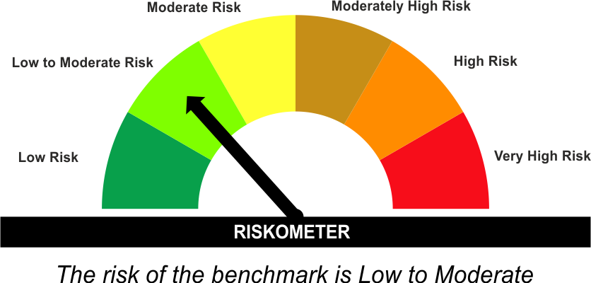
The product is suitable for investors who are seeking* | Scheme Riskometer# | Benchmark Riskometer (as applicable) #
•Income for medium term capital appreciation with current income. |  | As per AMFI Tier I Benchmark i . e . Nifty Banking & PSU Debt Index AII
•An income fund that invests predominantly in debt and money market instruments issued by Banks, Public Sector Undertakings, Public Financial Institutions and Municipal Bonds

*Investors should consult their financial advisers if in doubt about whether the product is suitable for them.
#The Scheme and Benchmark riskometer disclosed above is latest available riskometer, for any updates please visit the AMC’s website (https://www.licmf.com/downloads/risk-o-meter-disclosure).
Mutual Fund investments are subject to market risks, read all scheme related documents carefully.

Potential Risk Class
Credit Risk | Relatively Low (Class A) | Moderate (Class B) | Relatively High (Class C)
Interest Rate Risk
Relatively Low (Class I)
Moderate (Class II)
Relatively High (Class III) | A-III*
*A-III - A Relatively High Interest Rate Risk and Relatively Low Credit Risk.

 | Portfolio Information
Scheme Name : | LIC MF Banking & PSU Debt Fund
Description (if any) | Banking and PSU Debt Fund
Annualised Portfolio YTM* : | 6.99
Macaulay Duration | 1.8 Years
Residual Maturity | 2.38 Years
As on (Date) | 30 September 2026
* in case of semi annual YTM, it will be annualised
As the Regular and Direct plans have a common portfolio, the Portfolio yield given above is at the Scheme level

LDMIPF
LIC MF CONSERVATIVE HYBRID FUND |  |  |  |  | Index

Monthly Portfolio Statement as on September 30,2026
Name of the Instrument | ISIN | Industry / Rating | Quantity | Market/Fair Value (Rounded, Rs. In Lacs) | Rounded, % to Net Assets | Yield
Equity & Equity related
(a)Listed / Awaiting listing on Stock Exchanges
Divi's Laboratories Ltd. | INE361B01024 | Pharmaceuticals & Biotechnology | 650.000 | 60.39 | 1.32%
Ajanta Pharma Ltd. | INE031B01049 | Pharmaceuticals & Biotechnology | 1,650.000 | 59.74 | 1.30%
Bajaj Auto Ltd. | INE917I01010 | Automobiles | 500.000 | 54.37 | 1.19%
ICICI Bank Ltd. | INE090A01021 | Banks | 3,700.000 | 48.90 | 1.07%
FSN E-Commerce Ventures Ltd. | INE388Y01029 | Retailing | 15,000.000 | 48.00 | 1.05%
Torrent Pharmaceuticals Ltd. | INE685A01028 | Pharmaceuticals & Biotechnology | 900.000 | 43.20 | 0.94%
Marico Ltd. | INE196A01026 | Agricultural Food & other Products | 5,400.000 | 42.44 | 0.93%
Mahindra & Mahindra Ltd. | INE101A01026 | Automobiles | 1,354.000 | 39.94 | 0.87%
Bharat Electronics Ltd. | INE263A01024 | Aerospace & Defense | 9,000.000 | 34.95 | 0.76%
Sona BLW Precision Forgings Ltd. | INE073K01018 | Auto Components | 4,200.000 | 34.86 | 0.76%
Shriram Finance Ltd. | INE721A01047 | Finance | 3,400.000 | 33.41 | 0.73%
AU Small Finance Bank Ltd. | INE949L01017 | Banks | 3,200.000 | 32.33 | 0.71%
Endurance Technologies Ltd. | INE913H01037 | Auto Components | 1,200.000 | 31.88 | 0.70%
Persistent Systems Ltd. | INE262H01021 | IT - Software | 600.000 | 31.67 | 0.69%
Sun Pharmaceutical Industries Ltd. | INE044A01036 | Pharmaceuticals & Biotechnology | 1,700.000 | 30.88 | 0.67%
Hitachi Energy India Ltd. | INE07Y701011 | Electrical Equipment | 100.000 | 30.63 | 0.67%
Aster DM Quality Care Ltd. | INE914M01019 | Healthcare Services | 4,300.000 | 29.98 | 0.65%
Bharat Forge Ltd. | INE465A01025 | Auto Components | 1,500.000 | 28.89 | 0.63%
Cummins India Ltd. | INE298A01020 | Industrial Products | 600.000 | 28.56 | 0.62%
Siemens Energy India Ltd. | INE1NPP01017 | Electrical Equipment | 800.000 | 25.60 | 0.56%
Delhivery Ltd. | INE148O01028 | Transport Services | 5,700.000 | 23.35 | 0.51%
Cartrade Tech Ltd. | INE290S01011 | Retailing | 650.000 | 18.85 | 0.41%
Sub Total |  |  |  | 812.82 | 17.73%
(b) Unlisted
Sub Total |  |  |  | NIL | NIL

TOTAL |  |  |  | 812.82 | 17.73%

Debt Instruments
(a)Listed / Awaiting listing on stock Exchanges
7.32% Government of India | IN0020230135 | SOVEREIGN | 500,000.000 | 521.85 | 11.38% | 6.99%
7.17% Government of India | IN0020230036 | SOVEREIGN | 500,000.000 | 520.94 | 11.36% | 6.99%
7.65% State Government of Tamil Nadu | IN3120230260 | SOVEREIGN | 500,000.000 | 516.79 | 11.27% | 7.82%
6.79% Government of India | IN0020240126 | SOVEREIGN | 500,000.000 | 504.96 | 11.02% | 7.30%
8.13% Nuclear Power Corporation ** | INE206D08378 | CRISIL AAA | 40.000 | 404.06 | 8.81% | 7.58%
7.38% Government of India | IN0020220037 | SOVEREIGN | 200,000.000 | 205.84 | 4.49% | 6.23%
7.19% State Government of Tamil Nadu | IN3120190225 | SOVEREIGN | 150,000.000 | 152.58 | 3.33% | 7.54%
Sub Total |  |  |  | 2,827.02 | 61.66%

(b)Privately Placed/Unlisted
Sub Total |  |  |  | NIL | NIL

(c)Securitised Debt Instruments
Sub Total |  |  |  | NIL | NIL

TOTAL |  |  |  | 2,827.02 | 61.67%

Others
Investment in Mutual fund
SBI CDMDF--A2 | INF0RQ622028 |  | 157.192 | 18.87 | 0.41%

TOTAL |  |  |  | 18.87 | 0.41%

Treps / Reverse Repo
Treps |  |  |  | 932.64 | 20.34%
Sub Total |  |  |  | 932.64 | 20.34%

TOTAL |  |  |  | 932.64 | 20.34%
Net Receivables / (Payables) |  |  |  | (7.13) | (0.15%)
GRAND TOTAL |  |  |  | 4,584.22 | 100.00%

** Non Traded Security

i) Securities in default beyond its maturity date: Nil
ii) Total value and percentage of illiquid equity shares as on September 30, 2026: Nil
iii)
 | 2026-09-30 | 2026-08-31
NAV
Regular Plan - Growth Option | 83.5670 | 85.0123
Regular Plan - Monthly IDCW Option | 12.5060 | 12.7833
Regular Plan - Quarterly IDCW Option | 14.3201 | 14.7507
Regular Plan - Yearly IDCW Option | 11.8124 | 12.0167
Direct Plan - Growth Option | 93.6708 | 95.2470
Direct Plan - Monthly IDCW Option | 12.9793 | 13.2587
Direct Plan - Quarterly IDCW Option | 18.6492 | 18.9630
Direct Plan - Yearly IDCW Option | 14.2791 | 14.5194
iv) Dividend declared during the month September 30, 2026 under the IDCW Option of the Scheme is as follows:
Option | Month | Rate of dividend per unit | Rate of dividend per unit
 |  | Individual/ HUF | Others
Direct Plan - Monthly IDCW Option | Sep-2026 | 0.06 | 0.06
Regular Plan - Monthly IDCW Option | Sep-2026 | 0.0600 | 0.0600
Regular Plan - Quarterly IDCW Option | Sep-2026 | 0.1800 | 0.1800
v) No bonus declared during the period ended September 30, 2026.
vi) Total outstanding exposure in derivative instruments as on September 30, 2026 is Nil.
vii) Total market value of investments in Foreign Securities/ American Depositary Receipts/ Global Depositary Receipts/ Overseas ETFs as at September 30, 2026 is Nil.
viii) Average maturity period: 3.33 Years
ix) Funds parked in short term deposit as on September 30, 2026: Nil
x) The details of repo transactions of the scheme in corporate debt securities: Nil

The product is suitable for investors who are seeking* | Scheme Riskometer# | Benchmark Riskometer (as applicable) #
•Medium term capital appreciation with current income |  | As per AMFI Tier I Benchmark i.e. CRISIL Hybrid 85+15 Conservative Index
•A fund that invests predominantly in debt instruments with marginal equity exposure. |  | 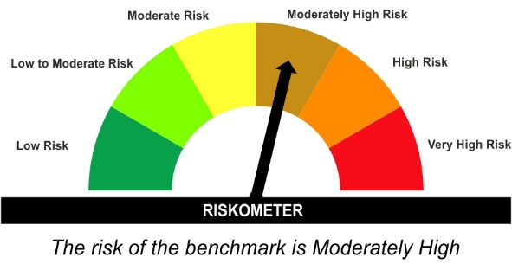

*Investors should consult their financial advisers if in doubt about whether the product is suitable for them.
#The Scheme and Benchmark riskometer disclosed above is latest available riskometer, for any updates please visit the AMC’s website (https://www.licmf.com/downloads/risk-o-meter-disclosure).
Mutual Fund investments are subject to market risks, read all scheme related documents carefully.

LDONTF
LIC MF OVERNIGHT FUND |  |  |  |  | Index

Monthly Portfolio Statement as on September 30,2026
Name of the Instrument | ISIN | Industry / Rating | Quantity | Market/Fair Value (Rounded, Rs. In Lacs) | Rounded, % to Net Assets | Yield

Money Market Instruments

Treasury Bill
91 DAYS TBILL RED 01-10-2026 | IN002026X131 | SOVEREIGN | 1,500,000.000 | 1,500.00 | 1.23% | 5.30%
91 DAYS TBILL RED 08-10-2026 | IN002026X149 | SOVEREIGN | 1,500,000.000 | 1,498.51 | 1.23% | 5.20%
364 DAYS TBILL RED 08-10-2026 | IN002025Z286 | SOVEREIGN | 1,000,000.000 | 999.00 | 0.82% | 5.20%
91 DAYS TBILL RED 22-10-2026 | IN002026X164 | SOVEREIGN | 1,000,000.000 | 997.02 | 0.82% | 5.20%
Sub Total |  |  |  | 4,994.53 | 4.10%

TOTAL |  |  |  | 4,994.53 | 4.10%

Treps / Reverse Repo
Reverse Repo |  |  |  | 66,972.40 | 54.98%
Treps |  |  |  | 49,774.20 | 40.86%
Sub Total |  |  |  | 116,746.60 | 95.84%

TOTAL |  |  |  | 116,746.60 | 95.84%
Net Receivables / (Payables) |  |  |  | 69.51 | 0.06%
GRAND TOTAL |  |  |  | 121,810.64 | 100.00%

i) Securities in default beyond its maturity date: Nil
ii) Total value and percentage of illiquid equity shares as on September 30, 2026: Nil
iii)
 | 2026-09-30 | 2026-08-31
NAV
Regular Plan - Growth Option | 1,419.9157 | 1,414.3235
Regular Plan - IDCW Option | 1,255.7800 | 1,250.8915
Regular Plan - Daily IDCW Option | 1,128.8101 | 1,124.3331
Regular Plan - Weekly IDCW Option | 1,179.4645 | 1,180.2778
Direct Plan - Growth Option | 1,432.0460 | 1,426.3509
Direct Plan - IDCW Option | 1,432.2193 | 1,426.5236
Direct Plan - Daily IDCW Option | 1,129.6705 | 1,125.1309
Direct Plan - Weekly IDCW Option | 1,111.5700 | 1,106.9178
iv) Dividend declared during the month September 30, 2026 under the IDCW Option of the Scheme is as follows:
Option | Month | Rate of dividend per unit | Rate of dividend per unit
 |  | Individual/ HUF | Others
Regular Plan - Weekly IDCW Option | Sep-2026 | 3.1209 | 3.1209
v) No bonus declared during the period ended September 30, 2026.
vi) Total outstanding exposure in derivative instruments as on September 30, 2026 is Nil.
vii) Total market value of investments in Foreign Securities/ American Depositary Receipts/ Global Depositary Receipts/ Overseas ETFs as at September 30, 2026 is Nil.
viii) Average maturity period: 0 Years
ix) Funds parked in short term deposit as on September 30, 2026: Nil
x) The details of repo transactions of the scheme in corporate debt securities: Nil

The product is suitable for investors who are seeking* | Scheme Riskometer# | Benchmark Riskometer (as applicable) #
•Income with high levels of safety and liquidity over short term. | 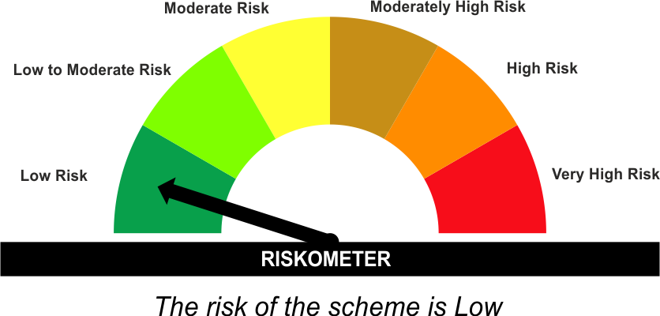 | As per AMFI Tier IBenchmark i . e . NIFTY 1D Rate Index
•Investment in debt and money market instruments with overnight maturity. |  | 

*Investors should consult their financial advisers if in doubt about whether the product is suitable for them.
#The Scheme and Benchmark riskometer disclosed above is latest available riskometer, for any updates please visit the AMC’s website (https://www.licmf.com/downloads/risk-o-meter-disclosure).
Mutual Fund investments are subject to market risks, read all scheme related documents carefully.

Potential Risk Class
Credit Risk | Relatively Low (Class A) | Moderate (Class B) | Relatively High (Class C)
Interest Rate Risk
Relatively Low (Class I) | A-I*
Moderate (Class II)
Relatively High (Class III)
*A-I - A Relatively Low Interest Rate Risk and Relatively Low Credit Risk.

 | Portfolio Information
Scheme Name : | LIC MF Overnight Fund
Description (if any) | Overnight Fund
Annualised Portfolio YTM* : | 5.12
Macaulay Duration | 0 Years
Residual Maturity | 0 Years
As on (Date) | 30 September 2026
* in case of semi annual YTM, it will be annualised
As the Regular and Direct plans have a common portfolio, the Portfolio yield given above is at the Scheme level

