LEARBF
LIC MF ARBITRAGE FUND |  |  |  |  | Index

Monthly Portfolio Statement as on September 30,2026
Name of the Instrument | ISIN | Industry / Rating | Quantity | Market/Fair Value (Rounded, Rs. In Lacs) | Rounded, % to Net Assets | Yield
Equity & Equity related
(a)Listed / Awaiting listing on Stock Exchanges
HDFC Bank Ltd. | INE040A01034 | Banks | 378,300.000 | 2,681.01 | 8.80%
ICICI Bank Ltd. | INE090A01021 | Banks | 166,600.000 | 2,201.95 | 7.23%
Hindalco Industries Ltd. | INE038A01020 | Non - Ferrous Metals | 215,600.000 | 2,030.52 | 6.66%
State Bank of India | INE062A01020 | Banks | 201,000.000 | 1,928.60 | 6.33%
Reliance Industries Ltd. | INE002A01018 | Petroleum Products | 153,500.000 | 1,822.05 | 5.98%
Bharti Airtel Ltd. | INE397D01024 | Telecom - Services | 85,975.000 | 1,510.58 | 4.96%
Tata Steel Ltd. | INE081A01020 | Ferrous Metals | 816,750.000 | 1,505.27 | 4.94%
Axis Bank Ltd. | INE238A01034 | Banks | 80,000.000 | 980.80 | 3.22%
HDFC Life Insurance Company Ltd. | INE795G01014 | Insurance | 160,600.000 | 837.05 | 2.75%
Bharat Electronics Ltd. | INE263A01024 | Aerospace & Defense | 198,075.000 | 769.13 | 2.52%
Jio Financial Services Ltd. | INE758E01017 | Finance | 319,600.000 | 693.15 | 2.28%
GMR Airports Ltd. | INE776C01039 | Transport Infrastructure | 718,425.000 | 683.58 | 2.24%
Mahindra & Mahindra Ltd. | INE101A01026 | Automobiles | 16,400.000 | 483.80 | 1.59%
Kotak Mahindra Bank Ltd. | INE237A01036 | Banks | 116,000.000 | 483.72 | 1.59%
Hindustan Unilever Ltd. | INE030A01027 | Diversified FMCG | 18,000.000 | 338.24 | 1.11%
Punjab National Bank | INE160A01022 | Banks | 216,000.000 | 244.21 | 0.80%
NTPC Ltd. | INE733E01010 | Power | 67,500.000 | 217.86 | 0.72%
IndusInd Bank Ltd. | INE095A01012 | Banks | 21,000.000 | 189.29 | 0.62%
Bank of Baroda | INE028A01039 | Banks | 78,975.000 | 182.08 | 0.60%
Container Corporation Of India Ltd. | INE111A01025 | Transport Services | 33,750.000 | 151.03 | 0.50%
Indus Towers Ltd. | INE121J01017 | Telecom - Services | 32,300.000 | 120.54 | 0.40%
JSW Steel Ltd. | INE019A01038 | Ferrous Metals | 8,775.000 | 109.99 | 0.36%
Tata Power Company Ltd. | INE245A01021 | Power | 24,650.000 | 88.49 | 0.29%
Bharat Heavy Electricals Ltd. | INE257A01026 | Electrical Equipment | 15,750.000 | 65.44 | 0.21%
Oil & Natural Gas Corporation Ltd. | INE213A01029 | Oil | 27,000.000 | 60.97 | 0.20%
Sun Pharmaceutical Industries Ltd. | INE044A01036 | Pharmaceuticals & Biotechnology | 2,450.000 | 44.51 | 0.15%
Crompton Greaves Cons Electrical Ltd. | INE299U01018 | Consumer Durables | 17,200.000 | 35.89 | 0.12%
Titan Company Ltd. | INE280A01028 | Consumer Durables | 525.000 | 24.08 | 0.08%
ITC Ltd. | INE154A01025 | Diversified FMCG | 8,625.000 | 22.66 | 0.07%
Asian Paints Ltd. | INE021A01026 | Consumer Durables | 500.000 | 12.01 | 0.04%
Power Finance Corporation Ltd. | INE134E01011 | Finance | 2,600.000 | 8.46 | 0.03%
Shriram Finance Ltd. | INE721A01047 | Finance | 825.000 | 8.11 | 0.03%
Larsen & Toubro Ltd. | INE018A01030 | Construction | 175.000 | 6.58 | 0.02%
Sub Total |  |  |  | 20,541.65 | 67.42%
(b) Unlisted
Sub Total |  |  |  | NIL | NIL

TOTAL |  |  |  | 20,541.65 | 67.42%

Others
Investment in Mutual fund
LIC MF ULTRA SHRT DUR FD -DIRECT PLAN | INF767K01QU8 |  | 324,993.168 | 4,760.73 | 15.63%
LIC MF MONEY MARKET FUND-DIRECT PLAN-GR | INF767K01RE0 |  | 308,742.143 | 4,032.98 | 13.24%

TOTAL |  |  |  | 8,793.71 | 28.86%

Treps / Reverse Repo
Treps |  |  |  | 1,034.98 | 3.40%
Sub Total |  |  |  | 1,034.98 | 3.40%

TOTAL |  |  |  | 1,034.98 | 3.40%
Net Receivables / (Payables) |  |  |  | 96.39 | 0.32%
GRAND TOTAL |  |  |  | 30,466.73 | 100.00%

Total outstanding position(as at 30 September 2026 ) in Derivative Instruments(Gross National) 20654.6 lacs.
Total percentage of existing assets hedge through futures is 67.77%.
Disclosure in Derivatives | Quantity | Market/Fair Value (Rounded, Rs. In Lacs) | Rounded,% TO Net Assets)
Hindustan Unilever Ltd. | (18,000) | (338.40) | -1.11%
Tata Steel Ltd. | (11,000) | (20.60) | -0.07%
JSW Steel Ltd. | (8,775) | (111.07) | -0.36%
State Bank of India | (201,000) | (1,944.07) | -6.38%
HDFC Life Insurance Company Ltd. | (4,400) | (22.95) | -0.08%
Container Corporation Of India Ltd. | (33,750) | (152.36) | -0.50%
GMR Airports Ltd. | (697,500) | (664.93) | -2.18%
ICICI Bank Ltd. | (166,600) | (2,214.11) | -7.27%
Kotak Mahindra Bank Ltd. | (116,000) | (483.60) | -1.59%
Tata Power Company Ltd. | (24,650) | (88.75) | -0.29%
Tata Steel Ltd. | (805,750) | (1,499.26) | -4.92%
Mahindra & Mahindra Ltd. | (7,400) | (219.68) | -0.72%
Punjab National Bank | (216,000) | (245.74) | -0.81%
Jio Financial Services Ltd. | (284,350) | (616.70) | -2.02%
Titan Company Ltd. | (525) | (24.42) | -0.08%
Axis Bank Ltd. | (79,375) | (974.57) | -3.20%
Mahindra & Mahindra Ltd. | (9,000) | (265.64) | -0.87%
Power Finance Corporation Ltd. | (2,600) | (8.54) | -0.03%
Reliance Industries Ltd. | (153,500) | (1,829.41) | -6.00%
Axis Bank Ltd. | (625) | (7.71) | -0.03%
Oil & Natural Gas Corporation Ltd. | (27,000) | (61.20) | -0.20%
Crompton Greaves Cons Electrical Ltd. | (10,750) | (22.63) | -0.07%
HDFC Life Insurance Company Ltd. | (156,200) | (811.38) | -2.66%
ITC Ltd. | (8,625) | (22.73) | -0.07%
Larsen & Toubro Ltd. | (175) | (6.59) | -0.02%
NTPC Ltd. | (67,500) | (216.81) | -0.71%
Hindalco Industries Ltd. | (700) | (6.69) | -0.02%
Bharat Heavy Electricals Ltd. | (15,750) | (65.44) | -0.21%
Sun Pharmaceutical Industries Ltd. | (2,450) | (44.88) | -0.15%
Shriram Finance Ltd. | (825) | (8.13) | -0.03%
Crompton Greaves Cons Electrical Ltd. | (6,450) | (13.61) | -0.04%
IndusInd Bank Ltd. | (21,000) | (190.34) | -0.62%
Bharat Electronics Ltd. | (54,150) | (211.59) | -0.69%
GMR Airports Ltd. | (20,925) | (20.06) | -0.07%
Asian Paints Ltd. | (500) | (12.02) | -0.04%
Bharat Electronics Ltd. | (143,925) | (559.51) | -1.84%
Hindalco Industries Ltd. | (214,900) | (2,041.12) | -6.70%
Indus Towers Ltd. | (32,300) | (120.88) | -0.40%
Bank of Baroda | (67,275) | (156.51) | -0.51%
Bharti Airtel Ltd. | (85,975) | (1,518.83) | -4.99%
HDFC Bank Ltd. | (378,300) | (2,706.93) | -8.88%
Jio Financial Services Ltd. | (35,250) | (76.85) | -0.25%
Bank of Baroda | (11,700) | (27.36) | -0.09%
Total | (4,203,425) | (20,654.60) | -67.77%

i) Securities in default beyond its maturity date: Nil
ii) Total value and percentage of illiquid equity shares as on September 30, 2026: Nil
iii)
 | 2026-09-30 | 2026-08-31
NAV
Regular Plan - Growth Option | 14.8182 | 14.7460
Regular Plan - Weekly Divdend Option | 14.3852 | 14.3151
Regular Plan - Monthly Divdend Option | 14.4774 | 14.4068
Direct Plan - Growth Option | 15.6163 | 15.5328
Direct Plan - Weekly IDCW Option | 14.6746 | 14.5961
Direct Plan - Monthly IDCW Option | 13.9555 | 13.9405
iv) Dividend declared during the month September 30, 2026 under the IDCW Option of the Scheme is as follows:
Option | Month | Rate of dividend per unit | Rate of dividend per unit
 |  | Individual/ HUF | Others
Direct Plan - Monthly IDCW Option | Sep-2026 | 0.0600 | 0.0600
v) No bonus declared during the period ended September 30, 2026.
vi) Details of derivatives exposure and transaction for the month ended September 30, 2026 is as follows:
(a) Hedging position through futures as on September 30, 2026 is as follows:
Underlying | Long/ short | Futures price when purchased | Current price of the contract | Margin maintained in Rs. Lakhs
Bank of Baroda | Short | 247.28 | 232.64 | 28.73
Axis Bank Ltd. | Short | 1,219.83 | 1,227.80 | 172.60
Bharat Electronics Ltd. | Short | 409.81 | 388.75 | 100.94
Asian Paints Ltd. | Short | 2,640.15 | 2,404.60 | 2.13
GMR Airports Ltd. | Short | 95.96 | 95.33 | 135.18
Hindustan Unilever Ltd. | Short | 1,939.50 | 1,880.00 | 59.96
Oil & Natural Gas Corporation Ltd. | Short | 234.29 | 226.66 | 10.86
Mahindra & Mahindra Ltd. | Short | 3,019.58 | 2,968.60 | 39.81
Mahindra & Mahindra Ltd. | Short | 3,054.26 | 2,951.50 | 48.16
Tata Power Company Ltd. | Short | 369.65 | 360.05 | 15.69
Hindalco Industries Ltd. | Short | 990.80 | 949.80 | 383.12
HDFC Life Insurance Company Ltd. | Short | 538.04 | 519.45 | 144.18
Jio Financial Services Ltd. | Short | 237.91 | 216.88 | 119.58
Sun Pharmaceutical Industries Ltd. | Short | 1,936.94 | 1,831.90 | 7.90
Shriram Finance Ltd. | Short | 1,017.30 | 985.00 | 1.80
Titan Company Ltd. | Short | 4,878.17 | 4,651.00 | 4.30
Tata Steel Ltd. | Short | 185.17 | 187.31 | 3.62
ICICI Bank Ltd. | Short | 1,384.22 | 1,329.00 | 390.79
Indus Towers Ltd. | Short | 385.68 | 374.25 | 40.81
NTPC Ltd. | Short | 328.64 | 321.20 | 38.59
Tata Steel Ltd. | Short | 188.55 | 186.07 | 264.02
Axis Bank Ltd. | Short | 1,271.10 | 1,234.20 | 1.37
Jio Financial Services Ltd. | Short | 235.40 | 218.00 | 14.90
Crompton Greaves Cons Electrical Ltd. | Short | 227.66 | 210.53 | 7.73
IndusInd Bank Ltd. | Short | 911.12 | 906.40 | 40.14
HDFC Bank Ltd. | Short | 732.56 | 715.55 | 476.15
Larsen & Toubro Ltd. | Short | 4,000.40 | 3,763.20 | 1.17
State Bank of India | Short | 988.24 | 967.20 | 342.35
Bharti Airtel Ltd. | Short | 1,838.61 | 1,766.60 | 268.07
Bharat Heavy Electricals Ltd. | Short | 434.48 | 415.50 | 15.37
ITC Ltd. | Short | 273.40 | 263.55 | 4.02
GMR Airports Ltd. | Short | 98.11 | 95.86 | 4.07
Power Finance Corporation Ltd. | Short | 351.70 | 328.55 | 1.72
JSW Steel Ltd. | Short | 1,279.72 | 1,265.80 | 19.54
Container Corporation Of India Ltd. | Short | 494.80 | 451.45 | 29.21
Bank of Baroda | Short | 240.22 | 233.86 | 5.02
Punjab National Bank | Short | 118.17 | 113.77 | 82.25
Hindalco Industries Ltd. | Short | 1,022.00 | 956.10 | 1.25
HDFC Life Insurance Company Ltd. | Short | 543.85 | 521.65 | 4.08
Bharat Electronics Ltd. | Short | 387.43 | 390.75 | 38.15
Kotak Mahindra Bank Ltd. | Short | 409.43 | 416.90 | 85.74
Reliance Industries Ltd. | Short | 1,281.14 | 1,191.80 | 323.26
Crompton Greaves Cons Electrical Ltd. | Short | 234.67 | 211.01 | 4.65
Total %age of existing assets hedged through futures: 67.79 %
For the month ended September 30, 2026, following details specified for hedging transactions through futures which have been squared off/ expired:
Total number of contracts where futures were bought: | 106
Total number of contracts where futures were sold: | 102
Gross notional value of contracts where futures were bought: | ₹ 16,892.22
Gross notional value of contracts where futures were sold: | ₹ 17,487.10
Net profit / (loss) value on all contracts combined: | ₹ 667.16
(b) Other than hedging position through futures as on September 30, 2026 is Nil.
For the period ended September 30, 2026, there were Nil other than hedging transactions through futures which have been squared off/ expired.
(c) Hedging position through options as on September 30, 2026 is Nil.
For the period ended September 30, 2026, there were Nil hedging transactions through option which have already been exercised/ expired.
(d) Other than hedging positions through options as on September 30, 2026 is Nil.
For the period ended September 30, 2026, other than hedging transactions through options which have already been exercised/ expired is Nil.
(e) Hedging positions through swaps as on September 30, 2026 is Nil.
vii) Total market value of investments in Foreign Securities/ American Depositary Receipts/ Global Depositary Receipts/ Overseas ETFs as at September 30, 2026 is Nil.
viii) Portfolio turnover ratio: 1.1 times
ix) Funds parked in short term deposit as on September 30, 2026: Nil
x) The details of repo transactions of the scheme in corporate debt securities: Nil

The product is suitable for investors who are seeking* | Scheme Riskometer# | Benchmark Riskometer (as applicable) #
•Income over a short term investment horizon | 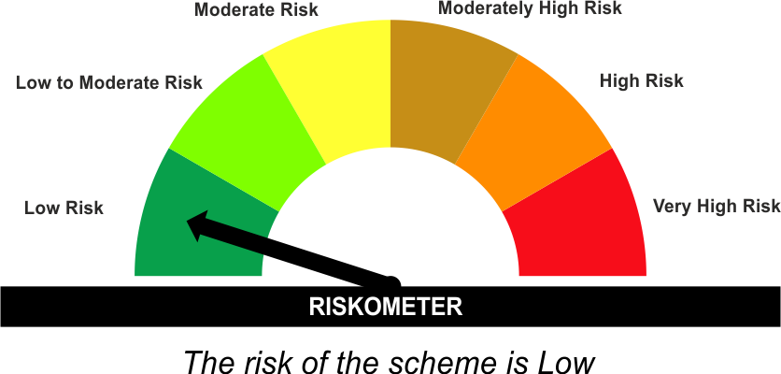 | As per AMFI Tier I Benchmark i.e. Nifty 50 Arbitrage Index
•Income through arbitrage opportunities between cash and derivative market and arbitrage opportunities within the derivative segment of the equity market |  | 

*Investors should consult their financial advisers if in doubt about whether the product is suitable for them.
#The Scheme and Benchmark riskometer disclosed above is latest available riskometer, for any updates please visit the AMC’s website (https://www.licmf.com/downloads/risk-o-meter-disclosure).
Mutual Fund investments are subject to market risks, read all scheme related documents carefully.

LEBADF
LIC MF BALANCED ADVANTAGE FUND |  |  |  |  | Index

Monthly Portfolio Statement as on September 30,2026
Name of the Instrument | ISIN | Industry / Rating | Quantity | Market/Fair Value (Rounded, Rs. In Lacs) | Rounded, % to Net Assets | Yield
Equity & Equity related
(a)Listed / Awaiting listing on Stock Exchanges
ICICI Bank Ltd. | INE090A01021 | Banks | 266,073.000 | 3,516.69 | 5.38%
Navin Fluorine International Ltd. | INE048G01026 | Chemicals & Petrochemicals | 29,701.000 | 2,448.85 | 3.75%
Sun Pharmaceutical Industries Ltd. | INE044A01036 | Pharmaceuticals & Biotechnology | 96,807.000 | 1,758.60 | 2.69%
INDO-MIM Ltd. | INE084101034 | Industrial Manufacturing | 139,999.000 | 1,739.42 | 2.66%
Larsen & Toubro Ltd. | INE018A01030 | Construction | 42,798.000 | 1,609.20 | 2.46%
Divi's Laboratories Ltd. | INE361B01024 | Pharmaceuticals & Biotechnology | 16,565.000 | 1,539.14 | 2.36%
AU Small Finance Bank Ltd. | INE949L01017 | Banks | 147,500.000 | 1,490.19 | 2.28%
Shriram Finance Ltd. | INE721A01047 | Finance | 150,000.000 | 1,474.05 | 2.26%
Solar Industries India Ltd. | INE343H01029 | Chemicals & Petrochemicals | 7,350.000 | 1,447.95 | 2.22%
Info Edge (India) Ltd. | INE663F01032 | Retailing | 115,750.000 | 1,411.57 | 2.16%
Bajaj Finance Ltd. | INE296A01032 | Finance | 145,151.000 | 1,392.58 | 2.13%
Multi Commodity Exchange Of India Ltd. | INE745G01043 | Capital Markets | 40,000.000 | 1,320.16 | 2.02%
Tata Consultancy Services Ltd. | INE467B01029 | IT - Software | 63,999.000 | 1,312.36 | 2.01%
Coforge Ltd. | INE591G01025 | IT - Software | 75,000.000 | 1,311.83 | 2.01%
Eternal Ltd. | INE758T01015 | Retailing | 400,000.000 | 1,280.00 | 1.96%
Torrent Pharmaceuticals Ltd. | INE685A01028 | Pharmaceuticals & Biotechnology | 26,500.000 | 1,272.00 | 1.95%
KEI Industries Ltd. | INE878B01027 | Industrial Products | 24,500.000 | 1,091.48 | 1.67%
InterGlobe Aviation Ltd. | INE646L01027 | Transport Services | 21,691.000 | 1,081.08 | 1.65%
Bharat Heavy Electricals Ltd. | INE257A01026 | Electrical Equipment | 260,000.000 | 1,080.30 | 1.65%
CG Power and Industrial Solutions Ltd. | INE067A01029 | Electrical Equipment | 126,000.000 | 1,076.29 | 1.65%
Nippon Life India Asset Management Ltd. | INE298J01013 | Capital Markets | 100,000.000 | 1,070.00 | 1.64%
Radico Khaitan Ltd. | INE944F01028 | Beverages | 24,000.000 | 1,047.84 | 1.60%
Ultratech Cement Ltd. | INE481G01011 | Cement & Cement Products | 9,504.000 | 1,041.26 | 1.59%
SRF Ltd. | INE647A01010 | Chemicals & Petrochemicals | 41,898.000 | 1,035.93 | 1.59%
Persistent Systems Ltd. | INE262H01021 | IT - Software | 18,900.000 | 997.73 | 1.53%
Apollo Hospitals Enterprise Ltd. | INE437A01024 | Healthcare Services | 12,037.000 | 982.88 | 1.50%
Hitachi Energy India Ltd. | INE07Y701011 | Electrical Equipment | 3,200.000 | 980.16 | 1.50%
Thermax Ltd. | INE152A01029 | Electrical Equipment | 27,500.000 | 932.86 | 1.43%
Mahindra & Mahindra Ltd. | INE101A01026 | Automobiles | 31,384.000 | 925.83 | 1.42%
Kirloskar Oil Engines Ltd. | INE146L01010 | Industrial Products | 40,000.000 | 921.68 | 1.41%
Endurance Technologies Ltd. | INE913H01037 | Auto Components | 34,631.000 | 919.97 | 1.41%
Hindalco Industries Ltd. | INE038A01020 | Non - Ferrous Metals | 82,600.000 | 777.93 | 1.19%
Oracle Financial Services Software Ltd. | INE881D01027 | IT - Software | 6,094.000 | 647.79 | 0.99%
Karur Vysya Bank Ltd. | INE036D01028 | Banks | 194,592.000 | 632.03 | 0.97%
JSW Steel Ltd. | INE019A01038 | Ferrous Metals | 50,000.000 | 626.70 | 0.96%
Neuland Laboratories Ltd. | INE794A01010 | Pharmaceuticals & Biotechnology | 2,900.000 | 619.15 | 0.95%
National Aluminium Company Ltd. | INE139A01034 | Non - Ferrous Metals | 180,000.000 | 613.71 | 0.94%
Eicher Motors Ltd. | INE066A01021 | Automobiles | 7,853.000 | 561.49 | 0.86%
Siemens Energy India Ltd. | INE1NPP01017 | Electrical Equipment | 17,500.000 | 560.00 | 0.86%
Sirca Paints India Ltd. | INE792Z01011 | Consumer Durables | 126,699.000 | 519.59 | 0.80%
Schneider Electric Infrastructure Ltd. | INE839M01018 | Electrical Equipment | 33,363.000 | 401.49 | 0.61%
PB Fintech Ltd. | INE417T01026 | Financial Technology (Fintech) | 36,000.000 | 383.00 | 0.59%
Aster DM Quality Care Ltd. | INE914M01019 | Healthcare Services | 54,000.000 | 376.46 | 0.58%
Quality Power Electrical Equipments Ltd. | INE0SII01026 | Electrical Equipment | 22,388.000 | 354.81 | 0.54%
Shakti Pumps (India) Ltd. | INE908D01010 | Industrial Products | 76,706.000 | 353.88 | 0.54%
Garware Hi-Tech Films Ltd. | INE291A01017 | Industrial Products | 3,983.000 | 279.43 | 0.43%
JK Cement Ltd. | INE823G01014 | Cement & Cement Products | 4,289.000 | 217.71 | 0.33%
Sub Total |  |  |  | 49,435.05 | 75.65%
(b) Unlisted
Sub Total |  |  |  | NIL | NIL

TOTAL |  |  |  | 49,435.05 | 75.65%

Debt Instruments
(a)Listed / Awaiting listing on stock Exchanges
7.43% Jamnagar Utilities & Power Pvt. Ltd. | INE936D07190 | CRISIL AAA | 4,000.000 | 4,146.22 | 6.35% | 8.00%
7.47% Reliance Industries Ltd. ** | INE002A08708 | CRISIL AAA | 1,500.000 | 1,494.75 | 2.29% | 7.63%
7.79% Bajaj Finance Ltd. ** | INE296A07UC7 | CRISIL AAA | 1,500.000 | 1,470.05 | 2.25% | 8.38%
7.45% Bharti Telecom Ltd. ** | INE403D08280 | CRISIL AAA | 1,000.000 | 1,040.89 | 1.59% | 8.37%
7.71% Government of India | IN0020260033 | SOVEREIGN | 1,000,000.000 | 1,028.28 | 1.57% | 7.86%
7.22% Small Industries Development Bk of India | INE556F08LC0 | CRISIL AAA | 1,000.000 | 1,019.42 | 1.56% | 7.87%
7.55% Indian Railway Finance Corporation Ltd. ** | INE053F07BX7 | CRISIL AAA | 50.000 | 534.05 | 0.82% | 7.72%
Sub Total |  |  |  | 10,733.66 | 16.43%

(b)Privately Placed/Unlisted
Sub Total |  |  |  | NIL | NIL

(c)Securitised Debt Instruments
Sub Total |  |  |  | NIL | NIL

TOTAL |  |  |  | 10,733.66 | 16.43%

Treps / Reverse Repo
Treps |  |  |  | 3,610.45 | 5.53%
Sub Total |  |  |  | 3,610.45 | 5.53%

TOTAL |  |  |  | 3,610.45 | 5.53%
Net Receivables / (Payables) |  |  |  | 1,563.74 | 2.39%
GRAND TOTAL |  |  |  | 65,342.90 | 100.00%

** Non Traded Security

i) Securities in default beyond its maturity date: Nil
ii) Total value and percentage of illiquid equity shares as on September 30, 2026: Nil
iii)
 | 2026-09-30 | 2026-08-31
NAV
Regular Plan - Growth Option | 13.4371 | 14.1474
Regular Plan - IDCW Option | 11.6576 | 12.2738
Direct Plan - Growth Option | 14.5500 | 15.2968
Direct Plan - IDCW Option | 12.4909 | 13.1320
iv) Dividend declared during the month September 30, 2026 under the IDCW Option of the Scheme is Nil.
v) No bonus declared during the period ended September 30, 2026.
vi) Total outstanding exposure in derivative instruments as on September 30, 2026 is Nil.
(a) Hedging position through futures as on September 30, 2026 is Nil.
(b) Other than hedging position through futures as on September 30, 2026 is Nil.
For the period ended September 30, 2026, there were Nil other than hedging transactions through futures which have been squared off/ expired.
(c) Hedging position through options as on September 30, 2026 is Nil.
For the period ended September 30, 2026, there were Nil hedging transactions through option which have already been exercised/ expired.
(d) Other than hedging positions through options as on September 30, 2026 is Nil.
For the period ended September 30, 2026, other than hedging transactions through options which have already been exercised/ expired is Nil.
(e) Hedging positions through swaps as on September 30, 2026 is Nil.
vii) Total market value of investments in Foreign Securities/ American Depositary Receipts/ Global Depositary Receipts/ Overseas ETFs as at September 30, 2026 is Nil.
viii) Portfolio turnover ratio: 0.84 times
ix) Funds parked in short term deposit as on September 30, 2026: Nil
x) The details of repo transactions of the scheme in corporate debt securities: Nil

The product is suitable for investors who are seeking* | Scheme Riskometer# | Benchmark Riskometer (as applicable) #
•Capital appreciation over a long period of time | 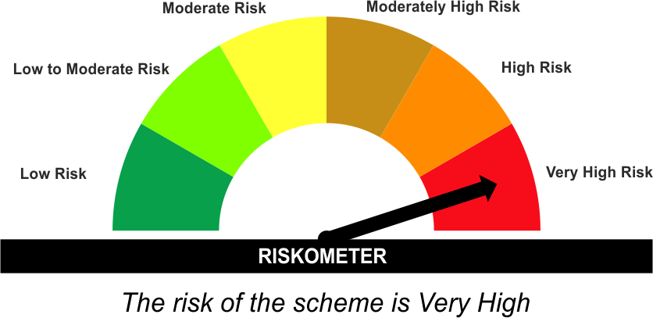 | As per AMFI Tier I Benchmark i . e . Nifty 50 Hybrid Composite Debt 50:50 Index
•Investments in a dynamically managed portfolio of equity and equity related instruments, debt and money market instruments |  | 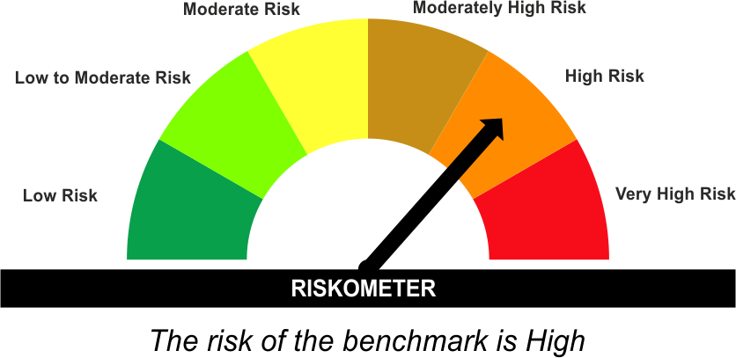

*Investors should consult their financial advisers if in doubt about whether the product is suitable for them.
#The Scheme and Benchmark riskometer disclosed above is latest available riskometer, for any updates please visit the AMC’s website (https://www.licmf.com/downloads/risk-o-meter-disclosure).
Mutual Fund investments are subject to market risks, read all scheme related documents carefully.

LEBFSF
LIC MF BANKING AND FINANCIAL SERVICES FUND |  |  |  |  | Index

Monthly Portfolio Statement as on September 30,2026
Name of the Instrument | ISIN | Industry / Rating | Quantity | Market/Fair Value (Rounded, Rs. In Lacs) | Rounded, % to Net Assets | Yield
Equity & Equity related
(a)Listed / Awaiting listing on Stock Exchanges
ICICI Bank Ltd. | INE090A01021 | Banks | 263,994.000 | 3,489.21 | 13.61%
AU Small Finance Bank Ltd. | INE949L01017 | Banks | 185,904.000 | 1,878.19 | 7.33%
Axis Bank Ltd. | INE238A01034 | Banks | 111,239.000 | 1,363.79 | 5.32%
One 97 Communications Ltd. | INE982J01020 | Financial Technology (Fintech) | 80,052.000 | 1,343.27 | 5.24%
HDFC Bank Ltd. | INE040A01034 | Banks | 183,886.000 | 1,303.20 | 5.08%
Bajaj Finance Ltd. | INE296A01032 | Finance | 129,764.000 | 1,244.96 | 4.86%
IndusInd Bank Ltd. | INE095A01012 | Banks | 131,500.000 | 1,185.34 | 4.62%
City Union Bank Ltd. | INE491A01021 | Banks | 521,666.000 | 1,179.23 | 4.60%
Shriram Finance Ltd. | INE721A01047 | Finance | 104,464.000 | 1,026.57 | 4.00%
Karur Vysya Bank Ltd. | INE036D01028 | Banks | 268,681.000 | 872.68 | 3.40%
BSE Ltd. | INE118H01025 | Capital Markets | 27,250.000 | 842.57 | 3.29%
Nippon Life India Asset Management Ltd. | INE298J01013 | Capital Markets | 78,642.000 | 841.47 | 3.28%
Motilal Oswal Financial Services Ltd. | INE338I01027 | Capital Markets | 82,991.000 | 824.93 | 3.22%
DCB Bank Ltd. | INE503A01015 | Banks | 380,883.000 | 775.25 | 3.02%
Aditya Birla Capital Ltd. | INE674K01013 | Finance | 203,346.000 | 773.93 | 3.02%
PB Fintech Ltd. | INE417T01026 | Financial Technology (Fintech) | 72,070.000 | 766.75 | 2.99%
Cholamandalam Investment & Fin Co Ltd. | INE121A01024 | Finance | 44,000.000 | 712.80 | 2.78%
Creditaccess Grameen Ltd. | INE741K01010 | Finance | 54,394.000 | 691.89 | 2.70%
Max Financial Services Ltd. | INE180A01020 | Insurance | 45,090.000 | 619.27 | 2.42%
Ujjivan Small Finance Bank Ltd. | INE551W01018 | Banks | 899,542.000 | 607.19 | 2.37%
Aditya Birla Sun Life AMC Ltd. | INE404A01024 | Capital Markets | 60,794.000 | 605.08 | 2.36%
360 One Wam Ltd. | INE466L01038 | Capital Markets | 57,052.000 | 587.64 | 2.29%
Aadhar Housing Finance Ltd. | INE883F01010 | Finance | 118,436.000 | 516.38 | 2.01%
Aavas Financiers Ltd. | INE216P01012 | Finance | 40,000.000 | 484.76 | 1.89%
Sub Total |  |  |  | 24,536.35 | 95.70%
(b) Unlisted
Sub Total |  |  |  | NIL | NIL

TOTAL |  |  |  | 24,536.35 | 95.70%

Treps / Reverse Repo
Treps |  |  |  | 1,145.43 | 4.47%
Sub Total |  |  |  | 1,145.43 | 4.47%

TOTAL |  |  |  | 1,145.43 | 4.47%
Net Receivables / (Payables) |  |  |  | (44.31) | (0.17%)
GRAND TOTAL |  |  |  | 25,637.47 | 100.00%

i) Securities in default beyond its maturity date: Nil
ii) Total value and percentage of illiquid equity shares as on September 30, 2026: Nil
iii)
 | 2026-09-30 | 2026-08-31
NAV
Regular Plan - Growth Option | 20.1010 | 22.0319
Regular Plan - IDCW Option | 20.0975 | 22.0280
Direct Plan - Growth Option | 23.0335 | 25.2210
Direct Plan - IDCW Option | 22.8724 | 25.0445
iv) Dividend declared during the month September 30, 2026 under the IDCW Option of the Scheme is Nil.
v) No bonus declared during the period ended September 30, 2026.
vi) Total outstanding exposure in derivative instruments as on September 30, 2026 is Nil.
vii) Total market value of investments in Foreign Securities/ American Depositary Receipts/ Global Depositary Receipts/ Overseas ETFs as at September 30, 2026 is Nil.
viii) Portfolio turnover ratio: 0.73 times
ix) Funds parked in short term deposit as on September 30, 2026: Nil
x) The details of repo transactions of the scheme in corporate debt securities: Nil

The product is suitable for investors who are seeking* | Scheme Riskometer# | Benchmark Riskometer (as applicable) #
•Capital appreciation over long term. |  | As per AMFI Tier I Benchmark i.e. Nifty Financial Services TRI
•Investing predominantly in portfolio of equity and equity related securities of companies engaged in banking and financial services. |  | 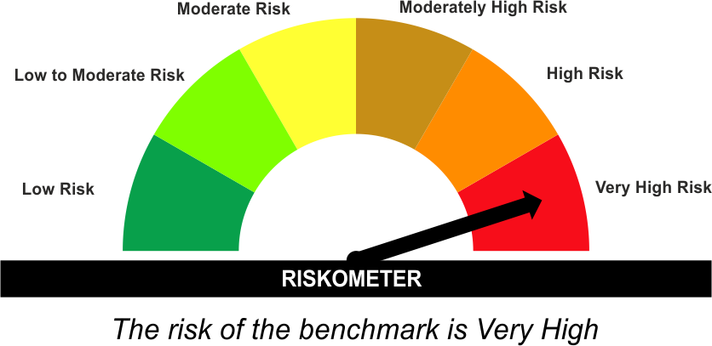

*Investors should consult their financial advisers if in doubt about whether the product is suitable for them.
#The Scheme and Benchmark riskometer disclosed above is latest available riskometer, for any updates please visit the AMC’s website (https://www.licmf.com/downloads/risk-o-meter-disclosure).
Mutual Fund investments are subject to market risks, read all scheme related documents carefully.

LEEQSF
LIC MF EQUITY SAVINGS FUND |  |  |  |  | Index

Monthly Portfolio Statement as on September 30,2026
Name of the Instrument | ISIN | Industry / Rating | Quantity | Market/Fair Value (Rounded, Rs. In Lacs) | Rounded, % to Net Assets | Yield
Equity & Equity related
(a)Listed / Awaiting listing on Stock Exchanges
Cipla Ltd. | INE059A01026 | Pharmaceuticals & Biotechnology | 7,650.000 | 102.97 | 2.66%
State Bank of India | INE062A01020 | Banks | 9,000.000 | 86.36 | 2.23%
Eternal Ltd. | INE758T01015 | Retailing | 24,250.000 | 77.60 | 2.01%
Bajaj Auto Ltd. | INE917I01010 | Automobiles | 635.000 | 69.05 | 1.79%
APL Apollo Tubes Ltd. | INE702C01027 | Industrial Products | 3,150.000 | 68.99 | 1.78%
Bank of Baroda | INE028A01039 | Banks | 29,250.000 | 67.44 | 1.74%
Divi's Laboratories Ltd. | INE361B01024 | Pharmaceuticals & Biotechnology | 700.000 | 65.04 | 1.68%
Solar Industries India Ltd. | INE343H01029 | Chemicals & Petrochemicals | 315.000 | 62.06 | 1.60%
Ashok Leyland Ltd. | INE208A01029 | Agricultural, Commercial & Construction Vehicles | 40,000.000 | 61.68 | 1.59%
Torrent Pharmaceuticals Ltd. | INE685A01028 | Pharmaceuticals & Biotechnology | 1,280.000 | 61.44 | 1.59%
Trent Ltd. | INE849A01020 | Retailing | 2,250.000 | 58.99 | 1.53%
LG Electronics India Ltd. | INE324D01010 | Consumer Durables | 3,300.000 | 56.88 | 1.47%
Ajanta Pharma Ltd. | INE031B01049 | Pharmaceuticals & Biotechnology | 1,570.000 | 56.85 | 1.47%
Tata Consultancy Services Ltd. | INE467B01029 | IT - Software | 2,700.000 | 55.37 | 1.43%
Ultratech Cement Ltd. | INE481G01011 | Cement & Cement Products | 500.000 | 54.78 | 1.42%
Radico Khaitan Ltd. | INE944F01028 | Beverages | 1,250.000 | 54.58 | 1.41%
Hindalco Industries Ltd. | INE038A01020 | Non - Ferrous Metals | 5,600.000 | 52.74 | 1.36%
Kotak Mahindra Bank Ltd. | INE237A01036 | Banks | 12,000.000 | 50.04 | 1.29%
Sona BLW Precision Forgings Ltd. | INE073K01018 | Auto Components | 6,000.000 | 49.80 | 1.29%
FSN E-Commerce Ventures Ltd. | INE388Y01029 | Retailing | 15,350.000 | 49.12 | 1.27%
Bharti Airtel Ltd. | INE397D01024 | Telecom - Services | 2,700.000 | 47.44 | 1.23%
Hero MotoCorp Ltd. | INE158A01026 | Automobiles | 900.000 | 47.17 | 1.22%
Endurance Technologies Ltd. | INE913H01037 | Auto Components | 1,750.000 | 46.49 | 1.20%
HDFC Bank Ltd. | INE040A01034 | Banks | 6,500.000 | 46.07 | 1.19%
Titan Company Ltd. | INE280A01028 | Consumer Durables | 1,000.000 | 45.87 | 1.19%
Tata Steel Ltd. | INE081A01020 | Ferrous Metals | 24,750.000 | 45.61 | 1.18%
Godfrey Phillips India Ltd. | INE260B01028 | Cigarettes & Tobacco Products | 2,237.000 | 42.32 | 1.09%
Asian Paints Ltd. | INE021A01026 | Consumer Durables | 1,750.000 | 42.05 | 1.09%
Coforge Ltd. | INE591G01025 | IT - Software | 2,375.000 | 41.54 | 1.07%
Ujjivan Small Finance Bank Ltd. | INE551W01018 | Banks | 61,100.000 | 41.24 | 1.07%
Apollo Hospitals Enterprise Ltd. | INE437A01024 | Healthcare Services | 500.000 | 40.83 | 1.06%
Persistent Systems Ltd. | INE262H01021 | IT - Software | 750.000 | 39.59 | 1.02%
National Aluminium Company Ltd. | INE139A01034 | Non - Ferrous Metals | 11,250.000 | 38.36 | 0.99%
AU Small Finance Bank Ltd. | INE949L01017 | Banks | 3,700.000 | 37.38 | 0.97%
ICICI Bank Ltd. | INE090A01021 | Banks | 2,800.000 | 37.01 | 0.96%
Hitachi Energy India Ltd. | INE07Y701011 | Electrical Equipment | 120.000 | 36.76 | 0.95%
Bajaj Finance Ltd. | INE296A01032 | Finance | 3,750.000 | 35.98 | 0.93%
Maruti Suzuki India Ltd. | INE585B01010 | Automobiles | 300.000 | 35.90 | 0.93%
Infosys Ltd. | INE009A01021 | IT - Software | 3,600.000 | 35.79 | 0.93%
Eicher Motors Ltd. | INE066A01021 | Automobiles | 500.000 | 35.75 | 0.92%
Cartrade Tech Ltd. | INE290S01011 | Retailing | 1,200.000 | 34.80 | 0.90%
HDFC Asset Management Company Ltd. | INE127D01025 | Capital Markets | 1,500.000 | 34.21 | 0.88%
Garware Hi-Tech Films Ltd. | INE291A01017 | Industrial Products | 470.000 | 32.97 | 0.85%
Siemens Ltd. | INE003A01024 | Electrical Equipment | 875.000 | 32.60 | 0.84%
United Spirits Ltd. | INE854D01024 | Beverages | 2,400.000 | 32.50 | 0.84%
HDFC Life Insurance Company Ltd. | INE795G01014 | Insurance | 5,500.000 | 28.67 | 0.74%
Jubilant Foodworks Ltd. | INE797F01020 | Leisure Services | 6,250.000 | 28.54 | 0.74%
Max Financial Services Ltd. | INE180A01020 | Insurance | 2,000.000 | 27.47 | 0.71%
Muthoot Finance Ltd. | INE414G01012 | Finance | 1,000.000 | 27.37 | 0.71%
Lumax Auto Technologies Ltd. | INE872H01027 | Auto Components | 1,300.000 | 27.00 | 0.70%
Larsen & Toubro Ltd. | INE018A01030 | Construction | 700.000 | 26.32 | 0.68%
Bharat Electronics Ltd. | INE263A01024 | Aerospace & Defense | 6,756.000 | 26.23 | 0.68%
Hindustan Aeronautics Ltd. | INE066F01020 | Aerospace & Defense | 559.000 | 26.09 | 0.67%
Allied Blenders And Distillers Ltd. | INE552Z01027 | Beverages | 3,623.000 | 26.05 | 0.67%
Creditaccess Grameen Ltd. | INE741K01010 | Finance | 1,500.000 | 19.08 | 0.49%
Tube Investments Of India Ltd. | INE974X01010 | Auto Components | 800.000 | 19.00 | 0.49%
Thermax Ltd. | INE152A01029 | Electrical Equipment | 550.000 | 18.66 | 0.48%
Crompton Greaves Cons Electrical Ltd. | INE299U01018 | Consumer Durables | 8,600.000 | 17.95 | 0.46%
Sub Total |  |  |  | 2,566.44 | 66.35%
(b) Unlisted
Sub Total |  |  |  | NIL | NIL

TOTAL |  |  |  | 2,566.44 | 66.35%

Others
Investment in Mutual fund
LIC MF LIQUID FUND-DR PLN-GR | INF767K01DN1 |  | 7,279.734 | 376.40 | 9.73%
LIC MF MONEY MARKET FUND-DIRECT PLAN-GR | INF767K01RE0 |  | 3,942.318 | 51.50 | 1.33%

TOTAL |  |  |  | 427.90 | 11.06%

Treps / Reverse Repo
Treps |  |  |  | 857.94 | 22.18%
Sub Total |  |  |  | 857.94 | 22.18%

TOTAL |  |  |  | 857.94 | 22.18%
Net Receivables / (Payables) |  |  |  | 15.64 | 0.41%
GRAND TOTAL |  |  |  | 3,867.92 | 100.00%

Total outstanding position(as at 30 September 2026 ) in Derivative Instruments(Gross National) 1235.44 lacs.
Total percentage of existing assets hedge through futures is 31.94%.
Disclosure in Derivatives | Quantity | Market/Fair Value (Rounded, Rs. In Lacs) | Rounded,% TO Net Assets)
United Spirits Ltd. | (2,400) | (32.46) | -0.84%
Trent Ltd. | (2,250) | (59.46) | -1.54%
Coforge Ltd. | (2,375) | (41.96) | -1.08%
Crompton Greaves Cons Electrical Ltd. | (8,600) | (18.11) | -0.47%
Cipla Ltd. | (7,650) | (103.83) | -2.68%
Kotak Mahindra Bank Ltd. | (12,000) | (50.03) | -1.29%
Max Financial Services Ltd. | (2,000) | (27.48) | -0.71%
ICICI Bank Ltd. | (2,800) | (37.21) | -0.96%
Infosys Ltd. | (3,600) | (36.09) | -0.93%
Larsen & Toubro Ltd. | (700) | (26.34) | -0.68%
Hindalco Industries Ltd. | (5,600) | (53.19) | -1.38%
Jubilant Foodworks Ltd. | (6,250) | (28.35) | -0.73%
State Bank of India | (9,000) | (87.05) | -2.25%
HDFC Bank Ltd. | (6,500) | (46.51) | -1.20%
Maruti Suzuki India Ltd. | (300) | (35.94) | -0.93%
Bank of Baroda | (29,250) | (68.05) | -1.76%
Hero MotoCorp Ltd. | (900) | (47.52) | -1.23%
Ashok Leyland Ltd. | (40,000) | (62.18) | -1.61%
Bajaj Finance Ltd. | (3,750) | (36.22) | -0.94%
Eicher Motors Ltd. | (500) | (35.99) | -0.93%
HDFC Life Insurance Company Ltd. | (5,500) | (28.57) | -0.74%
Persistent Systems Ltd. | (750) | (39.44) | -1.02%
Ultratech Cement Ltd. | (500) | (54.81) | -1.42%
Tube Investments Of India Ltd. | (800) | (19.20) | -0.50%
Tata Consultancy Services Ltd. | (2,700) | (55.49) | -1.43%
HDFC Asset Management Company Ltd. | (1,500) | (34.52) | -0.89%
APL Apollo Tubes Ltd. | (3,150) | (69.44) | -1.80%
Total | (161,325) | (1,235.44) | -31.94%

i) Securities in default beyond its maturity date: Nil
ii) Total value and percentage of illiquid equity shares as on September 30, 2026: Nil
iii)
 | 2026-09-30 | 2026-08-31
NAV
Regular Plan - Growth Option | 28.3082 | 28.8304
Regular Plan - Monthly IDCW Option | 21.9035 | 22.4091
Regular Plan - Quarterly IDCW Option | 20.5839 | 21.2176
Direct Plan - Growth Option | 32.3515 | 32.9218
Direct Plan - Monthly IDCW Option | 21.4510 | 21.9307
Direct Plan - Quarterly IDCW Option | 17.5186 | 18.0812
iv) Dividend declared during the month September 30, 2026 under the IDCW Option of the Scheme is as follows:
Option | Month | Rate of dividend per unit | Rate of dividend per unit
 |  | Individual/ HUF | Others
Direct Plan - Monthly IDCW Option | Sep-2026 | 0.1000 | 0.1000
Regular Plan - Monthly IDCW Option | Sep-2026 | 0.1000 | 0.1000
Regular Plan - Quarterly IDCW Option | Sep-2026 | 0.2500 | 0.2500
Direct Plan - Quarterly IDCW Option | Sep-2026 | 0.2500 | 0.2500
v) No bonus declared during the period ended September 30, 2026.
vi) Details of derivatives exposure and transaction for the half year ended September 30, 2026 is as follows:
(a) Hedging position through futures as on September 30, 2026 is as follows:
Underlying | Long/ short | Futures price when purchased | Current price of the contract | Margin maintained in Rs. Lakhs
Bank of Baroda | Short | 231.41 | 232.64 | 12.49
Bajaj Finance Ltd. | Short | 981.68 | 965.80 | 7.03
Ashok Leyland Ltd. | Short | 157.33 | 155.46 | 13.72
HDFC Asset Management Company Ltd. | Short | 2,331.08 | 2,301.60 | 6.97
Eicher Motors Ltd. | Short | 7,302.90 | 7,197.50 | 6.34
Cipla Ltd. | Short | 1,398.32 | 1,357.20 | 18.28
Coforge Ltd. | Short | 1,787.74 | 1,766.80 | 10.03
Crompton Greaves Cons Electrical Ltd. | Short | 219.17 | 210.53 | 6.18
Maruti Suzuki India Ltd. | Short | 12,064.50 | 11,981.00 | 6.37
HDFC Life Insurance Company Ltd. | Short | 532.34 | 519.45 | 5.08
United Spirits Ltd. | Short | 1,422.33 | 1,352.70 | 5.76
Ultratech Cement Ltd. | Short | 11,068.90 | 10,962.00 | 9.71
Persistent Systems Ltd. | Short | 5,320.75 | 5,258.50 | 8.87
HDFC Bank Ltd. | Short | 725.06 | 715.55 | 8.18
Tube Investments Of India Ltd. | Short | 2,500.45 | 2,400.50 | 4.21
Max Financial Services Ltd. | Short | 1,447.98 | 1,374.10 | 5.33
APL Apollo Tubes Ltd. | Short | 2,198.50 | 2,204.40 | 13.10
Hero MotoCorp Ltd. | Short | 5,353.25 | 5,280.00 | 8.37
State Bank of India | Short | 970.01 | 967.20 | 15.33
Larsen & Toubro Ltd. | Short | 3,837.63 | 3,763.20 | 4.67
Trent Ltd. | Short | 2,636.04 | 2,642.60 | 13.05
ICICI Bank Ltd. | Short | 1,311.48 | 1,329.00 | 6.57
Hindalco Industries Ltd. | Short | 967.73 | 949.80 | 9.98
Jubilant Foodworks Ltd. | Short | 477.57 | 453.60 | 5.90
Infosys Ltd. | Short | 996.94 | 1,002.60 | 6.90
Kotak Mahindra Bank Ltd. | Short | 399.73 | 416.90 | 8.87
Tata Consultancy Services Ltd. | Short | 2,055.98 | 2,055.20 | 10.10
Total %age of existing assets hedged through futures: 31.94 %
For the month ended September 30, 2026, following details specified for hedging transactions through futures which have been squared off/ expired:
Total number of contracts where futures were bought: | 27
Total number of contracts where futures were sold: | 27
Gross notional value of contracts where futures were bought: | ₹ 1,244.51
Gross notional value of contracts where futures were sold: | ₹ 1,249.18
Net profit / (loss) value on all contracts combined: | ₹ 99.43
(b) Other than hedging position through futures as on September 30, 2026 is Nil.
For the period ended September 30, 2026, there were Nil other than hedging transactions through futures which have been squared off/ expired.
(c) Hedging position through options as on September 30, 2026 is Nil.
For the period ended September 30, 2026, there were Nil hedging transactions through option which have already been exercised/ expired.
(d) Other than hedging positions through options as on September 30, 2026 is Nil.
For the period ended September 30, 2026, other than hedging transactions through options which have already been exercised/ expired is Nil.
(e) Hedging positions through swaps as on September 30, 2026 is Nil.
vii) Total market value of investments in Foreign Securities/ American Depositary Receipts/ Global Depositary Receipts/ Overseas ETFs as at September 30, 2026 is Nil.
viii) Portfolio turnover ratio: 0.51 times
ix) Funds parked in short term deposit as on September 30, 2026: Nil
x) The details of repo transactions of the scheme in corporate debt securities: Nil

The product is suitable for investors who are seeking* | Scheme Riskometer# | Benchmark Riskometer (as applicable) #
• Regular Income & Capital appreciation over Medium to Long term. | 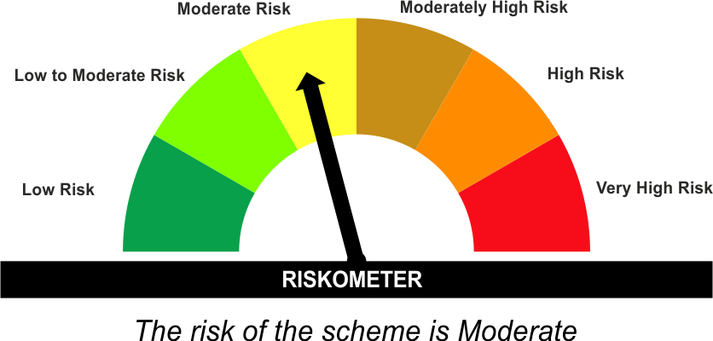 | As per AMFI Tier IBenchmark i.e. Nifty Equity Savings Index
• Investment in equity and equity related instruments including equity derivatives, arbitrage and debt and money market instruments. |  | 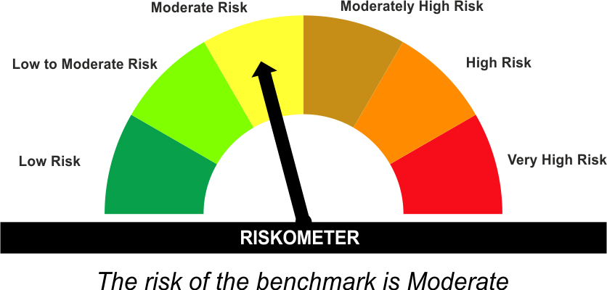

*Investors should consult their financial advisers if in doubt about whether the product is suitable for them.
#The Scheme and Benchmark riskometer disclosed above is latest available riskometer, for any updates please visit the AMC’s website (https://www.licmf.com/downloads/risk-o-meter-disclosure).
Mutual Fund investments are subject to market risks, read all scheme related documents carefully.

LEFE30
LIC MF FOCUSED FUND |  |  |  |  | Index

Monthly Portfolio Statement as on September 30,2026
Name of the Instrument | ISIN | Industry / Rating | Quantity | Market/Fair Value (Rounded, Rs. In Lacs) | Rounded, % to Net Assets | Yield
Equity & Equity related
(a)Listed / Awaiting listing on Stock Exchanges
INDO-MIM Ltd. | INE084101034 | Industrial Manufacturing | 104,079.000 | 1,293.13 | 7.55%
Tata Motors Passenger Vehicles Ltd. | INE155A01022 | Automobiles | 411,379.000 | 1,166.26 | 6.81%
Garware Hi-Tech Films Ltd. | INE291A01017 | Industrial Products | 10,033.000 | 703.87 | 4.11%
Tata Motors Ltd. | INE1TAE01010 | Agricultural, Commercial & Construction Vehicles | 158,546.000 | 668.51 | 3.90%
InterGlobe Aviation Ltd. | INE646L01027 | Transport Services | 12,733.000 | 634.61 | 3.71%
Bharat Forge Ltd. | INE465A01025 | Auto Components | 32,527.000 | 626.47 | 3.66%
State Bank of India | INE062A01020 | Banks | 64,533.000 | 619.19 | 3.62%
HDFC Bank Ltd. | INE040A01034 | Banks | 87,007.000 | 616.62 | 3.60%
The Phoenix Mills Ltd. | INE211B01039 | Realty | 31,504.000 | 609.60 | 3.56%
ICICI Bank Ltd. | INE090A01021 | Banks | 45,931.000 | 607.07 | 3.55%
NTPC Ltd. | INE733E01010 | Power | 179,869.000 | 580.53 | 3.39%
Oracle Financial Services Software Ltd. | INE881D01027 | IT - Software | 5,440.000 | 578.27 | 3.38%
KSH International Ltd. | INE987S01020 | Industrial Products | 57,729.000 | 577.93 | 3.38%
Schaeffler India Ltd. | INE513A01022 | Auto Components | 14,275.000 | 556.31 | 3.25%
Tata Power Company Ltd. | INE245A01021 | Power | 154,208.000 | 553.61 | 3.23%
Schneider Electric Infrastructure Ltd. | INE839M01018 | Electrical Equipment | 41,865.000 | 503.80 | 2.94%
Divgi Torqtransfer Systems Ltd. | INE753U01022 | Auto Components | 41,023.000 | 484.81 | 2.83%
Mahindra & Mahindra Financial Serv Ltd. | INE774D01024 | Finance | 141,493.000 | 459.64 | 2.68%
Gabriel India Ltd. | INE524A01029 | Auto Components | 33,838.000 | 454.04 | 2.65%
Sun Pharmaceutical Industries Ltd. | INE044A01036 | Pharmaceuticals & Biotechnology | 24,548.000 | 445.94 | 2.60%
Axis Bank Ltd. | INE238A01034 | Banks | 35,503.000 | 435.27 | 2.54%
Tenneco Clean Air India Ltd. | INE19RI01016 | Auto Components | 84,939.000 | 431.70 | 2.52%
Metro Brands Ltd. | INE317I01021 | Consumer Durables | 49,593.000 | 417.45 | 2.44%
Mahindra Lifespace Developers Ltd. | INE813A01018 | Realty | 111,888.000 | 403.13 | 2.35%
Hyundai Motor India Ltd. | INE0V6F01027 | Automobiles | 18,146.000 | 368.55 | 2.15%
Foseco India Ltd. | INE519A01011 | Chemicals & Petrochemicals | 5,010.000 | 323.77 | 1.89%
Arvind Ltd. | INE034A01011 | Textiles & Apparels | 49,964.000 | 269.76 | 1.58%
Infosys Ltd. | INE009A01021 | IT - Software | 26,130.000 | 259.76 | 1.52%
Sub Total |  |  |  | 15,649.60 | 91.39%
(b) Unlisted
Sub Total |  |  |  | NIL | NIL

TOTAL |  |  |  | 15,649.60 | 91.39%

Treps / Reverse Repo
Treps |  |  |  | 1,481.88 | 8.65%
Sub Total |  |  |  | 1,481.88 | 8.65%

TOTAL |  |  |  | 1,481.88 | 8.65%
Net Receivables / (Payables) |  |  |  | (8.65) | (0.04%)
GRAND TOTAL |  |  |  | 17,122.83 | 100.00%

i) Securities in default beyond its maturity date: Nil
ii) Total value and percentage of illiquid equity shares as on September 30, 2026: Nil
iii)
 | 2026-09-30 | 2026-08-31
NAV
Regular Plan - Growth Option | 21.5722 | 22.1677
Regular Plan - IDCW Option | 21.5720 | 22.1675
Direct Plan - Growth Option | 24.0381 | 24.6602
Direct Plan - IDCW Option | 24.0084 | 24.6297
iv) Dividend declared during the month September 30, 2026 under the IDCW Option of the Scheme is Nil.
v) No bonus declared during the period ended September 30, 2026.
vi) Total outstanding exposure in derivative instruments as on September 30, 2026 is Nil.
vii) Total market value of investments in Foreign Securities/ American Depositary Receipts/ Global Depositary Receipts/ Overseas ETFs as at September 30, 2026 is Nil.
viii) Portfolio turnover ratio: 1.87 times
ix) Funds parked in short term deposit as on September 30, 2026: Nil
x) The details of repo transactions of the scheme in corporate debt securities: Nil

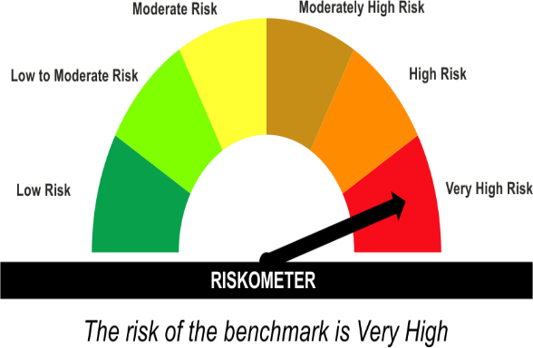
The product is suitable for investors who are seeking* | Scheme Riskometer# | Benchmark Riskometer (as applicable) #
•Long term capital appreciation |  | As per AMFI Tier I Benchmark i.e. Nifty 500 TRI
• Investment in equity & equity related instruments of up to 30 companies across market capitalization

*Investors should consult their financial advisers if in doubt about whether the product is suitable for them.
#The Scheme and Benchmark riskometer disclosed above is latest available riskometer, for any updates please visit the AMC’s website (https://www.licmf.com/downloads/risk-o-meter-disclosure).
Mutual Fund investments are subject to market risks, read all scheme related documents carefully.

LEGFOF
LIC MF GOLD ETF FUND OF FUND |  |  |  |  | Index

Monthly Portfolio Statement as on September 30,2026
Name of the Instrument | ISIN | Industry / Rating | Quantity | Market/Fair Value (Rounded, Rs. In Lacs) | Rounded, % to Net Assets | Yield

Others
Investment in Mutual fund
LIC Mutual Fund | INF767K01SM1 |  | 62,725,200.000 | 83,016.80 | 99.64%
Sub Total |  |  |  | 83,016.80 | 99.64%

TOTAL |  |  |  | 83,016.80 | 99.64%

Treps / Reverse Repo
Treps |  |  |  | 393.26 | 0.47%
Sub Total |  |  |  | 393.26 | 0.47%

TOTAL |  |  |  | 393.26 | 0.47%
Net Receivables / (Payables) |  |  |  | (97.44) | (0.11%)
GRAND TOTAL |  |  |  | 83,312.62 | 100.00%

i) Securities in default beyond its maturity date: Nil
ii) Total value and percentage of illiquid equity shares as on September 30, 2026: Nil
iii)
 | 2026-09-30 | 2026-08-31
NAV
Regular Plan - Growth Option | 37.8169 | 39.7102
Direct Plan - Growth Option | 40.0139 | 42.0083
iv) Dividend declared during the month September 30, 2026 under the IDCW Option of the Scheme is Nil.
v) No bonus declared during the period ended September 30, 2026.
vi) Total outstanding exposure in derivative instruments as on September 30, 2026 is Nil.
vii) Total market value of investments in Foreign Securities/ American Depositary Receipts/ Global Depositary Receipts/ Overseas ETFs as at September 30, 2026 is Nil.
viii) Funds parked in short term deposit as on September 30, 2026: Nil
ix) The details of repo transactions of the scheme in corporate debt securities: Nil

The product is suitable for investors who are seeking* | Scheme Riskometer# | Benchmark Riskometer (as applicable) #
•To replicate returns of LICMF Gold Exchange Traded Fund with at least medium term horizon | 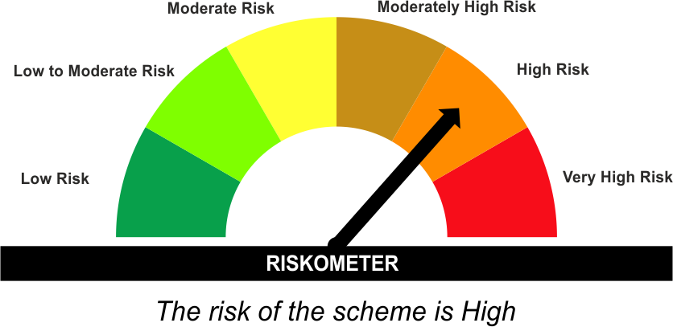 | Benchmark i . e . Domestic Price of Gold
•Investments in units of LIC MF Gold ETF / Money Market Instruments/ LIC MF Liquid Fund Scheme

*Investors should consult their financial advisers if in doubt about whether the product is suitable for them.
#The Scheme and Benchmark riskometer disclosed above is latest available riskometer, for any updates please visit the AMC’s website (https://www.licmf.com/downloads/risk-o-meter-disclosure).
Mutual Fund investments are subject to market risks, read all scheme related documents carefully.

