qMES
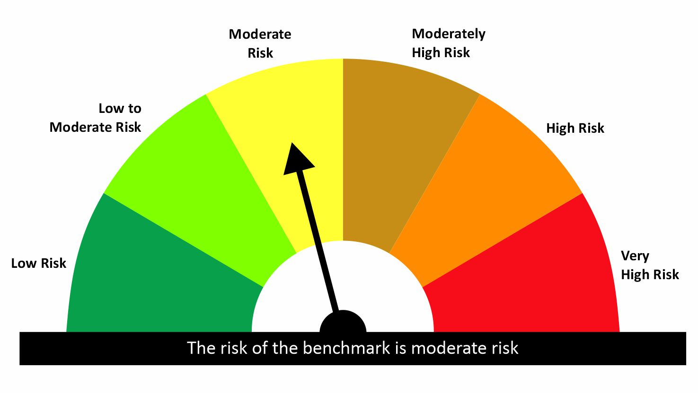
 |  | quant Mutual Fund
 |  | quant Equity Savings Fund
 |  | An open ended scheme investing in equity, arbitrage and debt
 |  | MONTHLY PORTFOLIO STATEMENT AS ON 30 Sep 2026

SR | ISIN | NAME OF THE INSTRUMENT |  | INDUSTRY | QUANTITY | MARKET VALUE(Rs.in Lakhs) | % to NAV | YTM | Hedged Quantity | Hedged % to NAV
 |  | EQUITY & EQUITY RELATED
 |  | (a) Listed / awaiting listing on Stock Exchanges
1 | INE121J01017 | Indus Towers Limited |  | Telecom - Services | 147620 | 550.92 | 9.21 | - | -124100 | -7.76
2 | INE545U01014 | Bandhan Bank Ltd. |  | Banks | 270000 | 481.22 | 8.04 | - | -270000 | -8.08
3 | INE942C01045 | Gujarat Themis Biosyn Ltd |  | Pharmaceuticals & Biotechnology | 118644 | 459.86 | 7.69 | -
4 | INE663F01032 | Info Edge (India) Ltd |  | Retailing | 24100 | 293.9 | 4.91 | -
5 | INE296A01032 | Bajaj Finance Limited |  | Finance | 22500 | 215.87 | 3.61 | - | -22500 | -3.63
6 | INE758T01015 | Eternal Limited |  | Retailing | 65475 | 209.52 | 3.50 | - | -65475 | -3.5
7 | INE0J1Y01017 | Life Insurance Corporation Of India |  | Insurance | 52371 | 206.97 | 3.46 | -
8 | INE522F01014 | Coal India Ltd |  | Consumable Fuels | 41847 | 177.85 | 2.97 | -
9 | INE860A01027 | HCL Technologies Limited |  | IT - Software | 14164 | 174.22 | 2.91 | -
10 | INE814H01029 | Adani Power Limited |  | Power | 85200 | 173.81 | 2.90 | -
11 | INE061F01013 | Fortis Healthcare Ltd |  | Healthcare Services | 21700 | 167.09 | 2.79 | - | -21700 | -2.77
12 | INE397D01024 | Bharti Airtel Limited |  | Telecom - Services | 9500 | 166.92 | 2.79 | - | -9500 | -2.8
13 | INE002A01018 | Reliance Industries Limited |  | Petroleum Products | 14000 | 166.18 | 2.78 | -
14 | INE027H01010 | Max Healthcare Institute Limited |  | Healthcare Services | 17325 | 161.09 | 2.69 | - | -17325 | -2.66
15 | INE303R01014 | Kalyan Jewellers India Limited |  | Consumer Durables | 28350 | 156.82 | 2.62 | - | -28350 | -2.64
16 | INE020B01018 | Rural Electrification Corporation Ltd |  | Finance | 50400 | 150.7 | 2.52 | - | -50400 | -2.51
17 | INE775A01035 | Samvardhana Motherson International Ltd |  | Auto Components | 79950 | 130.53 | 2.18 | - | -79950 | -2.19
18 | INE159A01016 | Glaxosmithkline Pharmaceuticals Ltd |  | Pharmaceuticals & Biotechnology | 3793 | 105.04 | 1.76 | -
19 | INE476A01022 | Canara Bank |  | Banks | 74250 | 88.68 | 1.48 | - | -74250 | -1.5
20 | INE009A01021 | Infosys Limited |  | IT - Software | 8400 | 83.5 | 1.40 | - | -8400 | -1.41
21 | INE584A01023 | NMDC Ltd |  | Minerals & Mining | 101250 | 77.5 | 1.30 | - | -101250 | -1.29
 |  | Sub Total |  |  |  | 4398.17 | 73.50

 |  | (b) Unlisted
 |  | Sub Total

 |  | (c) REIT
 |  | Sub Total
 |  | Total |  |  |  | 4398.17 | 73.50

 |  | DERIVATIVES
 |  | (a) Index / Stock Futures
22 | INE584A01023 | NMDC Ltd. |  | Minerals & Mining | -101250 | -77.43 | -1.29 | -
23 | INE009A01021 | Infosys Ltd. |  | IT - Software | -8400 | -84.22 | -1.41 | -
24 | INE476A01022 | Canara Bank |  | Banks | -74250 | -89.47 | -1.50 | -
25 | INE775A01035 | Samvardhana Motherson International Ltd. |  | Auto Components | -79950 | -130.77 | -2.19 | -
26 | INE020B01018 | REC Ltd. |  | Finance | -50400 | -149.97 | -2.51 | -
27 | INE303R01014 | Kalyan Jewellers India Ltd. |  | Consumer Durables | -28350 | -157.73 | -2.64 | -
28 | INE027H01010 | Max Healthcare Institute Ltd. |  | Healthcare Services | -17325 | -159.37 | -2.66 | -
29 | INE061F01013 | Fortis Healthcare Ltd. |  | Healthcare Services | -21700 | -165.94 | -2.77 | -
30 | INE397D01024 | Bharti Airtel Ltd. |  | Telecom - Services | -9500 | -167.83 | -2.80 | -
31 | INE758T01015 | Eternal Ltd. |  | Retailing | -65475 | -209.29 | -3.50 | -
32 | INE296A01032 | Bajaj Finance Ltd. |  | Finance | -22500 | -217.31 | -3.63 | -
33 | INE121J01017 | Indus Towers Ltd. |  | Telecom - Services | -124100 | -464.44 | -7.76 | -
34 | INE545U01014 | Bandhan Bank Ltd. |  | Banks | -270000 | -483.65 | -8.08 | -
 |  | Sub Total |  |  |  | -2557.41 | -42.74

 |  | (b) Index / Stock Options
 |  | Sub Total

 |  | Exchange Traded Commodity Derivatives
 |  | (c) Commodity Futures
 |  | Sub Total

 |  | (d) Commodity Option
 |  | Sub Total
 |  | Total |  |  |  | -2557.41 | -42.74

 |  | DEBT INSTRUMENTS
 |  | (a) Listed / awaited listed on Stock Exchanges
 |  | Sub Total

 |  | (b) Unlisted / Privately Placed
 |  | Sub Total

 |  | (c) Securitised Debt Instruments
 |  | Sub Total
 |  | Total

 |  | MONEY MARKET INSTRUMENTS
 |  | a) Commercial Paper
 |  | Sub Total

 |  | b) CD-Certificate of Deposits
 |  | Sub Total

 |  | c) Treasury Bills
 |  | Sub Total

 |  | d) Units of an Alternative Investment Fund (AIF)
 |  | Sub Total
 |  | Total
 |  | FIXED DEPOSITS
 |  | Total

 |  | OTHERS
 |  | OTHERS
 |  | (a) Mutual Fund Unit
35 | INF966L01820 | Quant Liquid Fund-Growth -Direct Plan |  | N.A. | 1410875.34 | 643.45 | 10.75 | -
 |  | Sub Total |  |  |  | 643.45 | 10.75

 |  | (b) Tri Party Repo (TREPs)
 |  | (b) Tri Party Repo (TREPs)
36 | INCBLO011026 | TREPS 01-Oct-2026 DEPO 10 |  | N.A. | 9488 | 948.8 | 15.86 | 5.71
37 | INCBLO011026 | TREPS 01-Oct-2026 DEPO 10 |  | N.A. | 9488 | 948.8 | 15.86 | 5.71
 |  | Sub Total |  |  |  | 948.8 | 15.86
 |  | Sub Total |  |  |  | 948.8 | 15.86

 |  | (c) Units of Infrastructure Investment Trust
 |  | Sub Total

 |  | (d) Other Receivables (Payables)
 |  | (d) Other Receivables (Payables)
38 |  | NCA-NET CURRENT ASSETS |  | N.A. |  | -6.67 | -0.11
39 |  | NCA-NET CURRENT ASSETS |  | N.A. |  | -6.67 | -0.11
 |  | Sub Total |  |  |  | -6.67 | -0.11
 |  | Sub Total |  |  |  | -6.67 | -0.11
 |  | Total |  |  |  | 1585.58 | 26.50
 |  | Total |  |  |  | 1585.58 | 26.50
 |  | Grand Total |  |  |  | 5983.75 | 100.00
 |  | Grand Total |  |  |  | 5983.75 | 100

 | Disclosure for investment in derivative instruments:
 | Hedging Positions through Futures as on 30/09/2026
 | Underlying | Long / Short | Future Price when Purchased | Current price of the contract | Margin maintained in Rs.Lakhs
 | Bajaj Finance Limited | Short | 1042.1 | 965.8 | Refer Note 11
 | Bandhan Bank Ltd. | Short | 192.8516 | 179.13 | Refer Note 11
 | Bharti Airtel Limited | Short | 1838.71 | 1766.6 | Refer Note 11
 | Canara Bank | Short | 126.6 | 120.5 | Refer Note 11
 | Eternal Limited | Short | 344.35 | 319.65 | Refer Note 11
 | Fortis Healthcare Ltd | Short | 899.8089 | 764.7 | Refer Note 11
 | Indus Towers Limited | Short | 388.5 | 374.25 | Refer Note 11
 | Infosys Limited | Short | 1025 | 1002.6 | Refer Note 11
 | Kalyan Jewellers India Limited | Short | 590.8738 | 556.35 | Refer Note 11
 | Max Healthcare Institute Limited | Short | 1003.7152 | 919.9 | Refer Note 11
 | Samvardhana Motherson International Ltd | Short | 165.31 | 163.57 | Refer Note 11
 | NMDC Ltd | Short | 81.52 | 76.47 | Refer Note 11
 | Rural Electrification Corporation Ltd | Short | 293.1875 | 297.55 | Refer Note 11
 | Total %age of existing assets hedged through futures |  | 42.74

 | For the period ended 30/09/2026 the following details are specified for hedging transactions through futures which have been squared off/expired
 | Total Number of contracts where futures were bought |  | 442
 | Total Number of contracts where futures were sold |  | 474
 | Gross Notional Value of contracts where futures were bought |  | 298502202.84
 | Gross Notional Value of contracts where futures were sold |  | 314475275.68
 | Net Profit/Loss value on all contracts combined |  | 15973072.84

 | Other than Hedging Positions through Futures as on 30/09/2026
 | Underlying | Long / Short | Future Price when Purchased | Current price of the contract | Margin maintained in Rs.Lakhs
 | NIL | NIL | - | -
 | Total Exposure due to futures (non hedging positions) as a %age of net assets

 | For the period ended 30/09/2026 the following details are specified for non hedging transactions through futures which have been squared off/expired
 | Total number of contracts where futures were bought |  | 52
 | Total number of contracts where futures were sold (carry forward) |  | 20
 | Gross Notional value of contracts where future were bought |  | 35283169.28
 | Gross Notional Value of contracts where futures were sold |  | 15696300
 | Net Profit/Loss value on all contracts combined |  | -19586869.28

 | Hedging Positions through Put Options as on 30/09/2026
 | Underlying | Number of contracts | Option Price when purchased | Current option price
 | NIL | NIL | - | - | -
 | Total %age of existing assets hedged through put options |  | NIL

 | For the period ended 30/09/2026 the following details are specified for hedging transactions through options which have been exercised/expired
 | Total number of contracts entered into |  | NIL
 | Gross Notional value of contracts |  | NIL
 | Net Profit/Loss Value on all contracts (treat premium paid as loss) |  | NIL

 | Other than Hedging Positions through Options as on 30/09/2026
 | Underlying | Call/Put | Number of contracts | Option Price when purchased | Current option price
 | NIL | NIL | - | - | -
 | Total Exposure through options as a %age of net assets |  | NIL

 | For the period ended 30/09/2026 the following details are specified with regard to non-hedging transactions through options which have already been exercised/expired :
 | Total number of contracts entered into |  | NIL
 | Gross Notional value of contracts |  | NIL
 | Net Profit/Loss Value on all contracts (treat premium paid as loss) |  | NIL

 |  | Notes :-

 | 1 | NAV History
 |  | SCHEME | NAV as on 30 Sep 2026 | NAV as on 31 Aug 2026
 |  | Quant Equity Savings Fund - Direct Growth | 10.9443 | 10.9167
 |  | Quant Equity Savings Fund - Direct IDCW | 10.9095 | 10.8851
 |  | Quant Equity Savings Fund - Regular Growth | 10.723 | 10.7111
 |  | Quant Equity Savings Fund - Regular IDCW | 10.7226 | 10.7106

 | 2 | Total Below investment grade or default provided for is NIL.
 | 3 | Dividend declared during the period is NIL
 | 4 | Bonus declared during the period is NIL
 | 5 | Total outstanding exposure in derivatives instruments as on 30-Sep-2026 is -42.74%
 | 6 | Total Investments in foreign securities/ADRs / GDRs as on 30-Sep-2026 is NIL
 | 7 | The annual Portfolio Turnover Ratio is 10.95 times / The Average Maturity period is 1 Days
 | 8 | The funds parked in short term deposit(s) as on 30-Sep-2026 were NIL
 | 9 | Total value and percentage of Illiquid Equity Shares is Nil
 | 10 | Total Repo in Corporate Debt is Nil
 | 11 | Margin maintained for derivative instruments is Rs. 578.59 Lakhs

 | Risk-o-meter of the Scheme



 | Risk-o-meter of the Benchmark- NIFTY Equity Savings Index

qMHC
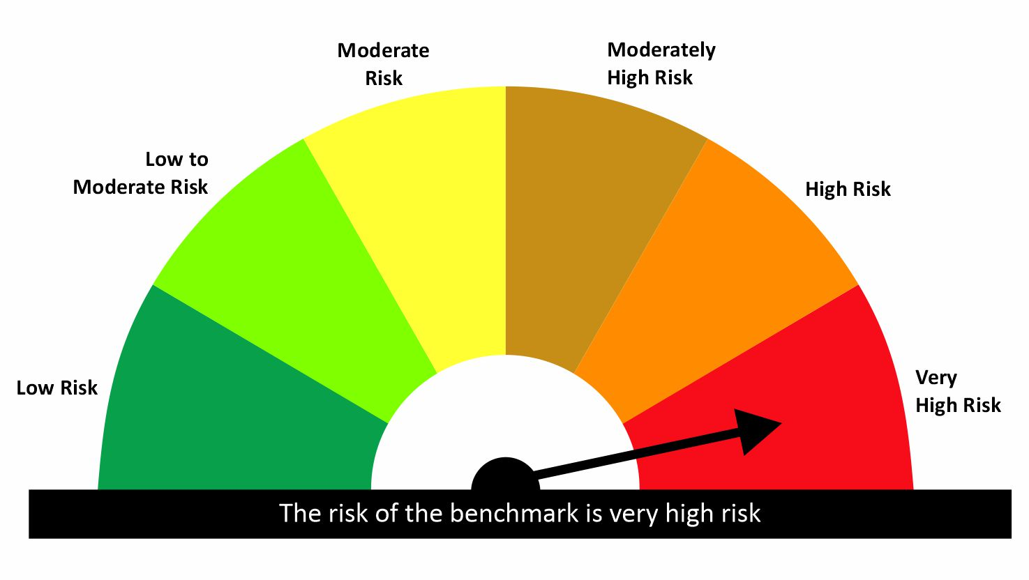
 |  | quant Mutual Fund
 |  | quant Healthcare Fund
 |  | An open ended equity scheme investing in Healthcare sector
 |  | MONTHLY PORTFOLIO STATEMENT AS ON 30 Sep 2026

SR | ISIN | NAME OF THE INSTRUMENT | RATING | INDUSTRY | QUANTITY | MARKET VALUE(Rs.in Lakhs) | % to NAV | YTM
 |  | EQUITY & EQUITY RELATED
 |  | (a) Listed / awaiting listing on Stock Exchanges
1 | INE159A01016 | Glaxosmithkline Pharmaceuticals Ltd | N.A. | Pharmaceuticals & Biotechnology | 148558 | 4114.02 | 9.69 | -
2 | INE010B01027 | Zydus Lifesciences Limited | N.A. | Pharmaceuticals & Biotechnology | 342900 | 3984.5 | 9.39 | -
3 | INE939A01011 | Strides Pharma Science Ltd | N.A. | Pharmaceuticals & Biotechnology | 342537 | 3836.41 | 9.04 | -
4 | INE182A01018 | Pfizer Ltd | N.A. | Pharmaceuticals & Biotechnology | 80707 | 3127.64 | 7.37 | -
5 | INE03Q201024 | Alivus Life Sciences | N.A. | Pharmaceuticals & Biotechnology | 191248 | 2637.88 | 6.21 | -
6 | INE571A01038 | IPCA Laboratories Ltd | N.A. | Pharmaceuticals & Biotechnology | 131743 | 2538.69 | 5.98 | -
7 | INE406A01037 | Aurobindo Pharma Limited | N.A. | Pharmaceuticals & Biotechnology | 129172 | 2159.76 | 5.09 | -
8 | INE768C01028 | Zydus Wellness Ltd | N.A. | Food Products | 405376 | 2078.77 | 4.90 | -
9 | INE259A01022 | Colgate-Palmolive (India) Ltd | N.A. | Personal Products | 83050 | 1464.42 | 3.45 | -
10 | INE987B01026 | Natco Pharma Ltd | N.A. | Pharmaceuticals & Biotechnology | 154500 | 1278.49 | 3.01 | -
11 | INE089A01031 | Dr. Reddy's Laboratories Limited | N.A. | Pharmaceuticals & Biotechnology | 80322 | 990.37 | 2.33 | -
12 | INE324D01010 | LG Electronics India Limited | N.A. | Consumer Durables | 14600 | 251.63 | 0.59 | -
13 | INE258G01013 | Heubach Colorants India Limited | N.A. | Fertilizers & Agrochemicals | 25514 | 110.54 | 0.26 | -
 |  | Sub Total |  |  |  | 28573.11 | 67.30

 |  | (b) Unlisted
 |  | Sub Total

 |  | (c) REIT
 |  | Sub Total
 |  | Total |  |  |  | 28573.11 | 67.30

 |  | DERIVATIVES
 |  | (a) Index / Stock Futures
14 | INE361B01024 | Divi's Laboratories Ltd. | N.A. | Pharmaceuticals & Biotechnology | 43800 | 4089.17 | 9.63 | -
15 | INE935A01035 | Glenmark Pharmaceuticals Ltd. | N.A. | Pharmaceuticals & Biotechnology | 168000 | 3963.79 | 9.34 | -
16 | INE685A01028 | Torrent Pharmaceuticals Ltd. | N.A. | Pharmaceuticals & Biotechnology | 75750 | 3660.24 | 8.62 | -
17 | INE406A01037 | Aurobindo Pharma Ltd. | N.A. | Pharmaceuticals & Biotechnology | 114400 | 1918.37 | 4.52 | -
 |  | Sub Total |  |  |  | 13631.57 | 32.11

 |  | (b) Index / Stock Options
 |  | Sub Total

 |  | Exchange Traded Commodity Derivatives
 |  | (c) Commodity Futures
 |  | Sub Total

 |  | (d) Commodity Option
 |  | Sub Total
 |  | Total |  |  |  | 13631.57 | 32.11

 |  | DEBT INSTRUMENTS
 |  | (a) Listed / awaited listed on Stock Exchanges
 |  | Sub Total

 |  | (b) Unlisted / Privately Placed
 |  | Sub Total

 |  | (c) Securitised Debt Instruments
 |  | Sub Total
 |  | Total

 |  | MONEY MARKET INSTRUMENTS
 |  | a) Commercial Paper
 |  | Sub Total

 |  | b) CD-Certificate of Deposits
 |  | Sub Total

 |  | c) Treasury Bills
18 | IN002026X156 | 91 Days Treasury Bill 15-Oct-2026 | SOV | N.A. | 300000 | 299.4 | 0.71 | 5.23
19 | IN002026X164 | 91 Days Treasury Bill 22-Oct-2026 | SOV | N.A. | 300000 | 299.1 | 0.70 | 5.20
20 | IN002026X180 | 91 Days Treasury Bill 05-Nov-2026 | SOV | N.A. | 300000 | 298.49 | 0.70 | 5.28
21 | IN002026X206 | 91 Days Treasury Bill 19-Nov-2026 | SOV | N.A. | 300000 | 297.86 | 0.70 | 5.35
22 | IN002026X214 | 91 Days Treasury Bill 27-Nov-2026 | SOV | N.A. | 300000 | 297.52 | 0.70 | 5.35
23 | IN002026X222 | 91 Days Treasury Bill 03-Dec-2026 | SOV | N.A. | 300000 | 297.25 | 0.70 | 5.37
24 | IN002026X230 | 91 Days Treasury Bill 10-Dec-2026 | SOV | N.A. | 300000 | 296.94 | 0.70 | 5.37
25 | IN002026X248 | 91 Days Treasury Bill 17-Dec-2026 | SOV | N.A. | 300000 | 296.56 | 0.70 | 5.50
26 | IN002026X255 | 91 Days Treasury Bill 24-Dec-2026 | SOV | N.A. | 300000 | 296.25 | 0.70 | 5.50
 |  | Sub Total |  |  |  | 2679.37 | 6.31

 |  | d) Units of an Alternative Investment Fund (AIF)
 |  | Sub Total
 |  | Total |  |  |  | 2679.37 | 6.31
 |  | FIXED DEPOSITS
 |  | Total

 |  | OTHERS
 |  | (a) Mutual Fund Unit
 |  | Sub Total

 |  | (b) Tri Party Repo (TREPs)
27 | INCBLO011026 | TREPS 01-Oct-2026 DEPO 10 | N.A. | N.A. | 112809.6 | 11280.96 | 26.57 | 5.71
 |  | Sub Total |  |  |  | 11280.96 | 26.57

 |  | (c) Units of Infrastructure Investment Trust
 |  | Sub Total

 |  | (d) Other Receivables (Payables)
28 |  | NCA-NET CURRENT ASSETS | N.A. | N.A. |  | -13711.77 | -32.30
 |  | Sub Total |  |  |  | -13711.77 | -32.30
 |  | Total |  |  |  | -2430.81 | -5.73
 |  | Grand Total |  |  |  | 42453.25 | 100

 | Disclosure for investment in derivative instruments:
 | Hedging Positions through Futures as on 30/09/2026
 | Underlying | Long / Short | Future Price when Purchased | Current price of the contract | Margin maintained in Rs.Lakhs
 | NIL | NIL | - | - | -
 | Total %age of existing assets hedged through futures |  | NIL

 | For the period ended 30/09/2026 the following details are specified for hedging transactions through futures which have been squared off/expired
 | Total Number of contracts where futures were bought |  | 234
 | Total Number of contracts where futures were sold |  | 234
 | Gross Notional Value of contracts where futures were bought |  | 385702536.02
 | Gross Notional Value of contracts where futures were sold |  | 394308095.69
 | Net Profit/Loss value on all contracts combined |  | 8605559.66

 | Other than Hedging Positions through Futures as on 30/09/2026
 | Underlying | Long / Short | Future Price when Purchased | Current price of the contract | Margin maintained in Rs.Lakhs
 | Aurobindo Pharma Limited | Long | 1726.7111 | 1676.9 | Refer Note 11
 | Divi's Laboratories Limited | Long | 9660.3231 | 9336 | Refer Note 11
 | Glenmark Pharmaceuticals Ltd | Long | 2404.8 | 2359.4 | Refer Note 11
 | Torrent Pharmaceuticals Ltd | Long | 4913.9612 | 4832 | Refer Note 11
 | Total Exposure due to futures (non hedging positions) as a %age of net assets |  | 32.11

 | For the period ended 30/09/2026 the following details are specified for non hedging transactions through futures which have been squared off/expired
 | Total number of contracts where futures were bought |  | 2141
 | Total number of contracts where futures were sold (carry forward) |  | 1639
 | Gross Notional value of contracts where future were bought |  | 1681075291.5
 | Gross Notional Value of contracts where futures were sold |  | 1352332255.5
 | Net Profit/Loss value on all contracts combined |  | -328743036.03

 | Hedging Positions through Put Options as on 30/09/2026
 | Underlying | Number of contracts | Option Price when purchased | Current option price
 | NIL | NIL | - | - | -
 | Total %age of existing assets hedged through put options |  | NIL

 | For the period ended 30/09/2026 the following details are specified for hedging transactions through options which have been exercised/expired
 | Total number of contracts entered into |  | NIL
 | Gross Notional value of contracts |  | NIL
 | Net Profit/Loss Value on all contracts (treat premium paid as loss) |  | NIL

 | Other than Hedging Positions through Options as on 30/09/2026
 | Underlying | Call/Put | Number of contracts | Option Price when purchased | Current option price
 | NIL | NIL | - | - | -
 | Total Exposure through options as a %age of net assets |  | NIL

 | For the period ended 30/09/2026 the following details are specified with regard to non-hedging transactions through options which have already been exercised/expired :
 | Total number of contracts entered into |  | NIL
 | Gross Notional value of contracts |  | NIL
 | Net Profit/Loss Value on all contracts (treat premium paid as loss) |  | NIL

 |  | Notes :-

 | 1 | NAV History
 |  | SCHEME | NAV as on 30 Sep 2026 | NAV as on 31 Aug 2026
 |  | Quant Healthcare Fund- Direct Growth | 18.8601 | 19.4176
 |  | Quant Healthcare Fund- Direct IDCW | 18.8581 | 19.4156
 |  | Quant Healthcare Fund- Regular Growth | 17.8982 | 18.452
 |  | Quant Healthcare Fund- Regular IDCW | 17.8973 | 18.4511

 | 2 | Total Below investment grade or default provided for is NIL.
 | 3 | Dividend declared during the period is NIL
 | 4 | Bonus declared during the period is NIL
 | 5 | Total outstanding exposure in derivatives instruments as on 30-Sep-2026 is 32.11%
 | 6 | Total Investments in foreign securities/ADRs / GDRs as on 30-Sep-2026 is NIL
 | 7 | The annual Portfolio Turnover Ratio is 5.19 times / The Average Maturity period is 0 Days
 | 8 | The funds parked in short term deposit(s) as on 30-Sep-2026 were NIL
 | 9 | Total value and percentage of Illiquid Equity Shares is Nil
 | 10 | Total Repo in Corporate Debt is Nil
 | 11 | Margin maintained for derivative instruments is Rs. 2608.18 Lakhs

 | Risk-o-meter of the Scheme



 | Risk-o-meter of the Benchmark- NIFTY HEALTHCARE INDEX TRI

qMON
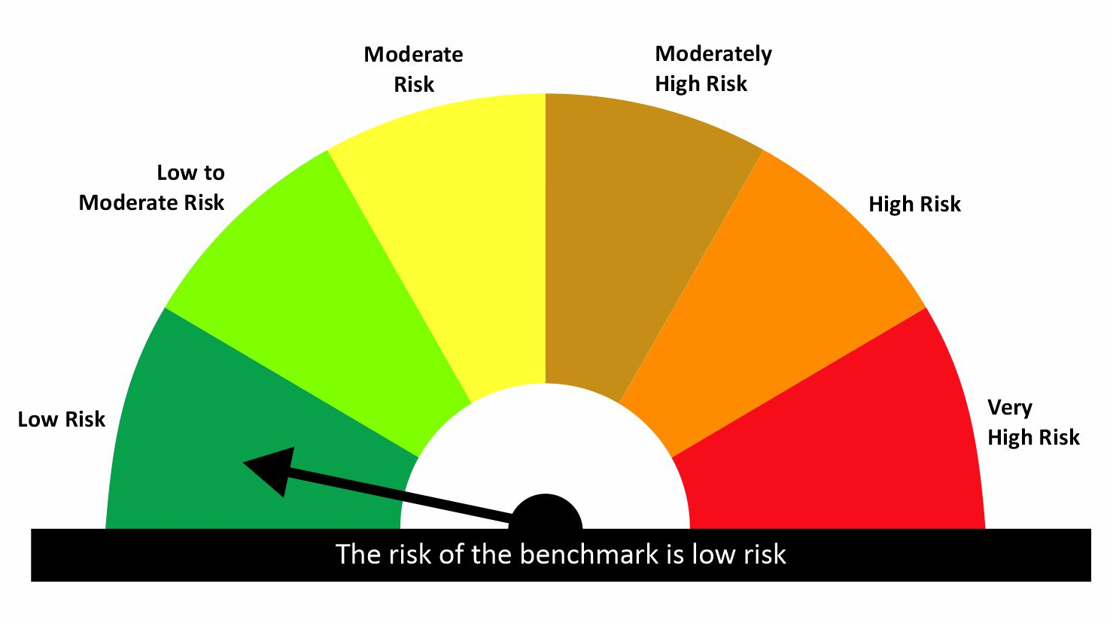

 |  | quant Mutual Fund
 |  | quant Overnight Fund
 |  | An open ended Debt Scheme investing in Overnight securities – Relatively Low interest rate risk and Relatively Low Credit Risk
 |  | MONTHLY PORTFOLIO STATEMENT AS ON 30 Sep 2026

SR | ISIN | NAME OF THE INSTRUMENT | RATING | INDUSTRY | QUANTITY | MARKET VALUE(Rs.in Lakhs) | % to NAV | YTM

 |  | OTHERS

 |  | Tri Party Repo (TREPs)
1 | INCBLO011026 | TREPS 01-Oct-2026 DEPO 10 | N.A. | N.A. | 52921.6 | 5292.16 | 98.54 | 5.71
 |  | Sub Total |  |  |  | 5292.16 | 98.54

 |  | Other Receivables (Payables)
2 |  | NCA-NET CURRENT ASSETS | N.A. | N.A. |  | 78.24 | 1.46
 |  | Sub Total |  |  |  | 78.24 | 1.46
 |  | Total |  |  |  | 5370.4 | 100.00
 |  | Grand Total |  |  |  | 5370.4 | 100

 |  | Notes :-

 | 1 | NAV History
 |  | SCHEME | NAV as on 30 Sep 2026 | NAV as on 31 Aug 2026
 |  | quant Overnight Fund - Regular IDCW | 12.5547 | 12.5085
 |  | quant Overnight Fund - Regular Growth | 12.5663 | 12.52
 |  | quant Overnight Fund - Direct IDCW | 12.6192 | 12.572
 |  | quant Overnight Fund - Direct Growth | 12.6142 | 12.5669

 | 2 | Dividend History - Dividend declared during the month ended 30-Sep-2026 is NIL

 | 3 | Total Below investment grade or default provided for is NIL.
 | 4 | Bonus declared during the period is NIL
 | 5 | Total outstanding exposure in derivatives instruments as on 30-Sep-2026 is NIL
 | 6 | Total Investments in foreign securities/ADRs / GDRs as on 30-Sep-2026 is NIL
 | 7 | The Average Maturity period is 1 Days
 | 8 | The funds parked in short term deposit(s) as on 30-Sep-2026 were NIL
 | 9 | Total value and percentage of Illiquid Equity Shares is Nil
 | 10 | Total Repo in Corporate Debt is Nil
 | 11 | Standard Disclosure for Portfolio YTM as per AMFI :
 |  |  | Portfolio Information
 |  | Scheme Name | quant Overnight Fund
 |  | Description | The primary objective of the scheme is to generate returns by investing in debt and money market instruments with overnight maturity.
 |  | Annualised Portfolio YTM | 4.85%
 |  | Macaulay Duration (Days) | 1
 |  | Residual Maturity (Days) | 1
 |  | As on (Date) | 30/09/26

 | Risk-o-meter of the Scheme



 | Risk-o-meter of the Benchmark- CRISIL Liquid Overnight Index

qMIA
 |  | quant Mutual Fund
 |  | quant Income Plus Arbitrage Active FOF
 |  | An open ended Fund of Fund scheme investing in Arbitrage and actively managed Debt Mutual Fund Schemes
 |  | MONTHLY PORTFOLIO STATEMENT AS ON 30 Sep 2026

SR | ISIN | NAME OF THE INSTRUMENT | RATING | INDUSTRY | QUANTITY | MARKET VALUE(Rs.in Lakhs) | % to NAV | YTM

 |  | OTHERS
 |  | (a) Mutual Fund Unit
1 | INF966L01DW8 | Quant Arbitrage Fund -Direct Plan Growth | N.A. | N.A. | 27968105.81 | 3112.77 | 56.65 | -
2 | INF966L01820 | Quant Liquid Fund-Growth -Direct Plan | N.A. | N.A. | 4955155.17 | 2259.87 | 41.13 | -
 |  | Sub Total |  |  |  | 5372.63 | 97.78

 |  | (b) Tri Party Repo (TREPs)
3 | INCBLO011026 | TREPS 01-Oct-2026 DEPO 10 | N.A. | N.A. | 1218.5 | 121.85 | 2.22 | 5.71
 |  | Sub Total |  |  |  | 121.85 | 2.22

 |  | (c) Other Receivables (Payables)
4 |  | NCA-NET CURRENT ASSETS | N.A. | N.A. |  | -0.09 | 0.00
 |  | Sub Total |  |  |  | -0.09 | 0.00
 |  | Total |  |  |  | 5494.4 | 100.00
 |  | Grand Total |  |  |  | 5494.4 | 100

 |  | Notes :-

 | 1 | NAV History
 |  | SCHEME | NAV as on 30 Sep 2026
 |  | quant Income Plus Arbitrage Active FoF - Direct (G) | 10.0431
 |  | quant Income Plus Arbitrage Active FoF - Direct (IDCW) | 10.0427
 |  | quant Income Plus Arbitrage Active FoF - Regular (G) | 10.0405
 |  | quant Income Plus Arbitrage Active FoF - Regular (IDCW) | 10.0405

 | 2 | Total Below investment grade or default provided for is NIL.
 | 3 | Dividend declared during the period is NIL
 | 4 | Bonus declared during the period is NIL
 | 5 | Total outstanding exposure in derivatives instruments as on 30-Sep-2026 is NIL
 | 6 | Total Investments in foreign securities/ADRs / GDRs as on 30-Sep-2026 is NIL
 | 7 | The annual Portfolio Turnover Ratio is 0.18 times / The Average Maturity period is 0 Days
 | 8 | The funds parked in short term deposit(s) as on 30-Sep-2026 were NIL
 | 9 | Total value and percentage of Illiquid Equity Shares is Nil
 | 10 | Total Repo in Corporate Debt is Nil

 | Risk-o-meter of the Scheme

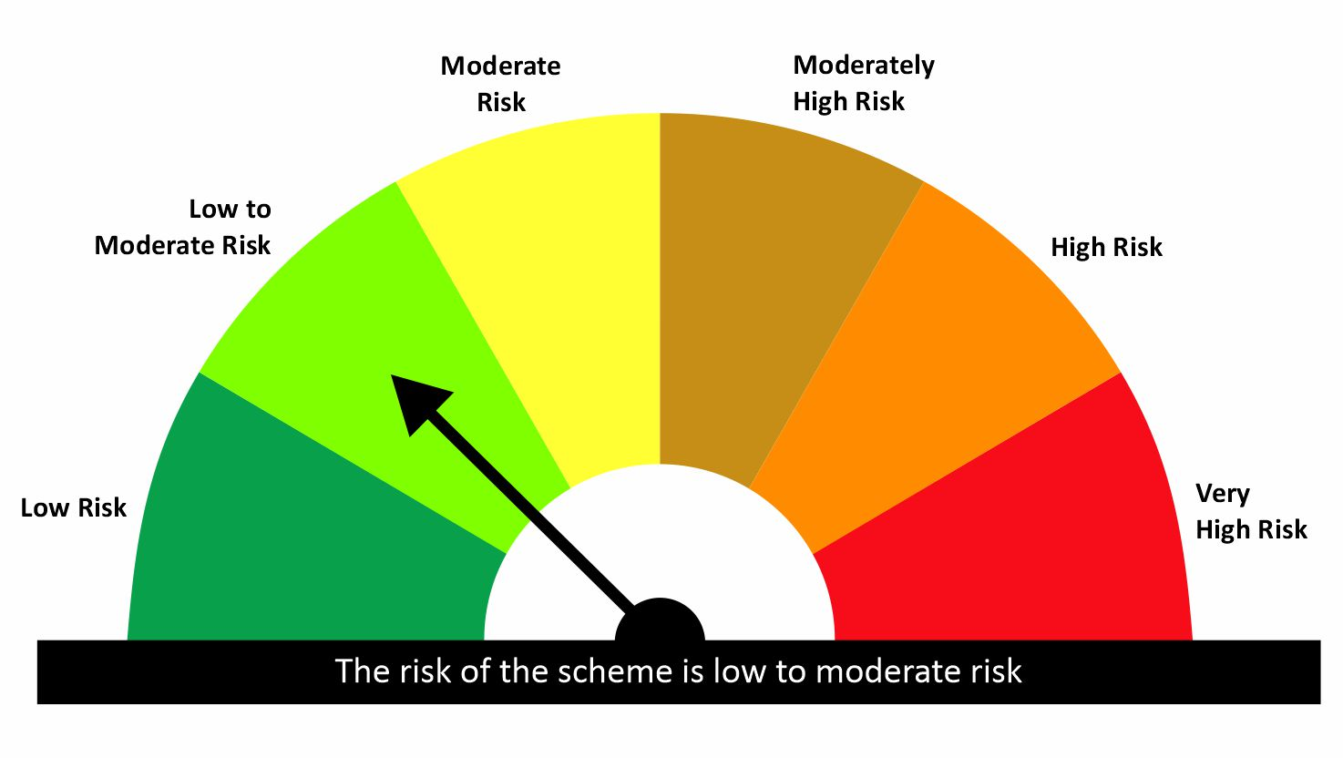

 | Risk-o-meter of the Benchmark

qMDA
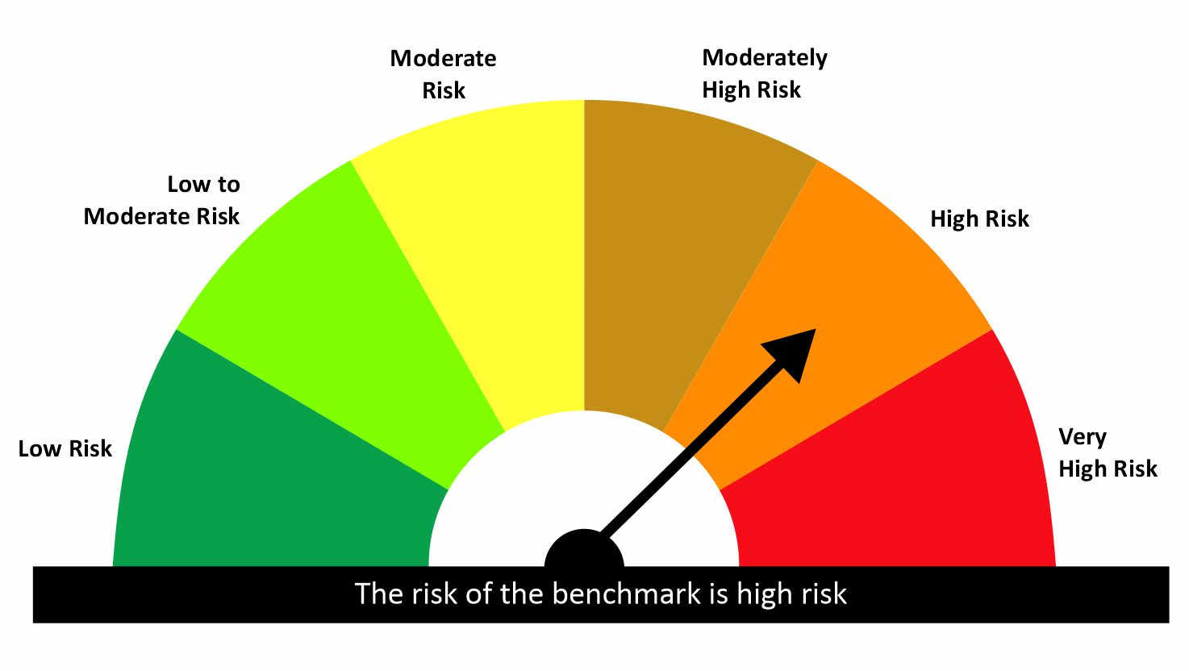
 |  | quant Mutual Fund
 |  | quant Dynamic Asset Allocation Fund
 |  | An Open Ended Dynamic Asset Allocation Fund
 |  | MONTHLY PORTFOLIO STATEMENT AS ON 30 Sep 2026

SR | ISIN | NAME OF THE INSTRUMENT | RATING | INDUSTRY | QUANTITY | MARKET VALUE(Rs.in Lakhs) | % to NAV | YTM
 |  | EQUITY & EQUITY RELATED
 |  | (a) Listed / awaiting listing on Stock Exchanges
1 | INE406A01037 | Aurobindo Pharma Limited | N.A. | Pharmaceuticals & Biotechnology | 496695 | 8304.74 | 10.25 | -
2 | INE397D01024 | Bharti Airtel Limited | N.A. | Telecom - Services | 442225 | 7769.89 | 9.59 | -
3 | INE364U01010 | Adani Green Energy Limited | N.A. | Power | 602005 | 7693.62 | 9.50 | -
4 | INE423A01024 | Adani Enterprises Limited | N.A. | Metals & Minerals Trading | 263781 | 7658.62 | 9.45 | -
5 | INE121J01017 | Indus Towers Limited | N.A. | Telecom - Services | 2000418 | 7465.56 | 9.21 | -
6 | INE781S01027 | Ventive Hospitality Limited | N.A. | Leisure Services | 793155 | 4428.98 | 5.47 | -
7 | INE159A01016 | Glaxosmithkline Pharmaceuticals Ltd | N.A. | Pharmaceuticals & Biotechnology | 82471 | 2283.87 | 2.82 | -
8 | INE002A01018 | Reliance Industries Limited | N.A. | Petroleum Products | 132646 | 1574.51 | 1.94 | -
9 | INE258G01013 | Heubach Colorants India Limited | N.A. | Fertilizers & Agrochemicals | 151295 | 655.49 | 0.81 | -
10 | INE0J1Y01017 | Life Insurance Corporation Of India | N.A. | Insurance | 89600 | 354.1 | 0.44 | -
11 | INE257A01026 | Bharat Heavy Electricals Ltd | N.A. | Electrical Equipment | 127 | 0.53 | 0.00 | -
 |  | Sub Total |  |  |  | 48189.9 | 59.48

 |  | (b) Unlisted
 |  | Sub Total

 |  | (c) REIT
12 | INE2OVN25015 | Bagmane Prime Office REIT | N.A. | Realty | 6499950 | 7051.15 | 8.70 | -
 |  | Sub Total |  |  |  | 7051.15 | 8.70
 |  | Total |  |  |  | 55241.05 | 68.19

 |  | DERIVATIVES
 |  | (a) Index / Stock Futures
13 | INE002A01018 | Reliance Industries Ltd. | N.A. | Petroleum Products | 498000 | 5935.16 | 7.33 | -
 |  | Sub Total |  |  |  | 5935.16 | 7.33

 |  | (b) Index / Stock Options
 |  | Sub Total

 |  | Exchange Traded Commodity Derivatives
 |  | (c) Commodity Futures
 |  | Sub Total

 |  | (d) Commodity Option
 |  | Sub Total
 |  | Total |  |  |  | 5935.16 | 7.33

 |  | DEBT INSTRUMENTS
 |  | (a) Listed / awaited listed on Stock Exchanges
 |  | Sub Total

 |  | (b) Unlisted / Privately Placed
 |  | Sub Total

 |  | (c) Securitised Debt Instruments
 |  | Sub Total
 |  | Total

 |  | MONEY MARKET INSTRUMENTS
 |  | a) Commercial Paper
 |  | Sub Total

 |  | b) CD-Certificate of Deposits
 |  | Sub Total

 |  | c) Treasury Bills
14 | IN002026X164 | 91 Days Treasury Bill 22-Oct-2026 | SOV | N.A. | 700000 | 697.91 | 0.86 | 5.20
15 | IN002026X172 | 91 Days Treasury Bill 29-Oct-2026 | SOV | N.A. | 700000 | 697.25 | 0.86 | 5.15
16 | IN002026X180 | 91 Days Treasury Bill 05-Nov-2026 | SOV | N.A. | 650000 | 646.73 | 0.80 | 5.28
17 | IN002026X206 | 91 Days Treasury Bill 19-Nov-2026 | SOV | N.A. | 650000 | 645.37 | 0.80 | 5.35
18 | IN002026X214 | 91 Days Treasury Bill 27-Nov-2026 | SOV | N.A. | 650000 | 644.62 | 0.80 | 5.35
19 | IN002026X156 | 91 Days Treasury Bill 15-Oct-2026 | SOV | N.A. | 600000 | 598.8 | 0.74 | 5.23
20 | IN002026X222 | 91 Days Treasury Bill 03-Dec-2026 | SOV | N.A. | 600000 | 594.5 | 0.73 | 5.37
21 | IN002026X230 | 91 Days Treasury Bill 10-Dec-2026 | SOV | N.A. | 600000 | 593.89 | 0.73 | 5.37
22 | IN002026X248 | 91 Days Treasury Bill 17-Dec-2026 | SOV | N.A. | 600000 | 593.12 | 0.73 | 5.50
23 | IN002026X255 | 91 Days Treasury Bill 24-Dec-2026 | SOV | N.A. | 600000 | 592.5 | 0.73 | 5.50
 |  | Sub Total |  |  |  | 6304.67 | 7.78

 |  | d) Units of an Alternative Investment Fund (AIF)
 |  | Sub Total
 |  | Total |  |  |  | 6304.67 | 7.78
 |  | FIXED DEPOSITS
 |  | Total

 |  | OTHERS
 |  | (a) Mutual Fund Unit
24 | INF966L01DW8 | Quant Arbitrage Fund -Direct Plan Growth | N.A. | N.A. | 26238012.72 | 2920.21 | 3.60 | -
 |  | Sub Total |  |  |  | 2920.21 | 3.60

 |  | (b) Tri Party Repo (TREPs)
25 | INCBLO011026 | TREPS 01-Oct-2026 DEPO 10 | N.A. | N.A. | 166442.8 | 16644.28 | 20.54 | 5.71
 |  | Sub Total |  |  |  | 16644.28 | 20.54

 |  | (c) Units of Infrastructure Investment Trust
 |  | Sub Total

 |  | (d) Other Receivables (Payables)
26 |  | NCA-NET CURRENT ASSETS | N.A. | N.A. |  | -6029.29 | -7.44
 |  | Sub Total |  |  |  | -6029.29 | -7.44
 |  | Total |  |  |  | 13535.2 | 16.71
 |  | Grand Total |  |  |  | 81016.09 | 100

 | Disclosure for investment in derivative instruments:
 | Hedging Positions through Futures as on 30/09/2026
 | Underlying | Long / Short | Future Price when Purchased | Current price of the contract | Margin maintained in Rs.Lakhs
 | NIL | NIL | - | - | -
 | Total %age of existing assets hedged through futures |  | NIL

 | For the period ended 30/09/2026 the following details are specified for hedging transactions through futures which have been squared off/expired
 | Total Number of contracts where futures were bought |  | 877
 | Total Number of contracts where futures were sold |  | 1456
 | Gross Notional Value of contracts where futures were bought |  | 1459573844.2
 | Gross Notional Value of contracts where futures were sold |  | 2124854875.2
 | Net Profit/Loss value on all contracts combined |  | 665281031.07

 | Other than Hedging Positions through Futures as on 30/09/2026
 | Underlying | Long / Short | Future Price when Purchased | Current price of the contract | Margin maintained in Rs.Lakhs
 | Reliance Industries Limited | Long | 1230.3 | 1191.8 | Refer Note 11
 | Total Exposure due to futures (non hedging positions) as a %age of net assets |  | 7.33

 | For the period ended 30/09/2026 the following details are specified for non hedging transactions through futures which have been squared off/expired
 | Total number of contracts where futures were bought |  | 996
 | Total number of contracts where futures were sold (carry forward) |  | 2000
 | Gross Notional value of contracts where future were bought |  | 612689400
 | Gross Notional Value of contracts where futures were sold |  | 1322750426.2
 | Net Profit/Loss value on all contracts combined |  | 710061026.22

 | Hedging Positions through Put Options as on 30/09/2026
 | Underlying | Number of contracts | Option Price when purchased | Current option price
 | NIL | NIL | - | - | -
 | Total %age of existing assets hedged through put options |  | NIL

 | For the period ended 30/09/2026 the following details are specified for hedging transactions through options which have been exercised/expired
 | Total number of contracts entered into |  | NIL
 | Gross Notional value of contracts |  | NIL
 | Net Profit/Loss Value on all contracts (treat premium paid as loss) |  | NIL

 | Other than Hedging Positions through Options as on 30/09/2026
 | Underlying | Call/Put | Number of contracts | Option Price when purchased | Current option price
 | NIL | NIL | - | - | -
 | Total Exposure through options as a %age of net assets |  | NIL

 | For the period ended 30/09/2026 the following details are specified with regard to non-hedging transactions through options which have already been exercised/expired :
 | Total number of contracts entered into |  | NIL
 | Gross Notional value of contracts |  | NIL
 | Net Profit/Loss Value on all contracts (treat premium paid as loss) |  | NIL

 |  | Notes :-

 | 1 | NAV History
 |  | SCHEME | NAV as on 30 Sep 2026 | NAV as on 31 Aug 2026
 |  | Quant Dynamic Asset Allocation Fund - Direct IDCW | 16.7584 | 17.1277
 |  | Quant Dynamic Asset Allocation Fund - Direct Growth | 16.7645 | 17.1338
 |  | Quant Dynamic Asset Allocation Fund - Regular Growth | 15.9124 | 16.2825
 |  | Quant Dynamic Asset Allocation Fund - Regular IDCW | 15.9139 | 16.284

 | 2 | Total Below investment grade or default provided for is NIL.
 | 3 | Dividend declared during the period is NIL
 | 4 | Bonus declared during the period is NIL
 | 5 | Total outstanding exposure in derivatives instruments as on 30-Sep-2026 is 7.33%
 | 6 | Total Investments in foreign securities/ADRs / GDRs as on 30-Sep-2026 is NIL
 | 7 | The annual Portfolio Turnover Ratio is 5.65 times / The Average Maturity period is 19 Days
 | 8 | The funds parked in short term deposit(s) as on 30-Sep-2026 were NIL
 | 9 | Total value and percentage of Illiquid Equity Shares is Nil
 | 10 | Total Repo in Corporate Debt is Nil
 | 11 | Margin maintained for derivative instruments is Rs. 6268.78 Lakhs

 | Risk-o-meter of the Scheme

 | Risk-o-meter of the Benchmark- NIFTY 50 Hybrid Composite debt 50:50 Index

qMGG

 |  | quant Mutual Fund
 |  | quant Gilt Fund
 |  | An open ended debt scheme investing in government securities across maturity - Relatively High interest rate risk and Relatively Low Credit Risk
 |  | MONTHLY PORTFOLIO STATEMENT AS ON 30 Sep 2026

SR | ISIN | NAME OF THE INSTRUMENT | RATING | INDUSTRY | QUANTITY | MARKET VALUE(Rs.in Lakhs) | % to NAV | YTM

 |  | DEBT INSTRUMENTS
 |  | (a) Listed / awaited listed on Stock Exchanges
1 | IN0020250141 | 6.36% GOI 16-Feb-2031 | SOV | N.A. | 1500000 | 1471.44 | 20.13 | 6.87
2 | IN1920220127 | 7.68% Karnataka SDL - 21-Dec-2034 | SOV | N.A. | 1000000 | 996.05 | 13.62 | 7.74
3 | IN2220230113 | 7.46% Maharashtra SDL - 13-Sep-2033 | SOV | N.A. | 761600 | 753.11 | 10.30 | 7.67
4 | IN3120240038 | 7.49% Tamil Nadu SDL - 24-Apr-2034 | SOV | N.A. | 640600 | 631.4 | 8.64 | 7.74
5 | IN0020220144 | 7.29% GOI SGRB MAT 27-Jan-2033 | SOV | N.A. | 500000 | 501.92 | 6.87 | 7.21
6 | IN2120220024 | 7.46% Madhya Pradesh SDL - 14-Sep-2032 | SOV | N.A. | 500000 | 494.94 | 6.77 | 7.67
7 | IN1020240488 | 7.23% Andhra Pradesh SDL - 04-Sep-2034 | SOV | N.A. | 362000 | 349.95 | 4.79 | 7.80
8 | IN0020060029 | 8.23% GOI 12-FEB-2027 | SOV | N.A. | 100000 | 100.62 | 1.38 | 6.36
 |  | Sub Total |  |  |  | 5299.43 | 72.49

 |  | (b) Unlisted / Privately Placed
 |  | Sub Total

 |  | (c) Securitised Debt Instruments
 |  | Sub Total
 |  | Total |  |  |  | 5299.43 | 72.49

 |  | MONEY MARKET INSTRUMENTS
 |  | a) Commercial Paper
 |  | Sub Total

 |  | b) CD-Certificate of Deposits
 |  | Sub Total

 |  | c) Treasury Bills
9 | IN000927C052 | 0% GS2027 CSTRIP 12 Sep 2027 | SOV | N.A. | 552000 | 519.97 | 7.11 | 6.41
10 | IN000328C053 | Gsec Strip Mat 12/03/28 | SOV | N.A. | 200000 | 182.11 | 2.49 | 6.58
 |  | Sub Total |  |  |  | 702.08 | 9.60

 |  | d) Units of an Alternative Investment Fund (AIF)
 |  | Sub Total
 |  | Total |  |  |  | 702.08 | 9.60
 |  | FIXED DEPOSITS
 |  | Total

 |  | OTHERS
 |  | (a) Mutual Fund Unit
 |  | Sub Total

 |  | (b) Tri Party Repo (TREPs)
11 | INCBLO011026 | TREPS 01-Oct-2026 DEPO 10 | N.A. | N.A. | 12411 | 1241.1 | 16.98 | 5.71
 |  | Sub Total |  |  |  | 1241.1 | 16.98

 |  | (c) Units of Infrastructure Investment Trust
 |  | Sub Total

 |  | (d) Other Receivables (Payables)
12 |  | NCA-NET CURRENT ASSETS | N.A. | N.A. |  | 68.15 | 0.93
 |  | Sub Total |  |  |  | 68.15 | 0.93
 |  | Total |  |  |  | 1309.25 | 17.91
 |  | Grand Total |  |  |  | 7310.75 | 100

 |  | Notes :-

 | 1 | NAV History
 |  | SCHEME | NAV as on 30 Sep 2026 | NAV as on 31 Aug 2026
 |  | quant Gilt Fund - Regular IDCW | 12.0638 | 12.1506
 |  | quant Gilt Fund - Regular Growth | 12.0534 | 12.1401
 |  | quant Gilt Fund - Direct IDCW | 12.4836 | 12.5641
 |  | quant Gilt Fund - Direct Growth | 12.501 | 12.5787

 | 2 | Dividend History - Dividend declared during the month ended 30-Sep-2026 is NIL

 | 3 | Total Below investment grade or default provided for is NIL.
 | 4 | Bonus declared during the period is NIL
 | 5 | Total outstanding exposure in derivatives instruments as on 30-Sep-2026 is NIL
 | 6 | Total Investments in foreign securities/ADRs / GDRs as on 30-Sep-2026 is NIL
 | 7 | The Average Maturity period is 1692 Days
 | 8 | The funds parked in short term deposit(s) as on 30-Sep-2026 were NIL
 | 9 | Total value and percentage of Illiquid Equity Shares is Nil
 | 10 | Total Repo in Corporate Debt is Nil
 | 11 | Standard Disclosure for Portfolio YTM as per AMFI :
 |  |  | Portfolio Information
 |  | Scheme Name | quant Gilt Fund
 |  | Description | The primary objective of the Scheme is to generate income and capital appreciation through investments in Government securities issued by the Central Government and/or State Government(s).
 |  | Annualised Portfolio YTM | 6.86%
 |  | Macaulay Duration (Days) | 1370
 |  | Residual Maturity (Days) | 1692
 |  | As on (Date) | 30/09/26

 | Risk-o-meter of the Scheme

 | Risk-o-meter of the Benchmark- CRISIL Dynamic Gilt Index

qMAF
 |  | quant Mutual Fund
 |  | quant Multi Asset Allocation Fund
 |  | An open ended scheme investing in equity, debt and commodity
 |  | MONTHLY PORTFOLIO STATEMENT AS ON 30 Sep 2026

SR | ISIN | NAME OF THE INSTRUMENT | RATING | INDUSTRY | QUANTITY | MARKET VALUE(Rs.in Lakhs) | % to NAV | YTM
 |  | EQUITY & EQUITY RELATED
 |  | (a) Listed / awaiting listing on Stock Exchanges
1 | INE002A01018 | Reliance Industries Limited | N.A. | Petroleum Products | 4730166 | 56147.07 | 8.50 | -
2 | INE397D01024 | Bharti Airtel Limited | N.A. | Telecom - Services | 3153276 | 55403.06 | 8.38 | -
3 | INE423A01024 | Adani Enterprises Limited | N.A. | Metals & Minerals Trading | 1567103 | 45499.27 | 6.89 | -
4 | INE364U01010 | Adani Green Energy Limited | N.A. | Power | 3181116 | 40654.66 | 6.15 | -
5 | INE090A01021 | ICICI Bank Limited | N.A. | Banks | 2602282 | 34394.36 | 5.20 | -
6 | INE121J01017 | Indus Towers Limited | N.A. | Telecom - Services | 8125868 | 30325.74 | 4.59 | -
7 | INE406A01037 | Aurobindo Pharma Limited | N.A. | Pharmaceuticals & Biotechnology | 1797304 | 30050.92 | 4.55 | -
8 | INE346A01027 | ICICI Prudential AMC Ltd | N.A. | Capital Markets | 649749 | 20380.68 | 3.08 | -
9 | INE0J1Y01017 | Life Insurance Corporation Of India | N.A. | Insurance | 4615130 | 18238.99 | 2.76 | -
10 | INE213A01029 | Oil and Natural Gas Corporation Ltd. | N.A. | Oil | 7198164 | 16253.45 | 2.46 | -
11 | INE010B01027 | Zydus Lifesciences Limited | N.A. | Pharmaceuticals & Biotechnology | 1360508 | 15809.1 | 2.39 | -
12 | INE040A01034 | HDFC Bank Limited | N.A. | Banks | 1918150 | 13593.93 | 2.06 | -
13 | INE676A01027 | Black Box Limited | N.A. | IT - Services | 1414999 | 11387.91 | 1.72 | -
14 | INE018A01030 | Larsen & Toubro Limited | N.A. | Construction | 257775 | 9692.34 | 1.47 | -
15 | INE081A01020 | Tata Steel Limited | N.A. | Ferrous Metals | 3828000 | 7055 | 1.07 | -
16 | INE0BS701011 | Premier Energies Limited | N.A. | Electrical Equipment | 778781 | 6776.17 | 1.03 | -
17 | INE271C01023 | DLF Limited | N.A. | Realty | 800850 | 5397.73 | 0.82 | -
18 | INE155A01022 | Tata Motors Passenger Vehicles Limited | N.A. | Automobiles | 1614400 | 4576.82 | 0.69 | -
19 | INE781S01027 | Ventive Hospitality Limited | N.A. | Leisure Services | 793155 | 4428.98 | 0.67 | -
20 | INE931S01010 | Adani Energy Solutions Limited | N.A. | Power | 279512 | 3674.46 | 0.56 | -
21 | INE918I01026 | Bajaj Finserv Ltd. | N.A. | Finance | 184250 | 3189.37 | 0.48 | -
22 | INE376G01013 | Biocon Ltd | N.A. | Pharmaceuticals & Biotechnology | 842500 | 3119.78 | 0.47 | -
23 | INE200M01039 | Varun Beverages Limited | N.A. | Beverages | 707625 | 3056.94 | 0.46 | -
24 | INE484J01027 | Godrej Properties Limited | N.A. | Realty | 182050 | 2964.68 | 0.45 | -
25 | INE549H01021 | Anand Rathi Share & Stock Brokers Ltd | N.A. | Capital Markets | 485064 | 2498.56 | 0.38 | -
26 | INE154A01025 | ITC Limited | N.A. | Diversified FMCG | 609600 | 1601.72 | 0.24 | -
 |  | Sub Total |  |  |  | 446171.72 | 67.52

 |  | (b) Unlisted
 |  | Sub Total

 |  | (c) REIT
 |  | Sub Total
 |  | Total |  |  |  | 446171.72 | 67.52

 |  | DERIVATIVES
 |  | (a) Index / Stock Futures
27 | INE154A01025 | ITC Ltd. | N.A. | Diversified FMCG | -608925 | -1604.82 | -0.24 | -
28 | INE484J01027 | Godrej Properties Ltd. | N.A. | Realty | -182000 | -2989.9 | -0.45 | -
29 | INE200M01039 | Varun Beverages Ltd. | N.A. | Beverages | -707625 | -3058.71 | -0.46 | -
30 | INE376G01013 | Biocon Ltd. | N.A. | Pharmaceuticals & Biotechnology | -842500 | -3152.21 | -0.48 | -
31 | INE918I01026 | Bajaj Finserv Ltd. | N.A. | Finance | -184200 | -3193.66 | -0.48 | -
32 | INE155A01022 | Tata Motors Passenger Vehicles Ltd. | N.A. | Automobiles | -1614400 | -4577.63 | -0.69 | -
33 | INE0BS701011 | Premier Energies Ltd. | N.A. | Electrical Equipment | -598650 | -5259.74 | -0.80 | -
34 | INE271C01023 | DLF Ltd. | N.A. | Realty | -800850 | -5356.08 | -0.81 | -
35 | INE081A01020 | Tata Steel Ltd. | N.A. | Ferrous Metals | -3828000 | -7122.76 | -1.08 | -
36 | INE018A01030 | Larsen & Toubro Ltd. | N.A. | Construction | -257775 | -9700.59 | -1.47 | -
37 | INE040A01034 | HDFC Bank Ltd. | N.A. | Banks | -1918150 | -13725.32 | -2.08 | -
38 | INE090A01021 | ICICI Bank Ltd. | N.A. | Banks | -2601900 | -34579.25 | -5.23 | -
 |  | Sub Total |  |  |  | -94320.68 | -14.27

 |  | (b) Index / Stock Options
 |  | Sub Total

 |  | Exchange Traded Commodity Derivatives
 |  | (c) Commodity Futures
 |  | Sub Total

 |  | (d) Commodity Option
 |  | Sub Total
 |  | Total |  |  |  | -94320.68 | -14.27

 |  | DEBT INSTRUMENTS
 |  | (a) Listed / awaited listed on Stock Exchanges
39 | IN0020240134 | 6.92% GOI 18-Nov-2039 | SOV | N.A. | 6500000 | 6313.17 | 0.96 | 7.26
40 | IN0020240126 | 6.79% GOI - 07-OCT-2034 | SOV | N.A. | 3500000 | 3419.85 | 0.52 | 7.17
41 | IN0020250141 | 6.36% GOI 16-Feb-2031 | SOV | N.A. | 2500000 | 2452.4 | 0.37 | 6.87
42 | IN1520250227 | 7.27% Gujarat SDL - 17-Dec-2034 | SOV | N.A. | 2500000 | 2428.72 | 0.37 | 7.74
43 | IN2220240229 | 7.23% Maharashtra SDL - 04-Sep-2035 | SOV | N.A. | 2500000 | 2408.6 | 0.36 | 7.81
44 | IN0020250091 | 6.48% GOI 06-Oct-2035 | SOV | N.A. | 2000000 | 1910.41 | 0.29 | 7.16
45 | IN0020210186 | 5.74% GOI - 15-Nov-2026 | SOV | N.A. | 1600000 | 1600.47 | 0.24 | 5.33
46 | IN0020210020 | 6.64% GOI - 16-Jun-2035 | SOV | N.A. | 1166400 | 1127.11 | 0.17 | 7.16
47 | IN0020220151 | 7.26% GOI MAT 06-Feb-2033 | SOV | N.A. | 1000000 | 1007.25 | 0.15 | 7.11
48 | IN0020220144 | 7.29% GOI SGRB MAT 27-Jan-2033 | SOV | N.A. | 1000000 | 1003.84 | 0.15 | 7.21
 |  | Sub Total |  |  |  | 23671.82 | 3.58

 |  | (b) Unlisted / Privately Placed
 |  | Sub Total

 |  | (c) Securitised Debt Instruments
 |  | Sub Total
 |  | Total |  |  |  | 23671.82 | 3.58

 |  | MONEY MARKET INSTRUMENTS
 |  | a) Commercial Paper
49 | INE850M14CX6 | Northern Arc Capital Ltd CP 04-Mar-2027 | A1+ | N.A. | 2500000 | 2409.67 | 0.36 | 8.89
 |  | Sub Total |  |  |  | 2409.67 | 0.36

 |  | b) CD-Certificate of Deposits
50 | INE261F16AE9 | NABARD CD 19-Jan-2027 | A1+ | N.A. | 10000000 | 9796.87 | 1.48 | 6.88
51 | INE514E16CN1 | EXIM Bank CD 11-Nov-2026 | A1+ | N.A. | 7500000 | 7448.75 | 1.13 | 6.13
52 | INE476A16G28 | Canara Bank CD 28-Jan-2027 | A1+ | N.A. | 5000000 | 4892.56 | 0.74 | 6.74
53 | INE556F16CD0 | SIDBI CD 25-Mar-2027 | A1+ | N.A. | 4000000 | 3869.48 | 0.59 | 7.04
54 | INE476A16K22 | Canara Bank CD 29-Jun-2027 | A1+ | N.A. | 4000000 | 3796.22 | 0.57 | 7.23
55 | INE556F16BN1 | SIDBI CD 27-Oct-2026 | A1+ | N.A. | 1000000 | 995.78 | 0.15 | 5.95
 |  | Sub Total |  |  |  | 30799.66 | 4.66

 |  | c) Treasury Bills
56 | IN002026Y071 | 182 Days Treasury Bill 19-Nov-2026 | SOV | N.A. | 5000000 | 4964.38 | 0.75 | 5.35
57 | IN002025Z419 | 364 Days Treasury Bill 15-JAN-2027 | SOV | N.A. | 5000000 | 4918.39 | 0.74 | 5.71
58 | IN000927C052 | 0% GS2027 CSTRIP 12 Sep 2027 | SOV | N.A. | 2024000 | 1906.55 | 0.29 | 6.41
59 | IN002025Z500 | 364 Days Treasury Bill 19-Mar-2027 | SOV | N.A. | 200000 | 194.76 | 0.03 | 5.81
 |  | Sub Total |  |  |  | 11984.08 | 1.81

 |  | d) Units of an Alternative Investment Fund (AIF)
 |  | Sub Total
 |  | Total |  |  |  | 45193.4 | 6.84
 |  | FIXED DEPOSITS
 |  | Total

 |  | OTHERS
 |  | (a) Mutual Fund Unit
60 | INF204KB17I5 | Nippon India ETF Gold Bees | N.A. | N.A. | 46176293 | 56145.75 | 8.50 | -
61 | INF966L01EI5 | quant Silver ETF - Direct Growth | N.A. | N.A. | 65286505 | 14487.08 | 2.19 | -
62 | INF966L01BF7 | QUANT GILT FUND -DIRECT PLAN-GROWTH | N.A. | N.A. | 999950 | 125 | 0.02 | -
 |  | Sub Total |  |  |  | 70757.83 | 10.71

 |  | (b) Tri Party Repo (TREPs)
63 | INCBLO011026 | TREPS 01-Oct-2026 DEPO 10 | N.A. | N.A. | 666346.7 | 66634.67 | 10.08 | 5.71
 |  | Sub Total |  |  |  | 66634.67 | 10.08

 |  | (c) Units of Infrastructure Investment Trust
 |  | Sub Total

 |  | (d) Other Receivables (Payables)
64 |  | NCA-NET CURRENT ASSETS | N.A. | N.A. |  | 102718.45 | 15.54
 |  | Sub Total |  |  |  | 102718.45 | 15.54
 |  | Total |  |  |  | 240110.95 | 36.33
 |  | Grand Total |  |  |  | 660827.22 | 100

 | Disclosure for investment in derivative instruments:
 | Hedging Positions through Futures as on 30/09/2026
 | Underlying | Long / Short | Future Price when Purchased | Current price of the contract | Margin maintained in Rs.Lakhs
 | Bajaj Finserv Ltd. | Short | 1779.2488 | 1733.8 | Refer Note 11
 | Biocon Ltd | Short | 384.3799 | 374.15 | Refer Note 11
 | DLF Limited | Short | 677.2464 | 668.8 | Refer Note 11
 | Godrej Properties Limited | Short | 1700.1444 | 1642.8 | Refer Note 11
 | HDFC Bank Limited | Short | 739.6992 | 715.55 | Refer Note 11
 | ICICI Bank Limited | Short | 1332.4556 | 1329 | Refer Note 11
 | ITC Limited | Short | 269.15 | 263.55 | Refer Note 11
 | Larsen & Toubro Limited | Short | 3876.5857 | 3763.2 | Refer Note 11
 | Premier Energies Limited | Short | 865.4375 | 878.6 | Refer Note 11
 | Tata Steel Limited | Short | 188.67 | 186.07 | Refer Note 11
 | Tata Motors Passenger Vehicles Limited | Short | 290.8172 | 283.55 | Refer Note 11
 | Varun Beverages Limited | Short | 433.5372 | 432.25 | Refer Note 11
 | Total %age of existing assets hedged through futures |  | 14.27

 | For the period ended 30/09/2026 the following details are specified for hedging transactions through futures which have been squared off/expired
 | Total Number of contracts where futures were bought |  | 17805
 | Total Number of contracts where futures were sold |  | 17805
 | Gross Notional Value of contracts where futures were bought |  | 14629179366
 | Gross Notional Value of contracts where futures were sold |  | 14822104692
 | Net Profit/Loss value on all contracts combined |  | 192925325.75

 | Other than Hedging Positions through Futures as on 30/09/2026
 | Underlying | Long / Short | Future Price when Purchased | Current price of the contract | Margin maintained in Rs.Lakhs
 | NIL | NIL | - | -
 | Total Exposure due to futures (non hedging positions) as a %age of net assets

 | For the period ended 30/09/2026 the following details are specified for non hedging transactions through futures which have been squared off/expired
 | Total number of contracts where futures were bought
 | Total number of contracts where futures were sold (carry forward)
 | Gross Notional value of contracts where future were bought
 | Gross Notional Value of contracts where futures were sold
 | Net Profit/Loss value on all contracts combined

 | Hedging Positions through Put Options as on 30/09/2026
 | Underlying | Number of contracts | Option Price when purchased | Current option price
 | NIL | NIL | - | - | -
 | Total %age of existing assets hedged through put options |  | NIL

 | For the period ended 30/09/2026 the following details are specified for hedging transactions through options which have been exercised/expired
 | Total number of contracts entered into |  | NIL
 | Gross Notional value of contracts |  | NIL
 | Net Profit/Loss Value on all contracts (treat premium paid as loss) |  | NIL

 | Other than Hedging Positions through Options as on 30/09/2026
 | Underlying | Call/Put | Number of contracts | Option Price when purchased | Current option price
 | NIL | NIL | - | - | -
 | Total Exposure through options as a %age of net assets |  | NIL

 | For the period ended 30/09/2026 the following details are specified with regard to non-hedging transactions through options which have already been exercised/expired :
 | Total number of contracts entered into |  | NIL
 | Gross Notional value of contracts |  | NIL
 | Net Profit/Loss Value on all contracts (treat premium paid as loss) |  | NIL

 |  | Notes :-

 | 1 | NAV History
 |  | SCHEME | NAV as on 30 Sep 2026 | NAV as on 31 Aug 2026
 |  | quant Multi Asset Allocation Fund - Direct Growth | 178.4606 | 180.818
 |  | quant Multi Asset Allocation Fund - Direct IDCW | 164.4675 | 166.6402
 |  | quant Multi Asset Allocation Fund - Regular Growth | 163.9539 | 166.2762
 |  | quant Multi Asset Allocation Fund - Regular IDCW | 150.2951 | 152.424

 | 2 | Total Below investment grade or default provided for is NIL.
 | 3 | Dividend declared during the period is NIL
 | 4 | Bonus declared during the period is NIL
 | 5 | Total outstanding exposure in derivatives instruments as on 30-Sep-2026 is -14.27%
 | 6 | Total Investments in foreign securities/ADRs / GDRs as on 30-Sep-2026 is NIL
 | 7 | The annual Portfolio Turnover Ratio is 4.73 times / The Average Maturity period is 330 Days
 | 8 | The funds parked in short term deposit(s) as on 30-Sep-2026 were NIL
 | 9 | Total value and percentage of Illiquid Equity Shares is Nil
 | 10 | Total Repo in Corporate Debt is Nil
 | 11 | Margin maintained for derivative instruments is Rs. 25342.59 Lakhs

 | Risk-o-meter of the Scheme



 | Risk-o-meter of the Benchmark- 65% NIFTY 500 TRI + 15% CRISIL Short Term Bond Fund Index + 20% iCOMDEX Composite Index

qLF


 |  | quant Mutual Fund
 |  | quant Liquid Fund
 |  | An open ended Liquid Scheme- Relatively Low interest rate risk and moderate Credit Risk
 |  | MONTHLY PORTFOLIO STATEMENT AS ON 30 Sep 2026

SR | ISIN | NAME OF THE INSTRUMENT | RATING | INDUSTRY | QUANTITY | MARKET VALUE(Rs.in Lakhs) | % to NAV | YTM

 |  | MONEY MARKET INSTRUMENTS
 |  | a) Commercial Paper
1 | INE020B14714 | REC Ltd CP 22-Oct-2026 | A1+ | N.A. | 10000000 | 9965.97 | 8.67 | 5.94
2 | INE572E14KQ0 | PNB Housing Finance Ltd CP 27-Oct-2026 | A1+ | N.A. | 10000000 | 9955.68 | 8.66 | 6.25
3 | INE233A149O7 | Godrej Industries Ltd CP 23-Oct-2026 | A1+ | N.A. | 7500000 | 7471.9 | 6.50 | 6.24
4 | INE296A14J09 | Bajaj Finance Limited CP 05-Nov-2026 | A1+ | N.A. | 7500000 | 7450.95 | 6.48 | 6.87
5 | INE0JRU14529 | Mirae Asset Fin Services CP -27-Oct-2026 | A1+ | N.A. | 5000000 | 4974.37 | 4.33 | 7.24
6 | INE498L14GG2 | L&T Finance Ltd CP 05-Nov-2026 | A1+ | N.A. | 5000000 | 4967.14 | 4.32 | 6.90
 |  | Sub Total |  |  |  | 44786 | 38.98

 |  | b) CD-Certificate of Deposits
7 | INE028A16KI3 | Bank Of Baroda CD 06-Nov-2026 | A1+ | N.A. | 10000000 | 9939.52 | 8.65 | 6.17
8 | INE237AD6109 | Kotak Mahindra Bank Ltd CD 18-Dec-2026 | A1+ | N.A. | 7500000 | 7400.99 | 6.44 | 6.26
9 | INE040A16JT7 | HDFC Bank Ltd CD 16-Oct-2026 | A1+ | N.A. | 5000000 | 4987.92 | 4.34 | 5.89
 |  | Sub Total |  |  |  | 22328.43 | 19.43

 |  | c) Treasury Bills
10 | IN002026X172 | 91 Days Treasury Bill 29-Oct-2026 | SOV | N.A. | 10000000 | 9960.65 | 8.67 | 5.15
11 | IN002026X230 | 91 Days Treasury Bill 10-Dec-2026 | SOV | N.A. | 10000000 | 9898.16 | 8.61 | 5.37
12 | IN002026Y030 | 182 Days Treasury Bill 22-Oct-2026 | SOV | N.A. | 2500000 | 2492.54 | 2.17 | 5.20
 |  | Sub Total |  |  |  | 22351.35 | 19.45

 |  | d) Units of an Alternative Investment Fund (AIF)
13 | INF0RQ622028 | Corp Debt Mkt Devlop Fund (SBI AIF Fund) (Category I) | N.A. | N.A. | 6458.48 | 775.43 | 0.67 | -
 |  | Sub Total |  |  |  | 775.43 | 0.67
 |  | Total |  |  |  | 90241.21 | 78.54
 |  | FIXED DEPOSITS
 |  | Total

 |  | OTHERS
 |  | (a) Mutual Fund Unit
 |  | Sub Total

 |  | (b) Tri Party Repo (TREPs)
14 | INCBLO011026 | TREPS 01-Oct-2026 DEPO 10 | N.A. | N.A. | 245817.2 | 24581.72 | 21.39 | 5.71
 |  | Sub Total |  |  |  | 24581.72 | 21.39

 |  | (c) Units of Infrastructure Investment Trust
 |  | Sub Total

 |  | (d) Other Receivables (Payables)
15 |  | NCA-NET CURRENT ASSETS | N.A. | N.A. |  | 75.62 | 0.07
 |  | Sub Total |  |  |  | 75.62 | 0.07
 |  | Total |  |  |  | 24657.34 | 21.46
 |  | Grand Total |  |  |  | 114898.55 | 100

 |  | Notes :-

 | 1 | NAV History
 |  | SCHEME | NAV as on 30 Sep 2026 | NAV as on 31 Aug 2026
 |  | quant Liquid Fund - Regular Daily IDCW | 12.6007 | 12.6177
 |  | quant Liquid Fund - Regular Growth | 44.2823 | 44.0844
 |  | quant Liquid Fund - Regular Monthly IDCW | 15.1477 | 15.1624
 |  | quant Liquid Fund - Regular Weekly IDCW | 14.5135 | 14.5235
 |  | quant Liquid Fund - Direct Growth | 45.6064 | 45.3921
 |  | quant Liquid Fund - Direct Monthly IDCW | 15.7639 | 15.7725
 |  | quant Liquid Fund - Direct Weekly IDCW | 14.708 | 14.714
 |  | quant Liquid Fund - Direct Daily IDCW | 13.1478 | 13.1596

 | 2
 |  | Plan Name | Record Date | Dividend Per Unit (Rs)
 |  | Direct Daily | Sep-2026 | 0.0735
 |  | Regular Daily | Sep-2026 | 0.0735
 |  | Direct Monthly | 29-09-2026 | 0.0827
 |  | Direct Weekly | 01-09-2026 | 0.015
 |  | Direct Weekly | 08-09-2026 | 0.015
 |  | Direct Weekly | 15-09-2026 | 0.015
 |  | Direct Weekly | 22-09-2026 | 0.015
 |  | Direct Weekly | 29-09-2026 | 0.015
 |  | Regular Monthly | 29-09-2026 | 0.0827
 |  | Regular Weekly | 01-09-2026 | 0.015
 |  | Regular Weekly | 08-09-2026 | 0.015
 |  | Regular Weekly | 15-09-2026 | 0.015
 |  | Regular Weekly | 22-09-2026 | 0.015
 |  | Regular Weekly | 29-09-2026 | 0.015

 | 3 | Total Below investment grade or default provided for is NIL.
 | 4 | Bonus declared during the period is NIL
 | 5 | Total outstanding exposure in derivatives instruments as on 30-Sep-2026 is NIL
 | 6 | Total Investments in foreign securities/ADRs / GDRs as on 30-Sep-2026 is NIL
 | 7 | The Average Maturity period is 29 Days
 | 8 | The funds parked in short term deposit(s) as on 30-Sep-2026 were NIL
 | 9 | Total value and percentage of Illiquid Equity Shares is Nil
 | 10 | Total Repo in Corporate Debt is Nil
 | 11 | Standard Disclosure for Portfolio YTM as per AMFI :
 |  |  | Portfolio Information
 |  | Scheme Name | quant Liquid Fund
 |  | Description | The investment objective of the scheme is to generate income through a portfolio comprising money market and debt instruments. There is no assurance that the investment objective of the Scheme will be realized
 |  | Annualised Portfolio YTM | 5.82%
 |  | Macaulay Duration (Days) | 29
 |  | Residual Maturity (Days) | 29
 |  | As on (Date) | 30/09/26

 | Risk-o-meter of the Scheme

 | Risk-o-meter of the Benchmark- CRISIL Liquid Debt A-I Index

