SFRLTP
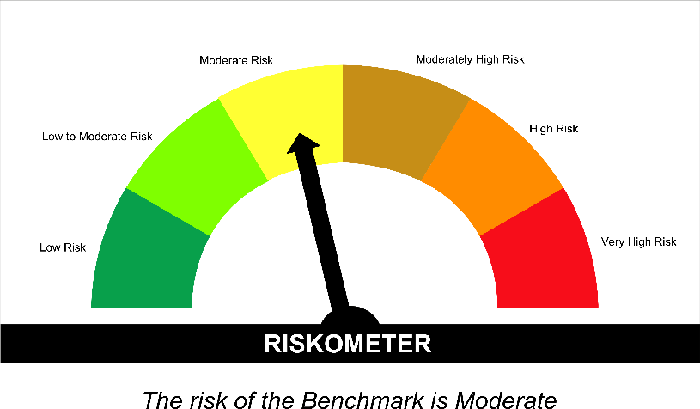
SUNDARAM MUTUAL FUND |  |  |  |  |  |  |  |  | Index
Sundaram Corporate Bond Fund
Monthly Portfolio Statement for the month ended 30 September 2026
SL No | ISIN Code | Name of the instrument | Rating / Industry | Quantity | Mkt Value Rs. in Lacs | % of Net Asset | YTM (%)* | Yield to call date %
 |  | A) Equity & Equity Related
 |  | (a) Listed / awaiting listing on Stock Exchange
 |  | Sub Total |  |  | 0 | 0.00%

 |  | (b) Overseas Security
 |  | Sub Total |  |  | 0 | 0.00%

 |  | (c) Privately Placed / Unlisted
 |  | Sub Total |  |  | 0 | 0.00%

 |  | (d) Preference / Right Shares
 |  | Sub Total |  |  | 0 | 0.00%

 |  | (e) Warrants
 |  | Sub Total |  |  | 0 | 0.00%

 |  | f) Derivative
 |  | Sub Total |  |  | 0 | 0.00%

 |  | Total for Equity & Equity Related |  |  | 0.00 | 0.00%

 |  | B) Debt Instruments
 |  | (a) Listed / awaiting listing on Stock Exchange
1 | INE053F08411 | Indian Railway Finance Corporation Ltd - 7.37% - 31/07/2029** | ICRA AAA | 4000 | 3967.14 | 6.41% | 7.70
2 | INE115A07QJ2 | LIC Housing Finance Ltd - 7.7% - 16/05/2028** | CRISIL AAA | 300 | 2990.24 | 4.83% | 7.88
3 | INE134E08KV1 | Power Finance Corporation Ltd - 7.75% - 11/06/2030** | CRISIL AAA | 300 | 2986.97 | 4.83% | 7.87
4 | INE261F08EP4 | National Bank for Agriculture & Rural Development - 6.66% - 12/10/2028** | ICRA AAA | 3000 | 2937.23 | 4.75% | 7.81
5 | INE556F08KL3 | Small Industries Development Bank of India - 7.83% - 24/11/2028** | CRISIL AAA | 2500 | 2499.30 | 4.04% | 7.83
6 | INE020B08EK4 | REC LTD - 7.46% - 30/06/2028** | ICRA AAA | 2500 | 2490.02 | 4.02% | 7.68
7 | INE261F08EO7 | National Bank for Agriculture & Rural Development - 7.48% - 15/09/2028 | CRISIL AAA | 2500 | 2486.13 | 4.02% | 7.79
8 | INE041007167 | Embassy Office Parks REIT - 7.21% - 17/03/2028** | CRISIL AAA | 2500 | 2477.17 | 4.00% | 8.11
9 | INE020B08GF9 | REC LTD - 7.17% - 01/07/2031** | CRISIL AAA | 2500 | 2433.65 | 3.93% | 7.85
10 | INE377Y07664 | BAJAJ HOUSING FINANCE LTD - 7.64% - 01/07/2030 | CRISIL AAA | 2350 | 2301.65 | 3.72% | 8.28
11 | INE033L07IW4 | Tata Capital Housing Finance Ltd - 8.2% - 25/09/2029 | CRISIL AAA | 2000 | 2000.72 | 3.23% | 8.18
12 | INE296A07SV1 | Bajaj Finance Ltd - 7.82% - 31/01/2034** | CRISIL AAA | 2000 | 1997.31 | 3.23% | 7.82
13 | INE756I07FB6 | HDB Financial Services Ltd - 7.9611% - 05/01/2028** | CRISIL AAA | 2000 | 1993.26 | 3.22% | 8.20
14 | INE134E08OC3 | Power Finance Corporation Ltd - 6.96% - 02/03/2028** | CRISIL AAA | 2000 | 1981.24 | 3.20% | 7.64
15 | INE514E08GE8 | Export Import Bank of India - 7.35% - 27/07/2028** | ICRA AAA | 1500 | 1494.57 | 2.41% | 7.57
16 | INE403D08298 | Bharti Telecom Ltd - 7.4% - 01/02/2029 | CRISIL AAA | 1500 | 1468.20 | 2.37% | 8.40
17 | INE062A08488 | State Bank of India - 6.93% - 20/10/2035** - Call Dt : 09-Oct-2030 | ICRA AAA | 15 | 1454.93 | 2.35% | 7.40 | 7.84
18 | INE756I07FG5 | HDB Financial Services Ltd - 7.4091% - 05/06/2028** | CRISIL AAA | 1400 | 1382.08 | 2.23% | 8.22
19 | INE242A08544 | Indian Oil Corporation Ltd - 7.44% - 25/11/2027** | ICRA AAA | 100 | 1000.21 | 1.62% | 7.39
20 | INE414G07JL7 | Muthoot Finance Ltd - 8.65% - 31/01/2028** | ICRA AA+ | 1000 | 997.43 | 1.61% | 8.80
21 | INE556F08KR0 | Small Industries Development Bank of India - 7.47% - 05/09/2029** | CRISIL AAA | 1000 | 989.73 | 1.60% | 7.87
22 | INE556F08LB2 | Small Industries Development Bank of India - 7.04% - 09/02/2029** | CRISIL AAA | 1000 | 982.46 | 1.59% | 7.85
23 | INE556F08KP4 | Small Industries Development Bank of India - 7.68% - 10/08/2027 | CRISIL AAA | 550 | 550.13 | 0.89% | 7.64
24 | INE053F08387 | Indian Railway Finance Corporation Ltd - 7.46% - 18/06/2029** | CRISIL AAA | 500 | 497.42 | 0.80% | 7.70
25 | INE115A07RH4 | LIC Housing Finance Ltd - 6.9% - 17/09/2027 | CRISIL AAA | 500 | 495.88 | 0.80% | 7.80
26 | INE0KUG08142 | National Bank for Financing Infrastructure and Development - 7.37% - 16/07/2029** | CRISIL AAA | 500 | 493.94 | 0.80% | 7.85
27 | INE020B08FW6 | REC LTD - 6.52% - 31/01/2028** | ICRA AAA | 500 | 492.72 | 0.80% | 7.67
 |  | Sub Total |  |  | 47841.74 | 77.30%

 |  | (b) Privately Placed / Unlisted
 |  | Sub Total |  |  | 0 | 0.00%

 |  | (c) Govt Security
1 | IN0020260025 | 6.94% Central Government Securities 11/05/2036 | Sovereign | 2500000 | 2459.02 | 3.97% | 7.31
2 | IN3120200339 | 6.53% Tamil Nadu State Development Loan 06/01/2031 | Sovereign | 1400000 | 1354.99 | 2.19% | 7.56
3 | IN1520200248 | 6.45% Gujarat State Development Loan - 06/01/2030 | Sovereign | 1000000 | 974.08 | 1.57% | 7.49
4 | IN0020250141 | 6.36% Central Government Securities 16/02/2031 | Sovereign | 200000 | 196.19 | 0.32% | 6.99
 |  | Sub Total |  |  | 4984.28 | 8.05%

 |  | (d) Securitized Debt Instruments
 |  | Sub Total |  |  | 0 | 0.00%

 |  | Total for Debt Instruments |  |  | 52826.02 | 85.36%

 |  | C) Money Market Instruments
 |  | (a) Certificate of Deposits
1 | INE028A16LH3 | Bank of Baroda - 05/02/2027** | IND A1+ | 400 | 1954.17 | 3.16% | 6.74
2 | INE028A16LF7 | Bank of Baroda - 04/02/2027** | IND A1+ | 200 | 977.26 | 1.58% | 6.74
3 | INE160A16UQ6 | Punjab National Bank - 09/03/2027** | CRISIL A1+ | 100 | 485.52 | 0.78% | 6.85
 |  | Sub Total |  |  | 3416.96 | 5.52%

 |  | (b) Commercial Papers
 |  | Sub Total |  |  | 0 | 0.00%

 |  | (c) Treasury Bills
 |  | Sub Total |  |  | 0 | 0.00%

 |  | (d) ReverseRepo / TREPS
1 |  | TREPS |  |  | 2468.81 | 3.99% | 5.15
 |  | Sub Total |  |  | 2468.81 | 3.99%

 |  | Total for Money Market Instruments |  |  | 5885.77 | 9.51%

 |  | D) Mutual Fund Units
 |  | (a) Investment in Mutual Fund Units
 |  | Sub Total |  |  | 0 | 0.00%

 |  | (b) Corporate Debt Market Development Fund
1 | INF0RQ622028 | Corporate Debt Market Development Fund - Class A2 |  | 2586.3710 | 310.53 | 0.50%
 |  | Sub Total |  |  | 310.53 | 0.50%

 |  | E) Others
 |  | (a) Deposits with Commercial Banks
 |  | Sub Total |  |  | 0 | 0.00%

 |  | (b) Share Application Money pending Allotment
 |  | Sub Total |  |  | 0 | 0.00%

 |  | Cash and Other Net Current Assets^ |  |  | 2867.02 | 4.63%
 |  | Grand Total |  |  | 61889.34 | 100.00 %

 | **Non Traded Securities - Wherever applicable
 | ^ Net current assets includes interest accrued on fixed income securities - Wherever applicable
 | # percentage to NAV of security is less than 0.01% - Wherever applicable

 | Notes
 | a) Total securities classified as below investment grade or default provided for and its percentage to NAV |  | Nil
 | b) Total value and percentage of illiquid equity shares |  | Nil
 | c) NAV per unit (Rupees per unit)
 |  | At the beginning | At the end
 | Option | 31-Aug-2026 | 30-Sep-2026
 | Direct Plan - Growth | 44.0655 | 44.1412
 | Direct Plan - IDCW | 19.6707 | 19.7045
 | Regular Plan - Growth | 42.4896 | 42.5544
 | Regular Plan - IDCW | 19.0000 | 19.0289

 | d) IDCW declared during the period (Rupees per unit) |  | Nil

 | e) Total outstanding exposure in derivative instruments at the end of the period |  | Nil
 | f) Total investments in foreign securities /ADR'S/GDR'S at the end of the period |  | Nil
 | g) Repo in corporate debt |  | Nil

 | Portfolio Information
 | Scheme Name : |  | Sundaram Corporate Bond Fund
 | Description (if any)

 | Annualised Portfolio YTM %* : |  | 7.62

 | Macaulay Duration (years) |  | 2.21
 | Average Maturity (years) |  | 2.79

 | As on (Date) |  | 30-Sep-2026
 | * in case of semi annual YTM, it will be annualised

 | Scheme Riskometer :



 | Tier I Benchmark Riskometer :
 | NIFTY Corporate Bond Index A-II

SFRSTP
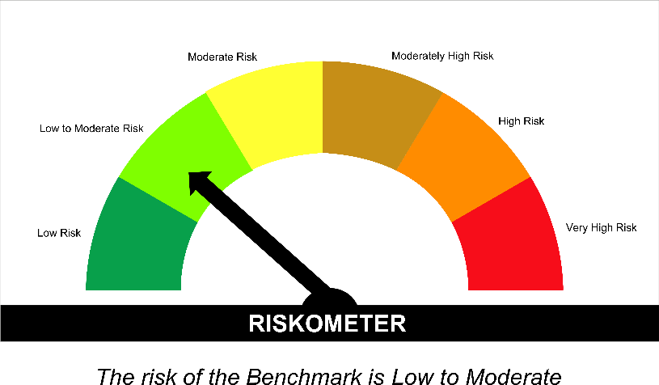
SUNDARAM MUTUAL FUND |  |  |  |  |  |  |  |  | Index
Sundaram Banking and PSU Debt Fund (Formerly Known as Sundaram Banking and PSU Fund)
Monthly Portfolio Statement for the month ended 30 September 2026
SL No | ISIN Code | Name of the instrument | Rating / Industry | Quantity | Mkt Value Rs. in Lacs | % of Net Asset | YTM (%)* | Yield to call date %
 |  | A) Equity & Equity Related
 |  | (a) Listed / awaiting listing on Stock Exchange
 |  | Sub Total |  |  | 0 | 0.00%

 |  | (b) Overseas Security
 |  | Sub Total |  |  | 0 | 0.00%

 |  | (c) Privately Placed / Unlisted
 |  | Sub Total |  |  | 0 | 0.00%

 |  | (d) Preference / Right Shares
 |  | Sub Total |  |  | 0 | 0.00%

 |  | (e) Warrants
 |  | Sub Total |  |  | 0 | 0.00%

 |  | f) Derivative
 |  | Sub Total |  |  | 0 | 0.00%

 |  | Total for Equity & Equity Related |  |  | 0.00 | 0.00%

 |  | B) Debt Instruments
 |  | (a) Listed / awaiting listing on Stock Exchange
1 | INE040A08955 | HDFC Bank Ltd - 7.7% - 16/05/2028** | ICRA AAA | 2500 | 2493.89 | 9.67% | 7.82
2 | INE557F08FY4 | National Housing Bank - 7.59% - 14/07/2027** | CRISIL AAA | 2000 | 2001.61 | 7.76% | 7.44
3 | INE514E08GE8 | Export Import Bank of India - 7.35% - 27/07/2028** | ICRA AAA | 2000 | 1992.76 | 7.73% | 7.57
4 | INE242A08544 | Indian Oil Corporation Ltd - 7.44% - 25/11/2027** | ICRA AAA | 150 | 1500.32 | 5.82% | 7.39
5 | INE261F08EM1 | National Bank for Agriculture & Rural Development - 7.53% - 24/03/2028 | ICRA AAA | 1000 | 996.23 | 3.86% | 7.76
6 | INE053F08411 | Indian Railway Finance Corporation Ltd - 7.37% - 31/07/2029** | ICRA AAA | 1000 | 991.79 | 3.85% | 7.70
7 | INE134E08NW3 | Power Finance Corporation Ltd - 6.73% - 15/10/2027** | CRISIL AAA | 1000 | 991.78 | 3.85% | 7.59
8 | INE134E08OC3 | Power Finance Corporation Ltd - 6.96% - 02/03/2028** | CRISIL AAA | 1000 | 990.62 | 3.84% | 7.64
9 | INE556F08KW0 | Small Industries Development Bank of India - 7.42% - 12/03/2029** | CRISIL AAA | 1000 | 989.99 | 3.84% | 7.85
10 | INE0KUG08142 | National Bank for Financing Infrastructure and Development - 7.37% - 16/07/2029** | CRISIL AAA | 1000 | 987.87 | 3.83% | 7.85
11 | INE296A07TM8 | Bajaj Finance Ltd - 7.11% - 10/07/2028** | CRISIL AAA | 1000 | 982.10 | 3.81% | 8.21
12 | INE261F08EP4 | National Bank for Agriculture & Rural Development - 6.66% - 12/10/2028** | ICRA AAA | 1000 | 979.08 | 3.80% | 7.81
13 | INE062A08488 | State Bank of India - 6.93% - 20/10/2035** - Call Dt : 09-Oct-2030 | ICRA AAA | 10 | 969.95 | 3.76% | 7.40 | 7.84
14 | INE020B08GI3 | REC LTD - 7.28% - 31/08/2029** | CRISIL AAA | 850 | 838.99 | 3.25% | 7.78
15 | INE756I07FB6 | HDB Financial Services Ltd - 7.9611% - 05/01/2028** | CRISIL AAA | 500 | 498.31 | 1.93% | 8.20
16 | INE053F08387 | Indian Railway Finance Corporation Ltd - 7.46% - 18/06/2029** | CRISIL AAA | 500 | 497.42 | 1.93% | 7.70
17 | INE403D08272 | Bharti Telecom Ltd - 7.35% - 15/10/2027** | CRISIL AAA | 500 | 495.60 | 1.92% | 8.26
18 | INE261F08EU4 | National Bank for Agriculture & Rural Development - 7.44% - 17/07/2029 | CRISIL AAA | 500 | 495.00 | 1.92% | 7.83
19 | INE031A08AC8 | Housing & Urban Development Corporation Ltd - 7.23% - 18/07/2029** | ICRA AAA | 500 | 493.59 | 1.91% | 7.74
20 | INE556F08LC0 | Small Industries Development Bank of India - 7.22% - 10/04/2029 | CRISIL AAA | 500 | 492.50 | 1.91% | 7.87
21 | INE020B08FL9 | REC LTD - 7.34% - 30/04/2030** | CRISIL AAA | 500 | 492.08 | 1.91% | 7.84
22 | INE556F08LB2 | Small Industries Development Bank of India - 7.04% - 09/02/2029** | CRISIL AAA | 500 | 491.23 | 1.91% | 7.85
23 | INE020B08FW6 | REC LTD - 6.52% - 31/01/2028** | ICRA AAA | 400 | 394.18 | 1.53% | 7.67
 |  | Sub Total |  |  | 22056.89 | 85.56%

 |  | (b) Privately Placed / Unlisted
 |  | Sub Total |  |  | 0 | 0.00%

 |  | (c) Govt Security
1 | IN1520200248 | 6.45% Gujarat State Development Loan - 06/01/2030 | Sovereign | 500000 | 487.04 | 1.89% | 7.49
2 | IN3120200339 | 6.53% Tamil Nadu State Development Loan 06/01/2031 | Sovereign | 500000 | 483.92 | 1.88% | 7.56
 |  | Sub Total |  |  | 970.96 | 3.77%

 |  | (d) Securitized Debt Instruments
 |  | Sub Total |  |  | 0 | 0.00%

 |  | Total for Debt Instruments |  |  | 23027.86 | 89.33%

 |  | C) Money Market Instruments
 |  | (a) Certificate of Deposits
 |  | Sub Total |  |  | 0 | 0.00%

 |  | (b) Commercial Papers
 |  | Sub Total |  |  | 0 | 0.00%

 |  | (c) Treasury Bills
 |  | Sub Total |  |  | 0 | 0.00%

 |  | (d) ReverseRepo / TREPS
1 |  | TREPS |  |  | 1047.30 | 4.06% | 5.15
 |  | Sub Total |  |  | 1047.30 | 4.06%

 |  | Total for Money Market Instruments |  |  | 1047.30 | 4.06%

 |  | D) Mutual Fund Units
 |  | (a) Investment in Mutual Fund Units
 |  | Sub Total |  |  | 0 | 0.00%

 |  | (b) Corporate Debt Market Development Fund
1 | INF0RQ622028 | Corporate Debt Market Development Fund - Class A2 |  | 1167.5340 | 140.18 | 0.54%
 |  | Sub Total |  |  | 140.18 | 0.54%

 |  | E) Others
 |  | (a) Deposits with Commercial Banks
 |  | Sub Total |  |  | 0 | 0.00%

 |  | (b) Share Application Money pending Allotment
 |  | Sub Total |  |  | 0 | 0.00%

 |  | Cash and Other Net Current Assets^ |  |  | 1563.43 | 6.06%
 |  | Grand Total |  |  | 25778.77 | 100.00 %

 | **Non Traded Securities - Wherever applicable
 | ^ Net current assets includes interest accrued on fixed income securities - Wherever applicable
 | # percentage to NAV of security is less than 0.01% - Wherever applicable

 | Notes
 | a) Total securities classified as below investment grade or default provided for and its percentage to NAV |  | Nil
 | b) Total value and percentage of illiquid equity shares |  | Nil
 | c) NAV per unit (Rupees per unit)
 |  | At the beginning | At the end
 | Option | 31-Aug-2026 | 30-Sep-2026
 | Direct Plan - Growth | 46.4028 | 46.4986
 | Direct Plan - IDCW | 11.5521 | 11.5759
 | Regular Plan - Growth | 45.6716 | 45.7601
 | Regular Plan - IDCW | 11.5741 | 11.5965

 | d) IDCW declared during the period (Rupees per unit) |  | Nil

 | e) Total outstanding exposure in derivative instruments at the end of the period |  | Nil
 | f) Total investments in foreign securities /ADR'S/GDR'S at the end of the period |  | Nil
 | g) Repo in corporate debt |  | Nil

 | Portfolio Information
 | Scheme Name : |  | Sundaram Banking and PSU Debt Fund
 | Description (if any)

 | Annualised Portfolio YTM %* : |  | 7.59

 | Macaulay Duration (years) |  | 2.05
 | Average Maturity (years) |  | 2.35

 | As on (Date) |  | 30-Sep-2026
 | * in case of semi annual YTM, it will be annualised

 | Scheme Riskometer :

 | 

 | Tier I Benchmark Riskometer :
 | NIFTY Banking and PSU Debt Index A-II

SPLDF
SUNDARAM MUTUAL FUND |  |  |  |  |  |  |  | Index
Sundaram Ultra Short to Short Term Fund (Formerly Known as Sundaram Low Duration Fund)
Monthly Portfolio Statement for the month ended 30 September 2026
SL No | ISIN Code | Name of the instrument | Rating / Industry | Quantity | Mkt Value Rs. in Lacs | % of Net Asset | YTM (%)
 |  | A) Equity & Equity Related
 |  | (a) Listed / awaiting listing on Stock Exchange
 |  | Sub Total |  |  | 0 | 0.00%

 |  | (b) Overseas Security
 |  | Sub Total |  |  | 0 | 0.00%

 |  | (c) Privately Placed / Unlisted
 |  | Sub Total |  |  | 0 | 0.00%

 |  | (d) Preference / Right Shares
 |  | Sub Total |  |  | 0 | 0.00%

 |  | (e) Warrants
 |  | Sub Total |  |  | 0 | 0.00%

 |  | f) Derivative
 |  | Sub Total |  |  | 0 | 0.00%

 |  | Total for Equity & Equity Related |  |  | 0.00 | 0.00%

 |  | B) Debt Instruments
 |  | (a) Listed / awaiting listing on Stock Exchange
1 | INE261F08EO7 | National Bank for Agriculture & Rural Development - 7.48% - 15/09/2028 | CRISIL AAA | 1500 | 1491.68 | 3.92% | 7.79
2 | INE115A07RH4 | LIC Housing Finance Ltd - 6.9% - 17/09/2027 | CRISIL AAA | 1500 | 1487.65 | 3.90% | 7.80
3 | INE020B08FW6 | REC LTD - 6.52% - 31/01/2028** | ICRA AAA | 1500 | 1478.17 | 3.88% | 7.67
4 | INE403D08231 | Bharti Telecom Ltd - 8.65% - 05/11/2027** | CRISIL AAA | 1000 | 1003.66 | 2.63% | 8.26
5 | INE121A07SH0 | Cholamandalam Investment and Finance Company Ltd - 8.4% - 18/09/2027** | ICRA AA+ | 1000 | 1001.45 | 2.63% | 8.22
6 | INE261F08EF5 | National Bank for Agriculture & Rural Development - 7.8% - 15/03/2027 | ICRA AAA | 1000 | 1001.10 | 2.63% | 7.24
7 | INE572E07183 | PNB Housing Finance Ltd - 8.15% - 29/07/2027** | IND AAA | 1000 | 1000.63 | 2.63% | 7.96
8 | INE556F08KP4 | Small Industries Development Bank of India - 7.68% - 10/08/2027 | CRISIL AAA | 1000 | 1000.24 | 2.63% | 7.64
9 | INE414G07II5 | Muthoot Finance Ltd - 8.4% - 28/08/2028** | ICRA AA+ | 1000 | 992.70 | 2.61% | 8.82
10 | INE477A07415 | Can Fin Homes Ltd - 8.09% - 04/01/2027** | ICRA AAA | 900 | 900.79 | 2.36% | 7.31
11 | INE514E08GE8 | Export Import Bank of India - 7.35% - 27/07/2028** | ICRA AAA | 500 | 498.19 | 1.31% | 7.57
12 | INE261F08EM1 | National Bank for Agriculture & Rural Development - 7.53% - 24/03/2028 | ICRA AAA | 500 | 498.11 | 1.31% | 7.76
13 | INE556F08KW0 | Small Industries Development Bank of India - 7.42% - 12/03/2029** | CRISIL AAA | 500 | 495.00 | 1.30% | 7.85
14 | INE0KUG08142 | National Bank for Financing Infrastructure and Development - 7.37% - 16/07/2029** | CRISIL AAA | 500 | 493.94 | 1.30% | 7.85
15 | INE261F08ES8 | National Bank for Agriculture & Rural Development - 7.01% - 16/03/2029** | CRISIL AAA | 500 | 490.83 | 1.29% | 7.83
16 | INE523H07CB9 | JM Financial Products Ltd - 8.92% - 16/11/2026** | CRISIL AA | 1000 | 333.72 | 0.88% | 7.92
17 | INE248U07FW5 | 360 One Prime Ltd - 8.95% - 04/06/2027** | ICRA AA | 300 | 300.07 | 0.79% | 8.66
 |  | Sub Total |  |  | 14467.90 | 37.97%

 |  | (b) Privately Placed / Unlisted
 |  | Sub Total |  |  | 0 | 0.00%

 |  | (c) Govt Security
 |  | Sub Total |  |  | 0 | 0.00%

 |  | (d) Securitized Debt Instruments
 |  | Sub Total |  |  | 0 | 0.00%

 |  | Total for Debt Instruments |  |  | 14467.90 | 37.97%

 |  | C) Money Market Instruments
 |  | (a) Certificate of Deposits
1 | INE028A16LH3 | Bank of Baroda - 05/02/2027** | IND A1+ | 500 | 2442.72 | 6.41% | 6.74
2 | INE514E16CP6 | Export Import Bank of India - 01/03/2027** | CRISIL A1+ | 500 | 2431.35 | 6.38% | 6.83
3 | INE237AD6174 | Kotak Mahindra Bank Ltd - 09/03/2027 | CRISIL A1+ | 500 | 2428.69 | 6.37% | 6.74
4 | INE476A16H92 | Canara Bank - 12/03/2027** | CRISIL A1+ | 500 | 2426.22 | 6.37% | 6.85
5 | INE562A16RL0 | Indian Bank - 24/05/2027** | CRISIL A1+ | 400 | 1911.22 | 5.02% | 7.22
6 | INE160A16UC6 | Punjab National Bank - 28/01/2027** | CRISIL A1+ | 200 | 978.63 | 2.57% | 6.70
7 | INE562A16QI8 | Indian Bank - 05/02/2027** | CRISIL A1+ | 200 | 977.08 | 2.56% | 6.74
8 | INE692A16LS3 | Union Bank of India - 16/03/2027 | ICRA A1+ | 200 | 969.87 | 2.55% | 6.83
9 | INE237AD6109 | Kotak Mahindra Bank Ltd - 18/12/2026** | CRISIL A1+ | 100 | 493.40 | 1.30% | 6.26
 |  | Sub Total |  |  | 15059.18 | 39.53%

 |  | (b) Commercial Papers
1 | INE041014080 | Embassy Office Parks REIT - 12/03/2027** | CRISIL A1+ | 400 | 1937.78 | 5.09% | 7.24
2 | INE530B14II5 | IIFL Finance Ltd - 02/11/2026** | CRISIL A1+ | 200 | 992.55 | 2.61% | 8.56
3 | INE012I14TF2 | JM Financial Services Ltd - 11/12/2026** | CRISIL A1+ | 200 | 985.29 | 2.59% | 7.68
4 | INE466L14FR8 | 360 ONE WAM Ltd (Prev IIFL Wealth Management Ltd) - 21/01/2027** | CRISIL A1+ | 100 | 488.04 | 1.28% | 7.99
 |  | Sub Total |  |  | 4403.66 | 11.56%

 |  | (c) Treasury Bills
1 | IN002025Z369 | 364 Days - T Bill - 03/12/2026 | Sovereign | 2000000 | 1981.65 | 5.20% | 5.37
 |  | Sub Total |  |  | 1981.65 | 5.20%

 |  | (d) ReverseRepo / TREPS
1 |  | TREPS |  |  | 1664.47 | 4.37% | 5.15
 |  | Sub Total |  |  | 1664.47 | 4.37%

 |  | Total for Money Market Instruments |  |  | 23108.97 | 60.65%

 |  | D) Mutual Fund Units
 |  | (a) Investment in Mutual Fund Units
 |  | Sub Total |  |  | 0 | 0.00%

 |  | (b) Corporate Debt Market Development Fund
1 | INF0RQ622028 | Corporate Debt Market Development Fund - Class A2 |  | 1158.5250 | 139.10 | 0.37%
 |  | Sub Total |  |  | 139.10 | 0.37%

 |  | E) Others
 |  | (a) Deposits with Commercial Banks
 |  | Sub Total |  |  | 0 | 0.00%

 |  | (b) Share Application Money pending Allotment
 |  | Sub Total |  |  | 0 | 0.00%

 |  | Cash and Other Net Current Assets^ |  |  | 384.18 | 1.01%
 |  | Grand Total |  |  | 38100.14 | 100.00 %

 | **Non Traded Securities - Wherever applicable
 | ^ Net current assets includes interest accrued on fixed income securities - Wherever applicable
 | # percentage to NAV of security is less than 0.01% - Wherever applicable

 | Notes
 | a) Total securities classified as below investment grade or default provided for and its percentage to NAV |  | Refer below point h)
 | b) Total value and percentage of illiquid equity shares |  | Nil
 | c) NAV per unit (Rupees per unit)
 |  | At the beginning | At the end
 | Option | 31-Aug-2026 | 30-Sep-2026
 | Direct Plan - Growth | 3984.0204 | 4001.7410
 | Direct Plan - IDCW | 1119.5590 | 1124.5388
 | Regular Plan - Growth | 3682.7520 | 3696.8710
 | Regular Plan - IDCW | 1096.5401 | 1100.7437

 | d) Dividend declared during the period (Rupees per unit) |  | Nil

 | e) Total outstanding exposure in derivative instruments at the end of the period |  | Nil
 | f) Total investments in foreign securities /ADR'S/GDR'S at the end of the period |  | Nil
 | g) Repo in corporate debt |  | Nil

 | Portfolio Information
 | Scheme Name : |  | Sundaram Ultra Short to Short Term Fund
 | Description (if any)

 | Annualised Portfolio YTM %* : |  | 7.18

 | Macaulay Duration (years) |  | 0.69
 | Average Maturity (years) |  | 0.71

 | As on (Date) |  | 30-Sep-2026
 | * in case of semi annual YTM, it will be annualised

 | h) Exposure to securities classified as below investment grade or default as on 30-Sep-2026:-

 | ISIN | NAME OF THE SECURITY | VALUE OF THE SECURITY CONSIDERED UNDER NET RECEIVABLES |  |  | % TO AUM
 | INE202B07IK1 | Dewan Housing Finance Corporation Ltd-9.10%-09/09/2019 | - |  |  | -
 | INE202B07HQ0 | 9.10%-Dewan Housing Finance Corporation Ltd-16/08/2019 | - |  |  | -
 | INE202B07IJ3 | 9.05% Dewan Housing Finance Corporation Ltd-NCD-09/09/2019 | - |  |  | -

 | TOTAL AMOUNT INCLUDING INTEREST DUE TO AND RECOVERED BY THE SCHEME
 | ISIN | NAME OF THE SECURITY | TOTAL AMOUNT DUE (Rs. in Lacs) |  |  |  | Amount Recovered 30th Sep 2021 | Further amount received on 31-Aug-2024 | Total settlement till date
 |  |  | PRINCIPAL | Interest Accrued till 3rd June 2019 | Interest not accrued due to category by rating agency as default till maturity | Total
 | INE202B07IK1 | Dewan Housing Finance Corporation Ltd-9.10%-09/09/2019 | 1,500.00 | 99.85 | 36.28 | 1,636.13 | 726.67 | 12.51 | 739.18
 | INE202B07HQ0 | 9.10%-Dewan Housing Finance Corporation Ltd-16/08/2019 | 2,517.22 | 183.25 | 45.81 | 2,746.29 | 1,225.53 | 21.09 | 1,246.62
 | INE202B07IJ3 | 9.05% Dewan Housing Finance Corporation Ltd-NCD-09/09/2019 | 4,882.25 | 323.21 | 117.42 | 5,322.88 | 2,364.05 | 40.68 | 2,404.73

 | ISIN | NAME OF THE SECURITY | TOTAL AMOUNT DUE (Rs. in Lacs) |  |  | ## (Rs. in Lacs)
 |  |  | Total Cost | Discounting Charges / Interest accrued till maturity | Total CP Outstanding | Amount Recovered - 06th Mar 2025 |  | Total settlement till date
 |  |  |  |  |  | CASH | INVIT Units
 | INE121H14JU3 | IL&FS Financial Services Ltd. 24SEP18 CP | 293.31 | 6.69 | 300.00 | 12.70 | 8.00 | 20.70

 | ## The Boards of these companies have set February 17th as the record date for the allocation of InvIT units and cash distribution. Accordingly, on the 5th of March 2025, we received the Total cash of Rs. 3.17 Crs .Further as a part of the distribution we have received INVITs amounting to Rs. 2 Crs having face value is Rs. 25,00,000 per unit subsequently in the month of April ’25. The above-mentioned cash and INVITs units are allocated to respective scheme based on their exposure.
 | For Further details please refer the below Links for Rationale

 | https://www.sundarammutual.com/pdf2/2021/Rationale_for_Valuation/DHFL_Valuation_impact_22_Sep_2021.pdf

 | https://www.sundarammutual.com/pdf2/2021/Rationale_for_Valuation/Update_on_DHFL_Recovery_30_sep_2021.pdf

 | https://www.sundarammutual.com/pdf2/2024/Rationale_for_Valuation/Update_on_DHFL_Recovery_31_Aug_2024_V1.pdf

 | https://www.sundarammutual.com/pdf2/2025/Rationale_for_Valuation/Update_on_ILFS_Financial_Services_Recovery_06_03_2025.pdf

 | https://www.sundarammutual.com/pdf2/2025/Rationale_for_Valuation/Update_on_Valuation_of_RoadStar_InVIT_Units_V1.pdf

 | https://www.sundarammutual.com/pdf2/2025/Rationale_for_Valuation/Update_on_Valuation_of_RoadStar_InVIT_Units_22_Sep_2025.pdf

 | Scheme Riskometer :



 | Tier I Benchmark Riskometer :
 | NIFTY Low Duration Debt Index A-I

SPMON
SUNDARAM MUTUAL FUND |  |  |  |  |  |  |  | Index
Sundaram Liquid Fund
Monthly Portfolio Statement for the month ended 30 September 2026
SL No | ISIN Code | Name of the instrument | Rating / Industry | Quantity | Mkt Value Rs. in Lacs | % of Net Asset | YTM (%)
 |  | A) Equity & Equity Related
 |  | (a) Listed / awaiting listing on Stock Exchange
 |  | Sub Total |  |  | 0 | 0.00%

 |  | (b) Overseas Security
 |  | Sub Total |  |  | 0 | 0.00%

 |  | (c) Privately Placed / Unlisted
 |  | Sub Total |  |  | 0 | 0.00%

 |  | (d) Preference / Right Shares
 |  | Sub Total |  |  | 0 | 0.00%

 |  | (e) Warrants
 |  | Sub Total |  |  | 0 | 0.00%

 |  | f) Derivative
 |  | Sub Total |  |  | 0 | 0.00%

 |  | Total for Equity & Equity Related |  |  | 0.00 | 0.00%

 |  | B) Debt Instruments
 |  | (a) Listed / awaiting listing on Stock Exchange
 |  | Sub Total |  |  | 0 | 0.00%

 |  | (b) Privately Placed / Unlisted
 |  | Sub Total |  |  | 0 | 0.00%

 |  | (c) Govt Security
 |  | Sub Total |  |  | 0 | 0.00%

 |  | (d) Securitized Debt Instruments
 |  | Sub Total |  |  | 0 | 0.00%

 |  | Total for Debt Instruments |  |  | 0.00 | 0.00%

 |  | C) Money Market Instruments
 |  | (a) Certificate of Deposits
1 | INE084A16GH6 | Bank of India - 03/12/2026** | CRISIL A1+ | 6000 | 29672.43 | 4.41% | 6.40
2 | INE483A16LF4 | Central Bank of India - 04/12/2026** | CRISIL A1+ | 6000 | 29657.82 | 4.41% | 6.58
3 | INE476A16L05 | Canara Bank - 03/12/2026** | CRISIL A1+ | 4000 | 19785.54 | 2.94% | 6.28
4 | INE476A16K48 | Canara Bank - 05/10/2026** | CRISIL A1+ | 2000 | 9993.65 | 1.49% | 5.80
5 | INE692A16NE9 | Union Bank of India - 30/10/2026** | ICRA A1+ | 2000 | 9953.54 | 1.48% | 5.87
6 | INE040A16JX9 | HDFC Bank Ltd - 02/11/2026** | CRISIL A1+ | 2000 | 9945.85 | 1.48% | 6.21
7 | INE040A16KA5 | HDFC Bank Ltd - 11/11/2026** | CRISIL A1+ | 2000 | 9930.73 | 1.48% | 6.21
8 | INE476A16K97 | Canara Bank - 23/11/2026** | CRISIL A1+ | 2000 | 9910.60 | 1.47% | 6.21
9 | INE483A16LB3 | Central Bank of India - 23/11/2026** | CRISIL A1+ | 2000 | 9906.79 | 1.47% | 6.48
10 | INE238AD6BP3 | Axis Bank Ltd - 27/11/2026** | CRISIL A1+ | 2000 | 9902.96 | 1.47% | 6.28
11 | INE476A16K06 | Canara Bank - 30/11/2026** | CRISIL A1+ | 2000 | 9898.23 | 1.47% | 6.26
12 | INE040A16KB3 | HDFC Bank Ltd - 04/12/2026** | ICRA A1+ | 2000 | 9890.35 | 1.47% | 6.32
13 | INE160A16VR2 | Punjab National Bank - 01/10/2026 | CRISIL A1+ | 1000 | 5000.00 | 0.74% | 5.18
14 | INE692A16MV5 | Union Bank of India - 19/10/2026** | ICRA A1+ | 1000 | 4985.56 | 0.74% | 5.87
 |  | Sub Total |  |  | 178434.05 | 26.52%

 |  | (b) Commercial Papers
1 | INE514E14TS9 | Export Import Bank of India - 04/11/2026 | CRISIL A1+ | 6000 | 29829.12 | 4.43% | 6.15
2 | INE020B14722 | REC LTD - 23/11/2026** | CRISIL A1+ | 4000 | 19821.56 | 2.95% | 6.20
3 | INE033L14PG8 | Tata Capital Housing Finance Ltd - 23/11/2026** | CRISIL A1+ | 4000 | 19815.14 | 2.95% | 6.43
4 | INE094A14KP5 | Hindustan Petroleum Corporation Ltd - 03/12/2026** | CRISIL A1+ | 4000 | 19783.18 | 2.94% | 6.35
5 | INE002A14LU6 | Reliance Industries Ltd - 11/12/2026** | CRISIL A1+ | 4000 | 19754.08 | 2.94% | 6.40
6 | INE572E14KS6 | PNB Housing Finance Ltd - 18/11/2026** | CRISIL A1+ | 3000 | 14870.55 | 2.21% | 6.62
7 | INE094A14KO8 | Hindustan Petroleum Corporation Ltd - 02/12/2026** | CRISIL A1+ | 3000 | 14839.94 | 2.21% | 6.35
8 | INE824H14UT1 | Julius Baer Capital (India) Private Ltd - 21/10/2026** | CRISIL A1+ | 2000 | 9961.79 | 1.48% | 7.00
9 | INE831R14GL1 | Aditya Birla Housing Finance Ltd - 06/11/2026** | CRISIL A1+ | 2000 | 9936.84 | 1.48% | 6.45
10 | INE028E14XM5 | Kotak Securities Ltd - 04/11/2026** | CRISIL A1+ | 2000 | 9935.08 | 1.48% | 7.02
11 | INE0DZE14438 | Kisetsu Saison Finance - 06/11/2026** | CRISIL A1+ | 2000 | 9930.32 | 1.48% | 7.12
12 | INE530B14II5 | IIFL Finance Ltd - 02/11/2026** | CRISIL A1+ | 2000 | 9925.52 | 1.48% | 8.56
13 | INE02JD14906 | Godrej Housing Finance Limited - 17/11/2026** | CRISIL A1+ | 2000 | 9916.74 | 1.47% | 6.52
14 | INE472A14PI7 | Blue Star Ltd - 17/11/2026** | CRISIL A1+ | 2000 | 9915.67 | 1.47% | 6.61
15 | INE484J14F71 | Godrej Properties Ltd - 20/11/2026** | ICRA A1+ | 2000 | 9910.67 | 1.47% | 6.58
16 | INE261F14QF7 | National Bank for Agriculture & Rural Development - 02/12/2026** | CRISIL A1+ | 2000 | 9892.21 | 1.47% | 6.42
17 | INE514E14TT7 | Export Import Bank of India - 04/12/2026** | CRISIL A1+ | 2000 | 9891.26 | 1.47% | 6.27
18 | INE556F14MH5 | Small Industries Development Bank of India - 03/12/2026** | CRISIL A1+ | 2000 | 9889.98 | 1.47% | 6.45
19 | INE929O14FK4 | Reliance Retail Ventures Ltd - 08/12/2026** | CRISIL A1+ | 2000 | 9881.72 | 1.47% | 6.43
20 | INE134E14BA2 | Power Finance Corporation Ltd - 09/12/2026** | CRISIL A1+ | 2000 | 9881.11 | 1.47% | 6.37
21 | INE417C14AV3 | Pilani Investment and Industries Corporation Ltd. - 03/12/2026** | CRISIL A1+ | 2000 | 9876.37 | 1.47% | 7.25
22 | INE289B14KI4 | GIC Housing Finance Ltd - 09/12/2026** | CRISIL A1+ | 2000 | 9869.22 | 1.47% | 7.01
23 | INE233A149T6 | Godrej Industries Ltd - 12/11/2026** | CRISIL A1+ | 1500 | 7443.38 | 1.11% | 6.61
24 | INE01C314GV8 | Bajaj Financial Securities Ltd - 16/11/2026** | CRISIL A1+ | 1500 | 7433.63 | 1.10% | 7.09
25 | INE338I14NF4 | Motilal Oswal Financial Services Ltd - 17/11/2026** | CRISIL A1+ | 1500 | 7429.69 | 1.10% | 7.35
26 | INE02JD14922 | Godrej Housing Finance Limited - 10/12/2026** | CRISIL A1+ | 1500 | 7406.68 | 1.10% | 6.57
27 | INE549K14CH1 | MUTHOOT FINCORP LIMITED - 16/12/2026** | CRISIL A1+ | 1500 | 7371.92 | 1.10% | 8.34
28 | INE790I14IC3 | HSBC InvestDirect Financial Services India Limited - 29/10/2026** | CRISIL A1+ | 1200 | 5968.84 | 0.89% | 6.81
29 | INE01C314FJ5 | Bajaj Financial Securities Ltd - 15/10/2026** | CRISIL A1+ | 1000 | 4987.38 | 0.74% | 6.60
30 | INE020B14714 | REC LTD - 22/10/2026** | CRISIL A1+ | 1000 | 4982.99 | 0.74% | 5.94
31 | INE261F14PZ7 | National Bank for Agriculture & Rural Development - 09/11/2026** | CRISIL A1+ | 1000 | 4966.31 | 0.74% | 6.35
32 | INE02FN14952 | IGH Holdings Private Limited - 05/11/2026** | CRISIL A1+ | 1000 | 4965.41 | 0.74% | 7.27
33 | INE865C14QY3 | Aditya Birla Money Ltd - 17/11/2026** | CRISIL A1+ | 1000 | 4953.09 | 0.74% | 7.36
34 | INE09OL14JG9 | Birla Group Holdings Pvt Ltd - 18/11/2026** | CRISIL A1+ | 1000 | 4952.98 | 0.74% | 7.22
35 | INE028E14XV6 | Kotak Securities Ltd - 20/11/2026** | CRISIL A1+ | 1000 | 4952.31 | 0.74% | 7.03
36 | INE09OL14JQ8 | Birla Group Holdings Pvt Ltd - 20/11/2026** | CRISIL A1+ | 1000 | 4951.03 | 0.74% | 7.22
37 | INE763G14M93 | ICICI Securities Ltd - 23/11/2026** | CRISIL A1+ | 1000 | 4949.33 | 0.74% | 7.05
38 | INE763G14N19 | ICICI Securities Ltd - 01/12/2026** | CRISIL A1+ | 1000 | 4941.33 | 0.73% | 7.11
39 | INE028E14YA8 | Kotak Securities Ltd - 02/12/2026** | CRISIL A1+ | 1000 | 4940.38 | 0.73% | 7.11
40 | INE865C14RD5 | Aditya Birla Money Ltd - 02/12/2026** | CRISIL A1+ | 1000 | 4937.89 | 0.73% | 7.41
41 | INE012I14TF2 | JM Financial Services Ltd - 11/12/2026** | CRISIL A1+ | 1000 | 4926.45 | 0.73% | 7.68
42 | INE530B14IU0 | IIFL Finance Ltd - 02/12/2026** | CRISIL A1+ | 500 | 2463.86 | 0.37% | 8.64
 |  | Sub Total |  |  | 397252.91 | 59.05%

 |  | (c) Treasury Bills
1 | IN002026X180 | 91 Days - T Bill - 05/11/2026 | Sovereign | 38000000 | 37808.56 | 5.62% | 5.28
2 | IN002026X164 | 91 Days - T Bill - 22/10/2026 | Sovereign | 23000000 | 22931.37 | 3.41% | 5.20
3 | IN002026X172 | 91 Days - T Bill - 29/10/2026 | Sovereign | 10000000 | 9960.65 | 1.48% | 5.15
 |  | Sub Total |  |  | 70700.57 | 10.51%

 |  | (d) ReverseRepo / TREPS
1 |  | TREPS |  |  | 25394.35 | 3.77% | 5.15
 |  | Sub Total |  |  | 25394.35 | 3.77%

 |  | Total for Money Market Instruments |  |  | 671781.89 | 99.86%

 |  | D) Mutual Fund Units
 |  | (a) Investment in Mutual Fund Units
 |  | Sub Total |  |  | 0 | 0.00%

 |  | (b) Corporate Debt Market Development Fund
1 | INF0RQ622028 | Corporate Debt Market Development Fund - Class A2 |  | 15367.5564 | 1845.09 | 0.27%
 |  | Sub Total |  |  | 1845.09 | 0.27%

 |  | E) Others
 |  | (a) Deposits with Commercial Banks
 |  | Sub Total |  |  | 0 | 0.00%

 |  | (b) Share Application Money pending Allotment
 |  | Sub Total |  |  | 0 | 0.00%

 |  | Cash and Other Net Current Assets^ |  |  | (896.96) | (0.13%)
 |  | Grand Total |  |  | 672730.01 | 100.00 %

 | **Non Traded Securities - Wherever applicable
 | ^ Net current assets includes interest accrued on fixed income securities - Wherever applicable
 | # percentage to NAV of security is less than 0.01% - Wherever applicable
 | ++ Aggregate Investments by Other schemes of Sundaram Mutual Fund - Rs. 38,853.73 Lakhs

 | Notes
 | a) Total securities classified as below investment grade or default provided for and its percentage to NAV |  | Refer below point h)
 | b) Total value and percentage of illiquid equity shares |  | Nil
 | c) NAV per unit (Rupees per unit)
 |  | At the beginning | At the end
 | Option | 31-Aug-2026 | 30-Sep-2026
 | Direct Plan - Growth | 2506.9700 | 2518.8548
 | Direct Plan - IDCW | 1049.0060 | 1053.9794
 | Regular Plan - Growth | 2472.1297 | 2483.3973
 | Regular Plan - IDCW | 1045.7046 | 1050.4707

 | d) Dividend declared during the period (Rupees per unit) |  | Nil

 | e) Total outstanding exposure in derivative instruments at the end of the period |  | Nil
 | f) Total investments in foreign securities /ADR'S/GDR'S at the end of the period |  | Nil
 | g) Repo in corporate debt |  | Nil

 | h) Exposure to securities classified as below investment grade or default as on 30-Sep-2026:-
 | ISIN | NAME OF THE SECURITY | TOTAL AMOUNT DUE (Rs. in Lacs) |  |  | ## (Rs. in Lacs)
 |  |  | Total Cost | Discounting Charges / Interest accrued till maturity | Total CP Outstanding | Amount Recovered - 06th Mar 2025 |  | Total settlement till date
 |  |  |  |  |  | CASH | INVIT Units
 | INE121H14JU3 | IL&FS Financial Services Ltd. 24SEP18 CP | 5,523.98 | 126.02 | 5,650.00 | 239.16 | 150.66 | 389.82

 | ## The Boards of these companies have set February 17th as the record date for the allocation of InvIT units and cash distribution. Accordingly, on the 5th of March 2025, we received the Total cash of Rs. 3.17 Crs .Further as a part of the distribution we have received INVITs amounting to Rs. 2 Crs having face value is Rs. 25,00,000 per unit subsequently in the month of April ’25. The above-mentioned cash and INVITs units are allocated to respective scheme based on their exposure.
 | For Further details please refer the below Links for Rationale

 | https://www.sundarammutual.com/pdf2/2025/Rationale_for_Valuation/Update_on_ILFS_Financial_Services_Recovery_06_03_2025.pdf

 | https://www.sundarammutual.com/pdf2/2025/Rationale_for_Valuation/Update_on_Valuation_of_RoadStar_InVIT_Units_V1.pdf

 | https://www.sundarammutual.com/pdf2/2025/Rationale_for_Valuation/Update_on_Valuation_of_RoadStar_InVIT_Units_22_Sep_2025.pdf

 | Portfolio Information
 | Scheme Name : |  | Sundaram Liquid Fund
 | Description (if any)

 | Annualised Portfolio YTM %* : |  | 6.38

 | Macaulay Duration (years) |  | 0.13
 | Average Maturity (years) |  | 0.13

 | As on (Date) |  | 30-Sep-2026
 | * in case of semi annual YTM, it will be annualised

 | Scheme Riskometer :

 | 

 | Tier I Benchmark Riskometer :
 | NIFTY Liquid Index A-I

SUNMIA
SUNDARAM MUTUAL FUND |  |  |  |  |  |  |  | Index
Sundaram Conservative Hybrid Fund
Monthly Portfolio Statement for the month ended 30 September 2026
SL No | ISIN Code | Name of the instrument | Rating / Industry | Quantity | Mkt Value Rs. in Lacs | % of Net Asset | YTM (%)*
 |  | A) Equity & Equity Related
 |  | (a) Listed / awaiting listing on Stock Exchange
1 | INE397D01024 | Bharti Airtel Ltd | Telecom - Services | 2400 | 42.17 | 2.30%
2 | INE002A01018 | Reliance Industries Ltd | Petroleum Products | 3000 | 35.61 | 1.94%
3 | INE062A01020 | State Bank of India | Banks | 2400 | 23.03 | 1.26%
4 | INE040A01034 | HDFC Bank Ltd | Banks | 3000 | 21.26 | 1.16%
5 | INE090A01021 | ICICI Bank Ltd | Banks | 1600 | 21.15 | 1.15%
6 | INE669C01036 | Tech Mahindra Ltd | It - Software | 1000 | 15.24 | 0.83%
7 | INE917I01010 | Bajaj Auto Ltd | Automobiles | 137 | 14.90 | 0.81%
8 | INE238A01034 | Axis Bank Ltd | Banks | 1200 | 14.71 | 0.80%
9 | INE237A01036 | Kotak Mahindra Bank Ltd | Banks | 3375 | 14.07 | 0.77%
10 | INE481G01011 | Ultratech Cement Ltd | Cement & Cement Products | 125 | 13.70 | 0.75%
11 | INE540L01014 | Alkem Laboratories Ltd | Pharmaceuticals & Biotechnology | 250 | 12.91 | 0.70%
12 | INE860A01027 | HCL Technologies Ltd | It - Software | 1000 | 12.30 | 0.67%
13 | INE066F01020 | Hindustan Aeronautics Ltd | Aerospace & Defense | 250 | 11.67 | 0.64%
14 | INE101A01026 | Mahindra & Mahindra Ltd | Automobiles | 350 | 10.33 | 0.56%
15 | INE009A01021 | Infosys Ltd | It - Software | 1020 | 10.14 | 0.55%
16 | INE018A01030 | Larsen & Toubro Ltd | Construction | 250 | 9.40 | 0.51%
17 | INE797F01020 | Jubilant Foodworks Ltd | Leisure Services | 2000 | 9.13 | 0.50%
18 | INE196A01026 | Marico Ltd | Agricultural Food & Other Products | 1100 | 8.65 | 0.47%
19 | INE1TAE01010 | TATA Motors Ltd | Agricultural, Commercial & Construction Vehicles | 2000 | 8.43 | 0.46%
20 | INE298A01020 | Cummins India Ltd | Industrial Products | 150 | 7.14 | 0.39%
21 | INE749A01030 | Jindal Steel & Power Ltd | Ferrous Metals | 500 | 5.67 | 0.31%
22 | INE326A01037 | Lupin Ltd | Pharmaceuticals & Biotechnology | 200 | 4.06 | 0.22%
 |  | Sub Total |  |  | 325.66 | 17.78%

 |  | (b) Overseas Security
 |  | Sub Total |  |  | 0 | 0.00%

 |  | (c) Privately Placed / Unlisted
 |  | Sub Total |  |  | 0 | 0.00%

 |  | (d) Preference / Right Shares
 |  | Sub Total |  |  | 0 | 0.00%

 |  | (e) Warrants
 |  | Sub Total |  |  | 0 | 0.00%

 |  | f) Derivative
 |  | Sub Total |  |  | 0 | 0.00%

 |  | Total for Equity & Equity Related |  |  | 325.66 | 17.78%

 |  | B) Debt Instruments
 |  | (a) Listed / awaiting listing on Stock Exchange
1 | INE134E08OC3 | Power Finance Corporation Ltd - 6.96% - 02/03/2028** | CRISIL AAA | 100 | 99.06 | 5.41% | 7.64
2 | INE377Y07664 | BAJAJ HOUSING FINANCE LTD - 7.64% - 01/07/2030 | CRISIL AAA | 100 | 97.94 | 5.35% | 8.28
3 | INE296A07SX7 | Bajaj Finance Ltd - 8.1167% - 10/05/2027 | CRISIL AAA | 50 | 49.99 | 2.73% | 7.89
4 | INE377Y07300 | BAJAJ HOUSING FINANCE LTD - 7.7% - 21/05/2027 | CRISIL AAA | 5 | 49.90 | 2.72% | 7.82
 |  | Sub Total |  |  | 296.89 | 16.21%

 |  | (b) Privately Placed / Unlisted
 |  | Sub Total |  |  | 0 | 0.00%

 |  | (c) Govt Security
1 | IN0020260074 | 6.53% Government Stock - 07/09/2031 | Sovereign | 500000 | 493.38 | 26.94% | 6.97
2 | IN0020250141 | 6.36% Central Government Securities 16/02/2031 | Sovereign | 400000 | 392.38 | 21.42% | 6.99
 |  | Sub Total |  |  | 885.76 | 48.36%

 |  | (d) Securitized Debt Instruments
 |  | Sub Total |  |  | 0 | 0.00%

 |  | Total for Debt Instruments |  |  | 1182.66 | 64.57%

 |  | C) Money Market Instruments
 |  | (a) Certificate of Deposits
 |  | Sub Total |  |  | 0 | 0.00%

 |  | (b) Commercial Papers
 |  | Sub Total |  |  | 0 | 0.00%

 |  | (c) Treasury Bills
 |  | Sub Total |  |  | 0 | 0.00%

 |  | (d) ReverseRepo / TREPS
1 |  | TREPS |  |  | 182.39 | 9.96% | 5.15
 |  | Sub Total |  |  | 182.39 | 9.96%

 |  | Total for Money Market Instruments |  |  | 182.39 | 9.96%

 |  | D) Mutual Fund Units
 |  | (a) Investment in Mutual Fund Units
 |  | Sub Total |  |  | 0 | 0.00%

 |  | (b) Corporate Debt Market Development Fund
1 | INF0RQ622028 | Corporate Debt Market Development Fund - Class A2 |  | 76.7960 | 9.22 | 0.50%
 |  | Sub Total |  |  | 9.22 | 0.50%

 |  | E) Others
 |  | (a) Deposits with Commercial Banks
 |  | Sub Total |  |  | 0 | 0.00%

 |  | (b) Share Application Money pending Allotment
 |  | Sub Total |  |  | 0 | 0.00%

 |  | Cash and Other Net Current Assets^ |  |  | 131.68 | 7.19%
 |  | Grand Total |  |  | 1831.61 | 100.00 %

 | **Non Traded Securities - Wherever applicable
 | ^ Net current assets includes interest accrued on fixed income securities - Wherever applicable
 | # percentage to NAV of security is less than 0.01% - Wherever applicable

 | Notes
 | a) Total securities classified as below investment grade or default provided for and its percentage to NAV |  | Refer below point h)
 | b) Total value and percentage of illiquid equity shares |  | Nil
 | c) NAV per unit (Rupees per unit)
 |  | At the beginning | At the end
 | Option | 31-Aug-2026 | 30-Sep-2026
 | Direct Plan - Growth | 32.8157 | 32.3109
 | Direct Plan - IDCW | 20.6168 | 20.2996
 | Regular Plan - Growth | 29.5096 | 29.0376
 | Regular Plan - IDCW | 18.4281 | 18.1333

 | d) IDCW declared during the period (Rupees per unit) |  | Nil

 | e) Total outstanding exposure in derivative instruments at the end of the period |  | Nil
 | f) Total investments in foreign securities /ADR'S/GDR'S at the end of the period |  | Nil
 | g) Repo in corporate debt |  | Nil

 | Portfolio Information
 | Scheme Name : |  | Sundaram Conservative Hybrid Fund
 | Description (if any)

 | Annualised Portfolio YTM %* : |  | 6.95

 | Macaulay Duration - only for Debt portion (years) |  | 3.26
 | Average Maturity - only for Debt portion (years) |  | 3.83

 | As on (Date) |  | 30-Sep-2026
 | * in case of semi annual YTM, it will be annualised

 | h) Exposure to securities classified as below investment grade or default as on 30-Sep-2026:-
 | ISIN | NAME OF THE SECURITY | VALUE OF THE SECURITY CONSIDERED UNDER NET RECEIVABLES |  |  | % TO AUM
 | INE202B07654 | 11.55% Prev 11.45%-Dewan Housing Finance Corp Ltd-12/09/2019 | - |  |  | -

 | TOTAL AMOUNT INCLUDING INTEREST DUE TO AND RECOVERED BY THE SCHEME
 | ISIN | NAME OF THE SECURITY | TOTAL AMOUNT DUE |  |  |  | Amount Recovered (Rs. In Lacs) 30th Sep 2021 | Further amount received on 31/08/2024 (Rs. In Lacs) | Total settlement till date ( Rs . In Lacs )
 |  |  | PRINCIPAL (Rs. in Lacs) | Interest Accrued till 3rd June 2019 (Rs. in Lacs) | Interest not accrued due to category by rating agency as default till maturity (Rs. in Lacs) | Total (Rs. in Lacs)
 | INE202B07654 | 11.55%_Prev 11.45%-Dewan Housing Finance Corp Ltd-12/09/2019 | 500.00 | 9.94 | 16.01 | 525.95 | 233.41 | 4.01 | 237.42

 | For Further details please refer the below Links for Rationale

 | https://www.sundarammutual.com/pdf2/2021/Rationale_for_Valuation/DHFL_Valuation_impact_22_Sep_2021.pdf

 | https://www.sundarammutual.com/pdf2/2021/Rationale_for_Valuation/Update_on_DHFL_Recovery_30_sep_2021.pdf

 | https://www.sundarammutual.com/pdf2/2024/Rationale_for_Valuation/Update_on_DHFL_Recovery_31_Aug_2024_V1.pdf

 | https://www.sundarammutual.com/pdf2/2025/Rationale_for_Valuation/Update_on_Valuation_of_RoadStar_InVIT_Units_V1.pdf

 | https://www.sundarammutual.com/pdf2/2025/Rationale_for_Valuation/Update_on_Valuation_of_RoadStar_InVIT_Units_22_Sep_2025.pdf

 | Scheme Riskometer :

 | Tier I Benchmark Riskometer :
 | CRISIL Hybrid 85 Plus 15 - Conservative Index
 | 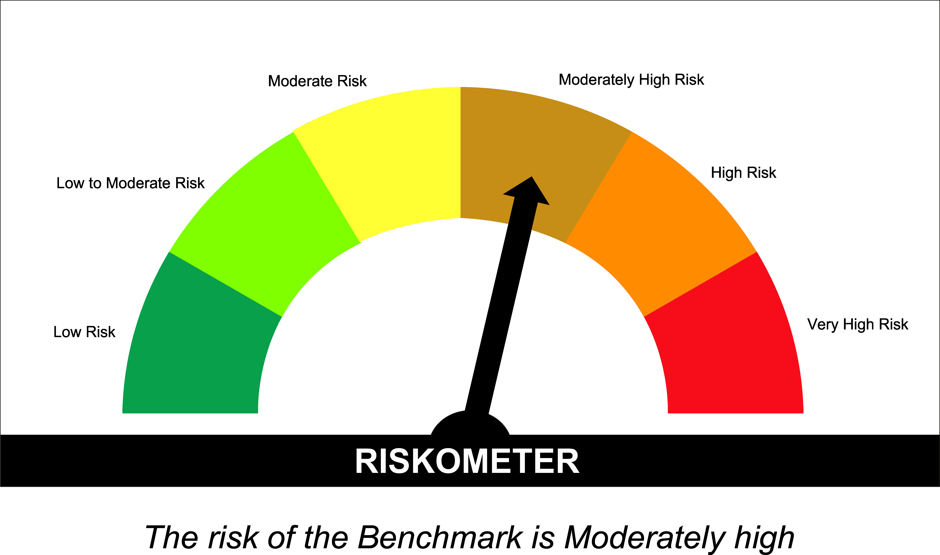

SUNONF
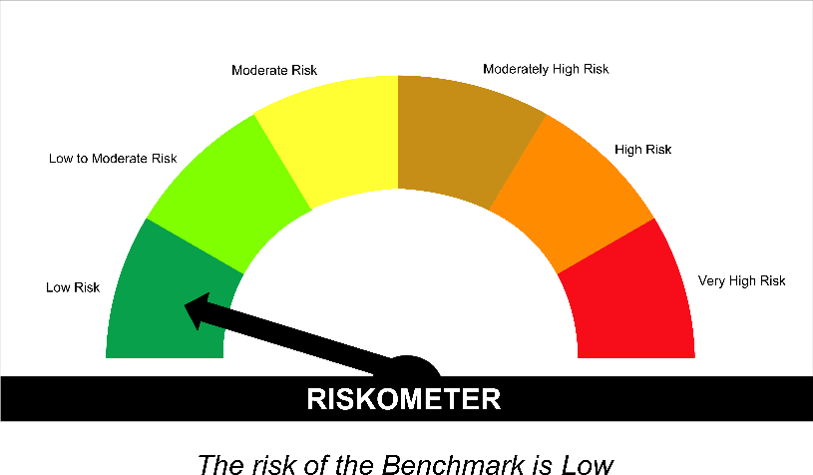
SUNDARAM MUTUAL FUND |  |  |  |  |  |  |  | Index
Sundaram Overnight Fund
Monthly Portfolio Statement for the month ended 30 September 2026
SL No | ISIN Code | Name of the instrument | Rating / Industry | Quantity | Mkt Value Rs. in Lacs | % of Net Asset | YTM (%)
 |  | A) Equity & Equity Related
 |  | (a) Listed / awaiting listing on Stock Exchange
 |  | Sub Total |  |  | 0 | 0.00%

 |  | (b) Overseas Security
 |  | Sub Total |  |  | 0 | 0.00%

 |  | (c) Privately Placed / Unlisted
 |  | Sub Total |  |  | 0 | 0.00%

 |  | (d) Preference / Right Shares
 |  | Sub Total |  |  | 0 | 0.00%

 |  | (e) Warrants
 |  | Sub Total |  |  | 0 | 0.00%

 |  | f) Derivative
 |  | Sub Total |  |  | 0 | 0.00%

 |  | Total for Equity & Equity Related |  |  | 0.00 | 0.00%

 |  | B) Debt Instruments
 |  | (a) Listed / awaiting listing on Stock Exchange
 |  | Sub Total |  |  | 0 | 0.00%

 |  | (b) Privately Placed / Unlisted
 |  | Sub Total |  |  | 0 | 0.00%

 |  | (c) Govt Security
 |  | Sub Total |  |  | 0 | 0.00%

 |  | (d) Securitized Debt Instruments
 |  | Sub Total |  |  | 0 | 0.00%

 |  | Total for Debt Instruments |  |  | 0.00 | 0.00%

 |  | C) Money Market Instruments
 |  | (a) Certificate of Deposits
 |  | Sub Total |  |  | 0 | 0.00%

 |  | (b) Commercial Papers
 |  | Sub Total |  |  | 0 | 0.00%

 |  | (c) Treasury Bills
1 | IN002025Z286 | 364 Days - T Bill - 08/10/2026 | Sovereign | 2500000 | 2497.51 | 1.30% | 5.20
2 | IN002026X164 | 91 Days - T Bill - 22/10/2026 | Sovereign | 2500000 | 2492.54 | 1.29% | 5.20
 |  | Sub Total |  |  | 4990.05 | 2.59%

 |  | (d) ReverseRepo / TREPS
1 |  | TREPS |  |  | 153793.31 | 79.82% | 5.20
2 |  | Reverse Repo |  |  | 33299.97 | 17.28% | 5.20
 |  | Sub Total |  |  | 187093.29 | 97.10%

 |  | Total for Money Market Instruments |  |  | 192083.34 | 99.69%

 |  | D) Mutual Fund Units
 |  | (a) Investment in Mutual Fund Units
 |  | Sub Total |  |  | 0 | 0.00%

 |  | E) Others
 |  | (a) Deposits with Commercial Banks
 |  | Sub Total |  |  | 0 | 0.00%

 |  | (b) Share Application Money pending Allotment
 |  | Sub Total |  |  | 0 | 0.00%

 |  | Cash and Other Net Current Assets^ |  |  | 593.67 | 0.31%
 |  | Grand Total |  |  | 192677.01 | 100.00 %

 | **Non Traded Securities - Wherever applicable
 | ^ Net current assets includes interest accrued on fixed income securities - Wherever applicable
 | # percentage to NAV of security is less than 0.01% - Wherever applicable

 | Notes
 | a) Total securities classified as below investment grade or default provided for and its percentage to NAV |  | Nil
 | b) Total value and percentage of illiquid equity shares |  | Nil
 | c) NAV per unit (Rupees per unit)
 |  | At the beginning | At the end
 | Option | 31-Aug-2026 | 30-Sep-2026
 | Direct Plan - Growth | 1461.3189 | 1467.1170
 | Direct Plan - IDCW | 1056.1549 | 1060.3540
 | Regular Plan - Growth | 1450.7596 | 1456.3976
 | Regular Plan - IDCW | 1050.7620 | 1054.8429

 | d) IDCW declared during the period (Rupees per unit) |  | Nil

 | e) Total outstanding exposure in derivative instruments at the end of the period |  | Nil
 | f) Total investments in foreign securities /ADR'S/GDR'S at the end of the period |  | Nil
 | g) Repo in corporate debt |  | Nil

 | Portfolio Information
 | Scheme Name : |  | Sundaram Overnight Fund
 | Description (if any)

 | Annualised Portfolio YTM %* : |  | 5.20

 | Macaulay Duration (Days) |  | 1
 | Average Maturity (Days) |  | 1

 | As on (Date) |  | 30-Sep-2026
 | * in case of semi annual YTM, it will be annualised

 | Scheme Riskometer :

 | 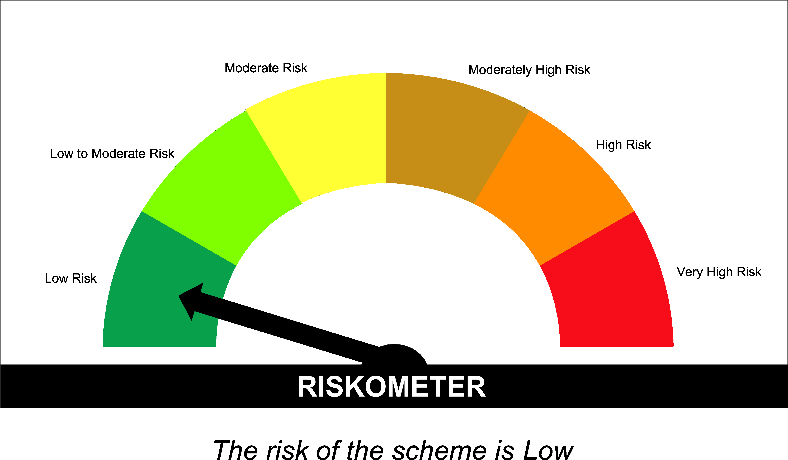

 | Tier I Benchmark Riskometer :
 | NIFTY 1D Rate Index

