Sheet1
Ayushman Singh Chauhan - 1901049 Report on Email spam classifcation

Spam email percentage in the dataset = 29.88268156424581 % Ham email percentage in the dataset = 70.11731843575419 % The bar graph given below depicts the percentage of Ham and Spam emails in the given dataset. The blue bar represents the count of ham emails and the red bar shows the count of spam emails in the dataset.
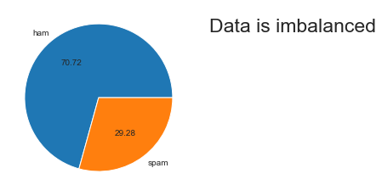

Pair plot

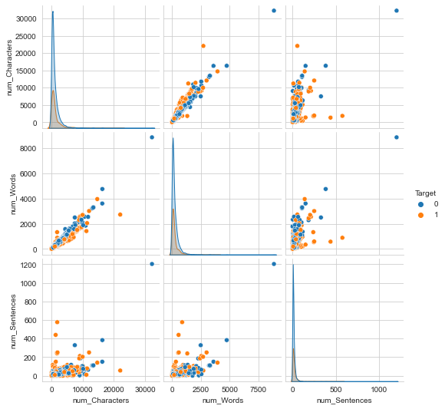

Word cloud for ham emails
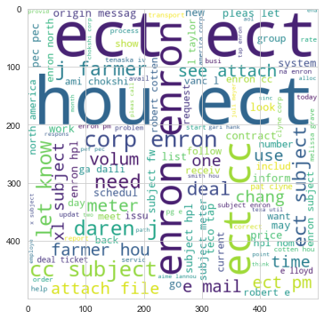

Word cloud for spam emails
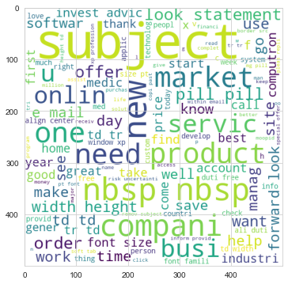

Distribution of the number of words ,sentence and haracter in ham…

 | num_Characters | num_Words | num_Sentences
count | 3531 | 3531 | 3531
mean | 994.93939394 | 230.51600113 | 11.662418578
std | 1402.7858306 | 337.01893334 | 25.330034591
min | 18 | 3 | 1
25% | 241 | 53 | 4
50% | 538 | 128 | 7
75% | 1253.5 | 298.5 | 13.5
max | 32258 | 8863 | 1204

Distribution of the number of words ,sentence and haracter in spam…

 | num_Characters | num_Words | num_Sentences
count | 1462 | 1462 | 1462
mean | 1249.3262654 | 241.31532148 | 17.274281806
std | 1840.1128825 | 349.43938052 | 29.960217896
min | 11 | 2 | 1
25% | 304.25 | 60 | 4
50% | 589 | 119.5 | 9
75% | 1305 | 252.75 | 19
max | 22073 | 3963 | 577

Most Frequent word analysis ham

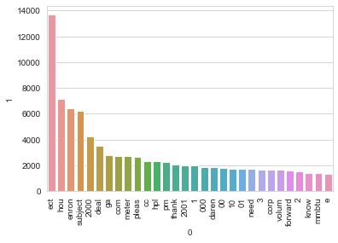

Most Frequent word analysis spam

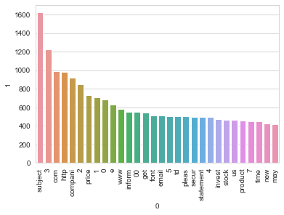

Evaluation

For KN Accuracy - 0.7497497497497497 Precision - 0.5177453027139874 Confusion Matrix - [[501 231] [ 19 248]] For NB Accuracy - 0.943943943943944 Precision - 0.9011406844106464 Confusion Matrix - [[706 26] [ 30 237]] For LR Accuracy - 0.950950950950951 Precision - 0.8920863309352518 Confusion Matrix - [[702 30] [ 19 248]]

Algorithm performance

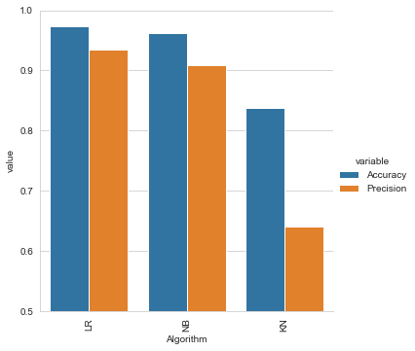

Model improvement by Scaling: I see no improvement

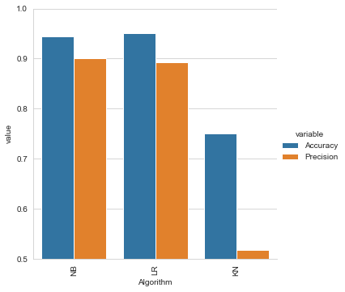

Algorithm | Accuracy | Precision | Accuracy_scaling | Precision_scaling
NB: Naive Bayes algorithm | 0.96096096096 | 0.89310344828 | 0.94394394394 | 0.90114068441
LR: logistic regression algorithm | 0.95895895896 | 0.89236111111 | 0.95095095095 | 0.89208633094
KN: K-Nearest Neighbor(KNN) Algorithm | 0.83983983984 | 0.63275434243 | 0.74974974975 | 0.51774530271

