Sheet1
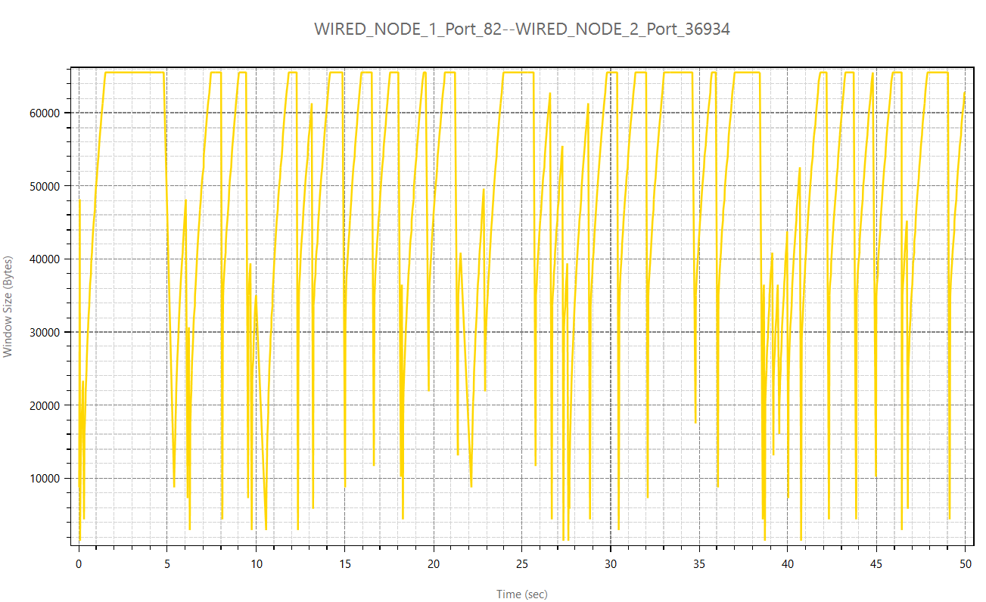
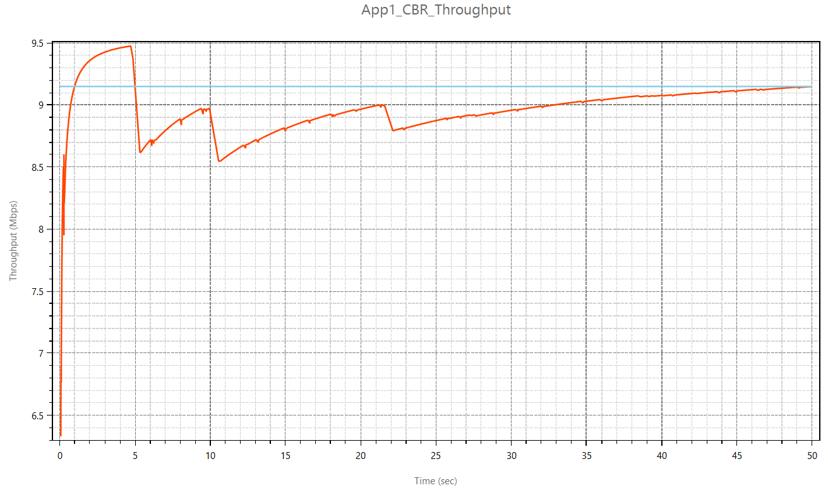
Scenario-1: Properties for Tahoe | Throughput: 9.3104 | Simulation time: 50

Maximum Segment Size (MSS) | 1460 bytes
Node – Router propagation delay | 10 µs
Router – Router propagation delay | 100 µs
Node – Router link speed (both) | 10 Mbps
Router – Router link speed | 10 Mbps
Bit Error Rate (All links) | 10 e(-8)
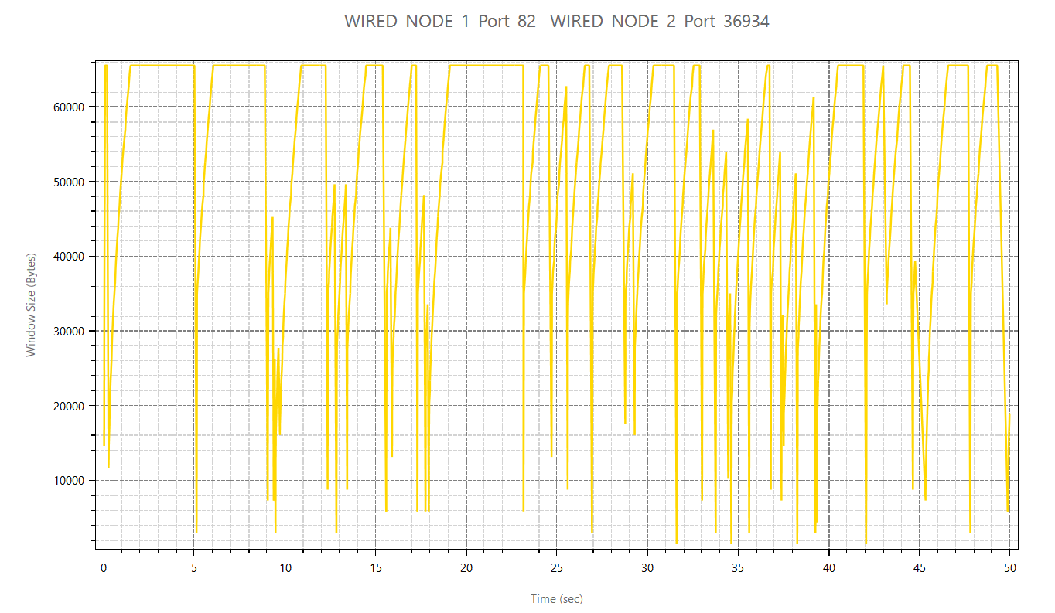
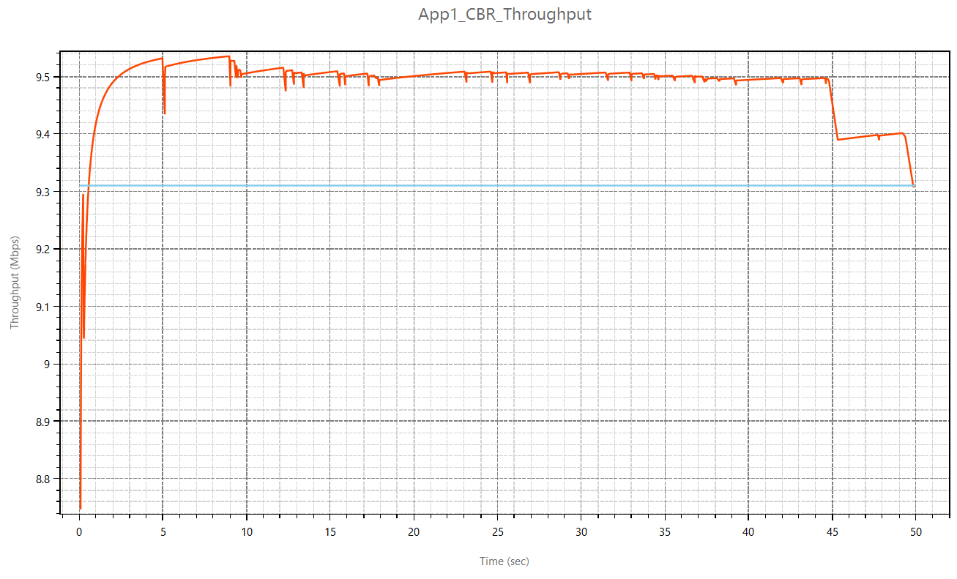

Scenario-2: Properties for Tahoe | Throughput:9.956966

Maximum Segment Size (MSS) | 1460 bytes
Node – Router propagation delay | 10 µs
Router – Router propagation delay | 100 µs
Node – Router link speed (both) | 20 Mbps
Router – Router link speed | 100 Mbps
Bit Error Rate (All links) | 10 e(-8)

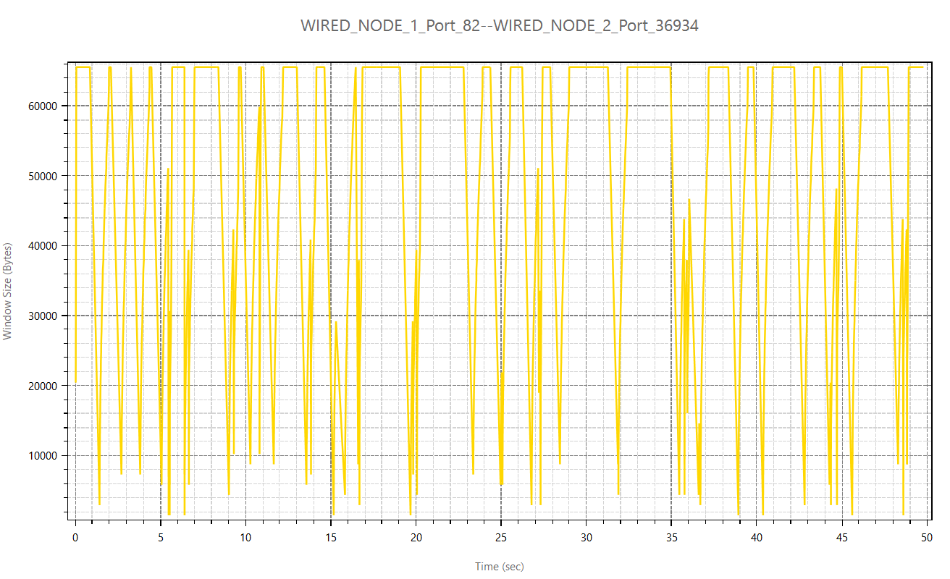
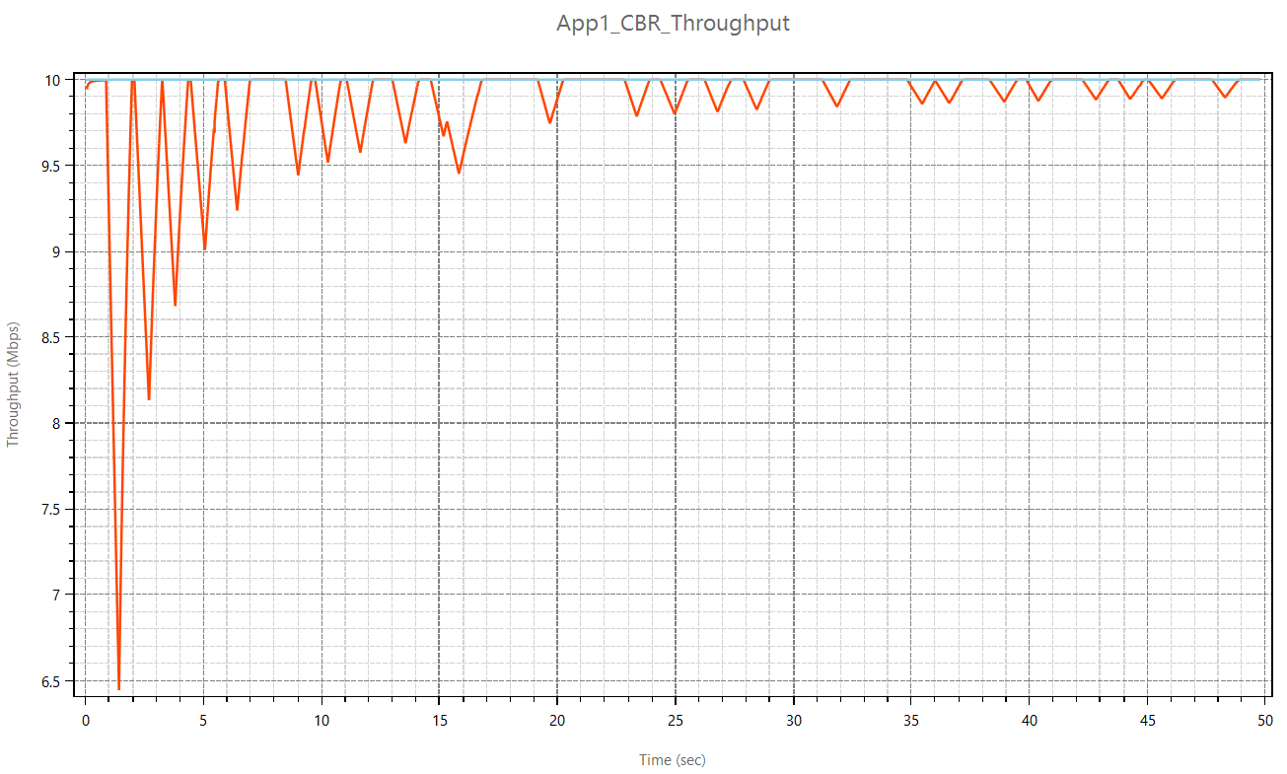

Scenario-3: Properties for Tahoe | Throughput:9.1494

Maximum Segment Size (MSS) | 1460 bytes
Node – Router propagation delay | 100 µs
Router – Router propagation delay | 1000 µs
Node – Router link speed (both) | 10 Mbps
Router – Router link speed | 10 Mbps
Bit Error Rate (All links) | 10 e(-8)

