LTI Mindtree
Questions | Answers | Answers
What is the test you will use to see if the distibution is normal distirubtoin or not ? | Shapiro Wilk Test | normal distirbution test null hypothesis- data is normally distirbuted p value < 5 percentgae - null hypothesis is rejected p value >5 percentage - failed to reject the nul hypothesis
 | Kolomogrov smirnov | normal distirbution test null hypothesis- data is normally distirbuted p value < 5 percentgae - null hypothesis is rejected p value >5 percentage - failed to reject the nul hypothesis
 | Anderson-Darling
 | D'Agostino K squared | this test check whether the dataset has normal kurtosis and skewness null hypothesis- data is normally distirbuted p value < 5 percentgae - null hypothesis is rejected p value >5 percentage - failed to reject the nul hypothesis
 | QQ plot | if the points lie on the line then it is called normal distirbution

What are the values for skewness and Kurtosis ? For a normal distirbution curve | skewness = 0 | Right Skewness or positive skewness = (leftmost mode ,median and mode Left Skewness or positive skewness = (leftmost mean ,median and mode
 | Kurtosis = 3 | kurtosis > 3 excess kurtosis positive kurtosis ( meaning more outliers ) Kurtosis <3 negative kurtosis ( meaning few extreme values )

What are some dimensonality reduction techniques without using PCA | RFE , Lasso selection and Random forest | read more about it

How will you impute the data ? | Mean - when the data is normally distirbuted Median - when the data is not normally distirbuted KNN as well | for categorical with mode | for time series data - Linear Interpolation

Explain what is tolerance ? | Tolerance = 1 / VIF | range lies between 0 to 1
 |  | Tolerance = 1 ( there is no multicolinearity )
 |  | Tolerance = 0 ( there is multicolinearity )
Which algorithm can handle missing values and which ones cannot ? | catboost, lightgbm, xgboost ,Random Forest, KNN can handle missing values | cant handle Linear Regression, Logistic Regression ,SVM, K means, PCA

Coding Question | a= [1,2,3] b = ['a','b','c'] dict(zip(a,b))

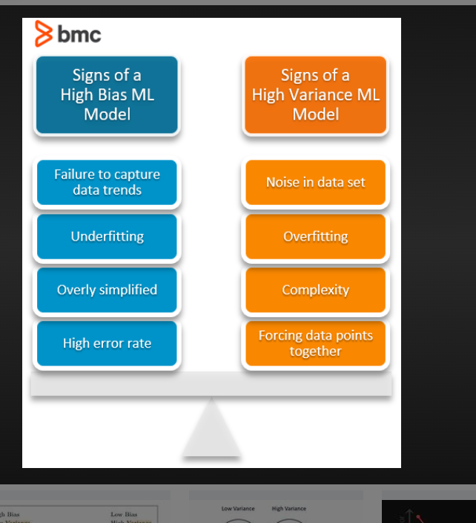
TImeSeries What are different components of ARIMA ? AR - Auto Regressive I - Integerated MA - Moving Aveerage | What do you mean by this variables

What is statinoarity data and how to test it | Stationarity - the data whose mean is constant with time | ADF - Augmented Dicker Fuller test H0 - the data is non stationarity if p value is less than 5 percent then data is stationarity ( because we reject the null hypothesis
 | Non stationarity - the data whose mean is increasing with time

What is the difference between bagging and boosting ?

what should be the desirable models ? Low variance and Low bias should be the model to be used | Variance - if I change one data point in train data how mich it will change in mape Bias - how close the actual values are with predicted values | the desirable model is with low bias and low variance

How will you reduce the overfitting? | 1.cross validation 2.Regularisation L1 Regularisation L2 Regularisation Elastic Net - combination of Both 3.Simplify the models 4. Pruning 4.1 pre-pruning ( limit the growth of the tree during training by setting the constraints ) 4.2 post pruning ( let the tree grow in full depth and then cut the non performing nodes ) Dropout Ensemble Methods Feature Selection - RFE, and Lasso Regression | Dropout - during training some nuerons are switched off .forcing the model to learn more about robust features

Differnce betweeen R squared and Adjusted R squared? | R squared Range ( 0 to 1) Adjusted R squared ( -infinity to 1 )

What is the Adjusted R squared is 80 percent and R squared is 85 Percent ? | that means some predictors can be removed ( some predictors are not making any sense )
What is the Adjusted R squared is 85 percent and R squared is 80 Percent ? | Highly unusual
please explain ROC Curve | for evrey probability threshold point we plot TPR vs FPR ( FPR being on x axis and TPR on Y axis )

ARIMA | AR- Auto Regressive ( the output variable linearly depends on its previously value ) I - Integerated ( to make the data stationarity) MA - Moving Average ( to smoothen the data ) p - number of lag observations in the model d - number of times the raw observations are differenced q- the size od moving avergae SARIMA(p, d, q)(P, D, Q, s) P -Seasonal Lags D -Seasonal Differenceing Q -Seasonal MA terms s- length of seasonal cycle
AIC | Alkaline Information Criteria Where K - number of parameters L - likellihood since lesser the number of parameters that mean model is not too complex and since L is the likelihood ( with negative sign that means higher the likelihood ( better the model should be fit ) ) so i n order to make AIC low the number of aprameters should be low and likelihood shoud be high AIC = 2K -2L
b | BIC ( bayesian information criteria is similar to AIC ) the only difference is BIC = ln(n)K -2L here the ln(n) - means the number of training points required to train the model so in order to make BIC less = number of training points should be as low as possible and number of paramettrs should be as low as posisible and log likelihood ( means fitting in the data should be as high as possble )

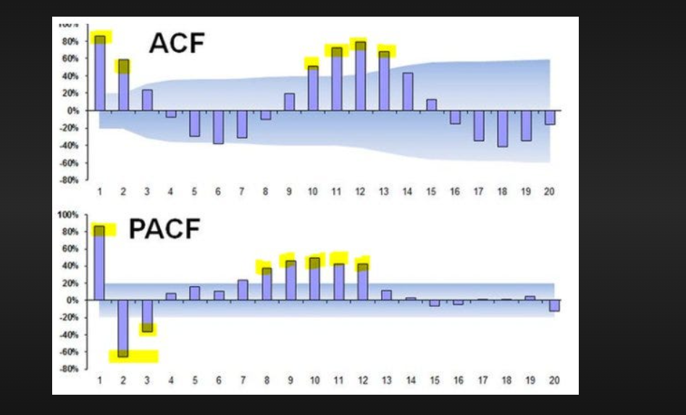
PACF plot | AR (p) whatever is inside the blue band those are statiscally insiginifcant
ACF plot | MA(q) where the values start declining ( pick that point )

PCA | Scree plot Explained Variance vs Principal components | all the principal components are orthogonal to each other

linkages in clustering
linkages in Hierarchial clustering
Single Linkage | The distance between two nearest point from one cluster to another | it cant handle outliers
Complete Linkage | The distance between two maximum point from one cluster to another | it can handle outliers
Average Linkage | Average distance between all pair of points in two clusters | still sensitive to outliers
Wards Linkage | Ward's linkage minimizes within-cluster variance by merging clusters in such a way that the total variance is kept as low as possible. | robust to outliers | the first clusters will be formed for the minimum distance between two points after forming the clusters find the distance which minimizes the variance | 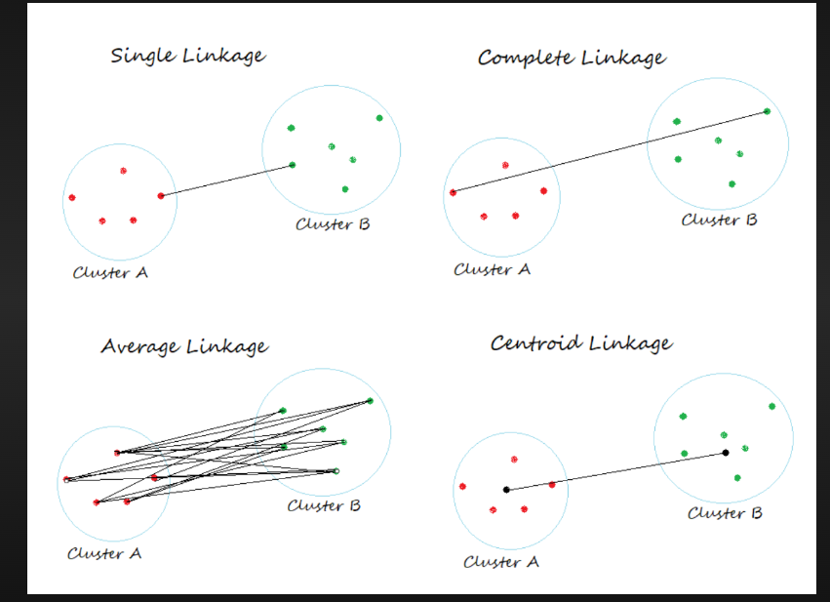
Centeroid Linkage | The distance between two clusters is defined as the distance between two centeroids | Sensitive to outliers
Median Linkage | The distance between two clusters is defined as the distance between the median of two clusters | robust to outliers

 |  | DBSCAN

Assuptions in Linear Regression
Assumptions of Linear Regression | Plot | Tests
1) The relationship between X and Y is linear | Residual Plot | RESET Test
2) The errors are independence of each other. There is no autocorrealtion in TImeSeries Data |  | Durbin Watson test
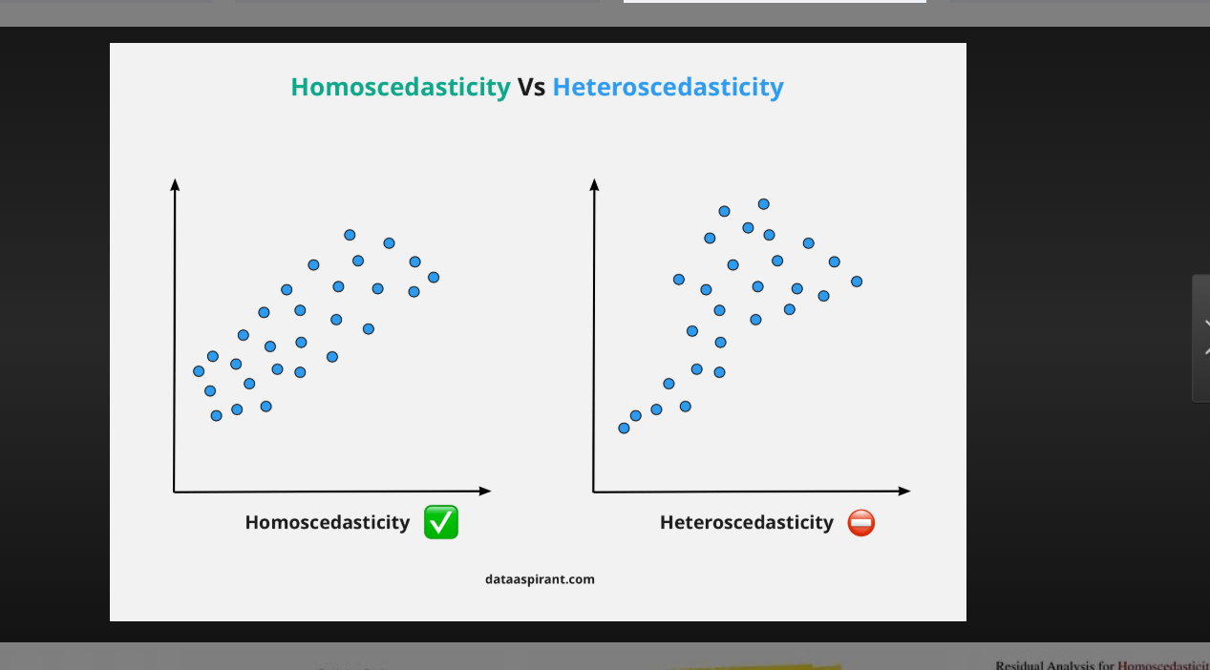
3) Constant Variance of Errors | Plot Residuals vs Predicted value it should follow a constant pattern | BP Test | in plot - x axis - predicted values and in y axis Residuals
4) The residuals are normally distirbuted | QQ plot | Shapiro wilk test and Smirnov test
5) There is no multicolinearity

 | 2560

 | 40955

