Seasonality or trend check
1 | 3187.11
2 | 3168.10
3 | 2558.34
4 | 2797.59
5 | 3722.76
6 | 3217.11
7 | 3014.78
8 | 3297.75
9 | 5607.75
10 | 4776.76
11 | 5409.65
12 | 5604.64
13 | 5312.27
14 | 5388.34
15 | 3754.45
16 | 5773.00
17 | 6093.00
18 | 6125.00
19 | 6347.00
20 | 6318.00
21 | 6603.00
22 | 6814.00
23 | 6622.00
24 | 5950.00
25 | 6460.00
26 | 6545.00
27 | 6925.00
28 | 7362.00
29 | 7927.00
30 | 8121.00
31 | 8152.00
32 | 8153.00
33 | 8058.00
34 | 8143.00
35 | 8093.00

Net Profit/(Loss) For the Period
1 | 0.86769860952
2 | 0.08897883247
3 | -0.079044652806
4 | -0.056375682925
5 | -0.0063590538523
6 | -0.17980238813
7 | 0.1239409738
8 | -0.075558004217
9 | 0.16863827429
10 | -0.14516134655
11 | 0.11019786783
12 | -0.090965202555
13 | -0.15139771314
14 | -0.1854592346
15 | -0.098246765821
16 | 0.14404857782

FORECAST MODEL
Model Description
 |  |  | Model Type
Model ID | Net Profit/(Loss) For the Period | Model_1 | ARIMA(0,1,0)(0,0,0)

 |  |  |  |  |  |  |  | Model Fit
 |  |  |  |  |  |  |  | Fit Statistic | Mean | SE | Minimum | Maximum | Percentile
 |  |  |  |  |  |  |  |  |  |  |  |  | 5 | 10 | 25 | 50 | 75 | 90 | 95
 |  |  |  |  |  |  |  | Stationary R-squared | 0.431 |  | 0.431 | 0.431 | 0.431 | 0.431 | 0.431 | 0.431 | 0.431 | 0.431 | 0.431
 |  |  |  |  |  |  |  | R-squared | 0.895 |  | 0.895 | 0.895 | 0.895 | 0.895 | 0.895 | 0.895 | 0.895 | 0.895 | 0.895
 |  |  |  |  |  |  |  | RMSE | 539.867 |  | 539.867 | 539.867 | 539.867 | 539.867 | 539.867 | 539.867 | 539.867 | 539.867 | 539.867
 |  |  |  |  |  |  |  | MAPE | 7.249 |  | 7.249 | 7.249 | 7.249 | 7.249 | 7.249 | 7.249 | 7.249 | 7.249 | 7.249
 |  |  |  |  |  |  |  | MaxAPE | 28.601 |  | 28.601 | 28.601 | 28.601 | 28.601 | 28.601 | 28.601 | 28.601 | 28.601 | 28.601
 |  |  |  |  |  |  |  | MAE | 386.811 |  | 386.811 | 386.811 | 386.811 | 386.811 | 386.811 | 386.811 | 386.811 | 386.811 | 386.811
 |  |  |  |  |  |  |  | MaxAE | 1556.948 |  | 1556.948 | 1556.948 | 1556.948 | 1556.948 | 1556.948 | 1556.948 | 1556.948 | 1556.948 | 1556.948
 |  |  |  |  |  |  |  | Normalized BIC | 12.799 |  | 12.799 | 12.799 | 12.799 | 12.799 | 12.799 | 12.799 | 12.799 | 12.799 | 12.799

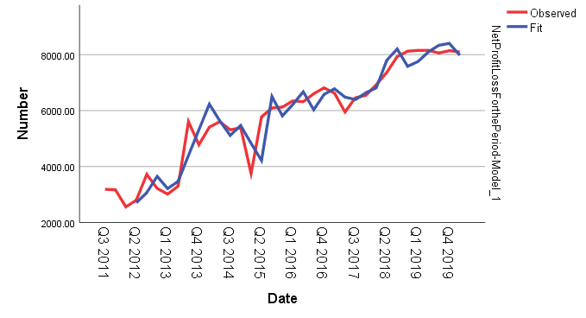
Model Statistics
Model | Number of Predictors | Model Fit statistics |  | Ljung-Box Q(18) |  |  | Number of Outliers
 |  | Stationary R-squared | MAPE | Statistics | DF | Sig.
Net Profit/(Loss) For the Period-Model_1 | 1 | 0.431 | 7.249 | 20.878 | 18 | 0.286 | 0

Descriptive Statistics
 | N | Minimum | Maximum | Mean | Std. Deviation
PERR_PROFITLOSS | 32 | 0.53 | 28.60 | 7.2487 | 7.40479
Valid N (listwise) | 32

 | The MEAN ABSOLUTE % ERROR for the entire data is 7.25%

FORECAST MODEL WTHOUT LST ENTRY
Model Description
 |  |  | Model Type
Model ID | Net Profit/(Loss) For the Period | Model_1 | ARIMA(0,1,0)(0,0,0)

 |  |  |  |  |  |  |  | Model Fit
 |  |  |  |  |  |  |  | Fit Statistic | Mean | SE | Minimum | Maximum | Percentile
 |  |  |  |  |  |  |  |  |  |  |  |  | 5 | 10 | 25 | 50 | 75 | 90 | 95
 |  |  |  |  |  |  |  | Stationary R-squared | 0.435 |  | 0.435 | 0.435 | 0.435 | 0.435 | 0.435 | 0.435 | 0.435 | 0.435 | 0.435
 |  |  |  |  |  |  |  | R-squared | 0.882 |  | 0.882 | 0.882 | 0.882 | 0.882 | 0.882 | 0.882 | 0.882 | 0.882 | 0.882
 |  |  |  |  |  |  |  | RMSE | 556.184 |  | 556.184 | 556.184 | 556.184 | 556.184 | 556.184 | 556.184 | 556.184 | 556.184 | 556.184
 |  |  |  |  |  |  |  | MAPE | 7.600 |  | 7.600 | 7.600 | 7.600 | 7.600 | 7.600 | 7.600 | 7.600 | 7.600 | 7.600
 |  |  |  |  |  |  |  | MaxAPE | 28.343 |  | 28.343 | 28.343 | 28.343 | 28.343 | 28.343 | 28.343 | 28.343 | 28.343 | 28.343
 |  |  |  |  |  |  |  | MAE | 401.957 |  | 401.957 | 401.957 | 401.957 | 401.957 | 401.957 | 401.957 | 401.957 | 401.957 | 401.957
 |  |  |  |  |  |  |  | MaxAE | 1550.838 |  | 1550.838 | 1550.838 | 1550.838 | 1550.838 | 1550.838 | 1550.838 | 1550.838 | 1550.838 | 1550.838
 |  |  |  |  |  |  |  | Normalized BIC | 12.869 |  | 12.869 | 12.869 | 12.869 | 12.869 | 12.869 | 12.869 | 12.869 | 12.869 | 12.869

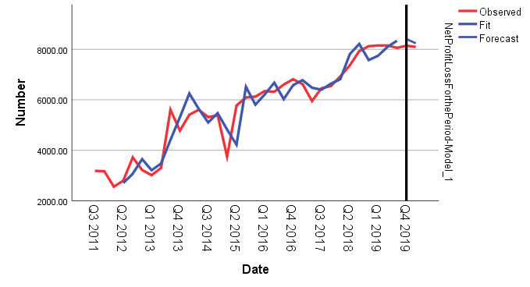
Model Statistics
Model | Number of Predictors | Model Fit statistics |  | Ljung-Box Q(18) |  |  | Number of Outliers
 |  | Stationary R-squared | MAPE | Statistics | DF | Sig.
Net Profit/(Loss) For the Period-Model_1 | 1 | 0.435 | 7.600 | 21.632 | 18 | 0.249 | 0

Descriptive Statistics
 | N | Minimum | Maximum | Mean | Std. Deviation
PERR_PROFITLOSSwithoutlst2value | 30 | 0.58 | 28.34 | 7.6005 | 7.47283
Valid N (listwise) | 30

 | The MEAN ABSOLUTE % ERROR for the entire data is 7.6%

