Main
Row Labels | Position | Total PL | Running PL | Booked PL | Row Labels | Position | Total PL | Running PL | Booked PL |  | BRN | WBS | BOX | HO | RB | ZL | ZM | ZS | ZW
BRN Jul24 2M DF | 0 | 0 | 0 | 0 | ZM Jul24 1M Fly | -7 | 60 | 60 | 0 |  |  |  |  |  | RB Nov24 1M Fly | filter value not found | filter value not found | filter value must be unique | ZW Jul24 Sep24 Dec24 Butterfly
Grand Total | 0 | 0 | 0 | 0 | ZM JulDec-3AugSep24 | 4 | 100 | -20 | 120 |  | BRN Jul24 2M DF |  |  | HO Jun24 DF 1M | RB May24 1M Fly | ZL May-Jul-Aug24 Fly | ZM Jul24 1M Fly | ZS 1NX vs 2QU
 |  |  |  |  | ZM Dec24 Flyy | -15 | -300 | -300 | 0 |  |  |  |  | HO Oct24 1M Fly | RB Jul24 1mo Butterfly | ZL Jul24 1M Fly | ZM JulDec-3AugSep24 | ZS Jul24 Condor | ZW Sep24 fly
 |  |  |  |  | Grand Total | -18 | -140 | -260 | 120 |  |  |  |  | HO Dec24 1M Fly | RB Feb25 Condor | ZL Sep-Oct-Dec24 Fly | ZM Dec24 Flyy
 |  |  |  |  |  |  |  |  |  |  |  |  |  | HO Feb25 1M Fly |  | ZL Aug24 1mo Butterfly | ZM Aug24 1mo Butterfly
 |  |  |  |  |  |  |  |  |  |  |  |  |  |  |  | ZL Dec24 Jan25 Mar25 Butterfly | ZM Jan25 2mo Butterfly
 |  |  |  |  |  |  |  |  |  |  |  |  |  |  |  | ZL Oct24 Dec24 Jan25 Butterfly | ZM Mar25 2mo Butterfly

Row Labels | Position | Total PL | Running PL | Booked PL | Row Labels | Position | Total PL | Running PL | Booked PL
Grand Total |  |  |  |  | ZL May-Jul-Aug24 Fly | 27 | -1968 | -1968 | 0
 |  |  |  |  | ZL Jul24 1M Fly | -10 | 270 | 270 | 0
 |  |  |  |  | ZL Sep-Oct-Dec24 Fly | 4 | 120 | 48 | 72
 |  |  |  |  | ZL Aug24 1mo Butterfly | -10 | -805306368 | -805306368 | 0
 |  |  |  |  | ZL Dec24 Jan25 Mar25 Butterfly | -10 | -805306368 | -268435456 | -536870912
 |  |  |  |  | ZL Oct24 Dec24 Jan25 Butterfly | -2 | -805306368 | -268435456 | -536870852
Refresh
 |  |  |  |  | Grand Total | -1 | -2415920682 | -1342178930 | -1073741692

Stop
Row Labels | Position | Total PL | Running PL | Booked PL | Row Labels | Position | Total PL | Running PL | Booked PL
RB May24 1M Fly | 0 | 0 | 0 | 0 | ZS 1NX vs 2QU | 22 | -751 | -751 | 0
RB Nov24 1M Fly | 0 | 0 | 0 | -268435456 | ZS Jul24 Condor | 0 | 375 | 0 | 375
RB Jul24 1mo Butterfly | 7 | 357 | 357 | 0 | Grand Total | 22 | -376 | -751 | 375
Grand Total | 7 | 357 | 357 | -268435456

Row Labels | Position | Total PL | Running PL | Booked PL | Row Labels | Position | Total PL | Running PL | Booked PL |  | Row Labels | Position | Total PL | Running PL | Booked PL
HO Jun24 DF 1M | 12 | 260 | 260 | 0 | ZW Sep24 fly | -4 | -200 | -200 | 0 |  | +1xNG Jun24:-1xHH Jun24 | 20 | -805306368 | -805306368 | 0
HO Oct24 1M Fly | 15 | -97 | -97 | 0 | ZW Jul24 Sep24 Dec24 Butterfly | 2 | -805306368 | -805306368 | 188 |  | +1xNG May24:-1xHH May24 | 22 | 78 | 28 | 50
HO Dec24 1M Fly | -6 | 143 | 88 | -268435456 | Grand Total | -2 | -805306568 | -805306568 | 188 |  | Grand Total | 42 | -805306290 | -805306340 | 50
HO Feb25 1M Fly | -2 | 101 | 101 | 0
Grand Total | 19 | 407 | 352 | -268435456
 |  |  |  |  |  |  | TextTT | Status | Open Position | BuyTotalQty | SellTotalQty | Total PnL | Running PnL | Booked PnL | Ask | Bid | VWAP | MidPrice | UTC_time | Contract | Order Side | Num Orders | Order Qty | Spacing | Order Price | Profit Ticks | Quote_1_Order_at_a_time | Orders_to_quote | Quote Entry | Quote Target | Disconnect Action | Total RTs | Fixed Profit | Sniper LeanQty | Use Start Stop time | Start time | Stop time | Account | Tick Value | Time in Force | Ignore Market State

ZL | A1:AI1 |  |  | BRN!A6
Contract
Contract

filter value not found
ZL May-Jul-Aug24 Fly
ZL Jul24 1M Fly
ZL Sep-Oct-Dec24 Fly
ZL Aug24 1mo Butterfly
ZL Dec24 Jan25 Mar25 Butterfly
ZL Oct24 Dec24 Jan25 Butterfly

0

BRN
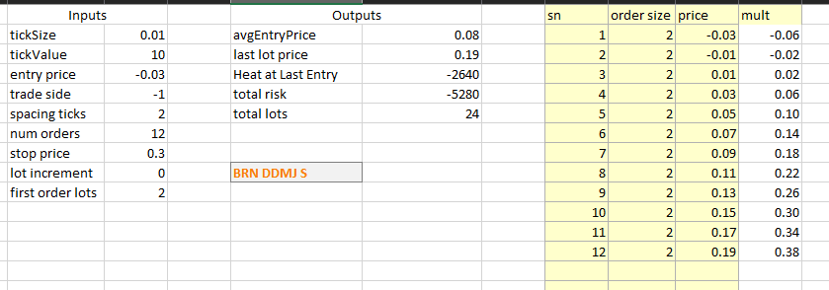
TextTT | Status | Open Position | BuyTotalQty | SellTotalQty | Total PnL | Running PnL | Booked PnL | Ask | Bid | VWAP | MidPrice | Contract | Order Side | Num Orders | Order Qty | Spacing | Order Price | Profit Ticks | Quote_1_Order_at_a_time | Orders_to_quote | Disconnect Action | Total RTs | Use Start Stop time | Start time | UTC_time | Stop time | Account | Tick Value | Time in Force | Ignore Market State

brn jul 2m df s1 | Working | 0 | 0 | 0 | 0 | 0 | 0 | 0.01 | -0.03 | -0.03 | -0.01 | BRN Jul24 2M DF | Sell | 10 | 2 | 10 | 0.03 | 4 | 1 | 1 | 0 | 500 | 1 | 400 | 1130 | 2050 | XGAZA | 10
brn jul 2m df s2 | Working | 0 | 0 | 0 | 0 | 0 | 0 | 0.01 | -0.03 | -0.03 | -0.01 | BRN Jul24 2M DF | Sell | 10 | 2 | 10 | 0.03 | 6 | 1 | 1 | 0 | 500 | 1 | 400 | 1130 | 2050 | XGAZA | 10
brn jul 2m df s3 | Working | 0 | 0 | 0 | 0 | 0 | 0 | 0.01 | -0.03 | -0.03 | -0.01 | BRN Jul24 2M DF | Sell | 10 | 1 | 10 | 0.03 | 8 | 1 | 1 | 0 | 500 | 1 | 400 | 1130 | 2050 | XGAZA | 10

RB
TextTT | Status | Open Position | BuyTotalQty | SellTotalQty | Total PnL | Running PnL | Booked PnL | Projected Heat | Ask | Bid | VWAP | MidPrice | UTC_time | Contract | Order Side | Num Orders | Order Qty | Spacing | Order Price | Profit Ticks | Quote_1_Order_at_a_time | Orders_to_quote | Quote Entry | Quote Target | Disconnect Action | Total RTs | Fixed Profit | Sniper LeanQty | Use Start Stop time | Start time | Stop time | Account | Tick Value | Time in Force | Ignore Market State
rb nov fly b1 | Working | 0 | 0 | 0 | 0 |  |  | 1932 | 0.02 | 0.02 | 0.0168 | 0.0168 | 1131 | RB Nov24 1M Fly | Buy | 10 | 1 | 10 | 0.0133 | 8 | 1 | 1 | 1 | 1 | 0 | 500 | 0 | 0 | 1 | 400 | 2050 | XGAZA_CME | 4.2 | 1 | 1
rb nov fly b2 | Working | 0 | 0 | 0 | 0 | 0 | 0 | 1932 | 0.02 | 0.02 | 0.0168 | 0.0168 | 1130 | RB Nov24 1M Fly | Buy | 10 | 1 | 10 | 0.0133 | 15 | 1 | 1 | 1 | 1 | 0 | 500 | 0 | 0 | 1 | 400 | 2050 | XGAZA_CME | 4.2
rb nov fly b3 | Working | 0 | 0 | 0 | 0 | 0 | 0 | 1932 | 0.02 | 0.02 | 0.0168 | 0.0168 | 1130 | RB Nov24 1M Fly | Buy | 10 | 1 | 10 | 0.0133 | 20 | 1 | 1 | 1 | 1 | 0 | 500 | 0 | 0 | 1 | 400 | 2050 | XGAZA_CME | 4.2
rb may fly b3 | Working | 0 | 0 | 0 | 0 | 0 | 0 | 2268 | -0.01 | -0.01 | -0.0096 | -0.0096 | 1130 | RB May24 1M Fly | Buy | 12 | 1 | 8 | -0.0105 | 25 | 1 | 1 | 1 | 1 | 0 | 500 | 0 | 0 | 1 | 400 | 2050 | XGAZA_CME | 4.2
rb may fly b2 | Working | 0 | 0 | 0 | 0 | 0 | 0 | 2268 | -0.01 | -0.01 | -0.0096 | -0.0096 | 1130 | RB May24 1M Fly | Buy | 12 | 1 | 8 | -0.0105 | 15 | 1 | 1 | 1 | 1 | 0 | 500 | 0 | 0 | 1 | 400 | 2050 | XGAZA_CME | 4.2
rb may fly b1 | Working | 0 | 0 | 0 | 0 | 0 | 0 | 4536 | -0.01 | -0.01 | -0.0096 | -0.0096 | 1130 | RB May24 1M Fly | Buy | 12 | 2 | 8 | -0.0105 | 8 | 1 | 1 | 1 | 1 | 0 | 500 | 0 | 0 | 1 | 400 | 2050 | XGAZA_CME | 4.2
rb jul24 fly b1 | Working | 0 | 6 | 6 | 176 | 0 | 176 | 1814 | -65.00 | -72.00 | -69 | -69 | 1130 | RB Jul24 1mo Butterfly | Buy | 9 | 2 | 6 | -80 | 7 | 1 | 2 | 1 | 1 | 0 | 500 | 0 | 0 | 1 | 400 | 2050 | XGAZA_CME | 4.2
rb jul24 fly b2 | Working | 0 | 3 | 3 | 151 | 0 | 151 | 907 | -65.00 | -72.00 | -69 | -69 | 1130 | RB Jul24 1mo Butterfly | Buy | 9 | 1 | 6 | -80 | 12 | 1 | 2 | 1 | 1 | 0 | 500 | 0 | 0 | 1 | 400 | 2050 | XGAZA_CME | 4.2
rb jul24 fly b3 | Working | 1 | 3 | 2 | 202 | 202 | 0 | 907 | -65.00 | -72.00 | -69 | -69 | 1130 | RB Jul24 1mo Butterfly | Buy | 9 | 1 | 6 | -80 | 17 | 1 | 2 | 1 | 1 | 0 | 500 | 0 | 0 | 1 | 400 | 2050 | XGAZA_CME | 4.2
rb feb25 cond s1 | Working | 0 | 0 | 0 | 0 | 0 | 0 | 1008 | 0.00 | -0.01 | -0.0069 | -0.0069 | 1131 | RB Feb25 Condor | 2 | 10 | 1 | 5 | -0.006 | 7 | 1 | 1 | 1 | 1 | 0 | 500 | 0 | 0 | 1 | 400 | 2050 | XGAZA_CME | 4.2
rb feb25 cond s2 | Working | 0 | 0 | 0 | 0 | 0 | 0 | 1008 | 0.00 | -0.01 | -0.0069 | -0.0069 | 1131 | RB Feb25 Condor | 2 | 10 | 1 | 5 | -0.006 | 12 | 1 | 1 | 1 | 1 | 0 | 500 | 0 | 0 | 1 | 400 | 2050 | XGAZA_CME | 4.2
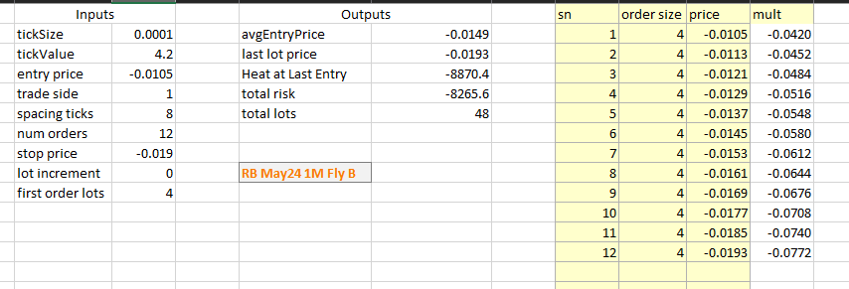
rb feb25 cond s3 | Working | 0 | 0 | 0 | 0 | 0 | 0 | 1008 | 0.00 | -0.01 | -0.0069 | -0.0069 | 1131 | RB Feb25 Condor | 2 | 10 | 1 | 5 | -0.006 | 15 | 1 | 1 | 1 | 1 | 0 | 500 | 0 | 0 | 1 | 400 | 2050 | XGAZA_CME | 4.2

NGHH
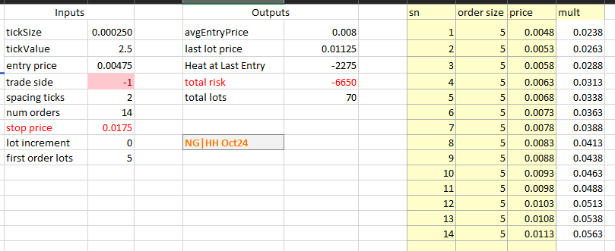
TextTT | Status | Open Position | BuyTotalQty | SellTotalQty | Total PnL | Running PnL | Booked PnL | Projected Heat | Ask | Bid | VWAP | MidPrice | UTC_time | Contract | Order Side | Num Orders | Order Qty | Spacing | Order Price | Profit Ticks | Quote_1_Order_at_a_time | Orders_to_quote | Total RTs | Use Start Stop time | Start time | Stop time | Account | Tick Value | Time in Force | Ignore Market State
ng-hh may24 b1 | Working | 4 | 16 | 12 | 190 | 140 | 50 | 400 | 2.25 | 1.00 | 1.25 | 1.75 | 1130 | +1xNG May24:-1xHH May24 | Buy | 8 | 4 | 1 | 1 | 5 | 1 | 3 | 500 | 1 | 400 | 2050 | XGAZA_CME | 2.5 | 2 | 1
ng-hh may24 b2 | Working | 8 | 8 | 0 | 90 | 90 | 0 | 400 | 2.25 | 1.00 | 1.25 | 1.75 | 1130 | +1xNG May24:-1xHH May24 | Buy | 8 | 4 | 1 | 1 | 8 | 1 | 3 | 500 | 1 | 400 | 2050 | XGAZA_CME | 2.5 | 2 | 1
ng-hh may24 b3 | Working | 6 | 6 | 0 | 68 | 68 | 0 | 300 | 2.25 | 1.00 | 1.25 | 1.75 | 1130 | +1xNG May24:-1xHH May24 | Buy | 8 | 3 | 1 | 1 | 12 | 1 | 3 | 500 | 1 | 400 | 2050 | XGAZA_CME | 2.5 | 2 | 1
ng-hh jun24 b1 | filter value must be unique | 0 | 8 | 8 | 100 | 0 | 100 | 600 | 3.25 | 2.25 | 2.5 | 2.75 | 1130 | filter value must be unique | Buy | 10 | 4 | 1 | 1.5 | 5 | 1 | 3 | 500 | 1 | 400 | 2050 | filter value must be unique | 2.5 | 2 | 1
ng-hh jun24 b2 | Working | 6 | 6 | 0 | 98 | 98 | 0 | 450 | 3.25 | 2.25 | 2.5 | 2.75 | 1130 | +1xNG Jun24:-1xHH Jun24 | Buy | 10 | 3 | 1 | 1.5 | 8 | 1 | 3 | 500 | 1 | 400 | 2050 | XGAZA_CME | 2.5 | 2 | 1
ng-hh jun24 b3 | Working | 6 | 6 | 0 | 98 | 98 | 0 | 450 | 3.25 | 2.25 | 2.5 | 2.75 | 1130 | +1xNG Jun24:-1xHH Jun24 | Buy | 10 | 3 | 1 | 1.5 | 12 | 1 | 3 | 500 | 1 | 400 | 2050 | XGAZA_CME | 2.5 | 2 | 1
ng-hh aug24 s3 | Working | -3 | 0 | 3 | -268435456 | -268435456 | 0 |  | 3.75 | 2.75 | 3 | 3.25 | 1130 | +1xNG Aug24:-1xHH Aug24 | Sell | 10 | 3 | 3 | 3.25 | 12 | 1 | 3 | 500 | 1 | 400 | 2050 | XGAZA_CME | 2.5 | 2 | 1
ng-hh aug24 s2 | Working | -3 | 0 | 3 | -268435456 | -268435456 | 0 |  | 3.75 | 2.75 | 3 | 3.25 | 1130 | +1xNG Aug24:-1xHH Aug24 | Sell | 10 | 3 | 3 | 3.25 | 8 | 1 | 3 | 500 | 1 | 400 | 2050 | XGAZA_CME | 2.5 | 2 | 1
ng-hh aug24 s1 | Working | -4 | 0 | 4 | -268435456 | -268435456 | 0 |  | 3.75 | 2.75 | 3 | 3.25 | 1130 | +1xNG Aug24:-1xHH Aug24 | Sell | 10 | 4 | 3 | 3.25 | 5 | 1 | 3 | 500 | 1 | 400 | 2050 | XGAZA_CME | 2.5 | 2 | 1
ng-hh oct24 s1 | Working | -5 | 1 | 6 | 20 | 20 | 0 |  | 5.25 | 4.50 | 5 | 5 | 1130 | +1xNG Oct24:-1xHH Oct24 | Sell | 14 | 3 | 2 | 4.75 | 4 | 1 | 2 | 500 | 1 | 400 | 2050 | XGAZA_CME | 2.5 | 2 | 1
ng-hh oct24 s2 | Working | -4 | 0 | 4 | 10 | 10 | 0 |  | 5.25 | 4.50 | 5 | 5 | 1130 | +1xNG Oct24:-1xHH Oct24 | Sell | 14 | 2 | 2 | 4.75 | 8 | 1 | 2 | 500 | 1 | 400 | 2050 | XGAZA_CME | 2.5 | 2 | 1

