BRN
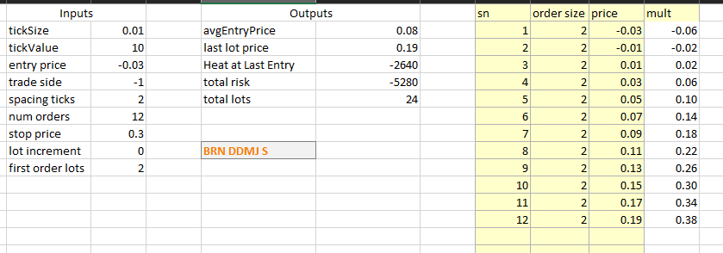
TextTT | Status | Open Position | BuyTotalQty | SellTotalQty | Total PnL | Running PnL | Booked PnL | Ask | Bid | VWAP | MidPrice | Contract | Order Side | Num Orders | Order Qty | Spacing | Order Price | Profit Ticks | Quote_1_Order_at_a_time | Orders_to_quote | Disconnect Action | Total RTs | Use Start Stop time | Start time | UTC_time | Stop time | Account | Tick Value | Time in Force | Ignore Market State

brn jul 2m df s1 | Working | 0 | 0 | 0 | 0 | 0 | 0 | 0.02 | -0.04 | 0.01 | -0.01 | BRN Jul24 2M DF | Sell | 10 | 2 | 10 | 0.03 | 4 | 1 | 1 | 0 | 500 | 1 | 400 | 1419 | 2050 | XGAZA | 10
brn jul 2m df s2 | Working | 0 | 0 | 0 | 0 | 0 | 0 | 0.02 | -0.04 | 0.01 | -0.01 | BRN Jul24 2M DF | Sell | 10 | 2 | 10 | 0.03 | 6 | 1 | 1 | 0 | 500 | 1 | 400 | 1419 | 2050 | XGAZA | 10
brn jul 2m df s3 | Working | 0 | 0 | 0 | 0 | 0 | 0 | 0.02 | -0.04 | 0.01 | -0.01 | BRN Jul24 2M DF | Sell | 10 | 1 | 10 | 0.03 | 8 | 1 | 1 | 0 | 500 | 1 | 400 | 1419 | 2050 | XGAZA | 10

RB
TextTT | Status | Open Position | BuyTotalQty | SellTotalQty | Total PnL | Running PnL | Booked PnL | Projected Heat | Ask | Bid | VWAP | MidPrice | UTC_time | Contract | Order Side | Num Orders | Order Qty | Spacing | Order Price | Profit Ticks | Quote_1_Order_at_a_time | Orders_to_quote | Quote Entry | Quote Target | Disconnect Action | Total RTs | Fixed Profit | Sniper LeanQty | Use Start Stop time | Start time | Stop time | Account | Tick Value | Time in Force | Ignore Market State
rb nov fly b1 | Working | 0 | 0 | 0 | 0 |  |  | 1932 | 0.02 | 0.02 | 0.0163 | 0.0164 | 1420 | RB Nov24 1M Fly | Buy | 10 | 1 | 10 | 0.0133 | 8 | 1 | 1 | 1 | 1 | 0 | 500 | 0 | 0 | 1 | 400 | 2050 | XGAZA_CME | 4.2 | 1 | 1
rb nov fly b2 | Working | 0 | 0 | 0 | 0 | 0 | 0 | 1932 | 0.02 | 0.02 | 0.0163 | 0.0164 | 1419 | RB Nov24 1M Fly | Buy | 10 | 1 | 10 | 0.0133 | 15 | 1 | 1 | 1 | 1 | 0 | 500 | 0 | 0 | 1 | 400 | 2050 | XGAZA_CME | 4.2
rb nov fly b3 | Working | 0 | 0 | 0 | 0 | 0 | 0 | 1932 | 0.02 | 0.02 | 0.0163 | 0.0164 | 1419 | RB Nov24 1M Fly | Buy | 10 | 1 | 10 | 0.0133 | 20 | 1 | 1 | 1 | 1 | 0 | 500 | 0 | 0 | 1 | 400 | 2050 | XGAZA_CME | 4.2
rb may fly b3 | Working | 0 | 0 | 0 | 0 | 0 | 0 | 2268 | -0.01 | -0.01 | -0.0092 | -0.0093 | 1419 | RB May24 1M Fly | Buy | 12 | 1 | 8 | -0.0105 | 25 | 1 | 1 | 1 | 1 | 0 | 500 | 0 | 0 | 1 | 400 | 2050 | XGAZA_CME | 4.2
rb may fly b2 | Working | 0 | 0 | 0 | 0 | 0 | 0 | 2268 | -0.01 | -0.01 | -0.0092 | -0.0093 | 1419 | RB May24 1M Fly | Buy | 12 | 1 | 8 | -0.0105 | 15 | 1 | 1 | 1 | 1 | 0 | 500 | 0 | 0 | 1 | 400 | 2050 | XGAZA_CME | 4.2
rb may fly b1 | Working | 0 | 0 | 0 | 0 | 0 | 0 | 4536 | -0.01 | -0.01 | -0.0092 | -0.0093 | 1419 | RB May24 1M Fly | Buy | 12 | 2 | 8 | -0.0105 | 8 | 1 | 1 | 1 | 1 | 0 | 500 | 0 | 0 | 1 | 400 | 2050 | XGAZA_CME | 4.2
rb jul24 fly b1 | Working | 0 | 6 | 6 | 176 | 0 | 176 | 1814 | -71.00 | -75.00 | -73 | -73 | 1419 | RB Jul24 1mo Butterfly | Buy | 9 | 2 | 6 | -80 | 7 | 1 | 2 | 1 | 1 | 0 | 500 | 0 | 0 | 1 | 400 | 2050 | XGAZA_CME | 4.2
rb jul24 fly b2 | Working | 0 | 3 | 3 | 151 | 0 | 151 | 907 | -71.00 | -75.00 | -73 | -73 | 1419 | RB Jul24 1mo Butterfly | Buy | 9 | 1 | 6 | -80 | 12 | 1 | 2 | 1 | 1 | 0 | 500 | 0 | 0 | 1 | 400 | 2050 | XGAZA_CME | 4.2
rb jul24 fly b3 | Working | 1 | 3 | 2 | 168 | 168 | 0 | 907 | -71.00 | -75.00 | -73 | -73 | 1419 | RB Jul24 1mo Butterfly | Buy | 9 | 1 | 6 | -80 | 17 | 1 | 2 | 1 | 1 | 0 | 500 | 0 | 0 | 1 | 400 | 2050 | XGAZA_CME | 4.2
rb feb25 cond s1 | Working | 0 | 0 | 0 | 0 | 0 | 0 | 1008 | 0.00 | -0.01 | -0.0079 | -0.0069 | 1420 | RB Feb25 Condor | 2 | 10 | 1 | 5 | -0.006 | 7 | 1 | 1 | 1 | 1 | 0 | 500 | 0 | 0 | 1 | 400 | 2050 | XGAZA_CME | 4.2
rb feb25 cond s2 | Working | 0 | 0 | 0 | 0 | 0 | 0 | 1008 | 0.00 | -0.01 | -0.0079 | -0.0069 | 1420 | RB Feb25 Condor | 2 | 10 | 1 | 5 | -0.006 | 12 | 1 | 1 | 1 | 1 | 0 | 500 | 0 | 0 | 1 | 400 | 2050 | XGAZA_CME | 4.2
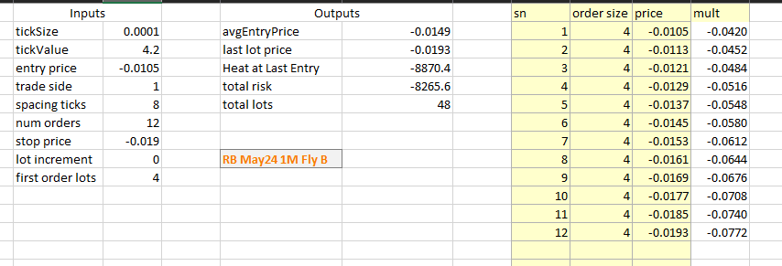
rb feb25 cond s3 | Working | 0 | 0 | 0 | 0 | 0 | 0 | 1008 | 0.00 | -0.01 | -0.0079 | -0.0069 | 1420 | RB Feb25 Condor | 2 | 10 | 1 | 5 | -0.006 | 15 | 1 | 1 | 1 | 1 | 0 | 500 | 0 | 0 | 1 | 400 | 2050 | XGAZA_CME | 4.2

NGHH
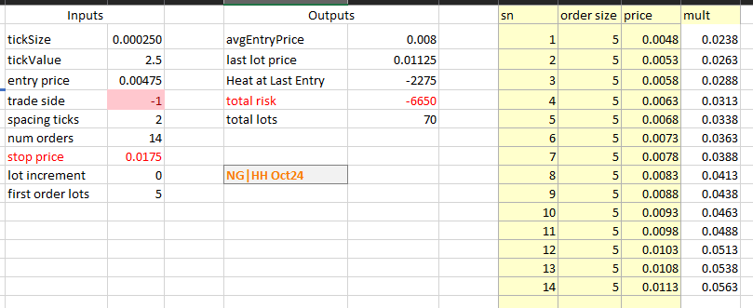
TextTT | Status | Open Position | BuyTotalQty | SellTotalQty | Total PnL | Running PnL | Booked PnL | Projected Heat | Ask | Bid | VWAP | MidPrice | UTC_time | Contract | Order Side | Num Orders | Order Qty | Spacing | Order Price | Profit Ticks | Quote_1_Order_at_a_time | Orders_to_quote | Total RTs | Use Start Stop time | Start time | Stop time | Account | Tick Value | Time in Force | Ignore Market State
ng-hh may24 b1 | Working | 4 | 16 | 12 | 190 | 140 | 50 | 400 | 2.00 | 1.00 | 1.5 | 1.5 | 1419 | +1xNG May24:-1xHH May24 | Buy | 8 | 4 | 1 | 1 | 5 | 1 | 3 | 500 | 1 | 400 | 2050 | XGAZA_CME | 2.5 | 2 | 1
ng-hh may24 b2 | Working | 8 | 8 | 0 | 90 | 90 | 0 | 400 | 2.00 | 1.00 | 1.5 | 1.5 | 1419 | +1xNG May24:-1xHH May24 | Buy | 8 | 4 | 1 | 1 | 8 | 1 | 3 | 500 | 1 | 400 | 2050 | XGAZA_CME | 2.5 | 2 | 1
ng-hh may24 b3 | Working | 6 | 6 | 0 | 68 | 68 | 0 | 300 | 2.00 | 1.00 | 1.5 | 1.5 | 1419 | +1xNG May24:-1xHH May24 | Buy | 8 | 3 | 1 | 1 | 12 | 1 | 3 | 500 | 1 | 400 | 2050 | XGAZA_CME | 2.5 | 2 | 1
ng-hh jun24 b1 | filter value must be unique | 0 | 8 | 8 | 100 | 0 | 100 | 600 | 2.75 | 1.50 | 2.5 | 2.25 | 1419 | filter value must be unique | Buy | 10 | 4 | 1 | 1.5 | 5 | 1 | 3 | 500 | 1 | 400 | 2050 | filter value must be unique | 2.5 | 2 | 1
ng-hh jun24 b2 | Working | 6 | 6 | 0 | 23 | 23 | 0 | 450 | 2.75 | 1.50 | 2.5 | 2.25 | 1419 | +1xNG Jun24:-1xHH Jun24 | Buy | 10 | 3 | 1 | 1.5 | 8 | 1 | 3 | 500 | 1 | 400 | 2050 | XGAZA_CME | 2.5 | 2 | 1
ng-hh jun24 b3 | Working | 6 | 6 | 0 | 23 | 23 | 0 | 450 | 2.75 | 1.50 | 2.5 | 2.25 | 1419 | +1xNG Jun24:-1xHH Jun24 | Buy | 10 | 3 | 1 | 1.5 | 12 | 1 | 3 | 500 | 1 | 400 | 2050 | XGAZA_CME | 2.5 | 2 | 1
ng-hh aug24 s3 | Working | -3 | 0 | 3 | 15 | 15 | 0 |  | 3.50 | 2.50 | 3 | 3 | 1419 | +1xNG Aug24:-1xHH Aug24 | Sell | 10 | 3 | 3 | 3.25 | 12 | 1 | 3 | 500 | 1 | 400 | 2050 | XGAZA_CME | 2.5 | 2 | 1
ng-hh aug24 s2 | Working | -3 | 0 | 3 | 15 | 15 | 0 |  | 3.50 | 2.50 | 3 | 3 | 1419 | +1xNG Aug24:-1xHH Aug24 | Sell | 10 | 3 | 3 | 3.25 | 8 | 1 | 3 | 500 | 1 | 400 | 2050 | XGAZA_CME | 2.5 | 2 | 1
ng-hh aug24 s1 | Working | -4 | 0 | 4 | 20 | 20 | 0 |  | 3.50 | 2.50 | 3 | 3 | 1419 | +1xNG Aug24:-1xHH Aug24 | Sell | 10 | 4 | 3 | 3.25 | 5 | 1 | 3 | 500 | 1 | 400 | 2050 | XGAZA_CME | 2.5 | 2 | 1
ng-hh oct24 s1 | Working | -5 | 1 | 6 | 33 | 33 | 0 |  | 4.50 | 4.25 | 4.5 | 4.5 | 1419 | +1xNG Oct24:-1xHH Oct24 | Sell | 14 | 3 | 2 | 4.75 | 4 | 1 | 2 | 500 | 1 | 400 | 2050 | XGAZA_CME | 2.5 | 2 | 1
ng-hh oct24 s2 | Working | -4 | 0 | 4 | 20 | 20 | 0 |  | 4.50 | 4.25 | 4.5 | 4.5 | 1419 | +1xNG Oct24:-1xHH Oct24 | Sell | 14 | 2 | 2 | 4.75 | 8 | 1 | 2 | 500 | 1 | 400 | 2050 | XGAZA_CME | 2.5 | 2 | 1

