Sheet1
DV: proportion working. lambda [0:1 by 0.2]; mu [0:40 by 2]; initial % working [0, 50, 90] alpha = 0.2 (homogenous); e = 2; c = 5; N = 10; g = 1; reps = 50, maxit = 1000 |  |  |  |  |  |  |  |  |  |  |  |  |  |  |  |  |  |  |  |  |  |  | Phase diagram with g = 1 and c = 5, see "Report Study 1 2011.06.15.pdf’"

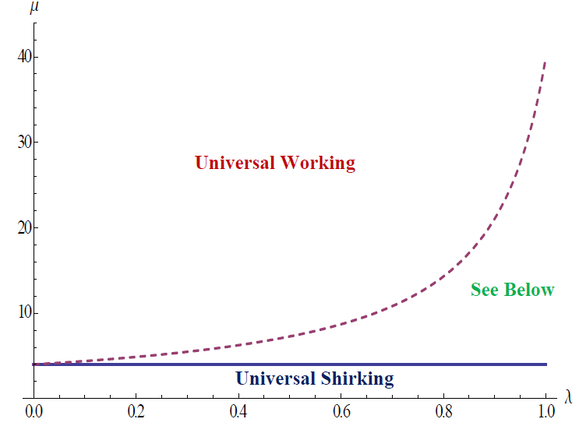
 | positive incentive with 0% participation at time 0
 | Mu
Lambda |  | 0 | 2 | 4 | 6 | 8 | 10 | 12 | 14 | 16 | 18 | 20 | 22 | 24 | 26 | 28 | 30 | 32 | 34 | 36 | 38 | 40
 | 0 | 0 | 0.003 | 0.766 | 1 | 1 | 1 | 1 | 1 | 1 | 1 | 1 | 1 | 1 | 1 | 1 | 1 | 1 | 1 | 1 | 1 | 1
 | 0.2 | 0 | 0.004 | 0.546 | 1 | 1 | 1 | 1 | 1 | 1 | 1 | 1 | 1 | 1 | 1 | 1 | 1 | 1 | 1 | 1 | 1 | 1
 | 0.4 | 0 | 0 | 0.392 | 0.724 | 1 | 1 | 1 | 1 | 1 | 1 | 1 | 1 | 1 | 1 | 1 | 1 | 1 | 1 | 1 | 1 | 1
 | 0.6 | 0 | 0.01 | 0.202 | 0.494 | 0.702 | 1 | 1 | 1 | 1 | 1 | 1 | 1 | 1 | 1 | 1 | 1 | 1 | 1 | 1 | 1 | 1
 | 0.8 | 0 | 0.002 | 0.146 | 0.316 | 0.46 | 0.542 | 0.638 | 0.826 | 0.888 | 0.976 | 1 | 1 | 1 | 1 | 1 | 1 | 1 | 1 | 1 | 1 | 1
 | 1 | 0 | 0.002 | 0.1 | 0.172 | 0.242 | 0.27 | 0.298 | 0.324 | 0.38 | 0.412 | 0.444 | 0.492 | 0.5 | 0.512 | 0.548 | 0.586 | 0.604 | 0.638 | 0.672 | 0.714 | 0.756

 | negative incentive with 0% participation at time 0
 | Mu
Lambda |  | 0 | 2 | 4 | 6 | 8 | 10 | 12 | 14 | 16 | 18 | 20 | 22 | 24 | 26 | 28 | 30 | 32 | 34 | 36 | 38 | 40
 | 0 | 0 | 0 | 0 | 1 | 1 | 1 | 1 | 1 | 1 | 1 | 1 | 1 | 1 | 1 | 1 | 1 | 1 | 1 | 1 | 1 | 1
 | 0.2 | 0 | 0 | 0 | 1 | 1 | 1 | 1 | 1 | 1 | 1 | 1 | 1 | 1 | 1 | 1 | 1 | 1 | 1 | 1 | 1 | 1
 | 0.4 | 0 | 0 | 0 | 0 | 1 | 1 | 1 | 1 | 1 | 1 | 1 | 1 | 1 | 1 | 1 | 1 | 1 | 1 | 1 | 1 | 1
 | 0.6 | 0 | 0 | 0 | 0 | 0 | 1 | 1 | 1 | 1 | 1 | 1 | 1 | 1 | 1 | 1 | 1 | 1 | 1 | 1 | 1 | 1
 | 0.8 | 0 | 0 | 0 | 0 | 0 | 0 | 0 | 0 | 1 | 1 | 1 | 1 | 1 | 1 | 1 | 1 | 1 | 1 | 1 | 1 | 1
 | 1 | 0 | 0 | 0 | 0 | 0 | 0 | 0 | 0 | 0 | 0 | 0 | 0 | 0 | 0 | 0 | 0 | 0 | 0 | 0 | 0 | 0

 | positive incentive with 50% participation at time 0
 | Mu
Lambda |  | 0 | 2 | 4 | 6 | 8 | 10 | 12 | 14 | 16 | 18 | 20 | 22 | 24 | 26 | 28 | 30 | 32 | 34 | 36 | 38 | 40
 | 0 | 0 | 0 | 0.736 | 1 | 1 | 1 | 1 | 1 | 1 | 1 | 1 | 1 | 1 | 1 | 1 | 1 | 1 | 1 | 1 | 1 | 1
 | 0.2 | 0 | 0.004 | 0.602 | 1 | 1 | 1 | 1 | 1 | 1 | 1 | 1 | 1 | 1 | 1 | 1 | 1 | 1 | 1 | 1 | 1 | 1
 | 0.4 | 0 | 0.004 | 0.372 | 0.768 | 1 | 1 | 1 | 1 | 1 | 1 | 1 | 1 | 1 | 1 | 1 | 1 | 1 | 1 | 1 | 1 | 1
 | 0.6 | 0 | 0.002 | 0.216 | 0.518 | 0.678 | 1 | 1 | 1 | 1 | 1 | 1 | 1 | 1 | 1 | 1 | 1 | 1 | 1 | 1 | 1 | 1
 | 0.8 | 0 | 0.002 | 0.126 | 0.32 | 0.458 | 0.534 | 0.624 | 0.864 | 0.882 | 0.974 | 1 | 1 | 1 | 1 | 1 | 1 | 1 | 1 | 1 | 1 | 1
 | 1 | 0 | 0.008 | 0.102 | 0.172 | 0.238 | 0.254 | 0.3 | 0.326 | 0.38 | 0.416 | 0.438 | 0.488 | 0.5 | 0.514 | 0.544 | 0.59 | 0.616 | 0.658 | 0.692 | 0.72 | 0.754

 | negative incentive with 50% participation at time 0
 | Mu
Lambda |  | 0 | 2 | 4 | 6 | 8 | 10 | 12 | 14 | 16 | 18 | 20 | 22 | 24 | 26 | 28 | 30 | 32 | 34 | 36 | 38 | 40
 | 0 | 0 | 0 | 0 | 1 | 1 | 1 | 1 | 1 | 1 | 1 | 1 | 1 | 1 | 1 | 1 | 1 | 1 | 1 | 1 | 1 | 1
 | 0.2 | 0 | 0 | 0 | 1 | 1 | 1 | 1 | 1 | 1 | 1 | 1 | 1 | 1 | 1 | 1 | 1 | 1 | 1 | 1 | 1 | 1
 | 0.4 | 0 | 0 | 0 | 0.44 | 1 | 1 | 1 | 1 | 1 | 1 | 1 | 1 | 1 | 1 | 1 | 1 | 1 | 1 | 1 | 1 | 1
 | 0.6 | 0 | 0 | 0 | 0.02 | 0.38 | 1 | 1 | 1 | 1 | 1 | 1 | 1 | 1 | 1 | 1 | 1 | 1 | 1 | 1 | 1 | 1
 | 0.8 | 0 | 0 | 0 | 0 | 0.02 | 0.04 | 0.4 | 1 | 1 | 1 | 1 | 1 | 1 | 1 | 1 | 1 | 1 | 1 | 1 | 1 | 1
 | 1 | 0 | 0 | 0 | 0 | 0.01 | 0 | 0.04 | 0.02 | 0.06 | 0.22 | 0.28 | 0.56 | 0.5 | 0.66 | 0.92 | 0.94 | 0.82 | 1 | 1 | 1 | 1

 | positive incentive with 90% participation at time 0
 | Mu
Lambda |  | 0 | 2 | 4 | 6 | 8 | 10 | 12 | 14 | 16 | 18 | 20 | 22 | 24 | 26 | 28 | 30 | 32 | 34 | 36 | 38 | 40
 | 0 | 0 | 0.018 | 0.746 | 1 | 1 | 1 | 1 | 1 | 1 | 1 | 1 | 1 | 1 | 1 | 1 | 1 | 1 | 1 | 1 | 1 | 1
 | 0.2 | 0 | 0.012 | 0.528 | 1 | 1 | 1 | 1 | 1 | 1 | 1 | 1 | 1 | 1 | 1 | 1 | 1 | 1 | 1 | 1 | 1 | 1
 | 0.4 | 0 | 0 | 0.378 | 0.738 | 1 | 1 | 1 | 1 | 1 | 1 | 1 | 1 | 1 | 1 | 1 | 1 | 1 | 1 | 1 | 1 | 1
 | 0.6 | 0 | 0.002 | 0.244 | 0.488 | 0.7 | 1 | 1 | 1 | 1 | 1 | 1 | 1 | 1 | 1 | 1 | 1 | 1 | 1 | 1 | 1 | 1
 | 0.8 | 0 | 0.012 | 0.136 | 0.306 | 0.448 | 0.55 | 0.67 | 0.9 | 0.994 | 1 | 1 | 1 | 1 | 1 | 1 | 1 | 1 | 1 | 1 | 1 | 1
 | 1 | 0 | 0.004 | 0.102 | 0.176 | 0.23 | 0.27 | 0.294 | 0.314 | 0.376 | 0.414 | 0.448 | 0.496 | 0.5 | 0.518 | 0.554 | 0.588 | 0.626 | 0.662 | 0.682 | 0.736 | 0.782

 | negative incentive with 90% participation at time 0
 | Mu
Lambda |  | 0 | 2 | 4 | 6 | 8 | 10 | 12 | 14 | 16 | 18 | 20 | 22 | 24 | 26 | 28 | 30 | 32 | 34 | 36 | 38 | 40
 | 0 | 0 | 0 | 0 | 1 | 1 | 1 | 1 | 1 | 1 | 1 | 1 | 1 | 1 | 1 | 1 | 1 | 1 | 1 | 1 | 1 | 1
 | 0.2 | 0 | 0 | 0 | 1 | 1 | 1 | 1 | 1 | 1 | 1 | 1 | 1 | 1 | 1 | 1 | 1 | 1 | 1 | 1 | 1 | 1
 | 0.4 | 0 | 0 | 0 | 1 | 1 | 1 | 1 | 1 | 1 | 1 | 1 | 1 | 1 | 1 | 1 | 1 | 1 | 1 | 1 | 1 | 1
 | 0.6 | 0 | 0 | 0 | 0.8 | 1 | 1 | 1 | 1 | 1 | 1 | 1 | 1 | 1 | 1 | 1 | 1 | 1 | 1 | 1 | 1 | 1
 | 0.8 | 0 | 0 | 0 | 0.34 | 0.86 | 0.9 | 1 | 1 | 1 | 1 | 1 | 1 | 1 | 1 | 1 | 1 | 1 | 1 | 1 | 1 | 1
 | 1 | 0 | 0 | 0 | 0.42 | 0.36 | 0.78 | 0.72 | 0.94 | 0.94 | 1 | 0.99 | 1 | 1 | 1 | 1 | 1 | 1 | 1 | 1 | 1 | 1

