riskflags
 |  | Existing Risk (i.e. pre-COVID risk) |  |  |  |  |  |  | Emerging Risk (i.e. current/future risk during COVID) |  |  |  |  |  | Total Compound Risk
Countryname | Country | EXISTING_RISK_COVID_RESPONSE_CAPACITY | EXISTING_RISK_FOOD_SECURITY | EXISTING_RISK_MACROECONOMIC_EXPOSURE_TO_COVID | EXISTING_RISK_FISCAL | EXISTING_RISK_SOCIOECONOMIC_VULNERABILITY | EXISTING_RISK_NATURAL_HAZARDS | EXISTING_RISK_FRAGILITY_INSTITUTIONS | EMERGING_RISK_COVID_RESPONSE_CAPACITY | EMERGING_RISK_FOOD_SECURITY | EMERGING_RISK_FISCAL | EMERGING_RISK_MACROECONOMIC_EXPOSURE_TO_COVID | EMERGING_RISK_NATURAL_HAZARDS | EMERGING_RISK_FRAGILITY_INSTITUTIONS | Total Existing Risk | Total Emerging Risk | Total Existing Risk (High + Med Risk) | Total Emerging Risk (High + Med Risk)
Angola | AGO | 8.96 | 9.8325358852 | 0.46904315197 |  | 6.4583333333 | 3.25 | 10 | 10 | 7 | 10 | 1.4988104679 | 3.5354546061 | 10 | 1 | 3 | 1.5 | 3.5
Burundi | BDI | 9.44 | 9.9282296651 | 1.9512195122 |  | 10 | 4.875 | 7 | 9.8415384615 | 1 | 10 | 7.8717948718 | 4.3759589087 | 10 | 1 | 2 | 2 | 3
Benin | BEN | 8.24 | 8.6124401914 | 7.5046904315 | 7 | 5.2083333333 | 1.5 | 0 | 7.1428571429 | 0 | 9.3900116504 | 2.4504361618 | 3.2686278434 | 4.6689999132 | 0 | 0 | 1 | 1
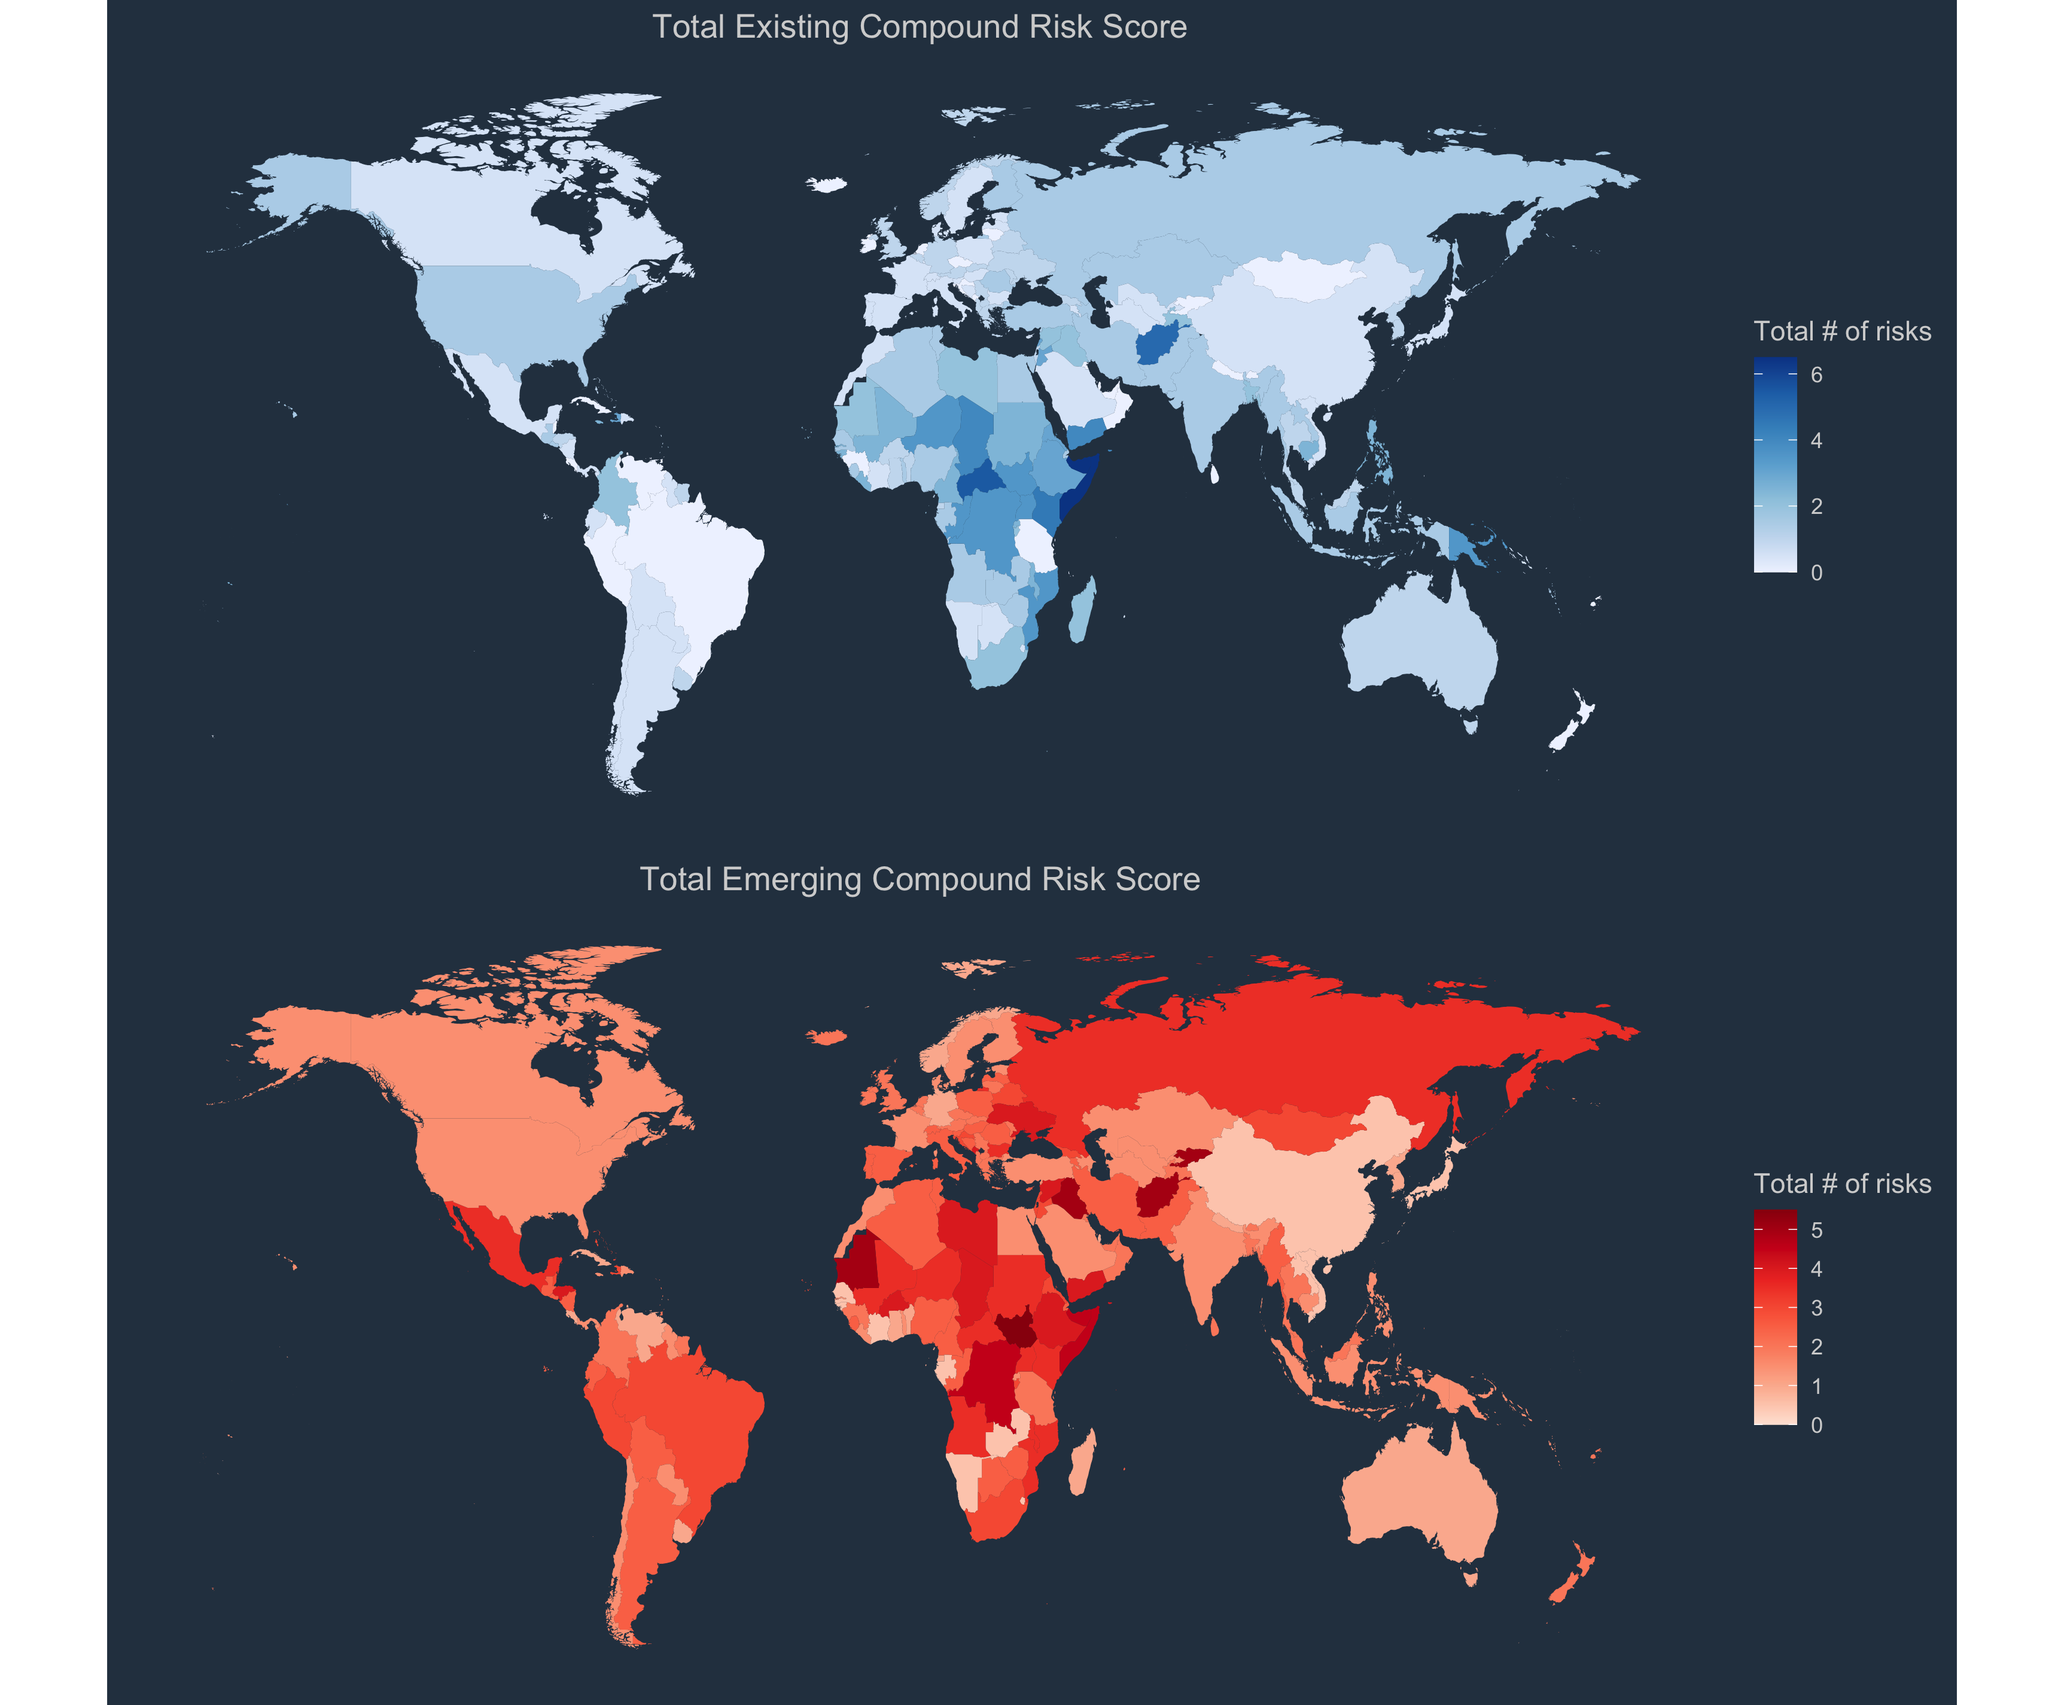
Burkina Faso | BFA | 7.98 | 8.7559808612 | 6.2288930582 | 7 | 5.2083333333 | 5.75 | 10 | 10 | 10 | 10 | 3.2564102564 | 6.5372556867 | 10 | 1 | 4 | 1 | 4
Botswana | BWA | 7.78 | 6.9377990431 | 2.7392120075 |  | 4.7916666667 | 0.875 | 0 | 10 | 0 | 9.3140794224 | 10 | 2.9484357281 | 1.6990074064 | 0 | 2 | 0.5 | 2.5
Central African Republic | CAF | 8.54 | 10 | 5.3283302064 | 10 | 10 | 6.375 | 10 | 7.1428571429 | 10 | 9.3838286611 | 1.0769230769 | 7.0709092122 | 10 | 4 | 2 | 5.5 | 3.5
Côte d'Ivoire | CIV | 6.9 | 7.2966507177 | 7.7298311445 | 7 | 8.125 | 5.125 | 7 | 5.1092307692 | 0 | 9.3740024113 | 3.8974358974 | 4.402641585 | 6.4993208239 | 0 | 0 | 0.5 | 0.5
Cameroon | CMR | 7.12 | 8.1339712919 | 4.5403377111 | 10 | 4.7916666667 | 7.625 | 10 | 4.7138461538 | 10 | 9.7223686295 | 4.7948717949 | 5.3632179308 | 10 | 2 | 2 | 2.5 | 2.5
Congo DR | COD | 8.7 | 10 | 0 | 7 | 8.9583333333 | 8 | 10 | 7.0815384615 | 10 | 10 | 7.0499603489 | 7.3110532986 | 10 | 2 | 3 | 3.5 | 4.5
Congo | COG | 9.28 | 10 | 0 | 10 | 4.375 | 2.5 | 10 | 10 | 0 | 10 | 4.9881046788 | 7.0042025215 | 6.1370581038 | 3 | 2 | 3.5 | 2.5
Comoros | COM | 8.56 | 8.2296650718 | 6.1538461538 | 7 | 6.0416666667 | 0.75 | 0 | 0.2628 | 0 | 3 | 2.4871794872 | 0 | 5.0120707804 | 0 | 0 | 0 | 0
Cabo Verde | CPV | 8.14 | 6.3636363636 | 10 | 10 | 3.5416666667 | 0.375 | 0 | 10 | 0 | 10 | 10 | 2.7349743179 | 2.5734339525 | 2 | 3 | 2 | 3
Eritrea | ERI | 9.52 | 10 |  |  | 7.2916666667 | 3 | 10 | 9.5238095238 | 0 | 10 | 3.560666138 | 8.8052831699 | 10 | 2 | 2 | 3 | 3
Ethiopia | ETH | 5.88 | 10 | 4.1463414634 | 10 | 3.5416666667 | 5.875 | 10 | 4.8551292091 | 10 | 10 | 5.9487179487 | 10 | 10 | 3 | 4 | 3 | 4
Gabon | GAB | 10 | 6.6028708134 | 0 |  | 6.0416666667 | 3 | 7 | 4.7619047619 | 0 | 9.6002399315 | 6.8913560666 | 2.1746381162 | 3.0012139023 | 1 | 0 | 1.5 | 0.5
Ghana | GHA | 6.9 | 7.1770334928 | 2.9268292683 | 10 | 6.875 | 2.375 | 0 | 5.2076923077 | 0 | 10 | 4.5122918319 | 2.8150223467 | 4.4680513697 | 1 | 1 | 1 | 1
Guinea | GIN | 7.46 | 8.8277511962 | 3.3020637899 | 7 | 5.2083333333 | 3.875 | 7 | 5.7984615385 | 1 | 10 | 2.1332275971 | 3.135214462 | 10 | 0 | 2 | 0 | 2
Gambia | GMB | 7.16 | 7.5119617225 | 10 | 10 | 8.9583333333 | 1.375 | 0 | 9.5238095238 | 0 | 10 | 3 | 4.2425455273 | 4.0777527526 | 2 | 1 | 2.5 | 1.5
Guinea-Bissau | GNB | 10 | 8.6602870813 | 10 |  | 7.2916666667 | 1.75 | 7 | 0.75 | 0 | 9.5114128304 | 6.574147502 | 2.548195584 | 5.7856336871 | 2 | 0 | 2.5 | 0.5
Equatorial Guinea | GNQ | 10 | 5.4066985646 | 0 |  | 8.125 | 1.875 | 7 | 0.2852 | 0 | 10 | 0.071371927042 | 1.8811286772 | 4.6025725975 | 1 | 1 | 1 | 1
Kenya | KEN | 4.58 | 10 | 5.4221388368 | 10 | 1.875 | 6.125 | 10 | 10 | 7.25106245 | 9.7475573551 | 4.4102564103 | 8.6852111267 | 10 | 3 | 2 | 4.5 | 3.5
Liberia | LBR | 6.98 | 9.7368421053 | 10 | 10 | 5.625 | 2.25 | 7 | 4.7619047619 | 1 | 10 | 0 | 5.0430258155 | 7.7126977394 | 2 | 1 | 2.5 | 1.5
Lesotho | LSO | 7.96 | 8.7559808612 | 8.1988742964 | 7 | 5.2083333333 | 0.875 | 0 | 10 | 10 | 8.6642599278 | 6.8913560666 | 10 | 8.3468241877 | 0 | 3 | 1 | 4
Madagascar | MDG | 5.98 | 10 | 8.0300187617 | 7 | 5.625 | 3.5 | 7 | 5.7984615385 | 7 | 8.1897793746 | 6.098334655 | 5.0296844774 | 6.3695925601 | 1 | 0 | 2 | 1
Mali | MLI | 8.2 | 8.2296650718 | 10 | 7 | 6.875 | 5.75 | 10 | 10 | 10 | 9.7472924188 | 3.2434575734 | 6.6039623774 | 10 | 2 | 3 | 2.5 | 3.5
Mozambique | MOZ | 8.38 | 10 | 8.8742964353 | 10 | 5.2083333333 | 6.875 | 10 | 4.1215384615 | 10 | 10 | 0 | 10 | 9.4623655914 | 3 | 3 | 3.5 | 3.5
Mauritania | MRT | 8.5 | 8.1339712919 | 0 | 10 | 6.875 | 3.875 | 7 | 9.5238095238 | 10 | 10 | 9.7462331483 | 10 | 10 | 1 | 4 | 2 | 5
Mauritius | MUS | 7.02 | 1.7942583732 | 5.7786116323 |  | 7.2916666667 | 1.375 | 0 | 10 | 0 | 8.5920577617 | 10 | 1.4008405043 | 2.701193096 | 0 | 2 | 0.5 | 2.5
Malawi | MWI | 8.4 | 10 | 7.6360225141 | 10 | 7.7083333333 | 2.375 | 0 | 6.6666666667 | 10 | 9.4945848375 | 3 | 10 | 10 | 2 | 3 | 2.5 | 3.5
Namibia | NAM | 6.88 | 9.2822966507 | 3.8649155722 |  | 1.875 | 1.75 | 0 | 3.767 | 0 | 7.0397111913 | 2.4504361618 | 6.2437462477 | 1.8709522045 | 0 | 0 | 0.5 | 0.5
Niger | NER | 7.56 | 10 | 0 | 7 | 6.4583333333 | 7.875 | 10 | 10 | 10 | 9.252824964 | 4.9881046788 | 9.5257154293 | 9.4148730031 | 2 | 2 | 3.5 | 3.5
Nigeria | NGA | 6.44 | 8.4928229665 | 6.904315197 |  | 4.7916666667 | 7.75 | 10 | 5.0092307692 | 10 | 8.9530685921 | 5.6923076923 | 6.7240344207 | 10 | 1 | 2 | 1.5 | 2.5
Rwanda | RWA | 7.16 | 9.0669856459 | 8.3114446529 | 7 | 6.875 | 1.875 | 10 | 9.5238095238 | 1 | 8.9533770003 | 8.3187946075 | 6.2304049096 | 3.5261468151 | 1 | 0 | 2.5 | 1.5
Sudan | SDN | 8.76 | 10 | 2.1013133208 |  | 8.125 | 6.875 | 10 | 4.8123076923 | 10 | 10 | 4.5384615385 | 9.9392969115 | 10 | 2 | 3 | 2.5 | 3.5
Senegal | SEN | 6.42 | 7.3923444976 | 10 | 7 | 3.125 | 3.125 | 0 | 4.7619047619 | 1 | 8.8626187509 | 2.9262490087 | 5.1097325062 | 4.2371332318 | 1 | 0 | 1.5 | 0.5
Sierra Leone | SLE | 6.36 | 9.6411483254 | 0 | 10 | 9.7916666667 | 3.5 | 7 | 10 | 1 | 10 | 8.3187946075 | 4.9763191248 | 5.9820178024 | 1 | 2 | 1.5 | 2.5
Somalia | SOM | 10 | 10 | 10 | 10 | 10 | 9.875 | 10 | 9.5238095238 | 10 | 10 | 5.4358974359 | 10 | 10 | 6 | 4 | 6.5 | 4.5
South Sudan | SSD | 9.66 | 10 | 0 | 10 | 8.125 | 6.75 | 10 | 10 | 10 | 10 | 8.4773988898 | 10 | 10 | 3 | 5 | 3.5 | 5.5
Sao Tome and Principe | STP | 10 | 8.2057416268 | 3.7523452158 | 10 | 9.7916666667 | 0 | 0 | 2.0858 | 0 | 5.4 | 10 | 0.053365352545 | 1.5093913746 | 2 | 1 | 2 | 1
Eswatini | SWZ | 7.78 | 7.9186602871 | 1.5009380863 |  | 7.2916666667 | 1 | 0 | 4.7619047619 | 0 | 8.6642599278 | 3.084853291 | 3.6822093256 | 3.7284042967 | 0 | 0 | 0.5 | 0.5
Seychelles | SYC | 7.62 | 2.2009569378 | 9.0806754221 |  | 7.7083333333 | 0.625 | 0 | 7.1428571429 | 0 | 10 | 10 | 0 | 10 | 0 | 3 | 0.5 | 3.5
Chad | TCD | 8.24 | 10 | 0 | 10 | 6.0416666667 | 5.875 | 10 | 10 | 10 | 9.5306859206 | 2.6153846154 | 9.0721099326 | 10 | 3 | 3 | 4 | 4
Togo | TGO | 7.5 | 8.6842105263 | 8.7804878049 | 10 | 5.625 | 1.75 | 7 | 9.5238095238 | 0 | 10 | 4.0256410256 | 2.9884597425 | 2.3689382499 | 1 | 1 | 1.5 | 1.5
Tanzania | TZA | 6.72 | 9.7129186603 | 6.2288930582 |  | 4.7916666667 | 3.5 | 0 | 10 | 1 | 10 | 4.0256410256 | 5.683410046 | 3.6264722167 | 0 | 2 | 0 | 2
Uganda | UGA | 5.14 | 10 | 7.9174484053 | 3 | 9.7916666667 | 5.625 | 10 | 9.5238095238 | 7 | 9.3862815884 | 1.6574147502 | 10 | 10 | 2 | 2 | 3.5 | 3.5
South Africa | ZAF | 3.04 | 5.4306220096 | 2.138836773 |  | 10 | 5.25 | 0 | 9.2 | 0 | 10 | 8.1601903251 | 10 | 5.2528915101 | 1 | 2 | 2 | 3
Zambia | ZMB | 8.26 | 8.7081339713 | 3.3208255159 | 10 | 4.7916666667 | 1.625 | 7 | 5.4046153846 | 3.33312045 | 9.1264755644 | 4.9230769231 | 4.402641585 | 5.6034090697 | 1 | 0 | 1.5 | 0.5
Zimbabwe | ZWE | 6.36 | 10 | 8.2551594747 |  | 4.375 | 3.5 | 0 | 4.7619047619 | 10 | 7.5 | 0 | 10 | 6.9865359839 | 1 | 2 | 1.5 | 2.5

