riskflags
TOTAL_EXISTING_COMPOUND_RISK_SCORE_INCMEDIUM | TOTAL_EMERGING_COMPOUND_RISK_SCORE_INCMEDIUM | RELIABILITY_SCORE_EXISTING_RISK | RELIABILITY_SCORE_EMERGING_RISK
7 | 5 | 0 | 0.2
1.5 | 1.5 | 0.1 | 0.3
1.5 | 2.5 | 0.1 | 0.4
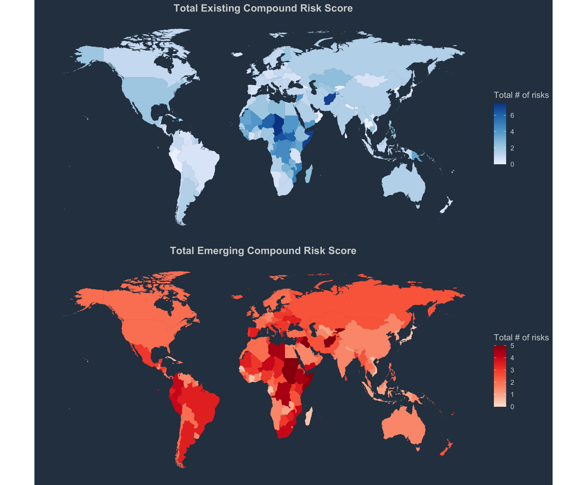
0.5 | 2.5 | 0.1 | 0.4
1.5 | 3.5 | 0.1 | 0.4
1 | 3 | 0.1 | 0.5
0 | 2 | 0.3 | 0.6
1.5 | 1.5 | 0.1 | 0.4
1.5 | 2.5 | 0.1 | 0.5
1 | 2 | 0.1 | 0.4
6 | 3 | 0 | 0.3
1.5 | 1.5 | 0.1 | 0.6
1 | 1 | 0 | 0.3
2 | 3 | 0 | 0.2
1 | 3 | 0 | 0.4
1 | 3 | 0.1 | 0.4
0 | 2 | 0.1 | 0.4
1.5 | 3.5 | 0.1 | 0.5
1 | 3 | 0.1 | 0.4
1 | 3 | 0.1 | 0.4
0.5 | 3.5 | 0.1 | 0.4
1 | 2 | 0.1 | 0.4
0.5 | 3.5 | 0.1 | 0.3
2 | 2 | 0.1 | 0.5
0.5 | 1.5 | 0.1 | 0.5
0 | 2 | 0 | 0.4
1 | 3 | 0.1 | 0.3
6.5 | 2.5 | 0 | 0.2
1 | 2 | 0.1 | 0.5
1 | 2 | 0.1 | 0.5
1 | 2 | 0.1 | 0.3
1.5 | 1.5 | 0.1 | 0.4
0.5 | 0.5 | 0 | 0.3
2 | 2 | 0 | 0.3
4.5 | 4.5 | 0 | 0.1
4 | 2 | 0 | 0.3
1 | 4 | 0.1 | 0.3
1 | 1 | 0 | 0.6
2 | 4 | 0 | 0.4
0.5 | 1.5 | 0.1 | 0.4
0.5 | 0.5 | 0.1 | 0.7
1 | 3 | 0.1 | 0.5
0.5 | 2.5 | 0.1 | 0.6
0.5 | 1.5 | 0.1 | 0.5
1.5 | 2.5 | 0 | 0.3
2 | 2 | 0 | 0.6
1 | 2 | 0.1 | 0.5
1 | 2 | 0.1 | 0.4
2 | 2 | 0.1 | 0.3
0.5 | 3.5 | 0.1 | 0.4
1.5 | 1.5 | 0.1 | 0.3
3.5 | 2.5 | 0.1 | 0.4
0.5 | 3.5 | 0.1 | 0.5
0.5 | 2.5 | 0.1 | 0.5
2.5 | 4.5 | 0 | 0.1
2 | 2 | 0.1 | 0.5
0.5 | 2.5 | 0.1 | 0.4
1 | 2 | 0.1 | 0.5
1 | 0 | 0.4 | 0.8
...

