riskflags
TOTAL_EMERGING_COMPOUND_RISK_SCORE | TOTAL_EXISTING_COMPOUND_RISK_SCORE_INCMEDIUM | TOTAL_EMERGING_COMPOUND_RISK_SCORE_INCMEDIUM | RELIABILITY_SCORE_EXISITNG_RISK | RELIABILITY_SCORE_EMERGING_RISK
2 | 6.5 | 3.5 | 0 | 0.083333333333
2 | 1 | 3 | 0.125 | 0.22619047619
0 | 0.5 | 0.5 | 0.125 | 0.27380952381
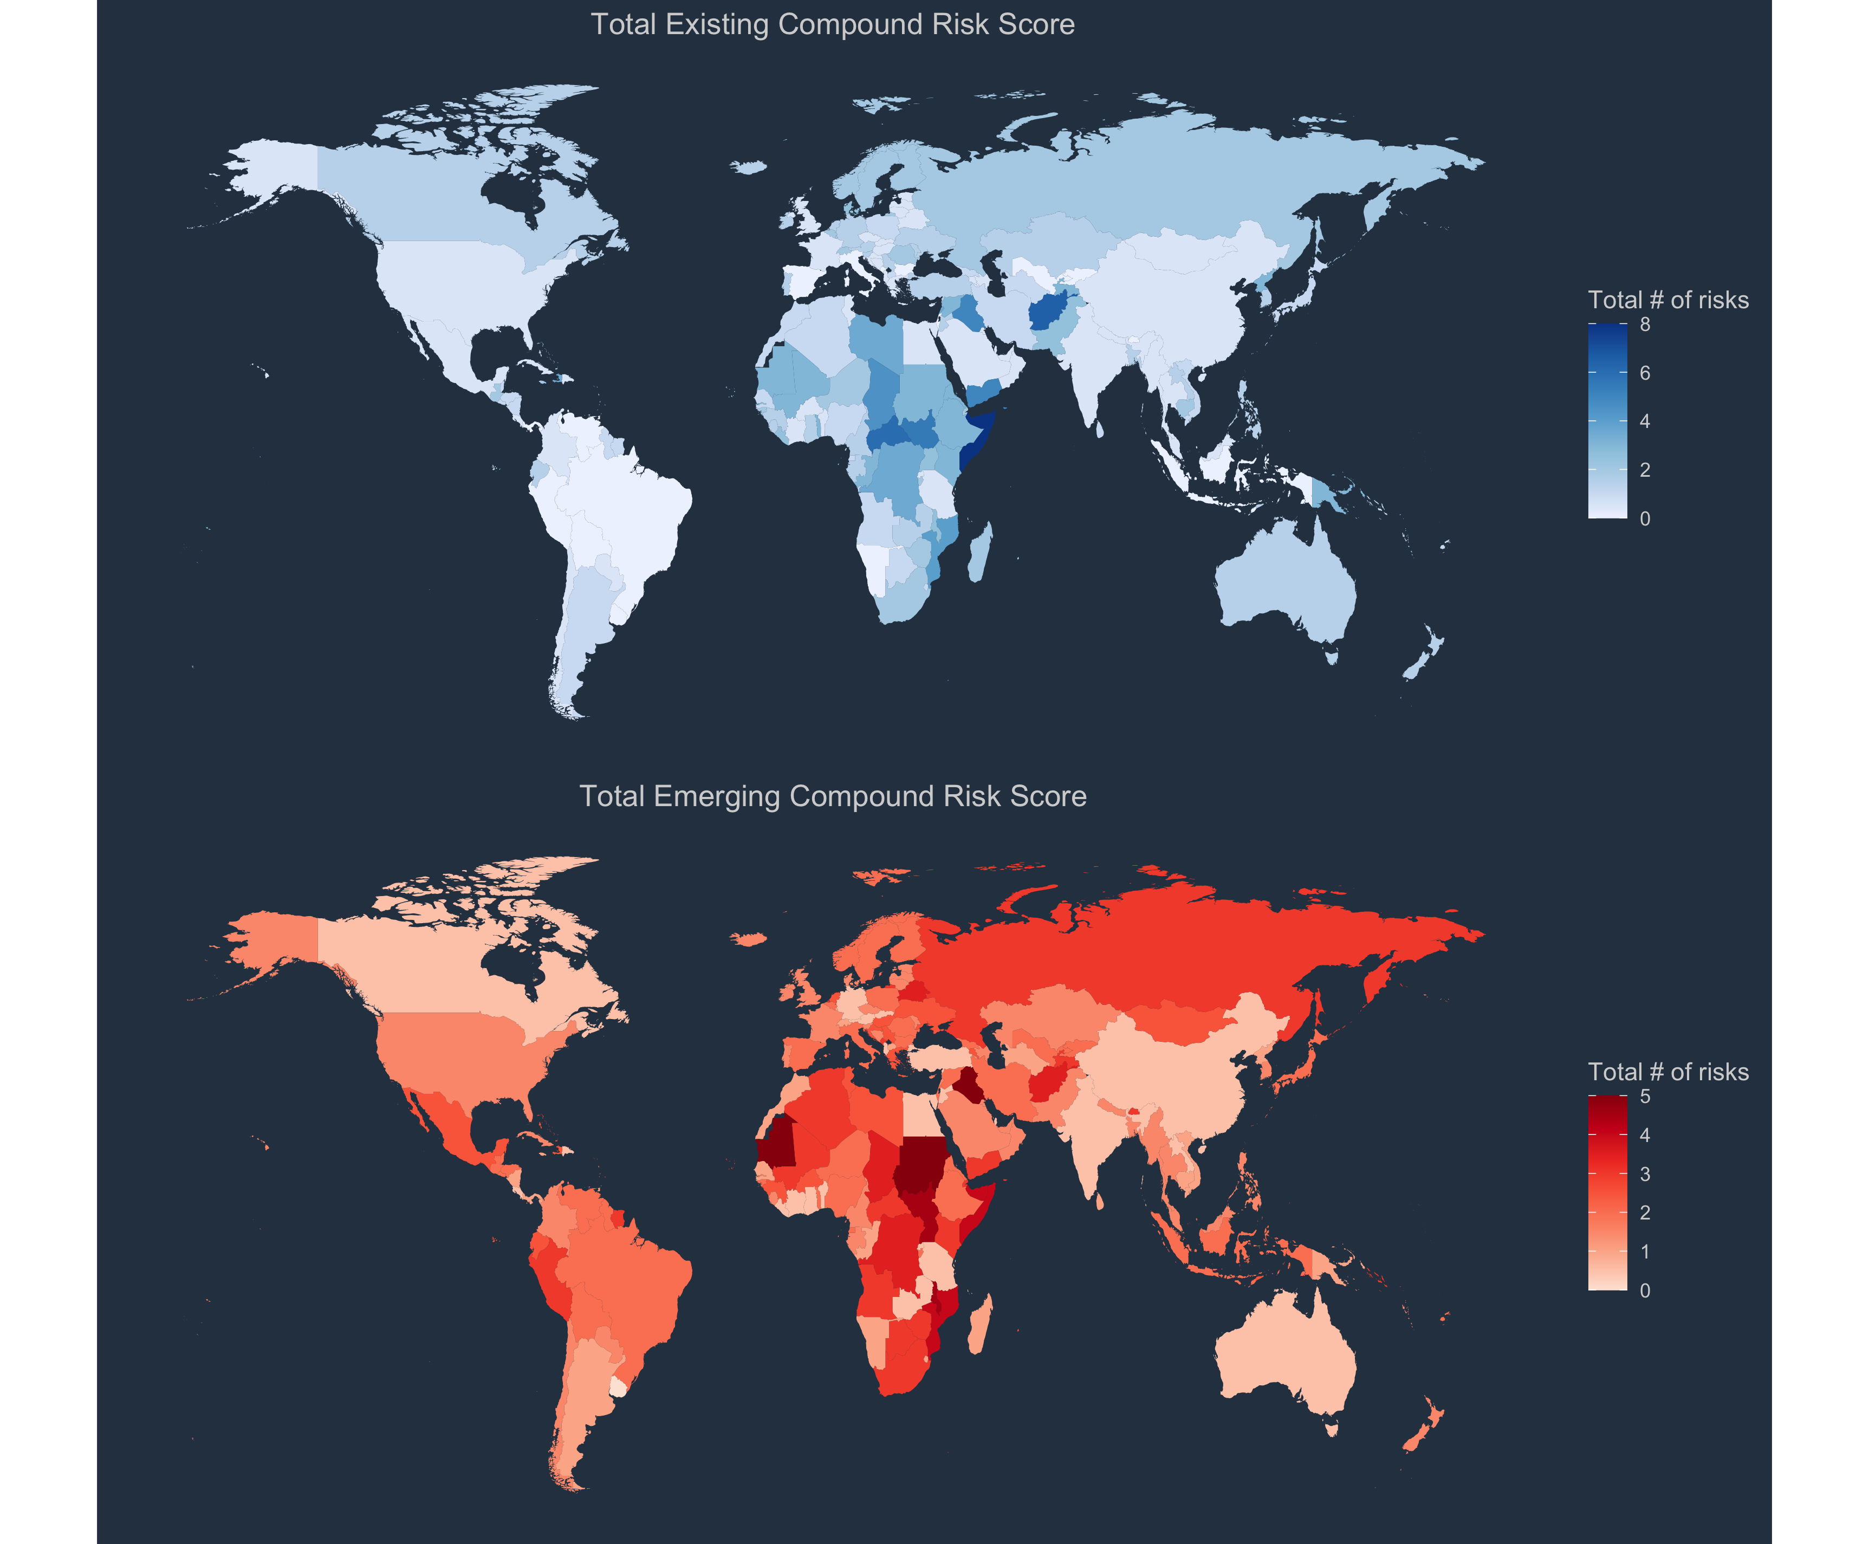
1 | 0.5 | 1.5 | 0.125 | 0.2380952381
0 | 1 | 1 | 0.125 | 0.33333333333
2 | 0.5 | 2.5 | 0.125 | 0.27380952381
2 | 1 | 3 | 0.375 | 0.34523809524
0 | 1.5 | 0.5 | 0.125 | 0.54761904762
0 | 1.5 | 0.5 | 0.125 | 0.59523809524
1 | 0.5 | 1.5 | 0.125 | 0.27380952381
1 | 2 | 2 | 0.125 | 0.22619047619
1 | 2 | 2 | 0.125 | 0.59523809524
0 | 0.5 | 0.5 | 0 | 0.27380952381
2 | 0.5 | 2.5 | 0 | 0.083333333333
0 | 1.5 | 1.5 | 0 | 0.14285714286
2 | 0 | 2 | 0.125 | 0.2380952381
1 | 0 | 1 | 0.125 | 0.27380952381
2 | 1.5 | 2.5 | 0.25 | 0.34523809524
1 | 0.5 | 1.5 | 0.125 | 0.27380952381
3 | 0.5 | 3.5 | 0.125 | 0.2380952381
1 | 1 | 2 | 0.25 | 0.27380952381
2 | 0 | 2 | 0.125 | 0.2380952381
2 | 0 | 2 | 0.125 | 0.095238095238
1 | 1.5 | 2.5 | 0.25 | 0.34523809524
1 | 0.5 | 1.5 | 0.25 | 0.4880952381
3 | 0 | 3 | 0.125 | 0.41666666667
2 | 1 | 3 | 0.125 | 0.27380952381
1 | 6 | 3 | 0 | 0.22619047619
0 | 1.5 | 0.5 | 0.125 | 0.59523809524
0 | 2 | 1 | 0.125 | 0.59523809524
1 | 0.5 | 1.5 | 0.125 | 0.2380952381
0 | 0.5 | 0.5 | 0.125 | 0.2380952381
0 | 0.5 | 0.5 | 0 | 0.27380952381
1 | 1.5 | 1.5 | 0 | 0.13095238095
2 | 3.5 | 3.5 | 0 | 0.13095238095
0 | 3 | 1 | 0 | 0.27380952381
1 | 0.5 | 1.5 | 0.125 | 0.14285714286
0 | 0.5 | 0.5 | 0.125 | 0.46428571429
3 | 2 | 3 | 0.25 | 0.46428571429
0 | 0.5 | 0.5 | 0.125 | 0.27380952381
1 | 0.5 | 1.5 | 0.125 | 0.52380952381
1 | 0.5 | 1.5 | 0.125 | 0.45238095238
1 | 0.5 | 1.5 | 0.125 | 0.59523809524
0 | 1.5 | 0.5 | 0.125 | 0.59523809524
2 | 2 | 3 | 0 | 0.22619047619
1 | 0.5 | 1.5 | 0.375 | 0.36904761905
0 | 2.5 | 1.5 | 0.125 | 0.59523809524
0 | 0.5 | 0.5 | 0.125 | 0.2380952381
2 | 1 | 3 | 0.125 | 0.2380952381
1 | 1.5 | 2.5 | 0.125 | 0.095238095238
0 | 0.5 | 0.5 | 0.125 | 0.14285714286
1 | 3 | 2 | 0.25 | 0.17857142857
2 | 0 | 2 | 0.125 | 0.59523809524
1 | 0.5 | 1.5 | 0.125 | 0.59523809524
2 | 3 | 2 | 0 | 0.083333333333
1 | 2 | 2 | 0.125 | 0.59523809524
1 | 1 | 2 | 0.25 | 0.41666666667
1 | 0.5 | 1.5 | 0.125 | 0.59523809524
0 | 2 | 1 | 0.5 | 0.86904761905
...

