riskflags
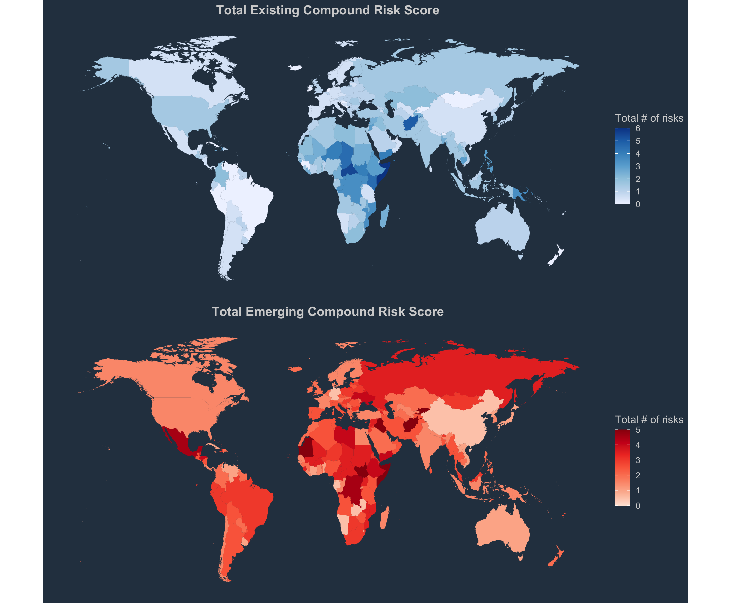
 |  |  | Existing Risk |  |  |  |  |  |  | Emerging risk |  |  |  |  |  | Total risk (Overall Compound Risk) |  |  |  | Reliability
Countryname | Country |  | EXISTING_RISK_COVID_RESPONSE_CAPACITY | EXISTING_RISK_FOOD_SECURITY | EXISTING_RISK_MACROECONOMIC_EXPOSURE_TO_COVID | EXISTING_RISK_FISCAL | EXISTING_RISK_SOCIOECONOMIC_VULNERABILITY | EXISTING_RISK_NATURAL_HAZARDS | EXISTING_RISK_FRAGILITY_INSTITUTIONS | EMERGING_RISK_COVID_RESPONSE_CAPACITY | EMERGING_RISK_FOOD_SECURITY | EMERGING_RISK_FISCAL | EMERGING_RISK_MACROECONOMIC_EXPOSURE_TO_COVID | EMERGING_RISK_NATURAL_HAZARDS | EMERGING_RISK_FRAGILITY_INSTITUTIONS | Existing Risk (only high risk) | Emerging Risk (only high risk) | Existing Risk (high + medium risk) | Emerging Risk (high + medium risk) | RELIABILITY_SCORE_EXISTING_RISK | RELIABILITY_SCORE_EMERGING_RISK
Afghanistan | AFG |  | 7.54 | 10 | 10 | 10 | 6.4583333333 | 9.75 | 10 | 7.8692307692 | 10 | 10 | 9.9048374306 | 10 | 10 | 4 | 4 | 5 | 5 | 0 | 0.1
Maldives | MDV |  | 7.24 | 2.9186602871 | 4.052532833 | 10 | 3.9583333333 | 1 | 0 | 10 | 0 | 10 | 10 | 0.026682676272 | 10 | 1 | 1 | 1 | 4 | 0 | 0.4
Bhutan | BTN |  | 5.94 | 6.985645933 | 2.1763602251 |  | 1.875 | 1.25 | 0 | 10 | 0 | 10 | 1.8461538462 | 2.3880995264 | 10 | 0 | 3 | 0 | 3 | 0.1 | 0.3
Sri Lanka | LKA |  | 7.22 | 5.6698564593 | 4.5403377111 |  | 2.2916666667 | 4.25 | 0 | 10 | 0 | 10 | 5.3053132435 | 2.5215129077 | 8.8888888889 | 1 | 1 | 0.5 | 2.5 | 0.1 | 0.2
Pakistan | PAK |  | 6.9 | 6.6267942584 | 6.2288930582 |  | 8.125 | 7.75 | 10 | 4.8615384615 | 0 | 8.6642599278 | 4.6666666667 | 10 | 10 | 0 | 2 | 1.5 | 2.5 | 0.1 | 0.2
Bangladesh | BGD |  | 7 | 8.038277512 | 0 | 3 | 7.2916666667 | 8 | 10 | 2.380952381 | 10 | 5 | 7.0499603489 | 7.737976119 | 8.5185185185 | 1 | 4 | 2.5 | 2.5 | 0 | 0.2
India | IND |  | 4.7 | 7.1770334928 | 0.71294559099 |  | 5.625 | 8 | 10 | 10 | 0 | 6.0649819495 | 8.3187946075 | 6.0836501901 | 0.73495374769 | 0 | 1 | 1.5 | 1.5 | 0.1 | 0.2
Nepal | NPL |  | 6.98 | 9.043062201 | 6.0037523452 | 3 | 7.2916666667 | 5.75 | 7 | 10 | 0 | 5.0340339683 | 4.8295003965 | 4.2025215129 | 8.8888888889 | 1 | 2 | 0.5 | 1.5 | 0 | 0.3

Legend | 10 = High Risk | 0 = Low Risk

