Image
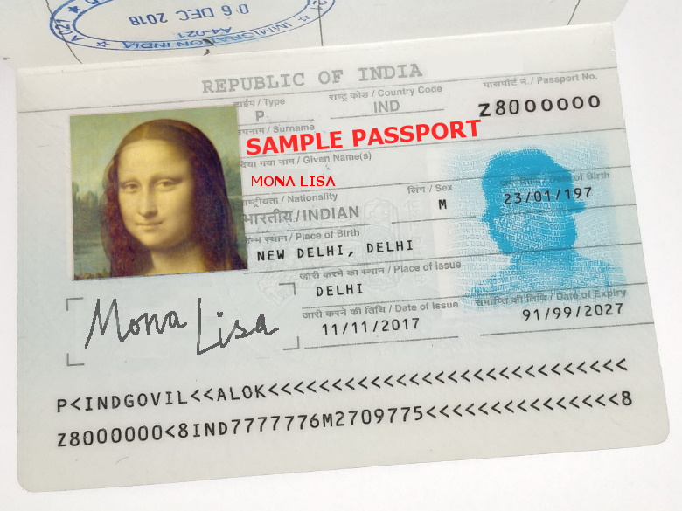

RGB
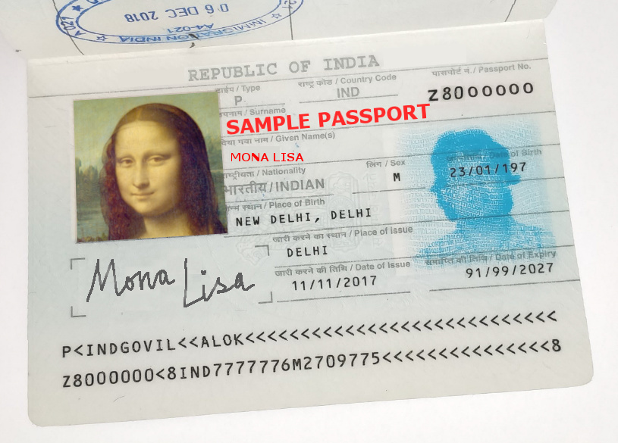
An image is a 2D array of pixels.
Each pixel typically has values for Red, Green and Blue primary color channels.
Each value is a byte (0-255).
255 means primary is full 'on'. Zero means full 'off'.
Full ON red is (255, 0, 0), (0,255,0) is green, blue is (0, 0, 255), and so on.
The color scale used can be customized. For "Grayscale", we mapped 255 to white and zero to black.

As a warm-up exercise, we multiply each image value by 0.7. This darkens the image.
Values of zero (black) remain black, while values of 255 (white) become darker (255 * 0.7).
In the formula for cell "A1", i.e., "Img!A1*0.7", "Img!" refers to the Img sheet where the original image is.

(217, 217, 218) | (218, 217, 218) | (217, 217, 218) | (217, 217, 218)

(218, 218, 217) | (218, 218, 217) | (217, 218, 218) | (215, 218, 218)

(217, 218, 218) | (218, 218, 216) | (217, 218, 219) | (217, 218, 218)

(217, 217, 218) | (218, 217, 218) | (217, 217, 218) | (217, 217, 218)

