ET AOIs Collection on Main Scre
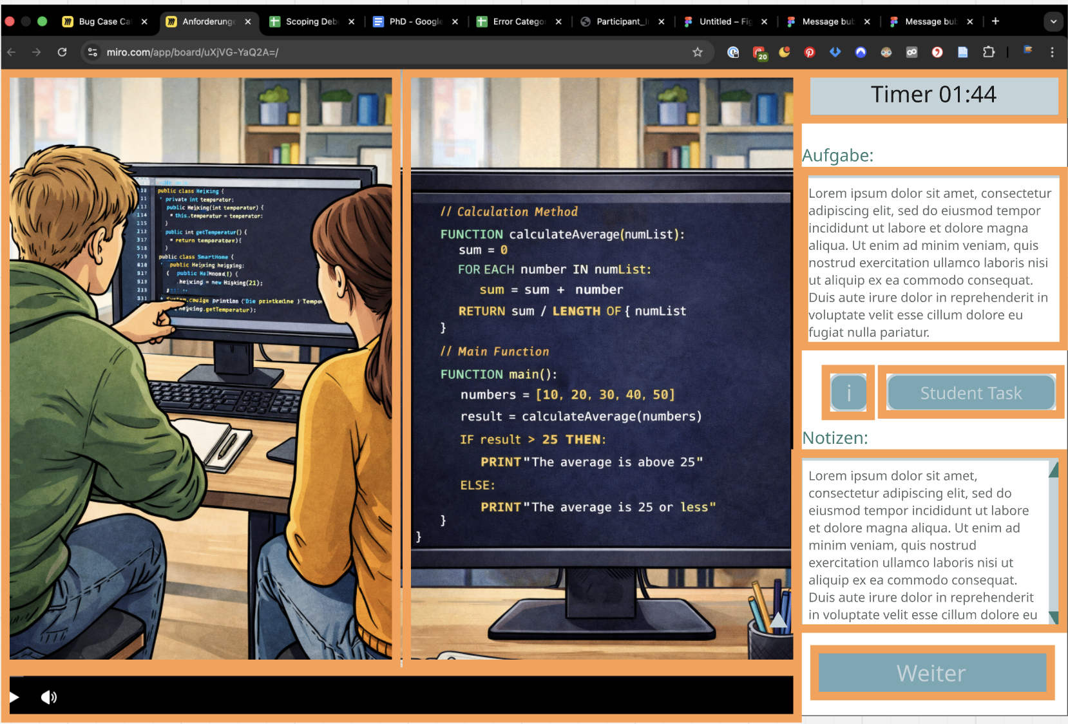
Gaze-Based Measures (only on Main Screen, always per participant with participant ID)
Module | Table / Section | Variable Name | Label (EN) | Data Type | Scale / Range | Answer Options / Values | Time Point | Source / Instrument | Notes
Advanced noticing all of these are not crucial for 2026, we can aggregate these ourselves, but is a nice to have. What is important for uns, is a raw data table. |  |  |  |  |  |  |  |  |  | AOIs
Gaze-Based Measures | gaze_notic | Fast Visual Information Processing
Gaze-Based Measures | gaze_notic | avg_fix_duration per aoi | Average fixation duration | integers |  |  | Main Screen | SHARP proposal
Gaze-Based Measures | gaze_notic | sac_latency | Saccade latency | integers |  |  | Main Screen | SHARP proposal
Gaze-Based Measures | gaze_notic | TTFF per aoi | Time to first fixation on AOIs (See graphic on the side) | integers |  |  | Main Screen | SHARP proposal
Gaze-Based Measures | gaze_notic | fix_dispersion | Fixation dispersion | integers |  |  | Main Screen | SHARP proposal
Gaze-Based Measures | gaze_notic | scan_length | Scanpath length | integers |  |  | Main Screen | SHARP proposal
Gaze-Based Measures | gaze_notic | Fixations on pedagogically relevant events
Gaze-Based Measures | gaze_notic | dwell_time_on_aoi (per aoi) | dwell time on AOIs (See graphic on the side) | integers |  |  | Main Screen | SHARP proposal
Gaze-Based Measures | gaze_notic | fix_count_on_aoi (per aoi) | fixation count on AOIs (See graphic on the side) | integers |  |  | Main Screen | SHARP proposal
Gaze-Based Measures | gaze_notic | Irrelevant information
Gaze-Based Measures | gaze_notic | gaze_point | All gaze points when on Main Screen (per 100ms) | TIMESTAMP + Coordinates + AOI hit (id) |  |  | Main Screen | SHARP proposal | raw data -> most important for us We ne one big table per paticipant with Log Data (Tab Log Data Collection on Main Screen) and these 100ms ET logs chronologically

