Sheet1
Thermo Scientific GeneRuler DNA Ladders (50 bp – 20,000 bp)

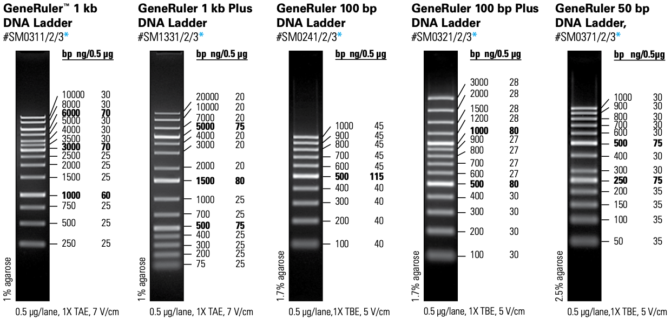

Recommended Protocol for Loading
Step 1: Combine the following components: *
DNA ladder (50µg/µL) | 100µL
6X DNA Loading Dye * | 100µL
Water | 400µL
Step 2: Mix gently
Step 3: Load 5 μl per 5 mm gel lane*
* Use 1-2μL of DNA ladder per 1mm width of the gel well.
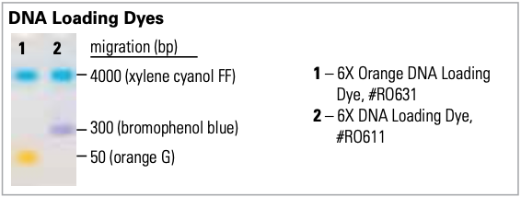
* 6X TriTrack DNA Loading Dye

blue: 4000bp

dark blue: 300bp
orange: 50bp

