Sheet1
Total cells/mL = | Total cells counted × | dilution factor × | 10,000 cells/mL
 |  | # of squares
OR

Total cells/μL = | Total cells counted |  |  | Total cells counted
 | Counted surface mm^2 × | Chamber depth mm | × Dilution | 4 × 1mm × 1mm | × 0.1mm | × Dilution
 |  |  |  | 0.1mm^3 = 0.1μL or 0.0001mL
Neubauer improved cell counting chamber
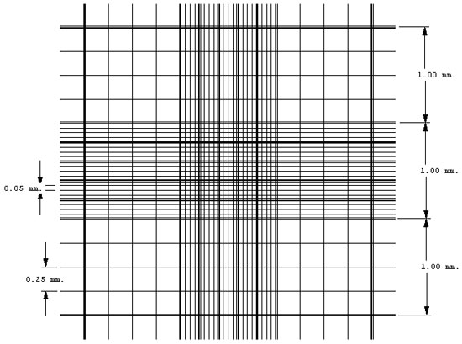
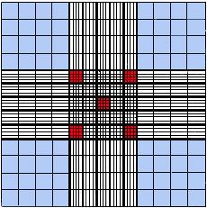
 |  |  | 10 μL for counting chamber
 |  |  | 10× objective for counting cells in the four large squares (blue) placed at the corners
 |  |  | 40× objective for counting smaller cells in the five small squares (red) placed at the corners

Counting the cells
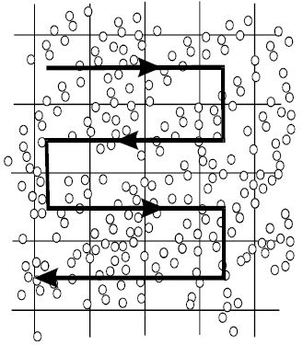
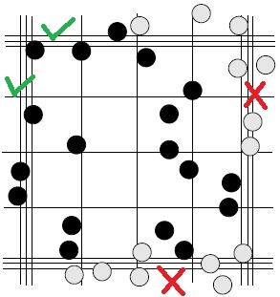

Trypan Blue 0.4%

Trypan Blue | 0.04g
PBS (1×) | 10mL

Dissolve 0.04g of Trypan Blue in 10 mL of 1× PBS and bring to a slow boil. Cool & store at room temperature.

