Week 3 - Data Analysis Process
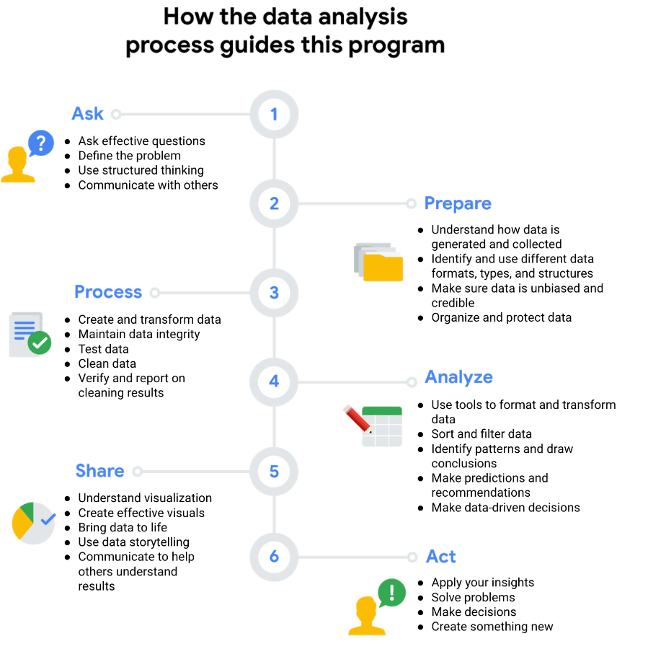
https://d3c33hcgiwev3.cloudfront.net/imageAssetProxy.v1/1SGUPX1MSv6hlD19TDr-og_c73fbb7c8c87419cb4a705b4eff51dee_Screen-Shot-2021-03-17-at-5.38.27-PM.png?expiry=1681862400000&hmac=RCMCc25xChfdwszvKPfJ1oBPlvqozhdv154IKH5F3Wk

Week 4 - SQL
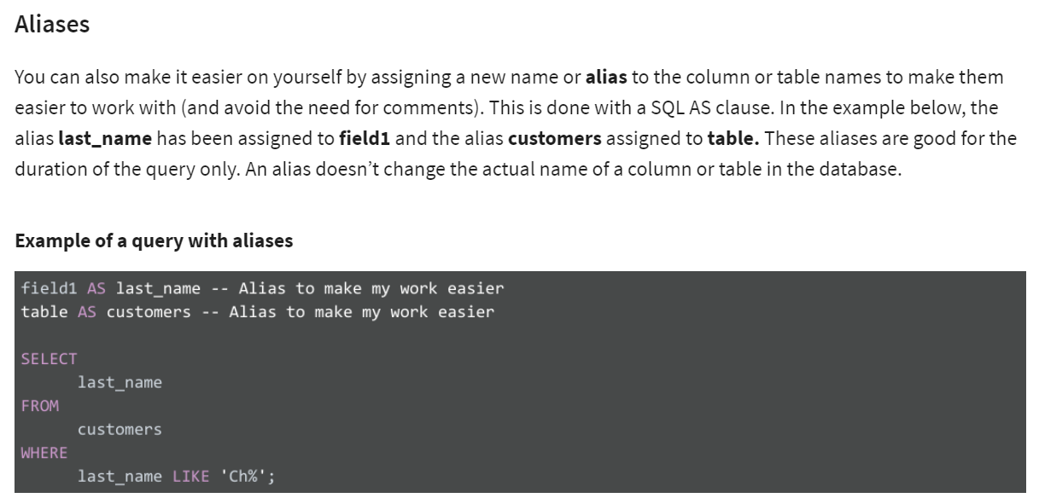
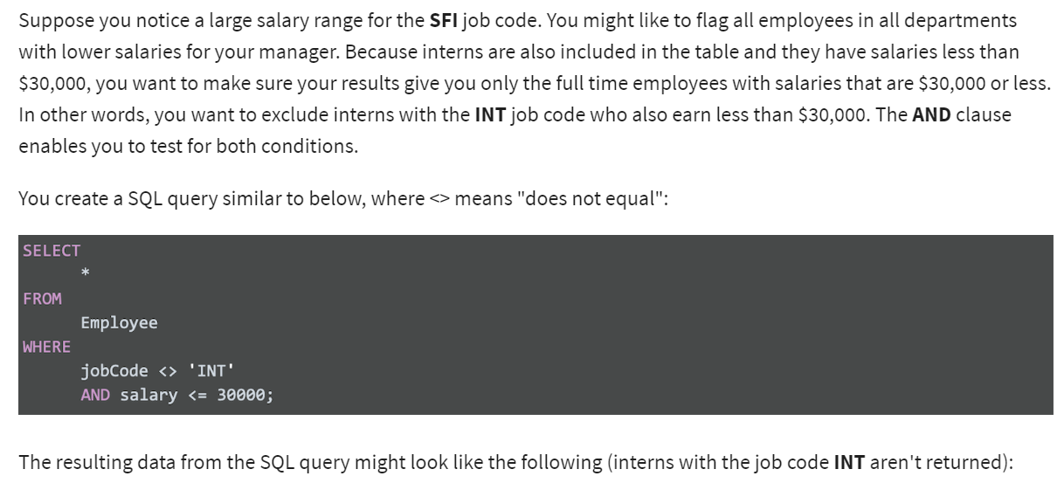
The above query uses three commands to locate customers with the first name Tony.
1. SELECT the columns named customer_id, first_name, and last_name
2. FROM a table named customer_name (in a dataset named customer_data) (The dataset name is always followed by a dot, and then the table name.)
3. But only return the data WHERE the first_name is Tony

Week 5 - Job Specializations
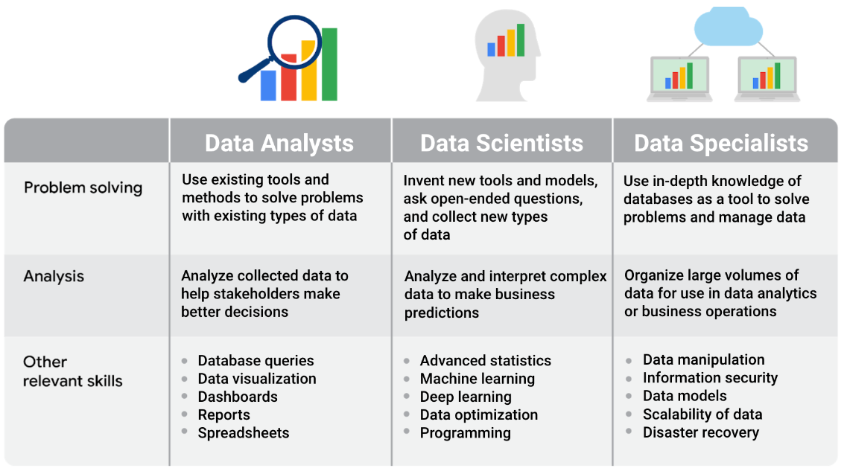

Job specializations by industry
We learned that the data specialist role concentrates on in-depth knowledge of databases. In similar fashion, other specialist roles for data analysts can focus on in-depth knowledge of specific industries. For example, in a job as a business analyst you might wear some different hats than in a more general position as a data analyst. As a business analyst, you would likely collaborate with managers, share your data findings, and maybe explain how a small change in the company’s project management system could save the company 3% each quarter. Although you would still be working with data all the time, you would focus on using the data to improve business operations, efficiencies, or the bottom line.
Other industry-specific specialist positions that you might come across in your data analyst job search include:
Marketing analyst — analyzes market conditions to assess the potential sales of products and services
HR/payroll analyst — analyzes payroll data for inefficiencies and errors
Financial analyst — analyzes financial status by collecting, monitoring, and reviewing data
Risk analyst — analyzes financial documents, economic conditions, and client data to help companies determine the level of risk involved in making a particular business decision
Healthcare analyst — analyzes medical data to improve the business aspect of hospitals and medical facilities

