Data
OTHER TEMPLATES
For unique Excel templates, click →
Contact: info@someka.net
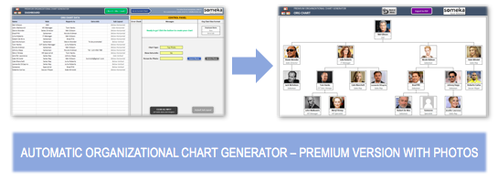
 | SOMEKA INFO LISTS |  |  |  |  |  | ↓ CLICK TO SEE EXCEL ORG CHART MAKER ↓
 | FORBES GLOBAL 2000 LIST - 2020 VERSION

DISCLAIMER: |  | This list is officially published by Forbes Magazine at: https://www.forbes.com/global2000/list. Forbes Media LLC. has full rights to sell or distribute the Full List. Someka is not associated with Forbes Media LLC.

 |  | Company Info | KEY FINANCIALS
Rank | Company Name | Country | Sales ($millions) | Profits ($millions) | Assets ($millions) | Market Value As of 5/13/20 ($m)
1 | ICBC | China | $177,200 | $45,300 | $4,322,500 | $242,300
2 | China Construction Bank | China | $162,100 | $38,900 | $3,822,000 | $203,800
3 | JPMorgan Chase | United States | $142,900 | $30,000 | $3,139,400 | $291,700
4 | Berkshire Hathaway | United States | $254,600 | $81,400 | $817,700 | $455,400
5 | Agricultural Bank of China | China | $148,700 | $30,900 | $3,697,500 | $147,200
5 | Saudi Arabian Oil Company (Saudi Aramco) | Saudi Arabia | $329,800 | $88,200 | $398,300 | $1,684,800
7 | Ping An Insurance Group | China | $155,000 | $18,800 | $1,218,600 | $187,200
8 | Bank of America | United States | $112,100 | $24,100 | $2,620,000 | $208,600
9 | Apple | United States | $267,700 | $57,200 | $320,400 | $1,285,500
10 | Bank of China | China | $135,400 | $27,200 | $3,387,000 | $112,800
11 | AT&T | United States | $179,200 | $14,400 | $545,400 | $218,600
11 | Toyota Motor | Japan | $280,500 | $22,700 | $495,100 | $173,300
13 | Alphabet | United States | $166,300 | $34,500 | $273,400 | $919,300
13 | ExxonMobil | United States | $256,000 | $14,300 | $362,600 | $196,600
13 | Microsoft | United States | $138,600 | $46,300 | $285,400 | $1,359,000
16 | Samsung Electronics | South Korea | $197,600 | $18,400 | $304,900 | $278,700
17 | Wells Fargo | United States | $98,900 | $14,300 | $1,981,300 | $118,800
18 | Citigroup | United States | $104,400 | $17,100 | $2,219,800 | $101,100
19 | Walmart | United States | $524,000 | $14,900 | $236,500 | $344,400
20 | Verizon Communications | United States | $131,400 | $18,400 | $294,500 | $237,700
21 | Royal Dutch Shell | Netherlands | $311,600 | $9,900 | $394,000 | $126,500
22 | Amazon | United States | $296,300 | $10,600 | $221,200 | $1,233,400
23 | Volkswagen Group | Germany | $275,200 | $12,000 | $538,900 | $70,400
24 | UnitedHealth Group | United States | $246,300 | $13,800 | $189,100 | $277,100
25 | Allianz | Germany | $122,400 | $8,900 | $1,183,500 | $77,100
26 | China Merchants Bank | China | $58,400 | $13,700 | $1,094,900 | $120,900
27 | Comcast | United States | $108,700 | $11,700 | $262,400 | $171,700
28 | China Mobile | Hong Kong | $108,100 | $15,500 | $233,900 | $164,900
29 | Total | France | $176,200 | $11,300 | $273,300 | $93,100
30 | Postal Savings Bank Of China (PSBC) | China | $64,400 | $9,000 | $1,522,400 | $92,000
31 | Alibaba | China | $70,600 | $24,700 | $189,400 | $545,400
32 | Gazprom | Russia | $122,600 | $22,700 | $331,700 | $60,800
32 | PetroChina | China | $364,100 | $6,600 | $392,300 | $65,900
34 | Johnson & Johnson | United States | $82,800 | $17,200 | $155,000 | $395,300
35 | RBC | Canada | $50,900 | $10,000 | $1,116,300 | $87,700
36 | Walt Disney | United States | $74,800 | $10,400 | $200,900 | $195,300
37 | China Life Insurance | China | $103,700 | $8,500 | $536,200 | $60,300
38 | Intel | United States | $75,700 | $22,700 | $147,700 | $254,000
39 | Facebook | United States | $73,400 | $21,000 | $138,400 | $583,700
40 | CVS Health | United States | $256,800 | $6,600 | $224,300 | $80,400
41 | Nestlé | Switzerland | $93,100 | $12,700 | $132,100 | $304,100
42 | BNP Paribas | France | $128,000 | $8,700 | $2,429,900 | $39,200
43 | Nippon Telegraph & Tel | Japan | $109,600 | $7,900 | $211,100 | $83,000
44 | HSBC Holdings | United Kingdom | $67,200 | $3,800 | $2,917,800 | $105,300
45 | Bank of Communications | China | $66,600 | $11,200 | $1,422,100 | $47,100
46 | TD Bank Group | Canada | $44,800 | $9,300 | $1,102,000 | $75,800
47 | Goldman Sachs Group | United States | $53,900 | $7,400 | $1,090,000 | $63,400
48 | Morgan Stanley | United States | $53,000 | $8,300 | $896,800 | $62,100
49 | Pfizer | United States | $50,700 | $15,800 | $167,500 | $212,800
50 | Tencent Holdings | China | $54,600 | $13,500 | $137,000 | $509,700
51 | IBM | United States | $76,500 | $9,000 | $153,400 | $111,500
52 | Mitsubishi UFJ Financial | Japan | $60,100 | $5,400 | $2,893,000 | $51,800
53 | General Electric | United States | $99,900 | $6,300 | $262,000 | $59,500
53 | Rosneft | Russia | $126,900 | $10,900 | $208,500 | $48,100
55 | Santander | Spain | $89,200 | $7,300 | $1,709,200 | $37,100
56 | Anheuser-Busch InBev | Belgium | $52,300 | $9,100 | $238,300 | $89,900
57 | Industrial Bank | China | $50,200 | $9,200 | $1,045,000 | $49,000
58 | Reliance Industries | India | $84,800 | $6,200 | $147,200 | $123,800
58 | Sony | Japan | $79,200 | $6,000 | $208,300 | $78,700
60 | Sinopec | China | $369,200 | $3,300 | $254,800 | $76,600
61 | Chevron | United States | $140,100 | $2,900 | $237,400 | $171,800
62 | Siemens | Germany | $97,400 | $5,900 | $171,000 | $75,400
63 | Cigna | United States | $154,500 | $4,900 | $157,000 | $72,800
64 | AXA Group | France | $150,000 | $4,000 | $850,800 | $42,300
65 | Shanghai Pudong Development | China | $50,000 | $8,600 | $1,029,300 | $44,200
66 | AIA Group | Hong Kong | $40,900 | $6,600 | $280,300 | $111,800
66 | Softbank | Japan | $87,400 | $2,900 | $362,600 | $89,700
68 | Novartis | Switzerland | $48,600 | $12,200 | $123,100 | $193,000
69 | Deutsche Telekom | Germany | $90,100 | $4,300 | $207,100 | $69,200
70 | Petrobras | Brazil | $78,900 | $10,200 | $230,200 | $43,500
71 | Procter & Gamble | United States | $70,300 | $5,000 | $118,600 | $291,800
72 | Japan Post Holdings | Japan | $112,300 | $4,700 | $2,680,200 | $32,700
73 | LVMH Moet Hennessy Louis Vuitton | France | $60,100 | $8,000 | $108,300 | $194,300
74 | Roche Holding | Switzerland | $61,900 | $13,600 | $85,800 | $297,400
75 | BMW Group | Germany | $116,600 | $5,500 | $271,300 | $38,900
76 | Zurich Insurance Group | Switzerland | $71,800 | $4,100 | $381,900 | $47,400
77 | CITIC | Hong Kong | $72,300 | $6,900 | $1,063,900 | $30,300
78 | Itaú Unibanco Holding | Brazil | $52,000 | $6,900 | $408,800 | $41,000
79 | China State Construction Engineering | China | $203,000 | $6,100 | $292,300 | $30,700
80 | MetLife | United States | $69,000 | $5,900 | $746,300 | $32,800
80 | Sumitomo Mitsui Financial | Japan | $48,400 | $6,400 | $1,954,800 | $36,400
82 | Cisco Systems | United States | $51,600 | $11,100 | $90,400 | $179,700
83 | Honda Motor | Japan | $142,400 | $4,300 | $188,500 | $42,600
84 | Commonwealth Bank | Australia | $27,300 | $7,000 | $688,800 | $72,600
85 | Bank of Nova Scotia | Canada | $34,800 | $6,400 | $872,600 | $48,700
86 | Raytheon Technologies | United States | $77,100 | $5,500 | $139,700 | $56,100
87 | PepsiCo | United States | $68,200 | $7,200 | $85,100 | $183,600
88 | American Express | United States | $46,800 | $5,500 | $186,100 | $73,500
89 | General Motors | United States | $137,200 | $6,700 | $228,000 | $31,900
90 | China Minsheng Bank | China | $48,500 | $7,800 | $959,200 | $32,800
91 | British American Tobacco | United Kingdom | $33,000 | $7,300 | $186,800 | $88,800
92 | Merck & Co. | United States | $47,900 | $10,100 | $84,400 | $200,300
93 | BHP Group | Australia | $45,800 | $9,400 | $102,300 | $107,100
94 | Oracle | United States | $39,800 | $10,800 | $96,700 | $167,000
95 | Brookfield Asset Management | Canada | $69,100 | $2,800 | $324,000 | $51,300
96 | Coca-Cola | United States | $37,200 | $10,000 | $94,000 | $197,100
97 | Enel | Italy | $86,600 | $2,400 | $192,400 | $69,400
97 | GlaxoSmithKline | United Kingdom | $44,700 | $6,800 | $104,600 | $104,400
99 | LukOil | Russia | $116,300 | $9,900 | $95,700 | $41,200
100 | China Vanke | China | $53,500 | $5,600 | $245,300 | $37,600
101 | Banco Bradesco | Brazil | $62,000 | $5,700 | $337,900 | $31,300
102 | Bayer | Germany | $49,900 | $4,800 | $137,700 | $64,700
103 | US Bancorp | United States | $25,900 | $6,400 | $542,900 | $55,500
104 | Mitsubishi | Japan | $140,800 | $4,800 | $167,000 | $32,400
105 | Anthem | United States | $109,300 | $4,800 | $82,400 | $70,800
106 | Home Depot | United States | $110,200 | $11,200 | $51,200 | $236,100
107 | BASF | Germany | $66,500 | $8,800 | $101,300 | $47,000
108 | Taiwan Semiconductor | Taiwan | $37,800 | $13,000 | $77,500 | $265,500
109 | UBS | Switzerland | $34,200 | $4,800 | $1,098,100 | $38,400
110 | Unilever | Netherlands | $58,200 | $6,300 | $72,700 | $130,600
111 | Country Garden Holdings | China | $70,100 | $5,700 | $273,800 | $27,800
112 | EDF | France | $79,800 | $5,100 | $340,400 | $24,700
113 | China Citic Bank | China | $49,300 | $7,100 | $991,400 | $23,900
114 | Rio Tinto | United Kingdom | $43,200 | $8,000 | $87,800 | $75,500
115 | Lloyds Banking Group | United Kingdom | $64,300 | $3,100 | $1,104,700 | $28,600
116 | Prudential Financial | United States | $64,900 | $4,100 | $896,600 | $24,700
117 | Sanofi | France | $40,400 | $3,300 | $126,500 | $122,500
118 | Credit Agricole | France | $74,300 | $4,800 | $1,984,200 | $21,900
119 | AbbVie | United States | $33,300 | $7,800 | $89,100 | $121,400
120 | Iberdrola | Spain | $39,700 | $4,100 | $136,600 | $62,500
121 | Hon Hai Precision | Taiwan | $172,800 | $3,700 | $110,800 | $35,900
122 | KDDI | Japan | $47,800 | $5,900 | $86,500 | $66,900
123 | Enbridge | Canada | $37,500 | $4,300 | $125,900 | $62,200
123 | Manulife | Canada | $58,300 | $4,200 | $592,000 | $24,500
125 | Intesa Sanpaolo | Italy | $41,300 | $4,700 | $916,100 | $27,300
126 | CNOOC | Hong Kong | $33,600 | $8,800 | $108,800 | $50,600
127 | Dell Technologies | United States | $91,900 | $4,600 | $118,900 | $31,600
127 | Westpac Banking Group | Australia | $26,000 | $4,800 | $611,900 | $38,400
129 | Medtronic | Ireland | $31,100 | $5,300 | $92,800 | $130,800
130 | China Pacific Insurance | China | $55,800 | $4,000 | $215,700 | $30,000
131 | SAIC Motor | China | $121,100 | $3,700 | $121,900 | $31,300
132 | Bank of Montreal | Canada | $29,100 | $4,400 | $665,200 | $32,600
132 | Caterpillar | United States | $51,000 | $5,300 | $75,900 | $63,000
134 | Chubb | Switzerland | $34,000 | $3,700 | $173,100 | $48,800
135 | Itochu | Japan | $103,100 | $4,900 | $104,600 | $29,600
136 | Walgreens Boots Alliance | United States | $138,700 | $3,500 | $90,000 | $38,000
137 | VINCI | France | $54,600 | $3,600 | $102,300 | $45,500
138 | Bristol-Myers Squibb | United States | $26,100 | $3,400 | $129,900 | $137,600
139 | PNC Financial Services | United States | $21,500 | $5,000 | $445,500 | $45,200
140 | Generali Group | Italy | $91,900 | $3,000 | $578,600 | $22,500
141 | Visa | United States | $23,500 | $11,900 | $74,800 | $383,900
142 | Costco Wholesale | United States | $158,400 | $3,800 | $48,800 | $133,800
143 | United Parcel Service | United States | $74,800 | $4,300 | $57,900 | $81,300
144 | Duke Energy | United States | $25,100 | $3,700 | $163,600 | $62,100
145 | Lockheed Martin | United States | $61,100 | $6,200 | $49,200 | $109,100
146 | HDFC Bank | India | $20,700 | $3,800 | $209,000 | $73,100
147 | Allstate | United States | $44,300 | $4,800 | $121,100 | $32,200
148 | China Everbright Bank | China | $35,600 | $5,500 | $737,600 | $22,300
149 | Charter Communications | United States | $45,800 | $1,700 | $150,600 | $104,000
150 | SAP | Germany | $31,100 | $4,700 | $69,100 | $142,400
151 | Tokio Marine Holdings | Japan | $48,500 | $2,600 | $224,500 | $33,000
152 | CK Hutchison | Hong Kong | $38,200 | $5,100 | $155,400 | $28,600
153 | Honeywell International | United States | $36,700 | $6,100 | $58,700 | $100,400
154 | China Evergrande Group | China | $69,400 | $2,500 | $316,800 | $23,500
155 | American International Group | United States | $50,100 | $3,300 | $525,100 | $21,900
156 | Orange | France | $47,300 | $3,400 | $123,000 | $32,300
157 | América Móvil | Mexico | $52,300 | $3,500 | $81,100 | $40,500
158 | Abbott Laboratories | United States | $32,100 | $3,500 | $66,800 | $162,900
159 | Bank of New York Mellon | United States | $20,800 | $4,500 | $468,200 | $33,200
160 | Credit Suisse Group | Switzerland | $32,800 | $4,000 | $860,100 | $22,000
161 | Capital One Financial | United States | $31,100 | $2,800 | $396,900 | $29,500
162 | Amgen | United States | $23,900 | $7,700 | $61,700 | $140,600
163 | Truist Financial | United States | $17,200 | $3,500 | $506,200 | $50,300
164 | ANZ | Australia | $23,900 | $2,900 | $703,800 | $31,300
165 | Equinor | Norway | $60,300 | $1,800 | $118,100 | $46,400
166 | Mitsui | Japan | $65,500 | $3,700 | $114,300 | $24,100
167 | Oversea-Chinese Banking | Singapore | $24,900 | $3,600 | $365,700 | $28,300
168 | China Shenhua Energy | China | $35,000 | $6,100 | $80,800 | $35,600
169 | Exelon | United States | $33,800 | $2,900 | $125,000 | $36,100
170 | PTT | Thailand | $71,500 | $2,900 | $82,900 | $31,300
171 | State Bank of India | India | $51,100 | $2,000 | $559,900 | $22,600
172 | Poly Developments & Holdings Group | China | $31,000 | $4,000 | $148,300 | $27,500
173 | Lowe's | United States | $72,100 | $4,300 | $41,000 | $79,100
174 | China Telecom | China | $54,400 | $3,000 | $101,000 | $27,900
175 | Southern Company | United States | $20,800 | $3,500 | $118,900 | $60,000
176 | L'Oréal | France | $33,400 | $4,200 | $49,200 | $162,500
177 | BlackRock | United States | $15,100 | $4,200 | $168,600 | $77,900
178 | Linde | United Kingdom | $28,200 | $2,300 | $86,600 | $96,600
179 | Canadian Imperial Bank | Canada | $21,600 | $3,900 | $508,200 | $26,400
180 | NextEra Energy | United States | $17,200 | $3,500 | $120,600 | $113,100
181 | Barclays | United Kingdom | $28,800 | $2,600 | $1,790,900 | $23,100
182 | Deere & Company | United States | $38,900 | $3,300 | $71,800 | $45,500
183 | Union Pacific | United States | $21,600 | $6,000 | $62,200 | $108,400
184 | Thermo Fisher Scientific | United States | $25,600 | $3,700 | $58,700 | $132,200
185 | Deutsche Post | Germany | $70,900 | $2,900 | $61,000 | $36,700
186 | Gilead Sciences | United States | $22,600 | $5,000 | $59,700 | $105,800
186 | Phillips 66 | United States | $107,400 | $3,100 | $58,700 | $32,000
188 | Mondelez International | United States | $26,000 | $3,700 | $63,600 | $73,400
189 | Hyundai Motor | South Korea | $90,500 | $2,300 | $163,300 | $20,100
190 | Qatar National Bank | Qatar | $15,900 | $3,900 | $264,900 | $43,700
191 | NAB - National Australia Bank | Australia | $21,400 | $2,300 | $567,800 | $32,000
192 | Broadcom | United States | $22,700 | $2,600 | $81,000 | $108,600
192 | Legal & General Group | United Kingdom | $85,200 | $2,300 | $735,000 | $15,300
194 | ING Group | Netherlands | $20,500 | $5,400 | $1,001,000 | $21,400
195 | 3M | United States | $32,300 | $5,000 | $46,200 | $87,400
196 | Target | United States | $78,100 | $3,300 | $42,800 | $54,900
197 | Marathon Petroleum | United States | $123,400 | $2,600 | $98,600 | $20,900
198 | Hitachi | Japan | $82,900 | $1,800 | $94,600 | $29,300
198 | Progressive | United States | $39,100 | $3,600 | $56,300 | $45,200
200 | DBS | Singapore | $14,500 | $4,300 | $451,600 | $36,000
201 | ConocoPhillips | United States | $29,500 | $3,600 | $65,000 | $45,300
202 | UniCredit | Italy | $28,800 | $3,600 | $960,500 | $17,200
203 | Philip Morris International | United States | $30,200 | $7,600 | $37,500 | $116,200
204 | China Railway Group | China | $122,900 | $3,200 | $151,600 | $14,800
205 | Accenture | Ireland | $44,700 | $5,000 | $33,500 | $118,000
206 | Munich Re | Germany | $36,100 | $1,400 | $317,200 | $31,100
207 | Royal Bank of Scotland | United Kingdom | $23,500 | $4,500 | $957,800 | $16,800
208 | Banco do Brasil | Brazil | $42,000 | $3,800 | $359,500 | $14,700
209 | McDonald's | United States | $20,800 | $5,800 | $47,500 | $139,500
210 | China Resources Land | Hong Kong | $21,600 | $4,100 | $109,400 | $29,300
211 | China Railway Construction | China | $116,800 | $2,800 | $154,400 | $14,900
212 | Saudi Basic Industries | Saudi Arabia | $37,300 | $1,500 | $83,400 | $59,800
213 | Aviva | United Kingdom | $89,500 | $3,200 | $593,100 | $12,000
214 | General Dynamics | United States | $38,800 | $3,400 | $53,700 | $37,500
215 | MS&AD Insurance | Japan | $50,600 | $2,600 | $220,100 | $16,700
216 | PICC | China | $78,200 | $3,200 | $158,500 | $14,500
217 | Aflac | United States | $22,000 | $2,900 | $151,600 | $26,900
218 | E.ON | Germany | $45,900 | $1,800 | $118,000 | $26,100
218 | Travelers | United States | $31,800 | $2,400 | $109,400 | $25,600
220 | Prudential | United Kingdom | $94,500 | $768 | $440,400 | $36,900
221 | Eli Lilly | United States | $23,100 | $5,500 | $39,300 | $148,000
222 | Kraft Heinz Company | United States | $25,200 | $1,900 | $104,100 | $37,100
223 | Sunac China Holdings | China | $25,300 | $3,800 | $137,900 | $20,700
224 | Charles Schwab | United States | $11,500 | $3,500 | $370,800 | $48,600
225 | HCA Healthcare | United States | $51,700 | $3,000 | $45,400 | $37,200
226 | Danaher | United States | $19,900 | $2,600 | $62,100 | $113,900
227 | Schneider Electric | France | $30,400 | $2,700 | $50,500 | $50,400
228 | Société Générale | France | $47,800 | $2,800 | $1,522,500 | $12,400
229 | Midea Group | China | $39,900 | $3,400 | $40,000 | $52,900
230 | Dai-ichi Life Insurance | Japan | $62,600 | $1,800 | $560,800 | $14,400
231 | ENGIE | France | $67,200 | $1,100 | $179,400 | $26,200
232 | Fiat Chrysler Automobiles | United Kingdom | $121,100 | $3,200 | $110,100 | $13,800
233 | Volvo Group | Sweden | $43,400 | $3,100 | $55,600 | $26,300
234 | Seven & I Holdings | Japan | $61,000 | $2,000 | $55,600 | $29,300
235 | Humana | United States | $67,700 | $2,600 | $34,600 | $50,500
236 | Longfor Group Holdings | China | $21,700 | $2,600 | $93,600 | $29,800
237 | AstraZeneca | United Kingdom | $26,200 | $1,500 | $57,200 | $137,700
238 | JD.com | China | $83,400 | $1,800 | $37,300 | $53,600
239 | Air Liquide | France | $24,500 | $2,500 | $49,000 | $60,000
240 | Fresenius | Germany | $39,600 | $2,100 | $75,200 | $23,800
241 | Northrop Grumman | United States | $34,300 | $2,300 | $43,200 | $55,100
242 | Mizuho Financial | Japan | $35,900 | $831 | $1,874,900 | $29,800
243 | Sun Life Financial | Canada | $24,600 | $2,000 | $226,100 | $20,100
244 | Inditex | Spain | $31,600 | $4,100 | $31,500 | $79,300
244 | Nike | United States | $41,300 | $4,300 | $26,200 | $135,600
246 | Gree Electric Appliances | China | $28,800 | $3,600 | $40,300 | $46,700
247 | Central Japan Railway | Japan | $17,000 | $3,700 | $89,000 | $31,200
248 | Danone | France | $28,300 | $2,100 | $50,900 | $45,000
249 | PayPal | United States | $17,500 | $2,500 | $51,300 | $144,300
250 | Cathay Financial | Taiwan | $24,200 | $2,000 | $335,500 | $17,700
251 | Surgutneftegas | Russia | $24,700 | $6,800 | $80,800 | $17,900
252 | Suncor Energy | Canada | $28,900 | $2,200 | $69,000 | $27,300
253 | Standard Chartered | United Kingdom | $24,700 | $1,900 | $720,400 | $16,200
254 | Tesco | United Kingdom | $82,700 | $1,200 | $66,800 | $29,000
255 | ICICI Bank | India | $20,800 | $1,300 | $182,800 | $32,800
256 | Panasonic | Japan | $70,400 | $2,600 | $61,800 | $18,000
257 | Safran | France | $28,100 | $2,700 | $48,100 | $36,700
258 | Qualcomm | United States | $24,700 | $4,000 | $31,900 | $88,500
259 | Royal Ahold Delhaize N.V. | Netherlands | $74,200 | $2,000 | $46,600 | $26,400
260 | KBC Group | Belgium | $14,900 | $2,700 | $326,400 | $22,500
261 | East Japan Railway | Japan | $27,100 | $1,800 | $79,100 | $27,800
262 | National Grid | United Kingdom | $19,000 | $1,900 | $81,700 | $41,300
263 | Delta Air Lines | United States | $45,100 | $3,500 | $68,700 | $16,500
264 | Peugeot | France | $83,600 | $3,600 | $78,300 | $12,800
265 | Telefónica | Spain | $54,200 | $1,000 | $133,400 | $23,400
266 | Kroger | United States | $122,300 | $1,700 | $47,900 | $25,200
267 | China Communications Construction | China | $79,800 | $2,800 | $161,100 | $10,800
268 | Shinhan Financial Group | South Korea | $33,900 | $2,900 | $477,700 | $11,700
269 | Oil & Natural Gas | India | $60,100 | $4,400 | $72,600 | $13,400
270 | Sun Hung Kai Properties | Hong Kong | $11,200 | $5,100 | $103,600 | $39,800
271 | Huaxia Bank | China | $21,300 | $3,100 | $440,100 | $14,300
272 | Fubon Financial | Taiwan | $33,300 | $1,900 | $284,600 | $14,600
273 | Diageo | United Kingdom | $16,800 | $3,900 | $42,000 | $81,000
274 | Anglo American | United Kingdom | $29,900 | $3,500 | $56,200 | $22,000
275 | Mastercard | United States | $17,000 | $7,900 | $30,600 | $276,100
276 | Dominion Energy | United States | $16,400 | $1,400 | $103,800 | $64,600
277 | Micron Technology | United States | $19,600 | $2,300 | $49,600 | $53,300
278 | KB Financial Group | South Korea | $37,300 | $2,700 | $449,900 | $11,100
279 | HDFC | India | $13,200 | $2,300 | $98,200 | $44,200
280 | LafargeHolcim | Switzerland | $26,900 | $2,200 | $60,200 | $25,500
281 | United Overseas Bank | Singapore | $12,000 | $3,200 | $300,800 | $23,900
282 | Bank of Beijing | China | $17,900 | $3,100 | $393,100 | $14,900
283 | Japan Tobacco | Japan | $20,000 | $3,200 | $51,100 | $33,400
284 | Netflix | United States | $21,400 | $2,200 | $35,100 | $184,700
285 | Centene | United States | $82,200 | $845 | $66,400 | $38,600
286 | China Unicom | Hong Kong | $42,100 | $1,600 | $82,000 | $19,800
287 | Jardine Matheson | Bermuda | $40,900 | $2,800 | $97,000 | $13,400
288 | Starbucks | United States | $26,700 | $3,400 | $27,500 | $89,600
289 | American Electric | United States | $15,500 | $1,900 | $79,100 | $41,100
290 | Sumitomo | Japan | $49,900 | $2,700 | $77,100 | $14,400
291 | Nordea Bank | Finland | $13,000 | $1,700 | $622,800 | $26,100
292 | Orix | Japan | $21,300 | $3,000 | $118,200 | $15,400
293 | TJX Cos | United States | $41,700 | $3,300 | $24,100 | $59,500
294 | Mitsubishi Electric | Japan | $41,300 | $2,100 | $40,900 | $26,900
295 | State Street | United States | $12,300 | $2,400 | $362,500 | $22,200
296 | SK Hynix | South Korea | $23,200 | $1,300 | $55,200 | $47,000
297 | RWE Group | Germany | $14,700 | $9,500 | $79,400 | $17,700
298 | ABB | Switzerland | $28,000 | $1,400 | $46,100 | $40,500
299 | Nomura | Japan | $19,100 | $2,300 | $425,500 | $13,000
300 | BCE | Canada | $18,100 | $2,400 | $46,400 | $36,600
301 | Automatic Data Processing | United States | $14,700 | $2,500 | $43,400 | $63,000
302 | HP | United States | $58,400 | $3,000 | $31,700 | $22,200
303 | First Abu Dhabi Bank | United Arab Emirates | $8,900 | $3,100 | $227,400 | $34,400
304 | EssilorLuxottica | France | $19,500 | $1,200 | $59,000 | $53,900
305 | Henkel | Germany | $22,500 | $2,300 | $35,900 | $38,500
306 | Canadian Natural Resources | Canada | $17,200 | $4,100 | $62,300 | $19,800
307 | Greenland Holdings Group | China | $57,700 | $2,000 | $159,400 | $9,800
308 | EMD Group | Germany | $18,100 | $1,500 | $49,600 | $50,500
309 | Swiss Re | Switzerland | $49,000 | $734 | $238,600 | $20,300
310 | Bank Of Shanghai | China | $12,900 | $2,700 | $322,300 | $16,500
311 | Archer Daniels Midland | United States | $64,400 | $1,500 | $44,000 | $20,700
312 | Anhui Conch Cement | China | $22,700 | $4,900 | $25,700 | $41,700
313 | Ecopetrol | Colombia | $22,100 | $4,000 | $41,300 | $21,900
314 | BT Group | United Kingdom | $29,600 | $2,800 | $63,300 | $14,500
315 | Poste Italiane | Italy | $36,700 | $1,500 | $267,400 | $11,000
316 | Novatek | Russia | $13,200 | $13,400 | $32,500 | $42,600
316 | TC Energy | Canada | $9,800 | $3,100 | $76,600 | $43,300
318 | CRH | Ireland | $28,100 | $1,900 | $41,900 | $23,800
319 | Macquarie Group | Australia | $11,500 | $2,200 | $148,000 | $22,800
320 | BBVA-Banco Bilbao Vizcaya | Spain | $38,300 | $617 | $802,000 | $21,800
321 | JXTG Holdings | Japan | $95,500 | $1,500 | $81,600 | $11,500
322 | Kering | France | $17,800 | $2,400 | $30,500 | $63,000
323 | Baoshan Iron & Steel | China | $43,000 | $2,100 | $48,300 | $15,300
324 | Daiwa House Industry | Japan | $40,000 | $2,300 | $42,700 | $17,100
325 | Couche Tard | Canada | $57,500 | $2,100 | $24,800 | $31,100
326 | Daimler | Germany | $189,200 | $418 | $326,600 | $37,000
327 | Bridgestone | Japan | $32,300 | $2,700 | $36,300 | $20,700
328 | Fannie Mae | United States | $122,800 | $14,200 | $3,503,300 | $2,000
329 | Tyson Foods | United States | $43,100 | $2,000 | $33,800 | $22,300
330 | New China Life Insurance | China | $25,200 | $2,100 | $125,800 | $10,800
331 | Saint-Gobain | France | $47,700 | $1,600 | $56,100 | $14,400
332 | CSX | United States | $11,800 | $3,300 | $38,800 | $50,700
333 | DNB | Norway | $9,700 | $2,800 | $317,900 | $19,100
333 | Novo Nordisk | Denmark | $18,300 | $5,800 | $18,900 | $146,800
335 | Saudi Telecom | Saudi Arabia | $14,600 | $2,900 | $32,100 | $48,300
336 | LyondellBasell Industries | United Kingdom | $34,700 | $3,400 | $30,400 | $19,300
337 | EOG Resources | United States | $17,600 | $2,700 | $37,100 | $27,700
338 | Sempra Energy | United States | $10,800 | $2,200 | $65,700 | $36,200
339 | Eaton | Ireland | $20,900 | $2,100 | $30,800 | $34,400
340 | Freddie Mac | United States | $79,300 | $7,200 | $2,203,600 | $1,100
341 | Heineken | Netherlands | $26,800 | $1,200 | $52,200 | $22,400
342 | Kweichow Moutai | China | $11,300 | $6,200 | $25,600 | $225,500
343 | CK Asset Holdings | Hong Kong | $10,900 | $3,700 | $65,200 | $23,300
344 | Becton Dickinson | United States | $17,400 | $899 | $52,000 | $68,500
345 | Stryker | United States | $15,000 | $2,200 | $29,400 | $69,900
346 | CRRC | China | $31,700 | $1,500 | $55,900 | $15,200
347 | Bank Rakyat Indonesia (BRI) | Indonesia | $10,500 | $2,400 | $102,100 | $22,500
348 | China Merchants Shekou Industrial Zone Holdings | China | $12,800 | $2,300 | $88,700 | $18,800
349 | Maybank | Malaysia | $10,500 | $2,000 | $204,000 | $19,800
350 | Kinder Morgan | United States | $12,800 | $1,300 | $73,500 | $34,400
351 | Emirates NBD | United Arab Emirates | $10,700 | $3,600 | $188,300 | $14,800
352 | Marsh & McLennan | United States | $17,200 | $1,800 | $31,400 | $49,200
353 | Ameriprise Financial | United States | $14,400 | $1,900 | $151,800 | $14,100
354 | Dollar General | United States | $27,800 | $1,700 | $25,100 | $44,100
355 | Shin-Etsu Chemical | Japan | $14,200 | $2,900 | $29,900 | $46,700
356 | Barrick Gold | Canada | $9,700 | $4,000 | $44,400 | $45,900
357 | BP | United Kingdom | $271,600 | -$3,300 | $273,900 | $79,400
358 | Etisalat | United Arab Emirates | $14,200 | $2,400 | $35,400 | $36,700
359 | Canon | Japan | $33,000 | $1,100 | $43,900 | $22,700
360 | Sompo | Japan | $32,800 | $1,300 | $111,800 | $11,900
361 | ASML Holding | Netherlands | $13,400 | $2,900 | $25,500 | $124,500
362 | Natixis | France | $33,500 | $2,000 | $576,000 | $7,500
363 | Vivendi | France | $17,800 | $1,800 | $41,900 | $25,300
364 | Swiss Life Holding | Switzerland | $25,500 | $1,200 | $235,800 | $11,300
365 | Posco | South Korea | $53,200 | $1,300 | $67,600 | $12,100
366 | Biogen | United States | $12,800 | $5,900 | $26,100 | $48,400
367 | Mitsui Fudosan | Japan | $17,500 | $1,500 | $67,200 | $18,200
368 | Canadian National Railway | Canada | $11,200 | $3,300 | $32,600 | $58,800
369 | Booking Holdings | United States | $15,100 | $4,900 | $21,400 | $60,600
370 | NN Group | Netherlands | $18,900 | $2,200 | $277,900 | $9,300
371 | Fosun International | China | $20,700 | $2,100 | $102,700 | $10,800
372 | Wilmar International | Singapore | $42,600 | $1,300 | $47,000 | $16,100
373 | General Mills | United States | $16,800 | $2,100 | $30,200 | $36,300
374 | Carrefour | France | $83,000 | $1,300 | $57,000 | $11,800
375 | Daikin Industries | Japan | $23,500 | $1,700 | $26,100 | $38,300
375 | Tata Consultancy Services | India | $22,100 | $4,600 | $16,000 | $100,700
377 | Power Corp of Canada | Canada | $31,500 | $874 | $352,100 | $11,500
378 | Boston Scientific | United States | $10,800 | $4,300 | $30,600 | $52,400
379 | Discover Financial Services | United States | $14,100 | $2,200 | $112,700 | $13,100
380 | Synchrony Financial | United States | $15,300 | $2,900 | $98,000 | $11,600
381 | Michelin Group | France | $27,000 | $1,900 | $35,600 | $17,400
382 | Paccar | United States | $24,300 | $2,100 | $27,300 | $23,900
383 | Sumitomo Mitsui Trust | Japan | $13,800 | $1,800 | $509,300 | $11,100
384 | Xiaomi | China | $29,800 | $1,500 | $26,400 | $31,500
385 | Hartford Financial Services | United States | $20,500 | $1,700 | $68,700 | $13,600
385 | Philips | Netherlands | $21,800 | $1,300 | $30,300 | $38,800
387 | IntercontinentalExchange | United States | $6,600 | $2,100 | $138,900 | $49,100
388 | Norfolk Southern | United States | $11,100 | $2,400 | $37,400 | $43,800
389 | BAE Systems | United Kingdom | $23,400 | $1,900 | $34,500 | $20,600
389 | Indian Oil | India | $69,900 | $1,800 | $47,100 | $10,600
391 | Bank of Ningbo | China | $8,600 | $2,100 | $202,900 | $20,800
391 | Sysco | United States | $60,500 | $1,800 | $19,400 | $28,600
393 | CNP Assurances | France | $46,600 | $1,500 | $470,300 | $7,100
394 | Denso | Japan | $47,400 | $626 | $52,400 | $27,600
394 | Newmont Mining | United States | $9,700 | $2,800 | $40,000 | $48,000
396 | National Commercial Bank | Saudi Arabia | $6,800 | $3,100 | $135,200 | $29,600
397 | Adidas | Germany | $25,000 | $1,500 | $22,800 | $44,900
398 | CTBC Financial | Taiwan | $14,100 | $1,400 | $207,500 | $13,100
398 | Danske Bank | Denmark | $16,000 | $1,500 | $589,300 | $10,100
400 | China National Building | China | $36,600 | $1,600 | $64,100 | $10,600
401 | Richemont | Switzerland | $16,400 | $1,600 | $34,000 | $32,100
402 | Sberbank | Russia | $47,600 | $10,600 | $410 | $59,900
403 | VMware | United States | $10,200 | $6,400 | $26,300 | $55,000
404 | Nippon Steel | Japan | $55,700 | $2,300 | $71,400 | $7,900
405 | Komatsu | Japan | $23,200 | $1,900 | $34,300 | $18,200
405 | Transneft | Russia | $16,400 | $2,800 | $54,300 | $13,400
407 | Talanx | Germany | $43,600 | $1,000 | $193,000 | $9,000
407 | Xcel Energy | United States | $11,500 | $1,400 | $52,700 | $33,400
409 | Consolidated Edison | United States | $12,500 | $1,300 | $58,100 | $26,300
409 | Naturgy Energy Group | Spain | $24,200 | $1,400 | $44,000 | $17,100
411 | Fiserv | United States | $10,200 | $893 | $77,500 | $69,700
412 | Bank Of Jiangsu | China | $13,800 | $2,000 | $309,800 | $9,900
413 | Boeing | United States | $70,600 | -$3,400 | $143,100 | $79,600
414 | Waste Management | United States | $15,500 | $1,700 | $28,200 | $42,400
415 | Woolworths | Australia | $43,000 | $1,100 | $25,800 | $29,500
416 | Texas Instruments | United States | $14,100 | $4,900 | $17,300 | $106,500
417 | Hyundai Mobis | South Korea | $31,900 | $1,800 | $38,700 | $13,200
418 | Adobe | United States | $11,600 | $3,200 | $21,200 | $170,400
419 | DuPont de Nemours | United States | $35,700 | $496 | $69,400 | $34,500
420 | Hana Financial Group | South Korea | $28,300 | $2,100 | $364,500 | $6,600
421 | L3Harris Technologies | United States | $12,900 | $1,300 | $38,300 | $42,000
422 | Fujitsu | Japan | $35,700 | $1,400 | $28,700 | $20,000
423 | Shimao Property Holdings | Hong Kong | $16,200 | $1,600 | $67,700 | $13,900
424 | Norilsk Nickel | Russia | $13,600 | $5,800 | $19,400 | $43,800
425 | Imperial Brands | United Kingdom | $20,500 | $1,300 | $41,600 | $20,000
426 | China Zheshang Bank | China | $13,400 | $1,700 | $257,700 | $10,300
427 | Tokyo Electric Power | Japan | $58,900 | $5,200 | $110,800 | $5,400
428 | Fast Retailing | Japan | $20,500 | $1,400 | $22,800 | $49,200
429 | Emerson Electric | United States | $18,000 | $2,200 | $21,700 | $34,100
429 | Toyota Industries | Japan | $20,000 | $1,300 | $48,900 | $15,800
431 | Femsa | Mexico | $26,300 | $1,000 | $33,800 | $23,400
432 | Hewlett Packard Enterprise | United States | $28,400 | $1,200 | $52,200 | $13,000
433 | China Yangtze Power | China | $7,500 | $3,400 | $41,800 | $54,400
434 | Recruit Holdings | Japan | $21,900 | $1,800 | $18,300 | $49,100
435 | Keurig Dr Pepper | United States | $11,200 | $1,200 | $48,800 | $37,200
436 | Applied Materials | United States | $15,000 | $2,800 | $19,800 | $45,600
436 | Edison International | United States | $12,300 | $1,300 | $64,400 | $21,300
436 | Principal Financial Group | United States | $17,100 | $1,300 | $246,900 | $10,000
439 | AIRBUS | Netherlands | $76,200 | -$2,100 | $128,400 | $49,600
440 | CME Group | United States | $5,200 | $2,400 | $137,900 | $63,900
441 | OMV Group | Austria | $26,300 | $1,900 | $47,700 | $10,700
442 | Marubeni | Japan | $63,600 | $1,400 | $62,700 | $8,500
443 | AmerisourceBergen | United States | $182,100 | $649 | $40,000 | $18,500
443 | Larsen & Toubro | India | $20,800 | $1,400 | $40,400 | $16,800
445 | Bouygues | France | $42,500 | $1,300 | $44,200 | $11,700
446 | Nutrien | Canada | $20,000 | $999 | $46,800 | $20,400
447 | Kansai Electric Power | Japan | $30,100 | $1,500 | $68,600 | $9,200
448 | Sherwin-Williams | United States | $18,000 | $1,600 | $20,600 | $48,700
449 | Fujifilm Holdings | Japan | $21,700 | $1,400 | $31,800 | $19,700
450 | American Tower | United States | $7,800 | $1,900 | $40,800 | $105,500
451 | Pernod Ricard | France | $10,600 | $1,600 | $36,800 | $40,000
452 | VTB Bank | Russia | $23,000 | $2,900 | $249,800 | $6,100
453 | Telstra | Australia | $16,600 | $1,400 | $32,000 | $23,700
454 | Lennar | United States | $22,900 | $2,000 | $29,200 | $15,600
455 | Chubu Electric Power | Japan | $28,600 | $1,600 | $49,800 | $10,300
455 | Ecolab | United States | $15,000 | $1,500 | $22,300 | $56,000
457 | Cummins | United States | $22,600 | $2,100 | $20,100 | $24,100
458 | Marriott International | United States | $21,000 | $1,300 | $25,100 | $29,500
459 | SEB AB | Sweden | $7,200 | $1,900 | $331,600 | $17,800
460 | Investor AB | Sweden | $7,300 | $2,700 | $48,700 | $38,500
461 | JBS | Brazil | $51,800 | $1,500 | $31,400 | $11,700
462 | CaixaBank | Spain | $11,300 | $1,400 | $456,900 | $10,700
462 | National Bank of Canada | Canada | $9,000 | $1,700 | $218,700 | $13,600
464 | Svenska Handelsbanken | Sweden | $7,200 | $1,700 | $363,000 | $18,300
465 | Vodafone | United Kingdom | $49,400 | -$2,500 | $174,400 | $37,900
466 | Sampo | Finland | $12,700 | $1,300 | $58,100 | $18,400
467 | Power Construction Corporation of China | China | $50,100 | $1,000 | $116,700 | $7,700
468 | Carnival | United States | $20,900 | $1,900 | $46,900 | $10,900
468 | Eni | Italy | $72,500 | -$4,300 | $131,700 | $34,100
468 | The Estée Lauder Companies | United States | $15,800 | $1,900 | $17,900 | $63,400
471 | Fifth Third Bank | United States | $9,000 | $1,800 | $185,400 | $13,300
472 | ViacomCBS | United States | $18,100 | $2,100 | $49,500 | $10,600
473 | Al Rajhi Bank | Saudi Arabia | $5,300 | $2,800 | $102,400 | $38,100
473 | China Fortune Land Development | China | $15,100 | $2,100 | $67,000 | $10,100
475 | Kimberly-Clark | United States | $18,800 | $2,400 | $15,700 | $47,200
476 | Fortescue Metals Group | Australia | $12,900 | $5,000 | $21,300 | $24,100
477 | Public Service Enterprise Group | United States | $9,500 | $1,700 | $47,700 | $25,600
478 | KIA Motors | South Korea | $50,900 | $1,200 | $45,800 | $9,800
479 | Subaru | Japan | $30,000 | $1,300 | $29,100 | $15,600
480 | Suzuki Motor | Japan | $33,600 | $1,100 | $31,700 | $15,700
481 | Mitsubishi Heavy Industries | Japan | $37,000 | $1,500 | $51,000 | $8,700
482 | Southwest Airlines | United States | $21,500 | $1,800 | $26,900 | $15,900
483 | Mitsubishi Estate | Japan | $11,200 | $1,100 | $55,200 | $22,300
484 | Glencore International | Switzerland | $215,100 | -$416 | $124,100 | $24,500
485 | Aon | Ireland | $11,000 | $1,500 | $29,400 | $39,900
486 | Ford Motor | United States | $149,900 | -$3,100 | $264,200 | $20,200
487 | Bank Central Asia | Indonesia | $6,000 | $2,000 | $66,200 | $42,800
487 | Thales | France | $20,600 | $1,300 | $35,000 | $16,100
489 | NVIDIA | United States | $10,900 | $2,800 | $17,300 | $179,000
490 | Suning.com | China | $38,800 | $1,400 | $34,000 | $10,900
490 | Takeda Pharmaceutical | Japan | $29,700 | -$499 | $119,900 | $56,600
492 | EnBW-Energie Baden | Germany | $22,300 | $822 | $52,400 | $14,700
493 | Valero Energy | United States | $106,100 | $422 | $47,700 | $25,800
494 | Colgate-Palmolive | United States | $15,700 | $2,400 | $15,000 | $60,300
495 | Bank Mandiri | Indonesia | $8,600 | $1,900 | $95,000 | $14,000
496 | H&M - Hennes & Mauritz | Sweden | $24,800 | $1,500 | $19,300 | $23,100
497 | NTPC | India | $13,500 | $1,800 | $47,700 | $12,600
498 | Murata Manufacturing | Japan | $14,000 | $1,700 | $20,600 | $36,000
498 | SingTel | Singapore | $12,500 | $933 | $36,400 | $32,700
500 | Las Vegas Sands | United States | $11,900 | $2,100 | $21,200 | $36,700
500 | Magna International | Canada | $39,400 | $1,800 | $25,800 | $11,700
502 | Weichai Power | China | $24,100 | $1,200 | $33,100 | $13,900
503 | Fairfax Financial | Canada | $20,700 | $2,000 | $70,500 | $7,500
504 | China Tower Corp. | China | $11,100 | $756 | $48,500 | $39,300
505 | Compass Group | United Kingdom | $31,700 | $1,400 | $16,400 | $26,800
506 | Entergy | United States | $10,800 | $1,300 | $51,700 | $19,200
507 | Erste Group Bank | Austria | $11,200 | $1,500 | $276,700 | $8,900
508 | Toyota Tsusho | Japan | $61,600 | $1,200 | $42,100 | $8,500
509 | Citic Securities | China | $6,000 | $1,800 | $113,700 | $23,400
510 | Samsung C&T | South Korea | $25,700 | $970 | $34,800 | $14,300
511 | Illinois Tool Works | United States | $14,100 | $2,500 | $15,100 | $51,600
512 | Nissan Motor | Japan | $96,300 | $383 | $166,400 | $13,500
513 | FedEx | United States | $69,700 | -$350 | $70,000 | $33,100
513 | Vale | Brazil | $36,200 | $179 | $84,800 | $42,500
515 | eBay | United States | $10,500 | $4,700 | $18,900 | $31,700
515 | Wesfarmers | Australia | $19,900 | $1,400 | $18,300 | $28,000
517 | Bank of Nanjing | China | $8,700 | $1,700 | $209,000 | $10,900
518 | M&G | United Kingdom | $41,700 | $1,400 | $283,900 | $4,300
519 | Asahi Group Holdings | Japan | $19,200 | $1,300 | $28,900 | $16,000
520 | Atlantia | Italy | $10,400 | $1,200 | $91,100 | $13,300
521 | DTE Energy | United States | $12,000 | $1,100 | $43,200 | $20,000
522 | Kotak Mahindra Bank | India | $7,400 | $1,200 | $56,500 | $34,600
523 | Aegon | Netherlands | $29,500 | $1,400 | $470,900 | $5,300
524 | Carrier Global | United States | $18,600 | $2,100 | $22,400 | $15,300
525 | United Airlines Holdings | United States | $41,600 | $1,000 | $53,100 | $8,500
526 | Northern Trust | United States | $6,900 | $1,500 | $161,700 | $16,500
527 | Swisscom | Switzerland | $11,500 | $1,700 | $25,000 | $26,900
528 | CNH Industrial | United Kingdom | $28,100 | $1,400 | $47,400 | $8,400
529 | Kubota | Japan | $17,600 | $1,400 | $28,900 | $15,400
529 | Samsung Life Insurance | South Korea | $23,800 | $838 | $270,400 | $7,200
531 | Best Buy | United States | $43,600 | $1,500 | $15,600 | $19,800
532 | Haier Smart Home | China | $27,600 | $1,100 | $26,600 | $14,400
533 | Cognizant | United States | $16,800 | $1,800 | $16,200 | $31,800
534 | Nintendo | Japan | $11,200 | $2,000 | $17,500 | $49,700
535 | McKesson | United States | $224,900 | -$917 | $60,900 | $25,000
536 | FirstRand | South Africa | $7,500 | $2,000 | $122,700 | $12,400
537 | China Cinda Asset Management | China | $11,100 | $1,900 | $217,200 | $7,400
538 | Hengli Petrochemical | China | $16,200 | $1,700 | $27,800 | $14,100
539 | Tatneft | Russia | $14,800 | $3,000 | $19,900 | $16,700
540 | Tenaga Nasional | Malaysia | $12,300 | $1,100 | $43,700 | $16,200
541 | SK Holdings | South Korea | $85,100 | $615 | $114,200 | $7,300
542 | Deutsche Bank | Germany | $37,700 | -$6,100 | $1,636,200 | $15,300
543 | M&T Bank | United States | $6,800 | $1,700 | $124,600 | $14,600
544 | Standard Bank Group | South Africa | $9,300 | $1,800 | $162,700 | $8,900
545 | China Taiping Insurance | Hong Kong | $31,800 | $1,100 | $116,300 | $6,100
546 | Telecom Italia | Italy | $20,100 | $1,000 | $78,700 | $8,300
547 | Astellas Pharma | Japan | $11,800 | $2,000 | $18,300 | $30,700
548 | Veolia Environnement | France | $30,400 | $693 | $46,000 | $11,800
549 | Grupo Mexico | Mexico | $10,700 | $2,200 | $29,100 | $16,800
549 | Kyocera | Japan | $14,700 | $991 | $30,100 | $19,600
549 | Rogers Communications | Canada | $11,200 | $1,500 | $28,200 | $21,200
552 | Loews | United States | $14,800 | $932 | $82,200 | $9,800
552 | Trane Technologies | Ireland | $16,600 | $1,400 | $20,500 | $20,900
554 | Air Products & Chemicals | United States | $9,000 | $2,000 | $19,500 | $49,800
555 | Aeon | Japan | $78,900 | $246 | $102,600 | $17,100
556 | Sinopharm Group | China | $61,500 | $904 | $38,700 | $8,400
557 | PPL | United States | $7,800 | $1,700 | $45,700 | $19,500
558 | EXOR | Netherlands | $160,900 | -$801 | $193,800 | $12,700
559 | RELX | United Kingdom | $10,000 | $1,900 | $18,300 | $43,600
560 | Lincoln National | United States | $17,200 | $885 | $335,900 | $6,900
561 | Allergan | Ireland | $16,100 | -$5,300 | $94,700 | $61,600
561 | NetEase | China | $9,800 | $3,100 | $16,100 | $44,500
563 | Naspers | South Africa | $3,300 | $4,400 | $35,200 | $67,800
564 | Grupo ACS | Spain | $43,700 | $1,100 | $43,300 | $7,600
565 | TELUS | Canada | $11,000 | $1,300 | $29,300 | $20,700
566 | MTR | Hong Kong | $7,000 | $1,500 | $37,100 | $34,200
567 | KeyCorp | United States | $7,600 | $1,500 | $156,200 | $11,200
568 | Prologis | United States | $3,500 | $1,700 | $55,000 | $65,900
569 | Evonik | Germany | $14,700 | $2,400 | $26,200 | $11,500
570 | Citizens Financial Group | United States | $7,700 | $1,800 | $176,700 | $9,600
571 | D.R. Horton | United States | $18,500 | $1,900 | $17,100 | $17,200
572 | Dow | United States | $41,800 | -$1,700 | $60,700 | $27,200
573 | Orsted | Denmark | $8,100 | $1,300 | $28,500 | $42,500
574 | Willis Towers Watson | United Kingdom | $9,200 | $1,100 | $37,700 | $23,000
575 | DISH Network | United States | $12,800 | $1,400 | $33,600 | $13,100
576 | Athene Holding | Bermuda | $11,700 | $2,200 | $146,900 | $6,200
577 | Swedbank | Sweden | $6,200 | $1,300 | $270,000 | $13,200
578 | Salesforce.com | United States | $17,100 | $126 | $55,100 | $144,900
579 | Altria Group | United States | $20,500 | -$880 | $52,600 | $72,900
580 | Otsuka Holding | Japan | $12,800 | $1,200 | $23,800 | $21,600
581 | Eversource Energy | United States | $8,500 | $909 | $41,100 | $26,700
582 | Sekisui House | Japan | $22,100 | $1,300 | $24,300 | $11,800
583 | Parker-Hannifin | United States | $14,200 | $1,300 | $20,400 | $20,300
584 | Discovery | United States | $11,100 | $2,000 | $33,700 | $11,700
585 | Banorte | Mexico | $11,000 | $1,800 | $74,000 | $8,000
586 | Tesla | United States | $26,000 | -$144 | $37,300 | $144,200
587 | TD Ameritrade Holding | United States | $5,800 | $1,900 | $51,000 | $21,200
588 | Baxter International | United States | $11,500 | $1,000 | $19,100 | $45,000
589 | Deutsche Boerse | Germany | $3,700 | $1,100 | $154,000 | $28,500
590 | Saudi Electricity | Saudi Arabia | $17,300 | $370 | $127,900 | $18,900
591 | Associated British Foods | United Kingdom | $20,300 | $901 | $20,500 | $18,900
591 | Sumitomo Realty | Japan | $9,300 | $1,300 | $47,800 | $12,900
593 | WH Group | Hong Kong | $24,100 | $1,500 | $17,300 | $14,200
594 | Korea Electric Power | South Korea | $50,700 | -$2,000 | $170,900 | $12,600
595 | Williams | United States | $8,200 | $850 | $47,700 | $23,500
596 | WEC Energy Group | United States | $7,500 | $1,100 | $35,800 | $28,600
597 | Inpex | Japan | $12,200 | $1,500 | $44,600 | $9,400
598 | Edp-energias De Portugal | Portugal | $16,100 | $573 | $47,600 | $15,300
599 | Mitsubishi Chemical | Japan | $34,100 | $732 | $49,800 | $8,200
600 | Dollar Tree | United States | $23,600 | $827 | $19,600 | $18,900
601 | Bharat Petroleum | India | $42,600 | $1,100 | $20,500 | $10,700
602 | Infosys | India | $12,800 | $2,300 | $12,300 | $40,600
603 | MGM Resorts | United States | $12,000 | $2,800 | $39,100 | $8,300
604 | Kao | Japan | $13,700 | $1,400 | $14,500 | $37,400
605 | International Paper | United States | $22,100 | $660 | $33,200 | $13,500
606 | CGN Power | China | $8,800 | $1,200 | $54,600 | $12,600
607 | Formosa Petrochemical | Taiwan | $20,900 | $1,200 | $13,300 | $28,700
608 | PPG | United States | $14,900 | $1,200 | $18,100 | $21,400
609 | Swire Pacific | Hong Kong | $10,900 | $1,100 | $56,600 | $9,900
610 | Coca-Cola European Partners | United Kingdom | $13,400 | $1,200 | $21,000 | $18,100
610 | CSL | Australia | $8,900 | $2,000 | $14,100 | $92,000
612 | Coal India | India | $13,800 | $2,600 | $19,700 | $12,300
613 | Woori Financial Group | South Korea | $16,700 | $1,100 | $301,100 | $5,000
614 | Daiichi Sankyo | Japan | $9,000 | $1,200 | $19,500 | $44,700
615 | SK Telecom | South Korea | $15,200 | $750 | $38,600 | $12,700
616 | Fox | United States | $11,700 | $1,800 | $20,500 | $15,700
617 | Crown Castle International | United States | $5,800 | $911 | $38,600 | $66,400
618 | Ageas | Belgium | $12,400 | $1,100 | $122,000 | $6,900
619 | Republic Services | United States | $10,300 | $1,100 | $22,700 | $25,000
620 | Metallurgical Corp of China | China | $49,800 | $964 | $67,600 | $3,600
620 | Neste | Finland | $17,000 | $1,900 | $10,800 | $27,200
622 | Møller-Maersk | Denmark | $38,900 | -$73 | $55,400 | $20,000
623 | CBRE Group | United States | $23,900 | $1,300 | $16,200 | $14,400
624 | International Airlines | United Kingdom | $28,600 | $1,900 | $40,000 | $5,600
625 | Nokia | Finland | $25,800 | $391 | $43,600 | $20,500
626 | Omnicom Group | United States | $14,900 | $1,300 | $23,700 | $12,200
627 | Essity Ab | Sweden | $13,800 | $1,100 | $17,400 | $22,800
628 | Ross Stores | United States | $16,000 | $1,700 | $10,300 | $32,500
629 | Industrial Bank of Korea | South Korea | $13,800 | $1,300 | $275,100 | $3,700
630 | Schlumberger | United States | $32,500 | -$17,900 | $48,600 | $23,300
631 | Deutsche Lufthansa | Germany | $40,800 | $1,400 | $48,700 | $4,300
632 | Stanley Black & Decker | United States | $14,200 | $919 | $22,900 | $17,000
632 | Wheelock | Hong Kong | $6,200 | $1,200 | $78,200 | $15,000
634 | Asahi Kasei | Japan | $19,900 | $1,200 | $24,900 | $9,900
635 | Kellogg | United States | $13,500 | $1,000 | $18,200 | $22,400
636 | SSE | United Kingdom | $9,000 | $1,600 | $25,800 | $16,300
637 | Daqin Railway | China | $10,900 | $1,800 | $21,000 | $15,100
638 | Haitong Securities | China | $7,000 | $1,400 | $91,400 | $10,500
639 | Fidelity National Information | United States | $10,300 | $298 | $83,800 | $81,500
639 | Henderson Land | Hong Kong | $3,100 | $2,200 | $58,400 | $19,800
641 | Regions Financial | United States | $6,500 | $1,400 | $133,500 | $10,300
642 | JFE Holdings | Japan | $34,900 | $1,500 | $45,400 | $3,900
643 | NEC | Japan | $28,000 | $762 | $28,000 | $10,100
644 | Capgemini | France | $15,800 | $958 | $20,400 | $15,900
645 | Repsol | Spain | $55,200 | -$4,300 | $65,000 | $13,500
646 | Continental | Germany | $49,800 | -$1,400 | $49,400 | $16,900
646 | Regeneron Pharmaceuticals | United States | $7,900 | $2,100 | $14,800 | $59,200
648 | New World Development | Hong Kong | $7,600 | $1,000 | $76,200 | $12,000
648 | Royal Caribbean Cruises | United States | $11,000 | $1,900 | $30,300 | $9,800
650 | ArcelorMittal | Luxembourg | $70,500 | -$2,500 | $87,900 | $11,100
650 | Reckitt Benckiser Group | United Kingdom | $16,400 | -$4,700 | $42,600 | $59,400
652 | Vonovia | Germany | $4,200 | $1,300 | $63,400 | $26,800
653 | Fortis (Canada) | Canada | $6,600 | $1,300 | $42,300 | $18,000
654 | Resona Holdings | Japan | $7,600 | $1,300 | $549,500 | $7,200
655 | FirstEnergy | United States | $10,900 | $533 | $42,100 | $22,400
656 | Ally Financial | United States | $11,300 | $1,000 | $182,500 | $6,100
657 | Zimmer Biomet | United States | $8,000 | $1,100 | $24,600 | $24,700
658 | Atlas Copco | Sweden | $10,900 | $1,700 | $12,100 | $42,200
659 | Lam Research | United States | $9,600 | $2,100 | $12,900 | $37,100
660 | CLP Holdings | Hong Kong | $10,900 | $594 | $28,400 | $27,000
661 | Cardinal Health | United States | $149,700 | -$4,200 | $41,000 | $14,400
662 | Activision Blizzard | United States | $6,500 | $1,500 | $19,800 | $49,100
663 | West Japan Railway | Japan | $13,900 | $822 | $30,300 | $11,900
664 | Public Bank | Malaysia | $5,000 | $1,300 | $105,800 | $14,800
665 | WPP | United Kingdom | $16,900 | $702 | $41,500 | $9,500
666 | CarMax | United States | $20,300 | $888 | $21,300 | $12,000
667 | CNPC Capital | China | $5,400 | $1,100 | $134,000 | $12,900
668 | Simon Property Group | United States | $5,700 | $2,100 | $31,200 | $20,400
669 | Occidental Petroleum | United States | $18,500 | -$672 | $113,000 | $14,900
670 | London Stock Exchange | United Kingdom | $3,000 | $532 | $1,064,600 | $33,000
671 | Eiffage | France | $20,900 | $812 | $36,900 | $8,000
672 | TE Connectivity | Switzerland | $13,100 | $699 | $19,400 | $24,500
673 | Sodexo | France | $25,200 | $756 | $21,500 | $11,600
674 | Sumitomo Electric | Japan | $28,900 | $812 | $29,000 | $8,100
675 | Porsche Automobil Holding | Germany | $130 | $4,900 | $40,100 | $15,400
676 | Reinsurance Group of America | United States | $14,300 | $870 | $76,700 | $6,500
677 | National Bank of Kuwait | Kuwait | $4,600 | $1,300 | $96,500 | $16,300
678 | HeidelbergCement | Germany | $10,800 | $983 | $44,500 | $9,400
679 | AutoZone | United States | $12,100 | $1,600 | $12,900 | $23,800
680 | Nidec | Japan | $14,100 | $550 | $19,600 | $34,400
681 | Lenovo Group | Hong Kong | $51,800 | $741 | $35,000 | $6,500
682 | Johnson Controls International | Ireland | $24,100 | $278 | $42,500 | $22,200
683 | Unipol Gruppo | Italy | $17,600 | $1,000 | $84,300 | $2,500
684 | S.F. Holding | China | $17,400 | $781 | $13,500 | $29,200
685 | First Republic Bank | United States | $4,300 | $922 | $123,900 | $17,900
686 | Xiamen C&D | China | $50,100 | $819 | $47,100 | $3,400
687 | Beijing-Shanghai High-Speed Railway | China | $4,800 | $1,700 | $26,600 | $45,300
688 | Hong Kong Exchanges | Hong Kong | $2,100 | $1,200 | $35,800 | $41,100
689 | CIMB Group Holdings | Malaysia | $7,400 | $1,100 | $140,100 | $8,000
690 | WestRock | United States | $18,400 | $862 | $30,900 | $8,300
691 | Telenor | Norway | $13,300 | $528 | $26,400 | $21,900
692 | Commerzbank | Germany | $14,500 | $722 | $520,400 | $4,600
693 | Siam Cement | Thailand | $13,900 | $882 | $21,600 | $12,800
693 | Tokyo Electron | Japan | $10,400 | $1,700 | $11,800 | $33,400
695 | Dongfeng Motor Group | China | $14,600 | $1,900 | $39,000 | $5,700
696 | Gemdale | China | $8,400 | $1,500 | $48,100 | $8,600
696 | Seazen Group | China | $12,600 | $1,100 | $67,200 | $6,000
698 | Huatai Securities | China | $4,400 | $1,300 | $80,700 | $15,100
699 | Wens Foodstuff Group | China | $11,000 | $2,300 | $9,700 | $22,500
700 | Bharti Airtel | India | $12,000 | -$3,800 | $49,200 | $37,400
701 | China Energy Engineering | China | $35,700 | $733 | $60,500 | $3,200
702 | Nucor | United States | $22,100 | $785 | $17,900 | $12,400
703 | Sany Heavy Industry | China | $10,900 | $1,600 | $13,000 | $23,300
704 | Ericsson | Sweden | $23,800 | $215 | $29,500 | $28,900
705 | Baidu | China | $15,500 | $297 | $43,300 | $27,600
706 | Kirin Holdings | Japan | $17,800 | $547 | $22,200 | $16,900
707 | SM Investments | Philippines | $9,200 | $861 | $22,600 | $20,200
708 | Telkom Indonesia | Indonesia | $9,400 | $1,400 | $15,100 | $23,300
709 | Riyad Bank | Saudi Arabia | $3,800 | $1,500 | $70,900 | $13,600
710 | Legend Holding | China | $56,300 | $527 | $89,600 | $2,800
711 | Grupo Aval | Colombia | $11,100 | $924 | $85,000 | $6,300
712 | Ferguson | United Kingdom | $22,100 | $988 | $12,600 | $16,100
712 | Uber | United States | $14,100 | -$8,500 | $31,800 | $52,300
714 | Kasikornbank | Thailand | $8,900 | $1,100 | $106,100 | $6,400
715 | DP World | United Arab Emirates | $7,400 | $1,200 | $34,100 | $13,300
716 | Geely Automobile Holdings | Hong Kong | $14,100 | $1,200 | $15,500 | $14,400
717 | Credicorp | Peru | $5,800 | $1,300 | $56,900 | $11,900
718 | Isbank | Turkey | $13,900 | $985 | $90,300 | $3,200
719 | LG Chem | South Korea | $24,600 | $131 | $30,500 | $23,700
720 | Analog Devices | United States | $5,800 | $1,200 | $21,400 | $40,400
720 | Guangzhou R&F | China | $13,100 | $1,400 | $61,300 | $4,400
722 | Eletrobrás | Brazil | $7,000 | $2,700 | $44,100 | $8,100
723 | Coles Group | Australia | $25,800 | $824 | $14,200 | $13,500
723 | Hermès International | France | $7,700 | $1,700 | $11,100 | $76,200
725 | Raiffeisen Bank International | Austria | $5,300 | $8,800 | $1,300 | $170,800
726 | S&P Global | United States | $6,900 | $2,400 | $10,500 | $70,600
727 | Axis Bank | India | $11,300 | $263 | $122,700 | $16,700
728 | Samsung Fire & Marine | South Korea | $19,100 | $551 | $73,000 | $6,600
729 | Carlsberg | Denmark | $9,900 | $985 | $18,500 | $18,100
730 | Mega Financial Holding | Taiwan | $3,300 | $937 | $122,900 | $13,800
731 | China Reinsurance Group | China | $20,400 | $878 | $54,300 | $5,000
731 | Grupa PZU | Poland | $10,700 | $858 | $90,200 | $6,300
731 | Mapfre | Spain | $24,500 | $591 | $76,700 | $5,600
734 | Keyence | Japan | $5,100 | $1,800 | $17,000 | $87,900
735 | Raymond James Financial | United States | $8,300 | $959 | $49,800 | $9,200
736 | Hikvision | China | $8,100 | $1,800 | $10,300 | $42,500
737 | Thomson Reuters | Canada | $5,900 | $1,600 | $17,300 | $35,000
738 | VF | United States | $12,300 | $1,300 | $10,800 | $22,900
739 | Aptiv | Ireland | $14,400 | $990 | $13,500 | $17,800
739 | Conagra Brands | United States | $10,400 | $765 | $22,200 | $16,300
741 | T&D Holdings | Japan | $18,600 | $572 | $150,900 | $5,300
742 | Canadian Pacific Railway | Canada | $6,100 | $1,800 | $16,500 | $30,900
742 | Link REIT | Hong Kong | $1,300 | $2,300 | $29,600 | $18,500
744 | CenturyLink | United States | $22,400 | -$5,300 | $64,700 | $11,700
745 | Siam Commercial Bank | Thailand | $6,800 | $1,300 | $95,600 | $7,200
746 | O'Reilly Automotive | United States | $10,200 | $1,400 | $11,100 | $28,700
747 | CenterPoint Energy | United States | $12,100 | $791 | $36,300 | $8,600
748 | Wanhua Chemical Group | China | $9,600 | $1,300 | $15,200 | $20,000
749 | Corteva | United States | $16,700 | -$1,000 | $42,400 | $19,600
750 | Vestas Wind Systems | Denmark | $13,600 | $788 | $16,100 | $16,800
751 | Guotai Junan Securities | China | $4,500 | $1,200 | $80,300 | $12,800
752 | Shengjing Bank | China | $7,200 | $791 | $146,800 | $8,100
753 | Huntington Bank | United States | $5,400 | $1,100 | $113,900 | $9,400
754 | Bâloise Group | Switzerland | $10,800 | $699 | $89,300 | $6,800
755 | Fortum | Finland | $6,100 | $1,700 | $26,200 | $14,700
756 | Vistra Energy | United States | $11,500 | $928 | $26,600 | $9,500
757 | Roper Technologies | United States | $5,400 | $1,600 | $18,100 | $35,600
758 | Otis Worldwide | United States | $13,100 | $1,100 | $9,700 | $22,000
759 | Arch Capital Group | Bermuda | $6,700 | $1,600 | $36,700 | $9,800
760 | Shenzhen Overseas | China | $6,600 | $1,700 | $56,900 | $7,600
761 | CapitaLand | Singapore | $5,000 | $1,600 | $61,200 | $10,800
762 | Rosseti | Russia | $15,900 | $1,200 | $43,500 | $3,500
763 | Infineon Technologies | Germany | $8,900 | $925 | $16,400 | $23,100
764 | Intuit | United States | $7,100 | $1,600 | $6,700 | $70,300
765 | Formosa Chemicals | Taiwan | $10,200 | $961 | $18,400 | $14,900
...

Popular Excel Templates
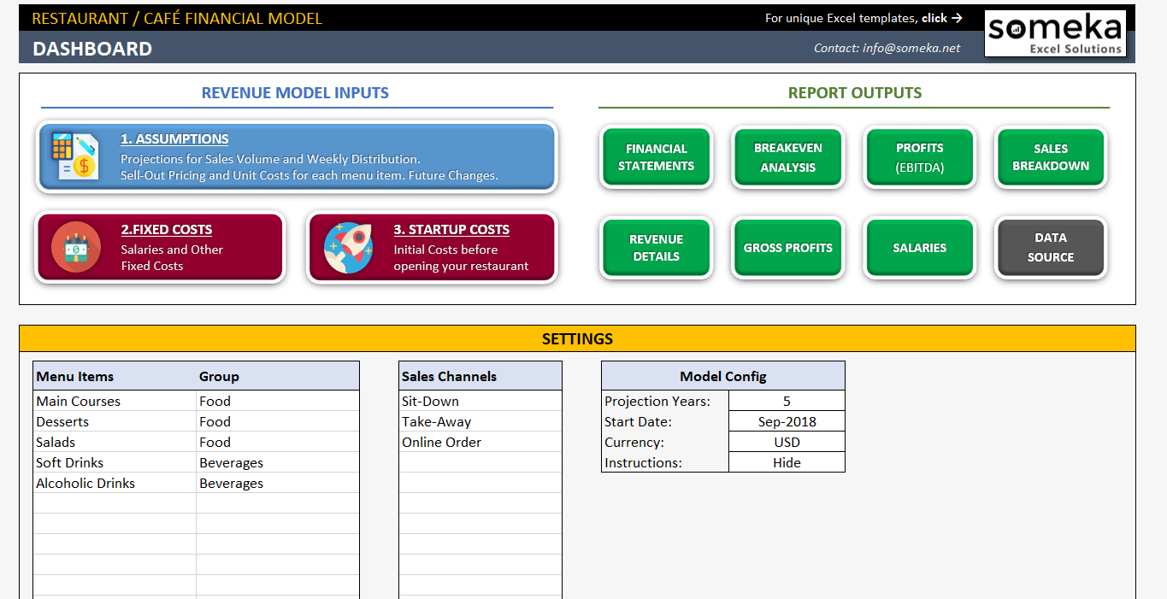
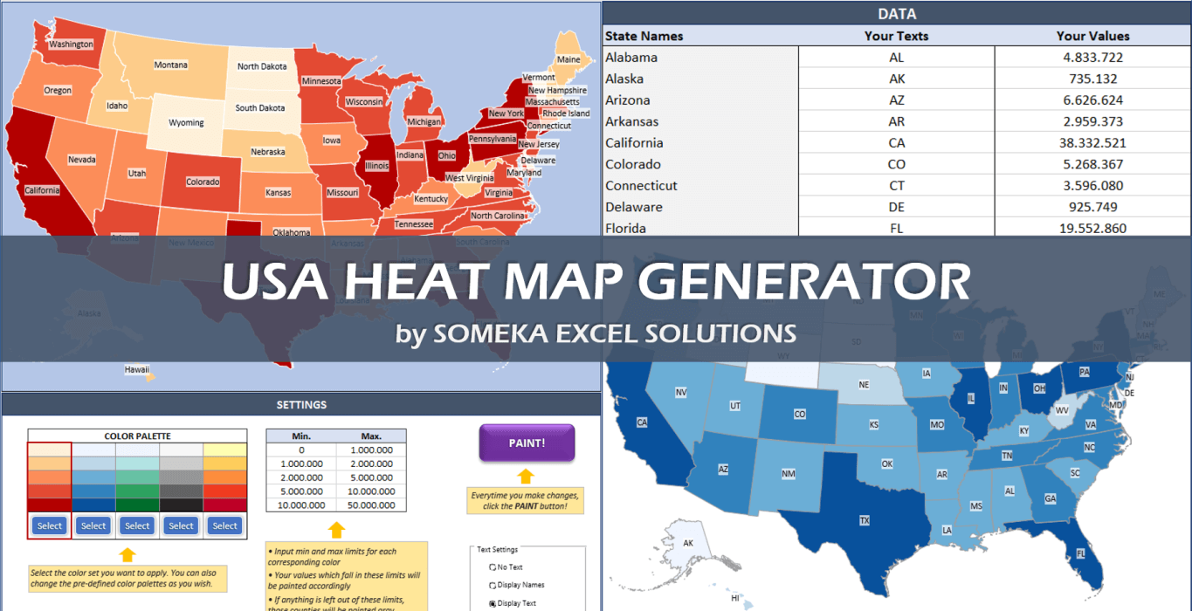
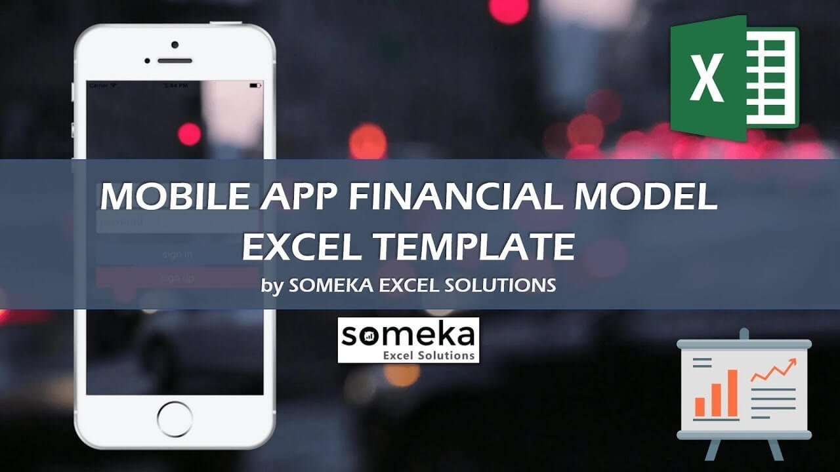
FLOWCHART MAKER | KPI DASHBOARD TEMPLATES | GANTT CHART MAKER

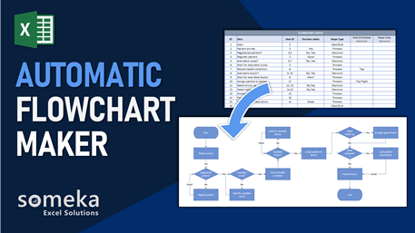
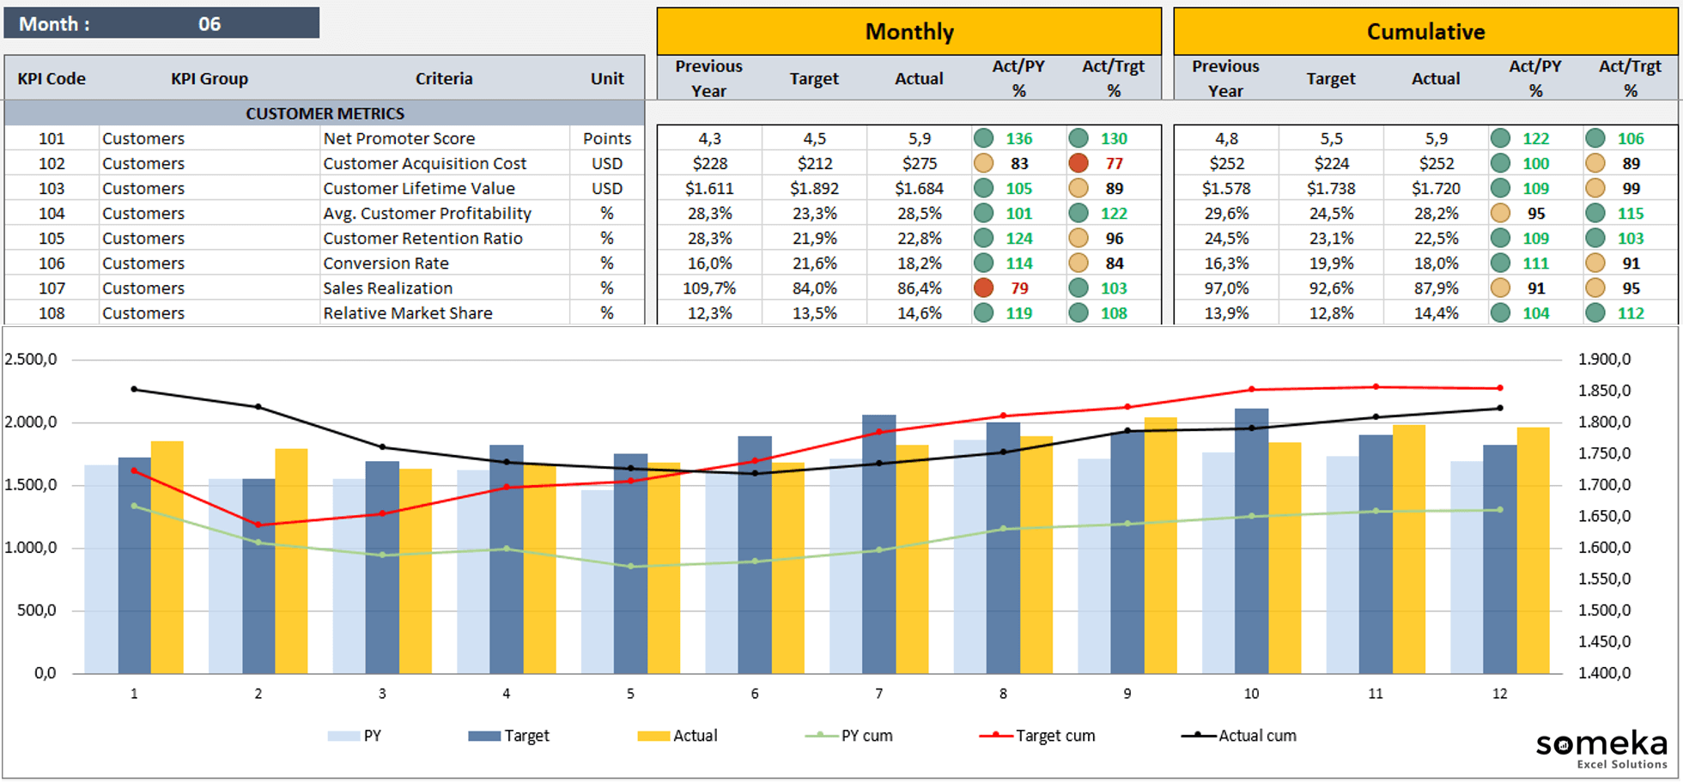
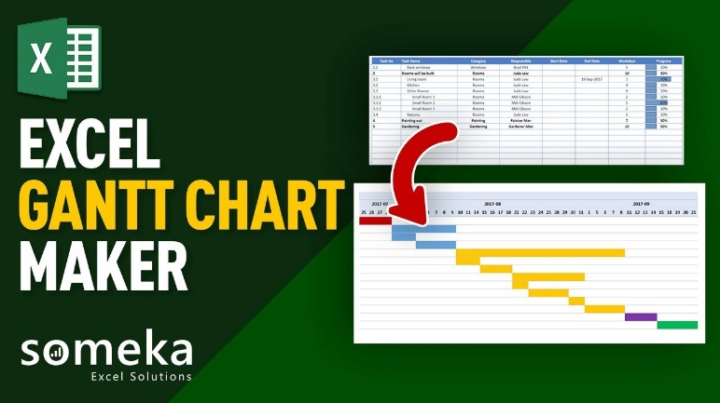

RESTAURANT / CAFÉ FINANCIAL MODEL | HEAT MAP GENERATORS | MOBILE APP FINANCIAL MODEL

