Sheet1
 |  | MaxIndex | Density Multiplyer
Density : | 9 | 8 | NA
total verticies / points | 38 | 37 | NA
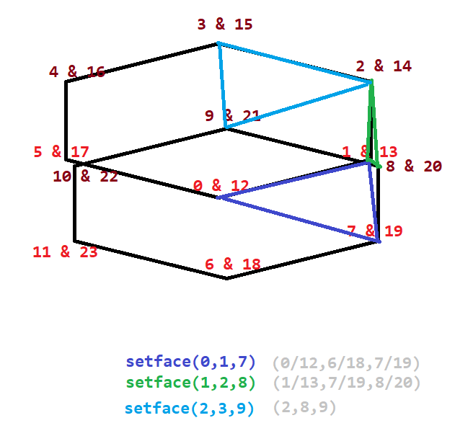
tris | 36 | 35 | 4 |  |  | anything this color and below it should be ignored
quads | 0 | -1 | NA
idex in loop length density (0 to density-1) | 0 | 1 | 2 | 3 | 4 | 5 | 6 | 7 | 8 | 9 | 10 | 11 | 12 | 13 | 14 | 15 | 16 | 17 | 18 | 19
Upper outside vertex index | 0 | 1 | 2 | 3 | 4 | 5 | 6 | 7 | 8 | 9 | 10 | 11 | 12 | 13 | 14 | 15 | 16 | 17 | 18 | 19
Lower outside vertex index | 9 | 10 | 11 | 12 | 13 | 14 | 15 | 16 | 17 | 18 | 19 | 20 | 21 | 22 | 23 | 24 | 25 | 26 | 27 | 28
//caps
Verticie number: density * 2 + i | 18 | 19 | 20 | 21 | 22 | 23 | 24 | 25 | 26 | 27 | 28 | 29 | 30 | 31 | 32 | 33 | 34 | 35 | 36 | 37
Verticie number: density * 3 + i | 27 | 19 | 20 | 21 | 22 | 23 | 24 | 34 | 26 | 27 | 28 | 29 | 30 | 31 | 41 | 33 | 34 | 35 | 36 | 37
for sides setface(x,x,x)…
Face number | 18 | 19 | 20 | 21 | 22 | 23 | 24 | 25 | 26 | 27 | 28 | 29 | 30 | 31 | 32 | 33 | 34 | 35 | 36 | 37
vert 1 | 0 | 1 | 2 | 3 | 4 | 5 | 6 | 7 | 8 | 9 | 10 | 11 | 12 | 13 | 14 | 15 | 16 | 17 | 18 | 19
vert 2 | 1 | 2 | 3 | 4 | 5 | 6 | 7 | 8 | 0 | 1 | 2 | 3 | 4 | 5 | 6 | 7 | 8 | 0 | 1 | 2
vert 3 | 10 | 11 | 12 | 13 | 14 | 15 | 16 | 17 | 9 | 10 | 11 | 12 | 13 | 14 | 15 | 16 | 17 | 9 | 10 | 11
bottom face number | 0 | 1 | 2 | 3 | 4 | 5 | 6 | 7 | 8 | 9 | 10 | 11 | 12 | 13 | 14 | 15 | 16 | 17 | 18 | 19
top face number | 9 | 10 | 11 | 12 | 13 | 14 | 15 | 16 | 17 | 18 | 19 | 20 | 21 | 22 | 23 | 24 | 25 | 26 | 27 | 28
//bottom centre vetex index | 36
//top centre vertex index | 37
Need more triangles for faces now 18 not enougth
so with a density of 6…
faces 12 to 18 used by sides
0 to 5 used for bottoms
6 to 11 used for tops
for the extra faces we need another + density triangles
Face number | 27 | 28 | 29 | 30 | 31 | 32 | 33 | 34 | 35 | 36 | 37 | 38 | 39 | 40 | 41 | 42 | 43 | 44 | 45 | 46
vert 1 | 18 | 1 | 2 | 3 | 4 | 5 | 6 | 7 | 8 | 9 | 10 | 11 | 12 | 13 | 14 | 15 | 16 | 17 | 18 | 19
vert 2 | 27 | 10 | 11 | 12 | 13 | 14 | 15 | 16 | 17 | 18 | 19 | 20 | 21 | 22 | 23 | 24 | 25 | 26 | 27 | 28
vert 3 | 28 | 11 | 12 | 13 | 14 | 15 | 16 | 17 | 18 | 19 | 20 | 21 | 22 | 23 | 24 | 25 | 26 | 27 | 28 | 29

