plate layout
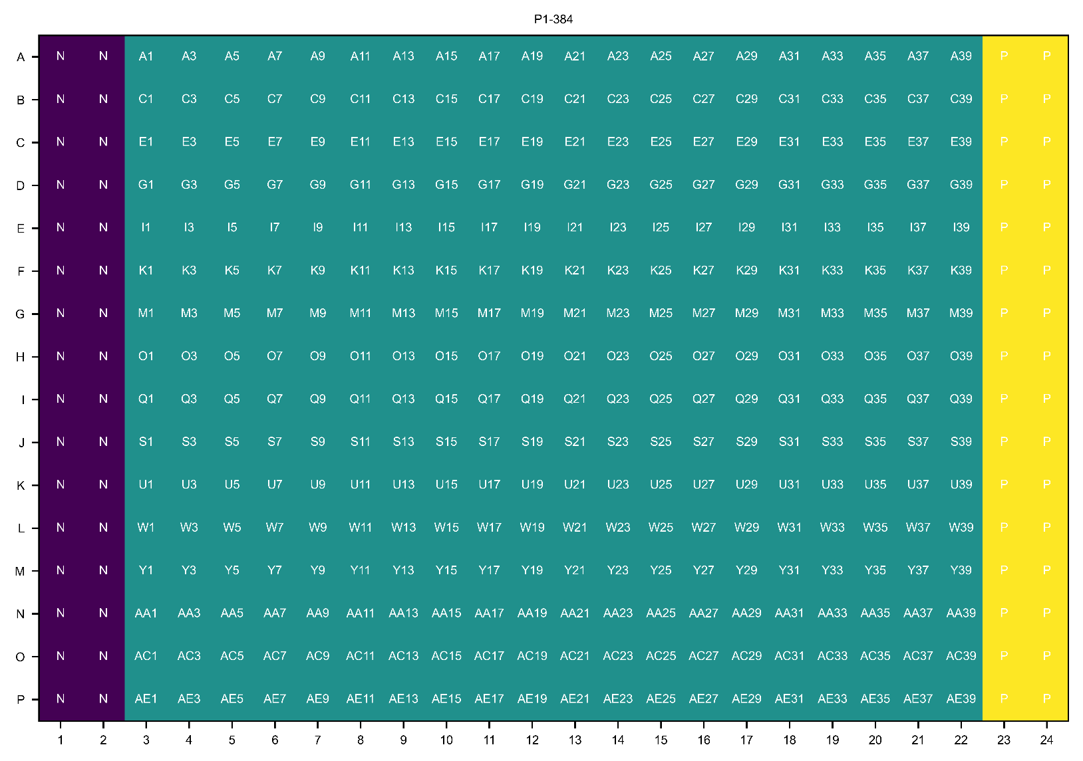

P1

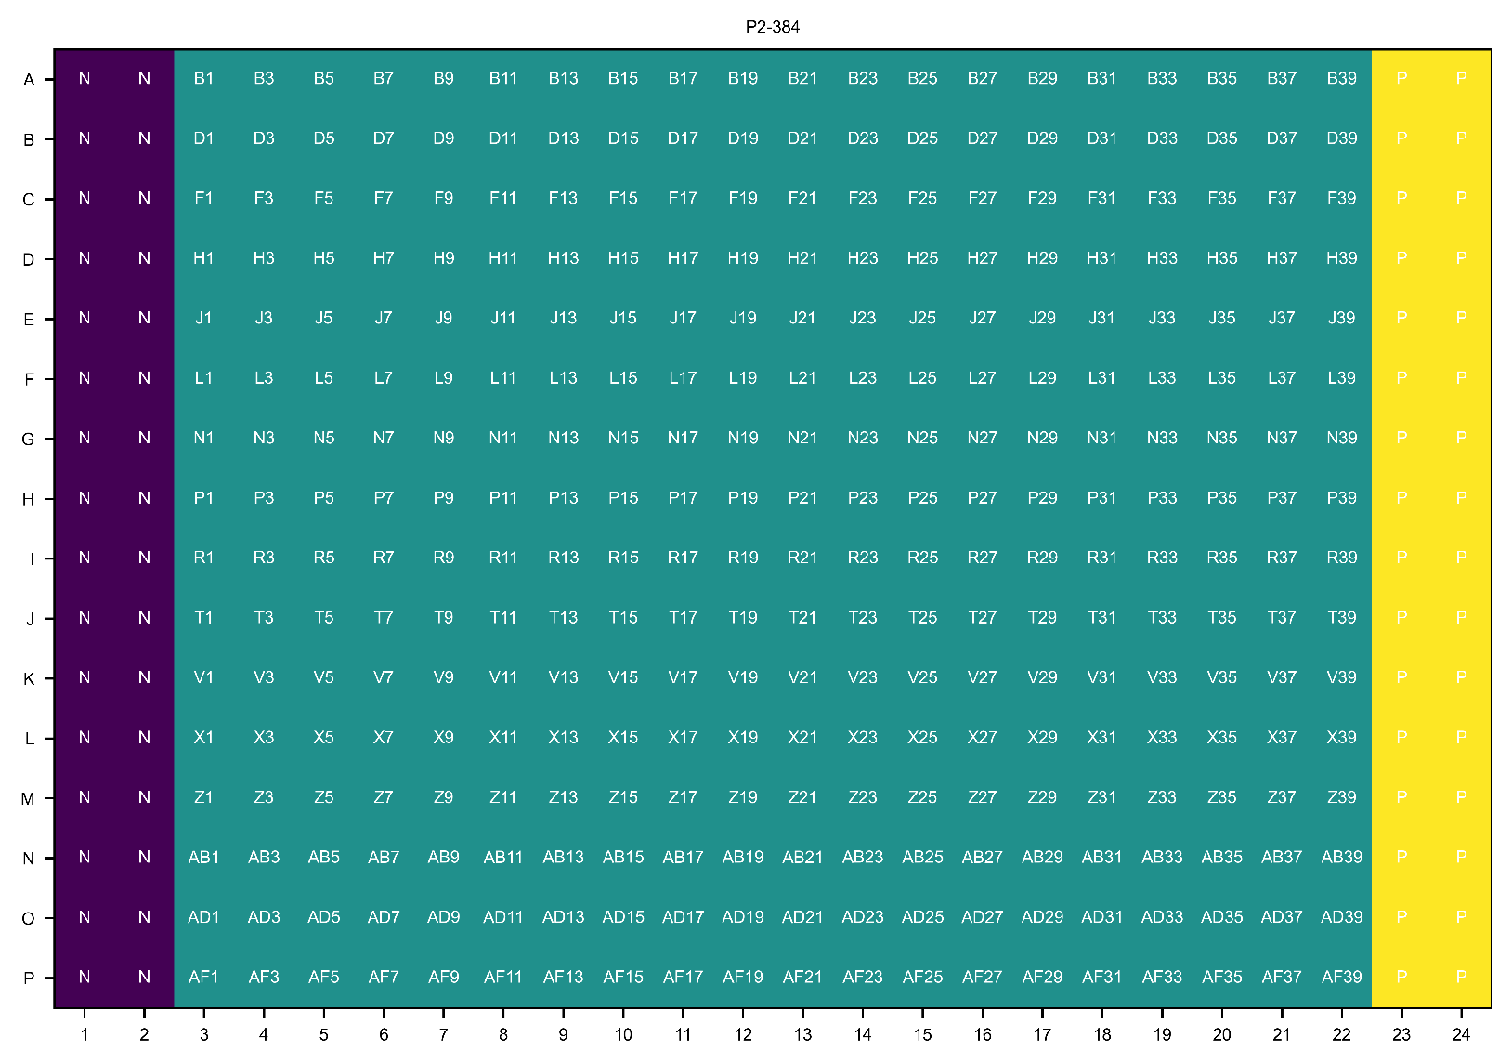
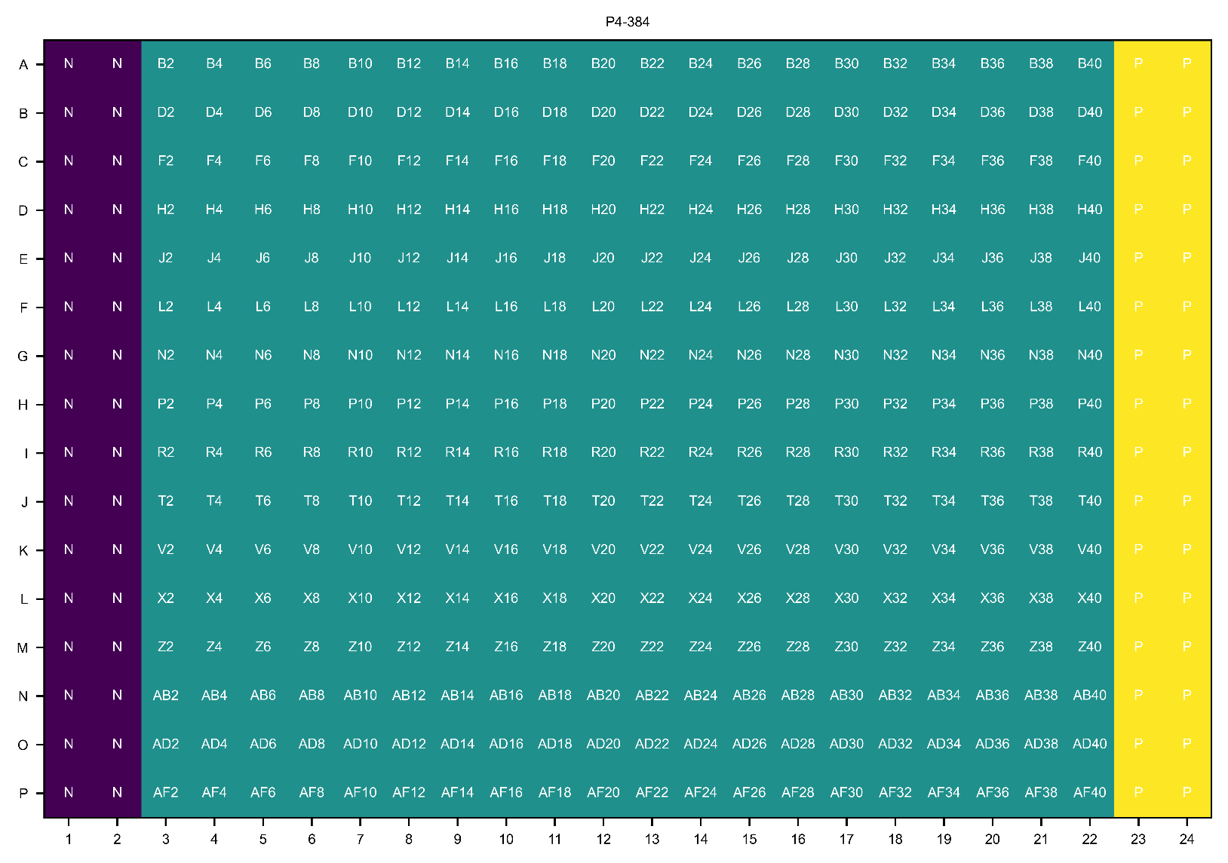

E | Blank | P456-E2 | P456-E3 | P456-E4 | P456-E5 | P456-E6 | P456-E7 | P456-E8 | P456-E9 | P456-E10 | P456-E11 | Ebselen
F | Blank | P456-F2 | P456-F3 | P456-F4 | P456-F5 | P456-F6 | P456-F7 | P456-F8 | P456-F9 | P456-F10 | P456-F11 | Ebselen
G | Blank | P456-G2 | P456-G3 | P456-G4 | P456-G5 | P456-G6 | P456-G7 | P456-G8 | P456-G9 | P456-G10 | P456-G11 | Ebselen
H | Blank | P456-H2 | P456-H3 | P456-H4 | P456-H5 | P456-H6 | P456-H7 | P456-H8 | P456-H9 | P456-H10 | P456-H11 | Ebselen

