Intro
VLookUp in Excel
Report Data

Merge Data

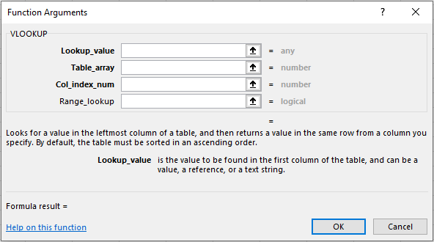

> Target reference
> Array where retrievable data is referenced (should be FIXED)
> Row index position to Target (hence Vlookup is the name)
> Exact match for target reference? (Binary 1,0 for True/False)

1.0 Merge Data (D)
OrderDetails |  |  |  |  |  |  |  | CustomerInfo |  |  |  | Product
OrderID | StoreID | CustomerID | ProductID | OrderDate | CustomerName | Product Name | Manager | CustomerID | CustomerName | ContactName | Country | ProductID | Category | SubCategory | ProductName
10308 | USA | 2 | 212 | 1996-09-18 |  |  |  | 1 | Alfred Domm | Maria Anders | Germany | 902 | Fruits | Citrus | Lime
10309 | UK | 37 | 423 | 1996-09-19 |  |  |  | 2 | Ana Helados | Ana Trujillo | Mexico | 423 | Dairy | Non-Milk | Eggs
10310 | FRA | 77 | 102 | 1996-09-20 |  |  |  | 3 | Antonio Moreno | Antonio Moreno | Mexico | 212 | Bakery | Pastries | Croissants
Task 1 (Within tab):
Use VLookUp to connect OrderDetails to CustomerInfo and append CustomerName
Task 2 (Within tab):
Use VLookUp to connect OrderDetails to Product and append ProductName
Task 3 (Outside tab):
Use VLookUp to connect OrderDetails to Store and append Manager
 |  |  |  |  |  |  |  |  |  |  |  | 102 | Drinks | Alocholic | Beer

2.0 Book (L)
Use VLookUp to add the following:
- Add Publisher Name (via tab 3.1 DIM_Publisher)
- Add Pubisher State (via tab 3.1 DIM_Publisher)
isbn | title | type | pubid | price | ytdsales | name | state
1-1032-1032-x | One Hour Negotiations | business | 3 | 29.99 | 4095
1-1035-1035-x | Usability Testing | computer | 3 | 42.95 | 8780
1-1111-1111-x | Where is my Break-Even Point? | business | 3 | 21.95 | 3876
1-1372-1372-x | Dealing with Behavior Problems in the Workplace | psychology | 1 | 41.59 | 375
1-2075-2075-x | Are You Stressed for Success? | business | 1 | 12.99 | 18722
1-2091-2091-x | Sleep Depreviation and Mood Therapy | psychology | 1 | 21.95 | 2045
1-2106-2106-x | Instilling Courage | psychology | 1 | 17 | 111
1-2222-2222-x | Treats and More Treats | cooking | 2 | 29.99 | 2032
1-3021-3021-x | Fresh and Easy? | cooking | 2 | 12.99 | 22246
1-3026-3026-x | The Psychology of Social Networking |  | 2
1-3218-3218-x | Stop and Smell the Humus | cooking | 2 | 40.95 | 375
1-3333-3333-x | Analyzing the Obsessive | psychology | 1 | 29.99 | 4072
1-4203-4203-x | Twenty Meals you can make in 20 minutes | cooking | 2 | 21.95 | 15096
1-7777-7777-x | Gluten Free or Die | cooking | 2 | 29.99 | 4095
1-7832-7832-x | How to Choose a Computer | business | 3 | 29.99 | 4095
1-8888-8888-x | Silicon Valley Start-ups | computer | 3 | 40 | 4095

