Confusion Matrix and Scores
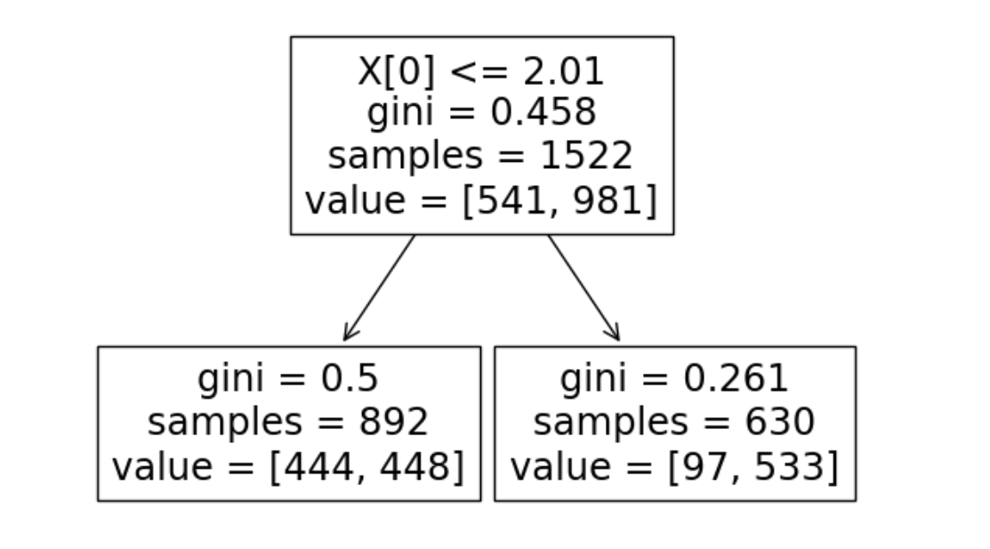
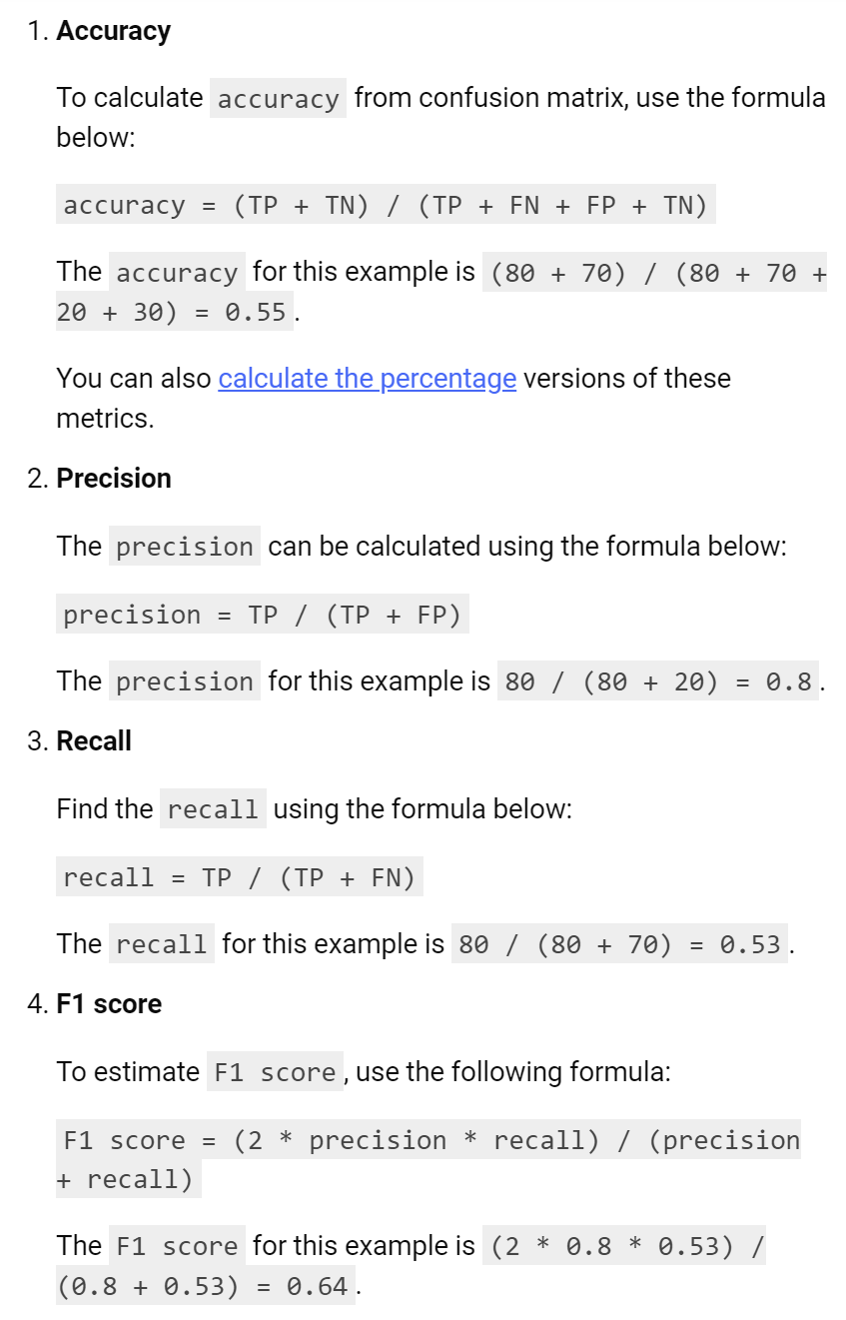
Confusion Matrix | Predicted |  |  |  |  | Confusion Matrix |  |  | Classifcation Performance Scores
Actual | Count of CustomerID | Column Labels |  |  |  |  |  |  |  | Accuracy | 64.2% | Base is Total Population
 | Row Labels | 0 | 1 | Grand Total |  |  | Predicted = 0 | Predicted = 1 |  | Precision | 84.6% | Base is Predicted = 1
 | 0 | 444 | 97 | 541 |  | Actual = 0 | TN | FP (Type 1 Error) |  | Recall | 54.3% | Base is Actual = 1
 | 1 | 448 | 533 | 981 |  | Actual = 1 | FN (Type 2 Error) | TP |  | F1 | 66.2%
 | Grand Total | 892 | 630 | 1522 |  |  |  |  |  | Specificity | 82.1% | Base is Actual = 0

 | rows = correct answers
 | Columns = model predictions

 |  |  |  |  | Count of CustomerID | Column Labels
 |  |  |  |  | Row Labels | 0 | 1 | Grand Total
 |  |  |  |  | FALSE | 97 | 444 | 541
Actual | Row Labels | Count of CustomerID | Share |  | TRUE | 533 | 448 | 981
 | FALSE | 541 | 35.5% |  | Grand Total | 630 | 892 | 1522
 | TRUE | 981 | 64.5%
 | Grand Total | 1522 | 100.0%

Predicted | Row Labels | Count of CustomerID | Share
 | FALSE | 892 | 58.6%
 | TRUE | 630 | 41.4%
 | Grand Total | 1522 | 100.0%

