Sheet1
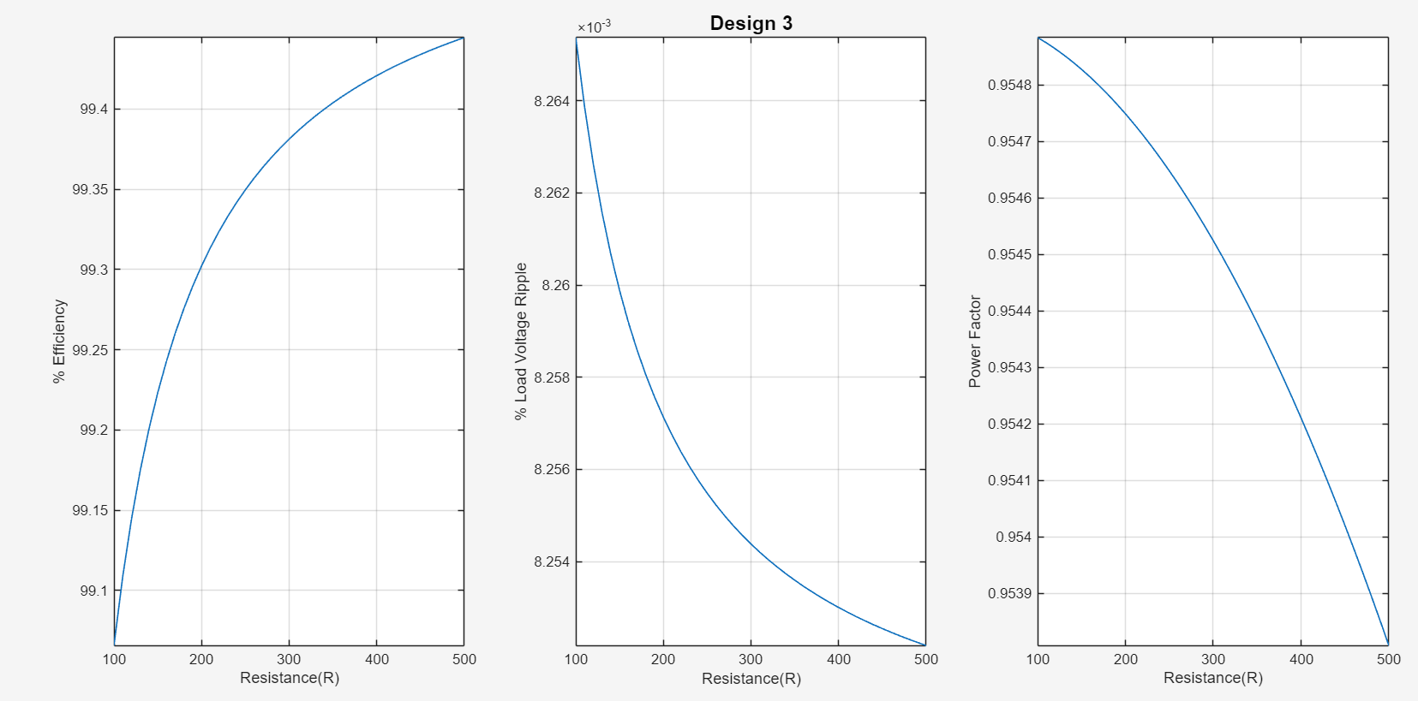
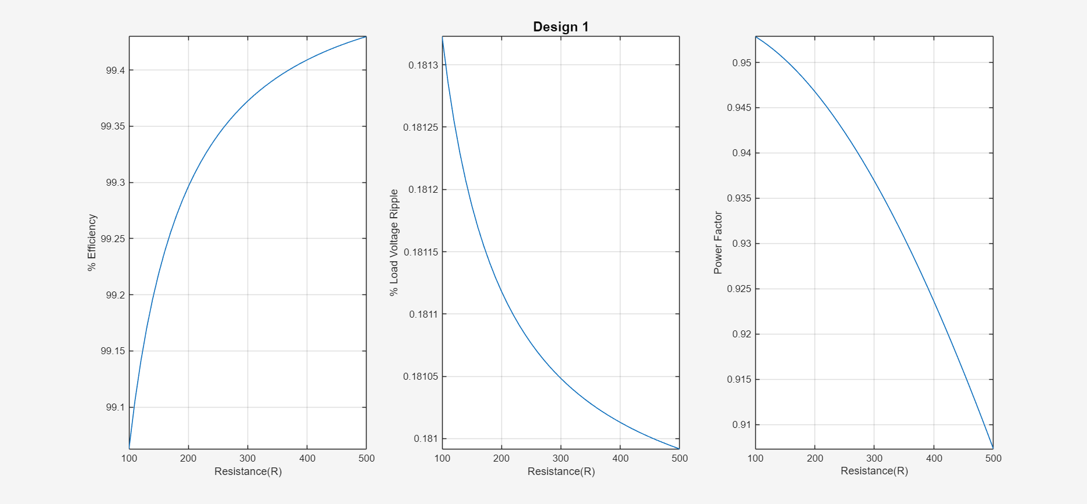
 | Design 1 | Design 2 | Design 3 (400 Hz)
Diode Part # | Digikey: SBR10U300CT-ND | Digikey: SBR10U300CT-ND | Digikey: SBR10U300CT-ND
Diode Vx (V) | 0.64 | 0.64 | 0.64
Diode rd (Ω) | 0.02222 | 0.02222 | 0.02222
Diode Reverse Voltage Rating (V) | 300 | 300 | 300
Diode Average Current Rating (A) | 10.00 | 10.00 | 10.00
Diode Peak Current Rating (A) | 150 | 150 | 150
Diode Cost ($ total) | 5.25 | 5.25 | 5.25
Inductor Part # | Digikey: HM4112-ND | Digikey: 595-1878-ND | Digikey: HM4112-ND
Inductance (H) | 0.028 | 0.07 | 0.028
Inductor DCR (Ω) | 0.43 | 0.6 | 0.43
Inductor RMS Current Rating (A) | 3.00 | 4.00 | 3.00
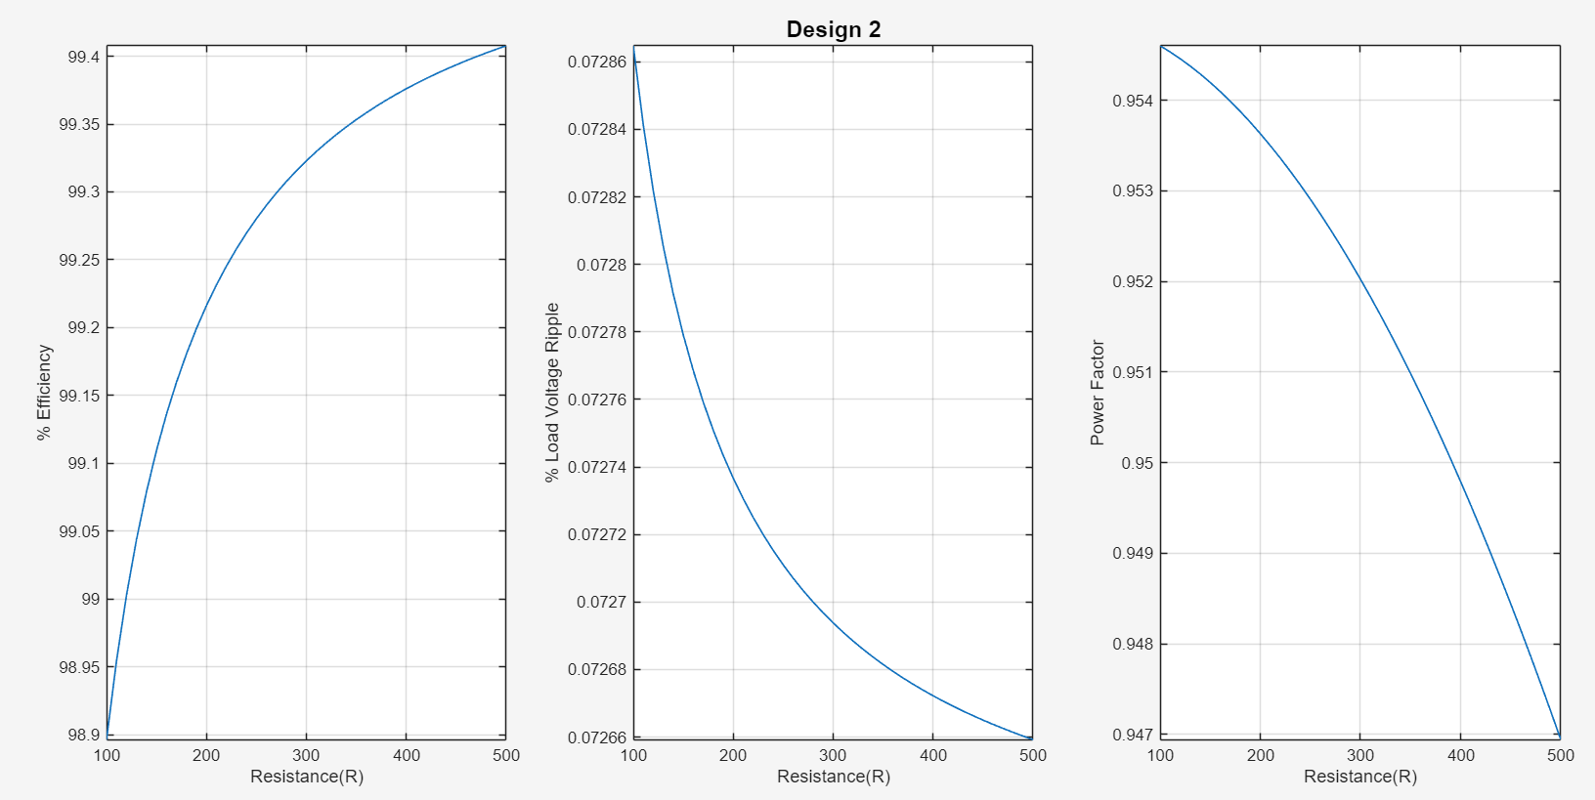
Inductor Cost ($ total) | 29.44 | 55.73 | 29.44
Capacitor Part # | 399-ALS30A471DE350-ND | Digikey: 399-13091-ND | Digikey: 399-13091-ND
Capacitance (F) | 4.70E-04 | 4.70E-04 | 4.70E-04
Capacitor ESR (Ω) | 0.223 | 0.267 | 0.267
Capacitor Voltage Rating (V) | 350 | 400 | 400
Capacitor RMS Current Rating (A) | 3.40 | 3.50 | 3.50
Capacitor Cost ($ total) | 10.20 | 11.50 | 11.50
Total Component Cost ($) | $44.89 | $72.48 | $46.19

