Sheet2
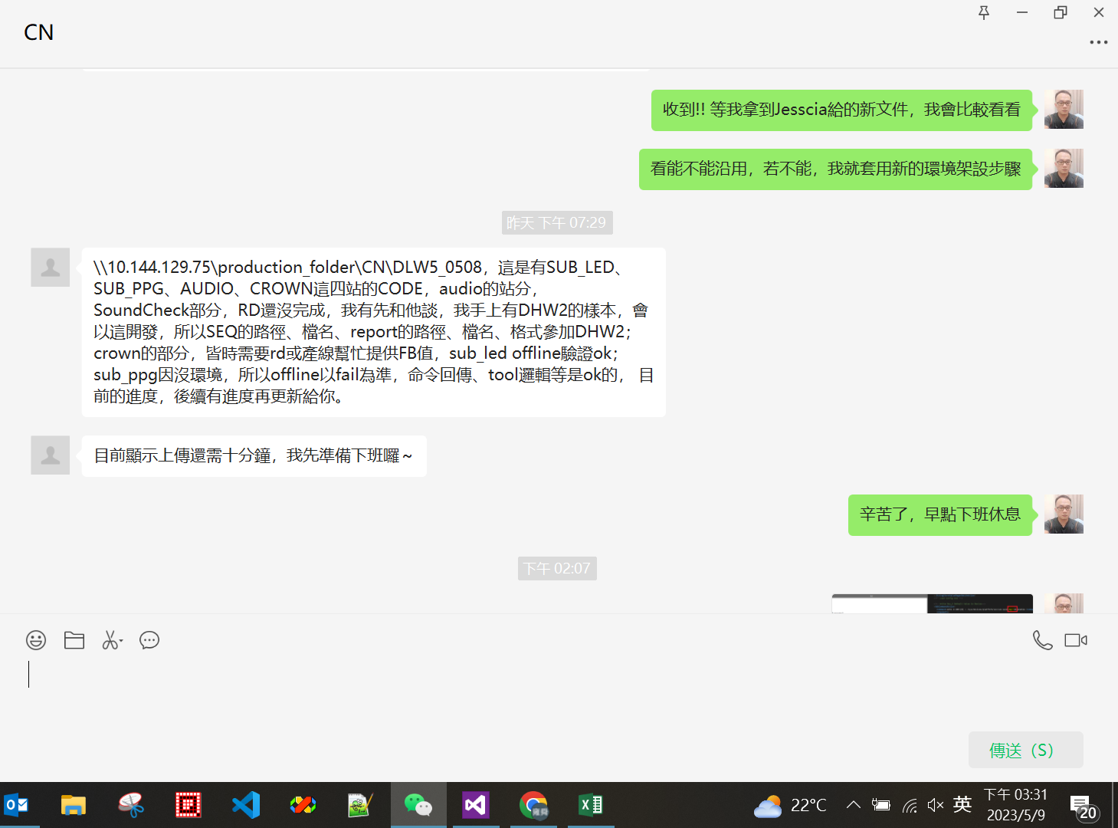
DDW1 Equipemnts control
Equipment | DDW1 Related Test Item (One test item) | Script implement progress | User manual | Note
6631B DC power supply | DDW1_T1_BB \ PreTestAction \ Agilent66319DAction | 100% | 100%
34461A Digital Multimeter | DLW5_T1_BB \ Read_IC_Voltage | 100% | 100% | duo to missing of electric cable, this test item can’t be complete
N4010A Bluetooth tester | DDW1_T1_BTWIFI \ BtCommonTestAction \ BT_TX_BDR_Ch0_1DH5_POWER_AVG | 100% | 100%
CMW500 | GPS_Calibration, GPSTxAction, GNSSEnable command | 100% | 100%

Improve source code
Suggestion | Change in source code | Notes
Global variable g_ prefix. | add g_ prefix with public variable, Add _ prefix with private elements of class | g_timeout variable in Instrument class
Including statements need to re-alignment. | reorganize import order in Main.py
Try not to use abbreviations | use full form of word when define class, function, variable name
use under line to split the variable/function name. | change function name, class name using underline split
PEP 8 coding convention | add space in parameter to distinguish arguments from the rest. Make function more readeable | left align parameters of fuction which have two line
Use new line to split different logic block | add new line between big code block
Log format | add more information in log format | add function name, error line and log lever
Constant variable naming formant : all capital letters | skip, don’t use constance value
func_btn_frame.py <---- file naming | change file name to easy to read and understand, | funcBtnFr.py >> func_btn_frame.py
Remove unnecessary comments in func_btn_frame.py | remove comments in func_btn_frame.py and frames class

