📊 Summary
📊 BankNifty ORB Strategy — Backtest Report (Simulated Data)

Strategy: 15-min Opening Range Breakout | Target: 150 pts | Stop: 80 pts | Lot Size: 15 | Data: Simulated (260 trading days)

Win Rate | Total P&L | Avg Daily P&L | Profit Factor | Max Drawdown | ₹2k+ Days
82.4% | ₹125,325 | ₹1,377 | 7.83x | ₹-2,480 | 58 days (63.7%)

Total Days | Wins | Losses | Avg Win | Avg Loss | Best Day
91 | 75 days | 16 days | ₹1,916 | ₹-1,148 | ₹2,210

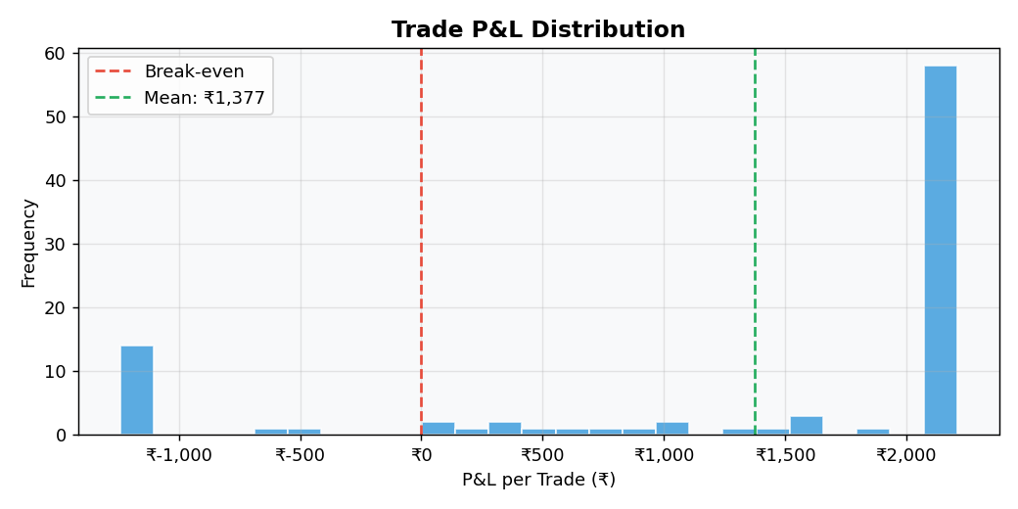

⚠️ DISCLAIMER: This report uses SIMULATED data calibrated to BankNifty parameters. Replace generate_data() with real Kite API calls before going live. Past/simulated performance does not guarantee future results. Trade at your own risk.

