Ta-Nb-V Calib - RBS1 - Alfa
Pb density = | 11.31 | g/cm^3 | Element | Z | A | Kinematic factor [K] | Back Energy (keV) [K * E0] | Surface channel
E0 = | 2000 | keV | O | 8 | 15.999 | 0.3659 | 731.84 | 269 |  |  |  |  |  |  |  | Target |  | nm |  |  | mg/cm2
 |  |  | Si | 14 | 28.085 | 0.5688 | 1137.56 | 437 |  |  |  |  |  |  |  | 1 | 445 | +- | 6 | 0.50 | +- | 0.01
 |  |  | V | 23 | 50.942 | 0.7338 | 1467.51 | 582 |  |  |  |  |  |  |  | 3 | 472 | +- | 102 | 0.53 | +- | 0.12
 |  |  | Nb | 41 | 92.906 | 0.8441 | 1688.17 | 673 |  |  |  |  |  |  |  | 4 | 392 | +- | 113 | 0.44 | +- | 0.13
 |  |  | Ta | 73 | 180.950 | 0.9167 | 1833.38 | 732.5
 |  |  | Pb | 82 | 207.2 | 0.9269 | 1853.70 | 743

Calib.
 |  |  |  |  |  |  |  | Target 1 | Pb channel in | Pb channel out | Delta_E (keV) | (dE/dx)_in [E_0] (MeV cm^2 / g) | (dE/dx)_in [E_0] (eV/nm) | (dE/dx)_out [K * E_0] (MeV cm^2 / g) | (dE/dx)_out [K * E_0] (eV/nm) | [S] (eV/nm) | x (nm) |  |  |  | Target 1 | C channel in | C channel out | Delta_E (keV) | (dE/dx)_in [E_0] (MeV cm^2 / g) | (dE/dx)_in [E_0] (eV/nm) | (dE/dx)_out [K * E_0] (MeV cm^2 / g) | (dE/dx)_out [K * E_0] (eV/nm) | [S] (eV/nm) | x (nm)
 |  |  |  |  |  |  |  | 21 mm | 728 | 582 | 345.39 | 349.1 | 394.8 | 359.9 | 407.0 | 787 | 439 |  | 40 |  | 21 mm |  |  | 0.00 |  | 0.0 |  | 0.0 | 1 | 0
 |  |  |  |  |  |  |  | 23 mm | 724 | 575 | 352.85 | 349.1 | 394.8 | 359.9 | 407.0 | 787 | 448 |  | 10 |  | 23 mm |  |  | 0.00 |  | 0.0 |  | 0.0 | 1 | 0
 |  |  |  |  |  |  |  | 25 mm | 729 | 582 | 348.11 | 349.1 | 394.8 | 359.9 | 407.0 | 787 | 442 |  | 8 |  | 25 mm |  |  | 0.00 |  | 0.0 |  | 0.0 | 1 | 0
 |  |  |  |  |  |  |  | 27 mm | 729 | 579 | 355.22 | 349.1 | 394.8 | 359.9 | 407.0 | 787 | 451 |  | 38 |  | 27 mm |  |  | 0.00 |  | 0.0 |  | 0.0 | 1 | 0
 |  |  |  |  |  |  |  |  |  |  |  |  |  |  |  |  | 445 | +- | 6

 |  |  |  |  |  |  |  | Traget 3 | Pb channel in | Pb channel out | Delta_E (keV) | (dE/dx)_in [E_0] (MeV cm^2 / g) | (dE/dx)_in [E_0] (eV/nm) | (dE/dx)_out [K * E_0] (MeV cm^2 / g) | (dE/dx)_out [K * E_0] (eV/nm) | [S] (eV/nm) | x (nm) |  |  |  | Traget 3 | C channel in | C channel out | Delta_E (keV) | (dE/dx)_in [E_0] (MeV cm^2 / g) | (dE/dx)_in [E_0] (eV/nm) | (dE/dx)_out [K * E_0] (MeV cm^2 / g) | (dE/dx)_out [K * E_0] (eV/nm) | [S] (eV/nm) | x (nm)
 |  |  |  |  |  |  |  | 55 mm | 686 | 553 | 314.96 | 349.1 | 394.8321 | 359.9 | 407.0469 | 787 | 400 |  | 5210.508699 |  | 55 mm |  |  | 0.00 |  | 0 |  | 0.0 | 1 | 0
 |  |  |  |  |  |  |  | 57 mm | 617 | 436 | 428.63 | 349.1 | 394.8321 | 359.9 | 407.0469 | 787 | 544 |  | 5210.508699 |  | 57 mm |  |  | 0.00 |  | 0 |  | 0.0 | 1 | 0
 |  |  |  |  |  |  |  |  |  |  |  |  |  |  |  |  | 472 | +- | 102

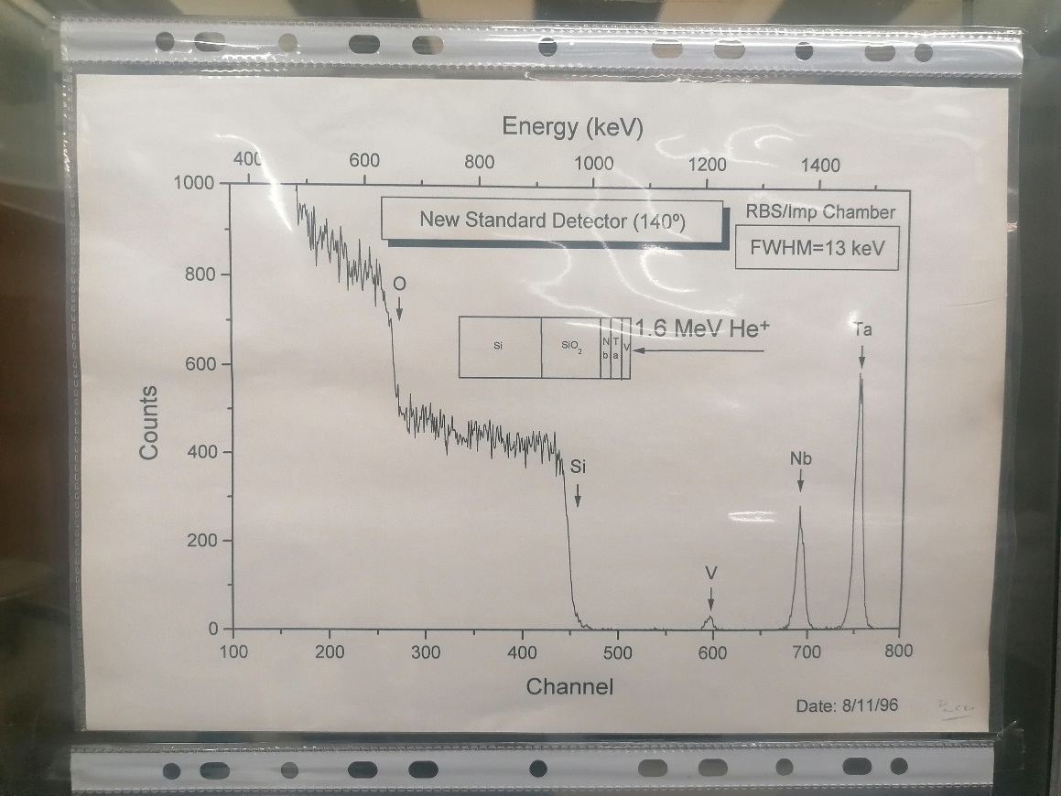
 |  |  |  |  |  |  |  | Target 4 | Pb channel in | Pb channel out | Delta_E (keV) | (dE/dx)_in [E_0] (MeV cm^2 / g) | (dE/dx)_in [E_0] (eV/nm) | (dE/dx)_out [K * E_0] (MeV cm^2 / g) | (dE/dx)_out [K * E_0] (eV/nm) | [S] (eV/nm) | x (nm) |  |  |  | Target 4 | C channel in | C channel out | Delta_E (keV) | (dE/dx)_in [E_0] (MeV cm^2 / g) | (dE/dx)_in [E_0] (eV/nm) | (dE/dx)_out [K * E_0] (MeV cm^2 / g) | (dE/dx)_out [K * E_0] (eV/nm) | [S] (eV/nm) | x (nm)
 |  |  |  |  |  |  |  | 65 mm | 717 | 587 | 307.85 | 349.1 | 394.8321 | 359.9 | 407.0469 | 787 | 391 |  | 6594.5500722 |  | 65 mm |  |  | 0.00 |  | 0 |  | 0.0 | 1 | 0
 |  |  |  |  |  |  |  | 66 mm | 717 | 586 | 310.22 | 349.1 | 394.8321 | 359.9 | 407.0469 | 787 | 394 |  | 6115.1109037 |  | 66 mm |  |  | 0.00 |  | 0 |  | 0.0 | 1 | 0
 |  |  |  |  |  |  |  |  |  |  |  |  |  |  |  |  | 392 | +- | 113

 | Pb signal
Target 1 | 445
Traget 3 | 472
Target 4 | 392
 |  |  |  |  |  |  |  | Target 1 | O channel in | O channel out | Delta_E (keV) | (dE/dx)_in [E_0] (MeV cm^2 / g) | (dE/dx)_in [E_0] (eV/nm) | (dE/dx)_out [K * E_0] (MeV cm^2 / g) | (dE/dx)_out [K * E_0] (eV/nm) | [S] (eV/nm) | x (nm)
 |  |  |  |  |  |  |  | 21 mm |  |  | 0.00 |  | 0.0 |  | 0.0 | 1 | 0
 |  |  |  |  |  |  |  | 23 mm |  |  | 0.00 |  | 0.0 |  | 0.0 | 1 | 0
 |  |  |  |  |  |  |  | 25 mm |  |  | 0.00 |  | 0.0 |  | 0.0 | 1 | 0
 |  |  |  |  |  |  |  | 27 mm |  |  | 0.00 |  | 0.0 |  | 0.0 | 1 | 0

 |  |  |  |  |  |  |  | Traget 3 | O channel in | O channel out | Delta_E (keV) | (dE/dx)_in [E_0] (MeV cm^2 / g) | (dE/dx)_in [E_0] (eV/nm) | (dE/dx)_out [K * E_0] (MeV cm^2 / g) | (dE/dx)_out [K * E_0] (eV/nm) | [S] (eV/nm) | x (nm)
 |  |  |  |  |  |  |  | 55 mm |  |  | 0.00 |  | 0.0 |  | 0.0 | 1 | 0
 |  |  |  |  |  |  |  | 57 mm |  |  | 0.00 |  | 0.0 |  | 0.0 | 1 | 0

 |  |  |  |  |  |  |  | Target 4 | O channel in | O channel out | Delta_E (keV) | (dE/dx)_in [E_0] (MeV cm^2 / g) | (dE/dx)_in [E_0] (eV/nm) | (dE/dx)_out [K * E_0] (MeV cm^2 / g) | (dE/dx)_out [K * E_0] (eV/nm) | [S] (eV/nm) | x (nm)
 |  |  |  |  |  |  |  | 65 mm |  |  | 0.00 |  | 0.0 |  | 0.0 | 1 | 0
 |  |  |  |  |  |  |  | 66 mm |  |  | 0.00 |  | 0.0 |  | 0.0 | 1 | 0

Ta-Nb-V Calib - RBS1 - Protoes
E0 = | 2000 | keV
Pb density = | 11.31 | g/cm^3 |  |  |  | K * E_0
 |  | Element | Z | A | Kinematic factor [K] | Back Energy (keV) [K * E0] | Surface channel
 |  | O | 8 | 15.999 | 0.7819 | 1563.72 | 632 |  |  |  |  |  |  |  |  | Target |  | nm |  |  | mg/cm2
 |  | Si | 14 | 28.085 | 0.8693 | 1738.61 | 701 |  |  |  |  |  |  |  |  | 1 | 435 | +- | 32 | 0.49 | +- | 0.04
 |  | V | 23 | 50.942 | 0.9257 | 1851.42 | 753 |  |  |  |  |  |  |  |  | 3 | 433 | +- | 0 | 0.49 | +- | 0.00
 |  | Nb | 41 | 92.906 | 0.9586 | 1917.12 | 779 |  |  |  |  |  |  |  |  | 4 | 387 | +- | 0 | 0.44 | +- | 0.00
 |  | Ta | 73 | 180.950 | 0.9785 | 1957.01 | 796
 |  | Pb | 82 | 207.2 | 0.9812 | 1962.41 | 798
 |  |  |  |  |  |  |  | Target 1 | Pb channel in | Pb channel out | Delta_E (keV) | (dE/dx)_in [E_0] (MeV cm^2 / g) | (dE/dx)_in [E_0] (eV/nm) | (dE/dx)_out [K * E_0] (MeV cm^2 / g) | (dE/dx)_out [K * E_0] (eV/nm) | [S] (eV/nm) | x (nm) |  |  |  | Target 1 | C channel in | C channel out | Delta_E (keV) | (dE/dx)_in [E_0] (MeV cm^2 / g) | (dE/dx)_in [E_0] (eV/nm) | (dE/dx)_out [K * E_0] (MeV cm^2 / g) | (dE/dx)_out [K * E_0] (eV/nm) | [S] (eV/nm) | x (nm)
Calib.
 |  |  |  |  |  |  |  | 21 mm | 794 | 773 | 50.00 | 45.37 | 51.3 | 45.81 | 52 | 103.988 | 481 |  | 2097 |  | 21 mm |  |  | 0.00 | 139.5 | 157.8 | 141.5 | 160 | 320.491 | 0
 |  |  |  |  |  |  |  | 23 mm | 792 | 773 | 45.24 | 45.37 | 51.3 | 45.81 | 52 | 103.988 | 435 |  | 0 |  | 23 mm | 579 | 573 | 14.29 | 139.5 | 157.8 | 141.5 | 160 | 320.491 | 45
 |  |  |  |  |  |  |  | 25 mm | 793 | 775 | 42.86 | 45.37 | 51.3 | 45.81 | 52 | 103.988 | 412 |  | 524 |  | 25 mm | 581 | 574 | 16.67 | 139.5 | 157.8 | 141.5 | 160 | 320.491 | 52
 |  |  |  |  |  |  |  | 27 mm | 793 | 775 | 42.86 | 45.37 | 51.3 | 45.81 | 52 | 103.988 | 412 |  | 524 |  | 27 mm | 580 | 573 | 16.67 | 139.5 | 157.8 | 141.5 | 160 | 320.491 | 52
 |  |  |  |  |  |  |  |  |  |  |  |  |  |  |  |  | 435 | +- | 32

 |  |  |  |  |  |  |  | Traget 3 | Pb channel in | Pb channel out | Delta_E (keV) | (dE/dx)_in [E_0] (MeV cm^2 / g) | (dE/dx)_in [E_0] (eV/nm) | (dE/dx)_out [K * E_0] (MeV cm^2 / g) | (dE/dx)_out [K * E_0] (eV/nm) | [S] (eV/nm) | x (nm) |  |  |  | Traget 3 | C channel in | C channel out | Delta_E (keV) | (dE/dx)_in [E_0] (MeV cm^2 / g) | (dE/dx)_in [E_0] (eV/nm) | (dE/dx)_out [K * E_0] (MeV cm^2 / g) | (dE/dx)_out [K * E_0] (eV/nm) | [S] (eV/nm) | x (nm)
 |  |  |  |  |  |  |  | 55 mm | 790 | 771 | 45.24 | 45.81 | 51.81111 | 45.81 | 51.81111 | 104.476 | 433 |  | 0 |  | 55 mm | 580 | 571 | 21.43 | 139.5 | 157.7745 | 141.5 | 160.0365 | 320.491 | 67
 |  |  |  |  |  |  |  | 57 mm | 784 | 765 | 45.24 | 45.81 | 51.81111 | 45.81 | 51.81111 | 104.476 | 433 |  | 0 |  | 57 mm | 579 |  | 1378.60 | 139.5 | 157.7745 | 141.5 | 160.0365 | 320.491 | 4302
 |  |  |  |  |  |  |  |  |  |  |  |  |  |  |  |  | 433 | +- | 0

 |  |  |  |  |  |  |  | Target 4 | Pb channel in | Pb channel out | Delta_E (keV) | (dE/dx)_in [E_0] (MeV cm^2 / g) | (dE/dx)_in [E_0] (eV/nm) | (dE/dx)_out [K * E_0] (MeV cm^2 / g) | (dE/dx)_out [K * E_0] (eV/nm) | [S] (eV/nm) | x (nm) |  |  |  | Target 4 | C channel in | C channel out | Delta_E (keV) | (dE/dx)_in [E_0] (MeV cm^2 / g) | (dE/dx)_in [E_0] (eV/nm) | (dE/dx)_out [K * E_0] (MeV cm^2 / g) | (dE/dx)_out [K * E_0] (eV/nm) | [S] (eV/nm) | x (nm)
 |  |  |  |  |  |  |  | 65 mm | 793 | 776 | 40.48 | 45.81 | 51.81111 | 45.81 | 51.81111 | 104.476 | 387 |  | 0 |  | 65 mm | 580 | 575 | 11.91 | 139.5 | 157.7745 | 141.5 | 160.0365 | 320.491 | 37
 |  |  |  |  |  |  |  | 66 mm | 792 | 775 | 40.48 | 45.81 | 51.81111 | 45.81 | 51.81111 | 104.476 | 387 |  | 0 |  | 66 mm | 580 | 573 | 16.67 | 139.5 | 157.7745 | 141.5 | 160.0365 | 320.491 | 52
 |  |  |  |  |  |  |  |  |  |  |  |  |  |  |  |  | 387 | +- | 0

 | Pb signal
Target 1 | 445
Traget 3 | 472
Target 4 | 392
 |  |  |  |  |  |  |  | Target 1 | O channel in | O channel out | Delta_E (keV) | (dE/dx)_in [E_0] (MeV cm^2 / g) | (dE/dx)_in [E_0] (eV/nm) | (dE/dx)_out [K * E_0] (MeV cm^2 / g) | (dE/dx)_out [K * E_0] (eV/nm) | [S] (eV/nm) | x (nm)
 |  |  |  |  |  |  |  | 21 mm |  |  | 0.00 | 133.5 | 151.0 | 135.3 | 153 | 306.573 | 0
 |  |  |  |  |  |  |  | 23 mm | 630 | 623 | 16.67 | 133.5 | 151.0 | 135.3 | 153 | 306.573 | 54
 |  |  |  |  |  |  |  | 25 mm | 632 | 624 | 19.05 | 133.5 | 151.0 | 135.3 | 153 | 306.573 | 62
 |  |  |  |  |  |  |  | 27 mm | 632 | 624 | 19.05 | 133.5 | 151.0 | 135.3 | 153 | 306.573 | 62

 |  |  |  |  |  |  |  | Traget 3 | O channel in | O channel out | Delta_E (keV) | (dE/dx)_in [E_0] (MeV cm^2 / g) | (dE/dx)_in [E_0] (eV/nm) | (dE/dx)_out [K * E_0] (MeV cm^2 / g) | (dE/dx)_out [K * E_0] (eV/nm) | [S] (eV/nm) | x (nm)
 |  |  |  |  |  |  |  | 55 mm | 630 | 623 | 16.67 | 133.5 | 150.9885 | 135.3 | 153.0243 | 306.573 | 54
 |  |  |  |  |  |  |  | 57 mm | 630 |  | 1500.03 | 133.5 | 150.9885 | 135.3 | 153.0243 | 306.573 | 4893

 |  |  |  |  |  |  |  | Target 4 | O channel in | O channel out | Delta_E (keV) | (dE/dx)_in [E_0] (MeV cm^2 / g) | (dE/dx)_in [E_0] (eV/nm) | (dE/dx)_out [K * E_0] (MeV cm^2 / g) | (dE/dx)_out [K * E_0] (eV/nm) | [S] (eV/nm) | x (nm)
 |  |  |  |  |  |  |  | 65 mm | 631 | 625 | 14.29 | 133.5 | 150.9885 | 135.3 | 153.0243 | 306.573 | 47
 |  |  |  |  |  |  |  | 66 mm | 631 | 623 | 19.05 | 133.5 | 150.9885 | 135.3 | 153.0243 | 306.573 | 62

