ProtonRuns
 | 2000 keV | H |  |  |  | RBS 24 Apr.
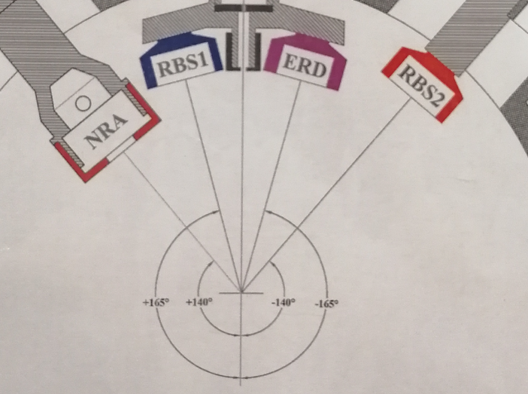
Run | Target ID | Position (mm) | Angle (deg) | Charge | Current (nA) | Comments
1 | Calib. TaNbV | 5 | 0 | 20000 |  | DT 7.5 %
2 | PG02-2 | 15 | ´´ | 10000 |  | DT 2 %
3 | ´´ | 17 | ´´ | ´´
4 | ´´ | 19 | ´´ | ´´ |  | DT 2 %
5 | PG02-4 | 27 | ´´ | ´´ |  | ´´
6 | ´´ | 29 | ´´ | ´´ |  | ´´
7 | ´´ | 31 | ´´ | ´´ |  | ´´
8 | PG02-5 | 40 | ´´ | ´´ |  | DT 1 %
9 | ´´ | 42 | ´´ | ´´ |  | ´´
10 | ´´ | 44 | ´´ | ´´ |  | ´´
11 | PG02-7 | 53 | ´´ | ´´ |  | DT 2.5 %
12 | ´´ | 55 | ´´ | ´´ |  | ´´
13 | ´´ | 57 | ´´ | ´´
Chamber Opened
14 | PG02-19 | 62 | 0 | 10000 | 8 nA | DT 5 %
15 | ´´ | 60 | ´´ |  |  | DT 4 %
16 | ´´ | 58 | ´´ |  |  | ´´
17 | PG02-15 | 48 | ´´ |  |  | DT 3 %
18 | ´´ | 46 | ´´ |  |  | ´´
19 | ´´ | 44 | ´´ |  |  | ´´
20 | PG02-14 | 36 | ´´ |  |  | ´´
21 | ´´ | 34 | ´´ |  |  | ´´
22 | ´´ | 32 | ´´ |  |  | ´´
23 | PG02-12 | 24 | ´´ |  |  | ´´
24 | ´´ | 22 | ´´ |  |  | ´´
25 | ´´ | 20 | ´´ |  |  | ´´
26 | PG02-8 | 12 | ´´ |  |  | DT 2 %
27 | ´´ | 10 | ´´ |  |  | ´´
28 | ´´ | 8 | ´´ |  |  | ´´
29 | PG02-8 | 10 | + 20
30 | ´´ | ´´ | + 30
31 | ´´ | ´´ | 0
32 | PG02-14 | 34 | ´´

