Sheet1
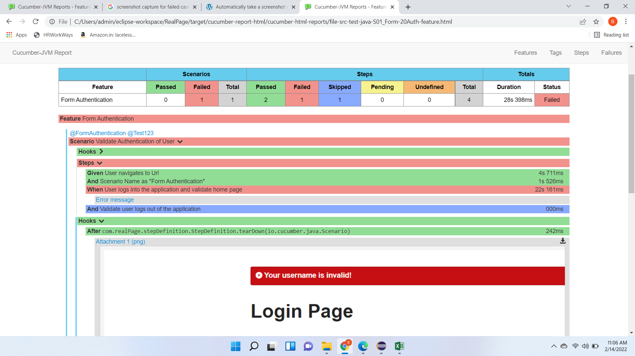
 | ReadMe
1 | Designed Cucumber based Hybrid framework
2 | Maintained 4 different feature files for better readability & implement parallel exeution
3 | Implemented Page Object Design pattern
4 | Implemented Maven as Build Tool & Junit as Unit level framework
5 | Implemented Before and After hooks for setup, screenshot capture of failed scenarios & teardown
6 | Url, credentials, browser parameter are maintained in config.properties file
7 | Data read from Excel for REST API feature
8 | Have shared the Cucumber JVM report which is be triggered from maven -
9 | Can trigger the execution in below ways which executes all the feature files: from Terminal - mvn clean verify from Eclipse - Run configuration -> Goal -> clean verify
10 | Cucumber JVM report can be found under target folder - > cucumber-report-html -> cucumber-html-reports -> feature-overview.html

 | Cucumber JVM Report screenshot below

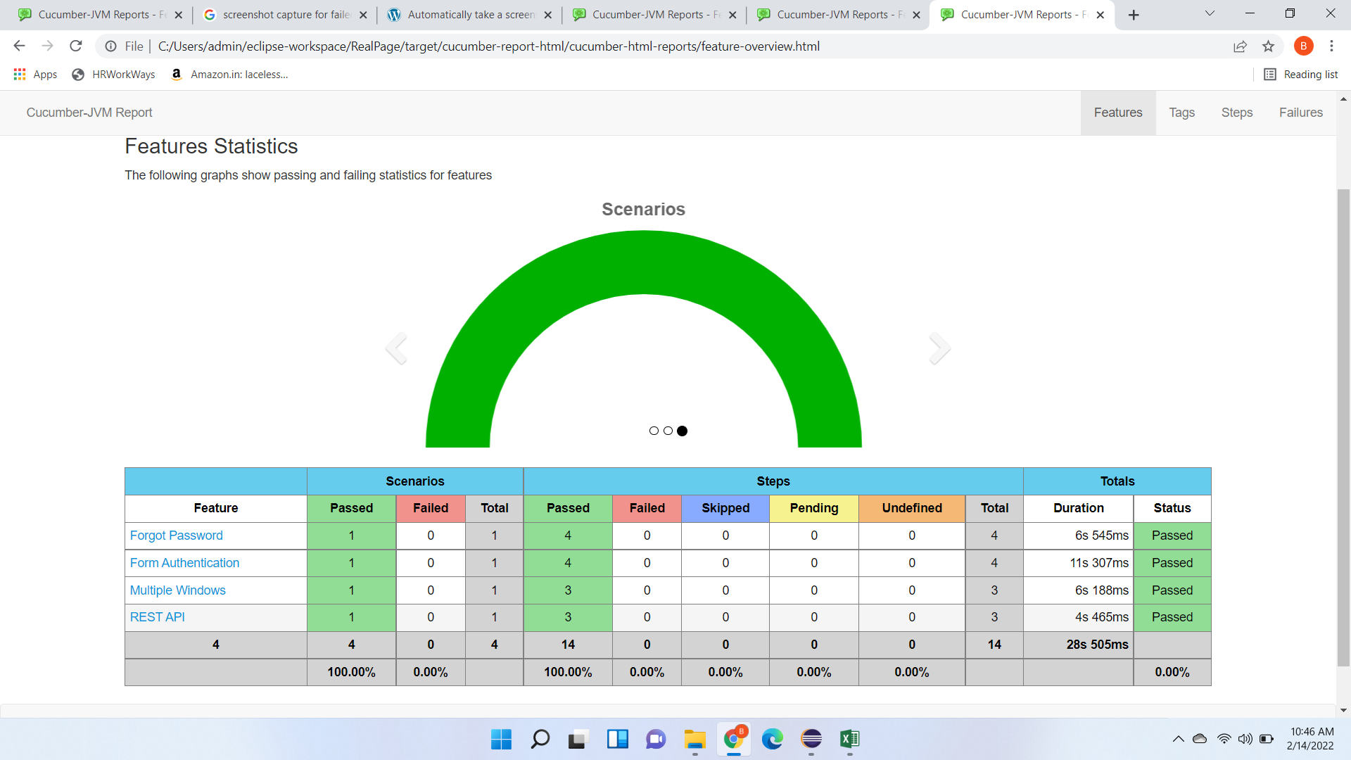

 | Project setup in my machine

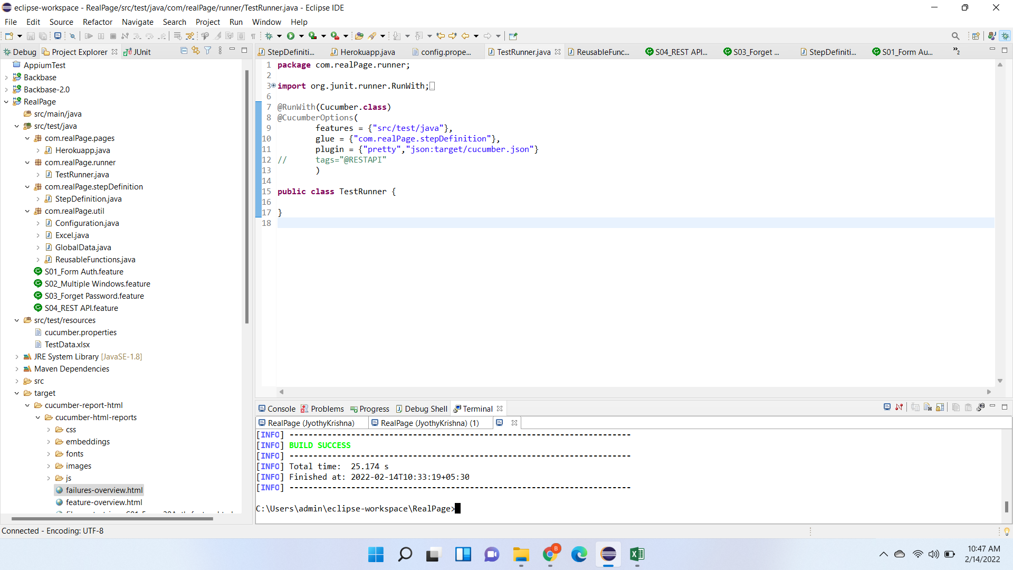

 | Failed scenario - Screenshot capture

