Cover
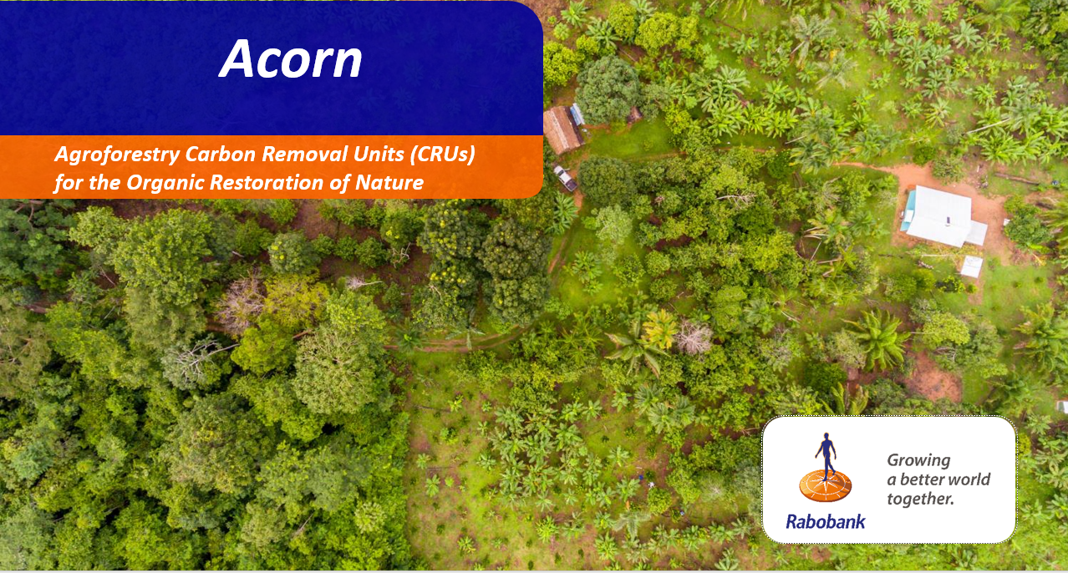
Business Case Agroforestry Project
Name Local Partner (LP) | Golden Organics
Date | 2023-05-29
Currency | EUR
Conversion to EUR | 1

In case of questions related to the functioning or use of this template, please reach out to
Max Berkelmans
max.berkelmans@rabobank.com

Margreet Muizebelt
margreet.muizebelt@rabobank.com

Summary
Summary
Agroforestry Impact - Farmer
Item | Unit | Value | Description
Baseline income farmer | EUR/year | 0 | The annual income of a farmer in the baseline scenario (i.e. before the agroforestry intervention)
Surviving trees | # | 466 | The number of surviving trees resulting from the agroforestry intervention
Farmer package | EUR | 972 | The total investment costs to transition to agroforestry (seedling costs, tree planting costs and training)
Additional revenue main crop | EUR/year | 131 | Additional revenue from main crop due to productivity increases resulting from the agroforestry intervention
Additional revenue from producing trees | EUR/year | 3551 | Additional revenue from yield producing trees resulting from the agroforestry intervention
Reduced spending on inputs | EUR/year | -141 | Annual reduced spending on input costs (e.g. fertilizer) due to agroforestry intervention
Average carbon revenue | EUR/year | 0 | Average additional carbon revenue in a 20 years period because of Carbon Removal Units (CRUs) generated through Acorn
Total carbon revenue | EUR | 0 | Total additional carbon revenue in a 20 years period because of Carbon Removal Units (CRUs) generated through Acorn
Additional carbon revenue on top of baseline | % | - | Additional carbon revenue on top of baseline due to agroforestry intervention (average of 20 years period)
Total impact of agroforestry intervention on baseline | % | - | Total impact of agroforestry intervention on baseline including all benefits (e.g. productivity increase, yield increase, reduced input costs)

Impact Agroforestry - Farmer
 | Baseline profit | Total transition costs | Additional crop revenue | Additional yield income | CRU revenue - farmer | Total
2023-09-01 | - |  | -40 | - | - | -597
2024-09-01 | - |  | - | 40 | - | -207
2025-09-01 | - |  | 40 | 120 | - | -128
2026-09-01 | - |  | 80 | 180 | - | -64
2027-09-01 | - |  | 120 | 240 | - | -4
2028-09-01 | - |  | 160 | 380 | - | 176
2029-09-01 | - |  | 160 | 820 | - | 820
2030-09-01 | - |  | 160 | 1,260 | - | 1,260
2031-09-01 | - |  | 160 | 1,700 | - | 1,700
2032-09-01 | - |  | 160 | 2,500 | - | 2,500
2033-09-01 | - |  | 160 | 3,620 | - | 3,620
2034-09-01 | - |  | 160 | 4,420 | - | 4,420
2035-09-01 | - |  | 160 | 4,580 | - | 4,580
2036-09-01 | - |  | 160 | 5,060 | - | 5,060
2037-09-01 | - |  | 160 | 5,540 | - | 5,540
2038-09-01 | - |  | 160 | 5,940 | - | 5,940
2039-09-01 | - |  | 160 | 6,340 | - | 6,340
2040-09-01 | - |  | 160 | 7,060 | - | 7,060
2041-09-01 | - |  | 160 | 7,780 | - | 7,780
2042-09-01 | - |  | 160 | 8,500 | - | 8,500
2043-09-01 | - |  | 160 | 8,500 | - | 8,500

Agroforestry Impact - Local Partner
Item | Unit | Value | Description
Total number of farmers | # | 27,125 | The total number of farmers participating in the entire project (6 year period)
Total CRU revenue for Local Partner | EUR | - | The total CRU revenue that the LP may retain (10% of CRU revenue)
Total Costs Local Partner | EUR | 47,814,730 | Total Local Partner Project costs (have to be covered by 10% of CRU revenue)
Funding gap | EUR | -47,814,730 | Funding gap due to timing difference of incoming CRU revenue and local partner project costs (due to ex-post character of CRUs)
How funding gap is addressed | Text | To be filled out by Acorn
Impact Agroforestry Project - Local Partner
 | CRU Revenue | Total Local Partner Costs | Cumulative results
2023-09-01 | - | -817,686 | 817,686
2024-09-01 | - | -1,501,597 | 1,501,597
2025-09-01 |  | -2,344,452 | 2,344,452
2026-09-01 | - | -2,668,727 | 2,668,727
2027-09-01 | - | -2,989,001 | 2,989,001
2028-09-01 | - | -3,311,276 | 3,311,276
2029-09-01 | - | -2,984,533 | 2,984,533
2030-09-01 | - | -2,982,533 | 2,982,533
2031-09-01 | - | -2,982,533 | 2,982,533
2032-09-01 | - | -2,984,533 | 2,984,533
2033-09-01 | - | -2,982,533 | 2,982,533
2034-09-01 | - | -2,004,533 | 2,004,533
2035-09-01 | - | -2,006,533 | 2,006,533
2036-09-01 | - | -2,004,533 | 2,004,533
2037-09-01 | - | -2,004,533 | 2,004,533
2038-09-01 | - | -2,006,533 | 2,006,533
2039-09-01 | - | -2,004,533 | 2,004,533
2040-09-01 | - | -2,004,533 | 2,004,533
2041-09-01 | - | -2,006,533 | 2,006,533
2042-09-01 | - | -1,611,533 | 1,611,533
2043-09-01 | - | -1,611,533 | 1,611,533
 | -
 | -
 | -

