Organisational hierachy
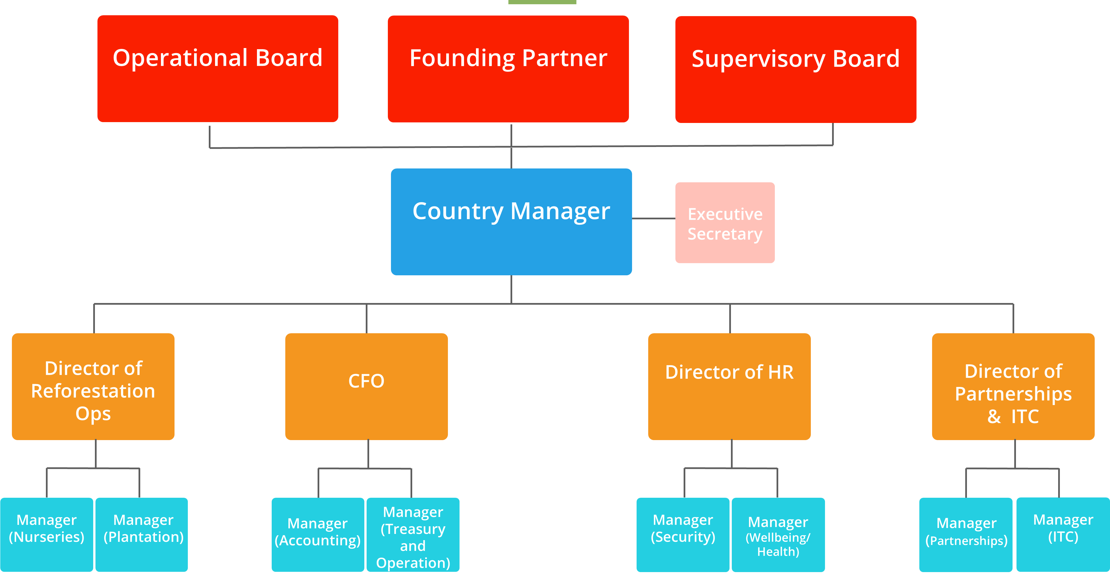
Please attach here an organigram that represents the organisational structure of the local partner and all organizations involved in the project

 |  |  | Main Structure

 |  | Serious Shea |  | Papsen

 |  |  | Farmers/Cooperatives

 | Serious Shea Organigram

