Shape Files Details
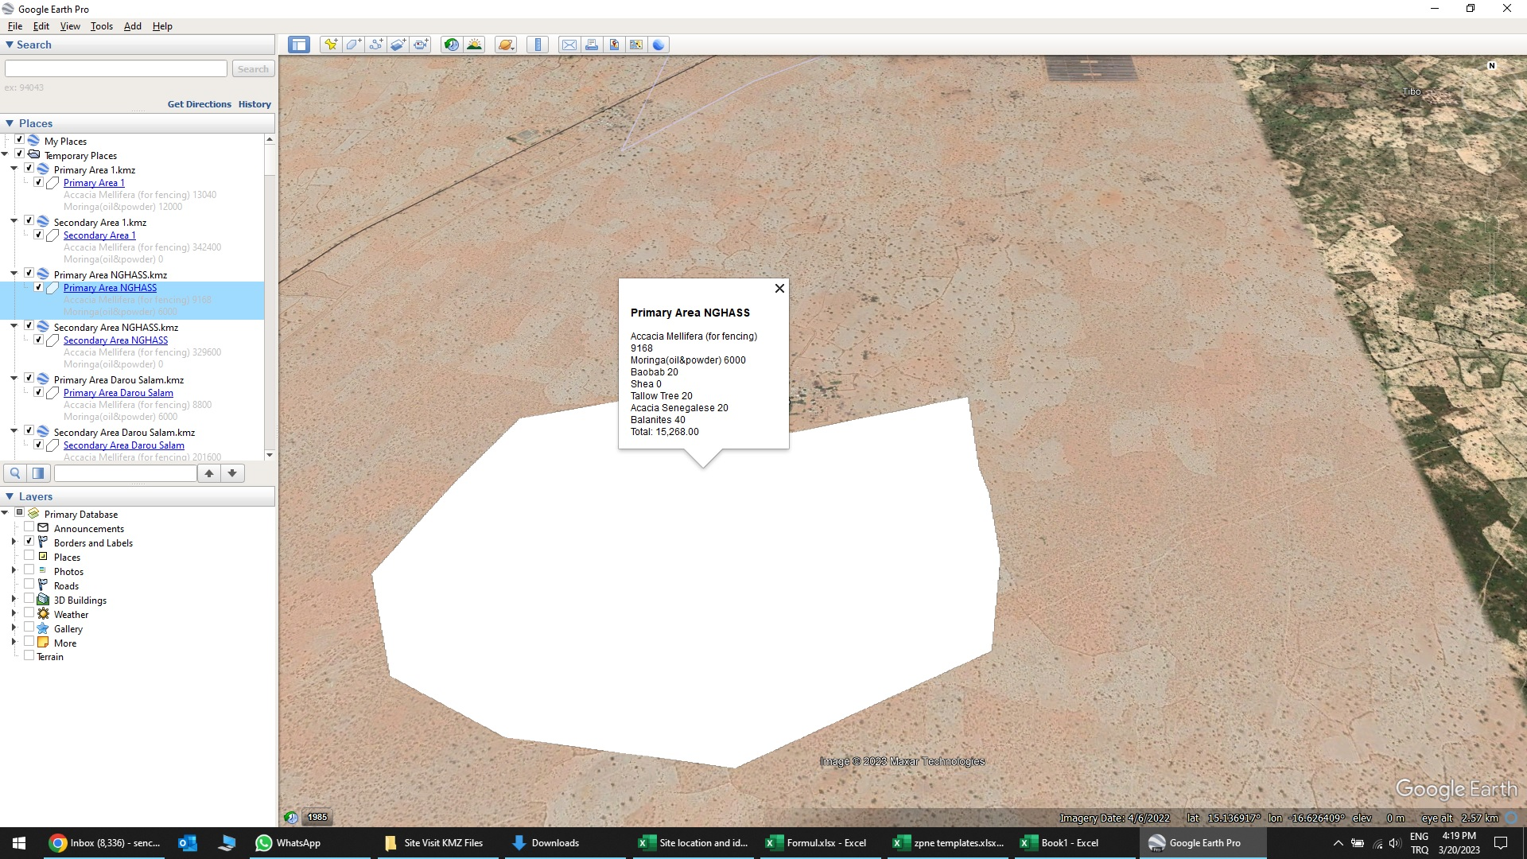
Shape Files of Plantation Sites with Species and Quantities.
https://www.dropbox.com/scl/fo/84ofiw21v1mqd3zvp96oe/h?dl=0&rlkey=7w4q65romw69n72gb7dykkfvs

IN KMZ files, you can find specific tree species and quantities as shown below;

