Clustering
To analyze differences between assessments, we will remove TG, IA, and EP and focus on the remaining columns:
DC (Diagnosis & Conceptualization)
PC (Psychosocial & Cultural Factors)
CRD (Couple-Specific & Relational Dynamics)

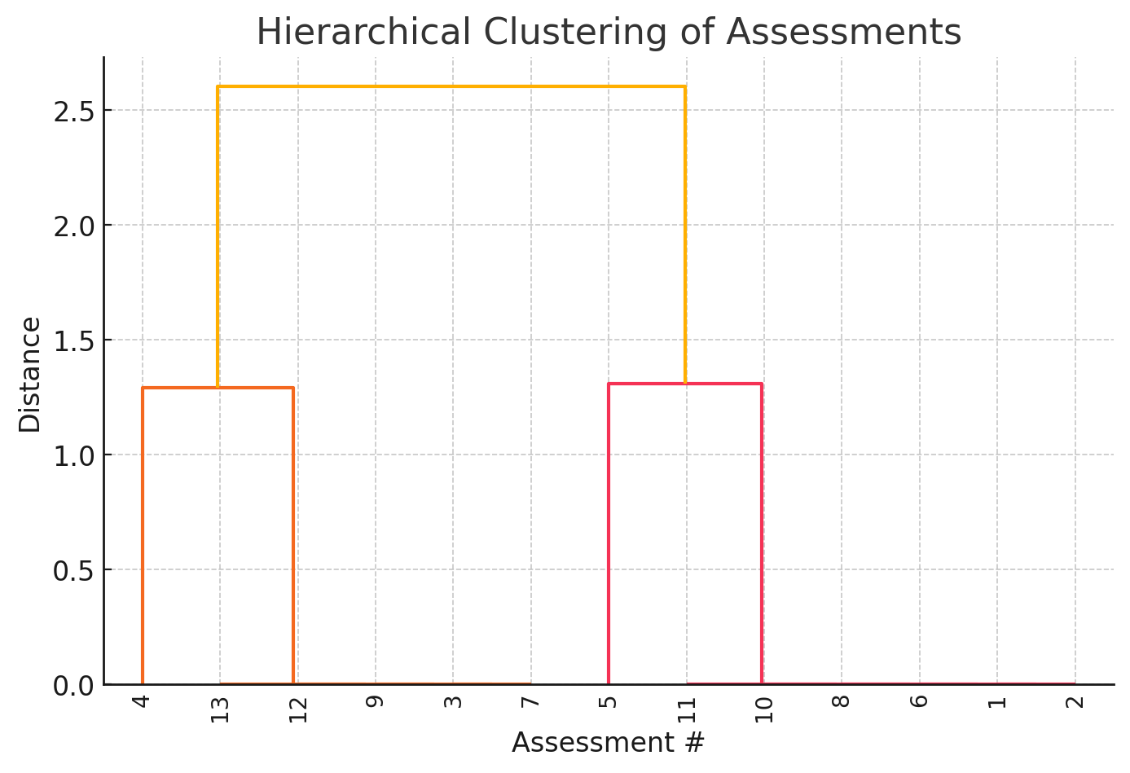

The dendrogram above represents a hierarchical clustering of the assessments based on their values for DC (Diagnosis & Conceptualization), PC (Psychosocial & Cultural Factors), and CRD (Couple-Specific & Relational Dynamics).
Interpretation:
Assessments that are closer together in the tree (shorter vertical distances) are more similar in terms of these three variables.
Those separated by long vertical branches are significantly different.
We can determine natural groupings of assessments by cutting the tree at a specific height.

DC | PC | CRD | Cluster | Type
1 | 1 | 0 | 2 | MultiAgent
1 | 1 | 0 | 2 | Humans
1 | 1 | 1 | 1 | MultiAgent
0 | 1 | 1 | 1 | Humans
1 | 0 | 0 | 3 | Humans
1 | 1 | 0 | 2 | Humans
1 | 1 | 1 | 1 | Humans
1 | 1 | 0 | 2 | MultiAgent
1 | 1 | 1 | 1 | Humans
1 | 1 | 0 | 2 | Humans
1 | 1 | 0 | 2 | SingleAgent
1 | 1 | 1 | 1 | SingleAgent
1 | 1 | 1 | 1 | SingleAgent
Assigned each assessment to a cluster based on their similarity in Diagnosis & Conceptualization (DC), Psychosocial & Cultural Factors (PC), and Couple-Specific & Relational Dynamics (CRD)

Cluster | Humans | MultiAgent | SingleAgent
1 | 3 | 1 | 2
2 | 3 | 2 | 1
3 | 1 | 0 | 0

Chi-Square Test Results:
Chi-Square Statistic: 1.65
p-value: 0.7996
Degrees of Freedom: 4
Interpretation:
Since the p-value (0.7996) is much greater than 0.05, we fail to reject the null hypothesis. This suggests that the distribution of Humans, MultiAgent, and SingleAgent assessments across clusters is not significantly different—meaning the type of assessment does not appear to strongly influence how assessments are clustered.

