Band_Power
 |  | Bandpower Analysis

Joan McArthur

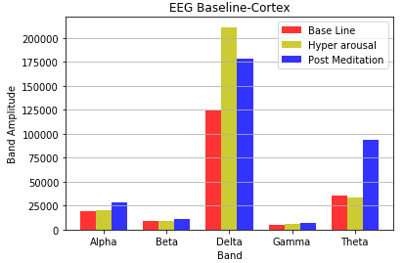
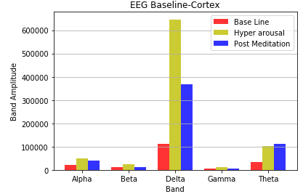

 |  |  | FP2 |  | F3

Sarah

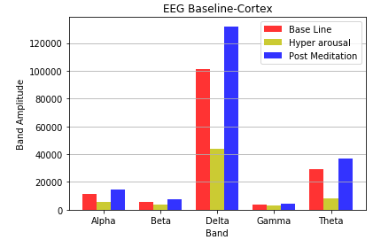
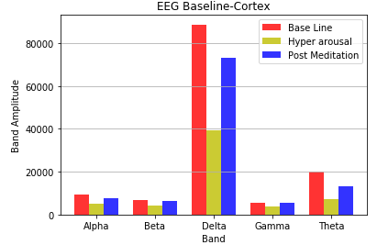
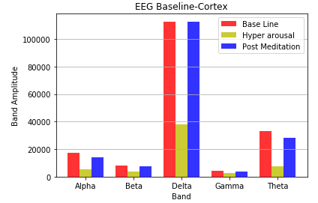
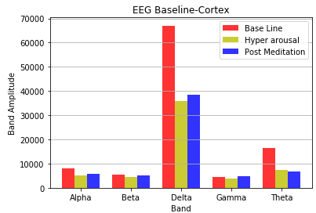

 |  |  |  | Fp2 |  |  | C3 | F3 | T4

Laurie

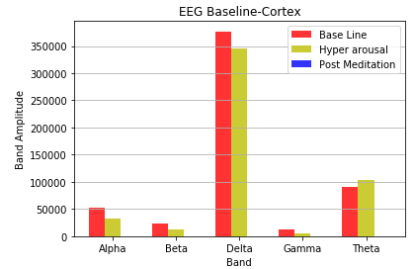
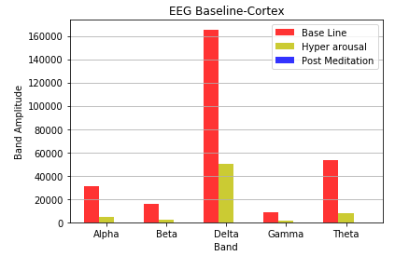
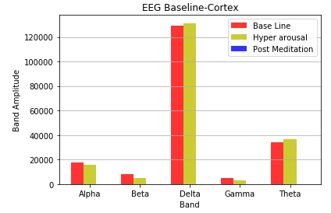
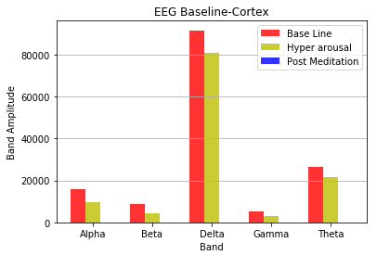

 |  |  |  | Fp2 |  |  | C3 | F3 | F4

Jason

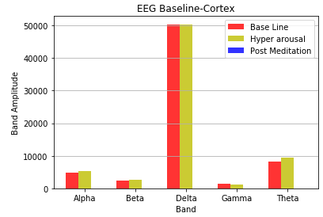
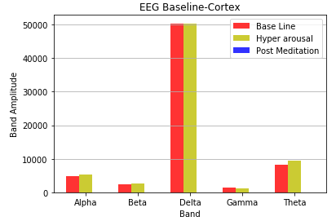

 |  |  |  | Fp2 |  | F3 |  | F4

Agnes

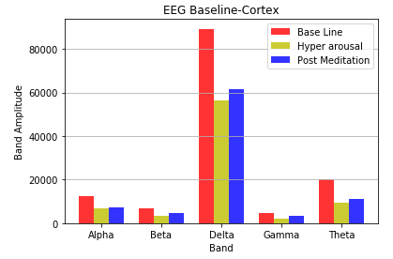
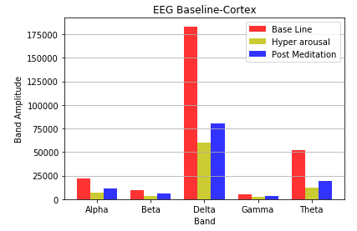
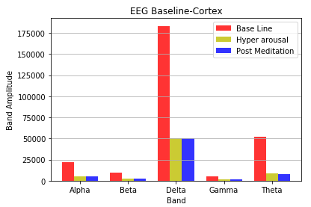
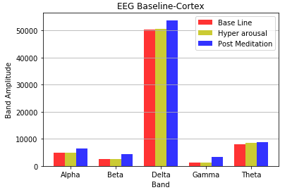

 |  |  |  | Fp2 |  |  | C3 | F3 | F4

Joan W

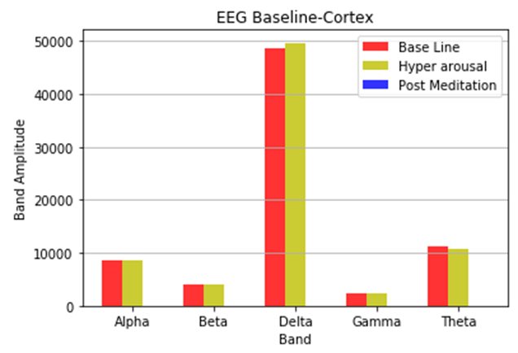
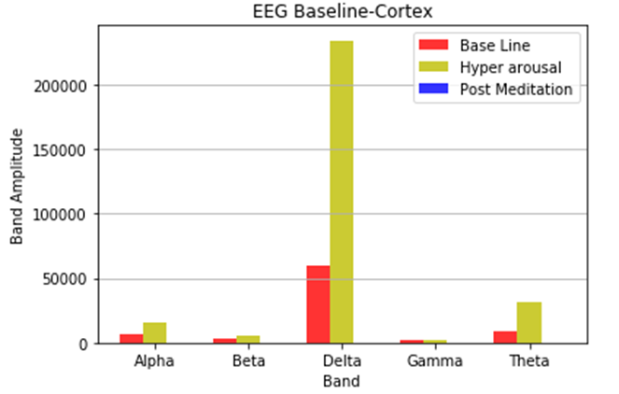
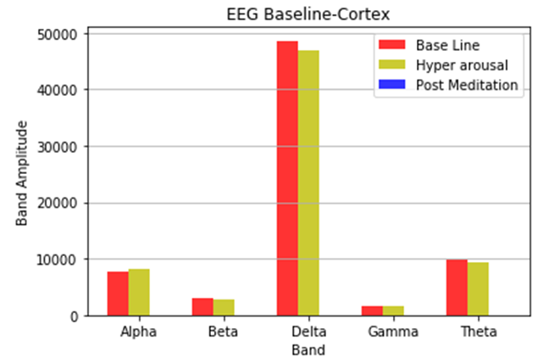
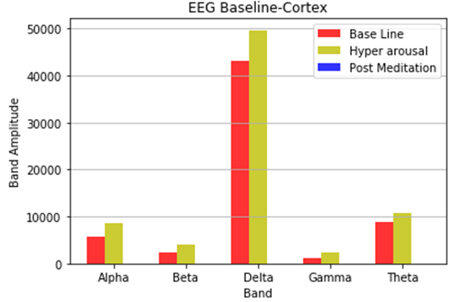

 |  |  |  | Fp2 |  | F3 |  | C3 | C4

 | Analysis
 | 1. Increase in the alpha waves in the prefrontal cortex after meditation- Relaxation
 | 2.Decrease in theta waves at the frontal cortex- reduced depression
 | 3. Beta Waves post meditation are higher compared to hyperarousal state - reduced alertness
 | 4. Increased gamma band power points to memory and information processing and binding of senses. A slight increase in Gamma power during hyper arousal and post mdeitation is noticed

Brain Hemisphere
 |  | Hemisphere Analysis

JoanW

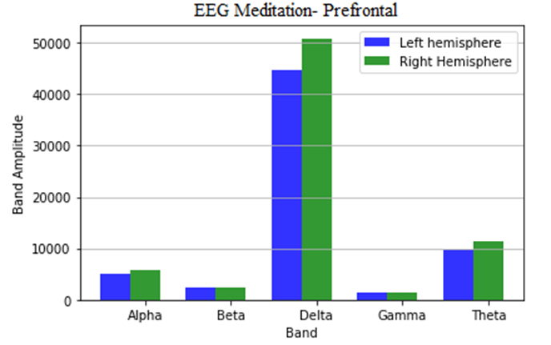
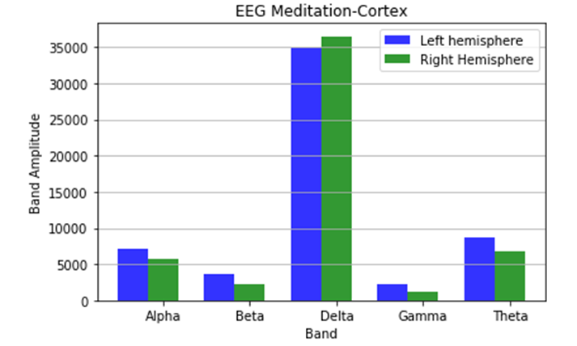

 |  |  | Prefrontal | Cortex

Agnes

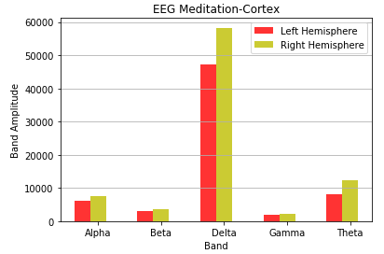

 |  |  | Cortex

Laurie
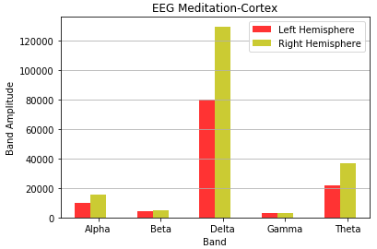

 |  |  | Cortex

Sarah

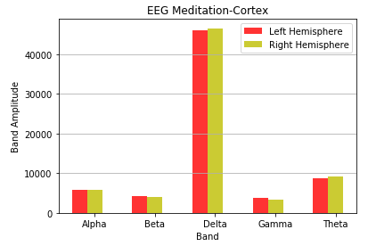

 |  |  | Cortex

JoanM

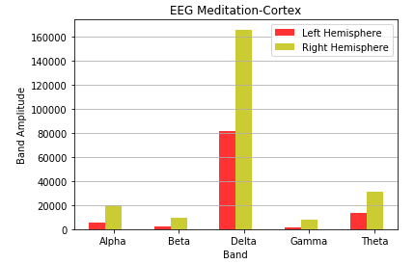

 | Analysis
 | 1.Brain Cortex of two hemispheres are analysed for their band powers. Right brain hemisphere is more active than the left one during meditation

