Normalização
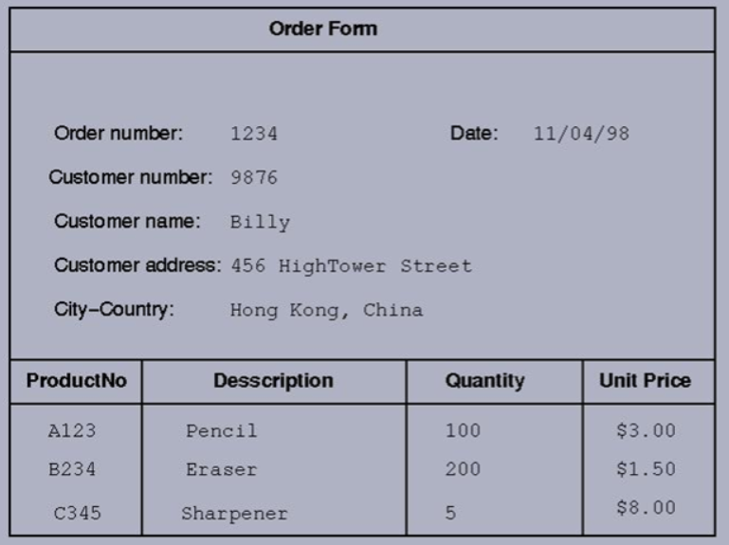
UNF

OrderNumber | CustomerNumber | CustomerName | CustomerAddress | City | Date | ProductNumber | Description | Category | Quantity | UnitPrice
1234 | 9876 | Billy | 456 HighTower Street | Hong Kong, China | 1998-04-11 | A123 | Pencil | Office | 100 | 3.00 €
1234 | 9876 | Billy | 456 HighTower Street | Hong Kong, China | 1998-04-11 | B234 | Eraser | Office | 200 | 1.50 €
1234 | 9876 | Billy | 456 HighTower Street | Hong Kong, China | 1998-04-11 | C345 | Sharpener | Office | 5 | 8.00 €
1235 | 6548 | John | 78 Flores Street | Porto, Portugal | 1995-03-26 | D456 | Stapler | Office | 24 | 2.50 €
1235 | 6548 | John | 78 Flores Street | Porto, Portugal | 1995-03-26 | B234 | Eraser | Office | 50 | 1.50 €
1236 | 3218 | Claire | 951 Republica Avenue | Vila Nova de Gaia, Portugal | 1996-10-02 | E567 | Table | Furniture | 5 | 120.00 €
1236 | 3218 | Claire | 951 Republica Avenue | Vila Nova de Gaia, Portugal | 1996-10-02 | F678 | Chair | Furniture | 5 | 70.00 €
1236 | 3218 | Claire | 951 Republica Avenue | Vila Nova de Gaia, Portugal | 1996-10-02 | G789 | Monitor | Technology | 5 | 150.00 €
1236 | 3218 | Claire | 951 Republica Avenue | Vila Nova de Gaia, Portugal | 1996-10-02 | H890 | Keyboard | Technology | 5 | 35.00 €
1236 | 3218 | Claire | 951 Republica Avenue | Vila Nova de Gaia, Portugal | 1996-10-02 | I901 | Mouse | Technology | 5 | 10.00 €
1236 | 3218 | Claire | 951 Republica Avenue | Vila Nova de Gaia, Portugal | 1996-10-02 | A123 | Pencil | Office | 75 | 3.00 €

1NF

OrderNumber | CustomerNumber | CustomerName | CustomerAddress | City | Country | Date
1234 | 9876 | Billy | 456 HighTower Street | Hong Kong | China | 1998-04-11
1234 | 9876 | Billy | 456 HighTower Street | Hong Kong | China | 1998-04-11
1234 | 9876 | Billy | 456 HighTower Street | Hong Kong | China | 1998-04-11
1235 | 6548 | John | 78 Flores Street | Porto | Portugal | 1995-03-26
1235 | 6548 | John | 78 Flores Street | Porto | Portugal | 1995-03-26
1236 | 3218 | Claire | 951 Republica Avenue | Vila Nova de Gaia | Portugal | 1996-10-02
1236 | 3218 | Claire | 951 Republica Avenue | Vila Nova de Gaia | Portugal | 1996-10-02
1236 | 3218 | Claire | 951 Republica Avenue | Vila Nova de Gaia | Portugal | 1996-10-02
1236 | 3218 | Claire | 951 Republica Avenue | Vila Nova de Gaia | Portugal | 1996-10-02
1236 | 3218 | Claire | 951 Republica Avenue | Vila Nova de Gaia | Portugal | 1996-10-02
1236 | 3218 | Claire | 951 Republica Avenue | Vila Nova de Gaia | Portugal | 1996-10-02

OrderNumber | ProductNumber | Description | Category | Quantity | UnitPrice
1234 | A123 | Pencil | Office | 100 | 3.00 €
1234 | B234 | Eraser | Office | 200 | 1.50 €
1234 | C345 | Sharpener | Office | 5 | 8.00 €
1235 | D456 | Stapler | Office | 24 | 2.50 €
1235 | B234 | Eraser | Office | 50 | 1.50 €
1236 | E567 | Table | Furniture | 5 | 120.00 €
1236 | F678 | Chair | Furniture | 5 | 70.00 €
1236 | G789 | Monitor | Technology | 5 | 150.00 €
1236 | H890 | Keyboard | Technology | 5 | 35.00 €
1236 | I901 | Mouse | Technology | 5 | 10.00 €
1236 | A123 | Pencil | Office | 75 | 3.00 €

2NF

OrderNumber | CustomerNumber | Date
1234 | 9876 | 1998-04-11
1235 | 6548 | 1995-03-26
1236 | 3218 | 1996-10-02

CustomerNumber | CityID | CustomerName | CustomerAddress
9876 | 1 | Billy | 456 HighTower Street
6548 | 2 | John | 78 Flores Street
3218 | 3 | Claire | 951 Republica Avenue

CityID | City | Country
1 | Hong Kong | China
2 | Porto | Portugal
3 | Vila Nova de Gaia | Portugal

OrderNumber | ProductNumber | Quantity |  | ProductNumber | Category | Description | UnitPrice
1234 | A123 | 100 |  | A123 | Office | Pencil | 3.00 €
1234 | B234 | 200 |  | B234 | Office | Eraser | 1.50 €
1234 | C345 | 5 |  | C345 | Office | Sharpener | 8.00 €
1235 | D456 | 24 |  | D456 | Office | Stapler | 2.50 €
1235 | B234 | 50 |  | E567 | Furniture | Table | 120.00 €
1236 | E567 | 5 |  | F678 | Furniture | Chair | 70.00 €
1236 | F678 | 5 |  | G789 | Technology | Monitor | 150.00 €
1236 | G789 | 5 |  | H890 | Technology | Keyboard | 35.00 €
1236 | H890 | 5 |  | I901 | Technology | Mouse | 10.00 €
1236 | I901 | 5
1236 | A123 | 75

3NF

OrderNumber | CustomerNumber | Date
1234 | 9876 | 1998-04-11
1235 | 6548 | 1995-03-26
1236 | 3218 | 1996-10-02

CustomerNumber | CityID | CustomerName | CustomerAddress
9876 | 1 | Billy | 456 HighTower Street
6548 | 2 | John | 78 Flores Street
3218 | 3 | Claire | 951 Republica Avenue

CityID | CountryID | City |  | CountryID | Country
1 | 1 | Hong Kong |  | 1 | China
2 | 2 | Porto |  | 2 | Portugal
3 | 2 | Vila Nova de Gaia

OrderNumber | ProductNumber | Quantity |  | ProductNumber | CategoryID | Description | UnitPrice
1234 | A123 | 100 |  | A123 | 1 | Pencil | 3.00 €
1234 | B234 | 200 |  | B234 | 1 | Eraser | 1.50 €
1234 | C345 | 5 |  | C345 | 1 | Sharpener | 8.00 €
1235 | D456 | 24 |  | D456 | 1 | Stapler | 2.50 €
1235 | B234 | 50 |  | E567 | 2 | Table | 120.00 €
1236 | E567 | 5 |  | F678 | 2 | Chair | 70.00 €
1236 | F678 | 5 |  | G789 | 3 | Monitor | 150.00 €
1236 | G789 | 5 |  | H890 | 3 | Keyboard | 35.00 €
1236 | H890 | 5 |  | I901 | 3 | Mouse | 10.00 €
1236 | I901 | 5
1236 | A123 | 75 |  | CategoryID | Category
 |  |  |  | 1 | Office
 |  |  |  | 2 | Furniture
 |  |  |  | 3 | Technology

