Flow
Flow

Share Customer /Dealer Credentials to CRM/CCS
11

8
User
CCS/CRM
9
PTC

Enters the below details
-> Customer Information
-> Dealer Information
-> Air~ALERT Retrofitted
-> SIM Serial No
-> SIM No
Send the below details
-> Customer Information
-> Dealer Information
-> SE details
-> ASM details
-> RSM details
-> CH details
-> Warranty status
-> Key Customer
-> Air~ALERT Retrofitted
-> SIM Serial No
-> SIM No

10

Customer /Dealer Credentials will be created

Share Customer /Dealer Credentials
12

End User
13
AirAlert UI

User able to login the UI

Test_Data
INPUT | OUTPUT
Test Data (FROM CRM/CCS) | Org Structured Creation | User Group Creation | User Creation (Dealer/Customer) | Visibility Added In the asset level | Credential shared to End User | User able to login to the UI
{ "input": { "CRMorCCS": "CRM", "commissioningDate": "", "fabNumber": "BSDS037655", "isCommissioning": true, "isKeyCustomer": false, "isRetrofitted": false, "warrantyStatus": true, "orgUnitDetails": [ { "parent_id": "COIMBATORE", "unitLevel": "DEALER", "unitName": "CBE Dealer", "unit_id": "CBE_DEALER" }, { "parent_id": "CBE_DEALER", "unitLevel": "CUSTOMER", "unitName": "ELGi Foundry", "unit_id": "ELGI_FOUNDRY" }, { "parent_id": "INDIA", "unitLevel": "REGION", "unitName": "South", "unit_id": "SOUTH" }, { "parent_id": "SOUTH", "unitLevel": "AREA", "unitName": "Coimbatore", "unit_id": "COIMBATORE" } ], "orgUserDetails": [ { "email": "elgi_foundry_customer@gmail.com", "name": "ELGi Foundry", "unit_id": "ELGI_FOUNDRY", "userAction": "ADD" }, { "email": "cbe_dealer@gmail.com", "name": "CBE Dealer", "unit_id": "CBE_DEALER", "userAction": "ADD" }, { "email": "CBEPilot@elgi.com", "name": "CBEPilot", "unit_id": "COIMBATORE", "userAction": "ADD" }, { "email": "SouthPilot@elgi.com", "name": "SouthPilot", "unit_id": "SOUTH", "userAction": "ADD" }, { "email": "IndiaPilot@elgi.com", "name": "IndiaPilot", "unit_id": "INDIA", "userAction": "ADD" } ], "serviceEngineerDetails": { "area_id": "COIMBATORE", "customer_id": "ELGI_FOUNDRY", "dealer_id": "CBE_DEALER", "email": "CBESEPilot@elgi.com", "mobileNo": "9898998998988", "name": "CBESEPilot", "region_id": "SOUTH" } } } | 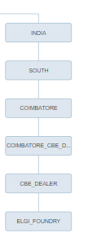 | 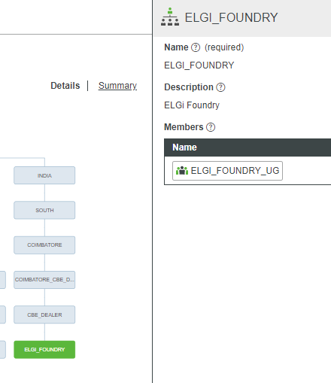 | 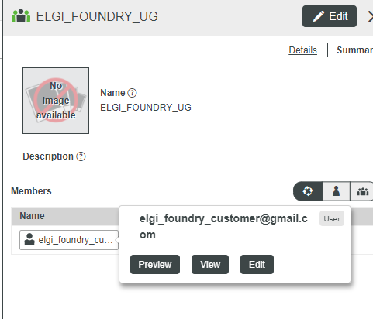 | 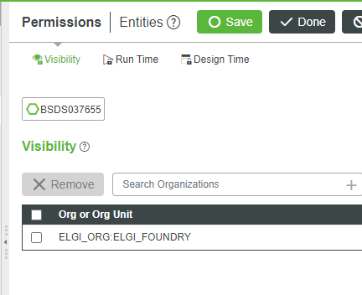 | User Credential should be available in given email id | 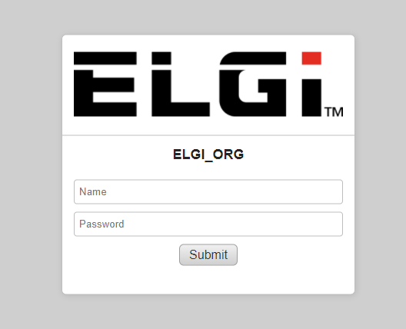 URL : https://elgi-prod.cloud.thingworx.com/Thingworx/FormLogin/ELGI_ORG Login Page :

