Questions
Question | Solution:Query | Solution:Screenshoot
How many olympics games have been held? | select count(distinct games) as total_olympic_games from baburam-shrestha.assignment2.Table_Athlete_Event; | 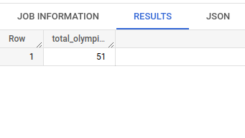
List down all Olympics games held so far. | select distinct oh.year,oh.season,oh.city from baburam-shrestha.assignment2.Table_Athlete_Event oh order by year;
Mention the total no of nations who participated in each olympics game? | with all_countries as (select games, nr.region from baburam-shrestha.assignment2.Table_Athlete_Event oh join baburam-shrestha.assignment2.Table_Noc_Region nr ON nr.noc = oh.noc group by games, nr.region) select games, count(1) as total_countries from all_countries group by games order by games limit 10; | 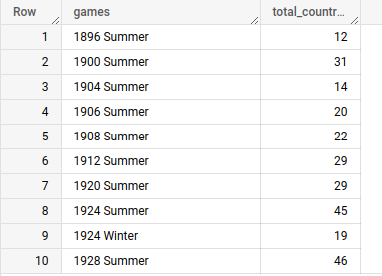
Which year saw the highest and lowest no of countries participating in olympics? | with all_countries as (select games, nr.region from baburam-shrestha.assignment2.Table_Athlete_Event oh join baburam-shrestha.assignment2.Table_Noc_Region nr ON nr.noc=oh.noc group by games, nr.region), tot_countries as (select games, count(1) as total_countries from all_countries group by games) select distinct concat(first_value(games) over(order by total_countries) , ' - ' , first_value(total_countries) over(order by total_countries)) as Lowest_Countries, concat(first_value(games) over(order by total_countries desc) , ' - ' , first_value(total_countries) over(order by total_countries desc)) as Highest_Countries from tot_countries order by 1;
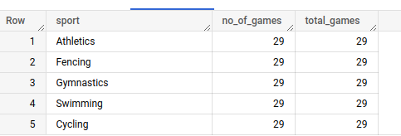
Identify the sport which was played in all summer olympics. | with t1 as (select count(distinct games) as total_games from baburam-shrestha.assignment2.Table_Athlete_Event where season = 'Summer'), t2 as (select distinct games, sport from baburam-shrestha.assignment2.Table_Athlete_Event where season = 'Summer'), t3 as (select sport, count(1) as no_of_games from t2 group by sport) select * from t3 join t1 on t1.total_games = t3.no_of_games;
Which Sports were just played only once in the olympics? | with t1 as (select distinct games, sport from baburam-shrestha.assignment2.Table_Athlete_Event), t2 as (select sport, count(1) as no_of_games from t1 group by sport) select t2.*, t1.games from t2 join t1 on t1.sport = t2.sport where t2.no_of_games = 1 order by t1.sport;
Fetch the total no of sports played in each olympic games. | with t1 as (select distinct games, sport from baburam-shrestha.assignment2.Table_Athlete_Event), t2 as (select games, count(1) as no_of_sports from t1 group by games) select * from t2 order by no_of_sports desc;
Fetch details of the oldest athletes to win a gold medal. | with temp as (select cast(case when age = 'NA' then '0' else age end as int) as age ,team,games, medal from baburam-shrestha.assignment2.Table_Athlete_Event), ranking as (select *, rank() over(order by age desc) as rnk from temp where medal='Gold') select * from ranking where rnk = 1;
Find the Ratio of male and female athletes participated in all olympic games. | with t1 as (select name, team, count(1) as total_gold_medals from baburam-shrestha.assignment2.Table_Athlete_Event where medal = 'Gold' group by name, team order by total_gold_medals desc), t2 as (select *, dense_rank() over (order by total_gold_medals desc) as rnk from t1) select name, team, total_gold_medals from t2 where rnk <= 5;

