Dashboard
Boundary-Only Q / DtN / ODE Benchmark Workbook
Generated 2026-07-01T10:36:01.209Z from local benchmark outputs in /Users/rick/Documents/New project 2

Structural Methods: Accuracy Score
Metric | Workbook Formula / Value |  | Scope | Domain / Equation Coverage
PDE/DtN cases | 35 |  | PDE | Laplace DtN, heat semigroup, Poisson solve, Helmholtz resolvent, wave propagator on boundary modes
PDE problem families | 5 |  | Quadrature | Trapezoid, singularity subtraction, adaptive panel, Gulati Q bridge, multipole/zeta Q, QBX refined
Median Q formula rel error | 0.000E+00 |  | Domains | Ellipses, rounded squares, polygons, star polygons, NACA airfoil, cardioid and astroid cusps, flower curves, surface audits
Median Q operator rel error | 2.201E-14 |  | Spectrum | Q symbol power, pair split, normalized variation, and recommended Q by shape
Median FEM rel error vs exact reference | 3.506E-03 |  | Precision | Boundary-only Q and FEM results are compared against cited unit-disk Steklov/DtN and DLMF modal references; FEM is volumetric P1 baseline, not truth
Median Q formula ms | 0.006 |  | Dense Matrix Policy | Workbook records outputs only. The Q engine stores generating QJets and uses borrow-compute-repay style evaluation; no dense Q matrix is stored.
Median FEM ms | 44.495 |  | Source | See Sources and Precision_Log sheets for script paths, parameters, and reference sizes.
Median Q formula speedup vs FEM | 7042.3
Structural quadrature cases | 30
QBX failure rows | 11
ODE stress rows | 24

Method | Median Rel Error | Accuracy Score | Median ms | Median Work | Failures | Median Improvement
trapezoid | 1.125E-02 | 1.949 | 0.628 | 512.0 | 0.0 | 1.0
singularity_subtraction | 4.998E-04 | 3.301 | 0.916 | 533.0 | 0.0 | 11.2
adaptive_panel | 2.961E-04 | 3.529 | 1.098 | 926.0 | 0.0 | 36.9
PDE Median Times and Speedup
gulati_q_bridge | 4.534E-04 | 3.344 | 0.890 | 513.0 | 0.0 | 12.8
multipole_zeta_q | 1.435E-06 | 5.843 | 18.445 | 66619.0 | 0.0 | 5073.8
qbx_refined | 9.068E-05 | 4.042 | 27.641 | 245760.0 | 3.0 | 159.6

PDE Problem | Median Q Formula Err | Median FEM Err vs Exact Ref | Q Formula ms | Q Operator ms | FEM ms | Q Formula Speedup
heat | 0.000E+00 | 3.626E-03 | 0.006 | 18.407 | 44.495 | 7323.762
helmholtz | 0.000E+00 | 7.996E-03 | 0.008 | 18.723 | 44.495 | 5877.427
laplace_dtn | 0.000E+00 | 2.661E-03 | 0.005 | 18.148 | 44.495 | 8702.334
poisson | 0.000E+00 | 2.556E-03 | 0.006 | 18.417 | 44.495 | 7683.573
wave | 0.000E+00 | 1.948E-03 | 0.007 | 18.877 | 44.495 | 6147.614

ODE Method | Rows | Median Abs Error | Median Rel Error | Median ms
Explicit Euler | 7 | 5.276E-10 | 1.652E-07 | 0.207
Implicit Euler scalar | 3 | 7.889E-31 | 7.889E-01 | 0.004
Q spectral exact oscillator | 1 | 0.000E+00 | 0.000E+00 | 0.008
Q spectral exact scalar map | 1 | 0.000E+00 | 0.000E+00 | 0.006
Q spectral exact semigroup | 3 | 0.000E+00 | 0.000E+00 | 0.002
RK4 fixed | 7 | 9.992E-16 | 2.158E-13 | 0.367
Reference RK4 fine | 2 | 0.000E+00 | 0.000E+00 | 0.033

QBX_Failures
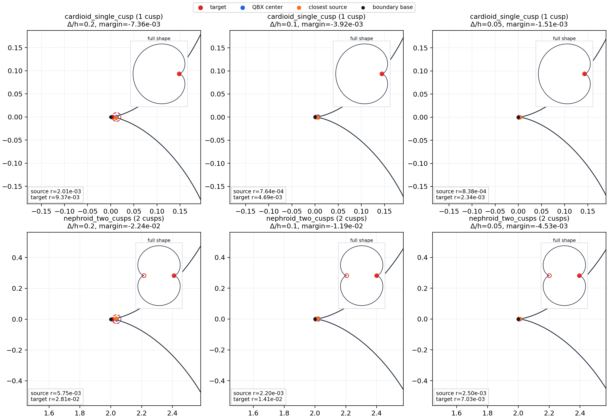
Benchmark | Shape | Target Mode | Delta/h | N | QBX N | QBX Order | Failed Method | Failure | QBX Rel Error | Gulati Rel Error | Multipole Zeta Rel Error | Trapezoid Rel Error | PNG Path
qbx_gulati_cusp_benchmark | cardioid_single_cusp | tip | 0.200 | 512 | 4096 | 60 | qbx_refined | ValueError: target is outside the source-free QBX expansion disk |  | 1.905E-01 | 1.022E-01 | 1.388E-01 | /Users/rick/Documents/New project 2/docs/assets/qbx_failure_cardioid_single_cusp.png
qbx_gulati_cusp_benchmark | cardioid_single_cusp | tip | 0.200 | 512 | 4096 | 60 | qbx_same_n | ValueError: target is outside the source-free QBX expansion disk |  | 1.905E-01 | 1.022E-01 | 1.388E-01 | /Users/rick/Documents/New project 2/docs/assets/qbx_failure_cardioid_single_cusp.png
qbx_gulati_cusp_benchmark | cardioid_single_cusp | tip | 0.100 | 512 | 4096 | 60 | qbx_refined | ValueError: target is outside the source-free QBX expansion disk |  | 1.132E-01 | 2.520E-02 | 8.160E-03 | /Users/rick/Documents/New project 2/docs/assets/qbx_failure_cardioid_single_cusp.png
qbx_gulati_cusp_benchmark | cardioid_single_cusp | tip | 0.050 | 512 | 4096 | 60 | qbx_refined | ValueError: target is outside the source-free QBX expansion disk |  | 6.617E-02 | 2.325E-02 | 1.034E-01 | /Users/rick/Documents/New project 2/docs/assets/qbx_failure_cardioid_single_cusp.png
qbx_gulati_cusp_benchmark | nephroid_two_cusps | tip | 0.200 | 512 | 4096 | 60 | qbx_refined | ValueError: target is outside the source-free QBX expansion disk |  | 3.036E-03 | 1.653E-03 | 2.200E-03 | /Users/rick/Documents/New project 2/docs/assets/qbx_failure_nephroid_two_cusps.png
qbx_gulati_cusp_benchmark | nephroid_two_cusps | tip | 0.200 | 512 | 4096 | 60 | qbx_same_n | ValueError: target is outside the source-free QBX expansion disk |  | 3.036E-03 | 1.653E-03 | 2.200E-03 | /Users/rick/Documents/New project 2/docs/assets/qbx_failure_nephroid_two_cusps.png
qbx_gulati_cusp_benchmark | nephroid_two_cusps | tip | 0.100 | 512 | 4096 | 60 | qbx_refined | ValueError: target is outside the source-free QBX expansion disk |  | 1.994E-03 | 4.674E-04 | 9.452E-05 | /Users/rick/Documents/New project 2/docs/assets/qbx_failure_nephroid_two_cusps.png
qbx_gulati_cusp_benchmark | nephroid_two_cusps | tip | 0.050 | 512 | 4096 | 60 | qbx_refined | ValueError: target is outside the source-free QBX expansion disk |  | 1.216E-03 | 5.623E-04 | 2.046E-03 | /Users/rick/Documents/New project 2/docs/assets/qbx_failure_nephroid_two_cusps.png
structural_quadrature_methods_benchmark | cardioid_single_cusp | tip | 0.200 | 512 | 4096 |  | qbx_refined | ValueError: target is outside the source-free QBX expansion disk |  | 1.905E-01 | 1.022E-01 | 1.388E-01 | /Users/rick/Documents/New project 2/docs/assets/qbx_failure_cardioid_single_cusp.png
structural_quadrature_methods_benchmark | cardioid_single_cusp | tip | 0.100 | 512 | 4096 |  | qbx_refined | ValueError: target is outside the source-free QBX expansion disk |  | 1.132E-01 | 2.519E-02 | 8.151E-03 | /Users/rick/Documents/New project 2/docs/assets/qbx_failure_cardioid_single_cusp.png
structural_quadrature_methods_benchmark | cardioid_single_cusp | tip | 0.050 | 512 | 4096 |  | qbx_refined | ValueError: target is outside the source-free QBX expansion disk |  | 6.582E-02 | 2.358E-02 | 1.037E-01 | /Users/rick/Documents/New project 2/docs/assets/qbx_failure_cardioid_single_cusp.png

QBX Failure Examples

