monthly deck makeover story
how to focus on takeaways in the standard monthly deck

 | ORIGINAL VISUAL |  |  | NOTES + DATA TO GRAPH
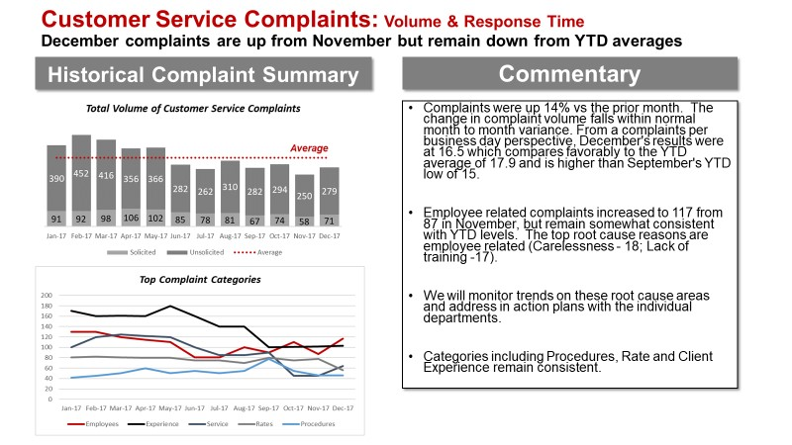
 |  |  |  | YEAR | MONTH | Total | Unsolicited | Solicited | Average | Employees | Experience | Service | Rates | Procedures
 |  |  |  | 2016 | DEC | 419 | 369 | 50 | 409
 |  |  | Jan-17 | 2017 | JAN | 481 | 390 | 91 | 409 | 130 | 170 | 100 | 81 | 42
 |  |  | Feb-17 |  | FEB | 544 | 452 | 92 | 409 | 130 | 160 | 120 | 82 | 45
 |  |  | Mar-17 |  | MAR | 514 | 416 | 98 | 409 | 120 | 161 | 125 | 81 | 50
 |  |  | Apr-17 |  | APR | 462 | 356 | 106 | 409 | 115 | 160 | 122 | 80 | 60
 |  |  | May-17 |  | MAY | 468 | 366 | 102 | 409 | 110 | 180 | 120 | 80 | 50
 |  |  | Jun-17 |  | JUN | 367 | 282 | 85 | 409 | 81 | 160 | 100 | 75 | 55
 |  |  | Jul-17 |  | JUL | 340 | 262 | 78 | 409 | 81 | 140 | 85 | 75 | 50
 |  |  | Aug-17 |  | AUG | 391 | 310 | 81 | 409 | 100 | 140 | 85 | 70 | 55
 |  |  | Sep-17 |  | SEP | 349 | 282 | 67 | 409 | 90 | 100 | 90 | 80 | 78
 |  |  | Oct-17 |  | OCT | 368 | 294 | 74 | 409 | 110 | 101 | 45 | 75 | 55
 |  |  | Nov-17 |  | NOV | 308 | 250 | 58 | 409 | 87 | 102 | 45 | 78 | 46
 |  |  | Dec-17 |  | DEC | 350 | 279 | 71 | 409 | 117 | 103 | 64 | 56 | 46
 |  |  |  |  |  | 14%
 |  |  |  | VBC |  | Client Exp. | Employees | Service | Rates | Procedures |  | HBC | Employees | Experience | Service | Rates | Procedures
 |  |  |  |  | Dec-17 | 103 | 117 | 64 | 56 | 46 |  | Dec-17 | 117 | 103 | 64 | 56 | 46
 |  |  |  |  | Nov-17 | 102 | 87 | 45 | 78 | 46 |  | Nov-17 | 87 | 102 | 45 | 78 | 46
 |  |  |  |  |  |  | 34% | 42%
 |  |  |  | for slopegraph
 |  |  |  |  | Nov-17 | 102 | 87 | 45 | 78 | 46
 |  |  |  |  | Dec-17 | 103 | 117 | 64 | 56 | 46
 |  |  |  |  | change | -1 | -30 | -19 | 22 | 0 | -28

 | MAKEOVER
Total complaints decreasing over time.
Complaints increased by 14% in December. Though overall within normal monthly variation, we did see some changes at the complaint level that warrant further discussion. Variation also attributable to the number of business days in December, compared to November.
December increase due to Employees.
Employee related complaints increased to 117, a 34% increase compared to November.
DISCUSSION NEEDED: Let's develop an action plan for each department. What are our next steps?

 | base graph: top chart

 | Complaints over time
 | NUMBER OF COMPLAINTS

TOTAL
UNSOLICITED
SOLICITED

 | Complaints over time |  | Complaints over time |  |  |  |  |  |  |  | Complaints over time |  |  |  |  |  |  | Complaints over time | Complaints over time | Complaints over time | Complaints over time
 | NUMBER OF COMPLAINTS |  | NUMBER OF COMPLAINTS |  |  |  |  |  |  |  | NUMBER OF COMPLAINTS |  |  |  |  |  |  | NUMBER OF COMPLAINTS | NUMBER OF COMPLAINTS | NUMBER OF COMPLAINTS | NUMBER OF COMPLAINTS

TOTAL: 14% increase from prior month
NON- REGULATORY
REGULATORY

TOTAL
NON- REGULATORY
REGULATORY
TOTAL
NON- REGULATORY
REGULATORY
TOTAL
NON- REGULATORY
REGULATORY
TOTAL
NON- REGULATORY
REGULATORY
TOTAL
NON- REGULATORY
REGULATORY
UNSOLICITED

SOLICITED

 | Complaints by category |  | Complaints by category |  |  |  |  |  |  |  | Complaints by category
 | NUMBER OF COMPLAINTS |  | NUMBER OF COMPLAINTS |  |  |  |  |  |  |  | NUMBER OF COMPLAINTS

117 Employees
103 Client Exp.
64 Service
56 Rates
46 Procedures
117 Employees
103 Client Exp.
64 Service
56 Rates
46 Procedures
117 Employees
103 Client Exp.
64 Service
56 Rates
46 Procedures

 | Complaints by category
 | THIS MONTH (Dec'17) | LAST MONTH (Nov'17)

 | Complaints by category
 | LAST MONTH (Nov'17) | THIS MONTH (Dec'17)

COMPLAINT CATEGORY

 | Complaints by category | Complaints by category
 | NUMBER OF COMPLAINTS | NUMBER OF COMPLAINTS
117
117

Client Exp: 102
103
Client Exp: 102
103

Employees: 87
Employees: 87

Rates: 78
Rates: 78

64
64

56
56

Procedures: 46
46
Procedures: 46
46
Service: 45
Service: 45

LAST MONTH
NOV 2017
THIS MONTH
DEC 2017
THIS MONTH
DEC 2017
LAST MONTH
NOV 2017
THIS MONTH
DEC 2017

